README
SUMMARY
- This Config_test.xlsx will produce the runner_spec.csv file with the custom selected tests to run for the DMAT and CSR.
- runner_spec.csv is used by run_pscad.py or run_psse.py scripts to run the tests.

TO DO BEFORE RUNNING SCRIPT
1) Ensure correct Suite, Software and WF States are selected in the System_inf tab
2) Ensure correct clauses are selected in the Checklist tab by choosing "Yes" or "No" in the Action column
3) For the selected test clause sheets select "Yes" or "No" in the Action column

WORKBOOK INFORMATION

TABLE HEADERS
- These are already set by default, avoid changing them.
- Refer to Table 1 for headers of test tables and input options. For the SpecGenerator code to work, it is ESSENTIAL to use the exact header names in Table 1 and input format specified.
- Every new test sheet created should include the headers under "Must Include" in Table 1
- Order of headers does not matter

Table 1: | Must include |  |  |  |  |  |  | Optional
Header | Test | Action | Software | Suite | End Run (s) | SCR | X/R | Time Steps (s) | Active Power (pu) | WTG Pref (pu) | BESS Pref (pu) | Pref Deltas (pu) | Pref Ramp (pu/s) | Reactive Power (pu) | Voltage POC (pu) | Vgrid Deltas (pu) | Voltage Ramp (Hz/s) | Voltage Step (pu) | Vref (pu) | Vref Delta (pu)
Description: | Test number to be added to the end of the file name. | Manual selection to choose if test will be included in runner_spec | Test for PSSE or PSCAD | Test suite category | Simulation time | Desired Grid SCR Level | Desired Grid X/R | Time profile for step changes | Wind farm active power reference (applied to BESS or WT depending on WF States from the "System_inf" tab) |  |  | Difference form original P ref at every timestep. |  | Wind farm reactive power setpoint | POC voltage | Difference form original voltage at every timestep. | Ramp to different grid voltages false - no ramping true - ramp to next value | Step value when action needs to occur for every iteration in range, ref to Table 2 for more infor | Desired Voltage reference | Difference form original voltage at every timestep.
Options / Exmaples: |  | Yes | PSSE | DMAT | 45 | 12 | 6 | [0,5,8] - user defined timesteps | 0.6 |  |  | [0,-0.2,0,0.2,0] - user defined pref_deltas |  | 0.3 | 1.034 | [0,-0.1,0,0.1,0] - user defined voltage_deltas | [false, true, false, true, false] - user defined ramps |  |  | [0,-0.1,0,0.1,0] - user defined vref_deltas
 |  | No | PSCAD | Reduced_DMAT |  | POC | POC | fig1 - using a figure from "Figure References" tab for customised profile timesteps | [0, 0.2, 0.4] |  |  | fig1 - using a figure from "Figure References" tab for customised profile pref_deltas |  |  |  | fig1 - using a figure from "Figure References" tab for customised profile voltage deltas | fig1 - using a figure from "Figure References" tab for customised profile voltage ramps |  |  | fig1 - using a figure from "Figure References" tab for customised profile voltage deltas
 |  |  | Both | CSR |  | [12,1]
 |  |  |  | None |  | inf | inf

Table 1 (cont.) | Optional
Heading | Apply Fault (s) | Fault Duration (s) | Fault Type | Fault Impedance (pu) | Fault X/R | Event | Delta (pu) | Freq Deltas (Hz) | Freq Ramp (Hz/s) | Osc Freqs (Hz) | Osc Magnitude (pu) | Step (Hz) | Osc Phase (deg) | Angle Change | Column2 | Column24 | Column25 | Column26 | Column27
Description: | Time at which a fault is applied | Duration of fault | Fault type | Fault impedance for - Under voltage faults - Temporary Over Voltage faults (ToV) | Usually matches grid Z, but custom specified for some S5255 tests | Event type if Delta title is used | For a change in value specified in Event, the difference from the original value in pu. | Difference from original frequency. | Ramp to different frequencies false - no ramping true - ramp to next value | Grid voltage oscillation frequency | Grid voltage oscillation magntude | When a range is specified for different tests (":"), then this is the step size | Grid voltage oscillation phase | Grid phase angle change
Options: | 5 - Single fault | 0.25 - Single fault | 3PHG | Zf=0 |  | Vref | [0,-0.2,0,0.2,0] | [0,-0.2,0,0.2,0] | [false, true, false] - user defined ramps | 0.1 | 0.2 | 0.1 | 45 | 40
 | [5, 5.5, 6.7] - MFRT | [0.1, 0.1, 0.25] - MFRT | 2PHG | Zf=Zs |  | Vgrid | fig1 | fig1 | fig1 - using a figure from "Figure References" tab for customised profile voltage ramps | 0.1:0.9 |  |  |  | 40; -40; 60; -60
 |  | S1 - sequence that defines durations | 1PHG | Zf="K"xZs where K is an integer |  | Qref
 |  |  | L-L | TOV: Yf = jXc (U_Ov = 1.15pu)
 |  |  |  | Zf=Rf = 1, 5 and 10 Ohm
 |  |  |  | S1

The meaning of the following general notation is described.
Combanations can be used but take care to ensure readability.
Table 2 | Test 1 |  |  | Test 2 |  |  | Test 3 |  |  | Deliminator
 | Time step 1 | Time step 2 | Time step 3 | Time step 1 | Time step 2 | Time step 3 | Time step 1 | Time step 2 | Time step 3
[100, 200, 300] | 100 | 200 | 300 |  |  |  |  |  |  | ","
100; 200; 300 | 100 |  |  | 200 |  |  | 300 |  |  | "; "
100:300 (steps = 100) | 100 |  |  | 200 |  |  | 300 |  |  | ":"
 |  | Spec1 | Spec2
In general, if a test is specified as: |  | 23; 67 | 122; 215
Then the following tests are produced: |  | Spec1 | Spec2
 | Test1 | 23 | 122
 | Test2 | 23 | 215
 | Test3 | 67 | 122
 | Test4 | 67 | 215
But in the case of SCR=POC and X/R=POC we get the following |  | SCR | X/R
 | Test1 | POC SCR low | POC X/R low
 | Test2 | POC SCR high | POC X/R high

Customisation
The aim is to make this sheet as flexible and readable as possible but as of now, the script is a work in progress and has only been tested on the DMAT.
If you would like to make a minor change to an existing default profile, then copy in the profile into the delta, timestep and ramp columns and then adjust the values as needed.
Default profiles should remain constant, only change if they are not an appropriate model for the DMAT (or other test).
If you intend to use a variation a lot, you can copy the variation into the test or add another default profile and refer to that one instead.
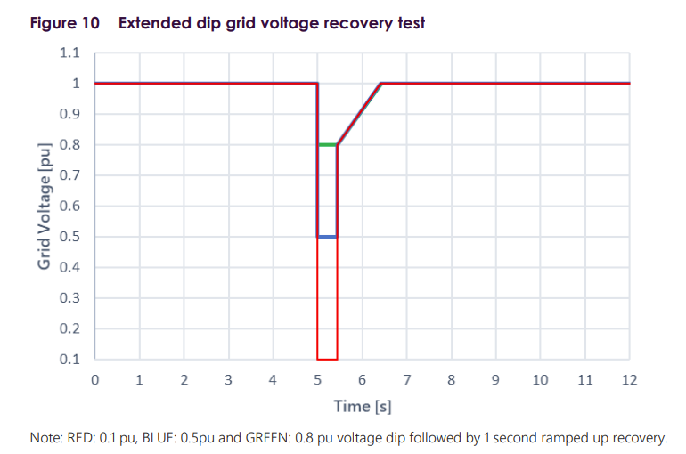
System_inf
This sheet is used to specify the parameters for the test sets. The table shows some of the possible inputs.
V_POC | Nominal Power | Plant Capacity | Fault level | POC SCR | POC XR ratio | POC base Voltage | Nominal Frequency | Qlead,Qlag | Save Format | Q-V Droop | Suite | Software | WF States | Column1
1.034 | 150 | 150 | 901.18603518 | [12.676303,2.2863071] | [6.66,5.33] | 220 | 50 | [0.3,-0.3] | csv | 0.05 | Run a suite of tests or not | If we want to run tests on PSCAD or PSSE | Describes the wf states which we want to run for.
 |  |  |  |  |  |  |  |  |  |  | DMAT | PSCAD | ALL
 |  |  |  |  |  |  |  |  |  |  | Reduced DMAT | PSSE | WTG PZERO
 |  |  |  |  |  |  |  |  |  |  | CSR | Both | BESS PMAX | BESS = 70
 |  |  |  |  |  |  |  |  |  |  | None |  | BESS PZERO | WTG ref = 80
 |  |  |  |  |  |  |  |  |  |  |  |  | BESS PMIN
Nominal Frequency | 0
50 | 0
 |  |  |  |  |  |  |  |  |  |  |  |  | WTG PZERO; BESS PMAX

Profiles
For signals which change over time, these can reference Figure references which contain some default profiles, or a custom one can be added. It is important to correctly understand how a profile will be specified.
An example from DMAT 3.2.14 is shown below. Consider the profile in red.
 |  |  |  | [0,5,5.499,5.5001,6.5001,12] | [0,-0.9,-0.2,-0.2,0,0] | [false,false,false,true,false,false] |  | Time Step | Delta | Absolute
 |  |  |  | Time Step | Delta | Ramp |  | 0 | 0 | 1
 |  |  |  | 0 | 0 | FALSE |  | 5 | 0 | 1
 |  |  |  | 5 | -0.9 | FALSE | => | 5 | -0.9 | 0.1
 |  |  |  | 5.5 | -0.2 | FALSE |  | 5.5 | -0.9 | 0.1
 |  |  |  | 5.5 | -0.2 | TRUE |  | 5.5 | -0.2 | 0.8
 |  |  |  | 6.5 | 0 | FALSE |  | 5.5 | -0.2 | 0.8
 |  |  |  | 12 | 0 | FALSE |  | 5.5 | -0.2 | 0.8
 |  |  |  |  |  |  |  | 6.5 | 0 | 1
 |  |  |  |  |  |  |  | 6.5 | 0 | 1
0 | 1
5 | 1
5 | 0.1
5.5 | 0.1
5.5 | 0.8
5.5 | 0.8
5.5 | 0.8
6.5 | 1
6.5 | 1
12 | 1
 |  |  |  |  |  |  |  | 12 | 0 | 1

