Visualization
DASHBOARD FOR NIGERIA'S ECONOMIC DATA FROM THE WORLD BANK

GDP(Current US) and GNI (Current US) by Year
 | GDP (current US$) | GNI (current US$)
2000 | $69,448,962,760.88 | $63,300,865,268.02
2001 | $74,030,562,269.97 | $69,935,340,146.62
2002 | $95,054,094,655.33 | $88,977,832,496.96
2003 | $104,738,980,156.96 | $97,091,896,744.18
2004 | $135,764,715,375.21 | $125,951,719,514.65
2005 | $175,670,536,601.01 | $162,338,536,466.53
2006 | $238,454,952,231.57 | $233,765,963,864.18
2007 | $278,260,808,841.03 | $266,299,161,513.67
2008 | $339,476,215,683.59 | $324,211,843,442.77
2009 | $295,008,767,295.04 | $280,289,820,640.55
2010 | $366,990,528,103.08 | $347,281,193,780.57
2011 | $414,466,540,786.74 | $391,452,473,152.95
2012 | $463,971,000,388.61 | $441,664,867,666.07
2013 | $520,117,163,617.72 | $494,340,878,540.62
2014 | $574,183,825,592.36 | $555,023,278,204.36
2015 | $493,026,782,401.56 | $480,055,292,895.85
2016 | $404,649,048,648.03 | $395,950,175,922.11
2017 | $375,745,732,274.68 | $364,253,178,873.80
2018 | $421,739,210,176.15 | $402,282,967,792.65
2019 | $474,517,470,742.75 | $458,982,296,854.72
2020 | $432,198,936,002.18 | $416,429,693,674.61
2021 | $440,833,583,992.49 | $423,882,311,505.65
2022 | $477,386,120,635.84 | $460,251,502,516.95
Rural population, Urban population, Population by Year
 | Population, total | Rural population | Urban population
2000 | 122851984 | 80050353 | 42801631
2001 | 126152678 | 81155279 | 44997399
2002 | 129583026 | 82274855 | 47308171
2003 | 133119801 | 83391568 | 49728233
2004 | 136756848 | 84499321 | 52257527
2005 | 140490722 | 85595377 | 54895345
2006 | 144329764 | 86680126 | 57649638
2007 | 148294028 | 87761889 | 60532139
2008 | 152382506 | 88835953 | 63546553
2009 | 156595758 | 89904757 | 66691001
2010 | 160952853 | 90970553 | 69982300
2011 | 165463745 | 92054100 | 73409645
2012 | 170075932 | 93123376 | 76952556
2013 | 174726123 | 94145930 | 80580193
2014 | 179379016 | 95103167 | 84275849
2015 | 183995785 | 95975881 | 88019904
2016 | 188666931 | 96818209 | 91848722
2017 | 193495907 | 97678669 | 95817238
2018 | 198387623 | 98511358 | 99876265
2019 | 203304492 | 99300013 | 104004479
2020 | 208327405 | 100084652 | 108242753
2021 | 213401323 | 100840661 | 112560662
2022 | 218541212 | 101575770 | 116965442

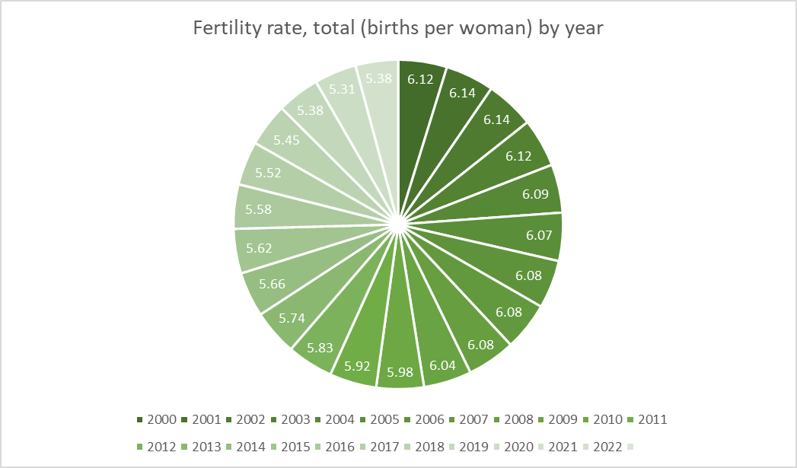
Agriculture, forestry, and fishing, value added (% of GDP) , Gross domestic savings (% of GDP) , Trade (% of GDP)
Agriculture, forestry, and fishing, value added | 22.23
Gross domestic savings | 25.40
Trade | 53.28

Relationship between import goods and export goods
 | Nigeria | Nigeria
2000 | $25,017,784,316.35 | $9,009,151,311.71
2001 | $20,914,343,221.59 | $15,864,410,480.52
2002 | $22,090,304,877.73 | $15,964,762,167.46
2003 | $28,019,123,722.34 | $23,653,815,334.71
2004 | $27,497,518,511.03 | $15,805,819,208.95
2005 | $36,950,462,118.80 | $21,125,268,782.95
2006 | $70,382,678,168.17 | $31,119,405,985.71
2007 | $59,092,401,901.99 | $50,366,861,890.10
2008 | $87,143,789,749.15 | $51,351,763,015.35
2009 | $54,961,140,554.81 | $51,415,216,515.32
2010 | $94,172,012,907.64 | $64,811,061,406.04
2011 | $131,041,638,403.26 | $89,777,672,506.71
2012 | $146,367,018,678.39 | $60,250,254,852.52
2013 | $93,880,662,175.38 | $67,609,787,593.59
2014 | $105,851,512,076.48 | $71,486,274,738.38
2015 | $52,587,763,138.46 | $52,587,923,981.00
2016 | $37,300,993,198.22 | $46,552,482,308.54
2017 | $49,491,582,468.22 | $49,508,396,334.54
2018 | $65,356,458,031.71 | $73,850,518,228.92
2019 | $67,480,782,125.99 | $93,968,462,409.65
2020 | $35,087,257,884.82 | $35,586,722,061.46
2021 | $47,338,716,492.05 | $52,186,247,815.24
2022

Visualizing
 |  | Indicator Name | 2000 | 2001 | 2002 | 2003 | 2004 | 2005 | 2006 | 2007 | 2008 | 2009 | 2010 | 2011 | 2012 | 2013 | 2014 | 2015 | 2016 | 2017 | 2018 | 2019 | 2020 | 2021 | 2022
 |  | GDP (current US$) | $69,448,962,760.88 | $74,030,562,269.97 | $95,054,094,655.33 | $104,738,980,156.96 | $135,764,715,375.21 | $175,670,536,601.01 | $238,454,952,231.57 | $278,260,808,841.03 | $339,476,215,683.59 | $295,008,767,295.04 | $366,990,528,103.08 | $414,466,540,786.74 | $463,971,000,388.61 | $520,117,163,617.72 | $574,183,825,592.36 | $493,026,782,401.56 | $404,649,048,648.03 | $375,745,732,274.68 | $421,739,210,176.15 | $474,517,470,742.75 | $432,198,936,002.18 | $440,833,583,992.49 | $477,386,120,635.84
 |  | GNI (current US$) | $63,300,865,268.02 | $69,935,340,146.62 | $88,977,832,496.96 | $97,091,896,744.18 | $125,951,719,514.65 | $162,338,536,466.53 | $233,765,963,864.18 | $266,299,161,513.67 | $324,211,843,442.77 | $280,289,820,640.55 | $347,281,193,780.57 | $391,452,473,152.95 | $441,664,867,666.07 | $494,340,878,540.62 | $555,023,278,204.36 | $480,055,292,895.85 | $395,950,175,922.11 | $364,253,178,873.80 | $402,282,967,792.65 | $458,982,296,854.72 | $416,429,693,674.61 | $423,882,311,505.65 | $460,251,502,516.95
 |  |  |  |  |  | 1 |  |  | 2000 | (All)
GDP and GNI by Year
 |  |  |  |  |  |  |  |  | 2001 | (All)
 |  |  |  |  |  |  |  |  | 2003 | (All)
 |  |  |  |  |  |  |  |  | 2002 | (All)
 |  |  |  |  |  |  |  |  | 2006 | (All)
 |  |  |  |  |  |  |  |  | 2004 | (All)
 |  |  |  |  |  |  |  |  | 2005 | (All)

 |  |  |  |  |  |  |  |  | Row Labels | Sum of 2007 | Sum of 2008 | Sum of 2009 | Sum of 2010 | Sum of 2011 | Sum of 2012 | Sum of 2013 | Sum of 2014 | Sum of 2015 | Sum of 2016 | Sum of 2017 | Sum of 2018 | Sum of 2019 | Sum of 2020 | Sum of 2021 | Sum of 2022
 |  |  |  |  |  |  |  |  | GDP (current US$) | 2.7826080884E+11 | 3.3947621568E+11 | 2.950087673E+11 | 3.669905281E+11 | 4.1446654079E+11 | 4.6397100039E+11 | 5.2011716362E+11 | 5.7418382559E+11 | 4.930267824E+11 | 4.0464904865E+11 | 3.7574573227E+11 | 4.2173921018E+11 | 4.7451747074E+11 | 4.32198936E+11 | 4.4083358399E+11 | 4.7738612064E+11
 |  |  |  |  |  |  |  |  | GNI (current US$) | 2.6629916151E+11 | 3.2421184344E+11 | 2.8028982064E+11 | 3.4728119378E+11 | 3.9145247315E+11 | 4.4166486767E+11 | 4.9434087854E+11 | 5.550232782E+11 | 4.800552929E+11 | 3.9595017592E+11 | 3.6425317887E+11 | 4.0228296779E+11 | 4.5898229685E+11 | 4.1642969367E+11 | 4.2388231151E+11 | 4.6025150252E+11

 | Indicator Name |  | 2000 | 2001 | 2002 | 2003 | 2004 | 2005 | 2006 | 2007 | 2008 | 2009 | 2010 | 2011 | 2012 | 2013 | 2014 | 2015 | 2016 | 2017 | 2018 | 2019 | 2020 | 2021 | 2022
 | Population, total |  | 122851984 | 126152678 | 129583026 | 133119801 | 136756848 | 140490722 | 144329764 | 148294028 | 152382506 | 156595758 | 160952853 | 165463745 | 170075932 | 174726123 | 179379016 | 183995785 | 188666931 | 193495907 | 198387623 | 203304492 | 208327405 | 213401323 | 218541212
 | Rural population |  | 80050353 | 81155279 | 82274855 | 83391568 | 84499321 | 85595377 | 86680126 | 87761889 | 88835953 | 89904757 | 90970553 | 92054100 | 93123376 | 94145930 | 95103167 | 95975881 | 96818209 | 97678669 | 98511358 | 99300013 | 100084652 | 100840661 | 101575770
 | Urban population |  | 42801631 | 44997399 | 47308171 | 49728233 | 52257527 | 54895345 | 57649638 | 60532139 | 63546553 | 66691001 | 69982300 | 73409645 | 76952556 | 80580193 | 84275849 | 88019904 | 91848722 | 95817238 | 99876265 | 104004479 | 108242753 | 112560662 | 116965442
Rural population, Urban population, Population by Year

 |  | Fertility rate, total (births per woman) | 6.12 | 6.14 | 6.14 | 6.12 | 6.09 | 6.07 | 6.08 | 6.08 | 6.08 | 6.04 | 5.98 | 5.92 | 5.83 | 5.74 | 5.66 | 5.62 | 5.58 | 5.52 | 5.45 | 5.38 | 5.31 | 5.38

Fertility rate, total (births per woman) by year
 | Urban population
2000 | 6.12
2001 | 6.14
2002 | 6.14
2003 | 6.12
2004 | 6.09
2005 | 6.07
2006 | 6.08
2007 | 6.08
2008 | 6.08
2009 | 6.04
2010 | 5.98
2011 | 5.92
2012 | 5.83
2013 | 5.74
2014 | 5.66
2015 | 5.62
2016 | 5.58
2017 | 5.52
2018 | 5.45
2019 | 5.38
2020 | 5.31
2021 | 5.38
2022

Country Name | Country Code | Indicator Name | Indicator Code | 2000 | 2001 | 2002 | 2003 | 2004 | 2005 | 2006 | 2007 | 2008 | 2009 | 2010 | 2011 | 2012 | 2013 | 2014 | 2015 | 2016 | 2017 | 2018 | 2019 | 2020 | 2021 | 2022
Nigeria | NGA | Exports of goods and services (current US$) | NE.EXP.GNFS.CD | $25,017,784,316.35 | $20,914,343,221.59 | $22,090,304,877.73 | $28,019,123,722.34 | $27,497,518,511.03 | $36,950,462,118.80 | $70,382,678,168.17 | $59,092,401,901.99 | $87,143,789,749.15 | $54,961,140,554.81 | $94,172,012,907.64 | $131,041,638,403.26 | $146,367,018,678.39 | $93,880,662,175.38 | $105,851,512,076.48 | $52,587,763,138.46 | $37,300,993,198.22 | $49,491,582,468.22 | $65,356,458,031.71 | $67,480,782,125.99 | $35,087,257,884.82 | $47,338,716,492.05
Nigeria | NGA | Imports of goods and services (current US$) | NE.IMP.GNFS.CD | $9,009,151,311.71 | $15,864,410,480.52 | $15,964,762,167.46 | $23,653,815,334.71 | $15,805,819,208.95 | $21,125,268,782.95 | $31,119,405,985.71 | $50,366,861,890.10 | $51,351,763,015.35 | $51,415,216,515.32 | $64,811,061,406.04 | $89,777,672,506.71 | $60,250,254,852.52 | $67,609,787,593.59 | $71,486,274,738.38 | $52,587,923,981.00 | $46,552,482,308.54 | $49,508,396,334.54 | $73,850,518,228.92 | $93,968,462,409.65 | $35,586,722,061.46 | $52,186,247,815.24

Relationship between import goods and export goods
 | Nigeria | Nigeria
2000 | $25,017,784,316.35 | $9,009,151,311.71
2001 | $20,914,343,221.59 | $15,864,410,480.52
2002 | $22,090,304,877.73 | $15,964,762,167.46
2003 | $28,019,123,722.34 | $23,653,815,334.71
2004 | $27,497,518,511.03 | $15,805,819,208.95
2005 | $36,950,462,118.80 | $21,125,268,782.95
2006 | $70,382,678,168.17 | $31,119,405,985.71
2007 | $59,092,401,901.99 | $50,366,861,890.10
2008 | $87,143,789,749.15 | $51,351,763,015.35
2009 | $54,961,140,554.81 | $51,415,216,515.32
2010 | $94,172,012,907.64 | $64,811,061,406.04
2011 | $131,041,638,403.26 | $89,777,672,506.71
2012 | $146,367,018,678.39 | $60,250,254,852.52
2013 | $93,880,662,175.38 | $67,609,787,593.59
2014 | $105,851,512,076.48 | $71,486,274,738.38
2015 | $52,587,763,138.46 | $52,587,923,981.00
2016 | $37,300,993,198.22 | $46,552,482,308.54
2017 | $49,491,582,468.22 | $49,508,396,334.54
2018 | $65,356,458,031.71 | $73,850,518,228.92
2019 | $67,480,782,125.99 | $93,968,462,409.65
2020 | $35,087,257,884.82 | $35,586,722,061.46
2021 | $47,338,716,492.05 | $52,186,247,815.24
2022

 |  | Indicator Name | 2011
 |  | Agriculture, forestry, and fishing, value added | 22.23
 |  | Gross domestic savings | 25.40
 |  | Trade | 53.28

Agriculture, forestry, and fishing, value added (% of GDP) , Gross domestic savings (% of GDP) , Trade (% of GDP)

