Test Report
Default Test Run Report

Project Name |  |  | Project 1
User Name |  |  | MTS
Test Name |  |  | MME 3407_S20 50mm Gage Length ASTM E8 Metals Tension (Extensometer-Crosshead) 90
Test Run Name |  |  | Test Run 2
Test Run Date |  |  | 11/5/2021 1:21:47 PM

Test Run Review Graph
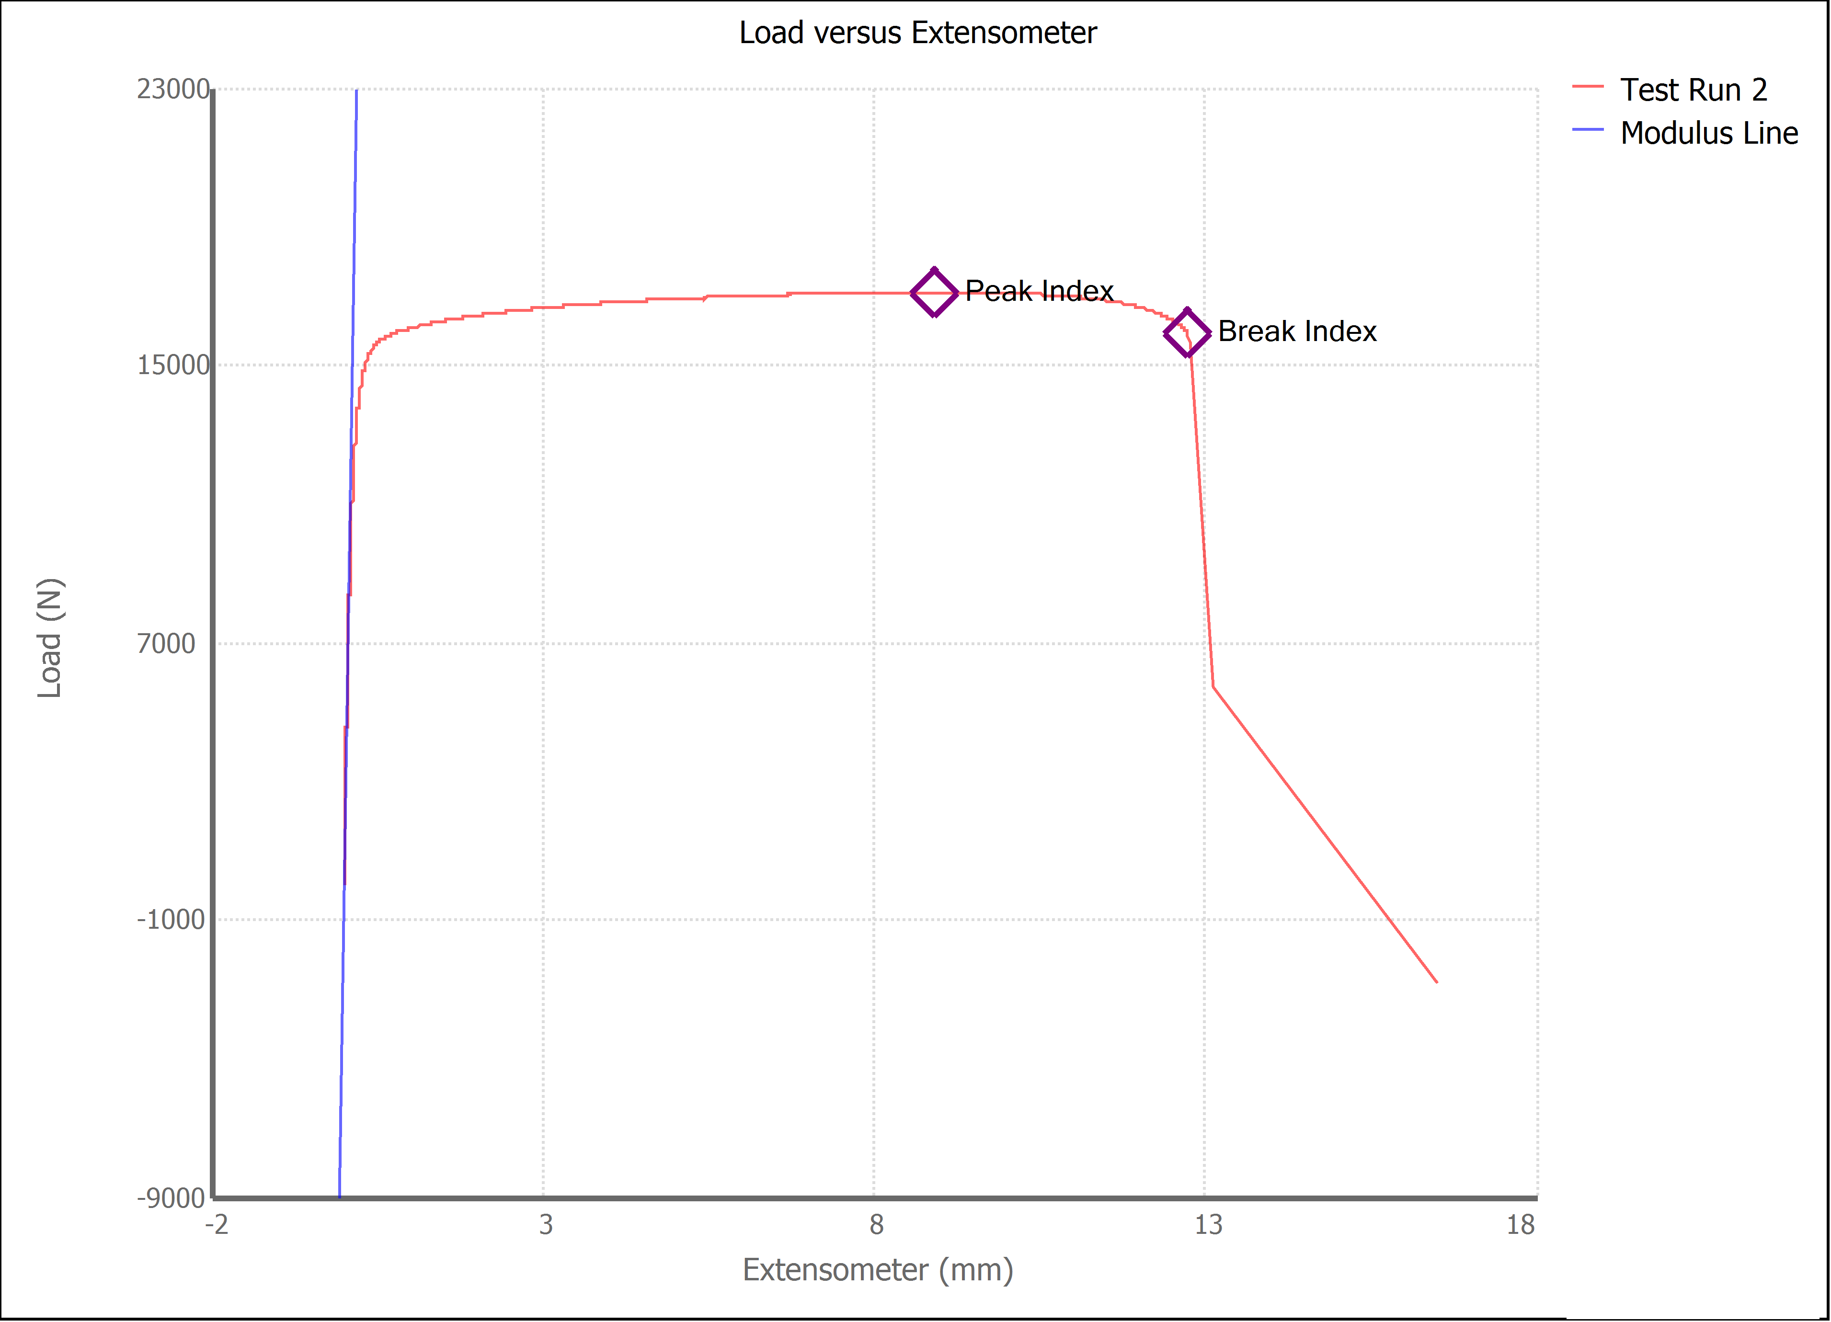

Test Run Results:
Display Name | Value | Unit
Test Run End Reason | Break Detected
Width | 13.250 | mm
Thickness | 3.080 | mm
Final Width | 10.880 | mm
Final Thickness | 2.550 | mm
Test ID | Jesus, Jorge, Jose 1018
Initial Marked Gage Length | 50.000 | mm
Maximum Force | 3843.332 | lbf
Maximum Stress | 418.9 | MPa
Elongation at Fracture | 26.915 | %
Elongation after Break | 26.780 | %
Upper Yield strength | 404.952 | MPa
Modulus of Elasticity | 143981.778 | MPa
Yield Strength (Offset = 0.2%) | 339.335 | MPa
Yield Strength (EUL = 0.5%) | 350.831 | MPa
Removal Point | 1.250 | mm
Ultimate Tensile Strength | 418.917 | MPa
Reduction of Area | 32.0167 | %
Lower Yield Strength | 404.893 | MPa
Final Marked Gage Length | 63.390 | mm

