Test Report
Default Test Run Report

Project Name |  |  | Project 1
User Name |  |  | MTS
Test Name |  |  | MME 3407_S20 50mm Gage Length ASTM E8 Metals Tension (Extensometer-Crosshead) 50
Test Run Name |  |  | Test Run 1
Test Run Date |  |  | 2/11/2021 4:35:16 PM

Test Run Review Graph
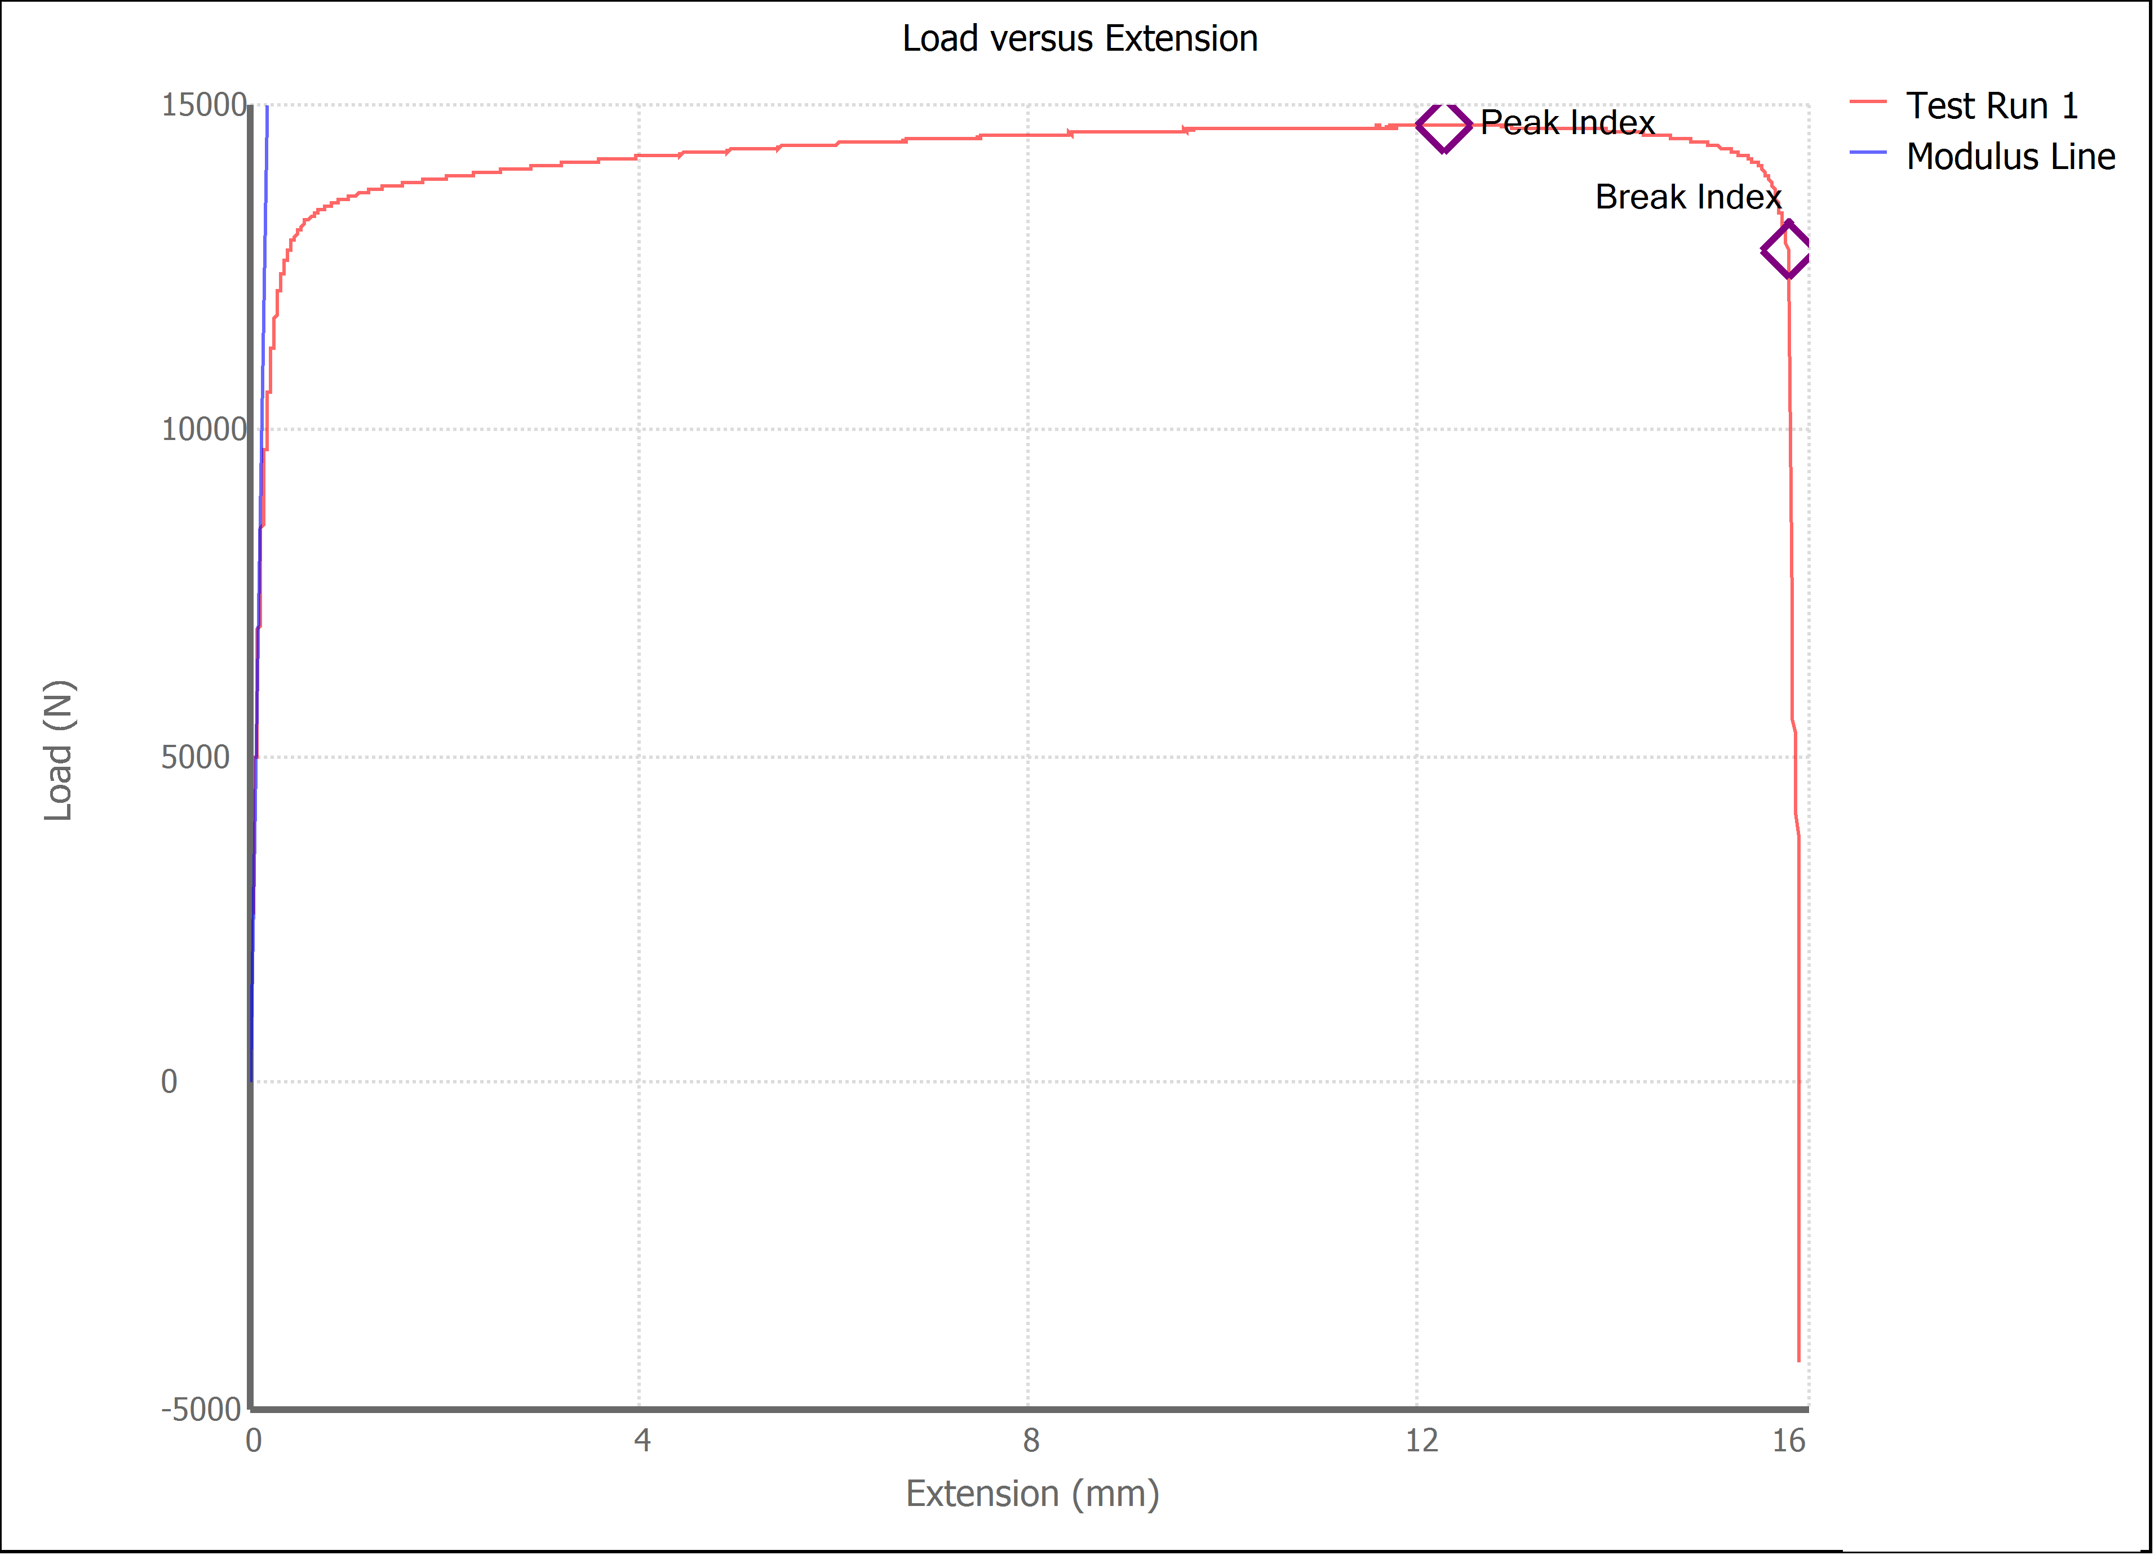

Test Run Results:
Display Name | Value | Unit
Test Run End Reason | Break Detected
Width | 13.500 | mm
Thickness | 3.190 | mm
Final Width | 10.640 | mm
Final Thickness | 2.610 | mm
Test ID | brass Luis Enrique Ornelas
Initial Marked Gage Length | 50.000 | mm
Maximum Force | 3292.646 | lbf
Maximum Stress | 340.1 | MPa
Elongation at Fracture | 26.747 | %
Elongation after Break | 46.900 | %
Upper Yield strength | 324.602 | MPa
Modulus of Elasticity | 86061.127 | MPa
Yield Strength (Offset = 0.2%) | 265.566 | MPa
Yield Strength (EUL = 0.5%) | 263.553 | MPa
Removal Point | 1.250 | mm
Ultimate Tensile Strength | 340.100 | MPa
Reduction of Area | 35.5152 | %
Lower Yield Strength | #NUM! | MPa
Final Marked Gage Length | 73.450 | mm

