Test Report
Default Test Run Report

Project Name |  |  | Project 1
User Name |  |  | MTS
Test Name |  |  | MME 3407_S20 50mm Gage Length ASTM E8 Metals Tension (Extensometer-Crosshead) 23
Test Run Name |  |  | Test Run 1
Test Run Date |  |  | 10/1/2020 3:00:34 PM

Test Run Review Graph
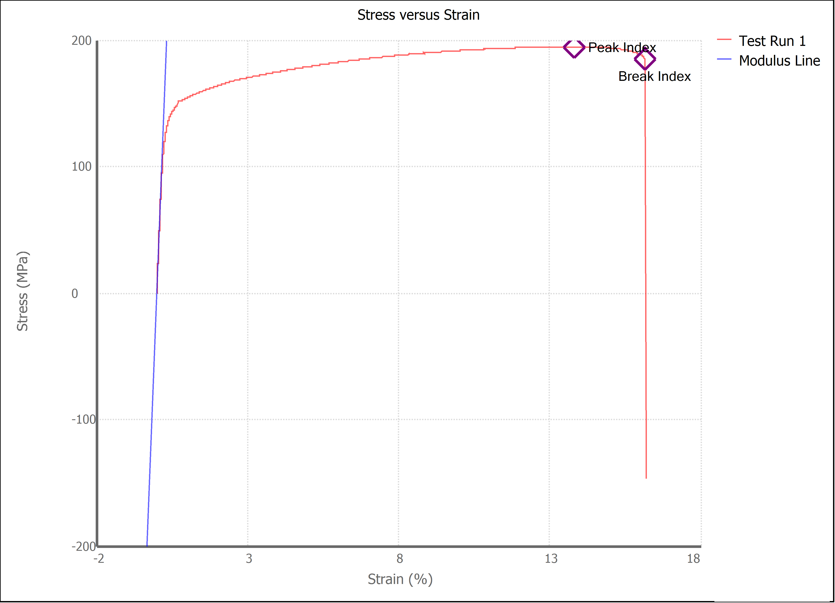

Test Run Results:
Display Name | Value | Unit
Test Run End Reason | Break Detected
Width | 13.630 | mm
Thickness | 3.194 | mm
Final Width | 12.520 | mm
Final Thickness | 2.720 | mm
Test ID | Imelda Holguin Aluminum
Initial Marked Gage Length | 50.000 | mm
Maximum Force | 1906.184 | lbf
Maximum Stress | 194.8 | MPa
Elongation at Fracture | 16.139 | %
Elongation after Break | 9.300 | %
Upper Yield strength | 151.586 | MPa
Modulus of Elasticity | 60278.508 | MPa
Yield Strength (Offset = 0.2%) | 139.173 | MPa
Yield Strength (EUL = 0.5%) | 142.654 | MPa
Removal Point | 1.250 | mm
Ultimate Tensile Strength | 194.769 | MPa
Reduction of Area | 21.7756 | %
Lower Yield Strength | 151.396 | MPa
Final Marked Gage Length | 54.650 | mm

