Test Report
Default Test Run Report

Project Name |  |  | Project 1
User Name |  |  | MTS
Test Name |  |  | MME 3407_S20 50mm Gage Length ASTM E8 Metals Tension (Extensometer-Crosshead) 17
Test Run Name |  |  | Test Run 1
Test Run Date |  |  | 9/24/2020 3:20:21 PM

Test Run Review Graph
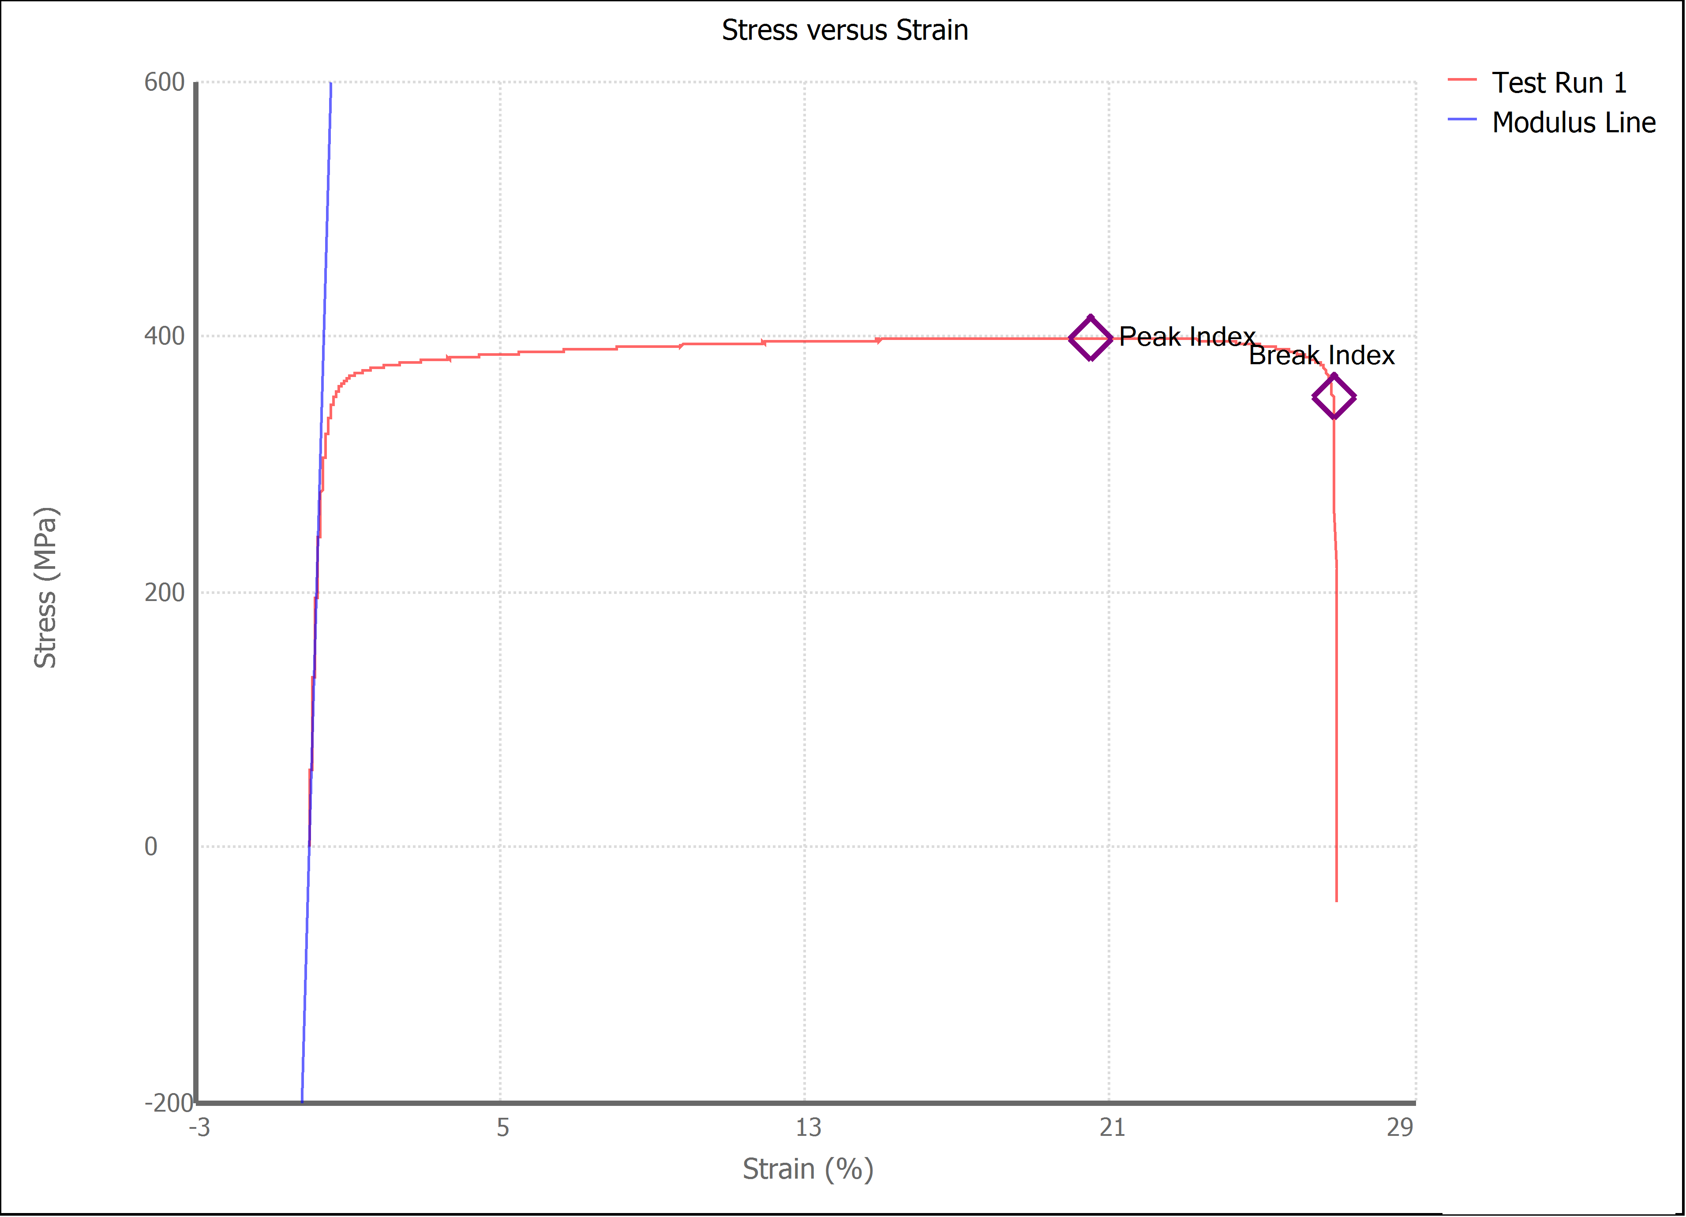

Test Run Results:
Display Name | Value | Unit
Test Run End Reason | Break Detected
Width | 13.520 | mm
Thickness | 3.210 | mm
Final Width | 11.360 | mm
Final Thickness | 2.480 | mm
Test ID | Jamie Arce Brass
Initial Marked Gage Length | 50.000 | mm
Maximum Force | 3888.048 | lbf
Maximum Stress | 398.5 | MPa
Elongation at Fracture | 26.856 | %
Elongation after Break | 25.920 | %
Upper Yield strength | 383.248 | MPa
Modulus of Elasticity | 109712.697 | MPa
Yield Strength (Offset = 0.2%) | 330.052 | MPa
Yield Strength (EUL = 0.5%) | 329.370 | MPa
Removal Point | 1.250 | mm
Ultimate Tensile Strength | 398.507 | MPa
Reduction of Area | 35.0845 | %
Lower Yield Strength | -44.340 | MPa
Final Marked Gage Length | 62.960 | mm

