Test Report
Default Test Run Report

Project Name |  |  | Project 1
User Name |  |  | MTS
Test Name |  |  | MME 3407_S20 50mm Gage Length ASTM E8 Metals Tension (Extensometer-Crosshead) 24
Test Run Name |  |  | Test Run 2
Test Run Date |  |  | 10/2/2020 10:28:27 AM

Test Run Review Graph
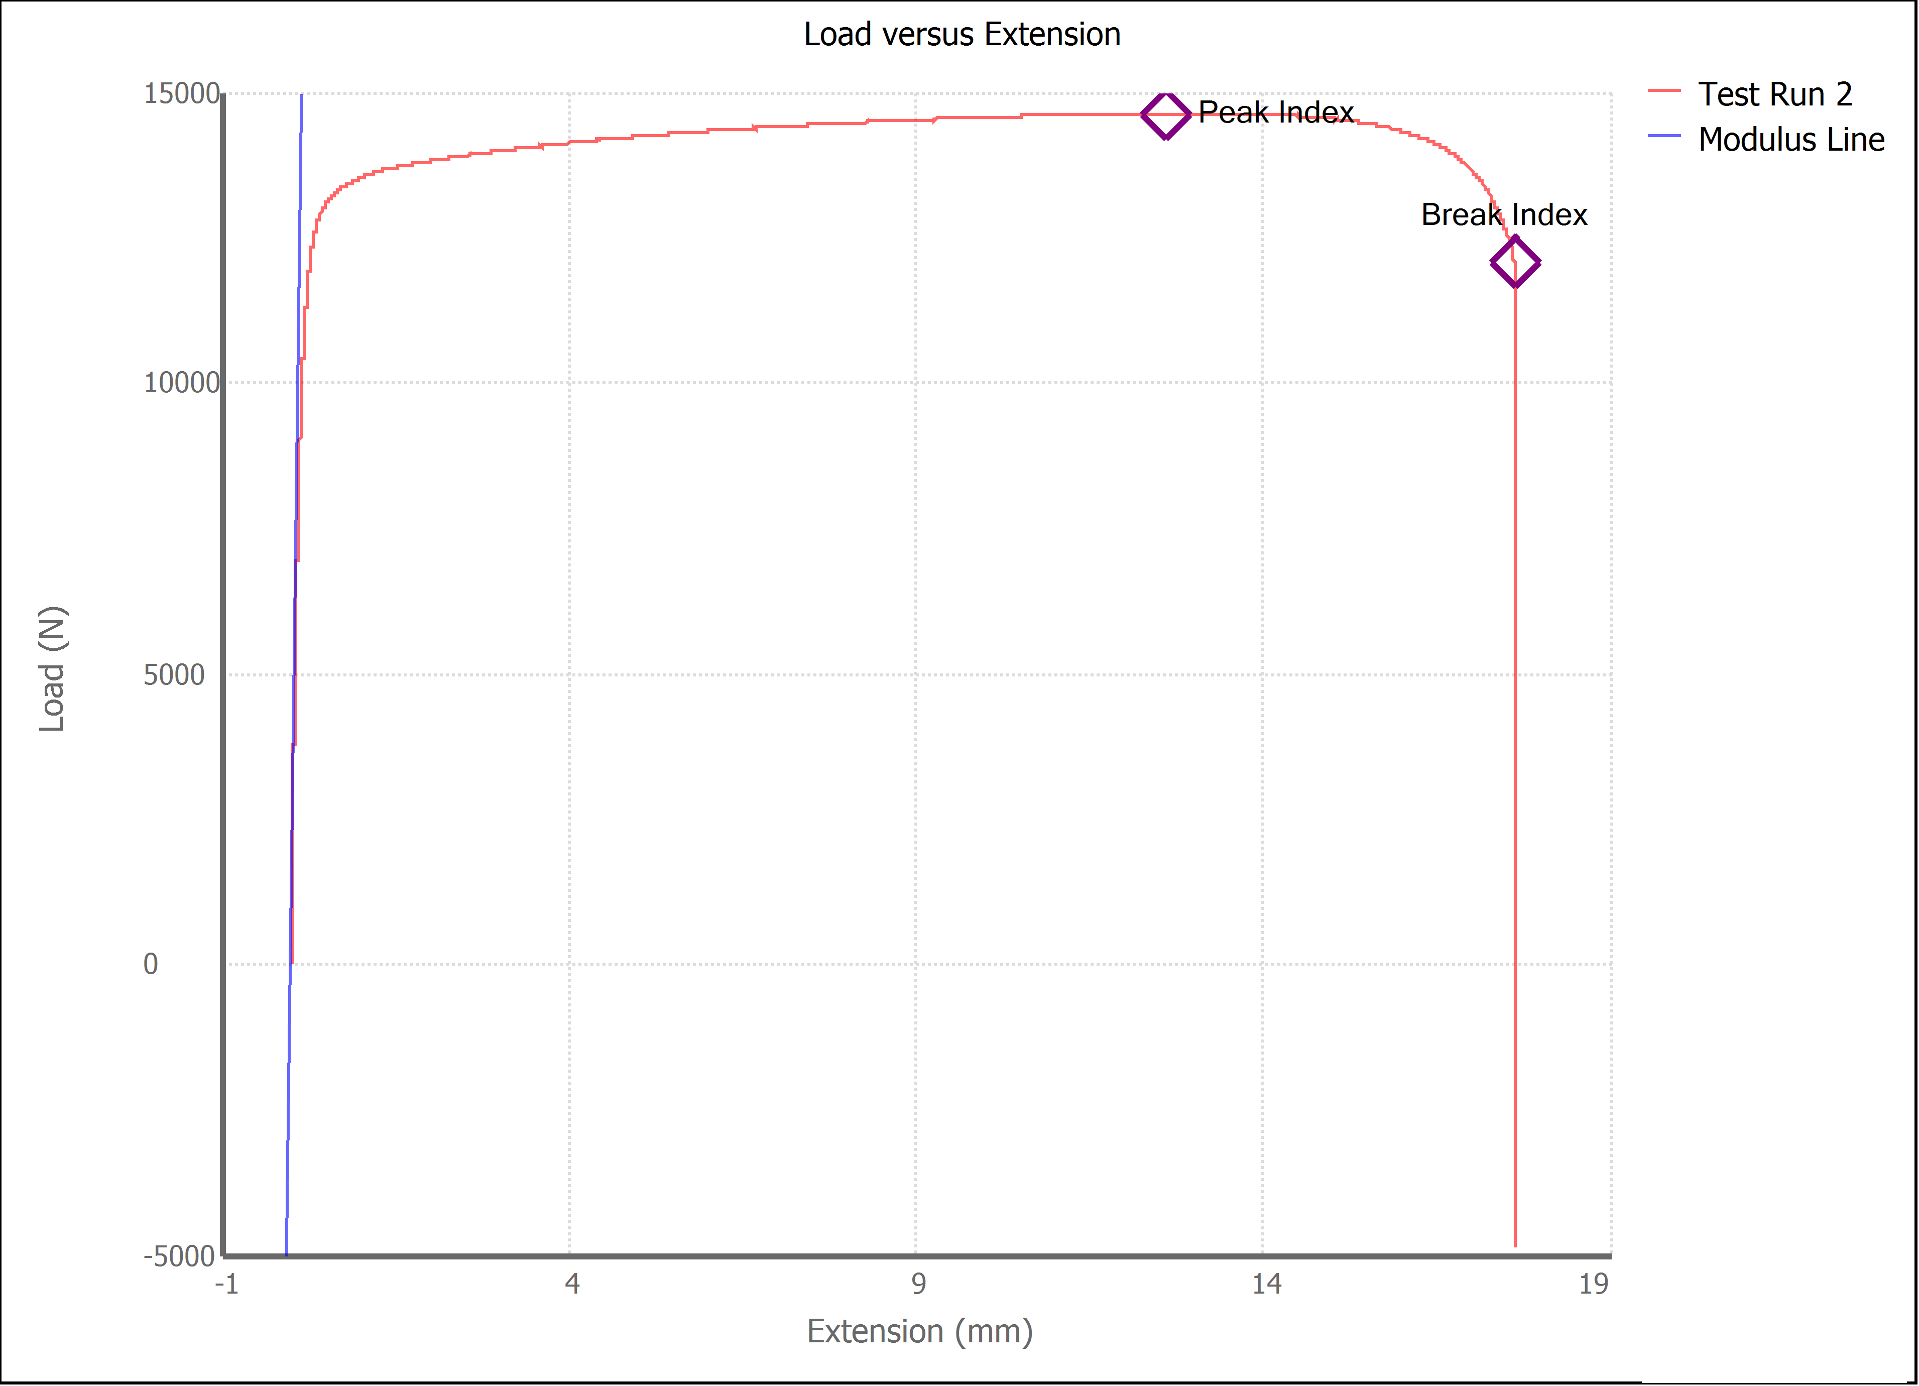

Test Run Results:
Display Name | Value | Unit
Test Run End Reason | Break Detected
Width | 13.500 | mm
Thickness | 3.190 | mm
Final Width | 11.120 | mm
Final Thickness | 2.610 | mm
Test ID
Initial Marked Gage Length | 50.000 | mm
Maximum Force | 3289.014 | lbf
Maximum Stress | 339.7 | MPa
Elongation at Fracture | 29.781 | %
Elongation after Break | 27.400 | %
Upper Yield strength | 325.650 | MPa
Modulus of Elasticity | 106976.428 | MPa
Yield Strength (Offset = 0.2%) | 265.673 | MPa
Yield Strength (EUL = 0.5%) | 274.739 | MPa
Removal Point | 1.250 | mm
Ultimate Tensile Strength | 339.725 | MPa
Reduction of Area | 32.6061 | %
Lower Yield Strength | #NUM! | MPa
Final Marked Gage Length | 63.700 | mm

