Test Report
Default Test Run Report

Project Name |  |  | Project 1
User Name |  |  | MTS
Test Name |  |  | MME 3407_S20 50mm Gage Length ASTM E8 Metals Tension (Extensometer-Crosshead) 54
Test Run Name |  |  | Test Run 1
Test Run Date |  |  | 2/12/2021 11:10:20 AM

Test Run Review Graph
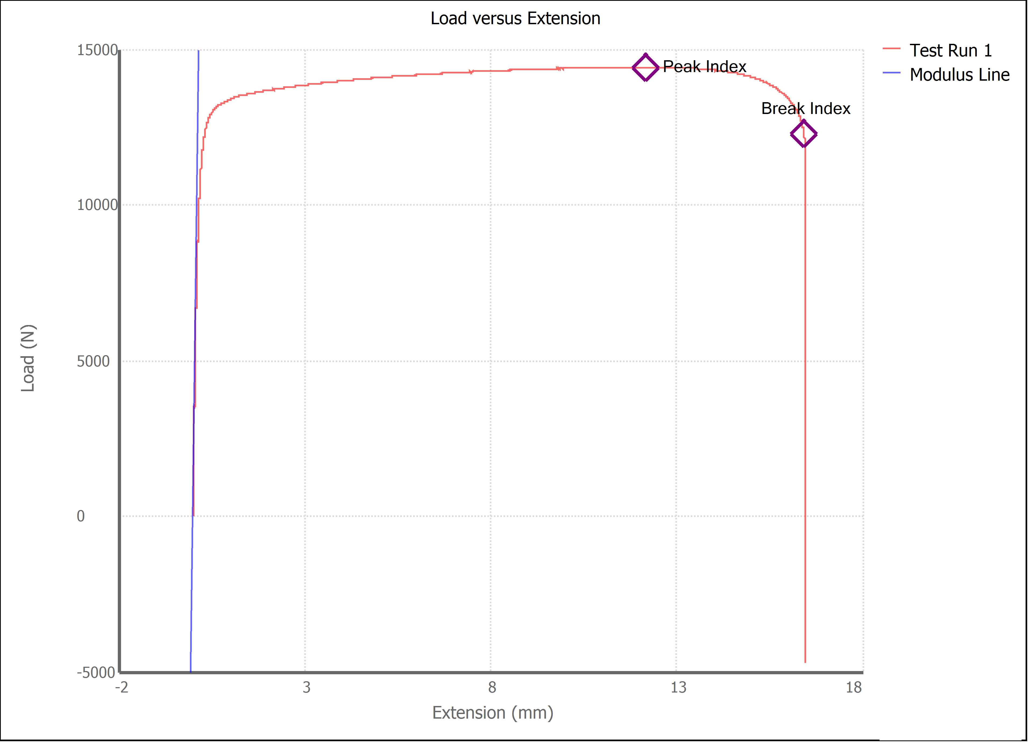

Test Run Results:
Display Name | Value | Unit
Test Run End Reason | Break Detected
Width | 13.506 | mm
Thickness | 3.143 | mm
Final Width | 11.130 | mm
Final Thickness | 2.140 | mm
Test ID | Leslie Brass
Initial Marked Gage Length | 50.000 | mm
Maximum Force | 3242.148 | lbf
Maximum Stress | 339.7 | MPa
Elongation at Fracture | 27.796 | %
Elongation after Break | 28.500 | %
Upper Yield strength | 318.835 | MPa
Modulus of Elasticity | 106865.560 | MPa
Yield Strength (Offset = 0.2%) | 267.946 | MPa
Yield Strength (EUL = 0.5%) | 275.714 | MPa
Removal Point | 1.250 | mm
Ultimate Tensile Strength | 339.741 | MPa
Reduction of Area | 43.8903 | %
Lower Yield Strength | #NUM! | MPa
Final Marked Gage Length | 64.250 | mm

