Test Report
Default Test Run Report

Project Name |  |  | Project 1
User Name |  |  | MTS
Test Name |  |  | MME 3407_S20 50mm Gage Length ASTM E8 Metals Tension (Extensometer-Crosshead) 20
Test Run Name |  |  | Test Run 1
Test Run Date |  |  | 9/29/2020 2:41:59 PM

Test Run Review Graph
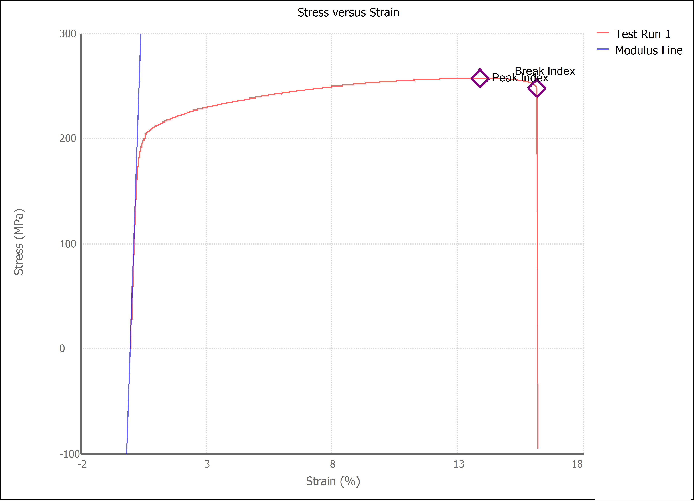

Test Run Results:
Display Name | Value | Unit
Test Run End Reason | Break Detected
Width | 12.640 | mm
Thickness | 3.140 | mm
Final Width | 12.330 | mm
Final Thickness | 2.690 | mm
Test ID | Victor Aluminum
Initial Marked Gage Length | 50.000 | mm
Maximum Force | 2296.684 | lbf
Maximum Stress | 257.4 | MPa
Elongation at Fracture | 16.138 | %
Elongation after Break | 9.580 | %
Upper Yield strength | 240.589 | MPa
Modulus of Elasticity | 71616.668 | MPa
Yield Strength (Offset = 0.2%) | 195.419 | MPa
Yield Strength (EUL = 0.5%) | 197.052 | MPa
Removal Point | 1.250 | mm
Ultimate Tensile Strength | 257.401 | MPa
Reduction of Area | 16.4323 | %
Lower Yield Strength | #NUM! | MPa
Final Marked Gage Length | 54.790 | mm

