Test Report
Default Test Run Report

Project Name |  |  | Project 1
User Name |  |  | MTS
Test Name |  |  | MME 3407_S20 50mm Gage Length ASTM E8 Metals Tension (Extensometer-Crosshead) 19
Test Run Name |  |  | Test Run 2
Test Run Date |  |  | 9/25/2020 11:46:57 AM

Test Run Review Graph
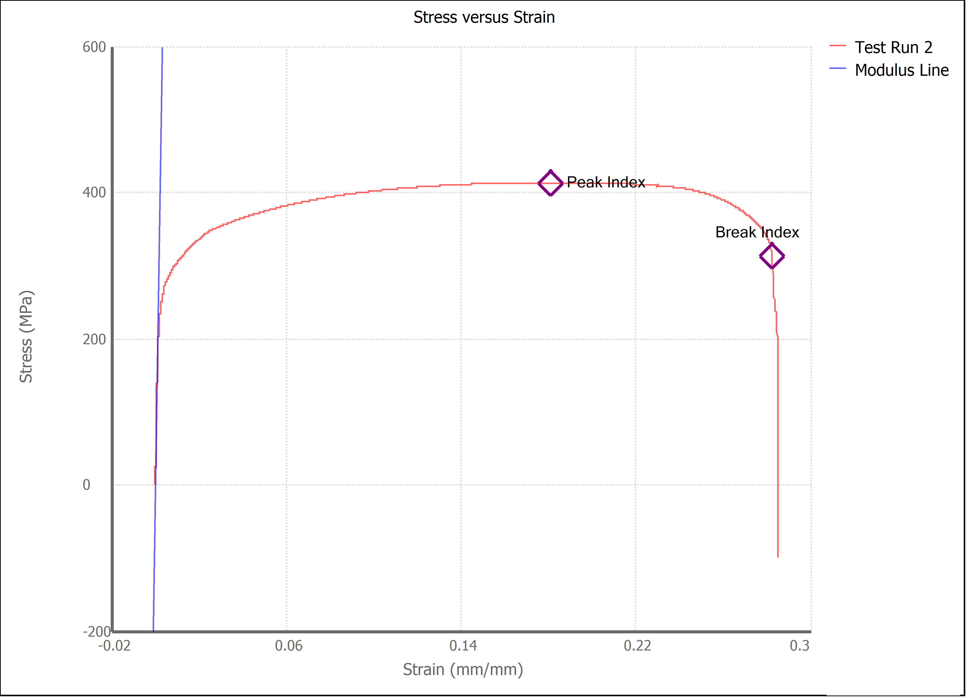

Test Run Results:
Display Name | Value | Unit
Test Run End Reason | Break Detected
Width | 13.450 | mm
Thickness | 3.180 | mm
Final Width | 11.380 | mm
Final Thickness | 1.830 | mm
Test ID | Steel 1018
Initial Marked Gage Length | 50.000 | mm
Maximum Force | 3975.144 | lbf
Maximum Stress | 413.4 | MPa
Elongation at Fracture | 28.230 | %
Elongation after Break | 33.580 | %
Upper Yield strength | 403.236 | MPa
Modulus of Elasticity | 188711.382 | MPa
Yield Strength (Offset = 0.2%) | 258.328 | MPa
Yield Strength (EUL = 0.5%) | 278.022 | MPa
Removal Point | 1.250 | mm
Ultimate Tensile Strength | 413.418 | MPa
Reduction of Area | 51.3095 | %
Lower Yield Strength | #NUM! | MPa
Final Marked Gage Length | 66.790 | mm

