Test Report
Default Test Run Report

Project Name |  |  | Project 1
User Name |  |  | MTS
Test Name |  |  | MME 3407_S20 50mm Gage Length ASTM E8 Metals Tension (Extensometer-Crosshead) 24
Test Run Name |  |  | Test Run 1
Test Run Date |  |  | 10/2/2020 9:40:02 AM

Test Run Review Graph
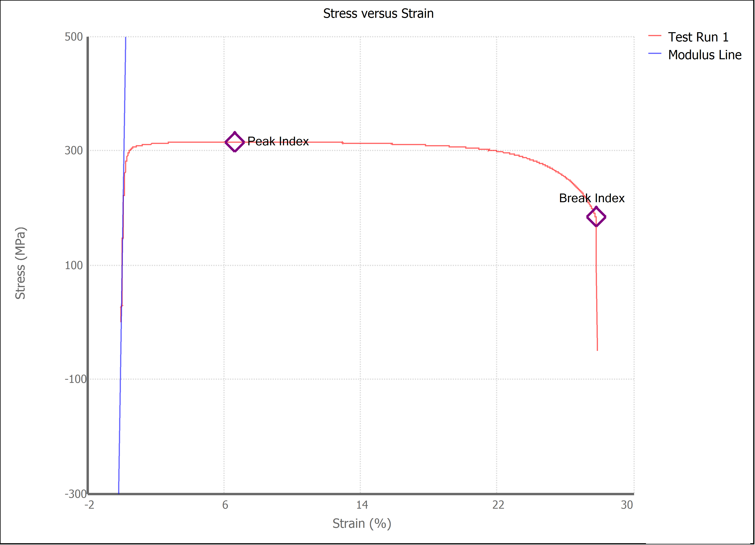

Test Run Results:
Display Name | Value | Unit
Test Run End Reason | Break Detected
Width | 13.480 | mm
Thickness | 3.140 | mm
Final Width | 8.955 | mm
Final Thickness | 1.395 | mm
Test ID
Initial Marked Gage Length | 50.000 | mm
Maximum Force | 3001.142 | lbf
Maximum Stress | 315.4 | MPa
Elongation at Fracture | 27.781 | %
Elongation after Break | 31.800 | %
Upper Yield strength | 311.843 | MPa
Modulus of Elasticity | 197993.894 | MPa
Yield Strength (Offset = 0.2%) | 289.821 | MPa
Yield Strength (EUL = 0.5%) | 300.191 | MPa
Removal Point | 1.250 | mm
Ultimate Tensile Strength | 315.394 | MPa
Reduction of Area | 70.4865 | %
Lower Yield Strength | #NUM! | MPa
Final Marked Gage Length | 65.900 | mm

