Test Report
Default Test Run Report

Project Name |  |  | Project 1
User Name |  |  | MTS
Test Name |  |  | MME 3407_S20 50mm Gage Length ASTM E8 Metals Tension (Extensometer-Crosshead) 25
Test Run Name |  |  | Test Run 1
Test Run Date |  |  | 10/6/2020 2:24:12 PM

Test Run Review Graph
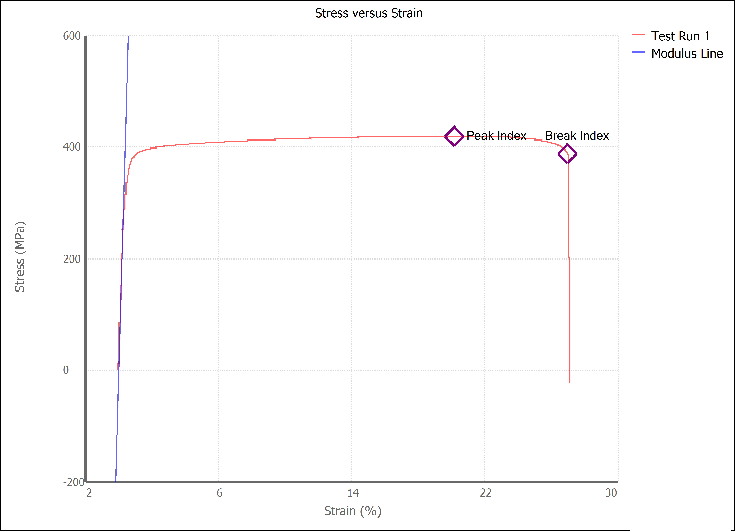

Test Run Results:
Display Name | Value | Unit
Test Run End Reason | Break Detected
Width | 13.430 | mm
Thickness | 3.230 | mm
Final Width | 10.560 | mm
Final Thickness | 2.770 | mm
Test ID | Jordan's Brass
Initial Marked Gage Length | 50.000 | mm
Maximum Force | 4091.211 | lbf
Maximum Stress | 419.5 | MPa
Elongation at Fracture | 27.005 | %
Elongation after Break | 23.540 | %
Upper Yield strength | 407.180 | MPa
Modulus of Elasticity | 102726.504 | MPa
Yield Strength (Offset = 0.2%) | 343.567 | MPa
Yield Strength (EUL = 0.5%) | 335.252 | MPa
Removal Point | 1.250 | mm
Ultimate Tensile Strength | 419.527 | MPa
Reduction of Area | 32.5681 | %
Lower Yield Strength | #NUM! | MPa
Final Marked Gage Length | 61.770 | mm

