Notes
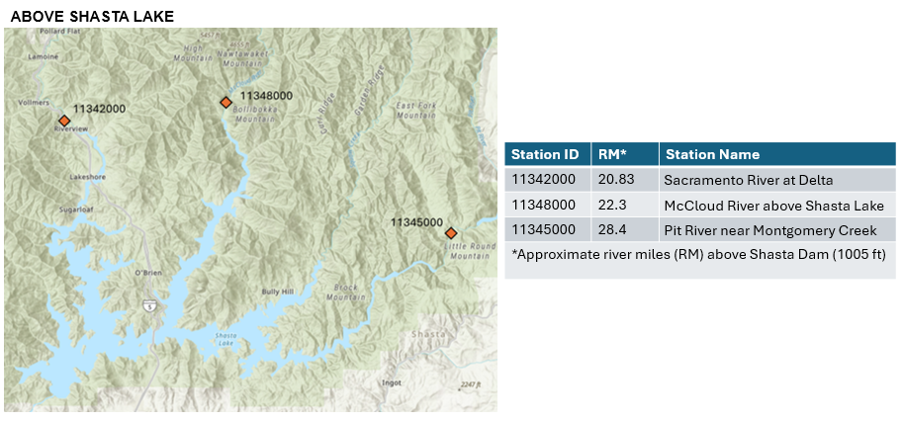
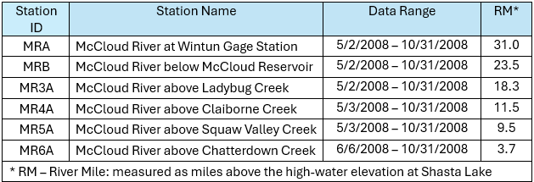
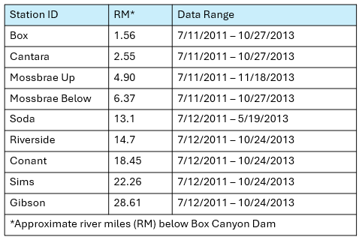
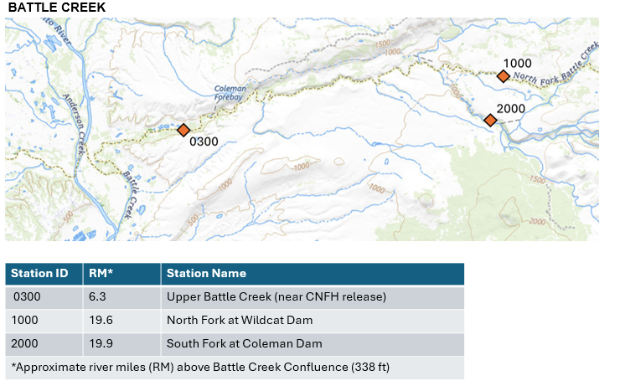
DRAFT
Watercourse Engineering, Inc. performed a summary water temperature assessment on two major systems to support the winter-run Chinook salmon habitat and facilities Structured Decision Making (SDM). The two systems included are Battle Creek and the principal Shasta Lake tributaries. Limited additional upstream data are available for the Sacramento, McCloud, and Pit Rivers. For each assessment, daily average water temperature over the available period of record is presented on a single calendar year (e.g., if 10 years of data are available, the average of January 1 (n=10) is presented for January 1, and the process is repeated for the entire year. The average, maximum, and minimum daily average are presented graphically. For the upstream McCloud and Pit rivers
data were only available from May through October 2008 and were available as daily average, maximum, and minimum. Any daily average temperature exceeding 53.5˚F is denoted as requested by the SDM team. Data were gathered from readily available sources adn there may be other information available. An exhaustive effort was not feasible given the short timeline.
This file is a compilation of daily average water temperature from the following sytems:
- Battle Creek
- McCloud River
- Pit River
- Sacramento River
The average temperature for each day was calculated when there was more than one year of data available. When there was less than one year, the average daily water temperature, maximum, and minimum daily water temperaure was employed. The PG&E data on the McCloud and Pit River fell into this category.
Note: Consideration of different time periods for averaging should be accounted for when using the information herein.
Watercourse Engineering, Inc.
Mike Deas
2026-03-26

