Selenium IDE guide
INSTALL AND USE SELENIUM IDE (FIREFOX)
 | 1. Install
 |  | - Open browser and access link:
 |  |  | http://docs.seleniumhq.org/download/

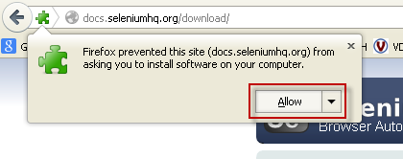

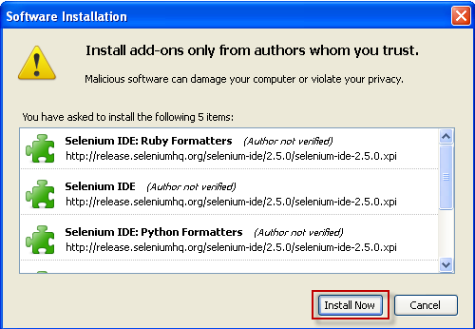

 | 2. Using Selenium IDE
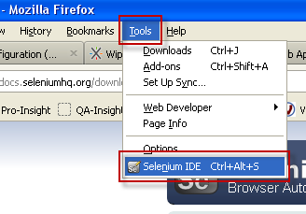

 |  | => Interface of Selenium IDE: |  | >> How to create a testcase?
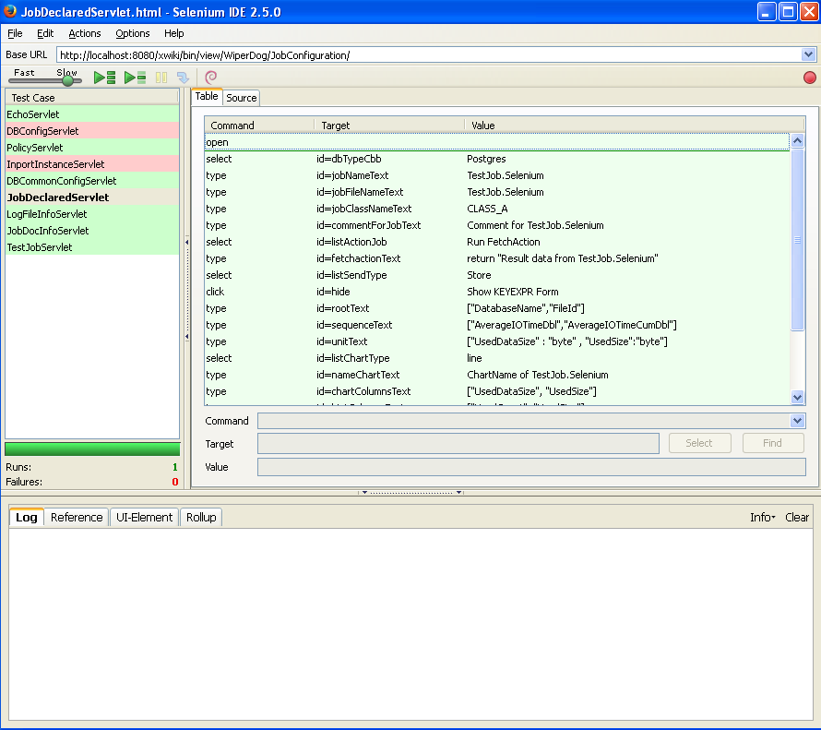
 |  |  |  | Step 1: File => New Test Case
 |  |  |  | Step 2: Enter [Base URL] - link web page need test
 |  |  |  | Step 3: Create tests command:
 |  |  |  |  | - Choice commands were supported in select box [Command]
 |  |  |  |  | - Enter areas need process correnponding command [Target]
 |  |  |  |  | - Data test [Value]

 |  |  |  | >> Example:

 |  |  |  |  |  | => Put in textbox (id "rootText") a string
 |  |  |  |  |  |  | ["DatabaseName","FileId"]

 |  |  |  | >> Run testcase:

 |  |  |  | - Script test will be auto process on browser.
 |  |  |  | - During process, if has error:
 |  |  |  |  | + program will be stop
 |  |  |  |  | + error step will be highlighted with pink
 |  |  |  |  | + show error message in sheet [Log]

