JMeter Guide
Instruction Apache Jmeter

 | Apache JMeter is a tool to stress test webservice , with wiperdog testing performance ,it using to send multi request to wiperdog servlet

 | + Download : http://jmeter.apache.org/download_jmeter.cgi (apache-jmeter-2.11.tgz)
 | + Extract : tar xvf apache-jmeter-2.11.tgz
 | + Change to apache jmeter directory

 |  | cd apache-jmeter-2.11

 | + Change to apache-jmeter-2.11/bin to start jmeter:

 |  | cd apache-jmeter-2.11/bin
 |  | ./jmeter

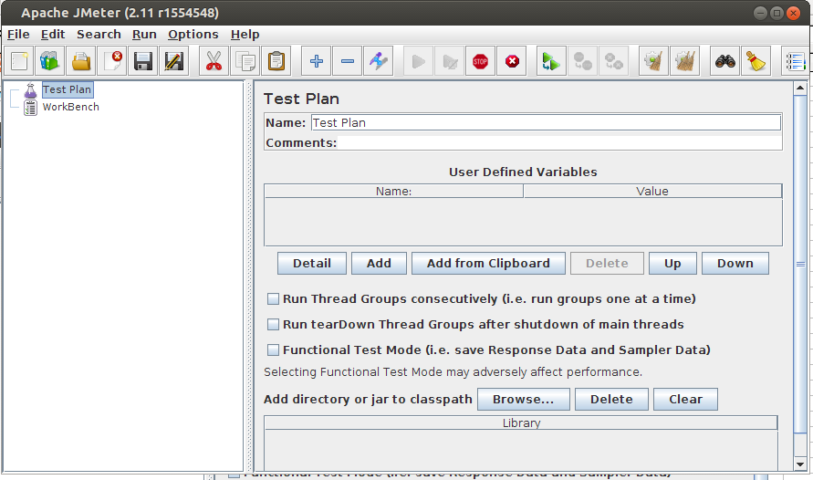

 | + When the Apache Jmeter opened , a new test plan created , in the test plan ,create the thread group

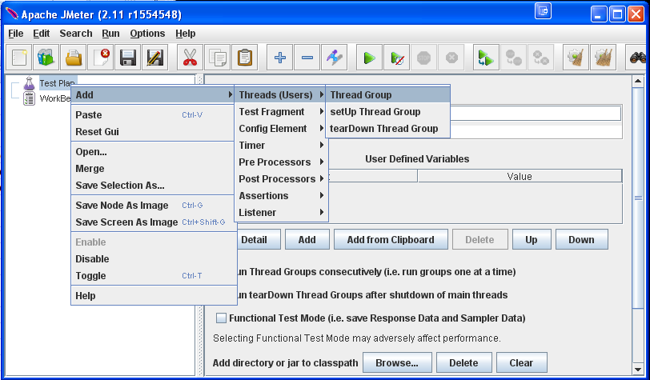

 | + Configure for thread group

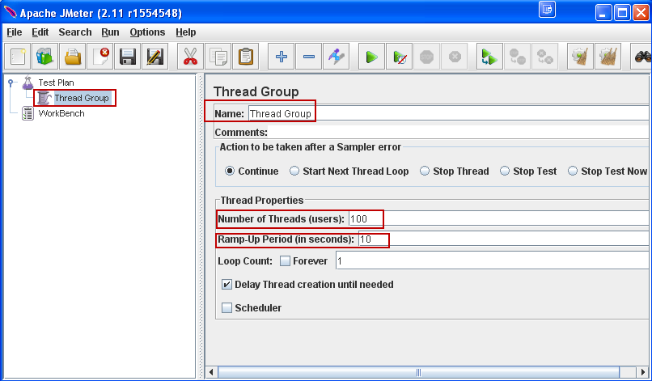

 |  | * Name : Thread group name
 |  | * Number of Threads (users) : number of threads ( client ) will be sent request to server
 |  | * Ram-Up Period : The time bettween 2 thread start
 |  |  | Example : Nums of thread is 100 ,Ram up is 10 then the time between 2 threads start is 10/100 = 0.1 s = 100mili sec

 | + Create request for every thread :

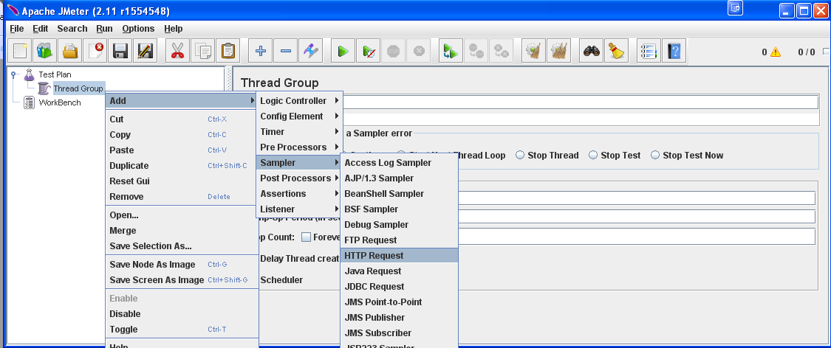

 | + Configure request :

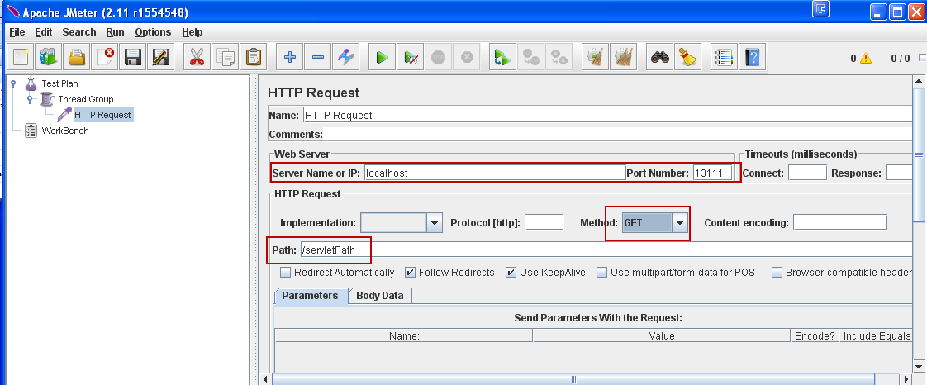

 | + Add view result after request is responsed

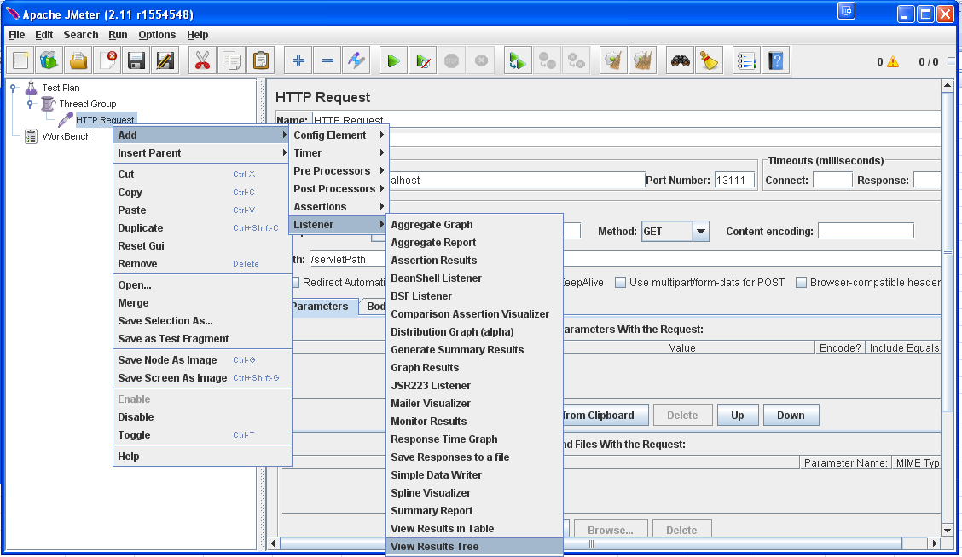

 | + Start to test:
 |  | - Besure that the server process request is available

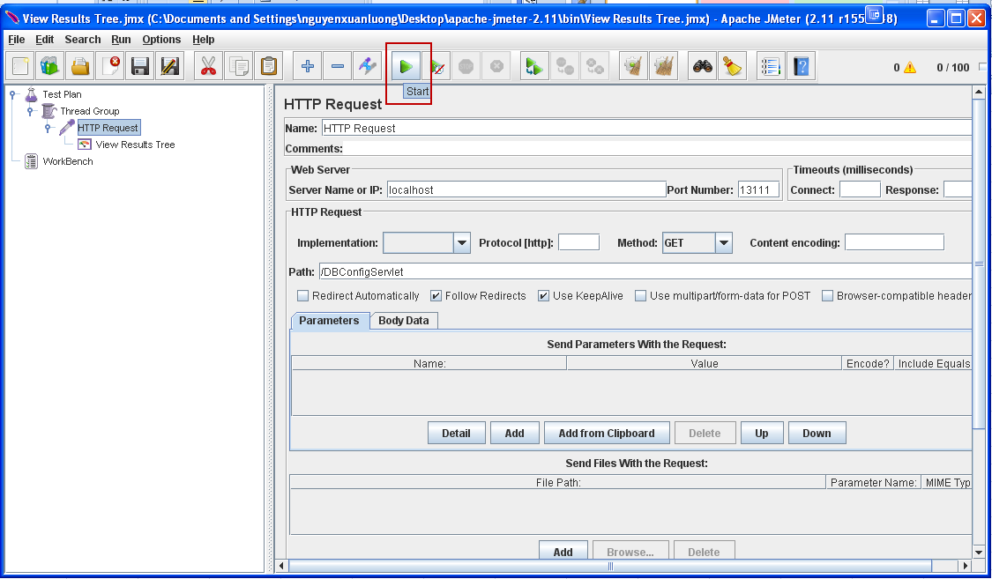

 | + View result after test is done

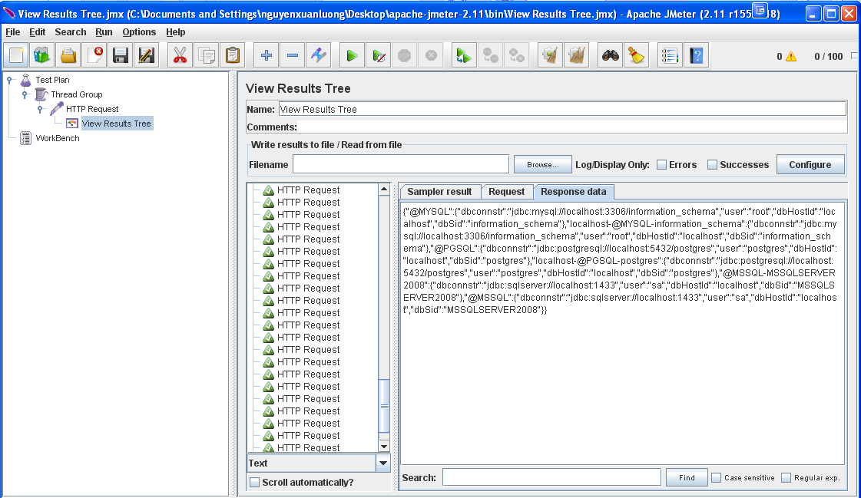

 | + Save testplan for reused

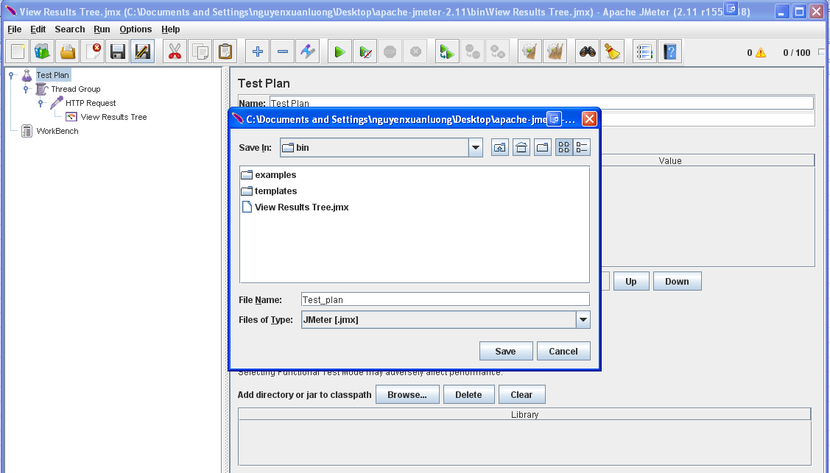

 | + Open existed test plan

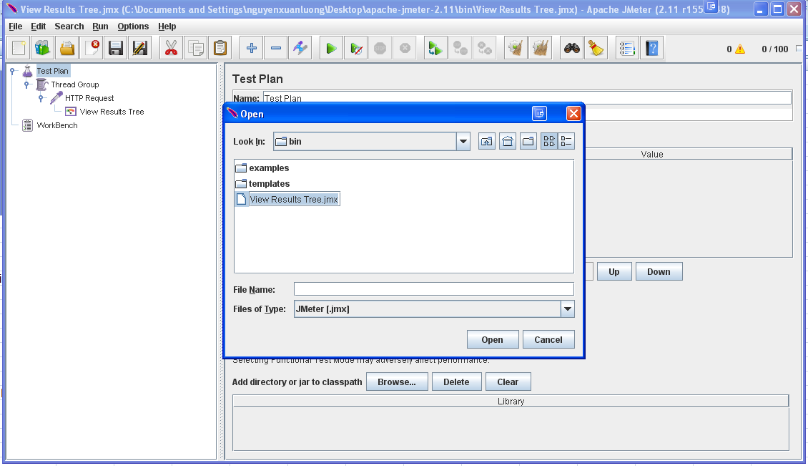

 | For more information ,refer to http://jmeter.apache.org/usermanual/build-web-test-plan.html

