工作表1
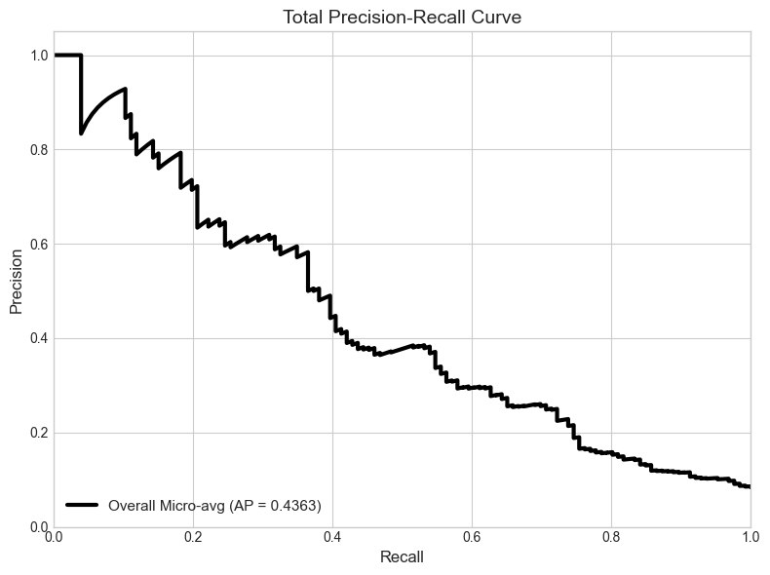
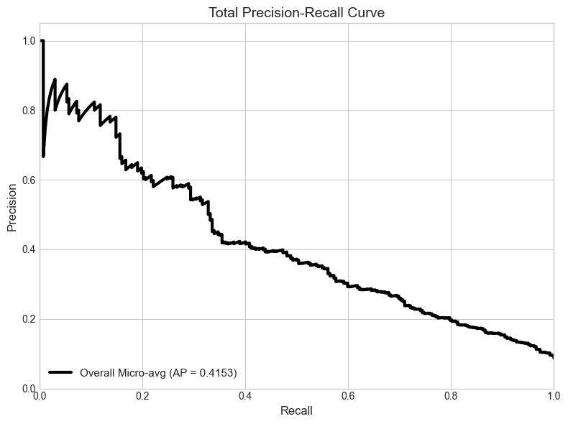
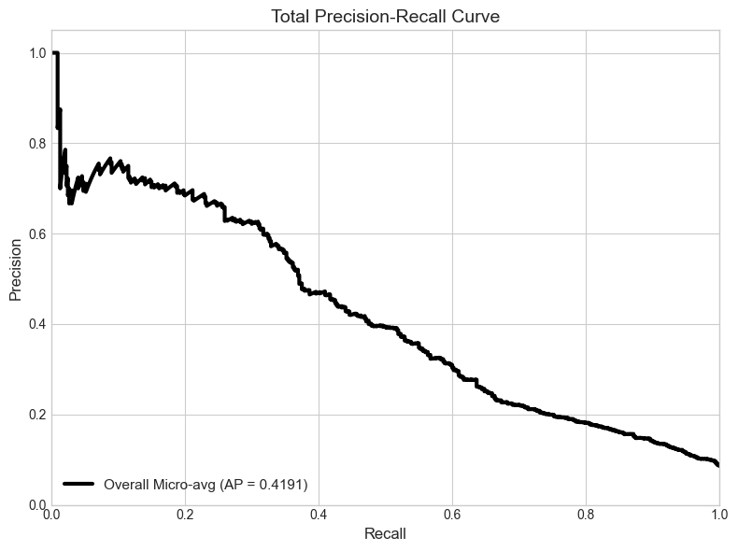
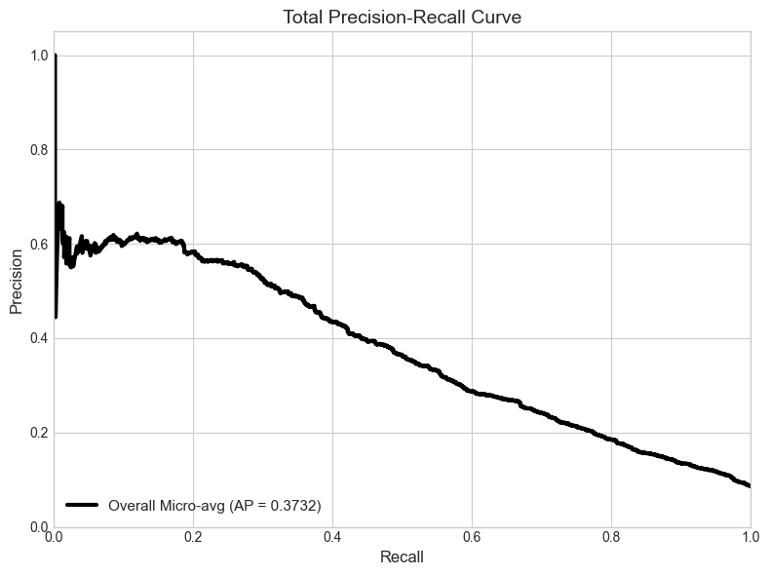
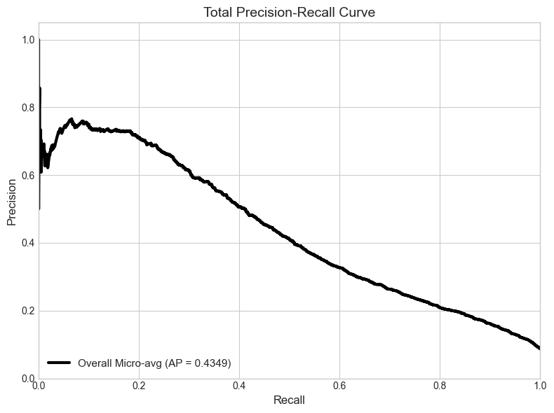
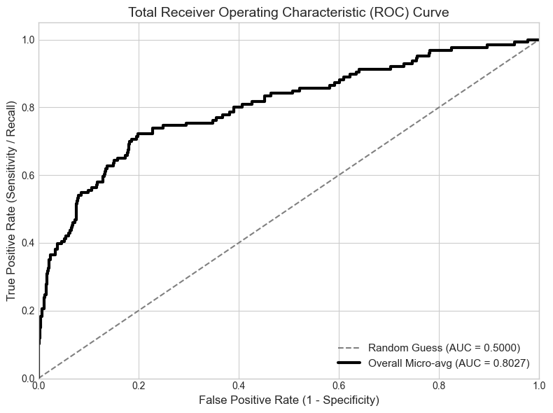
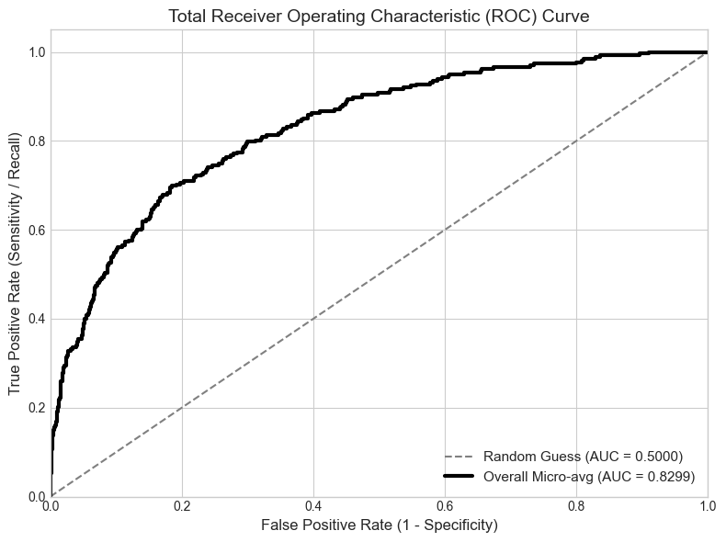
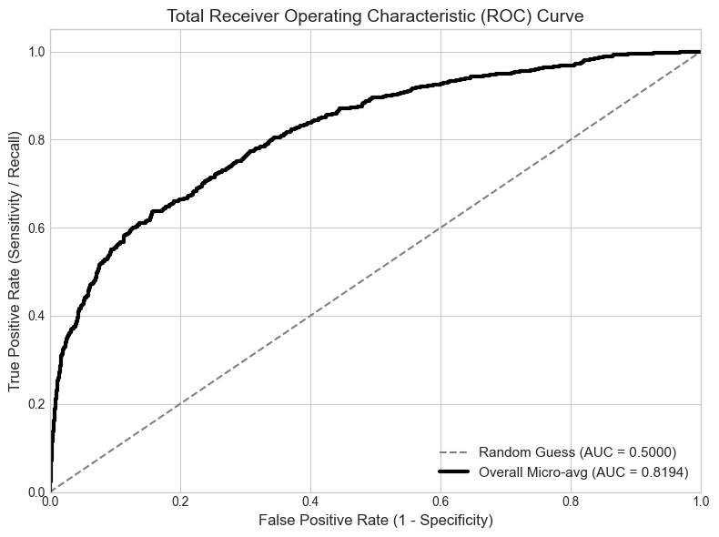
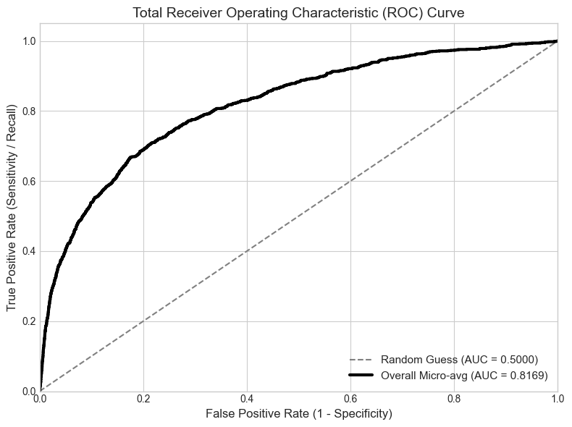
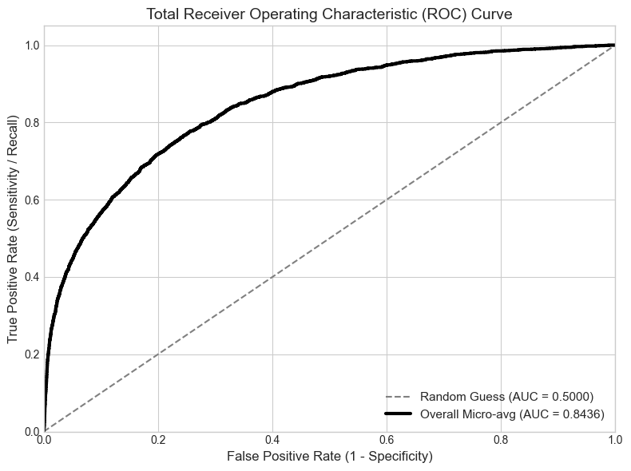
500-epoch | 500-train loss | 500-val loss | Mean AUROC | 0.8027 | 1000-epoch | 1000-train loss | 1000-val loss | Mean AUROC | 0.8299 | 2000-epoch | 2000-train loss | 2000-val loss | Mean AUROC | 0.8194 | 5000-epoch | 5000-train loss | 5000-val loss | Mean AUROC | 0.8169 | 10000-epoch | 10000-train loss | 10000-val loss | Mean AUROC | 0.8436
1 | 0.155 | 0.1336 | Atelectasis | 0.8706 | 1 | 0.1155 | 0.0817 | Atelectasis | 0.6878 | 1 | 0.1052 | 0.0716 | Atelectasis | 0.7137 | 1 | 0.0888 | 0.0682 | Atelectasis | 0.691 | 1 | 0.0874 | 0.0634 | Atelectasis | 0.7094
2 | 0.0926 | 0.0807 | Cardiomegaly | 0.4818 | 2 | 0.067 | 0.0738 | Cardiomegaly | 0.6649 | 2 | 0.0632 | 0.0683 | Cardiomegaly | 0.6823 | 2 | 0.061 | 0.0669 | Cardiomegaly | 0.7392 | 2 | 0.0607 | 0.0644 | Cardiomegaly | 0.6772
3 | 0.0629 | 0.0666 | Consolidation | 0.6667 | 3 | 0.0508 | 0.0656 | Consolidation | 0.8127 | 3 | 0.0488 | 0.0656 | Consolidation | 0.6246 | 3 | 0.0468 | 0.0695 | Consolidation | 0.6854 | 3 | 0.0481 | 0.0737 | Consolidation | 0.7155
4 | 0.051 | 0.0606 | Edema | 0.56 | 4 | 0.0415 | 0.0662 | Edema | 0.8095 | 4 | 0.0377 | 0.0667 | Edema | 0.6266 | 4 | 0.0365 | 0.0708 | Edema | 0.7059 | 4 | 0.0408 | 0.0683 | Edema | 0.8079
5 | 0.0412 | 0.0584 | Effusion | 0.8274 | 5 | 0.0322 | 0.0661 | Effusion | 0.7296 | 5 | 0.0294 | 0.0667 | Effusion | 0.7399 | 5 | 0.0302 | 0.07 | Effusion | 0.7886 | 5 | 0.0355 | 0.0798 | Effusion | 0.8296
6 | 0.0319 | 0.0556 | Emphysema | 0.3316 | 6 | 0.0254 | 0.0668 | Emphysema | 0.4484 | 6 | 0.0238 | 0.0694 | Emphysema | 0.7473 | 6 | 0.0252 | 0.0755 | Emphysema | 0.7793 | 6 | 0.0323 | 0.0782 | Emphysema | 0.7935
7 | 0.0272 | 0.0536 | Fibrosis | 0.801 | 7 | 0.0219 | 0.0689 | Fibrosis | 0.9369 | 7 | 0.0191 | 0.0735 | Fibrosis | 0.8131 | 7 | 0.0234 | 0.0863 | Fibrosis | 0.7359 | 7 | 0.0295 | 0.0819 | Fibrosis | 0.6538
8 | 0.0236 | 0.0532 | Hernia | 無樣本 | 8 | 0.0177 | 0.0671 | Hernia | 無樣本 | 8 | 0.0159 | 0.0782 | Hernia | 無樣本 | 8 | 0.0208 | 0.0843 | Hernia | 0.4595 | 8 | 0.0283 | 0.0797 | Hernia | 0.2961
9 | 0.0192 | 0.055 | Infiltration | 0.5643 | 9 | 0.0141 | 0.0724 | Infiltration | 0.7094 | 9 | 0.0134 | 0.0799 | Infiltration | 0.6445 | 9 | 0.019 | 0.0954 | Infiltration | 0.6376 | 9 | 0.0274 | 0.0816 | Infiltration | 0.6677
10 | 0.017 | 0.0524 | Mass | 0.4787 | 10 | 0.0129 | 0.0731 | Mass | 0.4984 | 10 | 0.0127 | 0.0802 | Mass | 0.4742 | 10 | 0.0183 | 0.0886 | Mass | 0.6121 | 10 | 0.0262 | 0.0851 | Mass | 0.6547
11 | 0.0148 | 0.0533 | No Finding | 0.645 | 11 |  |  | No Finding | 0.6986 | 11 |  |  | No Finding | 0.7169 | 11 |  |  | No Finding | 0.7312 | 11 |  |  | No Finding | 0.7619
12 | 0.0133 | 0.0515 | Nodule | 0.5474 | 12 |  |  | Nodule | 0.6281 | 12 |  |  | Nodule | 0.6209 | 12 |  |  | Nodule | 0.5645 | 12 |  |  | Nodule | 0.6008
13 | 0.0103 | 0.0545 | Pleural_Thickening | 無樣本 | 13 |  |  | Pleural_Thickening | 0.9548 | 13 |  |  | Pleural_Thickening | 0.6227 | 13 |  |  | Pleural_Thickening | 0.7271 | 13 |  |  | Pleural_Thickening | 0.7994
14 | 0.0098 | 0.0539 | Pneumonia | 0.543 | 14 |  |  | Pneumonia | 0.7415 | 14 |  |  | Pneumonia | 0.6556 | 14 |  |  | Pneumonia | 0.6947 | 14 |  |  | Pneumonia | 0.621
15 | 0.009 | 0.0545 | Pneumothorax | 0.6224 | 15 |  |  | Pneumothorax | 0.7549 | 15 |  |  | Pneumothorax | 0.6638 | 15 |  |  | Pneumothorax | 0.573 | 15 |  |  | Pneumothorax | 0.7859
16 | 0.0073 | 0.0568 |  |  | 16 |  |  |  |  | 16 |  |  |  |  | 16 |  |  |  |  | 16
17 | 0.0069 | 0.0577 |  |  | 17 |  |  |  |  | 17 |  |  |  |  | 17 |  |  |  |  | 17
18 |  |  |  |  | 18 |  |  |  |  | 18 |  |  |  |  | 18 |  |  |  |  | 18
19 |  |  |  |  | 19 |  |  |  |  | 19 |  |  |  |  | 19 |  |  |  |  | 19
20 |  |  |  |  | 20 |  |  |  |  | 20 |  |  |  |  | 20 |  |  |  |  | 20
Learning cruve
 | 500-train loss | 500-val loss
1 | 0.155 | 0.1336
2 | 0.0926 | 0.0807
3 | 0.0629 | 0.0666
4 | 0.051 | 0.0606
5 | 0.0412 | 0.0584
6 | 0.0319 | 0.0556
7 | 0.0272 | 0.0536
8 | 0.0236 | 0.0532
9 | 0.0192 | 0.055
10 | 0.017 | 0.0524
11 | 0.0148 | 0.0533
12 | 0.0133 | 0.0515
13 | 0.0103 | 0.0545
14 | 0.0098 | 0.0539
15 | 0.009 | 0.0545
16 | 0.0073 | 0.0568
17 | 0.0069 | 0.0577
18
19
20
Learning cruve
 | 1000-train loss | 1000-val loss
1 | 0.1155 | 0.0817
2 | 0.067 | 0.0738
3 | 0.0508 | 0.0656
4 | 0.0415 | 0.0662
5 | 0.0322 | 0.0661
6 | 0.0254 | 0.0668
7 | 0.0219 | 0.0689
8 | 0.0177 | 0.0671
9 | 0.0141 | 0.0724
10 | 0.0129 | 0.0731
11
12
13
14
15
Learning cruve
 | 2000-train loss | 2000-val loss
1 | 0.1052 | 0.0716
2 | 0.0632 | 0.0683
3 | 0.0488 | 0.0656
4 | 0.0377 | 0.0667
5 | 0.0294 | 0.0667
6 | 0.0238 | 0.0694
7 | 0.0191 | 0.0735
8 | 0.0159 | 0.0782
9 | 0.0134 | 0.0799
10 | 0.0127 | 0.0802
11
12
13
14
15
Learning cruve
 | 5000-train loss | 5000-val loss
1 | 0.0888 | 0.0682
2 | 0.061 | 0.0669
3 | 0.0468 | 0.0695
4 | 0.0365 | 0.0708
5 | 0.0302 | 0.07
6 | 0.0252 | 0.0755
7 | 0.0234 | 0.0863
8 | 0.0208 | 0.0843
9 | 0.019 | 0.0954
10 | 0.0183 | 0.0886
11
12
13
14
15
Learning cruve
 | 10000-train loss | 10000-val loss
1 | 0.0874 | 0.0634
2 | 0.0607 | 0.0644
3 | 0.0481 | 0.0737
4 | 0.0408 | 0.0683
5 | 0.0355 | 0.0798
6 | 0.0323 | 0.0782
7 | 0.0295 | 0.0819
8 | 0.0283 | 0.0797
9 | 0.0274 | 0.0816
10 | 0.0262 | 0.0851
11
12
13
14
15

