工作表1
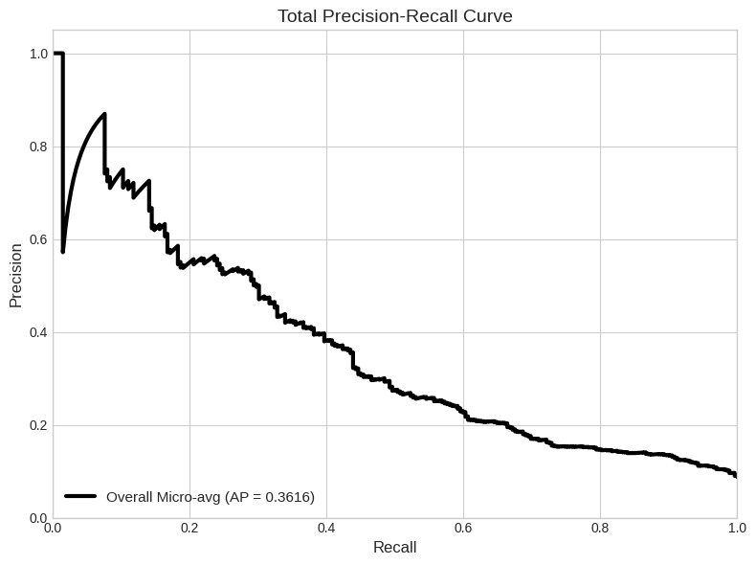
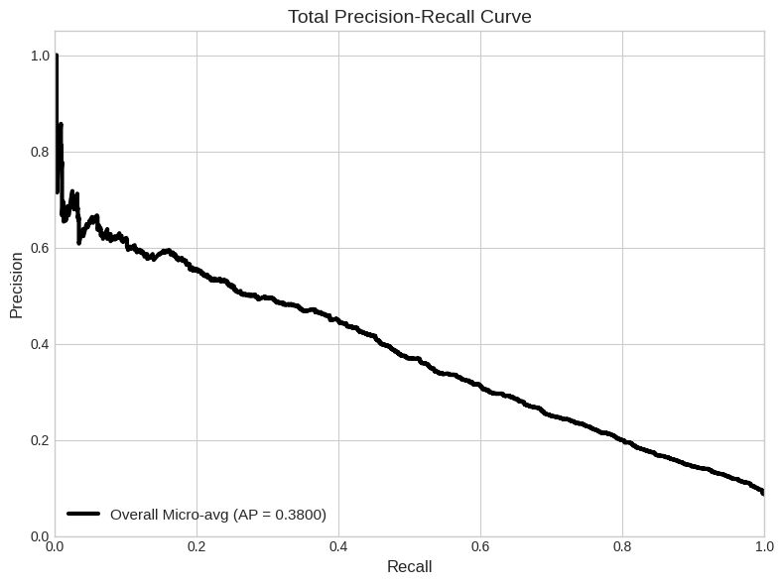
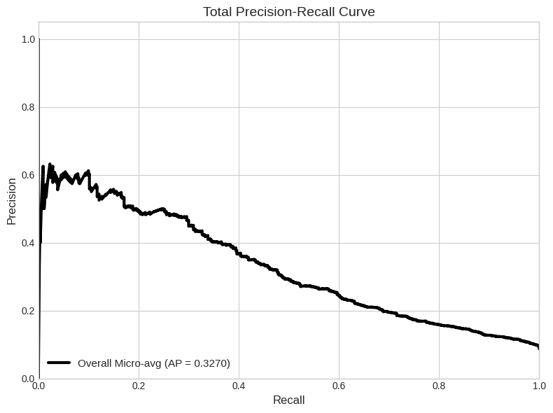
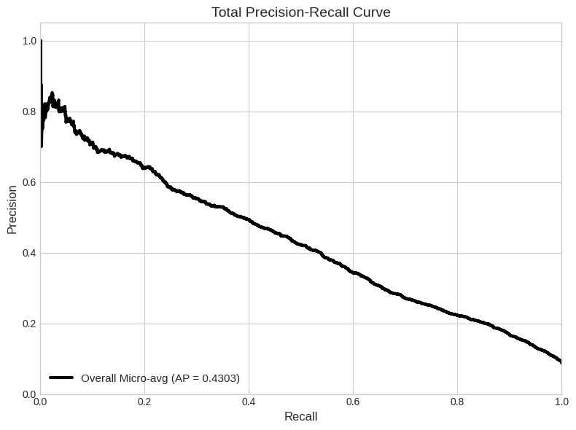
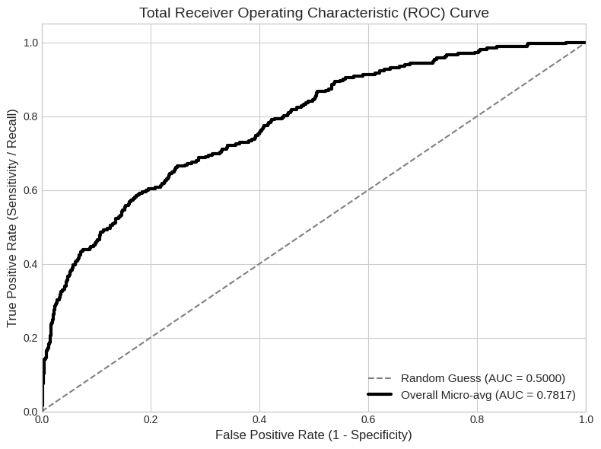
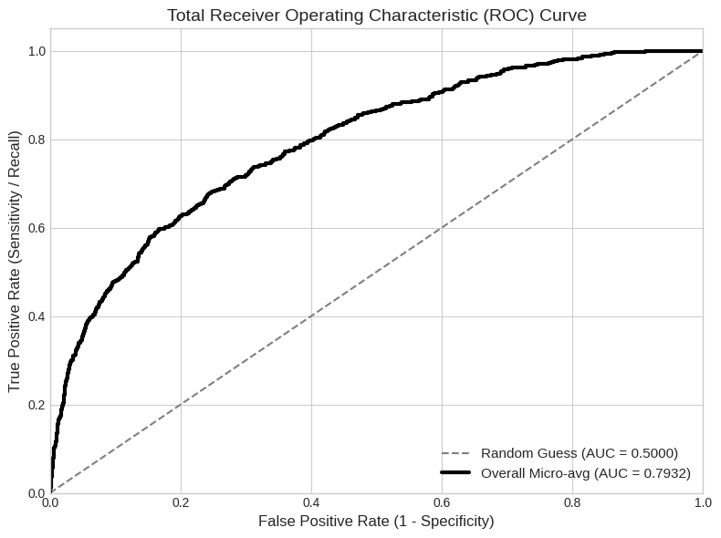
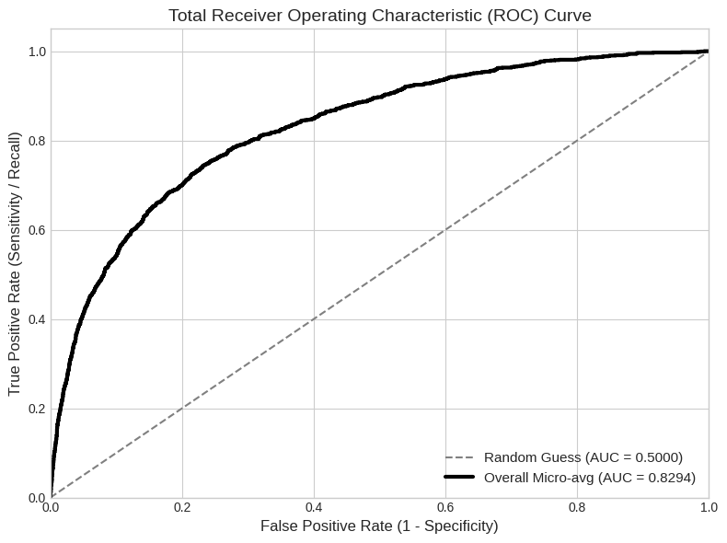
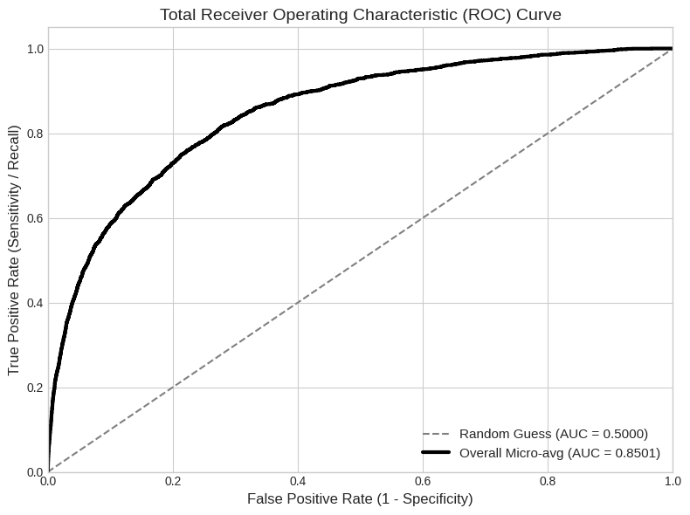
1000-epoch | 1000-train loss | 1000-val loss | Mean AUROC |  | 2000-epoch | 2000-train loss | 2000-val loss | Mean AUROC | 5000-epoch | 5000-train loss | 5000-val loss | Mean AUROC | 0.8294 | 10000-epoch | 10000-train loss | 10000-val loss | Mean AUROC | 0.8501
1 | 0.1209 | 0.0761 | Atelectasis | 0.7133 | 1 | 0.1002 | 0.0716 | Atelectasis | 1 | 0.091 | 0.073 | Atelectasis | 0.7038 | 1 | 0.0873 | 0.0714 | Atelectasis | 0.7317
2 | 0.0888 | 0.0738 | Cardiomegaly | 0.5301 | 2 | 0.0841 | 0.0719 | Cardiomegaly | 2 | 0.0794 | 0.0642 | Cardiomegaly | 0.6757 | 2 | 0.075 | 0.0635 | Cardiomegaly | 0.7037
3 | 0.0828 | 0.0705 | Consolidation | 0.6995 | 3 | 0.0762 | 0.07 | Consolidation | 3 | 0.0692 | 0.0684 | Consolidation | 0.7184 | 3 | 0.0641 | 0.0725 | Consolidation | 0.718
4 | 0.0772 | 0.069 | Edema | 0.8895 | 4 | 0.0657 | 0.0749 | Edema | 4 | 0.0584 | 0.0753 | Edema | 0.8016 | 4 | 0.0536 | 0.0735 | Edema | 0.8149
5 | 0.0697 | 0.0688 | Effusion | 0.6212 | 5 | 0.0561 | 0.0818 | Effusion | 5 | 0.0478 | 0.0799 | Effusion | 0.8103 | 5 | 0.0436 | 0.0826 | Effusion | 0.8246
6 | 0.0634 | 0.0735 | Emphysema | 0.6734 | 6 | 0.0446 | 0.0844 | Emphysema | 6 | 0.0401 | 0.0786 | Emphysema | 0.6884 | 6 | 0.0352 | 0.0923 | Emphysema | 0.7503
7 | 0.0541 | 0.077 | Fibrosis | 0.8737 | 7 | 0.0359 | 0.0876 | Fibrosis | 7 | 0.0315 | 0.0947 | Fibrosis | 0.7584 | 7 | 0.0286 | 0.0952 | Fibrosis | 0.6965
8 | 0.0418 | 0.0843 | Hernia | 無樣本 | 8 | 0.0301 | 0.0956 | Hernia | 8 | 0.0253 | 0.0938 | Hernia | 0.7147 | 8 | 0.0234 | 0.1011 | Hernia | 0.3051
9 | 0.0355 | 0.0888 | Infiltration | 0.6103 | 9 | 0.0238 | 0.1058 | Infiltration | 9 | 0.022 | 0.1081 | Infiltration | 0.682 | 9 | 0.0187 | 0.1165 | Infiltration | 0.6744
10 | 0.0288 | 0.0877 | Mass | 0.4942 | 10 | 0.0195 | 0.1071 | Mass | 10 | 0.0182 | 0.1235 | Mass | 0.6335 | 10 | 0.0163 | 0.1192 | Mass | 0.6921
11 |  |  | No Finding | 0.6841 | 11 |  |  | No Finding | 11 |  |  | No Finding | 0.7317 | 11 |  |  | No Finding | 0.7435
12 |  |  | Nodule | 0.5137 | 12 |  |  | Nodule | 12 |  |  | Nodule | 0.6044 | 12 |  |  | Nodule | 0.6556
13 |  |  | Pleural_Thickening | 0.608 | 13 |  |  | Pleural_Thickening | 13 |  |  | Pleural_Thickening | 0.7226 | 13 |  |  | Pleural_Thickening | 0.7823
14 |  |  | Pneumonia | 0.4687 | 14 |  |  | Pneumonia | 14 |  |  | Pneumonia | 0.7204 | 14 |  |  | Pneumonia | 0.5655
15 |  |  | Pneumothorax | 0.4462 | 15 |  |  | Pneumothorax | 15 |  |  | Pneumothorax | 0.745 | 15 |  |  | Pneumothorax | 0.7585
16 |  |  |  |  | 16 |  |  |  | 16 |  |  |  |  | 16
17 |  |  |  |  | 17 |  |  |  | 17 |  |  |  |  | 17
18 |  |  |  |  | 18 |  |  |  | 18 |  |  |  |  | 18
19 |  |  |  |  | 19 |  |  |  | 19 |  |  |  |  | 19
20 |  |  |  |  | 20 |  |  |  | 20 |  |  |  |  | 20
Learning cruve
 | 1000-train loss | 1000-val loss
1 | 0.1209 | 0.0761
2 | 0.0888 | 0.0738
3 | 0.0828 | 0.0705
4 | 0.0772 | 0.069
5 | 0.0697 | 0.0688
6 | 0.0634 | 0.0735
7 | 0.0541 | 0.077
8 | 0.0418 | 0.0843
9 | 0.0355 | 0.0888
10 | 0.0288 | 0.0877
11
12
13
Learning cruve
 | 2000-train loss | 2000-val loss
1 | 0.1002 | 0.0716
2 | 0.0841 | 0.0719
3 | 0.0762 | 0.07
4 | 0.0657 | 0.0749
5 | 0.0561 | 0.0818
6 | 0.0446 | 0.0844
7 | 0.0359 | 0.0876
8 | 0.0301 | 0.0956
9 | 0.0238 | 0.1058
10 | 0.0195 | 0.1071
11
12
13
Learning cruve
 | 5000-train loss | 5000-val loss
1 | 0.091 | 0.073
2 | 0.0794 | 0.0642
3 | 0.0692 | 0.0684
4 | 0.0584 | 0.0753
5 | 0.0478 | 0.0799
6 | 0.0401 | 0.0786
7 | 0.0315 | 0.0947
8 | 0.0253 | 0.0938
9 | 0.022 | 0.1081
10 | 0.0182 | 0.1235
11
12
13
Learning cruve
 | 10000-train loss | 10000-val loss
1 | 0.0873 | 0.0714
2 | 0.075 | 0.0635
3 | 0.0641 | 0.0725
4 | 0.0536 | 0.0735
5 | 0.0436 | 0.0826
6 | 0.0352 | 0.0923
7 | 0.0286 | 0.0952
8 | 0.0234 | 0.1011
9 | 0.0187 | 0.1165
10 | 0.0163 | 0.1192
11
12
13

