Api Links
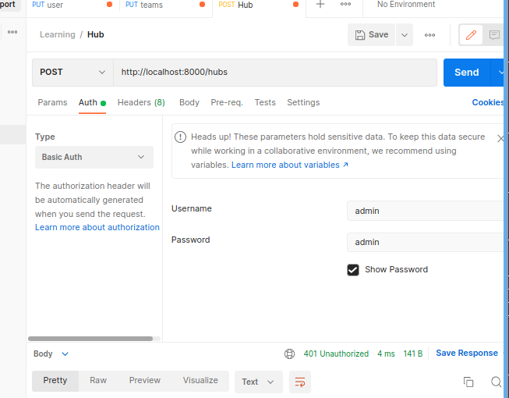
Run in docker | type | URL | Description | Example input | Example output | Auth Accounts
User | GET | http://localhost:8000/users | Get User List |  | List of user as json
 | GET | http://localhost:8000/users/{id} | Get User by ID |  | { "userId": 2, "userName": "DEVOP-2 ", "role": "DEVOP ", "teamId": 1 }
 | GET | http://localhost:8000/users/search?userId={user_id} | Search User | http://localhost:8000/users/search?name=DEVOP | { "hubName": "Vietnam ", "role": "DEVOP ", "teamName": "DEVOP ", "userName": "DEVOP-2 " }
 | POST | http://localhost:8000/users | Create new user | { "userName":"test", "role":"BA", "teamId":1 } | { "Message": "User Created" } | admin:admin
 | PUT | http://localhost:8000/users/{id} | Update user | { "userName":"test", "role":"BA" } | { "Message": "Updated User: 1" } | admin:admin
 | DELETE | http://localhost:8000/users/{id} | Delete user |  | { "Message": "Deleted User: 1" } | admin:admin
 | PUT | http://localhost:8000/users/move?userId={iuser_id}&teamId={team_id} | Move user to new team | http://localhost:8000/users/move?userId=2&teamId=2 | {"Message":"User is moved to team 2"} | admin:admin

Team | GET | http://localhost:8000/teams | Get Team List |  | List of team as json
 | GET | http://localhost:8000/teams/{id} | Get Team by ID |  | { "teamId": 2, "teamName": "DEVCORE ", "hubId": 1 }
 | POST | http://localhost:8000/teams | Create new team | { "teamName":"test update", "hubId":1 } | "Team is created" | admin:admin
 | PUT | http://localhost:8000/teams/{id} | Update team | { "teamName":"test update" } | "Updated Team: 5" | admin:admin
 | DELETE | http://localhost:8000/teams/{id} | Delete team |  | "Deleted Team 5" | admin:admin
 | PUT | http://localhost:8000/users/move?teamId={team_id}&hubId={hub_id} | Move team to new hub | http://localhost:8000/teams/move?teamId=1&hubId=2 | { "Message": "Team 5is moved to hub1" } | admin:admin

Hub | GET | http://localhost:8000/hubs | Get Hubs List |  | List of hub as json
 | GET | http://localhost:8000/hubs/{id} | Get Hub by ID |  | { "hubId": 2, "hubName": "England ", "hubRegion": "EU " }
 | POST | http://localhost:8000/hubs | Create new Hubs | { "hubName":"testhub", "hubRegion":"VN" } | { "Message": "Hub is created" } | admin:admin
 | PUT | http://localhost:8000/hubs/{id} | Update Hubs | { "hubName":"testupate", "hubRegion":"VN" } | "Updated Hub 3" | admin:admin
 | DELETE | http://localhost:8000/hubs/{id} | Delete Hubs |  | "Deleted hub :3" | admin:admin

