InputOptions
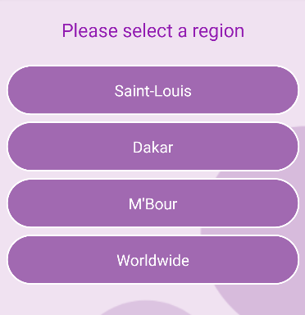

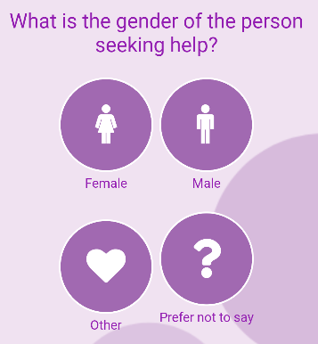
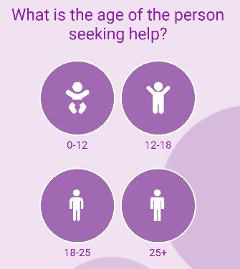
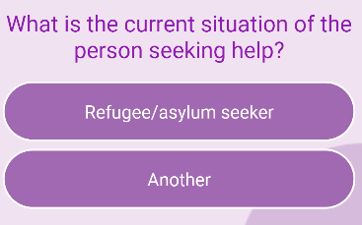
Age Category | Name | Min Age
C | Children | 0 | 12
Y | Youth | 12 | 18
E | Early Adults | 18 | 25
A | Adults | 25 | 130

Input on App
Region |  |  | Identity | Gender | Age | Current Situation

