결과
LotID | 판정 | BU data 수치화 | BU Image
GJ96111000-1032601120-VMA129BLAC01260825A00362 | OK | 68.514 | 
GJ96111000-1032601120-VMA129BLAC01260827A00137 | OK | 55.637 | 
GJ96111000-1032601120-VMA129BLAC01260827A00211 | OK | 66.784 | 
GJ96111000-1032601120-VMA129BLAC01260901A00001 | OK | 58.041 | 
GJ96111000-1032601120-VMA129BLAC01260901A00002 | OK | 53.955 | 
GJ96111000-1032601120-VMA129BLAC01260901A00003 | OK | 60.298 | 
GJ96111000-1032601120-VMA129BLAC01260901A00004 | OK | 55.502 | 
GJ96111000-1032601120-VMA129BLAC01260901A00005 | OK | 60.016 | 
GJ96111000-1032601120-VMA129BLAC01260901A00006 | OK | 63.504 | 
GJ96111000-1032601120-VMA129BLAC01260901A00007 | OK | 54.184 | 
GJ96111000-1032601120-VMA129BLAC01260901A00008 | OK | 56.731 | 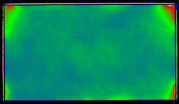
GJ96111000-1032601120-VMA129BLAC01260902A00001 | OK | 69.959 | 
GJ96111000-1032601120-VMA129BLAC01260902A00002 | OK | 53.314 | 
GJ96111000-1032601120-VMA129BLAC01260902A00003 | OK | 61.155 | 
GJ96111000-1032601120-VMA129BLAC01260902A00004 | OK | 55.481 | 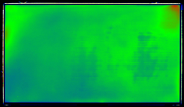
GJ96111000-1032601120-VMA129BLAC01260902A00005 | OK | 51.171 | 
GJ96111000-1032601120-VMA129BLAC01260902A00006 | OK | 54.072 | 
GJ96111000-1032601120-VMA129BLAC01260902A00007 | OK | 55.231 | 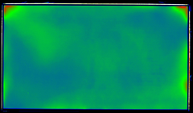
GJ96111000-1032601120-VMA129BLAC01260902A00008 | OK | 65.944 | 
GJ96111000-1032601120-VMA129BLAC01260902A00009 | OK | 50.333 | 
GJ96111000-1032601120-VMA129BLAC01260902A00010 | OK | 51.788 | 
GJ96111000-1032601120-VMA129BLAC01260902A00011 | OK | 52.499 | 
GJ96111000-1032601120-VMA129BLAC01260902A00012 | OK | 67.445 | 
GJ96111000-1032601120-VMA129BLAC01260902A00013 | OK | 65.967 | 
GJ96111000-1032601120-VMA129BLAC01260902A00014 | OK | 66.375 | 
GJ96111000-1032601120-VMA129BLAC01260902A00015 | OK | 73.505 | 
GJ96111000-1032601120-VMA129BLAC01260902A00016 | OK | 68.244 | 
GJ96111000-1032601120-VMA129BLAC01260902A00017 | OK | 66.003 | 
GJ96111000-1032601120-VMA129BLAC01260902A00018 | OK | 51.021 | 
GJ96111000-1032601120-VMA129BLAC01260902A00019 | OK | 80.327 | 
GJ96111000-1032601120-VMA129BLAC01260902A00020 | OK | 57.508 | 
GJ96111000-1032601120-VMA129BLAC01260902A00021 | OK | 63.729 | 
GJ96111000-1032601120-VMA129BLAC01260902A00022 | OK | 52.154 | 
GJ96111000-1032601120-VMA129BLAC01260902A00023 | OK | 62.972 | 
GJ96111000-1032601120-VMA129BLAC01260902A00024 | OK | 64.997 | 
GJ96111000-1032601120-VMA129BLAC01260902A00025 | OK | 72.229 | 
GJ96111000-1032601120-VMA129BLAC01260902A00026 | OK | 51.078 | 
GJ96111000-1032601120-VMA129BLAC01260902A00027 | OK | 65.179 | 
GJ96111000-1032601120-VMA129BLAC01260902A00028 | OK | 57.77 | 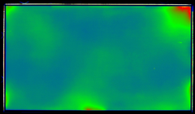
GJ96111000-1032601120-VMA129BLAC01260902A00029 | OK | 59.352 | 
GJ96111000-1032601120-VMA129BLAC01260902A00030 | OK | 63.002 | 
GJ96111000-1032601120-VMA129BLAC01260902A00031 | OK | 58.488 | 
GJ96111000-1032601120-VMA129BLAC01260902A00032 | OK | 54.172 | 
GJ96111000-1032601120-VMA129BLAC01260902A00033 | OK | 52.696 | 
GJ96111000-1032601120-VMA129BLAC01260902A00034 | OK | 52.373 | 
GJ96111000-1032601120-VMA129BLAC01260902A00035 | OK | 52.797 | 
GJ96111000-1032601120-VMA129BLAC01260902A00036 | OK | 62.024 | 
GJ96111000-1032601120-VMA129BLAC01260902A00037 | NG | 34.806 | 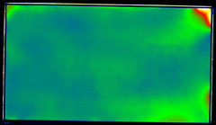
GJ96111000-1032601120-VMA129BLAC01260902A00038 | OK | 55.933 | 
GJ96111000-1032601120-VMA129BLAC01260902A00039 | OK | 53.53 | 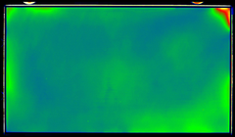
GJ96111000-1032601120-VMA129BLAC01260902A00040 | OK | 62.959 | 
GJ96111000-1032601120-VMA129BLAC01260902A00041 | OK | 58.055 | 
GJ96111000-1032601120-VMA129BLAC01260902A00042 | OK | 58.931 | 

