Shot
check | thumbnail | roll | seq_name | shot_name | version | type | scan_path | scan_name | clip_name | pad | ext | resolution | start_frame | end_frame | duration | retime_duration | retime_percent | retime_start_frame | timecode_in | timecode_out | just_in | just_out | framerate | date | clip_tag
 | 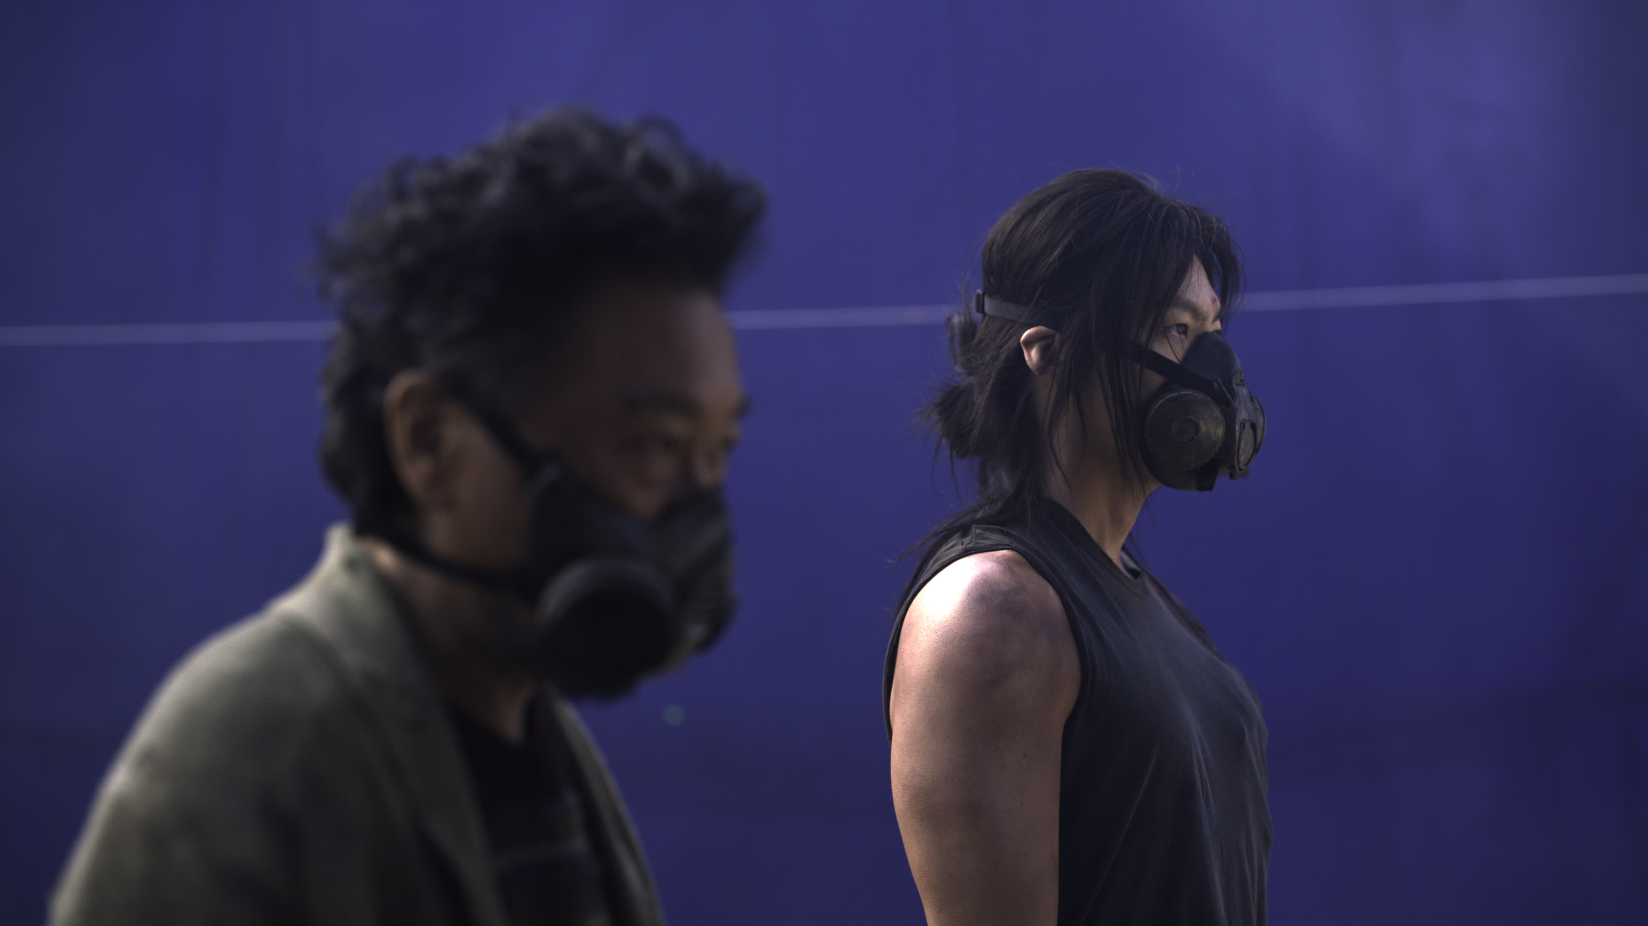 A130C005_220226_RPGF.0001001.jpg |  |  |  |  |  | /TD/show/hanjin/production/scan/20221017_plate_scan/002_A130C005_220226_RPGF/ | A130C005_220226_RPGF | A130C005_220226_RPGF |  | exr | 3840 x 2160 | 1001 | 24000 | 23000 |  |  |  | 11:36:22:3 | 11:36:22:20 |  |  | 23.976 | 2022-02-26 04:19:29
 | 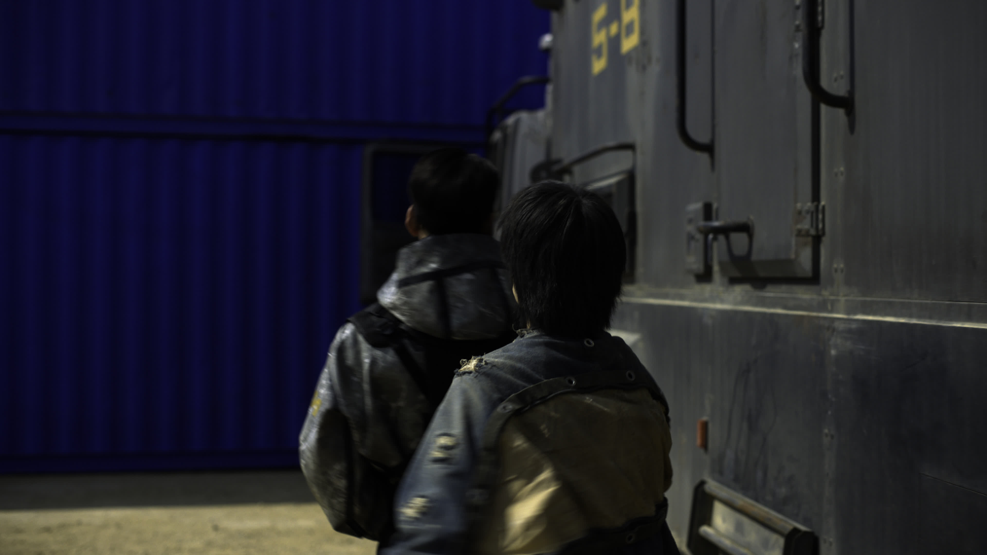 C140C022_220304_WOFX.0001001.jpg |  |  |  |  |  | /TD/show/hanjin/production/scan/20221017_plate_scan/001_C140C022_220304_WOFX/ | C140C022_220304_WOFX | C140C022_220304_WOFX |  | exr | 3840 x 2160 | 1001 | 24000 | 23000 |  |  |  | 12:5:15:9 | 12:5:15:22 |  |  | 23.976 | 2022-03-04 11:59:46
 | 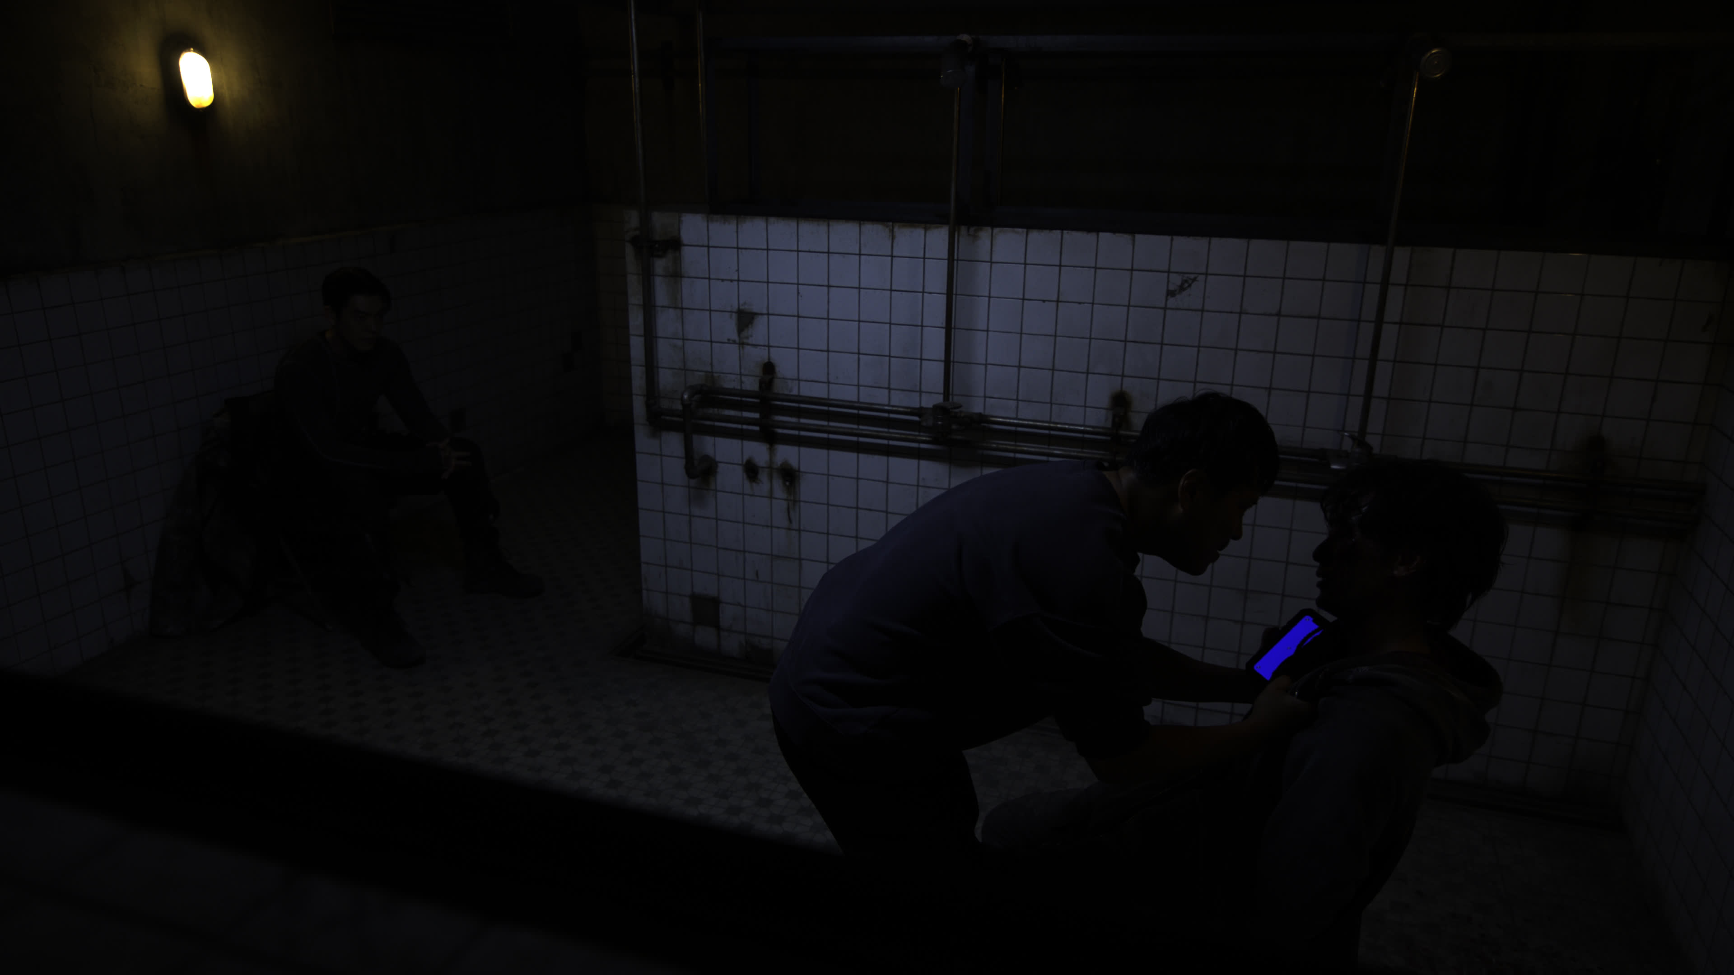 C255C014_220511_WOFX.0001001.jpg |  |  |  |  |  | /TD/show/hanjin/production/scan/20221017_plate_scan/003_C255C014_220511_WOFX/ | C255C014_220511_WOFX | C255C014_220511_WOFX |  | exr | 3840 x 2160 | 1001 | 24000 | 23000 |  |  |  | 18:54:53:7 | 18:54:54:0 |  |  | 23.976 | 2022-05-11 18:47:28
 | B140C022_220304_WOFX.0001001.jpg |  |  |  |  |  | /TD/show/hanjin/production/scan/20221017_plate_scan/004_B140C022_220304_WOFX/ | B140C022_220304_WOFX | C140C022_220304_WOFX |  | exr | 3840 x 2160 | 1001 | 24000 | 23000 |  |  |  | 12:5:15:9 | 12:5:15:22 |  |  | 23.976 | 2022-03-04 11:59:46

