stacked_f-tve
f-tve: Stacked Generalization
Dataset Split: 72% - training, 20% - validation, 8% - test
 | ChemBERTa |  |  |  |  | LogReg |  |  |  |  | SVC |  |  |  |  | RFC |  |  |  |  | GradBoostC |  |  |  |  | Stacked
Seed | Accuracy (test) | Precision (test) | Recall (test) | F1 (test) | AUC (test) | Accuracy (test) | Precision (test) | Recall (test) | F1 (test) | AUC (test) | Accuracy (test) | Precision (test) | Recall (test) | F1 (test) | AUC (test) | Accuracy (test) | Precision (test) | Recall (test) | F1 (test) | AUC (test) | Accuracy (test) | Precision (test) | Recall (test) | F1 (test) | AUC (test) | Accuracy (test) | Precision (test) | Recall (test) | F1 (test) | AUC (test)
54321 | 0.7619 | 0.8824 | 0.8333 | 0.8571 | 0.5370 | 0.8095 | 0.8889 | 0.8889 | 0.8889 | 0.7593 | 0.7143 | 0.8333 | 0.8333 | 0.8333 | 0.7593 | 0.8571 | 0.8571 | 1.0000 | 0.9231 | 0.3519 | 0.8571 | 0.8947 | 0.9444 | 0.9189 | 0.4074 | 0.8571 | 0.8947 | 0.9444 | 0.9189 | 0.5741
4321 | 0.8571 | 0.8571 | 0.9231 | 0.8889 | 0.9808 | 0.9048 | 0.8667 | 1.0000 | 0.9286 | 0.9712 | 0.9524 | 0.9286 | 1.0000 | 0.9630 | 0.9904 | 0.9048 | 0.8667 | 1.0000 | 0.9286 | 0.9519 | 0.9524 | 0.9286 | 1.0000 | 0.9630 | 1.0000 | 0.9524 | 0.9286 | 1.0000 | 0.9630 | 0.9808
1234 | 0.8095 | 0.7778 | 1.0000 | 0.8750 | 0.7959 | 0.7619 | 0.8000 | 0.8571 | 0.8276 | 0.8878 | 0.9048 | 0.9286 | 0.9286 | 0.9286 | 0.9694 | 0.8571 | 0.8667 | 0.9286 | 0.8966 | 0.8673 | 0.8571 | 0.9231 | 0.8571 | 0.8889 | 0.9082 | 0.8571 | 0.8667 | 0.9286 | 0.8966 | 0.9592
1 | 0.7619 | 0.8571 | 0.8000 | 0.8276 | 0.8889 | 0.9524 | 0.9375 | 1.0000 | 0.9677 | 1.0000 | 0.9524 | 0.9375 | 1.0000 | 0.9677 | 0.9333 | 0.8571 | 0.8333 | 1.0000 | 0.9091 | 1.0000 | 1.0000 | 1.0000 | 1.0000 | 1.0000 | 1.0000 | 0.9524 | 0.9375 | 1.0000 | 0.9677 | 1.0000
123456 | 0.6190 | 0.8333 | 0.6250 | 0.7143 | 0.6875 | 0.7619 | 0.9231 | 0.7500 | 0.8276 | 0.7750 | 0.8095 | 0.9286 | 0.8125 | 0.8667 | 0.8125 | 0.6667 | 0.8462 | 0.6875 | 0.7586 | 0.7000 | 0.6667 | 0.8000 | 0.7500 | 0.7742 | 0.8000 | 0.7143 | 0.8125 | 0.8125 | 0.8125 | 0.8000
98765 | 0.8095 | 0.8125 | 0.9286 | 0.8667 | 0.8367 | 0.8095 | 0.8125 | 0.9286 | 0.8667 | 0.8776 | 0.8571 | 0.8667 | 0.9286 | 0.8966 | 0.8469 | 0.8571 | 0.8667 | 0.9286 | 0.8966 | 0.8265 | 0.8095 | 0.8125 | 0.9286 | 0.8667 | 0.7245 | 0.8571 | 0.8667 | 0.9286 | 0.8966 | 0.8622
56789 | 0.7143 | 0.8333 | 0.7143 | 0.7692 | 0.6939 | 0.8095 | 0.9167 | 0.7857 | 0.8462 | 0.7653 | 0.8095 | 0.9167 | 0.7857 | 0.8462 | 0.7755 | 0.8095 | 0.9167 | 0.7857 | 0.8462 | 0.7857 | 0.8571 | 0.9231 | 0.8571 | 0.8889 | 0.7551 | 0.7619 | 0.8462 | 0.7857 | 0.8148 | 0.7500
5 | 0.9524 | 0.9444 | 1.0000 | 0.9714 | 0.9853 | 0.8095 | 0.8824 | 0.8824 | 0.8824 | 0.9118 | 0.8571 | 0.9375 | 0.8824 | 0.9091 | 0.8529 | 0.7619 | 0.8750 | 0.8235 | 0.8485 | 0.8235 | 0.7143 | 0.8235 | 0.8235 | 0.8235 | 0.8529 | 0.8095 | 0.8824 | 0.8824 | 0.8824 | 0.9265
567890 | 0.8571 | 1.0000 | 0.8235 | 0.9032 | 0.9118 | 0.9048 | 0.9412 | 0.9412 | 0.9412 | 0.9412 | 0.8571 | 0.9375 | 0.8824 | 0.9091 | 0.8529 | 0.9524 | 0.9444 | 1.0000 | 0.9714 | 0.9853 | 0.9524 | 1.0000 | 0.9412 | 0.9697 | 0.9853 | 0.9048 | 0.9412 | 0.9412 | 0.9412 | 0.9853
9876 | 0.6667 | 0.6667 | 0.8333 | 0.7407 | 0.7685 | 0.7143 | 0.7500 | 0.7500 | 0.7500 | 0.7685 | 0.7143 | 0.7500 | 0.7500 | 0.7500 | 0.8056 | 0.7619 | 0.7692 | 0.8333 | 0.8000 | 0.7870 | 0.7619 | 0.7692 | 0.8333 | 0.8000 | 0.7500 | 0.7619 | 0.7692 | 0.8333 | 0.8000 | 0.8519
MEAN | 0.7810 | 0.8465 | 0.8481 | 0.8414 | 0.8086 | 0.8238 | 0.8719 | 0.8784 | 0.8727 | 0.8657 | 0.8429 | 0.8965 | 0.8803 | 0.8870 | 0.8599 | 0.8286 | 0.8642 | 0.8987 | 0.8779 | 0.8079 | 0.8429 | 0.8875 | 0.8935 | 0.8894 | 0.8183 | 0.8429 | 0.8746 | 0.9057 | 0.8894 | 0.8690
SD | 0.0933 | 0.0856 | 0.1137 | 0.0753 | 0.1349 | 0.0708 | 0.0614 | 0.0884 | 0.0609 | 0.0876 | 0.0798 | 0.0591 | 0.0813 | 0.0623 | 0.0756 | 0.0774 | 0.0444 | 0.1049 | 0.0610 | 0.1771 | 0.1022 | 0.0781 | 0.0778 | 0.0715 | 0.1702 | 0.0769 | 0.0526 | 0.0710 | 0.0589 | 0.1268

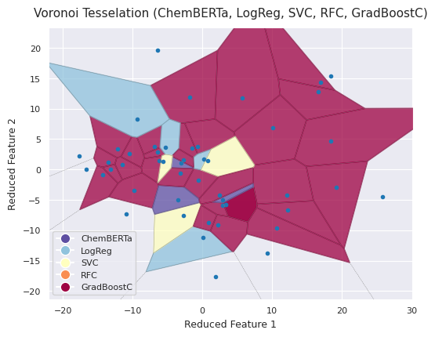
Summary |  |  |  |  |  |  |  |  |  |  | Voronoi Tesselation, confidence scores and Confusion Matrix for seed=4321
Data | Method | Statistic | Accuracy | Precision | Recall | F1 | AUROC
f-tve | ChemBERTa | mean | 0.781 | 0.846 | 0.848 | 0.841 | 0.809
 |  | sd | 0.093 | 0.086 | 0.114 | 0.075 | 0.135
 | LogReg | mean | 0.824 | 0.872 | 0.878 | 0.873 | 0.866
 |  | sd | 0.071 | 0.061 | 0.088 | 0.061 | 0.088
 | SVC | mean | 0.843 | 0.896 | 0.880 | 0.887 | 0.860
 |  | sd | 0.080 | 0.059 | 0.081 | 0.062 | 0.076
 | RFC | mean | 0.829 | 0.864 | 0.899 | 0.878 | 0.808
 |  | sd | 0.077 | 0.044 | 0.105 | 0.061 | 0.177
 | GradBoostC | mean | 0.843 | 0.887 | 0.894 | 0.889 | 0.818
 |  | sd | 0.102 | 0.078 | 0.078 | 0.071 | 0.170
 | Stacked* | mean | 0.843 | 0.875 | 0.906 | 0.889 | 0.869
 |  | sd | 0.077 | 0.053 | 0.071 | 0.059 | 0.127
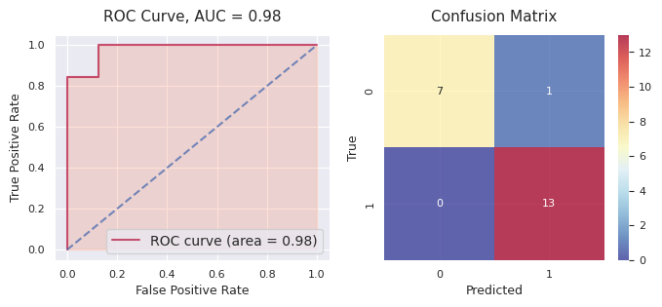
 |  |  |  |  |  |  |  |  |  |  | Hybrid of 5 models: |  | tve_4321
 |  |  |  |  |  |  |  |  |  |  | Accuracy | Precision | Recall | F1 | AUC
 |  |  |  |  |  |  |  |  |  |  | 0.9524 | 0.9286 | 1.0000 | 0.9630 | 0.9808

f-tve: Ensemble
Dataset Split: 80% - training, 20% - test (Probability estimates for Oxd=1 from all models)
f-tve(54321) | LogReg | SVC | RFC | GradboostC | Avg Prob | Prediction | True Label | f-tve(4321) | LogReg | SVC | RFC | GradboostC | Avg Prob | Prediction | True Label | f-tve(1234) | LogReg | SVC | RFC | GradboostC | Avg Prob | Prediction | True Label | f-tve(1) | LogReg | SVC | RFC | GradboostC | Avg Prob | Prediction | True Label | f-tve(123456) | LogReg | SVC | RFC | GradboostC | Avg Prob | Prediction | True Label | f-tve(98765) | LogReg | SVC | RFC | GradboostC | Avg Prob | Prediction | True Label | f-tve(56789) | LogReg | SVC | RFC | GradboostC | Avg Prob | Prediction | True Label | f-tve(5) | LogReg | SVC | RFC | GradboostC | Avg Prob | Prediction | True Label | f-tve(567890) | LogReg | SVC | RFC | GradboostC | Avg Prob | Prediction | True Label | f-tve(9876) | LogReg | SVC | RFC | GradboostC | Avg Prob | Prediction | True Label
 | 0.9849 | 0.9704 | 0.7611 | 0.9184 | 0.9087 | 1.0000 | 1.0000 |  | 0.8116 | 0.7184 | 0.6390 | 0.9109 | 0.7700 | 1.0000 | 1.0000 |  | 1.0000 | 0.9873 | 0.8409 | 1.0000 | 0.9571 | 1.0000 | 1.0000 |  | 0.6492 | 0.8258 | 0.6497 | 0.9786 | 0.7758 | 1.0000 | 1.0000 |  | 0.9974 | 0.9834 | 0.8493 | 0.9998 | 0.9575 | 1.0000 | 1.0000 |  | 0.9687 | 0.9554 | 0.8642 | 0.8168 | 0.9013 | 1.0000 | 1.0000 |  | 0.9987 | 1.0000 | 0.7628 | 1.0000 | 0.9404 | 1.0000 | 1.0000 |  | 0.0139 | 0.0138 | 0.1072 | 0.0296 | 0.0412 | 0.0000 | 1.0000 |  | 0.9998 | 0.9830 | 0.9035 | 1.0000 | 0.9716 | 1.0000 | 1.0000 |  | 0.9090 | 0.9413 | 0.8510 | 0.9953 | 0.9242 | 1.0000 | 1.0000
 | 0.9968 | 0.9970 | 0.8452 | 0.9659 | 0.9512 | 1.0000 | 1.0000 |  | 0.5407 | 0.5690 | 0.6859 | 0.7266 | 0.6305 | 1.0000 | 0.0000 |  | 0.5981 | 0.6478 | 0.3807 | 0.0346 | 0.4153 | 0.0000 | 0.0000 |  | 0.8964 | 0.2768 | 0.6134 | 0.9967 | 0.6958 | 1.0000 | 1.0000 |  | 1.0000 | 0.9788 | 0.9735 | 0.9999 | 0.9881 | 1.0000 | 1.0000 |  | 0.6116 | 0.8683 | 0.6278 | 0.8298 | 0.7344 | 1.0000 | 1.0000 |  | 0.5599 | 0.9838 | 0.8036 | 1.0000 | 0.8368 | 1.0000 | 0.0000 |  | 0.9560 | 0.9647 | 0.8891 | 0.9681 | 0.9445 | 1.0000 | 1.0000 |  | 0.9240 | 0.9944 | 0.7923 | 0.9995 | 0.9275 | 1.0000 | 1.0000 |  | 0.1371 | 0.9661 | 0.7002 | 1.0000 | 0.7008 | 1.0000 | 1.0000
 | 0.8740 | 0.9879 | 0.8309 | 0.9458 | 0.9096 | 1.0000 | 1.0000 |  | 0.8167 | 0.9220 | 0.7643 | 0.8903 | 0.8483 | 1.0000 | 1.0000 |  | 0.1903 | 0.0661 | 0.1884 | 0.0000 | 0.1112 | 0.0000 | 0.0000 |  | 0.9316 | 0.9937 | 0.8300 | 0.9993 | 0.9386 | 1.0000 | 1.0000 |  | 0.9861 | 0.9306 | 0.9176 | 0.9999 | 0.9586 | 1.0000 | 1.0000 |  | 0.8663 | 0.9702 | 0.7996 | 0.9362 | 0.8931 | 1.0000 | 1.0000 |  | 0.6302 | 0.3985 | 0.7622 | 0.9127 | 0.6759 | 1.0000 | 0.0000 |  | 0.9771 | 0.9825 | 0.6469 | 0.8085 | 0.8537 | 1.0000 | 1.0000 |  | 0.9670 | 0.9536 | 0.7935 | 0.9814 | 0.9239 | 1.0000 | 1.0000 |  | 1.0000 | 0.9903 | 0.9740 | 1.0000 | 0.9911 | 1.0000 | 1.0000
 | 0.0744 | 0.9258 | 0.5684 | 0.1653 | 0.4335 | 0.0000 | 0.0000 |  | 0.5407 | 0.5690 | 0.6859 | 0.7266 | 0.6305 | 1.0000 | 0.0000 |  | 0.4563 | 0.9688 | 0.7515 | 1.0000 | 0.7941 | 1.0000 | 1.0000 |  | 0.9999 | 1.0000 | 0.9764 | 0.9998 | 0.9940 | 1.0000 | 1.0000 |  | 0.1187 | 0.7154 | 0.5472 | 0.1167 | 0.3745 | 0.0000 | 1.0000 |  | 0.9691 | 0.9480 | 0.7858 | 0.8968 | 0.8999 | 1.0000 | 1.0000 |  | 0.6011 | 0.9797 | 0.4136 | 1.0000 | 0.7486 | 1.0000 | 1.0000 |  | 0.0888 | 0.1592 | 0.2245 | 0.0579 | 0.1326 | 0.0000 | 1.0000 |  | 0.6361 | 0.9789 | 0.5222 | 0.9892 | 0.7816 | 1.0000 | 1.0000 |  | 0.0840 | 0.0706 | 0.2848 | 0.0000 | 0.1098 | 0.0000 | 0.0000
 | 0.9981 | 0.9959 | 0.7985 | 0.9806 | 0.9433 | 1.0000 | 1.0000 |  | 0.0201 | 0.0536 | 0.1243 | 0.0185 | 0.0541 | 0.0000 | 0.0000 |  | 0.6973 | 0.7694 | 0.8351 | 0.5589 | 0.7152 | 1.0000 | 0.0000 |  | 0.0250 | 0.0187 | 0.1772 | 0.0018 | 0.0557 | 0.0000 | 0.0000 |  | 0.8513 | 0.9717 | 0.8992 | 0.9999 | 0.9305 | 1.0000 | 1.0000 |  | 0.9983 | 0.9900 | 0.9690 | 0.9722 | 0.9824 | 1.0000 | 1.0000 |  | 1.0000 | 1.0000 | 0.9549 | 1.0000 | 0.9887 | 1.0000 | 1.0000 |  | 0.9817 | 1.0000 | 0.7511 | 0.9706 | 0.9258 | 1.0000 | 1.0000 |  | 0.9977 | 0.9870 | 0.7960 | 0.9994 | 0.9450 | 1.0000 | 1.0000 |  | 0.5461 | 0.9576 | 0.5074 | 1.0000 | 0.7528 | 1.0000 | 1.0000
 | 0.9801 | 0.9884 | 0.8252 | 0.9436 | 0.9343 | 1.0000 | 1.0000 |  | 0.9995 | 0.9019 | 0.8746 | 0.9825 | 0.9396 | 1.0000 | 1.0000 |  | 0.9792 | 0.9691 | 0.8150 | 0.9999 | 0.9408 | 1.0000 | 1.0000 |  | 0.9847 | 0.9963 | 0.6976 | 0.9983 | 0.9192 | 1.0000 | 1.0000 |  | 0.0293 | 0.1059 | 0.1808 | 0.0087 | 0.0812 | 0.0000 | 0.0000 |  | 0.9687 | 0.9554 | 0.8642 | 0.8168 | 0.9013 | 1.0000 | 1.0000 |  | 0.9941 | 1.0000 | 0.9389 | 1.0000 | 0.9833 | 1.0000 | 1.0000 |  | 0.8882 | 0.9062 | 0.6875 | 0.8059 | 0.8219 | 1.0000 | 1.0000 |  | 0.6634 | 0.8521 | 0.7616 | 0.9495 | 0.8067 | 1.0000 | 1.0000 |  | 0.9095 | 0.9888 | 0.8616 | 1.0000 | 0.9400 | 1.0000 | 1.0000
 | 0.0288 | 0.0666 | 0.4947 | 0.0660 | 0.1640 | 0.0000 | 0.0000 |  | 0.9999 | 0.9769 | 0.9557 | 0.9410 | 0.9684 | 1.0000 | 1.0000 |  | 0.0024 | 0.0448 | 0.1785 | 0.0000 | 0.0564 | 0.0000 | 0.0000 |  | 0.6104 | 0.9815 | 0.8053 | 0.9988 | 0.8490 | 1.0000 | 1.0000 |  | 0.9945 | 0.9783 | 0.7406 | 0.9995 | 0.9282 | 1.0000 | 1.0000 |  | 0.7837 | 0.9606 | 0.8387 | 0.7257 | 0.8272 | 1.0000 | 1.0000 |  | 0.9992 | 1.0000 | 0.6337 | 1.0000 | 0.9082 | 1.0000 | 1.0000 |  | 0.9999 | 0.9714 | 0.8065 | 0.9943 | 0.9430 | 1.0000 | 1.0000 |  | 0.8394 | 0.9784 | 0.8166 | 0.9990 | 0.9083 | 1.0000 | 1.0000 |  | 0.9207 | 0.9174 | 0.7658 | 0.9992 | 0.9008 | 1.0000 | 1.0000
 | 0.9960 | 0.9906 | 0.7740 | 0.9794 | 0.9350 | 1.0000 | 1.0000 |  | 0.9977 | 0.9946 | 0.9010 | 0.9403 | 0.9584 | 1.0000 | 1.0000 |  | 0.2011 | 0.2434 | 0.2110 | 0.0000 | 0.1639 | 0.0000 | 0.0000 |  | 0.9982 | 1.0000 | 0.7388 | 0.9999 | 0.9342 | 1.0000 | 1.0000 |  | 0.9599 | 0.9850 | 0.7592 | 0.9927 | 0.9242 | 1.0000 | 1.0000 |  | 0.0722 | 0.0577 | 0.1126 | 0.0294 | 0.0680 | 0.0000 | 0.0000 |  | 0.0595 | 0.0546 | 0.3208 | 0.0000 | 0.1087 | 0.0000 | 0.0000 |  | 0.0870 | 0.5171 | 0.3710 | 0.2855 | 0.3152 | 0.0000 | 1.0000 |  | 0.9477 | 0.3843 | 0.6499 | 0.9888 | 0.7427 | 1.0000 | 1.0000 |  | 0.9772 | 0.9785 | 0.8600 | 1.0000 | 0.9539 | 1.0000 | 1.0000
 | 0.7494 | 0.9435 | 0.5734 | 0.8092 | 0.7689 | 1.0000 | 1.0000 |  | 0.9549 | 0.9443 | 0.6843 | 0.9399 | 0.8809 | 1.0000 | 1.0000 |  | 0.4139 | 0.5162 | 0.3637 | 0.0015 | 0.3238 | 0.0000 | 0.0000 |  | 0.9998 | 0.9880 | 0.8481 | 0.9965 | 0.9581 | 1.0000 | 1.0000 |  | 0.9211 | 0.9811 | 0.8093 | 0.9972 | 0.9272 | 1.0000 | 1.0000 |  | 0.8267 | 0.7020 | 0.6174 | 0.8064 | 0.7381 | 1.0000 | 1.0000 |  | 0.0004 | 0.0009 | 0.2049 | 0.0000 | 0.0515 | 0.0000 | 0.0000 |  | 0.0142 | 0.1958 | 0.3808 | 0.0817 | 0.1681 | 0.0000 | 1.0000 |  | 0.0037 | 0.1757 | 0.4541 | 0.0281 | 0.1654 | 0.0000 | 1.0000 |  | 0.9659 | 0.9931 | 0.6270 | 1.0000 | 0.8965 | 1.0000 | 1.0000
 | 0.0819 | 0.1355 | 0.2108 | 0.0897 | 0.1295 | 0.0000 | 0.0000 |  | 0.8745 | 0.9000 | 0.8306 | 0.9655 | 0.8926 | 1.0000 | 1.0000 |  | 0.9947 | 0.9904 | 0.8452 | 1.0000 | 0.9576 | 1.0000 | 1.0000 |  | 0.9886 | 0.9972 | 0.7681 | 0.9998 | 0.9384 | 1.0000 | 1.0000 |  | 0.9366 | 0.6797 | 0.5365 | 0.9995 | 0.7881 | 1.0000 | 1.0000 |  | 0.9809 | 0.9907 | 0.9234 | 0.9784 | 0.9683 | 1.0000 | 1.0000 |  | 0.8446 | 0.9932 | 0.7244 | 1.0000 | 0.8905 | 1.0000 | 1.0000 |  | 0.9995 | 0.9876 | 0.8874 | 0.9749 | 0.9623 | 1.0000 | 1.0000 |  | 0.5538 | 0.9079 | 0.4748 | 0.9933 | 0.7325 | 1.0000 | 1.0000 |  | 0.0279 | 0.0883 | 0.2550 | 0.0000 | 0.0928 | 0.0000 | 0.0000
 | 0.9480 | 0.9852 | 0.8734 | 0.9954 | 0.9505 | 1.0000 | 1.0000 |  | 0.8781 | 0.9897 | 0.8097 | 0.9464 | 0.9060 | 1.0000 | 1.0000 |  | 0.9750 | 0.9776 | 0.7291 | 1.0000 | 0.9204 | 1.0000 | 1.0000 |  | 0.1685 | 0.5483 | 0.7915 | 0.7426 | 0.5627 | 1.0000 | 1.0000 |  | 0.9891 | 0.9891 | 0.8860 | 0.9895 | 0.9634 | 1.0000 | 1.0000 |  | 0.8755 | 0.9537 | 0.8428 | 0.9301 | 0.9005 | 1.0000 | 0.0000 |  | 1.0000 | 0.9962 | 0.9617 | 1.0000 | 0.9895 | 1.0000 | 1.0000 |  | 0.9947 | 0.9930 | 0.7940 | 0.9390 | 0.9302 | 1.0000 | 1.0000 |  | 0.9545 | 0.9862 | 0.8314 | 0.9987 | 0.9427 | 1.0000 | 1.0000 |  | 0.9809 | 0.9878 | 0.8342 | 1.0000 | 0.9507 | 1.0000 | 1.0000
 | 0.1705 | 0.0333 | 0.3531 | 0.8227 | 0.3449 | 0.0000 | 0.0000 |  | 0.1975 | 0.4945 | 0.4363 | 0.5860 | 0.4286 | 0.0000 | 0.0000 |  | 0.9661 | 0.9849 | 0.8476 | 1.0000 | 0.9497 | 1.0000 | 1.0000 |  | 0.3042 | 0.1259 | 0.4034 | 0.0618 | 0.2238 | 0.0000 | 1.0000 |  | 0.7759 | 0.5405 | 0.7961 | 0.9996 | 0.7780 | 1.0000 | 1.0000 |  | 0.8591 | 0.9426 | 0.8096 | 0.6580 | 0.8173 | 1.0000 | 1.0000 |  | 1.0000 | 1.0000 | 0.8636 | 1.0000 | 0.9659 | 1.0000 | 1.0000 |  | 0.9720 | 0.9800 | 0.7904 | 0.9532 | 0.9239 | 1.0000 | 1.0000 |  | 0.9973 | 0.9832 | 0.8411 | 1.0000 | 0.9554 | 1.0000 | 1.0000 |  | 1.0000 | 1.0000 | 0.9276 | 1.0000 | 0.9819 | 1.0000 | 1.0000
 | 0.9526 | 0.9856 | 0.7499 | 0.9750 | 0.9158 | 1.0000 | 0.0000 |  | 0.6162 | 0.6683 | 0.3673 | 0.1286 | 0.4451 | 0.0000 | 0.0000 |  | 1.0000 | 0.9955 | 0.9287 | 1.0000 | 0.9810 | 1.0000 | 1.0000 |  | 0.9739 | 0.9834 | 0.8468 | 0.9931 | 0.9493 | 1.0000 | 1.0000 |  | 0.4698 | 0.8949 | 0.4648 | 0.8607 | 0.6725 | 1.0000 | 1.0000 |  | 0.9340 | 0.9672 | 0.8905 | 0.9578 | 0.9374 | 1.0000 | 1.0000 |  | 0.0394 | 0.0389 | 0.1398 | 0.0000 | 0.0545 | 0.0000 | 0.0000 |  | 0.9992 | 0.9645 | 0.7502 | 0.9678 | 0.9204 | 1.0000 | 1.0000 |  | 0.9998 | 0.9932 | 0.8897 | 0.9994 | 0.9705 | 1.0000 | 1.0000 |  | 0.1742 | 0.8566 | 0.7720 | 0.9396 | 0.6856 | 1.0000 | 0.0000
 | 0.9892 | 0.9899 | 0.8088 | 0.9703 | 0.9396 | 1.0000 | 1.0000 |  | 0.8497 | 0.9254 | 0.6284 | 0.7813 | 0.7962 | 1.0000 | 1.0000 |  | 0.0523 | 0.2066 | 0.2414 | 0.0001 | 0.1251 | 0.0000 | 0.0000 |  | 0.9097 | 0.9911 | 0.7872 | 0.9865 | 0.9187 | 1.0000 | 1.0000 |  | 0.9554 | 0.9893 | 0.7122 | 0.9971 | 0.9135 | 1.0000 | 1.0000 |  | 0.3544 | 0.0951 | 0.2132 | 0.0649 | 0.1819 | 0.0000 | 0.0000 |  | 0.9999 | 0.9952 | 0.9387 | 1.0000 | 0.9834 | 1.0000 | 0.0000 |  | 0.0351 | 0.1071 | 0.2363 | 0.0884 | 0.1167 | 0.0000 | 1.0000 |  | 0.9843 | 0.9883 | 0.9336 | 0.9995 | 0.9764 | 1.0000 | 1.0000 |  | 0.0547 | 0.0222 | 0.3436 | 0.0000 | 0.1051 | 0.0000 | 0.0000
 | 1.0000 | 0.9944 | 0.9519 | 0.9976 | 0.9860 | 1.0000 | 1.0000 |  | 0.9938 | 0.9708 | 0.8367 | 0.9926 | 0.9485 | 1.0000 | 1.0000 |  | 0.9998 | 0.9953 | 0.8340 | 1.0000 | 0.9573 | 1.0000 | 1.0000 |  | 0.4653 | 0.2868 | 0.2526 | 0.1250 | 0.2824 | 0.0000 | 0.0000 |  | 0.2050 | 0.9767 | 0.6733 | 0.9998 | 0.7137 | 1.0000 | 1.0000 |  | 0.8987 | 0.9650 | 0.7453 | 0.9220 | 0.8827 | 1.0000 | 1.0000 |  | 0.0278 | 0.1246 | 0.3543 | 0.0000 | 0.1267 | 0.0000 | 0.0000 |  | 0.9733 | 0.9811 | 0.7112 | 0.9189 | 0.8961 | 1.0000 | 1.0000 |  | 0.9793 | 0.9726 | 0.8384 | 1.0000 | 0.9476 | 1.0000 | 1.0000 |  | 0.9869 | 1.0000 | 0.8817 | 1.0000 | 0.9672 | 1.0000 | 1.0000
 | 0.9957 | 0.9911 | 0.7255 | 0.6520 | 0.8411 | 1.0000 | 1.0000 |  | 0.4915 | 0.8577 | 0.7491 | 0.8833 | 0.7454 | 1.0000 | 1.0000 |  | 0.9939 | 0.9948 | 0.9123 | 1.0000 | 0.9753 | 1.0000 | 1.0000 |  | 0.0297 | 0.0154 | 0.0593 | 0.0002 | 0.0262 | 0.0000 | 0.0000 |  | 0.9148 | 0.9650 | 0.8486 | 0.9969 | 0.9313 | 1.0000 | 1.0000 |  | 0.9233 | 0.7680 | 0.4332 | 0.5405 | 0.6662 | 1.0000 | 1.0000 |  | 0.6797 | 0.8974 | 0.5782 | 0.9994 | 0.7887 | 1.0000 | 0.0000 |  | 0.9793 | 0.9828 | 0.8367 | 0.9286 | 0.9319 | 1.0000 | 1.0000 |  | 0.7042 | 0.9828 | 0.6122 | 0.9968 | 0.8240 | 1.0000 | 1.0000 |  | 0.0907 | 0.0756 | 0.2848 | 0.0000 | 0.1128 | 0.0000 | 0.0000
 | 0.5613 | 0.5314 | 0.4244 | 0.5163 | 0.5084 | 1.0000 | 1.0000 |  | 0.9368 | 0.9572 | 0.7455 | 0.8999 | 0.8848 | 1.0000 | 1.0000 |  | 0.3032 | 0.8256 | 0.4546 | 0.9987 | 0.6455 | 1.0000 | 1.0000 |  | 0.9886 | 0.9972 | 0.7681 | 0.9998 | 0.9384 | 1.0000 | 1.0000 |  | 0.9913 | 0.9893 | 0.9102 | 1.0000 | 0.9727 | 1.0000 | 1.0000 |  | 0.2117 | 0.0670 | 0.1751 | 0.0729 | 0.1317 | 0.0000 | 0.0000 |  | 1.0000 | 0.9961 | 0.9464 | 1.0000 | 0.9856 | 1.0000 | 1.0000 |  | 0.2551 | 0.7002 | 0.5054 | 0.8092 | 0.5675 | 1.0000 | 0.0000 |  | 0.0075 | 0.0111 | 0.0895 | 0.0002 | 0.0271 | 0.0000 | 0.0000 |  | 0.9833 | 0.9916 | 0.8873 | 1.0000 | 0.9656 | 1.0000 | 1.0000
 | 0.9964 | 0.9848 | 0.8522 | 0.9944 | 0.9569 | 1.0000 | 1.0000 |  | 0.9941 | 0.9801 | 0.8618 | 0.9309 | 0.9417 | 1.0000 | 1.0000 |  | 0.9989 | 0.9730 | 0.9113 | 1.0000 | 0.9708 | 1.0000 | 0.0000 |  | 0.9701 | 0.9952 | 0.8935 | 0.9994 | 0.9646 | 1.0000 | 1.0000 |  | 0.0436 | 0.0184 | 0.3466 | 0.0378 | 0.1116 | 0.0000 | 0.0000 |  | 0.4859 | 0.9512 | 0.6828 | 0.8865 | 0.7516 | 1.0000 | 0.0000 |  | 0.9991 | 1.0000 | 0.8810 | 1.0000 | 0.9700 | 1.0000 | 1.0000 |  | 0.4675 | 0.9739 | 0.4842 | 0.0641 | 0.4974 | 0.0000 | 1.0000 |  | 1.0000 | 0.9681 | 0.9162 | 1.0000 | 0.9711 | 1.0000 | 1.0000 |  | 0.2476 | 0.4721 | 0.2905 | 0.1057 | 0.2790 | 0.0000 | 1.0000
 | 0.1041 | 0.9189 | 0.5816 | 0.8910 | 0.6239 | 1.0000 | 1.0000 |  | 0.0194 | 0.0210 | 0.2061 | 0.0816 | 0.0820 | 0.0000 | 0.0000 |  | 0.9420 | 0.9959 | 0.6896 | 1.0000 | 0.9069 | 1.0000 | 1.0000 |  | 0.1307 | 0.2286 | 0.3533 | 0.0874 | 0.2000 | 0.0000 | 0.0000 |  | 0.9906 | 0.8826 | 0.7323 | 0.9981 | 0.9009 | 1.0000 | 1.0000 |  | 0.0913 | 0.2998 | 0.3815 | 0.6183 | 0.3477 | 0.0000 | 1.0000 |  | 0.6537 | 1.0000 | 0.8635 | 1.0000 | 0.8793 | 1.0000 | 1.0000 |  | 0.9991 | 0.9856 | 0.7678 | 0.8971 | 0.9124 | 1.0000 | 1.0000 |  | 0.9621 | 0.9961 | 0.7809 | 0.9997 | 0.9347 | 1.0000 | 1.0000 |  | 0.9606 | 0.9777 | 0.7588 | 1.0000 | 0.9243 | 1.0000 | 0.0000
 | 0.9327 | 0.8924 | 0.6874 | 0.6640 | 0.7941 | 1.0000 | 1.0000 |  | 0.3232 | 0.9292 | 0.4811 | 0.7780 | 0.6279 | 1.0000 | 1.0000 |  | 0.9981 | 0.8774 | 0.7171 | 1.0000 | 0.8981 | 1.0000 | 1.0000 |  | 0.2680 | 0.0795 | 0.1331 | 0.0064 | 0.1218 | 0.0000 | 0.0000 |  | 0.9668 | 0.9752 | 0.6500 | 0.9991 | 0.8978 | 1.0000 | 1.0000 |  | 0.6101 | 0.9668 | 0.7097 | 0.8766 | 0.7908 | 1.0000 | 1.0000 |  | 0.0004 | 0.0008 | 0.1343 | 0.0000 | 0.0339 | 0.0000 | 1.0000 |  | 0.9616 | 0.9871 | 0.7813 | 0.9640 | 0.9235 | 1.0000 | 1.0000 |  | 0.9083 | 0.9863 | 0.7825 | 0.9995 | 0.9191 | 1.0000 | 1.0000 |  | 1.0000 | 1.0000 | 0.9433 | 1.0000 | 0.9858 | 1.0000 | 0.0000
 | 0.6156 | 0.9875 | 0.8872 | 0.9751 | 0.8664 | 1.0000 | 1.0000 |  | 0.8206 | 0.8279 | 0.6336 | 0.8032 | 0.7713 | 1.0000 | 1.0000 |  | 0.0050 | 0.0268 | 0.2072 | 0.0000 | 0.0597 | 0.0000 | 0.0000 |  | 0.9997 | 0.9883 | 0.9651 | 0.9998 | 0.9882 | 1.0000 | 1.0000 |  | 0.9940 | 0.9827 | 0.8522 | 0.9983 | 0.9568 | 1.0000 | 1.0000 |  | 0.6289 | 0.8613 | 0.6116 | 0.8298 | 0.7329 | 1.0000 | 1.0000 |  | 0.6390 | 0.8137 | 0.5745 | 0.9834 | 0.7527 | 1.0000 | 0.0000 |  | 0.9703 | 0.9847 | 0.8596 | 0.9646 | 0.9448 | 1.0000 | 1.0000 |  | 0.8771 | 0.9652 | 0.6899 | 0.9990 | 0.8828 | 1.0000 | 1.0000 |  | 0.2729 | 0.1007 | 0.2688 | 0.0000 | 0.1606 | 0.0000 | 0.0000
 | 0.9987 | 0.9906 | 0.8727 | 0.9794 | 0.9604 | 1.0000 | 1.0000 |  | 0.0141 | 0.0597 | 0.2354 | 0.0125 | 0.0804 | 0.0000 | 0.0000 |  | 0.8024 | 0.9467 | 0.5754 | 0.0139 | 0.5846 | 1.0000 | 1.0000 |  | 0.8469 | 0.9854 | 0.7969 | 0.9968 | 0.9065 | 1.0000 | 1.0000 |  | 0.0963 | 0.0832 | 0.2966 | 0.0838 | 0.1400 | 0.0000 | 1.0000 |  | 0.7208 | 0.9257 | 0.7805 | 0.9215 | 0.8371 | 1.0000 | 1.0000 |  | 0.0122 | 0.0542 | 0.4560 | 0.0000 | 0.1306 | 0.0000 | 0.0000 |  | 0.9408 | 0.9655 | 0.8249 | 0.6524 | 0.8459 | 1.0000 | 1.0000 |  | 0.9996 | 0.9943 | 0.9533 | 0.9999 | 0.9868 | 1.0000 | 1.0000 |  | 0.9627 | 0.9826 | 0.9164 | 1.0000 | 0.9654 | 1.0000 | 1.0000
 | 1.0000 | 0.9948 | 0.9663 | 0.9974 | 0.9896 | 1.0000 | 1.0000 |  | 0.9227 | 0.9360 | 0.7208 | 0.9901 | 0.8924 | 1.0000 | 1.0000 |  | 0.9786 | 0.9972 | 0.8318 | 1.0000 | 0.9519 | 1.0000 | 1.0000 |  | 0.2622 | 0.1146 | 0.2040 | 0.0034 | 0.1461 | 0.0000 | 1.0000 |  | 1.0000 | 0.9945 | 0.9609 | 1.0000 | 0.9888 | 1.0000 | 1.0000 |  | 0.8846 | 0.9705 | 0.7024 | 0.9252 | 0.8707 | 1.0000 | 1.0000 |  | 0.9989 | 1.0000 | 0.7611 | 0.0037 | 0.6909 | 1.0000 | 1.0000 |  | 1.0000 | 0.9945 | 0.9434 | 0.9898 | 0.9819 | 1.0000 | 0.0000 |  | 0.4474 | 0.1302 | 0.4799 | 0.4007 | 0.3645 | 0.0000 | 0.0000 |  | 0.9488 | 0.9879 | 0.9034 | 1.0000 | 0.9600 | 1.0000 | 1.0000
 | 0.9866 | 0.9964 | 0.7277 | 0.9720 | 0.9207 | 1.0000 | 1.0000 |  | 0.9183 | 0.9803 | 0.6688 | 0.8511 | 0.8546 | 1.0000 | 1.0000 |  | 0.0130 | 0.0788 | 0.1423 | 0.0000 | 0.0585 | 0.0000 | 1.0000 |  | 0.5695 | 0.6994 | 0.4794 | 0.9631 | 0.6779 | 1.0000 | 1.0000 |  | 0.7254 | 0.9417 | 0.8177 | 0.9933 | 0.8695 | 1.0000 | 1.0000 |  | 0.9170 | 0.9364 | 0.7578 | 0.9157 | 0.8817 | 1.0000 | 1.0000 |  | 1.0000 | 0.9952 | 0.9358 | 1.0000 | 0.9828 | 1.0000 | 1.0000 |  | 0.1575 | 0.2071 | 0.3904 | 0.0977 | 0.2132 | 0.0000 | 1.0000 |  | 0.9990 | 0.9953 | 0.8622 | 0.9998 | 0.9641 | 1.0000 | 1.0000 |  | 0.9819 | 0.9914 | 0.8710 | 1.0000 | 0.9611 | 1.0000 | 1.0000
 | 0.9652 | 0.9952 | 0.7338 | 0.9699 | 0.9160 | 1.0000 | 1.0000 |  | 0.9427 | 1.0000 | 0.9162 | 0.9872 | 0.9615 | 1.0000 | 1.0000 |  | 0.0042 | 0.0549 | 0.1138 | 0.0000 | 0.0432 | 0.0000 | 0.0000 |  | 0.7752 | 0.9716 | 0.8540 | 0.9983 | 0.8998 | 1.0000 | 1.0000 |  | 0.7716 | 0.5951 | 0.7878 | 0.8991 | 0.7634 | 1.0000 | 1.0000 |  | 0.8951 | 0.9775 | 0.8102 | 0.8977 | 0.8951 | 1.0000 | 1.0000 |  | 0.9916 | 1.0000 | 0.8294 | 1.0000 | 0.9552 | 1.0000 | 1.0000 |  | 0.3793 | 0.2194 | 0.4169 | 0.1935 | 0.3023 | 0.0000 | 1.0000 |  | 0.9817 | 0.9788 | 0.7937 | 0.9990 | 0.9383 | 1.0000 | 1.0000 |  | 0.9997 | 0.9861 | 0.9569 | 1.0000 | 0.9857 | 1.0000 | 1.0000
 | 0.0009 | 0.0364 | 0.0911 | 0.0412 | 0.0424 | 0.0000 | 0.0000 |  | 0.9997 | 0.8801 | 0.8538 | 0.9949 | 0.9321 | 1.0000 | 1.0000 |  | 0.6729 | 0.7761 | 0.5664 | 1.0000 | 0.7539 | 1.0000 | 1.0000 |  | 0.6554 | 0.6459 | 0.7675 | 0.9983 | 0.7668 | 1.0000 | 1.0000 |  | 0.9955 | 0.9006 | 0.4507 | 0.9997 | 0.8366 | 1.0000 | 1.0000 |  | 0.1165 | 0.0544 | 0.1308 | 0.0324 | 0.0835 | 0.0000 | 0.0000 |  | 0.0477 | 0.0495 | 0.1498 | 0.0000 | 0.0617 | 0.0000 | 1.0000 |  | 0.9999 | 0.9879 | 0.8996 | 0.9211 | 0.9521 | 1.0000 | 1.0000 |  | 0.9028 | 0.9432 | 0.8781 | 0.9998 | 0.9310 | 1.0000 | 1.0000 |  | 0.9853 | 0.9944 | 0.9304 | 1.0000 | 0.9775 | 1.0000 | 1.0000
 | 1.0000 | 0.9973 | 0.9699 | 0.9948 | 0.9905 | 1.0000 | 1.0000 |  | 0.0880 | 0.0239 | 0.1821 | 0.3714 | 0.1664 | 0.0000 | 0.0000 |  | 0.9796 | 0.9711 | 0.8450 | 1.0000 | 0.9489 | 1.0000 | 1.0000 |  | 0.2655 | 0.9089 | 0.8078 | 0.9912 | 0.7433 | 1.0000 | 1.0000 |  | 0.9853 | 0.9887 | 0.8115 | 0.9999 | 0.9464 | 1.0000 | 1.0000 |  | 0.7350 | 0.5209 | 0.6849 | 0.7554 | 0.6740 | 1.0000 | 0.0000 |  | 0.0013 | 0.0045 | 0.2993 | 0.0000 | 0.0763 | 0.0000 | 0.0000 |  | 0.9853 | 0.9863 | 0.9282 | 0.9690 | 0.9672 | 1.0000 | 1.0000 |  | 0.7623 | 0.9970 | 0.4939 | 0.6240 | 0.7193 | 1.0000 | 1.0000 |  | 0.9892 | 0.9955 | 0.8628 | 1.0000 | 0.9619 | 1.0000 | 1.0000
 | 0.9880 | 0.9895 | 0.8632 | 0.9980 | 0.9596 | 1.0000 | 1.0000 |  | 0.9660 | 0.9887 | 0.7139 | 0.9799 | 0.9121 | 1.0000 | 1.0000 |  | 0.9916 | 0.9039 | 0.4295 | 1.0000 | 0.8313 | 1.0000 | 1.0000 |  | 0.9881 | 1.0000 | 0.8417 | 0.9997 | 0.9574 | 1.0000 | 1.0000 |  | 1.0000 | 0.9879 | 0.9880 | 0.9998 | 0.9939 | 1.0000 | 1.0000 |  | 0.9910 | 0.9947 | 0.8754 | 0.9614 | 0.9556 | 1.0000 | 1.0000 |  | 0.9997 | 0.9916 | 0.8314 | 1.0000 | 0.9557 | 1.0000 | 1.0000 |  | 0.9949 | 1.0000 | 0.7285 | 0.9810 | 0.9261 | 1.0000 | 0.0000 |  | 0.0153 | 0.0421 | 0.1853 | 0.0013 | 0.0610 | 0.0000 | 0.0000 |  | 0.9520 | 0.9907 | 0.8140 | 1.0000 | 0.9392 | 1.0000 | 1.0000
 | 0.9911 | 0.9961 | 0.7045 | 0.9169 | 0.9022 | 1.0000 | 1.0000 |  | 0.0446 | 0.9008 | 0.7645 | 0.9003 | 0.6525 | 1.0000 | 0.0000 |  | 0.9655 | 0.9898 | 0.8199 | 1.0000 | 0.9438 | 1.0000 | 1.0000 |  | 0.6861 | 0.9647 | 0.8562 | 0.9965 | 0.8759 | 1.0000 | 1.0000 |  | 0.9600 | 0.9741 | 0.8731 | 0.9998 | 0.9517 | 1.0000 | 1.0000 |  | 0.9961 | 0.9917 | 0.9727 | 0.9679 | 0.9821 | 1.0000 | 1.0000 |  | 0.0209 | 0.1092 | 0.3531 | 0.0013 | 0.1211 | 0.0000 | 1.0000 |  | 1.0000 | 0.9773 | 0.9397 | 0.9921 | 0.9773 | 1.0000 | 1.0000 |  | 0.9899 | 0.9966 | 0.7767 | 0.9987 | 0.9405 | 1.0000 | 1.0000 |  | 0.0648 | 0.1998 | 0.1630 | 0.0000 | 0.1069 | 0.0000 | 0.0000
 | 1.0000 | 0.9949 | 0.9299 | 0.9932 | 0.9795 | 1.0000 | 1.0000 |  | 0.6142 | 0.9942 | 0.6419 | 0.8869 | 0.7843 | 1.0000 | 1.0000 |  | 0.9943 | 0.9754 | 0.7130 | 1.0000 | 0.9207 | 1.0000 | 1.0000 |  | 0.4239 | 0.2385 | 0.6603 | 0.9819 | 0.5761 | 1.0000 | 0.0000 |  | 1.0000 | 0.9811 | 0.9455 | 1.0000 | 0.9817 | 1.0000 | 1.0000 |  | 0.4859 | 0.9513 | 0.6753 | 0.8865 | 0.7498 | 1.0000 | 0.0000 |  | 0.0009 | 0.0440 | 0.2768 | 0.0000 | 0.0804 | 0.0000 | 0.0000 |  | 0.3243 | 0.9829 | 0.5925 | 0.2774 | 0.5443 | 1.0000 | 0.0000 |  | 0.4098 | 0.0931 | 0.6461 | 0.5011 | 0.4125 | 0.0000 | 0.0000 |  | 0.9995 | 0.9909 | 0.9642 | 1.0000 | 0.9887 | 1.0000 | 1.0000
 | 0.7870 | 0.6193 | 0.6275 | 0.7998 | 0.7084 | 1.0000 | 1.0000 |  | 0.8052 | 1.0000 | 0.7698 | 0.9738 | 0.8872 | 1.0000 | 1.0000 |  | 0.0252 | 0.0561 | 0.1208 | 0.0000 | 0.0505 | 0.0000 | 0.0000 |  | 0.3642 | 0.0604 | 0.7574 | 0.0063 | 0.2971 | 0.0000 | 1.0000 |  | 0.9993 | 0.9780 | 0.8207 | 0.9921 | 0.9475 | 1.0000 | 1.0000 |  | 0.9363 | 0.9805 | 0.9305 | 0.9649 | 0.9530 | 1.0000 | 1.0000 |  | 0.1723 | 0.2750 | 0.2411 | 0.0000 | 0.1721 | 0.0000 | 0.0000 |  | 0.9859 | 0.9637 | 0.7509 | 0.9628 | 0.9158 | 1.0000 | 1.0000 |  | 0.3930 | 0.1113 | 0.4243 | 0.2071 | 0.2839 | 0.0000 | 1.0000 |  | 1.0000 | 0.9954 | 0.8724 | 1.0000 | 0.9669 | 1.0000 | 1.0000
 | 1.0000 | 0.9951 | 0.9282 | 0.9975 | 0.9802 | 1.0000 | 1.0000 |  | 0.9109 | 0.9965 | 0.7526 | 0.9787 | 0.9097 | 1.0000 | 1.0000 |  | 0.0027 | 0.0853 | 0.2451 | 0.0000 | 0.0833 | 0.0000 | 0.0000 |  | 0.8268 | 0.9779 | 0.8378 | 0.9846 | 0.9068 | 1.0000 | 1.0000 |  | 0.1195 | 0.7708 | 0.7330 | 0.6131 | 0.5591 | 1.0000 | 0.0000 |  | 0.5737 | 0.8353 | 0.6238 | 0.7402 | 0.6933 | 1.0000 | 1.0000 |  | 0.9998 | 0.9962 | 0.7634 | 1.0000 | 0.9398 | 1.0000 | 1.0000 |  | 0.9854 | 0.9778 | 0.8151 | 0.9788 | 0.9393 | 1.0000 | 1.0000 |  | 0.9539 | 0.9775 | 0.7050 | 0.9984 | 0.9087 | 1.0000 | 1.0000 |  | 0.0064 | 0.1832 | 0.3303 | 0.0000 | 0.1300 | 0.0000 | 0.0000
 | 0.3519 | 0.9826 | 0.7745 | 0.8363 | 0.7363 | 1.0000 | 1.0000 |  | 0.9368 | 0.6090 | 0.3880 | 0.5216 | 0.6139 | 1.0000 | 1.0000 |  | 0.9996 | 0.9941 | 0.8620 | 1.0000 | 0.9639 | 1.0000 | 1.0000 |  | 0.9743 | 0.9934 | 0.8204 | 0.9983 | 0.9466 | 1.0000 | 0.0000 |  | 0.7938 | 0.9628 | 0.8322 | 0.9840 | 0.8932 | 1.0000 | 1.0000 |  | 0.7053 | 0.9504 | 0.7872 | 0.8707 | 0.8284 | 1.0000 | 1.0000 |  | 0.1609 | 0.9705 | 0.7515 | 0.9995 | 0.7206 | 1.0000 | 0.0000 |  | 0.9994 | 0.9893 | 0.7808 | 0.9890 | 0.9397 | 1.0000 | 1.0000 |  | 0.5898 | 0.8820 | 0.4777 | 0.9885 | 0.7345 | 1.0000 | 1.0000 |  | 0.0153 | 0.0212 | 0.2304 | 0.0000 | 0.0667 | 0.0000 | 0.0000
 | 0.8874 | 0.9785 | 0.8109 | 0.9709 | 0.9119 | 1.0000 | 1.0000 |  | 0.9753 | 0.9614 | 0.7132 | 0.9782 | 0.9070 | 1.0000 | 1.0000 |  | 1.0000 | 0.9907 | 0.9165 | 1.0000 | 0.9768 | 1.0000 | 1.0000 |  | 0.1668 | 0.9677 | 0.7381 | 0.9957 | 0.7171 | 1.0000 | 1.0000 |  | 0.9864 | 0.9653 | 0.8593 | 0.9980 | 0.9522 | 1.0000 | 1.0000 |  | 0.1568 | 0.6904 | 0.4451 | 0.7984 | 0.5227 | 1.0000 | 1.0000 |  | 0.1211 | 0.0971 | 0.2886 | 0.0000 | 0.1267 | 0.0000 | 0.0000 |  | 0.9999 | 0.9884 | 0.8257 | 0.9652 | 0.9448 | 1.0000 | 1.0000 |  | 0.8177 | 0.9795 | 0.8566 | 0.9985 | 0.9131 | 1.0000 | 1.0000 |  | 0.9741 | 0.9864 | 0.7629 | 1.0000 | 0.9309 | 1.0000 | 1.0000
 | 0.9936 | 0.9861 | 0.8565 | 0.9773 | 0.9534 | 1.0000 | 1.0000 |  | 0.1238 | 0.8365 | 0.7019 | 0.7343 | 0.5991 | 1.0000 | 0.0000 |  | 1.0000 | 0.9798 | 0.9499 | 1.0000 | 0.9824 | 1.0000 | 1.0000 |  | 1.0000 | 0.9899 | 0.9546 | 0.9999 | 0.9861 | 1.0000 | 1.0000 |  | 0.0767 | 0.0626 | 0.1924 | 0.0738 | 0.1014 | 0.0000 | 0.0000 |  | 0.8796 | 0.9579 | 0.6997 | 0.9252 | 0.8656 | 1.0000 | 1.0000 |  | 0.1539 | 0.2376 | 0.5443 | 0.0891 | 0.2562 | 0.0000 | 0.0000 |  | 0.9999 | 0.9780 | 0.8268 | 0.9500 | 0.9387 | 1.0000 | 1.0000 |  | 0.0548 | 0.1350 | 0.5055 | 0.3939 | 0.2723 | 0.0000 | 1.0000 |  | 0.0271 | 0.0949 | 0.2729 | 0.0001 | 0.0987 | 0.0000 | 1.0000
 | 0.8154 | 0.8928 | 0.7693 | 0.9757 | 0.8633 | 1.0000 | 0.0000 |  | 0.9596 | 0.9584 | 0.8640 | 0.9923 | 0.9436 | 1.0000 | 1.0000 |  | 1.0000 | 0.9787 | 0.9204 | 1.0000 | 0.9748 | 1.0000 | 1.0000 |  | 0.9945 | 0.9673 | 0.8167 | 0.9016 | 0.9200 | 1.0000 | 1.0000 |  | 0.9918 | 0.9785 | 0.9401 | 0.9998 | 0.9775 | 1.0000 | 0.0000 |  | 0.9676 | 0.9848 | 0.9037 | 0.9687 | 0.9562 | 1.0000 | 1.0000 |  | 0.2508 | 0.8861 | 0.4011 | 0.9993 | 0.6343 | 1.0000 | 1.0000 |  | 0.3793 | 0.2186 | 0.4169 | 0.1935 | 0.3021 | 0.0000 | 0.0000 |  | 0.0228 | 0.1848 | 0.3601 | 0.0005 | 0.1420 | 0.0000 | 0.0000 |  | 0.6557 | 0.9835 | 0.5641 | 1.0000 | 0.8008 | 1.0000 | 0.0000
 | 0.9997 | 0.9968 | 0.8790 | 0.9615 | 0.9592 | 1.0000 | 1.0000 |  | 0.5695 | 0.6173 | 0.5397 | 0.3136 | 0.5100 | 1.0000 | 1.0000 |  | 0.7128 | 0.9719 | 0.8276 | 1.0000 | 0.8781 | 1.0000 | 1.0000 |  | 0.8233 | 0.9781 | 0.8727 | 0.9991 | 0.9183 | 1.0000 | 1.0000 |  | 0.0084 | 0.6775 | 0.6814 | 0.0162 | 0.3459 | 0.0000 | 0.0000 |  | 0.9889 | 0.9576 | 0.8088 | 0.9228 | 0.9195 | 1.0000 | 1.0000 |  | 0.9944 | 1.0000 | 0.7144 | 1.0000 | 0.9272 | 1.0000 | 1.0000 |  | 0.9996 | 0.9930 | 0.8926 | 0.9352 | 0.9551 | 1.0000 | 0.0000 |  | 0.0126 | 0.0653 | 0.2388 | 0.0028 | 0.0799 | 0.0000 | 0.0000 |  | 0.1328 | 0.6421 | 0.3148 | 0.0020 | 0.2729 | 0.0000 | 1.0000
 | 0.9404 | 0.9949 | 0.6540 | 0.8898 | 0.8698 | 1.0000 | 1.0000 |  | 0.2556 | 0.1425 | 0.6010 | 0.5296 | 0.3822 | 0.0000 | 1.0000 |  | 0.4759 | 0.2205 | 0.3309 | 0.0003 | 0.2569 | 0.0000 | 1.0000 |  | 0.4812 | 0.1662 | 0.3359 | 0.0033 | 0.2467 | 0.0000 | 0.0000 |  | 0.9946 | 0.9873 | 0.9182 | 1.0000 | 0.9750 | 1.0000 | 1.0000 |  | 0.8561 | 0.9463 | 0.8474 | 0.9454 | 0.8988 | 1.0000 | 1.0000 |  | 0.9994 | 1.0000 | 0.8567 | 1.0000 | 0.9640 | 1.0000 | 1.0000 |  | 0.9706 | 0.9833 | 0.7174 | 0.9409 | 0.9031 | 1.0000 | 0.0000 |  | 0.4140 | 0.8951 | 0.3923 | 0.9389 | 0.6601 | 1.0000 | 0.0000 |  | 0.0071 | 0.0163 | 0.0913 | 0.0000 | 0.0287 | 0.0000 | 0.0000
 | 0.9190 | 0.9900 | 0.8520 | 0.9821 | 0.9358 | 1.0000 | 1.0000 |  | 0.9408 | 0.6776 | 0.7207 | 0.9462 | 0.8213 | 1.0000 | 1.0000 |  | 0.0022 | 0.6129 | 0.7035 | 0.0006 | 0.3298 | 0.0000 | 0.0000 |  | 0.9729 | 1.0000 | 0.8038 | 0.9999 | 0.9442 | 1.0000 | 1.0000 |  | 0.0933 | 0.1814 | 0.2811 | 0.0011 | 0.1392 | 0.0000 | 0.0000 |  | 0.8115 | 0.9209 | 0.6786 | 0.9258 | 0.8342 | 1.0000 | 1.0000 |  | 0.9647 | 0.9930 | 0.8581 | 1.0000 | 0.9539 | 1.0000 | 1.0000 |  | 0.9501 | 0.9658 | 0.7837 | 0.9192 | 0.9047 | 1.0000 | 1.0000 |  | 0.9986 | 0.9871 | 0.8230 | 0.9991 | 0.9519 | 1.0000 | 1.0000 |  | 1.0000 | 1.0000 | 0.9276 | 1.0000 | 0.9819 | 1.0000 | 1.0000
 | 0.0431 | 0.9744 | 0.7404 | 0.2964 | 0.5136 | 1.0000 | 0.0000 |  | 0.3661 | 0.0725 | 0.2037 | 0.0218 | 0.1660 | 0.0000 | 0.0000 |  | 0.9789 | 0.8818 | 0.7803 | 0.9982 | 0.9098 | 1.0000 | 1.0000 |  | 0.9002 | 0.9938 | 0.6527 | 0.9631 | 0.8774 | 1.0000 | 1.0000 |  | 0.9850 | 0.9851 | 0.7917 | 0.9996 | 0.9404 | 1.0000 | 1.0000 |  | 0.9881 | 0.9735 | 0.9051 | 0.9725 | 0.9598 | 1.0000 | 1.0000 |  | 0.0006 | 0.0010 | 0.1351 | 0.0000 | 0.0342 | 0.0000 | 0.0000 |  | 0.9968 | 0.9953 | 0.7923 | 0.9794 | 0.9410 | 1.0000 | 1.0000 |  | 0.9844 | 0.9770 | 0.6588 | 0.9990 | 0.9048 | 1.0000 | 1.0000 |  | 0.8053 | 0.9860 | 0.6628 | 1.0000 | 0.8635 | 1.0000 | 1.0000
 | 0.3626 | 0.1869 | 0.4061 | 0.2438 | 0.2998 | 0.0000 | 0.0000 |  | 0.9734 | 0.9899 | 0.7912 | 0.9788 | 0.9333 | 1.0000 | 1.0000 |  | 0.9975 | 0.9923 | 0.9131 | 1.0000 | 0.9757 | 1.0000 | 1.0000 |  | 0.2684 | 0.2353 | 0.7661 | 0.9955 | 0.5663 | 1.0000 | 1.0000 |  | 0.0053 | 0.0208 | 0.1942 | 0.0001 | 0.0551 | 0.0000 | 1.0000 |  | 0.8020 | 0.9433 | 0.8829 | 0.8853 | 0.8784 | 1.0000 | 1.0000 |  | 1.0000 | 1.0000 | 0.9636 | 1.0000 | 0.9909 | 1.0000 | 1.0000 |  | 0.1219 | 0.0617 | 0.2760 | 0.0904 | 0.1375 | 0.0000 | 1.0000 |  | 0.9999 | 0.9823 | 0.7795 | 0.9995 | 0.9403 | 1.0000 | 1.0000 |  | 0.7578 | 0.9870 | 0.5749 | 1.0000 | 0.8299 | 1.0000 | 1.0000
 | 0.9382 | 0.9909 | 0.8385 | 0.9791 | 0.9367 | 1.0000 | 1.0000 |  | 0.7467 | 0.9459 | 0.7494 | 0.9630 | 0.8512 | 1.0000 | 1.0000 |  | 0.9995 | 0.7947 | 0.5578 | 1.0000 | 0.8380 | 1.0000 | 0.0000 |  | 0.8284 | 0.9182 | 0.6575 | 0.9941 | 0.8496 | 1.0000 | 0.0000 |  | 0.6868 | 0.9775 | 0.8148 | 0.9935 | 0.8681 | 1.0000 | 1.0000 |  | 0.9277 | 0.9632 | 0.8095 | 0.7415 | 0.8605 | 1.0000 | 1.0000 |  | 0.9560 | 0.9842 | 0.7878 | 1.0000 | 0.9320 | 1.0000 | 1.0000 |  | 0.9485 | 0.9775 | 0.7764 | 0.7283 | 0.8577 | 1.0000 | 1.0000 |  | 0.9888 | 0.9952 | 0.9512 | 0.9995 | 0.9837 | 1.0000 | 1.0000 |  | 0.9829 | 0.9948 | 0.5976 | 1.0000 | 0.8938 | 1.0000 | 1.0000
 | 0.9908 | 0.9928 | 0.8181 | 0.8511 | 0.9132 | 1.0000 | 1.0000 |  | 0.0277 | 0.0010 | 0.3447 | 0.0058 | 0.0948 | 0.0000 | 0.0000 |  | 0.9684 | 0.8939 | 0.7593 | 0.9998 | 0.9053 | 1.0000 | 1.0000 |  | 0.0195 | 0.0446 | 0.1748 | 0.0006 | 0.0599 | 0.0000 | 0.0000 |  | 0.9871 | 0.9950 | 0.8767 | 0.9999 | 0.9647 | 1.0000 | 1.0000 |  | 0.9681 | 0.9937 | 0.8864 | 0.9381 | 0.9466 | 1.0000 | 1.0000 |  | 0.9698 | 0.9374 | 0.6234 | 0.9823 | 0.8782 | 1.0000 | 1.0000 |  | 0.2887 | 0.1941 | 0.2241 | 0.2002 | 0.2268 | 0.0000 | 0.0000 |  | 0.2430 | 0.7569 | 0.6079 | 0.9922 | 0.6500 | 1.0000 | 0.0000 |  | 0.9370 | 0.9952 | 0.9688 | 1.0000 | 0.9752 | 1.0000 | 1.0000
 | 0.0471 | 0.1037 | 0.0955 | 0.0098 | 0.0640 | 0.0000 | 0.0000 |  | 0.4055 | 0.4926 | 0.5575 | 0.9435 | 0.5998 | 1.0000 | 1.0000 |  | 0.8513 | 0.9556 | 0.8183 | 1.0000 | 0.9063 | 1.0000 | 1.0000 |  | 0.9847 | 1.0000 | 0.8036 | 0.9988 | 0.9468 | 1.0000 | 1.0000 |  | 0.7185 | 0.9445 | 0.7164 | 0.9987 | 0.8445 | 1.0000 | 1.0000 |  | 0.9179 | 0.9665 | 0.7310 | 0.9290 | 0.8861 | 1.0000 | 1.0000 |  | 1.0000 | 1.0000 | 0.9603 | 1.0000 | 0.9901 | 1.0000 | 1.0000 |  | 0.9831 | 0.9919 | 0.7278 | 0.9438 | 0.9117 | 1.0000 | 1.0000 |  | 0.9863 | 0.9883 | 0.6718 | 0.9996 | 0.9115 | 1.0000 | 1.0000 |  | 0.9077 | 0.9841 | 0.9376 | 0.9999 | 0.9573 | 1.0000 | 1.0000
 | 0.2732 | 0.7750 | 0.4556 | 0.5778 | 0.5204 | 1.0000 | 1.0000 |  | 0.9257 | 0.9843 | 0.8303 | 0.9952 | 0.9338 | 1.0000 | 1.0000 |  | 0.9976 | 0.9971 | 0.9410 | 1.0000 | 0.9839 | 1.0000 | 1.0000 |  | 0.8442 | 0.9836 | 0.7930 | 0.9963 | 0.9043 | 1.0000 | 1.0000 |  | 0.0661 | 0.0362 | 0.2750 | 0.0018 | 0.0948 | 0.0000 | 0.0000 |  | 0.7596 | 0.8251 | 0.5055 | 0.5943 | 0.6711 | 1.0000 | 1.0000 |  | 0.9864 | 0.8353 | 0.5240 | 0.7396 | 0.7713 | 1.0000 | 0.0000 |  | 0.9779 | 0.9944 | 0.8547 | 0.9337 | 0.9402 | 1.0000 | 0.0000 |  | 0.4010 | 0.9671 | 0.2540 | 0.7819 | 0.6010 | 1.0000 | 0.0000 |  | 0.0493 | 0.0620 | 0.4886 | 0.0000 | 0.1500 | 0.0000 | 0.0000
 | 0.7928 | 0.6676 | 0.7139 | 0.9228 | 0.7743 | 1.0000 | 1.0000 |  | 0.8942 | 0.9562 | 0.6941 | 0.8748 | 0.8548 | 1.0000 | 1.0000 |  | 0.8667 | 0.7690 | 0.6649 | 0.8689 | 0.7924 | 1.0000 | 0.0000 |  | 0.9538 | 0.9868 | 0.7540 | 0.9978 | 0.9231 | 1.0000 | 1.0000 |  | 0.8499 | 0.9194 | 0.7485 | 0.9932 | 0.8778 | 1.0000 | 0.0000 |  | 0.7454 | 0.9522 | 0.7688 | 0.8299 | 0.8241 | 1.0000 | 1.0000 |  | 1.0000 | 1.0000 | 0.9356 | 1.0000 | 0.9839 | 1.0000 | 0.0000 |  | 0.9011 | 0.9930 | 0.6495 | 0.8707 | 0.8535 | 1.0000 | 1.0000 |  | 0.9449 | 0.9844 | 0.8162 | 0.9979 | 0.9358 | 1.0000 | 1.0000 |  | 0.0909 | 0.1607 | 0.2986 | 0.0002 | 0.1376 | 0.0000 | 0.0000
 | 0.9917 | 0.9918 | 0.9174 | 0.9990 | 0.9750 | 1.0000 | 0.0000 |  | 0.3869 | 0.1103 | 0.1776 | 0.0496 | 0.1811 | 0.0000 | 0.0000 |  | 0.9757 | 0.9921 | 0.9320 | 1.0000 | 0.9750 | 1.0000 | 1.0000 |  | 0.8297 | 0.9879 | 0.7445 | 0.9885 | 0.8877 | 1.0000 | 1.0000 |  | 0.9786 | 0.9736 | 0.7461 | 0.9996 | 0.9245 | 1.0000 | 1.0000 |  | 0.6411 | 0.6953 | 0.5981 | 0.6757 | 0.6525 | 1.0000 | 0.0000 |  | 0.0338 | 0.0598 | 0.5061 | 0.0000 | 0.1499 | 0.0000 | 0.0000 |  | 0.8681 | 0.8805 | 0.6256 | 0.8536 | 0.8070 | 1.0000 | 1.0000 |  | 0.7737 | 0.9691 | 0.7710 | 0.9948 | 0.8771 | 1.0000 | 1.0000 |  | 0.0399 | 0.5411 | 0.2791 | 0.2294 | 0.2724 | 0.0000 | 1.0000
 | 0.9998 | 0.9680 | 0.5216 | 0.8968 | 0.8465 | 1.0000 | 1.0000 |  | 0.9752 | 0.9736 | 0.9144 | 0.9946 | 0.9644 | 1.0000 | 1.0000 |  | 0.9659 | 0.9802 | 0.8765 | 1.0000 | 0.9556 | 1.0000 | 1.0000 |  | 0.1098 | 0.0091 | 0.1832 | 0.1392 | 0.1103 | 0.0000 | 0.0000 |  | 0.9146 | 0.9784 | 0.8132 | 0.9996 | 0.9264 | 1.0000 | 1.0000 |  | 0.2949 | 0.9494 | 0.6025 | 0.6867 | 0.6334 | 1.0000 | 1.0000 |  | 0.6298 | 0.9896 | 0.8428 | 1.0000 | 0.8656 | 1.0000 | 1.0000 |  | 0.8515 | 0.9689 | 0.6329 | 0.8799 | 0.8333 | 1.0000 | 1.0000 |  | 0.9084 | 0.9816 | 0.8755 | 0.9997 | 0.9413 | 1.0000 | 1.0000 |  | 0.9085 | 0.9915 | 0.9300 | 1.0000 | 0.9575 | 1.0000 | 1.0000
 | 0.9916 | 0.9918 | 0.9174 | 0.9990 | 0.9750 | 1.0000 | 1.0000 |  | 0.9577 | 0.9550 | 0.7852 | 0.9765 | 0.9186 | 1.0000 | 1.0000 |  | 0.0011 | 0.0194 | 0.1579 | 0.0000 | 0.0446 | 0.0000 | 0.0000 |  | 0.1363 | 0.0619 | 0.2890 | 0.0024 | 0.1224 | 0.0000 | 0.0000 |  | 0.1179 | 0.1226 | 0.1090 | 0.0005 | 0.0875 | 0.0000 | 0.0000 |  | 0.3178 | 0.9489 | 0.5855 | 0.6867 | 0.6347 | 1.0000 | 1.0000 |  | 0.3684 | 0.2861 | 0.6608 | 0.9854 | 0.5752 | 1.0000 | 1.0000 |  | 0.9757 | 1.0000 | 0.8872 | 0.9758 | 0.9597 | 1.0000 | 1.0000 |  | 1.0000 | 0.9919 | 0.8732 | 0.9980 | 0.9658 | 1.0000 | 1.0000 |  | 0.7199 | 0.3990 | 0.7100 | 0.9994 | 0.7071 | 1.0000 | 0.0000
 | 0.9996 | 0.9943 | 0.9213 | 0.9962 | 0.9778 | 1.0000 | 1.0000 |  | 0.2734 | 0.5000 | 0.6781 | 0.4493 | 0.4752 | 0.0000 | 0.0000 |  | 0.9362 | 0.9702 | 0.8958 | 1.0000 | 0.9506 | 1.0000 | 1.0000 |  | 0.2186 | 0.4552 | 0.3692 | 0.3079 | 0.3377 | 0.0000 | 0.0000 |  | 0.6245 | 0.9737 | 0.4812 | 0.9947 | 0.7685 | 1.0000 | 1.0000 |  | 0.0390 | 0.0934 | 0.2735 | 0.0337 | 0.1099 | 0.0000 | 0.0000 |  | 0.9999 | 0.9952 | 0.9387 | 1.0000 | 0.9835 | 1.0000 | 1.0000 |  | 0.7696 | 0.9649 | 0.8148 | 0.7243 | 0.8184 | 1.0000 | 1.0000 |  | 0.2901 | 0.2266 | 0.7339 | 0.4712 | 0.4305 | 0.0000 | 1.0000 |  | 1.0000 | 0.9881 | 0.9312 | 1.0000 | 0.9798 | 1.0000 | 1.0000

 | Accuracy: 0.92, Precision: 0.9069767441860465, Recall: 1.0, F1: 0.9512195121951219, AUC: 0.858974358974359 |  |  |  |  |  |  |  | Accuracy: 0.9, Precision: 0.8974358974358975, Recall: 0.9722222222222222, F1: 0.9333333333333333, AUC: 0.9603174603174603 |  |  |  |  |  |  |  | Accuracy: 0.88, Precision: 0.8888888888888888, Recall: 0.9411764705882353, F1: 0.9142857142857143, AUC: 0.9025735294117647 |  |  |  |  |  |  |  | Accuracy: 0.88, Precision: 0.918918918918919, Recall: 0.918918918918919, F1: 0.918918918918919, AUC: 0.8877338877338877 |  |  |  |  |  |  |  | Accuracy: 0.88, Precision: 0.925, Recall: 0.925, F1: 0.925, AUC: 0.85 |  |  |  |  |  |  |  | Accuracy: 0.88, Precision: 0.8863636363636364, Recall: 0.975, F1: 0.9285714285714286, AUC: 0.855 |  |  |  |  |  |  |  | Accuracy: 0.78, Precision: 0.7714285714285715, Recall: 0.9, F1: 0.8307692307692308, AUC: 0.8083333333333333 |  |  |  |  |  |  |  | Accuracy: 0.92, Precision: 0.9743589743589743, Recall: 0.926829268292683, F1: 0.95, AUC: 0.983739837398374 |  |  |  |  |  |  |  | Accuracy: 0.86, Precision: 0.925, Recall: 0.9024390243902439, F1: 0.9135802469135802, AUC: 0.9512195121951219 |  |  |  |  |  |  |  | Accuracy: 0.82, Precision: 0.8571428571428571, Recall: 0.8823529411764706, F1: 0.8695652173913043, AUC: 0.8768382352941178
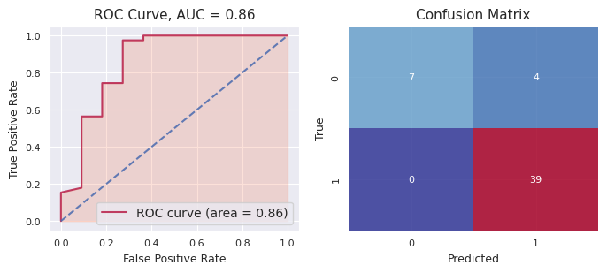
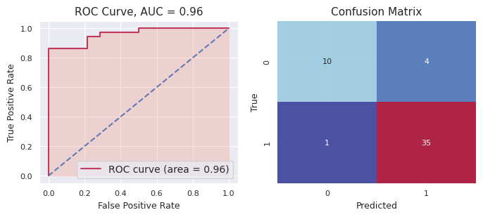
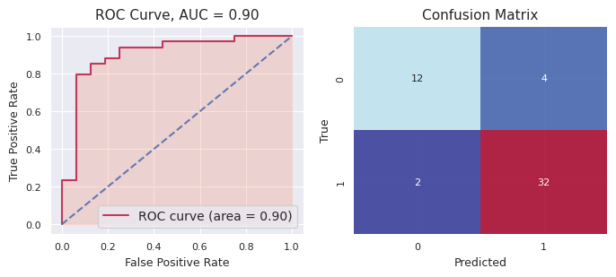
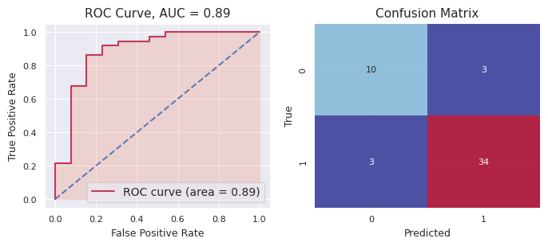
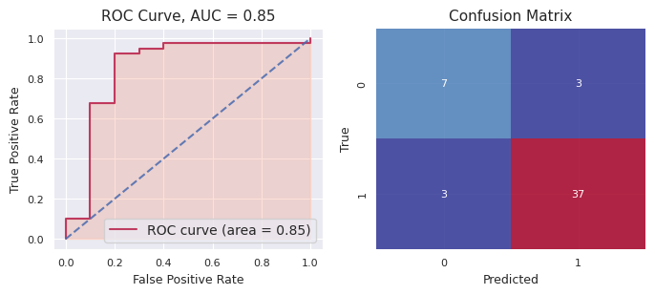
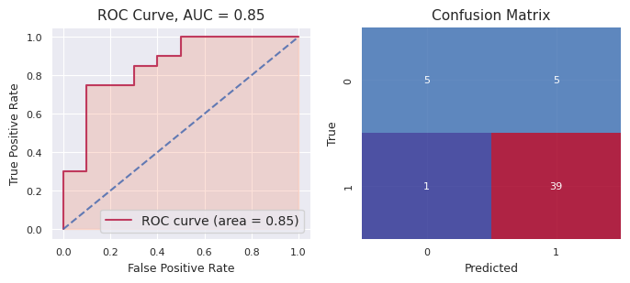
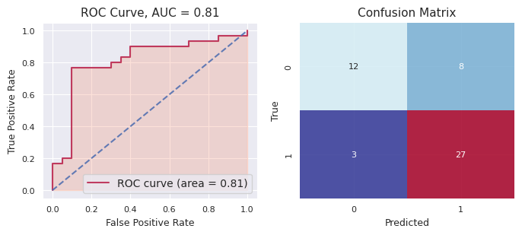
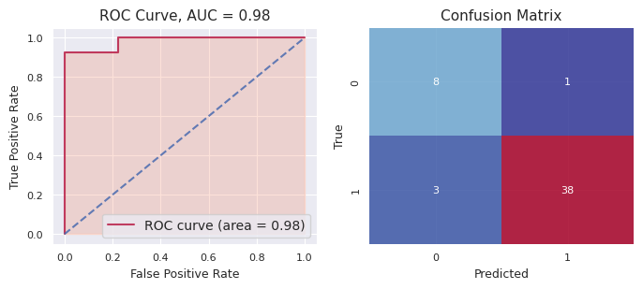
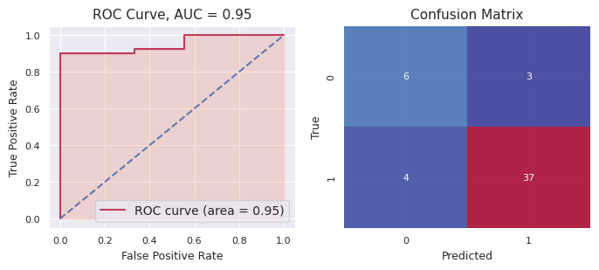
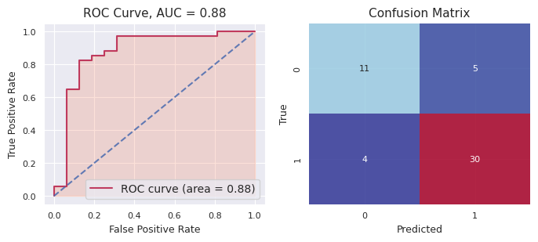

f-tve | Ensemble
 | Seed | Accuracy | Precision | Recall | F1 | AUC
 | 54321 | 0.9200 | 0.9070 | 1.0000 | 0.9512 | 0.8590
 | 4321 | 0.9000 | 0.8974 | 0.9722 | 0.9333 | 0.9603
 | 1234 | 0.8800 | 0.8889 | 0.9412 | 0.9143 | 0.9026
 | 1 | 0.8800 | 0.9189 | 0.9189 | 0.9189 | 0.8877
 | 123456 | 0.8800 | 0.9250 | 0.9250 | 0.9250 | 0.8500
 | 98765 | 0.8800 | 0.8864 | 0.9750 | 0.9286 | 0.8550
 | 56789 | 0.7800 | 0.7714 | 0.9000 | 0.8308 | 0.8083
 | 5 | 0.9200 | 0.9744 | 0.9268 | 0.9500 | 0.9837
 | 567890 | 0.8600 | 0.9250 | 0.9024 | 0.9136 | 0.9512
 | 9876 | 0.8200 | 0.8571 | 0.8824 | 0.8696 | 0.8768
 | MEAN | 0.8720 | 0.8952 | 0.9344 | 0.9135 | 0.8935
 | SD | 0.0412 | 0.0506 | 0.0357 | 0.0351 | 0.0531

 |  |  |  |  |  |  |  |  |  |  |  |  |  |  |  |  |  |  |  |  |  |  |  |  |  |  |  |  |  |  |  |  |  |  |  |  |  |  |  | Summary *(Ensemble - Average Voting on Probs)
 | ChemBERTa | ChemBERTa | LogReg | LogReg | SVC |  |  | SVC | RFC | RFC | GradboostC | GradboostC |  |  |  |  |  |  |  |  |  |  |  |  |  |  |  |  |  |  |  |  |  |  |  |  |  |  |  | f-tve data
 | predicted_labels | predicted_probs | predicted_labels | predicted_probs | predicted_labels |  |  | predicted_probs | predicted_labels | predicted_probs | predicted_labels | predicted_probs |  |  | true_labels | predicted_majority | predicted_prob |  | probs |  |  |  |  |  |  |  |  |  |  |  |  |  |  |  |  |  |  |  |  |  | index | Accuracy | Precision | Recall |  |  | F1 | AUC
f-tve: 54321 | 1 | 0.97957546 | 1 | 0.72904616 | 1 |  |  | 0.91469036 | 1 | 0.81270874 | 1 | 0.99844864 |  |  | 1 | 1 | 1 |  | 0.886893872 |  |  |  | Accuracy: 0.8095238095238095, Precision: 0.8888888888888888, Recall: 0.8888888888888888, F1: 0.8888888888888888, AUC: 0.5555555555555556 |  |  |  |  |  |  |  |  |  |  |  |  |  |  |  |  | 0 | 54321 | 0.810 | 0.889 | 0.889 |  |  | 0.889 | 0.556
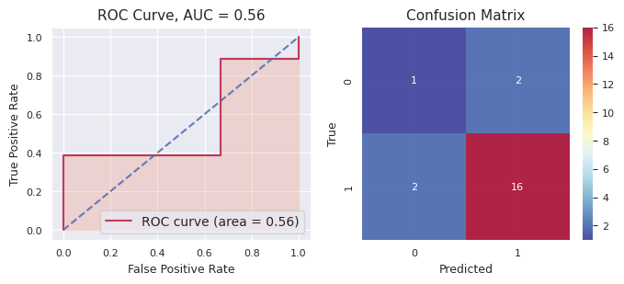
 | 1 | 0.972063 | 1 | 0.99292729 | 1 |  |  | 0.92998277 | 1 | 0.91442284 | 1 | 0.99999802 |  |  | 1 | 1 | 1 |  | 0.961878784 |  |  |  |  |  |  |  |  |  |  |  |  |  |  |  |  |  |  |  |  | 1 | 4321 | 0.905 | 0.867 | 1.000 |  |  | 0.929 | 1.000
 | 1 | 0.9782536 | 1 | 0.98978808 | 1 |  |  | 0.95601063 | 1 | 0.82116394 | 1 | 0.99996426 |  |  | 1 | 1 | 1 |  | 0.949036102 |  |  |  |  |  |  |  |  |  |  |  |  |  |  |  |  |  |  |  |  | 2 | 1234 | 0.810 | 0.813 | 0.929 |  |  | 0.867 | 0.949
 | 1 | 0.94745517 | 1 | 0.88988355 | 0 |  |  | 0.47425396 | 1 | 0.65352972 | 1 | 0.68222101 |  |  | 1 | 1 | 1 |  | 0.729468682 |  |  |  |  |  |  |  |  |  |  |  |  |  |  |  |  |  |  |  |  | 3 | 1 | 0.952 | 0.938 | 1.000 |  |  | 0.968 | 1.000
 | 0 | 0.4677764 | 1 | 0.99857332 | 1 |  |  | 0.80335157 | 1 | 0.86807135 | 1 | 0.99973742 |  |  | 1 | 1 | 1 |  | 0.827502012 |  |  |  |  |  |  |  |  |  |  |  |  |  |  |  |  |  |  |  |  | 4 | 123456 | 0.762 | 0.867 | 0.813 |  |  | 0.839 | 0.775
 | 1 | 0.96746874 | 1 | 0.98925335 | 1 |  |  | 0.90155407 | 1 | 0.72450328 | 1 | 0.96804428 |  |  | 1 | 1 | 1 |  | 0.910164744 |  |  |  |  |  |  |  |  |  |  |  |  |  |  |  |  |  |  |  |  | 5 | 98765 | 0.810 | 0.813 | 0.929 |  |  | 0.867 | 0.898
 | 1 | 0.9775833 | 1 | 0.92794843 | 1 |  |  | 0.89448225 | 1 | 0.8461268 | 1 | 0.99999256 |  |  | 0 | 1 | 1 |  | 0.929226668 |  |  |  |  |  |  |  |  |  |  |  |  |  |  |  |  |  |  |  |  | 6 | 56789 | 0.857 | 0.923 | 0.857 |  |  | 0.889 | 0.786
 | 1 | 0.98211974 | 1 | 0.84248914 | 1 |  |  | 0.98764679 | 1 | 0.76183132 | 1 | 0.99992984 |  |  | 1 | 1 | 1 |  | 0.914803366 |  |  |  |  |  |  |  |  |  |  |  |  |  |  |  |  |  |  |  |  | 7 | 5 | 0.810 | 0.882 | 0.882 |  |  | 0.882 | 0.941
 | 1 | 0.9790941 | 1 | 0.88366586 | 1 |  |  | 0.91107774 | 1 | 0.93042015 | 1 | 1 |  |  | 0 | 1 | 1 |  | 0.94085157 |  |  |  |  |  |  |  |  |  |  |  |  |  |  |  |  |  |  |  |  | 8 | 567890 | 0.905 | 0.941 | 0.941 |  |  | 0.941 | 0.971
 | 1 | 0.9796078 | 1 | 0.97115226 | 1 |  |  | 0.96921626 | 1 | 0.84884611 | 1 | 0.99993646 |  |  | 1 | 1 | 1 |  | 0.953751778 |  |  |  |  |  |  |  |  |  |  |  |  |  |  |  |  |  |  |  |  | 9 | 9876 | 0.762 | 0.769 | 0.833 |  |  | 0.800 | 0.815
 | 1 | 0.9747532 | 1 | 0.99806528 | 1 |  |  | 0.95076466 | 1 | 0.85003618 | 1 | 0.99995141 |  |  | 1 | 1 | 1 |  | 0.954714146 |  |  |  |  |  |  |  |  |  |  |  |  |  |  |  |  |  |  |  |  |  | mean | 0.838 | 0.870 | 0.907 |  |  | 0.887 | 0.869
 | 0 | 0.04133274 | 1 | 0.99991393 | 1 |  |  | 0.99999623 | 1 | 0.54060917 | 1 | 0.99998701 |  |  | 1 | 1 | 1 |  | 0.716367816 |  |  |  |  |  |  |  |  |  |  |  |  |  |  |  |  |  |  |  |  |  | sd | 0.061 | 0.055 | 0.061 |  |  | 0.047 | 0.132
 | 1 | 0.940206 | 1 | 0.99533743 | 1 |  |  | 0.96055925 | 1 | 0.84044573 | 1 | 0.99999999 |  |  | 1 | 1 | 1 |  | 0.94730968
 | 1 | 0.97706795 | 1 | 0.99759766 | 1 |  |  | 0.95368009 | 1 | 0.91725656 | 1 | 0.99999995 |  |  | 1 | 1 | 1 |  | 0.969120442 |  |  |  |  |  |  |  |  |  |  |  |  |  |  |  |  |  |  |  |  | f-mth data
 | 1 | 0.74783504 | 1 | 0.72537412 | 1 |  |  | 0.94256513 | 1 | 0.80291543 | 1 | 0.99996902 |  |  | 1 | 1 | 1 |  | 0.843731748 |  |  |  |  |  |  |  |  |  |  |  |  |  |  |  |  |  |  |  |  |  | index | Accuracy | Precision | Recall |  |  | F1 | AUC
 | 1 | 0.98214334 | 1 | 0.73705284 | 1 |  |  | 0.95544415 | 1 | 0.62404945 | 1 | 0.99994269 |  |  | 1 | 1 | 1 |  | 0.859726494 |  |  |  |  |  |  |  |  |  |  |  |  |  |  |  |  |  |  |  |  | 0 | 4321 | 0.816 | 0.833 | 0.789 |  |  | 0.811 | 0.917
 | 1 | 0.98091584 | 1 | 0.99813567 | 1 |  |  | 0.99146497 | 1 | 0.88368517 | 1 | 0.99999922 |  |  | 1 | 1 | 1 |  | 0.970840174 |  |  |  |  |  |  |  |  |  |  |  |  |  |  |  |  |  |  |  |  | 1 | 321 | 0.684 | 0.750 | 0.682 |  |  | 0.714 | 0.736
 | 1 | 0.76817656 | 0 | 0.06869069 | 0 |  |  | 0.35137114 | 1 | 0.57566754 | 0 | 0.41820536 |  |  | 1 | 0 | 0 |  | 0.436422258 |  |  |  |  |  |  |  |  |  |  |  |  |  |  |  |  |  |  |  |  | 2 | 123 | 0.684 | 0.692 | 0.818 |  |  | 0.750 | 0.781
 | 0 | 0.42252097 | 0 | 0.00807416 | 1 |  |  | 0.85157756 | 1 | 0.68469535 | 0 | 0.41527566 |  |  | 0 | 0 | 0 |  | 0.47642874 |  |  |  |  |  |  |  |  |  |  |  |  |  |  |  |  |  |  |  |  | 3 | 2 | 0.711 | 0.800 | 0.696 |  |  | 0.744 | 0.812
 | 0 | 0.38142955 | 0 | 0.0734326 | 0 |  |  | 0.17223298 | 1 | 0.59788532 | 1 | 0.99981142 |  |  | 1 | 0 | 0 |  | 0.444958374 |  |  |  |  |  |  |  |  |  |  |  |  |  |  |  |  |  |  |  |  | 4 | 12345 | 0.842 | 0.809 | 0.895 |  |  | 0.850 | 0.917
 | 1 | 0.9811156 | 1 | 0.94461718 | 1 |  |  | 0.95667224 | 1 | 0.73388174 | 1 | 0.99998839 |  |  | 1 | 1 | 1 |  | 0.92325503 |  |  |  |  |  |  |  |  |  |  |  |  |  |  |  |  |  |  |  |  | 5 | 9876 | 0.763 | 0.724 | 0.955 |  |  | 0.824 | 0.781
 |  |  |  |  |  |  |  |  |  |  |  |  |  |  |  |  |  |  |  |  |  |  |  |  |  |  |  |  |  |  |  |  |  |  |  |  |  |  |  | 6 | 5678 | 0.737 | 0.652 | 0.882 |  |  | 0.750 | 0.852
 |  |  |  |  |  |  |  |  |  |  |  |  |  |  |  |  |  |  |  |  |  |  |  |  |  |  |  |  |  |  |  |  |  |  |  |  |  |  |  | 7 | 6 | 0.789 | 0.750 | 0.833 |  |  | 0.789 | 0.872
f-tve: 4321 | 1 | 0.90908027 | 1 | 0.9999899 | 1 |  |  | 0.98471657 | 1 | 0.94354925 | 1 | 1 |  |  | 1 | 1 | 1 |  | 0.967467198 |  |  |  | Accuracy: 0.9047619047619048, Precision: 0.8666666666666667, Recall: 1.0, F1: 0.9285714285714286, AUC: 1.0 |  |  |  |  |  |  |  |  |  |  |  |  |  |  |  |  | 8 | 67890 | 0.816 | 0.800 | 0.842 |  |  | 0.821 | 0.889
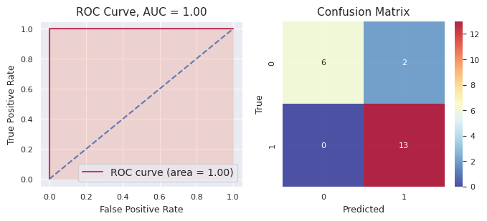
 | 1 | 0.9471258 | 1 | 0.54004206 | 1 |  |  | 0.96947761 | 1 | 0.81580463 | 1 | 0.999999898 |  |  | 1 | 1 | 1 |  | 0.8544899996 |  |  |  |  |  |  |  |  |  |  |  |  |  |  |  |  |  |  |  |  | 9 | 876 | 0.763 | 0.750 | 0.789 |  |  | 0.769 | 0.839
 | 0 | 0.08846265 | 1 | 0.55021405 | 0 |  |  | 0.29574067 | 1 | 0.65359979 | 0 | 1.64597466E-06 |  |  | 0 | 0 | 0 |  | 0.31760376119 |  |  |  |  |  |  |  |  |  |  |  |  |  |  |  |  |  |  |  |  |  | mean | 0.760 | 0.756 | 0.818 |  |  | 0.782 | 0.840
 | 0 | 0.06077705 | 0 | 0.0294208 | 0 |  |  | 0.09127087 | 0 | 0.19557967 | 0 | 2.85764178E-07 |  |  | 0 | 0 | 0 |  | 0.075409735153 |  |  |  |  |  |  |  |  |  |  |  |  |  |  |  |  |  |  |  |  |  | sd | 0.053 | 0.054 | 0.080 |  |  | 0.041 | 0.058
 | 1 | 0.9434977 | 1 | 0.99981759 | 1 |  |  | 0.99100474 | 1 | 0.72682502 | 1 | 1 |  |  | 1 | 1 | 1 |  | 0.93222901
 | 1 | 0.9750292 | 1 | 0.98994138 | 1 |  |  | 0.97133434 | 1 | 0.82195565 | 1 | 0.99999873 |  |  | 1 | 1 | 1 |  | 0.95165186 |  |  |  |  |  |  |  |  |  |  |  |  |  |  |  |  |  |  |  |  | bpu-lac data
 | 0 | 0.24818023 | 1 | 0.92295233 | 1 |  |  | 0.89000302 | 1 | 0.64146715 | 1 | 0.999999696 |  |  | 1 | 1 | 1 |  | 0.7405204852 |  |  |  |  |  |  |  |  |  |  |  |  |  |  |  |  |  |  |  |  |  | index | Accuracy | Precision | Recall |  |  | F1 | AUC
 | 1 | 0.9448667 | 1 | 0.97418644 | 1 |  |  | 0.91956998 | 1 | 0.78886364 | 1 | 0.999999822 |  |  | 1 | 1 | 1 |  | 0.9254973164 |  |  |  |  |  |  |  |  |  |  |  |  |  |  |  |  |  |  |  |  | 0 | 321 | 0.853 | 0.900 | 0.857 |  |  | 0.878 | 0.908
 | 1 | 0.9556599 | 1 | 0.99985003 | 1 |  |  | 0.98832276 | 1 | 0.81252799 | 1 | 1 |  |  | 1 | 1 | 1 |  | 0.951272136 |  |  |  |  |  |  |  |  |  |  |  |  |  |  |  |  |  |  |  |  | 1 | 21 | 0.735 | 0.824 | 0.700 |  |  | 0.757 | 0.796
 | 1 | 0.9574432 | 1 | 0.99994679 | 1 |  |  | 0.97335802 | 1 | 0.89339579 | 1 | 1 |  |  | 1 | 1 | 1 |  | 0.96482876 |  |  |  |  |  |  |  |  |  |  |  |  |  |  |  |  |  |  |  |  | 2 | 12 | 0.735 | 0.737 | 0.778 |  |  | 0.757 | 0.844
 | 0 | 0.09405781 | 0 | 0.30154886 | 0 |  |  | 0.17264472 | 0 | 0.09543555 | 0 | 2.48482346E-07 |  |  | 0 | 0 | 0 |  | 0.1327374377 |  |  |  |  |  |  |  |  |  |  |  |  |  |  |  |  |  |  |  |  | 3 | 3 | 0.765 | 0.875 | 0.700 |  |  | 0.778 | 0.900
 | 1 | 0.9557155 | 1 | 0.93282316 | 1 |  |  | 0.90698634 | 1 | 0.9157975 | 1 | 0.999999986 |  |  | 1 | 1 | 1 |  | 0.9422644972 |  |  |  |  |  |  |  |  |  |  |  |  |  |  |  |  |  |  |  |  | 4 | 1234 | 0.941 | 0.875 | 1.000 |  |  | 0.933 | 0.957
 | 1 | 0.9472348 | 1 | 0.99913191 | 1 |  |  | 0.98223918 | 1 | 0.85926471 | 1 | 0.999999998 |  |  | 1 | 1 | 1 |  | 0.9575741196 |  |  |  |  |  |  |  |  |  |  |  |  |  |  |  |  |  |  |  |  | 5 | 987 | 0.735 | 0.688 | 0.733 |  |  | 0.710 | 0.786
 | 1 | 0.9634889 | 1 | 0.95958486 | 1 |  |  | 0.97038425 | 1 | 0.82364913 | 1 | 0.999999893 |  |  | 1 | 1 | 1 |  | 0.9434214066 |  |  |  |  |  |  |  |  |  |  |  |  |  |  |  |  |  |  |  |  | 6 | 567 | 0.794 | 0.810 | 0.850 |  |  | 0.829 | 0.857
 | 0 | 0.03347955 | 0 | 0.02456 | 0 |  |  | 0.23022514 | 0 | 0.27974202 | 0 | 1.1873471E-08 |  |  | 0 | 0 | 0 |  | 0.11360134437 |  |  |  |  |  |  |  |  |  |  |  |  |  |  |  |  |  |  |  |  | 7 | 7 | 0.824 | 0.842 | 0.842 |  |  | 0.842 | 0.849
 | 1 | 0.902971 | 1 | 0.55611369 | 1 |  |  | 0.82519697 | 1 | 0.57137155 | 1 | 0.999993565 |  |  | 1 | 1 | 1 |  | 0.771129355 |  |  |  |  |  |  |  |  |  |  |  |  |  |  |  |  |  |  |  |  | 8 | 7890 | 0.647 | 0.579 | 0.733 |  |  | 0.647 | 0.695
 | 1 | 0.81178176 | 0 | 0.02661953 | 1 |  |  | 0.58449495 | 1 | 0.73629872 | 1 | 0.998001203 |  |  | 0 | 1 | 1 |  | 0.6314392326 |  |  |  |  |  |  |  |  |  |  |  |  |  |  |  |  |  |  |  |  | 9 | 76 | 0.765 | 0.765 | 0.765 |  |  | 0.765 | 0.813
 | 0 | 0.02916726 | 0 | 0.00862427 | 0 |  |  | 0.03770325 | 0 | 0.10949865 | 0 | 2.54713829E-10 |  |  | 0 | 0 | 0 |  | 0.036998686051 |  |  |  |  |  |  |  |  |  |  |  |  |  |  |  |  |  |  |  |  |  | mean | 0.779 | 0.789 | 0.796 |  |  | 0.789 | 0.841
 | 0 | 0.08321002 | 0 | 0.09918805 | 0 |  |  | 0.01838096 | 0 | 0.15515191 | 0 | 2.01792875E-09 |  |  | 0 | 0 | 0 |  | 0.071186188404 |  |  |  |  |  |  |  |  |  |  |  |  |  |  |  |  |  |  |  |  |  | sd | 0.076 | 0.094 | 0.088 |  |  | 0.079 | 0.070
 | 1 | 0.8937718 | 1 | 0.66139384 | 1 |  |  | 0.85265926 | 0 | 0.42208311 | 0 | 2.29411833E-06 |  |  | 0 | 1 | 1 |  | 0.56598206082
 | 1 | 0.9514093 | 1 | 0.98129953 | 1 |  |  | 0.95020292 | 1 | 0.83217939 | 1 | 0.99999977 |  |  | 1 | 1 | 1 |  | 0.943018182

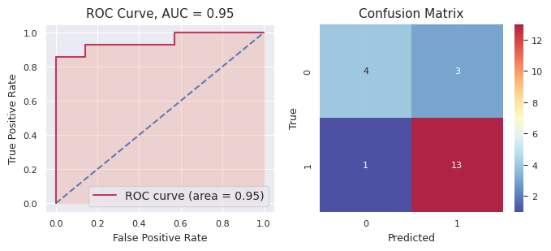
f-tve: 1234 | 1 | 0.97894466 | 1 | 0.8827041 | 1 |  |  | 0.99195505 | 1 | 0.89816018 | 1 | 0.999723367 |  |  | 1 | 1 | 1 |  | 0.9502974714 |  |  |  | Accuracy: 0.8095238095238095, Precision: 0.8125, Recall: 0.9285714285714286, F1: 0.8666666666666667, AUC: 0.9489795918367347
 | 1 | 0.9799855 | 1 | 0.99738202 | 1 |  |  | 0.99453459 | 1 | 0.87442793 | 1 | 0.999877869 |  |  | 1 | 1 | 1 |  | 0.9692415818
 | 1 | 0.97092146 | 1 | 0.9998723 | 1 |  |  | 0.98756036 | 1 | 0.90282733 | 1 | 0.99999673 |  |  | 1 | 1 | 1 |  | 0.972235636
 | 1 | 0.9360446 | 0 | 0.30211574 | 1 |  |  | 0.96890231 | 1 | 0.81748673 | 1 | 0.975314319 |  |  | 1 | 1 | 1 |  | 0.7999727398
 | 0 | 0.02367595 | 0 | 0.02043435 | 0 |  |  | 0.38044222 | 0 | 0.43452353 | 0 | 0.447228763 |  |  | 0 | 0 | 0 |  | 0.2612609626
 | 1 | 0.95350736 | 1 | 0.69511739 | 1 |  |  | 0.85470219 | 1 | 0.6005354 | 1 | 0.986091729 |  |  | 1 | 1 | 1 |  | 0.8179908138
 | 1 | 0.90422416 | 0 | 0.12885356 | 0 |  |  | 0.16037469 | 0 | 0.49096407 | 0 | 0.31365971 |  |  | 0 | 0 | 0 |  | 0.399615238
 | 1 | 0.77859706 | 1 | 0.94712343 | 1 |  |  | 0.97483388 | 1 | 0.70709161 | 1 | 0.99909273 |  |  | 1 | 1 | 1 |  | 0.881347742
 | 1 | 0.9740844 | 1 | 0.58674141 | 1 |  |  | 0.76319286 | 0 | 0.44952149 | 0 | 0.00731796021 |  |  | 0 | 1 | 1 |  | 0.55617162404
 | 0 | 0.02178002 | 0 | 0.00933372 | 0 |  |  | 0.12347963 | 0 | 0.27178774 | 0 | 7.16316633E-05 |  |  | 0 | 0 | 0 |  | 0.085290548333
 | 1 | 0.98070633 | 1 | 0.97127356 | 1 |  |  | 0.8829057 | 1 | 0.62449785 | 1 | 0.985744152 |  |  | 1 | 1 | 1 |  | 0.8890255184
 | 1 | 0.9785216 | 1 | 0.75528024 | 0 |  |  | 0.11744336 | 1 | 0.81150395 | 1 | 0.96252309 |  |  | 0 | 1 | 1 |  | 0.725054448
 | 1 | 0.9789453 | 1 | 0.99032323 | 1 |  |  | 0.99321074 | 1 | 0.85437703 | 1 | 0.999285076 |  |  | 1 | 1 | 1 |  | 0.9632282752
 | 1 | 0.9815648 | 1 | 0.93683937 | 1 |  |  | 0.98696176 | 1 | 0.70818718 | 1 | 0.999092295 |  |  | 1 | 1 | 1 |  | 0.922529081
 | 1 | 0.9797769 | 1 | 0.86942997 | 1 |  |  | 0.97379755 | 1 | 0.81480087 | 1 | 0.994508203 |  |  | 1 | 1 | 1 |  | 0.9264626986
 | 1 | 0.7321168 | 0 | 0.07658831 | 0 |  |  | 0.41591639 | 0 | 0.4126305 | 0 | 0.00410740403 |  |  | 1 | 0 | 0 |  | 0.32827188081
 | 1 | 0.9807475 | 1 | 0.75458969 | 1 |  |  | 0.9626329 | 1 | 0.57033112 | 0 | 0.0663063946 |  |  | 1 | 1 | 1 |  | 0.66692152092
 | 1 | 0.96588147 | 1 | 0.99999714 | 1 |  |  | 0.99191447 | 1 | 0.82181551 | 1 | 0.994314253 |  |  | 1 | 1 | 1 |  | 0.9547845686
 | 1 | 0.97009796 | 1 | 0.76979462 | 1 |  |  | 0.55467666 | 1 | 0.6525753 | 0 | 0.0571853074 |  |  | 0 | 1 | 1 |  | 0.60086596948
 | 1 | 0.9776799 | 1 | 0.99027472 | 1 |  |  | 0.97977132 | 1 | 0.83330635 | 1 | 0.99787235 |  |  | 1 | 1 | 1 |  | 0.955780928
 | 0 | 0.02271279 | 0 | 0.03360321 | 0 |  |  | 0.5 | 0 | 0.31319601 | 0 | 0.0399042905 |  |  | 0 | 0 | 0 |  | 0.1818832601

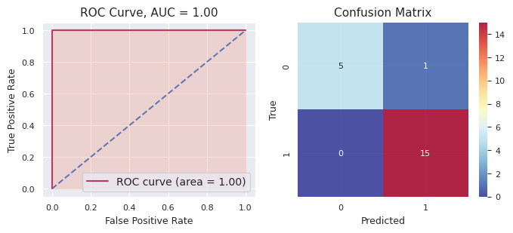
f-tve: 1 | 0 | 0.1693051 | 1 | 0.98068683 | 1 |  |  | 0.66314142 | 1 | 0.88585742 | 1 | 0.999934148 |  |  | 1 | 1 | 1 |  | 0.7397849836 |  |  |  | Accuracy: 0.9523809523809523, Precision: 0.9375, Recall: 1.0, F1: 0.967741935483871, AUC: 1.0
 | 1 | 0.98446184 | 0 | 0.40719991 | 1 |  |  | 0.86751931 | 1 | 0.79306946 | 1 | 0.991872134 |  |  | 1 | 1 | 1 |  | 0.8088245308
 | 1 | 0.98824084 | 1 | 0.91595502 | 1 |  |  | 0.9759259 | 1 | 0.89968913 | 1 | 0.999925261 |  |  | 1 | 1 | 1 |  | 0.9559472302
 | 1 | 0.876349 | 1 | 0.94420464 | 1 |  |  | 0.98538958 | 1 | 0.67091218 | 1 | 0.99971717 |  |  | 1 | 1 | 1 |  | 0.895314514
 | 1 | 0.9834833 | 1 | 0.99053619 | 1 |  |  | 0.99586985 | 1 | 0.8631808 | 1 | 0.999484354 |  |  | 1 | 1 | 1 |  | 0.9665108988
 | 1 | 0.98270494 | 1 | 0.95497766 | 1 |  |  | 0.83631557 | 1 | 0.72085283 | 1 | 0.998881065 |  |  | 1 | 1 | 1 |  | 0.898746413
 | 1 | 0.89916253 | 0 | 0.10557995 | 0 |  |  | 0.27647651 | 0 | 0.3786341 | 0 | 0.204931302 |  |  | 0 | 0 | 0 |  | 0.3729568784
 | 1 | 0.9879112 | 1 | 0.86950622 | 1 |  |  | 0.96420275 | 1 | 0.86811934 | 1 | 0.999948926 |  |  | 1 | 1 | 1 |  | 0.9379376872
 | 0 | 0.3232575 | 0 | 0.21301265 | 0 |  |  | 0.063434 | 1 | 0.52226102 | 0 | 8.33680691E-05 |  |  | 0 | 0 | 0 |  | 0.22440970761
 | 1 | 0.9799517 | 1 | 0.82071864 | 1 |  |  | 0.95831033 | 1 | 0.90146258 | 1 | 0.999302722 |  |  | 1 | 1 | 1 |  | 0.9319491944
 | 1 | 0.97194463 | 1 | 0.87390415 | 1 |  |  | 0.85712749 | 1 | 0.76341328 | 1 | 0.942013608 |  |  | 1 | 1 | 1 |  | 0.8816806316
 | 1 | 0.9243252 | 1 | 0.95420064 | 1 |  |  | 0.99493501 | 1 | 0.73038262 | 1 | 0.992988638 |  |  | 1 | 1 | 1 |  | 0.9193664216
 | 1 | 0.84145045 | 0 | 0.0946935 | 1 |  |  | 0.94308608 | 1 | 0.54163389 | 0 | 0.203302079 |  |  | 0 | 1 | 1 |  | 0.5248331998
 | 0 | 0.14658587 | 1 | 0.98606974 | 1 |  |  | 0.79697848 | 1 | 0.80988955 | 1 | 0.999155096 |  |  | 1 | 1 | 1 |  | 0.7477357472
 | 1 | 0.9850787 | 1 | 0.98392882 | 1 |  |  | 0.99522739 | 1 | 0.84361546 | 1 | 0.999994096 |  |  | 1 | 1 | 1 |  | 0.9615688932
 | 0 | 0.05124637 | 0 | 0.21118112 | 0 |  |  | 0.05950337 | 1 | 0.52526607 | 0 | 0.000243891968 |  |  | 0 | 0 | 0 |  | 0.16948816439
 | 0 | 0.06484798 | 1 | 0.96439736 | 1 |  |  | 0.9503973 | 1 | 0.71264317 | 1 | 0.994384105 |  |  | 1 | 1 | 1 |  | 0.737333983
 | 1 | 0.9844929 | 1 | 0.6990074 | 1 |  |  | 0.97279424 | 1 | 0.78148487 | 1 | 0.999452522 |  |  | 1 | 1 | 1 |  | 0.8874463864
 | 1 | 0.98472047 | 1 | 0.97865489 | 1 |  |  | 0.93372323 | 1 | 0.7995427 | 1 | 0.999995119 |  |  | 1 | 1 | 1 |  | 0.9393272818
 | 0 | 0.02133672 | 0 | 0.10408196 | 0 |  |  | 0.00839614 | 0 | 0.23561148 | 0 | 4.93410663E-05 |  |  | 0 | 0 | 0 |  | 0.073895128213
 | 0 | 0.0118056 | 0 | 0.02155282 | 0 |  |  | 0.06808233 | 0 | 0.28426388 | 0 | 4.9808798E-06 |  |  | 0 | 0 | 0 |  | 0.077141922176

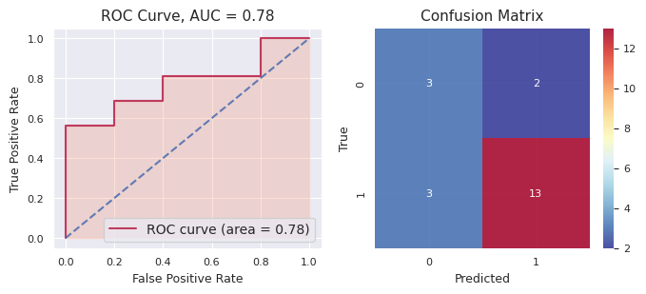
f-tve: 123456 | 1 | 0.894375 | 1 | 0.98593169 | 1 |  |  | 0.99511298 | 1 | 0.87166241 | 1 | 0.99959967 |  |  | 1 | 1 | 1 |  | 0.94933635 |  |  |  |  | Accuracy: 0.7619047619047619, Precision: 0.8666666666666667, Recall: 0.8125, F1: 0.8387096774193549, AUC: 0.775
 | 1 | 0.8858559 | 1 | 0.58783515 | 1 |  |  | 0.99105723 | 1 | 0.60433229 | 1 | 0.99962365 |  |  | 1 | 1 | 1 |  | 0.813740844
 | 1 | 0.548442 | 1 | 0.98503196 | 1 |  |  | 0.9999884 | 1 | 0.82527748 | 1 | 0.99791523 |  |  | 1 | 1 | 1 |  | 0.871331014
 | 0 | 0.02772025 | 0 | 0.14715739 | 0 |  |  | 0.05061485 | 0 | 0.12723672 | 0 | 0.00849699 |  |  | 0 | 0 | 0 |  | 0.07224524
 | 0 | 0.46364662 | 0 | 0.43212015 | 1 |  |  | 0.81963767 | 1 | 0.58621609 | 0 | 0.34947957 |  |  | 1 | 0 | 1 |  | 0.53022002
 | 0 | 0.03506561 | 0 | 0.20422772 | 0 |  |  | 0.01448708 | 0 | 0.42892304 | 0 | 0.00590161 |  |  | 0 | 0 | 0 |  | 0.137721012
 | 0 | 0.05688409 | 0 | 0.07716594 | 0 |  |  | 0.06090626 | 0 | 0.20603102 | 0 | 0.03518357 |  |  | 1 | 0 | 0 |  | 0.087234176
 | 1 | 0.9520081 | 1 | 0.87812811 | 1 |  |  | 0.81470021 | 0 | 0.46461646 | 1 | 0.98104662 |  |  | 1 | 1 | 1 |  | 0.8180999
 | 0 | 0.05791134 | 0 | 0.05585036 | 0 |  |  | 0.0114595 | 0 | 0.22595013 | 0 | 0.01420579 |  |  | 1 | 0 | 0 |  | 0.073075424
 | 1 | 0.5806305 | 1 | 0.703388 | 1 |  |  | 0.74195653 | 1 | 0.58666208 | 1 | 0.96025225 |  |  | 0 | 1 | 1 |  | 0.714577872
 | 0 | 0.12363589 | 0 | 0.07943398 | 0 |  |  | 0.04195004 | 0 | 0.28658779 | 0 | 0.0150691 |  |  | 1 | 0 | 0 |  | 0.10933536
 | 0 | 0.37987164 | 1 | 0.95149589 | 1 |  |  | 0.99409724 | 1 | 0.66637438 | 1 | 0.99941821 |  |  | 1 | 1 | 1 |  | 0.798251472
 | 0 | 0.0624778 | 0 | 0.16993439 | 1 |  |  | 0.55121988 | 0 | 0.43344272 | 1 | 0.82890147 |  |  | 0 | 0 | 0 |  | 0.409195252
 | 0 | 0.1779439 | 1 | 0.9100239 | 1 |  |  | 0.84972723 | 0 | 0.40830408 | 1 | 0.91523432 |  |  | 1 | 1 | 1 |  | 0.652246686
 | 1 | 0.9230911 | 1 | 0.99998569 | 1 |  |  | 0.99705048 | 1 | 0.95817422 | 1 | 0.99945464 |  |  | 1 | 1 | 1 |  | 0.975551226
 | 1 | 0.9517749 | 1 | 0.88460665 | 1 |  |  | 0.99183366 | 1 | 0.61285664 | 1 | 0.99331203 |  |  | 1 | 1 | 1 |  | 0.886876776
 | 1 | 0.9607751 | 1 | 0.9522787 | 1 |  |  | 0.99675863 | 1 | 0.67509625 | 1 | 0.99627676 |  |  | 1 | 1 | 1 |  | 0.916237088
 | 1 | 0.93218976 | 1 | 0.98094864 | 1 |  |  | 0.98992465 | 1 | 0.78861429 | 1 | 0.99933883 |  |  | 1 | 1 | 1 |  | 0.938203234
 | 1 | 0.60683274 | 1 | 0.54867938 | 1 |  |  | 0.99998118 | 1 | 0.72638643 | 1 | 0.95207732 |  |  | 1 | 1 | 1 |  | 0.76679141
 | 1 | 0.9491476 | 1 | 0.99993873 | 1 |  |  | 0.99999532 | 1 | 0.95469997 | 1 | 0.99946488 |  |  | 1 | 1 | 1 |  | 0.9806493
 | 1 | 0.9635009 | 0 | 0.43171757 | 1 |  |  | 0.96359525 | 1 | 0.6983178 | 1 | 0.98068654 |  |  | 0 | 1 | 1 |  | 0.807563612


f-tve: 98765 | 0 | 0.19311912 | 1 | 0.96198376 | 1 |  |  | 0.95258147 | 1 | 0.79941734 | 1 | 1.00E+00 |  |  | 1 | 1 | 1 |  | 0.7814148754 |  |  |  |  | Accuracy: 0.8095238095238095, Precision: 0.8125, Recall: 0.9285714285714286, F1: 0.8666666666666667, AUC: 0.8979591836734694
 | 0 | 0.16112205 | 0 | 0.07991209 | 0 |  |  | 0.21069067 | 0 | 0.40623602 | 0 | 1.17E-04 |  |  | 0 | 0 | 0 |  | 0.17161562909
 | 1 | 0.95771724 | 0 | 0.01523536 | 0 |  |  | 0.09391137 | 0 | 0.40550442 | 0 | 3.75E-05 |  |  | 0 | 0 | 0 |  | 0.29448118277
 | 1 | 0.94256616 | 1 | 0.62020738 | 1 |  |  | 0.97039099 | 1 | 0.62913365 | 1 | 1.00E+00 |  |  | 1 | 1 | 1 |  | 0.8323646614
 | 1 | 0.6011356 | 0 | 0.27601726 | 0 |  |  | 0.07120275 | 0 | 0.36743232 | 0 | 1.10E-04 |  |  | 1 | 0 | 0 |  | 0.26317966581
 | 1 | 0.92170787 | 1 | 0.99986955 | 1 |  |  | 0.9726081 | 1 | 0.88788781 | 1 | 1.00E+00 |  |  | 1 | 1 | 1 |  | 0.9564143622 |  |  |  |  |  |  |  |  |  |  |  |  |  |  |  |  |  |  |  |  |  |  |  |  | Accuracy: 0.8823529411764706, Precision: 0.8181818181818182, Recall: 1.0, F1: 0.9, AUC: 0.9444444444444444
 | 0 | 0.04097386 | 0 | 0.47298147 | 0 |  |  | 0.32997748 | 0 | 0.27176212 | 0 | 4.58E-04 |  |  | 0 | 0 | 0 |  | 0.22323053938 |  |  |  |  |  |  |  |  |  |  |  |  |  |  |  |  |  |  |  |  |  |  |  |  | Accuracy: 0.8235294117647058, Precision: 0.8571428571428571, Recall: 0.9230769230769231, F1: 0.8888888888888888, AUC: 0.8076923076923077
 | 0 | 0.02129482 | 0 | 0.04265662 | 0 |  |  | 0.08284197 | 0 | 0.1506085 | 0 | 4.11E-06 |  |  | 0 | 0 | 0 |  | 0.05948120495
 | 0 | 0.06009799 | 1 | 0.73109508 | 1 |  |  | 0.957364 | 1 | 0.57700383 | 1 | 1.00E+00 |  |  | 0 | 1 | 1 |  | 0.6650530134
 | 1 | 0.9732397 | 1 | 0.64966459 | 1 |  |  | 0.90005381 | 1 | 0.70032035 | 1 | 1.00E+00 |  |  | 1 | 1 | 1 |  | 0.8445918648
 | 1 | 0.94824696 | 1 | 0.99919134 | 1 |  |  | 0.9789978 | 1 | 0.8501471 | 1 | 9.75E-01 |  |  | 1 | 1 | 1 |  | 0.9503365272
 | 1 | 0.97862464 | 1 | 0.65076325 | 1 |  |  | 0.88402673 | 1 | 0.66918451 | 1 | 1.00E+00 |  |  | 1 | 1 | 1 |  | 0.8364431434
 | 1 | 0.97806007 | 1 | 0.97960011 | 1 |  |  | 0.988824 | 1 | 0.74125948 | 1 | 9.65E-01 |  |  | 1 | 1 | 1 |  | 0.9305905864
 | 1 | 0.96509206 | 1 | 0.88257973 | 1 |  |  | 0.95611887 | 1 | 0.64439526 | 1 | 1.00E+00 |  |  | 1 | 1 | 1 |  | 0.8896301426
 | 1 | 0.97769713 | 1 | 0.99387615 | 1 |  |  | 0.97707452 | 1 | 0.64085368 | 1 | 1.00E+00 |  |  | 1 | 1 | 1 |  | 0.917843365
 | 1 | 0.8677677 | 1 | 0.99222153 | 1 |  |  | 0.9864411 | 1 | 0.92737725 | 1 | 1.00E+00 |  |  | 1 | 1 | 1 |  | 0.9547601578
 | 1 | 0.77932405 | 1 | 0.94663235 | 1 |  |  | 0.9680152 | 1 | 0.92003309 | 1 | 1.00E+00 |  |  | 0 | 1 | 1 |  | 0.9228003848
 | 1 | 0.96286863 | 1 | 0.99997359 | 1 |  |  | 0.97545555 | 1 | 0.79004303 | 1 | 1.00E+00 |  |  | 1 | 1 | 1 |  | 0.945668152
 | 1 | 0.9691133 | 1 | 0.95146727 | 1 |  |  | 0.9770466 | 1 | 0.76554115 | 1 | 1.00E+00 |  |  | 1 | 1 | 1 |  | 0.9326210126
 | 1 | 0.9261011 | 1 | 0.99986955 | 1 |  |  | 0.9726081 | 1 | 0.88788781 | 1 | 1.00E+00 |  |  | 1 | 1 | 1 |  | 0.9572930082
 | 1 | 0.9566037 | 1 | 0.63201112 | 0 |  |  | 0.43763205 | 0 | 0.4444441 | 1 | 1.00E+00 |  |  | 0 | 1 | 1 |  | 0.6941267568

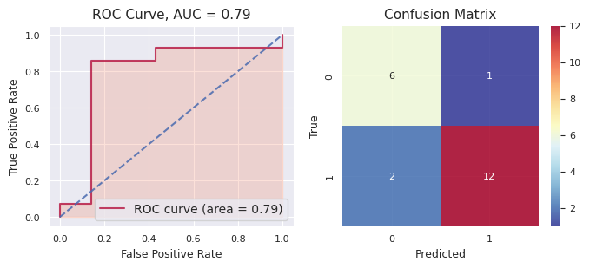
f-tve: 56789 | 0 | 0.03874823 | 0 | 2.70E-01 | 1 |  |  | 6.08E-01 | 1 | 0.86195739 | 1 | 0.92228739 |  |  | 1 | 1 | 1 |  | 0.5401654806 |  |  |  |  | Accuracy: 0.8571428571428571, Precision: 0.9230769230769231, Recall: 0.8571428571428571, F1: 0.8888888888888888, AUC: 0.7857142857142857
 | 1 | 0.9781781 | 1 | 1.00E+00 | 1 |  |  | 1.00E+00 | 1 | 0.9758933 | 1 | 0.98792405 |  |  | 1 | 1 | 1 |  | 0.9883990702
 | 1 | 0.690705 | 0 | 6.76E-02 | 0 |  |  | 4.24E-02 | 0 | 0.31482037 | 0 | 0.0848521 |  |  | 0 | 0 | 0 |  | 0.24007887538
 | 1 | 0.97868687 | 1 | 9.90E-01 | 1 |  |  | 9.91E-01 | 1 | 0.83104227 | 1 | 0.82815731 |  |  | 1 | 1 | 1 |  | 0.9239399494
 | 1 | 0.963331 | 1 | 9.99E-01 | 1 |  |  | 1.00E+00 | 1 | 0.75679304 | 1 | 0.96106559 |  |  | 1 | 1 | 1 |  | 0.9360368212
 | 1 | 0.9721733 | 1 | 6.54E-01 | 1 |  |  | 9.97E-01 | 1 | 0.85228246 | 1 | 0.94512895 |  |  | 1 | 1 | 1 |  | 0.8841934686
 | 0 | 0.07513225 | 1 | 5.98E-01 | 1 |  |  | 9.58E-01 | 0 | 0.44530839 | 1 | 0.80793666 |  |  | 1 | 1 | 1 |  | 0.5768677188
 | 0 | 0.11341406 | 0 | 5.82E-02 | 0 |  |  | 6.49E-02 | 0 | 0.33076965 | 0 | 0.29980338 |  |  | 0 | 0 | 0 |  | 0.17342114824
 | 1 | 0.9617365 | 1 | 9.73E-01 | 1 |  |  | 9.91E-01 | 1 | 0.83879054 | 1 | 0.86983186 |  |  | 1 | 1 | 1 |  | 0.9269200904
 | 0 | 0.02786566 | 0 | 8.18E-05 | 0 |  |  | 9.10E-04 | 0 | 0.12040307 | 0 | 0.04311374 |  |  | 1 | 0 | 0 |  | 0.038474870983
 | 1 | 0.9643667 | 1 | 1.00E+00 | 1 |  |  | 9.68E-01 | 1 | 0.73214986 | 1 | 0.7606193 |  |  | 1 | 1 | 1 |  | 0.885062723
 | 0 | 0.02986017 | 0 | 3.94E-04 | 0 |  |  | 2.61E-02 | 0 | 0.18616996 | 0 | 0.05795865 |  |  | 0 | 0 | 0 |  | 0.060094783894
 | 1 | 0.97877014 | 1 | 1.00E+00 | 1 |  |  | 1.00E+00 | 1 | 0.95551277 | 1 | 0.98962035 |  |  | 0 | 1 | 1 |  | 0.984780605
 | 1 | 0.96778685 | 1 | 5.89E-01 | 1 |  |  | 9.85E-01 | 1 | 0.8330775 | 1 | 0.95722251 |  |  | 1 | 1 | 1 |  | 0.866555126
 | 0 | 0.04179863 | 0 | 4.04E-01 | 1 |  |  | 7.53E-01 | 0 | 0.49346226 | 0 | 0.07002449 |  |  | 0 | 0 | 0 |  | 0.3524031434
 | 0 | 0.08364241 | 0 | 1.77E-03 | 0 |  |  | 3.29E-01 | 0 | 0.49156144 | 0 | 0.04538001 |  |  | 1 | 0 | 0 |  | 0.19036633761
 | 1 | 0.9694121 | 1 | 1.00E+00 | 1 |  |  | 1.00E+00 | 1 | 0.85328369 | 1 | 0.92549707 |  |  | 1 | 1 | 1 |  | 0.9495717576
 | 1 | 0.9815725 | 1 | 9.99E-01 | 1 |  |  | 1.00E+00 | 1 | 0.58665164 | 1 | 0.86547035 |  |  | 1 | 1 | 1 |  | 0.8864907134
 | 1 | 0.5307901 | 1 | 9.90E-01 | 1 |  |  | 9.94E-01 | 1 | 0.89611996 | 1 | 0.98292032 |  |  | 1 | 1 | 1 |  | 0.8786997006
 | 0 | 0.03141008 | 0 | 6.13E-05 | 0 |  |  | 9.38E-03 | 0 | 0.13808965 | 0 | 0.04148389 |  |  | 0 | 0 | 0 |  | 0.044085705996
 | 0 | 0.096711 | 0 | 1.34E-02 | 0 |  |  | 7.63E-02 | 0 | 0.3077024 | 0 | 0.16959281 |  |  | 0 | 0 | 0 |  | 0.13275190812

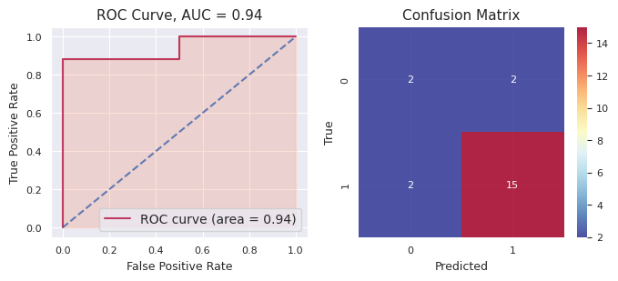
f-tve: 5 | 0 | 0.94434744 | 1 | 0.99988593 | 1 |  |  | 0.96685271 | 1 | 0.81351293 | 1 | 0.96862038 |  |  | 1 | 1 | 1 |  | 0.938643878 |  |  |  |  | Accuracy: 0.8095238095238095, Precision: 0.8823529411764706, Recall: 0.8823529411764706, F1: 0.8823529411764706, AUC: 0.9411764705882353
 | 1 | 0.97878414 | 1 | 0.98616072 | 1 |  |  | 0.99999327 | 1 | 0.87566514 | 1 | 0.99419221 |  |  | 1 | 1 | 1 |  | 0.966959096
 | 1 | 0.95693314 | 1 | 0.99999994 | 1 |  |  | 0.96211181 | 1 | 0.92373667 | 1 | 0.98857858 |  |  | 1 | 1 | 1 |  | 0.966272028
 | 1 | 0.9799224 | 1 | 0.86887872 | 1 |  |  | 0.9763591 | 1 | 0.72747865 | 1 | 0.9759205 |  |  | 1 | 1 | 1 |  | 0.905711874
 | 1 | 0.9516328 | 1 | 0.99478496 | 1 |  |  | 0.99031442 | 1 | 0.75566861 | 1 | 0.85851933 |  |  | 1 | 1 | 1 |  | 0.910184024
 | 1 | 0.6774572 | 1 | 0.84435014 | 1 |  |  | 0.97778113 | 1 | 0.71749491 | 1 | 0.99306058 |  |  | 1 | 1 | 1 |  | 0.842028792
 | 0 | 0.9715584 | 0 | 0.32535556 | 0 |  |  | 0.18437867 | 0 | 0.39577049 | 0 | 0.33802127 |  |  | 1 | 0 | 0 |  | 0.443016878
 | 0 | 0.97585434 | 1 | 0.96531539 | 1 |  |  | 0.97886894 | 1 | 0.70611536 | 1 | 0.97878463 |  |  | 1 | 1 | 1 |  | 0.920987732
 | 1 | 0.95343 | 1 | 0.99760246 | 1 |  |  | 0.97630756 | 1 | 0.88414317 | 1 | 0.96443942 |  |  | 1 | 1 | 1 |  | 0.955184522
 | 0 | 0.6021012 | 1 | 0.99944421 | 1 |  |  | 0.9349234 | 1 | 0.72919437 | 1 | 0.96987405 |  |  | 1 | 1 | 1 |  | 0.847107446
 | 1 | 0.879862 | 0 | 0.3271585 | 0 |  |  | 0.18497871 | 0 | 0.39577049 | 0 | 0.33802127 |  |  | 1 | 0 | 0 |  | 0.425158194
 | 0 | 0.97078687 | 1 | 0.95093009 | 1 |  |  | 0.9334149 | 1 | 0.67254781 | 1 | 0.94492255 |  |  | 1 | 1 | 1 |  | 0.894520444
 | 1 | 0.9583278 | 1 | 0.62511508 | 1 |  |  | 0.9719995 | 0 | 0.45448397 | 0 | 0.31878323 |  |  | 1 | 1 | 1 |  | 0.665741916
 | 1 | 0.9113959 | 1 | 0.94056004 | 1 |  |  | 0.90043035 | 1 | 0.65071054 | 1 | 0.8829522 |  |  | 1 | 1 | 1 |  | 0.857209806
 | 0 | 0.96441025 | 1 | 0.99947281 | 1 |  |  | 0.97426936 | 1 | 0.88426264 | 1 | 0.96576005 |  |  | 1 | 1 | 1 |  | 0.957635022
 | 0 | 0.01685902 | 0 | 0.15929797 | 0 |  |  | 0.12402829 | 0 | 0.29988628 | 0 | 0.01526902 |  |  | 0 | 0 | 0 |  | 0.123068116
 | 1 | 0.02511265 | 0 | 0.32054985 | 0 |  |  | 0.21549359 | 0 | 0.30798028 | 1 | 0.56049463 |  |  | 0 | 0 | 0 |  | 0.2859262
 | 1 | 0.6590328 | 1 | 0.67160338 | 0 |  |  | 0.39564773 | 1 | 0.73448394 | 1 | 0.863854 |  |  | 0 | 1 | 1 |  | 0.66492437
 | 1 | 0.9580587 | 1 | 0.99956679 | 1 |  |  | 0.99158246 | 1 | 0.79438149 | 1 | 0.90570286 |  |  | 1 | 1 | 1 |  | 0.92985846
 | 0 | 0.96585387 | 1 | 0.9529099 | 1 |  |  | 0.96997568 | 1 | 0.91467973 | 1 | 0.98801991 |  |  | 1 | 1 | 1 |  | 0.958287818
 | 0 | 0.05036862 | 1 | 0.81993636 | 1 |  |  | 0.96215621 | 1 | 0.55548447 | 1 | 0.55792361 |  |  | 0 | 1 | 1 |  | 0.589173854

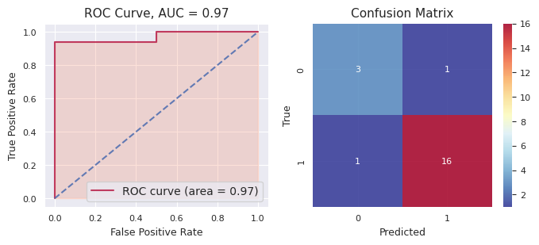
f-tve: 567890 | 1 | 0.9787759 | 1 | 9.70E-01 | 1 |  |  | 0.96685271 | 1 | 0.9339708 | 1 | 1.00E+00 |  |  | 1 | 1 | 1 |  | 0.9700134546 |  |  |  |  | Accuracy: 0.9047619047619048, Precision: 0.9411764705882353, Recall: 0.9411764705882353, F1: 0.9411764705882353, AUC: 0.9705882352941176
 | 1 | 0.97880095 | 1 | 1.00E+00 | 1 |  |  | 0.99999327 | 1 | 0.86189187 | 1 | 1.00E+00 |  |  | 1 | 1 | 1 |  | 0.9680649002
 | 1 | 0.9803647 | 1 | 9.82E-01 | 1 |  |  | 0.96211181 | 1 | 0.60003901 | 1 | 9.97E-01 |  |  | 1 | 1 | 1 |  | 0.9044604108
 | 1 | 0.9678314 | 1 | 7.30E-01 | 1 |  |  | 0.9763591 | 1 | 0.82257585 | 1 | 1.00E+00 |  |  | 1 | 1 | 1 |  | 0.8992665834
 | 0 | 0.07216059 | 1 | 7.59E-01 | 1 |  |  | 0.99031442 | 1 | 0.52709851 | 1 | 1.00E+00 |  |  | 1 | 1 | 1 |  | 0.6696853628
 | 1 | 0.9796282 | 1 | 8.13E-01 | 1 |  |  | 0.97778113 | 1 | 0.81331285 | 1 | 1.00E+00 |  |  | 1 | 1 | 1 |  | 0.9168017402
 | 0 | 0.04870148 | 1 | 9.78E-01 | 0 |  |  | 0.18437867 | 1 | 0.68213038 | 1 | 1.00E+00 |  |  | 1 | 1 | 1 |  | 0.578603504
 | 1 | 0.9800386 | 1 | 9.96E-01 | 1 |  |  | 0.97886894 | 1 | 0.67944407 | 1 | 1.00E+00 |  |  | 1 | 1 | 1 |  | 0.9267843988
 | 1 | 0.98000205 | 1 | 9.34E-01 | 1 |  |  | 0.97630756 | 1 | 0.81622982 | 1 | 9.99E-01 |  |  | 1 | 1 | 1 |  | 0.9411967228
 | 1 | 0.9383739 | 1 | 6.90E-01 | 1 |  |  | 0.9349234 | 1 | 0.52571572 | 1 | 9.99E-01 |  |  | 1 | 1 | 1 |  | 0.8175033808
 | 1 | 0.9798726 | 1 | 9.95E-01 | 0 |  |  | 0.18497871 | 1 | 0.88208357 | 1 | 1.00E+00 |  |  | 1 | 1 | 1 |  | 0.8082862404
 | 1 | 0.8793295 | 1 | 9.21E-01 | 1 |  |  | 0.9334149 | 1 | 0.72379224 | 1 | 8.71E-01 |  |  | 1 | 1 | 1 |  | 0.8658536858
 | 0 | 0.02318757 | 0 | 1.87E-02 | 1 |  |  | 0.9719995 | 0 | 0.26970801 | 0 | 1.55E-04 |  |  | 0 | 0 | 0 |  | 0.25674996314
 | 1 | 0.9825471 | 1 | 8.96E-01 | 1 |  |  | 0.90043035 | 1 | 0.81762915 | 1 | 1.00E+00 |  |  | 1 | 1 | 1 |  | 0.9192357628
 | 0 | 0.18968542 | 1 | 5.02E-01 | 1 |  |  | 0.97426936 | 1 | 0.52390463 | 0 | 4.71E-01 |  |  | 0 | 1 | 1 |  | 0.5321876132
 | 1 | 0.90567714 | 1 | 8.95E-01 | 0 |  |  | 0.12402829 | 1 | 0.88309565 | 1 | 9.99E-01 |  |  | 1 | 1 | 1 |  | 0.7612660158
 | 1 | 0.97768867 | 1 | 9.97E-01 | 0 |  |  | 0.21549359 | 1 | 0.91628879 | 1 | 1.00E+00 |  |  | 1 | 1 | 1 |  | 0.8212431864
 | 0 | 0.12061146 | 0 | 7.93E-04 | 0 |  |  | 0.39564773 | 1 | 0.50890488 | 0 | 3.94E-01 |  |  | 1 | 0 | 0 |  | 0.28408773995
 | 0 | 0.35545352 | 0 | 1.65E-02 | 1 |  |  | 0.99158246 | 0 | 0.27881024 | 0 | 1.75E-04 |  |  | 0 | 0 | 0 |  | 0.32849512645
 | 1 | 0.9823642 | 1 | 6.16E-01 | 1 |  |  | 0.96997568 | 1 | 0.82898145 | 1 | 9.75E-01 |  |  | 1 | 1 | 1 |  | 0.8744960132
 | 0 | 0.02052116 | 0 | 1.22E-02 | 1 |  |  | 0.96215621 | 0 | 0.0779407 | 0 | 2.88E-06 |  |  | 0 | 0 | 0 |  | 0.21455730232

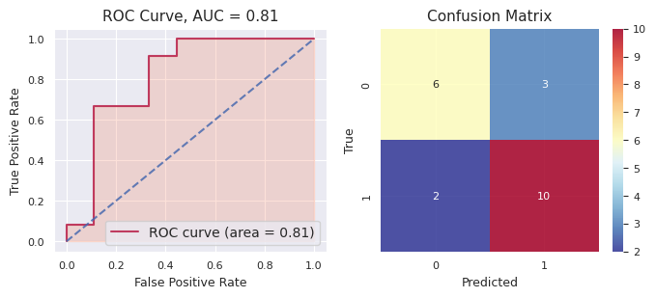
f-tve: 9876 | 0 | 0.20204462 | 0 | 0.06371873 | 0 |  |  | 0.38731587 | 0 | 0.43051805 | 0 | 1.65E-01 |  |  | 1 | 0 | 0 |  | 0.2497969198 |  |  |  |  | Accuracy: 0.7619047619047619, Precision: 0.7692307692307693, Recall: 0.8333333333333334, F1: 0.8, AUC: 0.8148148148148149
 | 1 | 0.87226707 | 1 | 0.98473455 | 1 |  |  | 0.98373852 | 1 | 0.74195237 | 1 | 1.00E+00 |  |  | 1 | 1 | 1 |  | 0.9165384696
 | 1 | 0.71266687 | 0 | 0.25879716 | 0 |  |  | 0.24409415 | 1 | 0.78436 | 1 | 1.00E+00 |  |  | 1 | 1 | 1 |  | 0.5999756716
 | 1 | 0.5145634 | 1 | 0.95373454 | 1 |  |  | 0.98807546 | 1 | 0.8644391 | 1 | 1.00E+00 |  |  | 1 | 1 | 1 |  | 0.8641624606
 | 1 | 0.85025567 | 1 | 0.99973419 | 1 |  |  | 0.99277278 | 1 | 0.95512548 | 1 | 1.00E+00 |  |  | 0 | 1 | 1 |  | 0.959577624
 | 1 | 0.69386715 | 0 | 0.39208126 | 0 |  |  | 0.22107068 | 0 | 0.42973028 | 0 | 1.21E-01 |  |  | 1 | 0 | 0 |  | 0.3715826166
 | 1 | 0.5812473 | 1 | 0.63709412 | 1 |  |  | 0.95709544 | 1 | 0.75673585 | 1 | 1.00E+00 |  |  | 0 | 1 | 1 |  | 0.7864345384
 | 0 | 0.46815655 | 0 | 0.34988101 | 0 |  |  | 0.09078474 | 0 | 0.43082461 | 0 | 8.05E-07 |  |  | 0 | 0 | 0 |  | 0.26792954305
 | 1 | 0.86299914 | 1 | 0.95258938 | 1 |  |  | 0.96781859 | 1 | 0.8772414 | 1 | 1.00E+00 |  |  | 1 | 1 | 1 |  | 0.932129702
 | 1 | 0.7048571 | 1 | 0.96562493 | 1 |  |  | 0.9732178 | 1 | 0.880562 | 1 | 1.00E+00 |  |  | 1 | 1 | 1 |  | 0.904852366
 | 1 | 0.6952962 | 1 | 0.98748875 | 1 |  |  | 0.89678218 | 1 | 0.91933164 | 1 | 1.00E+00 |  |  | 1 | 1 | 1 |  | 0.8997796784
 | 0 | 0.1091482 | 0 | 0.21783509 | 0 |  |  | 0.18001007 | 0 | 0.19014178 | 0 | 3.22E-05 |  |  | 0 | 0 | 0 |  | 0.13943347106
 | 0 | 0.2542371 | 1 | 0.71747494 | 1 |  |  | 0.94510706 | 1 | 0.77055819 | 1 | 1.00E+00 |  |  | 1 | 1 | 1 |  | 0.737475443
 | 1 | 0.59657854 | 0 | 0.12727887 | 0 |  |  | 0.07458151 | 0 | 0.18106223 | 0 | 9.37E-09 |  |  | 0 | 0 | 0 |  | 0.19590023187
 | 1 | 0.54705477 | 1 | 0.83022239 | 1 |  |  | 0.95244822 | 1 | 0.86581588 | 1 | 1.00E+00 |  |  | 0 | 1 | 1 |  | 0.8391082516
 | 1 | 0.6582025 | 0 | 0.13258766 | 0 |  |  | 0.07806145 | 0 | 0.18328723 | 0 | 1.20E-08 |  |  | 0 | 0 | 0 |  | 0.21042777039
 | 1 | 0.7891057 | 1 | 0.9710032 | 1 |  |  | 0.99326987 | 1 | 0.7691127 | 1 | 1.00E+00 |  |  | 1 | 1 | 1 |  | 0.9044976704
 | 1 | 0.83368117 | 1 | 0.96837851 | 1 |  |  | 0.97965859 | 1 | 0.87179106 | 1 | 1.00E+00 |  |  | 1 | 1 | 1 |  | 0.930701866
 | 0 | 0.25336555 | 0 | 0.03888568 | 0 |  |  | 0.06685124 | 0 | 0.21492826 | 0 | 1.19E-06 |  |  | 0 | 0 | 0 |  | 0.11480638483
 | 0 | 0.14936955 | 0 | 0.06574186 | 0 |  |  | 0.01358576 | 0 | 0.33555116 | 0 | 8.46E-08 |  |  | 0 | 0 | 0 |  | 0.11284968293
 | 1 | 0.84465575 | 1 | 0.9996254 | 1 |  |  | 0.99269203 | 1 | 0.96433133 | 1 | 1.00E+00 |  |  | 1 | 1 | 1 |  | 0.960260902

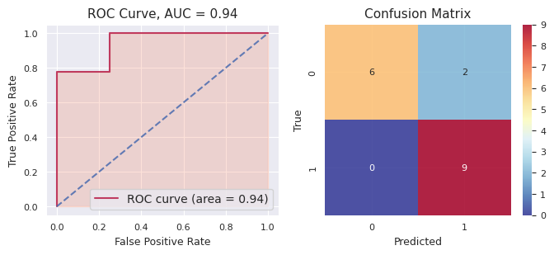
f-mth: 4321 | 1 | 0.9459435 | 0 | 0.00229274768 | 0 |  |  | 0.19524523 | 1 | 0.68170074 | 1 | 0.75057442 |  |  | 1 | 1 | 1 |  | 0.51515132754 |  |  |  |  | Accuracy: 0.8823529411764706, Precision: 0.8181818181818182, Recall: 1.0, F1: 0.9, AUC: 0.9444444444444444
 | 1 | 0.60015815 | 1 | 0.993192553 | 1 |  |  | 0.86661806 | 1 | 0.5956382 | 1 | 0.71191908 |  |  | 1 | 1 | 1 |  | 0.7535052086
 | 1 | 0.9147853 | 1 | 0.716392643 | 1 |  |  | 0.53598642 | 1 | 0.63138108 | 0 | 0.49933789 |  |  | 0 | 1 | 1 |  | 0.6595766666
 | 1 | 0.9355762 | 1 | 0.996755549 | 1 |  |  | 0.85379504 | 1 | 0.69006452 | 1 | 0.8103015 |  |  | 1 | 1 | 1 |  | 0.8572985618
 | 1 | 0.96012473 | 1 | 0.997539741 | 1 |  |  | 0.91118213 | 1 | 0.83630385 | 1 | 0.83813921 |  |  | 1 | 1 | 1 |  | 0.9086579322
 | 1 | 0.90628827 | 0 | 0.0597888012 | 0 |  |  | 0.41528333 | 1 | 0.81186419 | 1 | 0.78038737 |  |  | 1 | 1 | 1 |  | 0.59472239224
 | 1 | 0.94731617 | 1 | 0.869168045 | 1 |  |  | 0.71523071 | 1 | 0.58050574 | 1 | 0.62472057 |  |  | 1 | 1 | 1 |  | 0.747388247
 | 1 | 0.9787026 | 1 | 0.981375896 | 1 |  |  | 0.8278981 | 1 | 0.74244326 | 1 | 0.82683593 |  |  | 1 | 1 | 1 |  | 0.8714511572
 | 1 | 0.9272944 | 0 | 0.0963434101 | 0 |  |  | 0.33428467 | 0 | 0.21927782 | 0 | 0.22062634 |  |  | 0 | 0 | 0 |  | 0.35956532802
 | 1 | 0.91283244 | 1 | 0.893565795 | 1 |  |  | 0.58716849 | 1 | 0.5498938 | 1 | 0.62779357 |  |  | 1 | 1 | 1 |  | 0.714250819
 | 0 | 0.10034918 | 0 | 0.00262040989 | 0 |  |  | 0.14226836 | 0 | 0.10220914 | 0 | 0.06890161 |  |  | 0 | 0 | 0 |  | 0.083269739978
 | 1 | 0.9793353 | 1 | 0.990680235 | 1 |  |  | 0.84946048 | 1 | 0.91530456 | 1 | 0.8876492 |  |  | 1 | 1 | 1 |  | 0.924485955
 | 1 | 0.96907914 | 0 | 0.160188492 | 0 |  |  | 0.2988383 | 0 | 0.26736353 | 0 | 0.08538938 |  |  | 0 | 0 | 0 |  | 0.3561717684
 | 0 | 0.01531625 | 0 | 0.000298265648 | 0 |  |  | 0.07040552 | 0 | 0.14636548 | 0 | 0.21418677 |  |  | 0 | 0 | 0 |  | 0.08931445713
 | 0 | 0.03318517 | 0 | 0.012935969 | 0 |  |  | 0.1638695 | 0 | 0.33030723 | 0 | 0.24917545 |  |  | 0 | 0 | 0 |  | 0.1578946638
 | 0 | 0.20000029 | 1 | 0.956847714 | 1 |  |  | 0.7778854 | 1 | 0.5743236 | 1 | 0.63217574 |  |  | 0 | 1 | 1 |  | 0.6282465488
 | 0 | 0.01764645 | 0 | 0.115180585 | 0 |  |  | 0.4085016 | 0 | 0.32155926 | 0 | 0.24642547 |  |  | 0 | 0 | 0 |  | 0.221862673

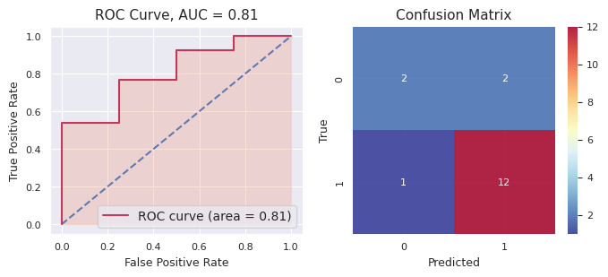
f-mth: 321 | 1 | 0.95035684 | 1 | 0.92104037 | 1 |  |  | 0.85089018 | 1 | 0.61169786 | 1 | 0.985621 |  |  | 0 | 1 | 1 |  | 0.86392125 |  |  |  |  | Accuracy: 0.8235294117647058, Precision: 0.8571428571428571, Recall: 0.9230769230769231, F1: 0.8888888888888888, AUC: 0.8076923076923077
 | 1 | 0.973636 | 0 | 0.27993469 | 1 |  |  | 0.71670301 | 1 | 0.51261639 | 0 | 0.05817848 |  |  | 1 | 1 | 1 |  | 0.508213714
 | 0 | 0.04736781 | 1 | 0.96043933 | 1 |  |  | 0.80263486 | 1 | 0.69814218 | 1 | 0.91497213 |  |  | 1 | 1 | 1 |  | 0.684711262
 | 1 | 0.9626926 | 1 | 0.94897484 | 1 |  |  | 0.88371796 | 1 | 0.6214165 | 1 | 0.99130311 |  |  | 1 | 1 | 1 |  | 0.881621002
 | 1 | 0.8154076 | 0 | 0.15599431 | 0 |  |  | 0.29416209 | 0 | 0.44994862 | 0 | 0.38348008 |  |  | 0 | 0 | 0 |  | 0.41979854
 | 1 | 0.97459614 | 1 | 0.98081104 | 1 |  |  | 0.67856915 | 1 | 0.63771042 | 1 | 0.85012133 |  |  | 1 | 1 | 1 |  | 0.824361616
 | 1 | 0.9664993 | 1 | 0.95352513 | 1 |  |  | 0.85843146 | 1 | 0.65473648 | 1 | 0.97907834 |  |  | 1 | 1 | 1 |  | 0.882454142
 | 0 | 0.02293093 | 1 | 0.61970968 | 0 |  |  | 0.42428366 | 0 | 0.43151046 | 1 | 0.76538829 |  |  | 0 | 0 | 0 |  | 0.452764604
 | 1 | 0.9774014 | 1 | 0.99128965 | 1 |  |  | 0.87300693 | 1 | 0.87273958 | 1 | 0.99482987 |  |  | 1 | 1 | 1 |  | 0.941853486
 | 0 | 0.07356266 | 1 | 0.94635782 | 1 |  |  | 0.82816728 | 1 | 0.53264311 | 1 | 0.97382215 |  |  | 1 | 1 | 1 |  | 0.670910604
 | 1 | 0.89141524 | 1 | 0.93065853 | 1 |  |  | 0.86010434 | 1 | 0.6882347 | 1 | 0.9702307 |  |  | 1 | 1 | 1 |  | 0.868128702
 | 1 | 0.9657717 | 1 | 0.99795184 | 1 |  |  | 0.87527969 | 1 | 0.82153397 | 1 | 0.97907981 |  |  | 1 | 1 | 1 |  | 0.927923402
 | 1 | 0.94471735 | 1 | 0.98663542 | 1 |  |  | 0.85035867 | 1 | 0.70546421 | 1 | 0.9942416 |  |  | 1 | 1 | 1 |  | 0.89628345
 | 1 | 0.97050595 | 1 | 0.99473116 | 1 |  |  | 0.92219889 | 1 | 0.86931742 | 1 | 0.99509224 |  |  | 1 | 1 | 1 |  | 0.950369132
 | 0 | 0.09408818 | 1 | 0.85718728 | 1 |  |  | 0.52198214 | 1 | 0.51082968 | 1 | 0.54596599 |  |  | 1 | 1 | 1 |  | 0.506010654
 | 0 | 0.03145665 | 0 | 0.49725565 | 0 |  |  | 0.38758938 | 0 | 0.4601555 | 1 | 0.87258124 |  |  | 1 | 0 | 0 |  | 0.449807684
 | 1 | 0.94964623 | 0 | 0.46771027 | 0 |  |  | 0.44013505 | 1 | 0.68548998 | 1 | 0.61564574 |  |  | 0 | 1 | 1 |  | 0.631725454

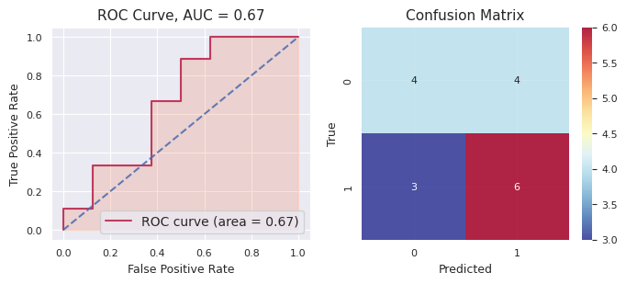
f-mth: 123 | 1 | 0.9709047 | 1 | 0.86140913 | 1 |  |  | 0.93930895 | 1 | 0.85024604 | 1 | 0.999999964 |  |  | 1 | 1 | 1 |  | 0.9243737568 |  |  |  |  | Accuracy: 0.5882352941176471, Precision: 0.6, Recall: 0.6666666666666666, F1: 0.631578947368421, AUC: 0.6666666666666666
 | 0 | 0.16320446 | 0 | 0.0174592 | 0 |  |  | 0.0598755 | 0 | 0.25854611 | 0 | 9.93191104E-06 |  |  | 1 | 0 | 0 |  | 0.099819040382
 | 1 | 0.68037236 | 0 | 0.11289562 | 1 |  |  | 0.54234643 | 1 | 0.73783217 | 1 | 0.999601437 |  |  | 1 | 1 | 1 |  | 0.6146096034
 | 0 | 0.03567039 | 0 | 0.16167194 | 0 |  |  | 0.04031105 | 0 | 0.26197177 | 0 | 2.44481283E-06 |  |  | 0 | 0 | 0 |  | 0.099925518963
 | 1 | 0.96542805 | 1 | 0.93331234 | 1 |  |  | 0.98627755 | 1 | 0.87813441 | 1 | 0.999999937 |  |  | 1 | 1 | 1 |  | 0.9526304574
 | 0 | 0.03007368 | 0 | 0.01274753 | 0 |  |  | 0.00739405 | 0 | 0.02826682 | 0 | 2.56367357E-07 |  |  | 0 | 0 | 0 |  | 0.015696467273
 | 0 | 0.04290144 | 0 | 0.28435643 | 0 |  |  | 0.2260726 | 0 | 0.29759127 | 1 | 0.614762147 |  |  | 1 | 0 | 0 |  | 0.2931367774
 | 1 | 0.78347546 | 1 | 0.74041715 | 1 |  |  | 0.95075073 | 1 | 0.7673033 | 1 | 0.695405382 |  |  | 1 | 1 | 1 |  | 0.7874704044
 | 0 | 0.04366741 | 0 | 0.0809776 | 0 |  |  | 0.15317095 | 0 | 0.12344834 | 0 | 2.08100208E-06 |  |  | 0 | 0 | 0 |  | 0.0802532762
 | 1 | 0.9647445 | 1 | 0.95165595 | 1 |  |  | 0.96965359 | 1 | 0.66830162 | 1 | 0.997673963 |  |  | 0 | 1 | 1 |  | 0.9104059246
 | 0 | 0.03617013 | 0 | 0.07453105 | 0 |  |  | 0.06018067 | 0 | 0.23297155 | 0 | 3.21226592E-07 |  |  | 0 | 0 | 0 |  | 0.080770744245
 | 1 | 0.9476728 | 1 | 0.63785556 | 1 |  |  | 0.71725776 | 1 | 0.58098947 | 1 | 0.999999135 |  |  | 1 | 1 | 1 |  | 0.776754945
 | 1 | 0.9345791 | 1 | 0.66183616 | 1 |  |  | 0.79393116 | 1 | 0.50158586 | 0 | 0.0454007377 |  |  | 0 | 1 | 1 |  | 0.58746660354
 | 0 | 0.17601176 | 1 | 0.87629765 | 0 |  |  | 0.32970258 | 1 | 0.61691657 | 0 | 0.371599922 |  |  | 1 | 0 | 0 |  | 0.4741056964
 | 1 | 0.9684927 | 1 | 0.99086826 | 1 |  |  | 0.99476642 | 1 | 0.76362562 | 1 | 0.999999867 |  |  | 0 | 1 | 1 |  | 0.9435505734
 | 1 | 0.9592256 | 1 | 0.96993429 | 1 |  |  | 0.96917675 | 1 | 0.75811246 | 1 | 1 |  |  | 1 | 1 | 1 |  | 0.93128982
 | 1 | 0.8928599 | 1 | 0.95227095 | 1 |  |  | 0.98581032 | 1 | 0.76006695 | 1 | 0.999998419 |  |  | 0 | 1 | 1 |  | 0.9182013078

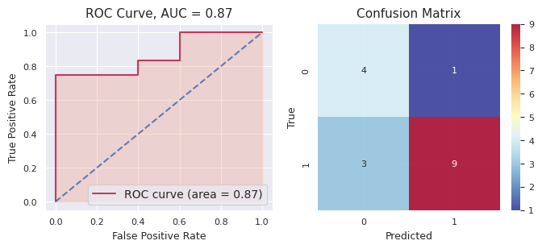
f-mth: 2 | 0 | 0.04516538 | 0 | 0.06803809 | 0 |  |  | 0.10502327 | 0 | 0.14504571 | 0 | 0.02575795 |  |  | 0 | 0 | 0 |  | 0.07780608 |  |  |  |  | Accuracy: 0.7647058823529411, Precision: 0.9, Recall: 0.75, F1: 0.8181818181818182, AUC: 0.8666666666666667
 | 0 | 0.23293242 | 1 | 0.76369484 | 1 |  |  | 0.96828967 | 1 | 0.55777388 | 1 | 0.99313281 |  |  | 1 | 1 | 1 |  | 0.703164724
 | 1 | 0.96590346 | 1 | 0.98929341 | 1 |  |  | 0.88017427 | 1 | 0.77122012 | 1 | 0.98130865 |  |  | 1 | 1 | 1 |  | 0.917579982
 | 1 | 0.9695802 | 1 | 0.938858 | 1 |  |  | 0.94154097 | 1 | 0.90545123 | 1 | 0.9961197 |  |  | 1 | 1 | 1 |  | 0.95031002
 | 0 | 0.04891076 | 0 | 0.41315367 | 0 |  |  | 0.17670493 | 0 | 0.23305014 | 0 | 0.03225475 |  |  | 1 | 0 | 0 |  | 0.18081485
 | 1 | 0.8686898 | 0 | 0.43274041 | 0 |  |  | 0.43811705 | 1 | 0.5145256 | 1 | 0.51235369 |  |  | 0 | 1 | 1 |  | 0.55328531
 | 1 | 0.97920084 | 1 | 0.87731582 | 1 |  |  | 0.87030511 | 1 | 0.81957574 | 1 | 0.99269481 |  |  | 1 | 1 | 1 |  | 0.907818464
 | 0 | 0.0976375 | 1 | 0.58220742 | 0 |  |  | 0.18159039 | 1 | 0.51997851 | 0 | 0.0199448 |  |  | 0 | 0 | 0 |  | 0.280271724
 | 1 | 0.9118958 | 1 | 0.97754032 | 1 |  |  | 0.82460718 | 1 | 0.75597155 | 1 | 0.86123532 |  |  | 1 | 1 | 1 |  | 0.866250034
 | 1 | 0.96740115 | 0 | 0.08925594 | 0 |  |  | 0.24675816 | 0 | 0.47949821 | 0 | 0.34328134 |  |  | 1 | 0 | 0 |  | 0.42523896
 | 1 | 0.97648525 | 1 | 0.88271343 | 1 |  |  | 0.91602506 | 1 | 0.84038308 | 1 | 0.99014465 |  |  | 1 | 1 | 1 |  | 0.921150294
 | 1 | 0.9521007 | 1 | 0.83173772 | 1 |  |  | 0.5448168 | 1 | 0.76201685 | 1 | 0.59157718 |  |  | 1 | 1 | 1 |  | 0.73644985
 | 0 | 0.02393647 | 0 | 0.08131435 | 0 |  |  | 0.0985221 | 0 | 0.23016194 | 0 | 0.02205497 |  |  | 0 | 0 | 0 |  | 0.091197966
 | 1 | 0.8259787 | 1 | 0.58197501 | 1 |  |  | 0.52002134 | 1 | 0.7679736 | 1 | 0.9638567 |  |  | 1 | 1 | 1 |  | 0.73196107
 | 0 | 0.02666704 | 0 | 0.40257557 | 1 |  |  | 0.55197615 | 1 | 0.53545229 | 1 | 0.88875682 |  |  | 0 | 1 | 0 |  | 0.481085574
 | 0 | 0.07493189 | 0 | 0.05505212 | 0 |  |  | 0.27796413 | 0 | 0.31885336 | 0 | 0.20179313 |  |  | 1 | 0 | 0 |  | 0.185718926
 | 1 | 0.94686985 | 1 | 0.90219079 | 1 |  |  | 0.84882439 | 1 | 0.62412501 | 1 | 0.83879446 |  |  | 1 | 1 | 1 |  | 0.8321609

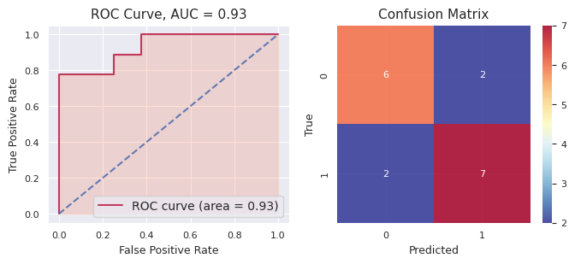
f-mth: 12345 | 0 | 0.03104366 | 0 | 3.16E-01 | 0 |  |  | 0.34785788 | 0 | 0.34117966 | 0 | 0.13803212 |  |  | 0 | 0 | 0 |  | 0.2348899886 |  |  |  |  | Accuracy: 0.7647058823529411, Precision: 0.7777777777777778, Recall: 0.7777777777777778, F1: 0.7777777777777778, AUC: 0.9305555555555556
 | 1 | 0.976845 | 1 | 9.99E-01 | 1 |  |  | 0.85846582 | 1 | 0.84798051 | 1 | 0.98739271 |  |  | 1 | 1 | 1 |  | 0.9338904082
 | 1 | 0.66181344 | 0 | 2.45E-03 | 0 |  |  | 0.28304045 | 1 | 0.59167476 | 0 | 0.3009053 |  |  | 1 | 0 | 0 |  | 0.36797731903
 | 1 | 0.981443 | 1 | 6.56E-01 | 1 |  |  | 0.89328119 | 1 | 0.59662894 | 0 | 0.07396449 |  |  | 1 | 1 | 1 |  | 0.6402214466
 | 1 | 0.9655394 | 1 | 9.69E-01 | 1 |  |  | 0.89837196 | 1 | 0.79693249 | 1 | 0.98038498 |  |  | 1 | 1 | 1 |  | 0.9220174724
 | 1 | 0.9812243 | 1 | 9.32E-01 | 1 |  |  | 0.8452902 | 1 | 0.83622935 | 1 | 0.99184531 |  |  | 1 | 1 | 1 |  | 0.9173944262
 | 1 | 0.7335827 | 1 | 5.21E-01 | 1 |  |  | 0.71689872 | 1 | 0.54697339 | 0 | 0.49153368 |  |  | 0 | 1 | 1 |  | 0.6019230406
 | 1 | 0.8925418 | 1 | 9.99E-01 | 1 |  |  | 0.93587316 | 1 | 0.81717101 | 1 | 0.91046704 |  |  | 1 | 1 | 1 |  | 0.9110251824
 | 0 | 0.03743153 | 0 | 6.63E-02 | 0 |  |  | 0.24619078 | 0 | 0.19011896 | 0 | 0.05774161 |  |  | 0 | 0 | 0 |  | 0.11955361938
 | 0 | 0.11233834 | 1 | 9.90E-01 | 1 |  |  | 0.97512469 | 1 | 0.81123318 | 1 | 0.98611412 |  |  | 1 | 1 | 1 |  | 0.7750438196
 | 1 | 0.80536973 | 1 | 8.56E-01 | 1 |  |  | 0.90627707 | 1 | 0.50807654 | 1 | 0.90039681 |  |  | 1 | 1 | 1 |  | 0.7952237332
 | 0 | 0.01619188 | 0 | 5.57E-04 | 0 |  |  | 0.01886872 | 0 | 0.21872537 | 0 | 0.00419321 |  |  | 0 | 0 | 0 |  | 0.051707281384
 | 0 | 0.04284487 | 0 | 1.53E-02 | 0 |  |  | 0.10471507 | 0 | 0.19134249 | 0 | 0.02421905 |  |  | 0 | 0 | 0 |  | 0.0756869791
 | 1 | 0.89414805 | 0 | 2.26E-01 | 0 |  |  | 0.39971882 | 1 | 0.52112359 | 1 | 0.85220766 |  |  | 0 | 1 | 1 |  | 0.5786554624
 | 0 | 0.01876122 | 0 | 1.16E-02 | 0 |  |  | 0.02888127 | 0 | 0.06788958 | 0 | 0.00741388 |  |  | 0 | 0 | 0 |  | 0.02690716274
 | 0 | 0.02946245 | 0 | 3.78E-01 | 0 |  |  | 0.35514956 | 0 | 0.28357321 | 0 | 0.08500236 |  |  | 1 | 0 | 0 |  | 0.226152184
 | 0 | 0.01899547 | 0 | 1.17E-03 | 0 |  |  | 0.01375619 | 0 | 0.09740647 | 0 | 0.01053546 |  |  | 0 | 0 | 0 |  | 0.02837185428

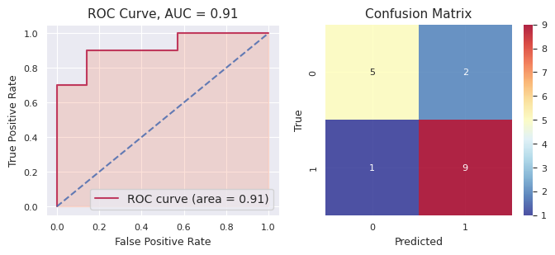
f-mth: 9876 | 1 | 0.93503726 | 0 | 3.78E-01 | 1 |  |  | 0.60083587 | 1 | 0.59612268 | 0 | 0.4492069 |  |  | 1 | 1 | 1 |  | 0.5917833036 |  |  |  |  | Accuracy: 0.8235294117647058, Precision: 0.8181818181818182, Recall: 0.9, F1: 0.8571428571428571, AUC: 0.9142857142857143
 | 0 | 0.02587292 | 0 | 3.94E-02 | 0 |  |  | 0.04876018 | 0 | 0.14607431 | 0 | 0.14387808 |  |  | 0 | 0 | 0 |  | 0.08079215992
 | 0 | 0.39001364 | 0 | 4.40E-01 | 1 |  |  | 0.76593749 | 1 | 0.64141628 | 1 | 0.57183892 |  |  | 1 | 1 | 1 |  | 0.561858606
 | 0 | 0.30915385 | 1 | 9.54E-01 | 1 |  |  | 0.99185259 | 1 | 0.72339279 | 1 | 0.8488535 |  |  | 1 | 1 | 1 |  | 0.765409349
 | 1 | 0.9603539 | 1 | 9.82E-01 | 1 |  |  | 0.97298201 | 1 | 0.82581663 | 1 | 0.80033505 |  |  | 1 | 1 | 1 |  | 0.908391812
 | 0 | 0.05232908 | 0 | 1.63E-02 | 0 |  |  | 0.31941415 | 0 | 0.2379671 | 0 | 0.16229168 |  |  | 1 | 0 | 0 |  | 0.15765908544
 | 0 | 0.20980278 | 1 | 5.34E-01 | 1 |  |  | 0.88052642 | 0 | 0.47999184 | 1 | 0.66517977 |  |  | 0 | 1 | 1 |  | 0.5539742258
 | 1 | 0.9786341 | 1 | 9.57E-01 | 1 |  |  | 0.96268702 | 1 | 0.88237655 | 1 | 0.88451019 |  |  | 1 | 1 | 1 |  | 0.932958514
 | 0 | 0.35027474 | 1 | 9.42E-01 | 1 |  |  | 0.92465975 | 1 | 0.81336358 | 1 | 0.81574709 |  |  | 1 | 1 | 1 |  | 0.7692923122
 | 1 | 0.97864157 | 1 | 7.37E-01 | 1 |  |  | 0.95574184 | 1 | 0.69974235 | 1 | 0.71173076 |  |  | 1 | 1 | 1 |  | 0.816668374
 | 0 | 0.04371127 | 0 | 3.73E-01 | 0 |  |  | 0.42293421 | 1 | 0.59651242 | 1 | 0.59007898 |  |  | 0 | 0 | 0 |  | 0.4053103864
 | 0 | 0.02535404 | 0 | 6.87E-02 | 0 |  |  | 0.15639227 | 0 | 0.19817216 | 0 | 0.19754525 |  |  | 0 | 0 | 0 |  | 0.12922807522
 | 1 | 0.57140297 | 0 | 3.90E-01 | 0 |  |  | 0.4268213 | 0 | 0.43261792 | 0 | 0.40444618 |  |  | 0 | 0 | 0 |  | 0.445130805
 | 1 | 0.9328738 | 1 | 1.00E+00 | 1 |  |  | 0.6893158 | 1 | 0.75688229 | 1 | 0.80765301 |  |  | 1 | 1 | 1 |  | 0.8373438204
 | 0 | 0.0255491 | 0 | 1.42E-04 | 0 |  |  | 0.01041751 | 0 | 0.29640415 | 0 | 0.14552671 |  |  | 0 | 0 | 0 |  | 0.095607949024
 | 1 | 0.82657045 | 1 | 6.10E-01 | 1 |  |  | 0.93968751 | 0 | 0.36815851 | 0 | 0.45986709 |  |  | 0 | 1 | 1 |  | 0.6408767542
 | 1 | 0.97229314 | 1 | 9.41E-01 | 1 |  |  | 0.96405904 | 1 | 0.73700354 | 1 | 0.72990246 |  |  | 1 | 1 | 1 |  | 0.868833157

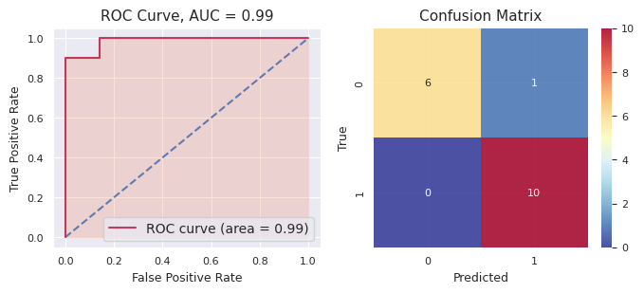
f-mth: 5678 | 0 | 0.33508736 | 0 | 0.38905502 | 0 |  |  | 0.48963777 | 1 | 0.53570043 | 1 | 0.76250699 |  |  | 1 | 0 | 1 |  | 0.502397514 |  |  |  |  | Accuracy: 0.9411764705882353, Precision: 0.9090909090909091, Recall: 1.0, F1: 0.9523809523809523, AUC: 0.9857142857142858
 | 1 | 0.95489335 | 1 | 0.60064737 | 1 |  |  | 0.60496372 | 1 | 0.74872382 | 1 | 0.84487137 |  |  | 1 | 1 | 1 |  | 0.750819926
 | 0 | 0.11701369 | 0 | 0.3250518 | 0 |  |  | 0.28240785 | 0 | 0.46658001 | 1 | 0.5477974 |  |  | 0 | 0 | 0 |  | 0.34777015
 | 1 | 0.8943879 | 1 | 0.78126122 | 1 |  |  | 0.7402585 | 1 | 0.68392559 | 1 | 0.76848415 |  |  | 1 | 1 | 1 |  | 0.773663472
 | 0 | 0.27197263 | 1 | 0.80110157 | 1 |  |  | 0.8425003 | 1 | 0.7668952 | 1 | 0.84296725 |  |  | 1 | 1 | 1 |  | 0.70508739
 | 1 | 0.9508939 | 1 | 0.96766452 | 1 |  |  | 0.96441641 | 1 | 0.86155993 | 1 | 0.94326438 |  |  | 1 | 1 | 1 |  | 0.937559828
 | 0 | 0.12965046 | 0 | 0.12069206 | 0 |  |  | 0.11768474 | 0 | 0.16470201 | 0 | 0.02696666 |  |  | 0 | 0 | 0 |  | 0.111939186
 | 1 | 0.9303068 | 1 | 0.780526 | 1 |  |  | 0.86993609 | 1 | 0.81704788 | 1 | 0.91898038 |  |  | 1 | 1 | 1 |  | 0.86335943
 | 1 | 0.88002634 | 1 | 0.98372902 | 1 |  |  | 0.91372751 | 1 | 0.85186415 | 1 | 0.94729917 |  |  | 1 | 1 | 1 |  | 0.915329238
 | 0 | 0.40532556 | 1 | 0.63326951 | 1 |  |  | 0.69439103 | 1 | 0.78731742 | 1 | 0.88784778 |  |  | 0 | 1 | 1 |  | 0.68163026
 | 1 | 0.8076762 | 0 | 0.39593794 | 1 |  |  | 0.81985744 | 1 | 0.69932222 | 1 | 0.87839489 |  |  | 1 | 1 | 1 |  | 0.720237738
 | 0 | 0.06958698 | 0 | 0.26642843 | 0 |  |  | 0.24528728 | 0 | 0.19896382 | 0 | 0.13547573 |  |  | 0 | 0 | 0 |  | 0.183148448
 | 0 | 0.05212501 | 0 | 0.07406487 | 0 |  |  | 0.11209726 | 0 | 0.19704994 | 0 | 0.11251098 |  |  | 0 | 0 | 0 |  | 0.109569612
 | 0 | 0.04195555 | 0 | 0.358086 | 0 |  |  | 0.48306289 | 0 | 0.333356 | 0 | 0.25259608 |  |  | 0 | 0 | 0 |  | 0.293811304
 | 1 | 0.74371254 | 1 | 0.62383838 | 1 |  |  | 0.86176611 | 1 | 0.53319644 | 1 | 0.81714429 |  |  | 1 | 1 | 1 |  | 0.715931552
 | 0 | 0.06080956 | 0 | 0.12484901 | 0 |  |  | 0.34916113 | 0 | 0.32618706 | 1 | 0.60407667 |  |  | 0 | 0 | 0 |  | 0.293016686
 | 0 | 0.309782 | 1 | 0.82336382 | 1 |  |  | 0.85638721 | 1 | 0.82358341 | 1 | 0.93841897 |  |  | 1 | 1 | 1 |  | 0.750307082

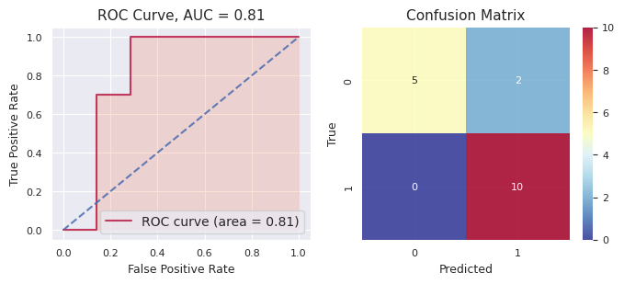
f-mth: 6 | 1 | 0.9459871 | 0 | 0.45007467 | 0 |  |  | 0.03555766 | 1 | 0.79158637 | 1 | 0.82311522 |  |  | 1 | 1 | 1 |  | 0.609264204 |  |  |  |  | Accuracy: 0.8823529411764706, Precision: 0.8333333333333334, Recall: 1.0, F1: 0.9090909090909091, AUC: 0.8142857142857143
 | 1 | 0.97558343 | 1 | 0.99004789 | 1 |  |  | 0.83999058 | 1 | 0.71245805 | 1 | 0.6898192 |  |  | 1 | 1 | 1 |  | 0.84157983
 | 0 | 0.02168264 | 0 | 0.01933381 | 0 |  |  | 0.26047001 | 0 | 0.15643753 | 0 | 0.2445893 |  |  | 0 | 0 | 0 |  | 0.140502658
 | 0 | 0.01906448 | 0 | 0.0382096 | 0 |  |  | 0.23098571 | 0 | 0.20343784 | 0 | 0.13818036 |  |  | 0 | 0 | 0 |  | 0.125975598
 | 1 | 0.92552525 | 1 | 0.70325467 | 0 |  |  | 0.43877382 | 0 | 0.46130101 | 0 | 0.49232247 |  |  | 1 | 0 | 1 |  | 0.604235444
 | 0 | 0.04107302 | 1 | 0.56285768 | 0 |  |  | 0.37981412 | 0 | 0.39890689 | 0 | 0.1739342 |  |  | 0 | 0 | 0 |  | 0.311317182
 | 0 | 0.37620005 | 0 | 0.08239439 | 0 |  |  | 0.26045898 | 0 | 0.24110249 | 0 | 0.10449051 |  |  | 0 | 0 | 0 |  | 0.212929284
 | 0 | 0.02078586 | 0 | 0.01604582 | 0 |  |  | 0.23657586 | 0 | 0.06097282 | 0 | 0.24563323 |  |  | 0 | 0 | 0 |  | 0.116002718
 | 1 | 0.8924147 | 1 | 0.84773685 | 0 |  |  | 0.47455458 | 1 | 0.67781792 | 1 | 0.6926091 |  |  | 0 | 1 | 1 |  | 0.71702663
 | 1 | 0.97712815 | 1 | 0.9038709 | 0 |  |  | 0.5 | 1 | 0.66192121 | 1 | 0.88860636 |  |  | 1 | 1 | 1 |  | 0.786305324
 | 1 | 0.97660977 | 1 | 0.97749481 | 1 |  |  | 0.79440391 | 1 | 0.80805873 | 1 | 0.9032482 |  |  | 1 | 1 | 1 |  | 0.891963084
 | 1 | 0.71738243 | 1 | 0.76392066 | 1 |  |  | 0.790757 | 1 | 0.52380923 | 1 | 0.72234129 |  |  | 1 | 1 | 1 |  | 0.703642122
 | 1 | 0.9728497 | 1 | 0.89420882 | 1 |  |  | 0.70960226 | 1 | 0.67194181 | 1 | 0.63798541 |  |  | 1 | 1 | 1 |  | 0.7773176
 | 1 | 0.97265244 | 1 | 0.68058164 | 1 |  |  | 0.77296352 | 1 | 0.59708689 | 1 | 0.77038869 |  |  | 1 | 1 | 1 |  | 0.758734636
 | 1 | 0.97947115 | 1 | 0.99855026 | 1 |  |  | 0.82525184 | 1 | 0.81406965 | 1 | 0.89627281 |  |  | 0 | 1 | 1 |  | 0.902723142
 | 1 | 0.9772307 | 1 | 0.88439116 | 1 |  |  | 0.95486052 | 1 | 0.72955901 | 1 | 0.83505842 |  |  | 1 | 1 | 1 |  | 0.876219962
 | 1 | 0.9771006 | 1 | 0.91205066 | 1 |  |  | 0.94840679 | 1 | 0.71288802 | 1 | 0.83505842 |  |  | 1 | 1 | 1 |  | 0.877100898

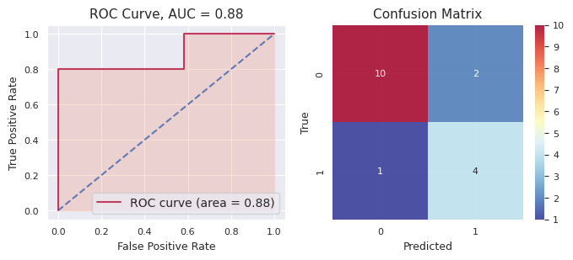
f-mth: 67890 | 0 | 0.03064126 | 0 | 0.01324406 | 0 |  |  | 0.03064185 | 0 | 0.10360467 | 0 | 0.02894707 |  |  | 0 | 0 | 0 |  | 0.041415782 |  |  |  |  | Accuracy: 0.8235294117647058, Precision: 0.6666666666666666, Recall: 0.8, F1: 0.7272727272727273, AUC: 0.8833333333333333
 | 0 | 0.02657114 | 0 | 0.00458765 | 0 |  |  | 0.05214885 | 0 | 0.24227611 | 0 | 0.08777105 |  |  | 0 | 0 | 0 |  | 0.08267096
 | 1 | 0.61285096 | 1 | 0.89794466 | 0 |  |  | 0.42228655 | 0 | 0.47922572 | 0 | 0.4525346 |  |  | 0 | 0 | 1 |  | 0.572968498
 | 0 | 0.16299668 | 0 | 0.09166553 | 0 |  |  | 0.1753654 | 0 | 0.22425089 | 0 | 0.075034 |  |  | 0 | 0 | 0 |  | 0.1458625
 | 1 | 0.9464761 | 1 | 0.85074475 | 1 |  |  | 0.90381 | 1 | 0.59096598 | 1 | 0.9141382 |  |  | 1 | 1 | 1 |  | 0.841227006
 | 0 | 0.03333345 | 0 | 0.01308527 | 0 |  |  | 0.01940786 | 0 | 0.11327133 | 0 | 0.01872116 |  |  | 0 | 0 | 0 |  | 0.039563814
 | 0 | 0.07422286 | 0 | 0.12325747 | 0 |  |  | 0.14848309 | 0 | 0.20988769 | 0 | 0.03018033 |  |  | 0 | 0 | 0 |  | 0.117206288
 | 0 | 0.20205902 | 0 | 0.35132217 | 0 |  |  | 0.15837898 | 0 | 0.23576566 | 0 | 0.04104162 |  |  | 0 | 0 | 0 |  | 0.19771349
 | 1 | 0.9390869 | 1 | 0.97753102 | 1 |  |  | 0.9711163 | 1 | 0.91209644 | 1 | 0.98690682 |  |  | 1 | 1 | 1 |  | 0.957347496
 | 1 | 0.671361 | 1 | 0.93913494 | 1 |  |  | 0.83727977 | 1 | 0.78854299 | 1 | 0.94968098 |  |  | 1 | 1 | 1 |  | 0.837199936
 | 0 | 0.03691884 | 0 | 0.08941855 | 0 |  |  | 0.05043998 | 0 | 0.0686015 | 0 | 0.1318998 |  |  | 0 | 0 | 0 |  | 0.075455734
 | 1 | 0.9651662 | 1 | 0.93777738 | 1 |  |  | 0.66484211 | 1 | 0.74888141 | 1 | 0.85830747 |  |  | 1 | 1 | 1 |  | 0.834994914
 | 1 | 0.9179291 | 0 | 0.11554647 | 0 |  |  | 0.21129753 | 0 | 0.22727638 | 0 | 0.05586307 |  |  | 0 | 0 | 0 |  | 0.30558251
 | 1 | 0.70262617 | 0 | 0.11711849 | 0 |  |  | 0.28757793 | 1 | 0.6719647 | 0 | 0.31589753 |  |  | 0 | 0 | 0 |  | 0.419036964
 | 0 | 0.03699657 | 0 | 0.00811976 | 0 |  |  | 0.12967871 | 0 | 0.31678443 | 0 | 0.03412389 |  |  | 1 | 0 | 0 |  | 0.105140672
 | 0 | 0.02911218 | 0 | 0.03756828 | 0 |  |  | 0.31887481 | 0 | 0.07828549 | 0 | 0.02476732 |  |  | 0 | 0 | 0 |  | 0.097721616
 | 0 | 0.31359023 | 1 | 0.84068338 | 1 |  |  | 0.7446238 | 1 | 0.63420404 | 1 | 0.66264455 |  |  | 0 | 1 | 1 |  | 0.6391492

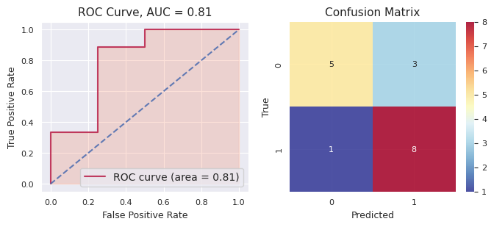
f-mth: 876 | 1 | 0.8485021 | 1 | 0.78556765 | 1 |  |  | 0.91700849 | 1 | 0.87034748 | 1 | 0.99790474 |  |  | 1 | 1 | 1 |  | 0.883866092 |  |  |  |  | Accuracy: 0.7647058823529411, Precision: 0.7272727272727273, Recall: 0.8888888888888888, F1: 0.8, AUC: 0.8055555555555556
 | 0 | 0.15310484 | 0 | 0.22197246 | 0 |  |  | 0.23044437 | 0 | 0.17875237 | 0 | 0.05421805 |  |  | 0 | 0 | 0 |  | 0.167698418
 | 0 | 0.25849825 | 0 | 0.37887847 | 1 |  |  | 0.53014749 | 1 | 0.63230304 | 1 | 0.96855137 |  |  | 0 | 1 | 1 |  | 0.553675724
 | 1 | 0.66994196 | 1 | 0.80272352 | 1 |  |  | 0.61414674 | 1 | 0.63656966 | 1 | 0.98021997 |  |  | 1 | 1 | 1 |  | 0.74072037
 | 1 | 0.8271855 | 1 | 0.62172266 | 1 |  |  | 0.66860073 | 1 | 0.60593413 | 1 | 0.75697107 |  |  | 1 | 1 | 1 |  | 0.696082818
 | 0 | 0.18195604 | 0 | 0.2754745 | 0 |  |  | 0.22588264 | 0 | 0.14990999 | 0 | 0.00657872 |  |  | 0 | 0 | 0 |  | 0.167960378
 | 0 | 0.20595706 | 0 | 0.48541009 | 0 |  |  | 0.43267072 | 1 | 0.56952901 | 1 | 0.63490607 |  |  | 0 | 0 | 0 |  | 0.46569459
 | 1 | 0.5944806 | 1 | 0.66141358 | 1 |  |  | 0.67999385 | 1 | 0.58227496 | 1 | 0.50848866 |  |  | 1 | 1 | 1 |  | 0.60533033
 | 1 | 0.7557455 | 1 | 0.82199922 | 1 |  |  | 0.93163922 | 1 | 0.89946922 | 1 | 0.98043834 |  |  | 1 | 1 | 1 |  | 0.8778583
 | 1 | 0.7639681 | 1 | 0.69266772 | 1 |  |  | 0.80349978 | 1 | 0.612289 | 1 | 0.87574141 |  |  | 0 | 1 | 1 |  | 0.749633202
 | 1 | 0.8710435 | 1 | 0.80896659 | 1 |  |  | 0.8811205 | 1 | 0.91535586 | 1 | 0.9863252 |  |  | 1 | 1 | 1 |  | 0.89256233
 | 1 | 0.72006994 | 1 | 0.6120488 | 1 |  |  | 0.77089881 | 1 | 0.65484044 | 1 | 0.92898492 |  |  | 1 | 1 | 1 |  | 0.737368582
 | 0 | 0.3987085 | 1 | 0.57044734 | 1 |  |  | 0.60209255 | 1 | 0.73525544 | 1 | 0.96935173 |  |  | 1 | 1 | 1 |  | 0.655171112
 | 0 | 0.13086377 | 0 | 0.19756206 | 0 |  |  | 0.03387801 | 0 | 0.19608704 | 0 | 0.00237914 |  |  | 0 | 0 | 0 |  | 0.112154004
 | 0 | 0.41693255 | 1 | 0.75494427 | 1 |  |  | 0.79002136 | 1 | 0.77173 | 1 | 0.97148982 |  |  | 0 | 1 | 1 |  | 0.7410236
 | 1 | 0.6378003 | 0 | 0.17774802 | 0 |  |  | 0.00509092 | 0 | 0.48993178 | 0 | 0.06554865 |  |  | 1 | 0 | 0 |  | 0.275223934
 | 0 | 0.26647693 | 0 | 0.36575004 | 0 |  |  | 0.15723281 | 0 | 0.26560901 | 0 | 0.03071849 |  |  | 0 | 0 | 0 |  | 0.217157456

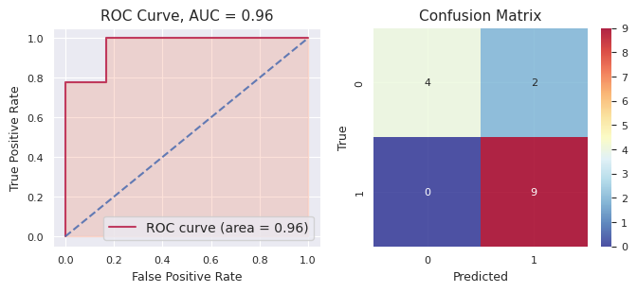
bpu: 321 | 1 | 0.91206485 | 1 | 0.80540229 | 1 |  |  | 0.67435506 | 1 | 0.74316016 | 1 | 0.99999991 |  |  | 1 | 1 | 1 |  | 0.826996454 |  |  |  |  | Accuracy: 0.8666666666666667, Precision: 0.8181818181818182, Recall: 1.0, F1: 0.9, AUC: 0.962962962962963
 | 0 | 0.23074472 | 1 | 0.68000684 | 1 |  |  | 0.58697263 | 1 | 0.54794173 | 1 | 0.999997125 |  |  | 1 | 1 | 1 |  | 0.609132609
 | 1 | 0.9503671 | 1 | 0.81650781 | 1 |  |  | 0.62684892 | 1 | 0.69789571 | 1 | 1 |  |  | 1 | 1 | 1 |  | 0.818323908
 | 1 | 0.94009167 | 1 | 0.72507291 | 1 |  |  | 0.65260989 | 1 | 0.73683258 | 1 | 1 |  |  | 1 | 1 | 1 |  | 0.81092141
 | 0 | 0.15832429 | 1 | 0.8384033 | 1 |  |  | 0.53694368 | 1 | 0.65762997 | 1 | 0.597498599 |  |  | 0 | 1 | 1 |  | 0.5577599678
 | 0 | 0.04842417 | 0 | 0.11959267 | 0 |  |  | 0.29053356 | 0 | 0.35328669 | 0 | 0.0145625512 |  |  | 0 | 0 | 0 |  | 0.16527992824
 | 1 | 0.9469476 | 1 | 0.70635433 | 1 |  |  | 0.67768711 | 1 | 0.69860659 | 0 | 0.00631271215 |  |  | 1 | 1 | 1 |  | 0.60718166843
 | 1 | 0.89155954 | 1 | 0.66621612 | 1 |  |  | 0.65390636 | 1 | 0.70312524 | 1 | 0.999999824 |  |  | 1 | 1 | 1 |  | 0.7829614168
 | 0 | 0.05593201 | 0 | 0.19818087 | 0 |  |  | 0.33604791 | 0 | 0.37703699 | 1 | 0.999971126 |  |  | 0 | 0 | 0 |  | 0.3934337812
 | 0 | 0.04104924 | 0 | 0.11011387 | 0 |  |  | 0.3085839 | 0 | 0.07351485 | 0 | 2.41705777E-10 |  |  | 0 | 0 | 0 |  | 0.10665237205
 | 1 | 0.9156427 | 1 | 0.78593037 | 1 |  |  | 0.66722005 | 1 | 0.70967054 | 1 | 0.999999607 |  |  | 1 | 1 | 1 |  | 0.8156926534
 | 0 | 0.03355414 | 0 | 0.179075 | 0 |  |  | 0.33610029 | 0 | 0.2022365 | 0 | 9.94949431E-10 |  |  | 0 | 0 | 0 |  | 0.1501931862
 | 1 | 0.9584012 | 1 | 0.75334193 | 1 |  |  | 0.61664631 | 1 | 0.69766766 | 1 | 0.999999999 |  |  | 1 | 1 | 1 |  | 0.8052114198
 | 1 | 0.96140933 | 1 | 0.89479167 | 1 |  |  | 0.71773237 | 1 | 0.84481189 | 1 | 1 |  |  | 1 | 1 | 1 |  | 0.883749052
 | 1 | 0.94747007 | 1 | 0.51853868 | 1 |  |  | 0.50619676 | 1 | 0.68197976 | 1 | 0.999999991 |  |  | 0 | 1 | 1 |  | 0.7308370522

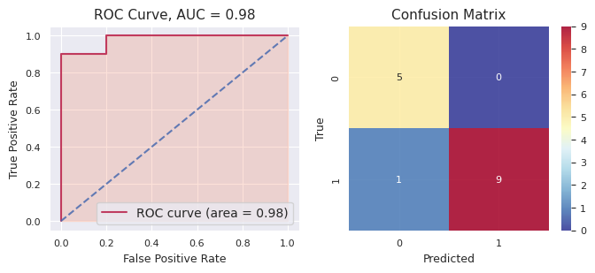
bpu: 21 | 0 | 0.06303126 | 0 | 0.07575931 | 0 |  |  | 0.15420652 | 0 | 0.11924209 | 0 | 0.13953681 |  |  | 0 | 0 | 0 |  | 0.110355198 |  |  |  |  | Accuracy: 0.9333333333333333, Precision: 1.0, Recall: 0.9, F1: 0.9473684210526315, AUC: 0.9800000000000001
 | 1 | 0.9250843 | 0 | 0.26436813 | 0 |  |  | 0.40129836 | 0 | 0.41886031 | 0 | 0.27293433 |  |  | 0 | 0 | 0 |  | 0.456509086
 | 1 | 0.79249865 | 1 | 0.69603765 | 1 |  |  | 0.75444691 | 1 | 0.78092347 | 1 | 0.76974918 |  |  | 1 | 1 | 1 |  | 0.758731172
 | 0 | 0.49056455 | 1 | 0.54547332 | 0 |  |  | 0.34471547 | 0 | 0.47601994 | 0 | 0.23567278 |  |  | 1 | 0 | 0 |  | 0.418489212
 | 1 | 0.94457585 | 1 | 0.95246252 | 1 |  |  | 0.87834416 | 1 | 0.86181114 | 1 | 0.91692494 |  |  | 1 | 1 | 1 |  | 0.910823722
 | 1 | 0.5675172 | 1 | 0.62568888 | 1 |  |  | 0.70388471 | 1 | 0.60885942 | 1 | 0.53536005 |  |  | 1 | 1 | 1 |  | 0.608262052
 | 1 | 0.94029546 | 1 | 0.88546903 | 1 |  |  | 0.80787609 | 1 | 0.80620748 | 1 | 0.8697467 |  |  | 1 | 1 | 1 |  | 0.861918952
 | 0 | 0.07564997 | 1 | 0.81598979 | 0 |  |  | 0.35556127 | 1 | 0.54022237 | 0 | 0.17712555 |  |  | 0 | 0 | 0 |  | 0.39290979
 | 0 | 0.10667905 | 0 | 0.02483949 | 0 |  |  | 0.12207029 | 0 | 0.06977793 | 0 | 0.09717073 |  |  | 0 | 0 | 0 |  | 0.084107498
 | 1 | 0.93829316 | 1 | 0.73054883 | 1 |  |  | 0.83243927 | 1 | 0.79875735 | 1 | 0.81380269 |  |  | 1 | 1 | 1 |  | 0.82276826
 | 1 | 0.89598227 | 1 | 0.905417 | 1 |  |  | 0.61760592 | 1 | 0.69525069 | 1 | 0.50183033 |  |  | 1 | 1 | 1 |  | 0.723217242
 | 1 | 0.9537527 | 1 | 0.8914406 | 1 |  |  | 0.81359413 | 1 | 0.72818819 | 1 | 0.84884312 |  |  | 1 | 1 | 1 |  | 0.847163748
 | 0 | 0.15840676 | 1 | 0.52759359 | 1 |  |  | 0.79541025 | 1 | 0.52337956 | 1 | 0.64928205 |  |  | 1 | 1 | 1 |  | 0.530814442
 | 0 | 0.09473663 | 0 | 0.08279556 | 0 |  |  | 0.16205483 | 0 | 0.132887 | 0 | 0.11964914 |  |  | 0 | 0 | 0 |  | 0.118424632
 | 1 | 0.866995 | 1 | 0.92893343 | 1 |  |  | 0.81071322 | 1 | 0.83024312 | 1 | 0.86323915 |  |  | 1 | 1 | 1 |  | 0.860024784

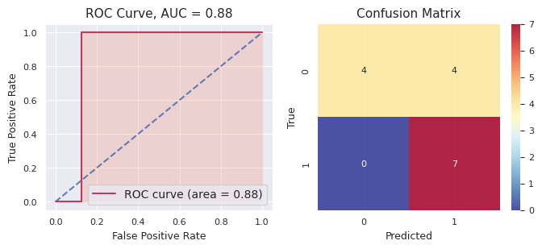
bpu: 12 | 1 | 0.97578514 | 1 | 0.93152615 | 1 |  |  | 0.69416285 | 1 | 0.72380374 | 1 | 0.94568898 |  |  | 1 | 1 | 1 |  | 0.854193372 |  |  |  |  | Accuracy: 0.7333333333333333, Precision: 0.6363636363636364, Recall: 1.0, F1: 0.7777777777777778, AUC: 0.875
 | 1 | 0.9735562 | 1 | 0.79623106 | 0 |  |  | 0.39625425 | 1 | 0.80288615 | 1 | 0.96994041 |  |  | 1 | 1 | 1 |  | 0.787773614
 | 0 | 0.02415564 | 0 | 0.00339677 | 0 |  |  | 0.1676354 | 0 | 0.41753206 | 1 | 0.54356524 |  |  | 0 | 0 | 0 |  | 0.231257022
 | 1 | 0.84607077 | 1 | 0.64569864 | 1 |  |  | 0.6203727 | 1 | 0.72223974 | 1 | 0.87136824 |  |  | 1 | 1 | 1 |  | 0.741150018
 | 0 | 0.02003914 | 0 | 0.03526718 | 0 |  |  | 0.2559253 | 0 | 0.33859685 | 0 | 0.00854825 |  |  | 0 | 0 | 0 |  | 0.131675344
 | 1 | 0.9751822 | 1 | 0.93497663 | 1 |  |  | 0.85062263 | 1 | 0.71699701 | 1 | 0.94627072 |  |  | 0 | 1 | 1 |  | 0.884809838
 | 1 | 0.97879386 | 1 | 0.86961081 | 1 |  |  | 0.60561742 | 1 | 0.7887861 | 1 | 0.965491 |  |  | 1 | 1 | 1 |  | 0.841659838
 | 1 | 0.9807701 | 1 | 0.98948687 | 1 |  |  | 0.72411403 | 1 | 0.58150553 | 1 | 0.81399555 |  |  | 1 | 1 | 1 |  | 0.817974416
 | 1 | 0.96446025 | 1 | 0.53247937 | 0 |  |  | 0.5 | 0 | 0.43779085 | 1 | 0.58250863 |  |  | 0 | 1 | 1 |  | 0.60344782
 | 1 | 0.9767198 | 1 | 0.96558622 | 1 |  |  | 0.72515473 | 1 | 0.68549784 | 1 | 0.97725109 |  |  | 1 | 1 | 1 |  | 0.866041936
 | 1 | 0.85208327 | 0 | 0.45428075 | 1 |  |  | 0.54989235 | 1 | 0.50469553 | 0 | 0.24495394 |  |  | 0 | 1 | 1 |  | 0.521181168
 | 0 | 0.02140269 | 0 | 0.02117779 | 0 |  |  | 0.31179946 | 0 | 0.11509818 | 0 | 0.02997116 |  |  | 0 | 0 | 0 |  | 0.099889856
 | 1 | 0.9712858 | 1 | 0.81543196 | 1 |  |  | 0.61822972 | 0 | 0.48921257 | 0 | 0.31028913 |  |  | 0 | 1 | 1 |  | 0.640889836
 | 0 | 0.01889408 | 0 | 0.08978601 | 0 |  |  | 0.29845506 | 1 | 0.53592829 | 1 | 0.58453911 |  |  | 0 | 0 | 0 |  | 0.30552051
 | 1 | 0.97583145 | 1 | 0.72116815 | 1 |  |  | 0.55767895 | 1 | 0.75780945 | 1 | 0.96055814 |  |  | 1 | 1 | 1 |  | 0.794609228

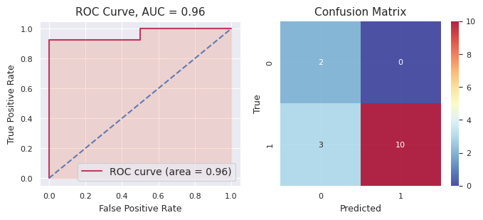
bpu: 3 | 1 | 0.96652806 | 1 | 0.60818256 | 1 |  |  | 0.54346144 | 0 | 0.49239223 | 1 | 0.88614343 |  |  | 1 | 1 | 1 |  | 0.699341544 |  |  |  |  | Accuracy: 0.8, Precision: 1.0, Recall: 0.7692307692307693, F1: 0.8695652173913043, AUC: 0.9615384615384616
 | 1 | 0.7906217 | 0 | 0.03034931 | 0 |  |  | 0.45021942 | 1 | 0.62976748 | 0 | 0.46850792 |  |  | 1 | 0 | 0 |  | 0.473893166
 | 0 | 0.14868173 | 1 | 0.7469768 | 1 |  |  | 0.62398695 | 1 | 0.74821967 | 1 | 0.91728264 |  |  | 1 | 1 | 1 |  | 0.637029558
 | 0 | 0.02831928 | 0 | 0.14769467 | 0 |  |  | 0.29780291 | 0 | 0.18855785 | 0 | 0.05322058 |  |  | 0 | 0 | 0 |  | 0.143119058
 | 0 | 0.28854248 | 1 | 0.52370279 | 1 |  |  | 0.5734673 | 0 | 0.46558122 | 1 | 0.59541724 |  |  | 1 | 1 | 0 |  | 0.489342206
 | 1 | 0.97207415 | 1 | 0.86041318 | 1 |  |  | 0.72315525 | 1 | 0.72761041 | 1 | 0.95279824 |  |  | 1 | 1 | 1 |  | 0.847210246
 | 0 | 0.05505375 | 0 | 0.28065161 | 0 |  |  | 0.4111178 | 0 | 0.29978252 | 0 | 0.13150467 |  |  | 1 | 0 | 0 |  | 0.23562207
 | 1 | 0.83548725 | 1 | 0.73000262 | 1 |  |  | 0.62711266 | 1 | 0.68708261 | 1 | 0.97175044 |  |  | 1 | 1 | 1 |  | 0.770287116
 | 1 | 0.6180292 | 0 | 0.49289633 | 1 |  |  | 0.52020666 | 0 | 0.4448546 | 1 | 0.61857168 |  |  | 1 | 1 | 1 |  | 0.538911694
 | 1 | 0.96428794 | 1 | 0.78379209 | 1 |  |  | 0.65750293 | 1 | 0.7051484 | 1 | 0.95760007 |  |  | 1 | 1 | 1 |  | 0.813666286
 | 1 | 0.9689233 | 1 | 0.93922055 | 1 |  |  | 0.67431196 | 1 | 0.69068913 | 1 | 0.83017333 |  |  | 1 | 1 | 1 |  | 0.820663654
 | 1 | 0.96083283 | 0 | 0.43528381 | 0 |  |  | 0.4217057 | 1 | 0.503511 | 1 | 0.66612641 |  |  | 1 | 1 | 1 |  | 0.59749195
 | 0 | 0.23566593 | 0 | 0.07376884 | 0 |  |  | 0.27109718 | 1 | 0.5305164 | 0 | 0.35250454 |  |  | 0 | 0 | 0 |  | 0.292710578
 | 1 | 0.97243696 | 1 | 0.79154387 | 1 |  |  | 0.67386802 | 1 | 0.68314137 | 1 | 0.89595379 |  |  | 1 | 1 | 1 |  | 0.803388802
 | 1 | 0.8101407 | 1 | 0.78059 | 1 |  |  | 0.65138863 | 1 | 0.7051484 | 1 | 0.95760007 |  |  | 1 | 1 | 1 |  | 0.78097356

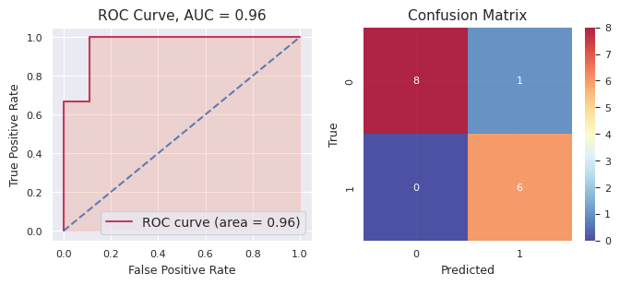
bpu: 1234 | 0 | 0.03023627 | 0 | 0.30559826 | 0 |  |  | 0.14299459 | 0 | 0.31140949 | 0 | 0.02478898 |  |  | 0 | 0 | 0 |  | 0.163005518 |  |  |  |  | Accuracy: 0.9333333333333333, Precision: 0.8571428571428571, Recall: 1.0, F1: 0.9230769230769231, AUC: 0.9629629629629629
 | 0 | 0.35122657 | 1 | 0.53688029 | 1 |  |  | 0.78205299 | 1 | 0.51181115 | 1 | 0.93924092 |  |  | 1 | 1 | 1 |  | 0.624242384
 | 1 | 0.961132 | 1 | 0.88535011 | 1 |  |  | 0.73975986 | 1 | 0.7825996 | 1 | 0.97599576 |  |  | 1 | 1 | 1 |  | 0.868967466
 | 0 | 0.02057801 | 0 | 0.19698004 | 0 |  |  | 0.09944902 | 0 | 0.16782077 | 0 | 0.01556647 |  |  | 0 | 0 | 0 |  | 0.100078862
 | 1 | 0.9561817 | 1 | 0.56224376 | 1 |  |  | 0.78940104 | 1 | 0.66352063 | 1 | 0.94735262 |  |  | 1 | 1 | 1 |  | 0.78373995
 | 1 | 0.9602155 | 0 | 0.4313996 | 0 |  |  | 0.41777208 | 0 | 0.46354356 | 1 | 0.90465254 |  |  | 1 | 0 | 1 |  | 0.635516656
 | 1 | 0.95570993 | 1 | 0.59994525 | 1 |  |  | 0.58089337 | 0 | 0.46964969 | 1 | 0.87349602 |  |  | 0 | 1 | 1 |  | 0.695938852
 | 1 | 0.66632724 | 1 | 0.55959307 | 0 |  |  | 0.47109725 | 0 | 0.43003635 | 0 | 0.0324572 |  |  | 0 | 0 | 0 |  | 0.431902222
 | 0 | 0.05302137 | 0 | 0.27298294 | 0 |  |  | 0.13171907 | 0 | 0.30575905 | 0 | 0.05734384 |  |  | 0 | 0 | 0 |  | 0.164165254
 | 0 | 0.3006684 | 0 | 0.34762085 | 0 |  |  | 0.10954867 | 0 | 0.28177299 | 0 | 0.01836499 |  |  | 0 | 0 | 0 |  | 0.21159518
 | 1 | 0.8873738 | 0 | 0.30689841 | 0 |  |  | 0.1852503 | 0 | 0.38131635 | 0 | 0.04917665 |  |  | 0 | 0 | 0 |  | 0.362003102
 | 1 | 0.83403426 | 1 | 0.98422527 | 1 |  |  | 0.64354276 | 1 | 0.75465008 | 1 | 0.9627716 |  |  | 1 | 1 | 1 |  | 0.835844794
 | 0 | 0.08177101 | 0 | 0.20045381 | 0 |  |  | 0.17446641 | 0 | 0.47066838 | 0 | 0.44530496 |  |  | 0 | 0 | 0 |  | 0.274532914
 | 0 | 0.04052329 | 1 | 0.54150017 | 0 |  |  | 0.43817387 | 0 | 0.47199398 | 0 | 0.08568023 |  |  | 0 | 0 | 0 |  | 0.315574308
 | 1 | 0.86911 | 1 | 0.77162067 | 1 |  |  | 0.75309407 | 1 | 0.70657305 | 1 | 0.86822644 |  |  | 1 | 1 | 1 |  | 0.793724846

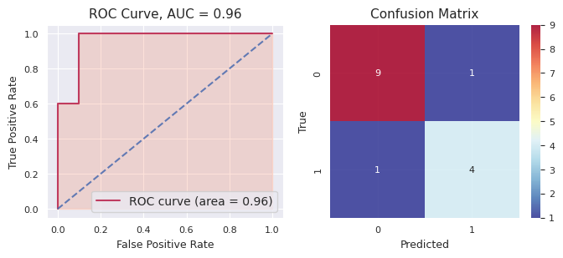
bpu: 987 | 1 | 0.97170174 | 1 | 9.38E-01 | 1 |  |  | 0.94551209 | 1 | 0.83584027 | 1 | 1.00E+00 |  |  | 1 | 1 | 1 |  | 0.9381198644 |  |  |  |  | Accuracy: 0.8666666666666667, Precision: 0.8, Recall: 0.8, F1: 0.8, AUC: 0.96
 | 1 | 0.9637059 | 1 | 5.63E-01 | 1 |  |  | 0.81541024 | 0 | 0.40067323 | 1 | 9.15E-01 |  |  | 0 | 1 | 1 |  | 0.7315051454
 | 1 | 0.9624409 | 1 | 9.83E-01 | 1 |  |  | 0.92991993 | 1 | 0.81993029 | 1 | 1.00E+00 |  |  | 1 | 1 | 1 |  | 0.939071142
 | 1 | 0.96378076 | 1 | 9.88E-01 | 1 |  |  | 0.95970741 | 1 | 0.90717865 | 1 | 1.00E+00 |  |  | 1 | 1 | 1 |  | 0.9637395768
 | 1 | 0.9457591 | 0 | 1.63E-01 | 0 |  |  | 0.1437547 | 0 | 0.33645426 | 0 | 5.88E-02 |  |  | 0 | 0 | 0 |  | 0.32946631492
 | 0 | 0.03159676 | 0 | 1.11E-01 | 0 |  |  | 0.07739789 | 0 | 0.16859936 | 0 | 6.26E-03 |  |  | 0 | 0 | 0 |  | 0.079028465354
 | 0 | 0.03855731 | 0 | 8.79E-03 | 0 |  |  | 0.04828252 | 0 | 0.09979409 | 0 | 1.40E-03 |  |  | 0 | 0 | 0 |  | 0.03936430926
 | 0 | 0.04144872 | 0 | 2.04E-02 | 0 |  |  | 0.0365425 | 0 | 0.13590464 | 0 | 5.70E-04 |  |  | 0 | 0 | 0 |  | 0.046964798402
 | 0 | 0.03364637 | 0 | 1.15E-01 | 0 |  |  | 0.11884941 | 0 | 0.25214627 | 0 | 4.35E-01 |  |  | 0 | 0 | 0 |  | 0.1909533292
 | 1 | 0.89477366 | 0 | 1.31E-01 | 0 |  |  | 0.08562555 | 0 | 0.18235765 | 0 | 3.62E-04 |  |  | 0 | 0 | 0 |  | 0.25885892745
 | 0 | 0.03832102 | 0 | 1.52E-02 | 0 |  |  | 0.11397897 | 0 | 0.17636971 | 0 | 6.13E-03 |  |  | 0 | 0 | 0 |  | 0.069997103488
 | 0 | 0.09523255 | 0 | 6.80E-04 | 1 |  |  | 0.75591637 | 0 | 0.3108484 | 0 | 1.34E-03 |  |  | 0 | 0 | 0 |  | 0.23280357808
 | 1 | 0.9370963 | 0 | 2.87E-01 | 0 |  |  | 0.45109577 | 1 | 0.57407994 | 1 | 8.10E-01 |  |  | 1 | 1 | 1 |  | 0.6118678492
 | 1 | 0.78233653 | 1 | 6.23E-01 | 0 |  |  | 0.42592141 | 0 | 0.30299473 | 0 | 2.08E-01 |  |  | 1 | 0 | 0 |  | 0.4686019794
 | 0 | 0.08483016 | 0 | 9.27E-02 | 0 |  |  | 0.2037101 | 0 | 0.28505037 | 0 | 7.73E-03 |  |  | 0 | 0 | 0 |  | 0.1347995785

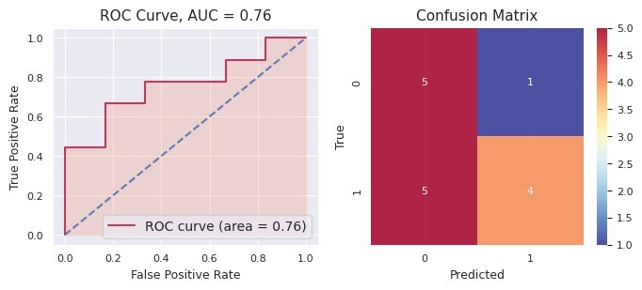
bpu: 567 | 1 | 0.53160775 | 0 | 0.49356293 | 0 |  |  | 0.31982872 | 0 | 0.40180526 | 0 | 4.63E-02 |  |  | 0 | 0 | 0 |  | 0.35862508022 |  |  |  |  | Accuracy: 0.6, Precision: 0.8, Recall: 0.4444444444444444, F1: 0.5714285714285714, AUC: 0.7592592592592592
 | 1 | 0.9205992 | 0 | 0.48629579 | 0 |  |  | 0.46733878 | 0 | 0.4319085 | 0 | 2.24E-03 |  |  | 1 | 0 | 0 |  | 0.46167644061
 | 0 | 0.38335326 | 0 | 0.43875134 | 1 |  |  | 0.51782005 | 0 | 0.47622278 | 1 | 1.00E+00 |  |  | 1 | 0 | 1 |  | 0.5631469316
 | 1 | 0.91130537 | 0 | 0.49429567 | 1 |  |  | 0.55414469 | 1 | 0.50056271 | 1 | 9.24E-01 |  |  | 1 | 1 | 1 |  | 0.6767782842
 | 1 | 0.64717436 | 0 | 0.46134476 | 0 |  |  | 0.28301772 | 0 | 0.27569105 | 0 | 1.56E-04 |  |  | 0 | 0 | 0 |  | 0.33347682581
 | 0 | 0.03753777 | 0 | 0.42158275 | 0 |  |  | 0.30308915 | 0 | 0.3773992 | 0 | 3.21E-05 |  |  | 1 | 0 | 0 |  | 0.22792819073
 | 0 | 0.03257607 | 0 | 0.44325058 | 0 |  |  | 0.37467691 | 0 | 0.41609637 | 0 | 1.08E-05 |  |  | 0 | 0 | 0 |  | 0.25332213746
 | 0 | 0.03167348 | 0 | 0.48210258 | 0 |  |  | 0.34279464 | 0 | 0.45810135 | 0 | 1.19E-03 |  |  | 1 | 0 | 0 |  | 0.26317314331
 | 1 | 0.9556503 | 1 | 0.59831324 | 1 |  |  | 0.71829507 | 1 | 0.68042861 | 1 | 1.00E+00 |  |  | 1 | 1 | 1 |  | 0.7905025028
 | 0 | 0.09458639 | 0 | 0.47609729 | 0 |  |  | 0.39684029 | 0 | 0.42939752 | 0 | 1.53E-01 |  |  | 0 | 0 | 0 |  | 0.3099136598
 | 0 | 0.129812 | 0 | 0.4915656 | 0 |  |  | 0.37936719 | 0 | 0.45624943 | 0 | 2.31E-01 |  |  | 1 | 0 | 0 |  | 0.3375609114
 | 1 | 0.5735308 | 0 | 0.46520123 | 0 |  |  | 0.43416793 | 0 | 0.35134404 | 1 | 8.12E-01 |  |  | 0 | 0 | 1 |  | 0.5271996216
 | 0 | 0.0262376 | 0 | 0.43927835 | 0 |  |  | 0.31204624 | 0 | 0.31047048 | 0 | 2.26E-04 |  |  | 0 | 0 | 0 |  | 0.21765166727
 | 1 | 0.79296464 | 0 | 0.48584958 | 0 |  |  | 0.364407 | 0 | 0.4466315 | 0 | 3.48E-02 |  |  | 1 | 0 | 0 |  | 0.42493500126
 | 1 | 0.84746724 | 0 | 0.43855549 | 1 |  |  | 0.61246426 | 0 | 0.49027227 | 1 | 9.99E-01 |  |  | 1 | 1 | 1 |  | 0.6774567616

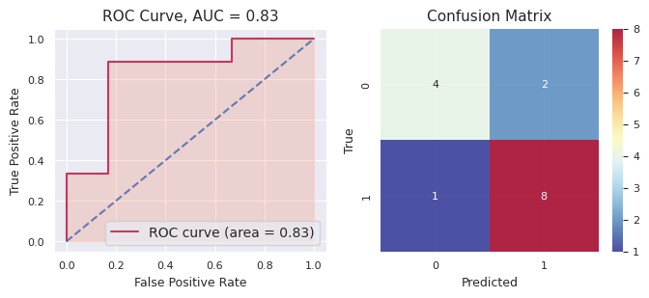
bpu: 7 | 1 | 0.87219775 | 1 | 0.74659691 | 1 |  |  | 0.80759852 | 1 | 0.85603757 | 0 | 0.09699899 |  |  | 1 | 1 | 1 |  | 0.675885948 |  |  |  |  | Accuracy: 0.8, Precision: 0.8, Recall: 0.8888888888888888, F1: 0.8421052631578947, AUC: 0.8333333333333334
 | 1 | 0.9015941 | 1 | 0.96894634 | 1 |  |  | 0.80337827 | 1 | 0.96176046 | 0 | 0.24153294 |  |  | 1 | 1 | 1 |  | 0.775442422
 | 1 | 0.73601145 | 1 | 0.9271413 | 1 |  |  | 0.83402998 | 1 | 0.81024098 | 0 | 0.05101129 |  |  | 1 | 1 | 1 |  | 0.671687
 | 1 | 0.8614811 | 1 | 0.85638366 | 1 |  |  | 0.79399309 | 1 | 0.60428394 | 1 | 0.95888527 |  |  | 1 | 1 | 1 |  | 0.815005412
 | 1 | 0.88231343 | 1 | 0.9964898 | 1 |  |  | 0.9520755 | 1 | 0.8779521 | 0 | 0.19559679 |  |  | 0 | 1 | 1 |  | 0.780885524
 | 1 | 0.82897806 | 1 | 0.93183675 | 1 |  |  | 0.94910348 | 1 | 0.73182216 | 1 | 0.66030734 |  |  | 1 | 1 | 1 |  | 0.820409558
 | 1 | 0.8861966 | 0 | 0.4037476 | 1 |  |  | 0.74680921 | 1 | 0.87242705 | 1 | 0.56301845 |  |  | 1 | 1 | 1 |  | 0.694439782
 | 1 | 0.74536705 | 1 | 0.87590975 | 1 |  |  | 0.62314334 | 0 | 0.45937704 | 0 | 0.1231262 |  |  | 1 | 1 | 1 |  | 0.565384676
 | 1 | 0.8294415 | 1 | 0.9909298 | 1 |  |  | 0.85209604 | 1 | 0.8243462 | 1 | 0.81258151 |  |  | 1 | 1 | 1 |  | 0.86187901
 | 0 | 0.38143033 | 0 | 0.49836886 | 0 |  |  | 0.45474363 | 1 | 0.77133949 | 0 | 0.37929129 |  |  | 0 | 0 | 0 |  | 0.49703472
 | 0 | 0.08446617 | 1 | 0.64333674 | 0 |  |  | 0.47432605 | 1 | 0.53412593 | 1 | 0.82504802 |  |  | 0 | 1 | 1 |  | 0.512260582
 | 0 | 0.35101548 | 0 | 0.02806118 | 0 |  |  | 0.22912513 | 0 | 0.44703453 | 0 | 0.18549611 |  |  | 0 | 0 | 0 |  | 0.248146486
 | 0 | 0.49200156 | 0 | 0.00215597 | 0 |  |  | 0.4127153 | 1 | 0.64202864 | 1 | 0.84920451 |  |  | 0 | 0 | 0 |  | 0.479621196
 | 0 | 0.08916143 | 0 | 0.00252677 | 0 |  |  | 0.21349128 | 0 | 0.1701899 | 1 | 0.76718476 |  |  | 0 | 0 | 0 |  | 0.248510828
 | 0 | 0.37606126 | 0 | 0.49181738 | 1 |  |  | 0.61878561 | 0 | 0.33364652 | 0 | 0.24076006 |  |  | 1 | 0 | 0 |  | 0.412214166

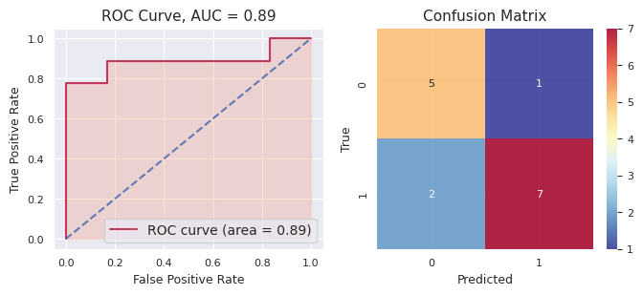
bpu: 7890 | 0 | 0.04581142 | 0 | 0.18358888 | 0 |  |  | 0.11623879 | 0 | 0.31850091 | 0 | 0.09699899 |  |  | 0 | 0 | 0 |  | 0.152227798 |  |  |  |  | Accuracy: 0.8, Precision: 0.875, Recall: 0.7777777777777778, F1: 0.8235294117647058, AUC: 0.888888888888889
 | 0 | 0.04044072 | 0 | 0.24153294 | 0 |  |  | 0.22101849 | 0 | 0.25374441 | 0 | 0.00920715 |  |  | 0 | 0 | 0 |  | 0.153188742
 | 0 | 0.02643908 | 0 | 0.14765556 | 0 |  |  | 0.11332864 | 0 | 0.16942183 | 0 | 0.05101129 |  |  | 0 | 0 | 0 |  | 0.10157128
 | 1 | 0.9690267 | 1 | 0.8971259 | 1 |  |  | 0.88408606 | 1 | 0.89172141 | 1 | 0.95888527 |  |  | 1 | 1 | 1 |  | 0.920169068
 | 0 | 0.03655472 | 0 | 0.0763602 | 0 |  |  | 0.17442418 | 0 | 0.39416395 | 0 | 0.19559679 |  |  | 0 | 0 | 0 |  | 0.175419968
 | 0 | 0.11938398 | 0 | 0.44167029 | 1 |  |  | 0.66865334 | 1 | 0.69983309 | 1 | 0.66030734 |  |  | 1 | 1 | 1 |  | 0.517969608
 | 1 | 0.96824193 | 1 | 0.56301845 | 1 |  |  | 0.72404149 | 1 | 0.66117756 | 1 | 0.64097458 |  |  | 1 | 1 | 1 |  | 0.711490802
 | 0 | 0.02945079 | 0 | 0.13363017 | 0 |  |  | 0.13562264 | 0 | 0.17445457 | 0 | 0.1231262 |  |  | 1 | 0 | 0 |  | 0.119256874
 | 1 | 0.95878494 | 1 | 0.80216377 | 1 |  |  | 0.84021998 | 1 | 0.81258151 | 1 | 0.96815645 |  |  | 1 | 1 | 1 |  | 0.87638133
 | 1 | 0.63653475 | 0 | 0.37742093 | 0 |  |  | 0.44252439 | 0 | 0.45418013 | 0 | 0.37929129 |  |  | 1 | 0 | 0 |  | 0.457990298
 | 0 | 0.04356022 | 1 | 0.6217693 | 1 |  |  | 0.84477524 | 1 | 0.82504802 | 1 | 0.88450423 |  |  | 1 | 1 | 1 |  | 0.643931402
 | 0 | 0.05396593 | 0 | 0.21719999 | 0 |  |  | 0.20619845 | 0 | 0.3059718 | 0 | 0.18549611 |  |  | 0 | 0 | 0 |  | 0.193766456
 | 1 | 0.9709555 | 1 | 0.75494648 | 1 |  |  | 0.89003722 | 1 | 0.84920451 | 1 | 0.96705054 |  |  | 1 | 1 | 1 |  | 0.88643885
 | 0 | 0.18449633 | 1 | 0.76718476 | 1 |  |  | 0.8001053 | 1 | 0.69546397 | 1 | 0.92131306 |  |  | 1 | 1 | 1 |  | 0.673712684
 | 1 | 0.8157634 | 0 | 0.48003723 | 0 |  |  | 0.49038767 | 0 | 0.47329484 | 0 | 0.24076006 |  |  | 0 | 0 | 1 |  | 0.50004864

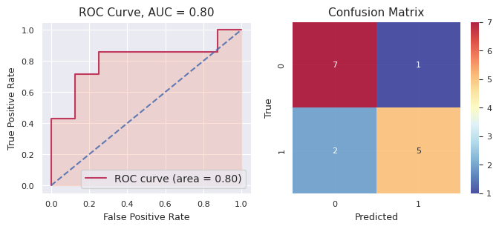
bpu: 76 | 0 | 0.30816546 | 0 | 0.35537819 | 0 |  |  | 0.35332429 | 0 | 0.35787915 | 0 | 0.0452312 |  |  | 1 | 0 | 0 |  | 0.283995658 |  |  |  | Accuracy: 0.8, Precision: 0.8333333333333334, Recall: 0.7142857142857143, F1: 0.7692307692307693, AUC: 0.8035714285714286
 | 0 | 0.07295272 | 0 | 0.08103193 | 0 |  |  | 0.38507972 | 0 | 0.2715018 | 0 | 0.02128695 |  |  | 0 | 0 | 0 |  | 0.166370624
 | 1 | 0.9434069 | 1 | 0.63557963 | 1 |  |  | 0.66364814 | 1 | 0.70937149 | 1 | 0.99846946 |  |  | 1 | 1 | 1 |  | 0.790095124
 | 1 | 0.91919416 | 1 | 0.76614439 | 1 |  |  | 0.79231785 | 1 | 0.81125824 | 1 | 0.9974544 |  |  | 1 | 1 | 1 |  | 0.857273808
 | 1 | 0.88890404 | 1 | 0.6447676 | 1 |  |  | 0.6902698 | 1 | 0.69521007 | 1 | 0.98396289 |  |  | 0 | 1 | 1 |  | 0.78062288
 | 1 | 0.59820163 | 0 | 0.46436393 | 0 |  |  | 0.41564521 | 1 | 0.62784751 | 1 | 0.99732125 |  |  | 1 | 1 | 1 |  | 0.620675906
 | 1 | 0.9247651 | 1 | 0.84417821 | 1 |  |  | 0.72926087 | 1 | 0.82917871 | 1 | 0.99962667 |  |  | 1 | 1 | 1 |  | 0.865401912
 | 0 | 0.09817387 | 0 | 0.25885511 | 0 |  |  | 0.32799645 | 0 | 0.24467591 | 0 | 0.00522152 |  |  | 0 | 0 | 0 |  | 0.186984572
 | 0 | 0.05561491 | 0 | 0.31061033 | 0 |  |  | 0.33392545 | 0 | 0.43278912 | 0 | 0.04759317 |  |  | 0 | 0 | 0 |  | 0.236106596
 | 0 | 0.10558879 | 0 | 0.33137496 | 0 |  |  | 0.35798651 | 0 | 0.293921 | 0 | 0.00639854 |  |  | 0 | 0 | 0 |  | 0.21905396
 | 0 | 0.05093784 | 0 | 0.10880857 | 0 |  |  | 0.19524367 | 0 | 0.06483344 | 0 | 0.00119021 |  |  | 0 | 0 | 0 |  | 0.084202746
 | 1 | 0.8348191 | 1 | 0.85382374 | 1 |  |  | 0.53578673 | 1 | 0.72753932 | 1 | 0.94479686 |  |  | 1 | 1 | 1 |  | 0.77935315
 | 1 | 0.52993965 | 0 | 0.3287438 | 0 |  |  | 0.31090545 | 0 | 0.38087546 | 0 | 0.01181299 |  |  | 0 | 0 | 0 |  | 0.31245547
 | 0 | 0.05344845 | 0 | 0.1369118 | 0 |  |  | 0.30188155 | 0 | 0.09285076 | 0 | 0.002364 |  |  | 1 | 0 | 0 |  | 0.117491312
 | 0 | 0.1278367 | 0 | 0.14398467 | 0 |  |  | 0.2236637 | 0 | 0.31654702 | 0 | 0.04626792 |  |  | 0 | 0 | 0 |  | 0.171660002

stacked_f-mth
f-mth: Stacked Generalization
Dataset Split: 72% - training, 20% - validation, 8% - test
 | ChemBERTa |  |  |  |  | LogReg |  |  |  |  | SVC |  |  |  |  | RFC |  |  |  |  | GradBoostC |  |  |  |  | Stacked
Seed | Accuracy (test) | Precision (test) | Recall (test) | F1 (test) | AUC (test) | Accuracy (test) | Precision (test) | Recall (test) | F1 (test) | AUC (test) | Accuracy (test) | Precision (test) | Recall (test) | F1 (test) | AUC (test) | Accuracy (test) | Precision (test) | Recall (test) | F1 (test) | AUC (test) | Accuracy (test) | Precision (test) | Recall (test) | F1 (test) | AUC (test) | Accuracy (test) | Precision (test) | Recall (test) | F1 (test) | AUC (test)
4321 | 0.8235 | 0.7500 | 1.0000 | 0.8571 | 0.8194 | 0.7647 | 0.7778 | 0.7778 | 0.7778 | 0.8056 | 0.7647 | 0.7778 | 0.7778 | 0.7778 | 0.8750 | 0.8824 | 0.8182 | 1.0000 | 0.9000 | 0.9444 | 0.9412 | 0.9000 | 1.0000 | 0.9474 | 0.9722 | 0.8235 | 0.8000 | 0.8889 | 0.8421 | 0.8750
321 | 0.5882 | 0.7500 | 0.6923 | 0.7200 | 0.6923 | 0.7647 | 0.8462 | 0.8462 | 0.8462 | 0.8846 | 0.8824 | 0.9231 | 0.9231 | 0.9231 | 0.8269 | 0.8235 | 0.8571 | 0.9231 | 0.8889 | 0.7885 | 0.7647 | 0.8000 | 0.9231 | 0.8571 | 0.7308 | 0.6471 | 0.7692 | 0.7692 | 0.7692 | 0.7115
123 | 0.5882 | 0.6000 | 0.6667 | 0.6316 | 0.6389 | 0.5882 | 0.6000 | 0.6667 | 0.6316 | 0.5417 | 0.5294 | 0.5556 | 0.5556 | 0.5556 | 0.5556 | 0.6471 | 0.6364 | 0.7778 | 0.7000 | 0.7361 | 0.7059 | 0.7000 | 0.7778 | 0.7368 | 0.7778 | 0.7059 | 0.6667 | 0.8889 | 0.7619 | 0.7500
2 | 0.7647 | 0.9000 | 0.7500 | 0.8182 | 0.9000 | 0.7647 | 0.9000 | 0.7500 | 0.8182 | 0.8167 | 0.7647 | 0.9000 | 0.7500 | 0.8182 | 0.8500 | 0.6471 | 0.7500 | 0.7500 | 0.7500 | 0.8500 | 0.7059 | 0.8182 | 0.7500 | 0.7826 | 0.8500 | 0.7059 | 0.8182 | 0.7500 | 0.7826 | 0.8167
12345 | 0.7647 | 0.7778 | 0.7778 | 0.7778 | 0.8472 | 0.8235 | 0.8750 | 0.7778 | 0.8235 | 0.9028 | 0.8235 | 0.8750 | 0.7778 | 0.8235 | 0.9306 | 0.8235 | 0.8000 | 0.8889 | 0.8421 | 0.9306 | 0.7647 | 0.8571 | 0.6667 | 0.7500 | 0.8889 | 0.8235 | 0.8000 | 0.8889 | 0.8421 | 0.9028
9876 | 0.6471 | 0.7500 | 0.6000 | 0.6667 | 0.8714 | 0.7059 | 0.7778 | 0.7000 | 0.7368 | 0.8429 | 0.8235 | 0.8182 | 0.9000 | 0.8571 | 0.8429 | 0.8824 | 0.9000 | 0.9000 | 0.9000 | 0.9143 | 0.7143 | 0.7500 | 0.7500 | 0.7500 | 0.7685 | 0.7647 | 0.8750 | 0.7000 | 0.7778 | 0.8571
5678 | 0.8235 | 1.0000 | 0.7000 | 0.8235 | 0.9571 | 0.8235 | 0.8889 | 0.8000 | 0.8421 | 0.9429 | 0.8824 | 0.9000 | 0.9000 | 0.9000 | 0.9714 | 0.9412 | 0.9091 | 1.0000 | 0.9524 | 0.9143 | 0.8235 | 0.7692 | 1.0000 | 0.8696 | 0.9143 | 0.7059 | 0.7778 | 0.7000 | 0.7368 | 0.8714
6 | 0.8824 | 0.8333 | 1.0000 | 0.9091 | 0.8429 | 0.7647 | 0.7500 | 0.9000 | 0.8182 | 0.7857 | 0.7647 | 0.8750 | 0.7000 | 0.7778 | 0.8000 | 0.8235 | 0.8182 | 0.9000 | 0.8571 | 0.7857 | 0.8235 | 0.8182 | 0.9000 | 0.8571 | 0.8286 | 0.7647 | 1.0000 | 0.6000 | 0.7500 | 0.9143
67890 | 0.7647 | 0.5714 | 0.8000 | 0.6667 | 0.8500 | 0.8235 | 0.6667 | 0.8000 | 0.7273 | 0.8000 | 0.8824 | 0.8000 | 0.8000 | 0.8000 | 0.8500 | 0.8235 | 0.6667 | 0.8000 | 0.7273 | 0.9167 | 0.8824 | 0.8000 | 0.8000 | 0.8000 | 0.8667 | 0.7059 | 0.5000 | 0.8000 | 0.6154 | 0.7833
876 | 0.8824 | 0.8889 | 0.8889 | 0.8889 | 0.9028 | 0.8235 | 0.8000 | 0.8889 | 0.8421 | 0.7778 | 0.7647 | 0.7273 | 0.8889 | 0.8000 | 0.7500 | 0.7059 | 0.6667 | 0.8889 | 0.7619 | 0.8194 | 0.7059 | 0.6667 | 0.8889 | 0.7619 | 0.8056 | 0.7647 | 0.7273 | 0.8889 | 0.8000 | 0.8056
MEAN | 0.7529 | 0.7821 | 0.7876 | 0.7760 | 0.8322 | 0.7647 | 0.7882 | 0.7907 | 0.7864 | 0.8100 | 0.7882 | 0.8152 | 0.7973 | 0.8033 | 0.8252 | 0.8000 | 0.7822 | 0.8829 | 0.8280 | 0.8600 | 0.7832 | 0.7879 | 0.8456 | 0.8113 | 0.8403 | 0.7320 | 0.7734 | 0.7875 | 0.7678 | 0.8288
SD | 0.1046 | 0.1249 | 0.1299 | 0.0943 | 0.0919 | 0.0696 | 0.0925 | 0.0710 | 0.0657 | 0.1033 | 0.0991 | 0.1049 | 0.1078 | 0.0948 | 0.1075 | 0.0956 | 0.0935 | 0.0808 | 0.0822 | 0.0700 | 0.0784 | 0.0661 | 0.1075 | 0.0652 | 0.0696 | 0.0539 | 0.1239 | 0.0967 | 0.0608 | 0.0634

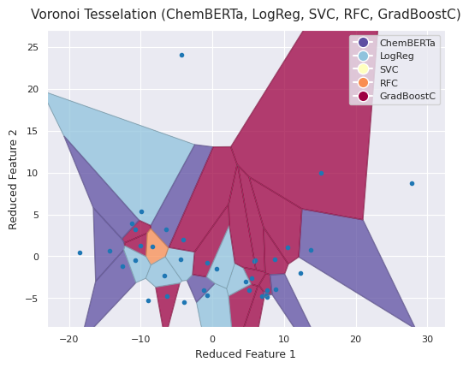
Summary |  |  |  |  |  |  |  |  |  | Voronoi Tesselation, confidence scores and Confusion Matrix for seed=321
Data | Method | Statistic | Accuracy | Precision | Recall | F1 | AUROC
f-mth | ChemBERTa | mean | 0.753 | 0.782 | 0.788 | 0.776 | 0.832
 |  | sd | 0.105 | 0.125 | 0.130 | 0.094 | 0.092
 | LogReg | mean | 0.765 | 0.788 | 0.791 | 0.786 | 0.810
 |  | sd | 0.070 | 0.092 | 0.071 | 0.066 | 0.103
 | SVC | mean | 0.788 | 0.815 | 0.797 | 0.803 | 0.825
 |  | sd | 0.099 | 0.105 | 0.108 | 0.095 | 0.107
 | RFC | mean | 0.800 | 0.782 | 0.883 | 0.828 | 0.860
 |  | sd | 0.096 | 0.094 | 0.081 | 0.082 | 0.070
 | GradBoostC | mean | 0.783 | 0.788 | 0.846 | 0.811 | 0.840
 |  | sd | 0.078 | 0.066 | 0.107 | 0.065 | 0.070
 | Stacked* | mean | 0.732 | 0.773 | 0.787 | 0.768 | 0.829
 |  | sd | 0.054 | 0.124 | 0.097 | 0.061 | 0.063
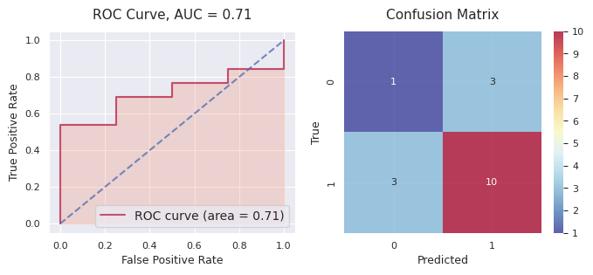
 |  |  |  |  |  |  |  |  |  | Hybrid of 5 models: |  | mth_321
 |  |  |  |  |  |  |  |  |  | Accuracy | Precision | Recall | F1 | AUC
 |  |  |  |  |  |  |  |  |  | 0.6471 | 0.7692 | 0.7692 | 0.7692 | 0.7115

bpu-lac: Ensemble
Dataset Split: 80% - training, 20% - test (Probability estimates for Oxd=1 from all models)
f-mth(4321) | LogReg | SVC | RFC | GradboostC | Avg Prob | Prediction | True Label | f-mth(321) | LogReg | SVC | RFC | GradboostC | Avg Prob | Prediction | True Label | f-mth(123) | LogReg | SVC | RFC | GradboostC | Avg Prob | Prediction | True Label | f-mth 2 | LogReg | SVC | RFC | GradboostC | Avg Prob | Prediction | True Label | f-mth 12345 | LogReg | SVC | RFC | GradboostC | Avg Prob | Prediction | True Label | f-mth 9876 | LogReg | SVC | RFC | GradboostC | Avg Prob | Prediction | True Label | f-mth 5678 | LogReg | SVC | RFC | GradboostC | Avg Prob | Prediction | True Label | f-mth 6 | LogReg | SVC | RFC | GradboostC | Avg Prob | Prediction | True Label | f-mth 67890 | LogReg | SVC | RFC | GradboostC | Avg Prob | Prediction | True Label | f-mth 876 | LogReg | SVC | RFC | GradboostC | Avg Prob | Prediction | True Label
 | 0.5757 | 0.6219 | 0.5517 | 0.4424 | 0.5479 | 1.0000 | 1.0000 |  | 0.7516 | 0.8188 | 0.7102 | 0.9939 | 0.8186 | 1.0000 | 0.0000 |  | 0.0604 | 0.0885 | 0.2014 | 0.0000 | 0.0876 | 0.0000 | 0.0000 |  | 0.5536 | 0.5940 | 0.5973 | 0.8925 | 0.6594 | 1.0000 | 0.0000 |  | 0.5855 | 0.3166 | 0.5258 | 0.0000 | 0.3570 | 0.0000 | 1.0000 |  | 0.9971 | 0.8311 | 0.7498 | 0.9874 | 0.8913 | 1.0000 | 1.0000 |  | 0.8826 | 0.7777 | 0.6249 | 0.8846 | 0.7925 | 1.0000 | 1.0000 |  | 0.6121 | 0.2780 | 0.4227 | 0.0000 | 0.3282 | 0.0000 | 0.0000 |  | 0.1643 | 0.0812 | 0.2497 | 0.0002 | 0.1238 | 0.0000 | 0.0000 |  | 0.6617 | 0.5737 | 0.5386 | 0.1894 | 0.4909 | 0.0000 | 1.0000
 | 0.9317 | 0.8719 | 0.5745 | 0.7548 | 0.7832 | 1.0000 | 0.0000 |  | 0.0676 | 0.0638 | 0.1517 | 0.0004 | 0.0709 | 0.0000 | 0.0000 |  | 0.8905 | 0.8877 | 0.6709 | 1.0000 | 0.8623 | 1.0000 | 1.0000 |  | 0.5558 | 0.5116 | 0.5764 | 0.0352 | 0.4197 | 0.0000 | 0.0000 |  | 0.0075 | 0.1100 | 0.0679 | 0.0000 | 0.0463 | 0.0000 | 0.0000 |  | 0.9875 | 0.9034 | 0.7912 | 0.9437 | 0.9064 | 1.0000 | 1.0000 |  | 0.4557 | 0.6009 | 0.5276 | 0.3609 | 0.4863 | 0.0000 | 0.0000 |  | 0.0021 | 0.1476 | 0.2707 | 0.0000 | 0.1051 | 0.0000 | 0.0000 |  | 0.9142 | 0.9475 | 0.8300 | 1.0000 | 0.9229 | 1.0000 | 1.0000 |  | 0.0048 | 0.0982 | 0.2010 | 0.1446 | 0.1121 | 0.0000 | 0.0000
 | 0.1539 | 0.1258 | 0.3442 | 0.4970 | 0.2802 | 0.0000 | 0.0000 |  | 0.9907 | 0.8218 | 0.7193 | 0.9983 | 0.8825 | 1.0000 | 1.0000 |  | 0.9900 | 0.9785 | 0.9164 | 1.0000 | 0.9712 | 1.0000 | 1.0000 |  | 0.4589 | 0.4337 | 0.5088 | 0.7299 | 0.5328 | 1.0000 | 1.0000 |  | 0.0138 | 0.0248 | 0.0886 | 0.0000 | 0.0318 | 0.0000 | 0.0000 |  | 0.9798 | 0.8521 | 0.8220 | 0.9362 | 0.8975 | 1.0000 | 1.0000 |  | 0.9946 | 0.9499 | 0.8987 | 0.9779 | 0.9553 | 1.0000 | 1.0000 |  | 0.0378 | 0.4425 | 0.3762 | 0.0010 | 0.2144 | 0.0000 | 0.0000 |  | 0.9645 | 0.6620 | 0.8687 | 0.9999 | 0.8738 | 1.0000 | 1.0000 |  | 0.9999 | 0.9728 | 0.7385 | 0.9931 | 0.9261 | 1.0000 | 0.0000
 | 0.9124 | 0.7226 | 0.6004 | 0.7278 | 0.7408 | 1.0000 | 0.0000 |  | 0.7451 | 0.9130 | 0.7968 | 0.5354 | 0.7476 | 1.0000 | 1.0000 |  | 0.7217 | 0.3798 | 0.5185 | 0.4443 | 0.5161 | 1.0000 | 1.0000 |  | 0.0096 | 0.0616 | 0.1335 | 0.0196 | 0.0561 | 0.0000 | 0.0000 |  | 0.3550 | 0.8229 | 0.7141 | 1.0000 | 0.7230 | 1.0000 | 1.0000 |  | 0.3533 | 0.7719 | 0.4495 | 0.7656 | 0.5851 | 1.0000 | 0.0000 |  | 0.9984 | 0.5555 | 0.7182 | 0.9177 | 0.7974 | 1.0000 | 1.0000 |  | 0.6234 | 0.8995 | 0.4952 | 1.0000 | 0.7545 | 1.0000 | 1.0000 |  | 0.0222 | 0.0150 | 0.0728 | 0.0001 | 0.0275 | 0.0000 | 0.0000 |  | 0.0001 | 0.0260 | 0.1992 | 0.0017 | 0.0568 | 0.0000 | 0.0000
 | 0.0525 | 0.0993 | 0.1425 | 0.1274 | 0.1054 | 0.0000 | 0.0000 |  | 0.9999 | 0.9927 | 0.6864 | 0.9999 | 0.9197 | 1.0000 | 1.0000 |  | 0.9816 | 0.5245 | 0.7805 | 0.9713 | 0.8145 | 1.0000 | 1.0000 |  | 0.8579 | 0.8893 | 0.7010 | 0.9886 | 0.8592 | 1.0000 | 1.0000 |  | 1.0000 | 0.7368 | 0.9143 | 1.0000 | 0.9128 | 1.0000 | 1.0000 |  | 0.3911 | 0.4454 | 0.7226 | 0.9028 | 0.6155 | 1.0000 | 0.0000 |  | 0.0007 | 0.1019 | 0.1443 | 0.0386 | 0.0714 | 0.0000 | 0.0000 |  | 0.0047 | 0.0203 | 0.2603 | 0.0000 | 0.0713 | 0.0000 | 0.0000 |  | 0.8812 | 0.9115 | 0.8362 | 0.9999 | 0.9072 | 1.0000 | 1.0000 |  | 0.9419 | 0.7521 | 0.7051 | 0.9163 | 0.8288 | 1.0000 | 1.0000
 | 0.0875 | 0.5864 | 0.7880 | 0.8414 | 0.5758 | 1.0000 | 1.0000 |  | 0.9879 | 0.9699 | 0.7746 | 0.9994 | 0.9330 | 1.0000 | 1.0000 |  | 0.6233 | 0.7587 | 0.6552 | 1.0000 | 0.7593 | 1.0000 | 1.0000 |  | 0.1572 | 0.2984 | 0.3205 | 0.0570 | 0.2083 | 0.0000 | 0.0000 |  | 0.0013 | 0.4328 | 0.4856 | 0.8992 | 0.4548 | 0.0000 | 0.0000 |  | 0.0108 | 0.1305 | 0.3472 | 0.0304 | 0.1297 | 0.0000 | 1.0000 |  | 0.0015 | 0.0796 | 0.2367 | 0.0117 | 0.0824 | 0.0000 | 0.0000 |  | 0.9990 | 0.9967 | 0.7970 | 1.0000 | 0.9482 | 1.0000 | 1.0000 |  | 0.0112 | 0.0457 | 0.1864 | 0.0003 | 0.0609 | 0.0000 | 0.0000 |  | 0.9993 | 0.9392 | 0.8385 | 0.9913 | 0.9421 | 1.0000 | 1.0000
 | 0.6833 | 0.3751 | 0.4872 | 0.3515 | 0.4743 | 0.0000 | 1.0000 |  | 0.0922 | 0.4795 | 0.3437 | 0.0943 | 0.2524 | 0.0000 | 0.0000 |  | 0.2174 | 0.4649 | 0.3373 | 0.9957 | 0.5038 | 1.0000 | 0.0000 |  | 0.0188 | 0.0601 | 0.2799 | 0.0088 | 0.0919 | 0.0000 | 0.0000 |  | 0.9310 | 0.9168 | 0.8458 | 1.0000 | 0.9234 | 1.0000 | 1.0000 |  | 0.1743 | 0.3093 | 0.3531 | 0.0485 | 0.2213 | 0.0000 | 0.0000 |  | 0.1827 | 0.5854 | 0.4656 | 0.6760 | 0.4774 | 0.0000 | 0.0000 |  | 0.0385 | 0.0390 | 0.1481 | 0.0000 | 0.0564 | 0.0000 | 0.0000 |  | 0.3028 | 0.8300 | 0.5671 | 0.6790 | 0.5947 | 1.0000 | 1.0000 |  | 0.4632 | 0.5689 | 0.6386 | 0.6005 | 0.5678 | 1.0000 | 1.0000
 | 0.0462 | 0.1172 | 0.3058 | 0.2697 | 0.1847 | 0.0000 | 0.0000 |  | 0.9972 | 0.9279 | 0.7297 | 0.9999 | 0.9137 | 1.0000 | 1.0000 |  | 0.9972 | 0.9930 | 0.7864 | 1.0000 | 0.9442 | 1.0000 | 1.0000 |  | 0.2575 | 0.2561 | 0.2837 | 0.0314 | 0.2072 | 0.0000 | 0.0000 |  | 0.0680 | 0.0377 | 0.4236 | 0.0000 | 0.1323 | 0.0000 | 0.0000 |  | 0.0037 | 0.1165 | 0.1027 | 0.0301 | 0.0632 | 0.0000 | 0.0000 |  | 0.9704 | 0.8886 | 0.6638 | 0.9538 | 0.8692 | 1.0000 | 1.0000 |  | 0.5792 | 0.4156 | 0.2875 | 0.0001 | 0.3206 | 0.0000 | 1.0000 |  | 0.7639 | 0.9316 | 0.7519 | 1.0000 | 0.8618 | 1.0000 | 1.0000 |  | 0.9982 | 0.9176 | 0.6635 | 0.7047 | 0.8210 | 1.0000 | 0.0000
 | 0.8175 | 0.8348 | 0.6011 | 0.7708 | 0.7561 | 1.0000 | 1.0000 |  | 0.9999 | 0.9687 | 0.9124 | 0.9999 | 0.9702 | 1.0000 | 1.0000 |  | 0.9998 | 0.9938 | 0.8012 | 1.0000 | 0.9487 | 1.0000 | 0.0000 |  | 0.0096 | 0.0117 | 0.5191 | 0.0360 | 0.1441 | 0.0000 | 1.0000 |  | 0.0013 | 0.0107 | 0.2367 | 0.0000 | 0.0622 | 0.0000 | 0.0000 |  | 0.0992 | 0.4144 | 0.3277 | 0.1637 | 0.2513 | 0.0000 | 0.0000 |  | 0.0213 | 0.0418 | 0.1740 | 0.0171 | 0.0635 | 0.0000 | 0.0000 |  | 0.7259 | 0.9463 | 0.4626 | 1.0000 | 0.7837 | 1.0000 | 1.0000 |  | 0.8265 | 0.6847 | 0.4875 | 0.9784 | 0.7443 | 1.0000 | 1.0000 |  | 0.5960 | 0.6195 | 0.6329 | 0.7653 | 0.6535 | 1.0000 | 1.0000
 | 0.9962 | 0.9724 | 0.8488 | 0.8568 | 0.9185 | 1.0000 | 1.0000 |  | 0.0586 | 0.6045 | 0.8274 | 0.9772 | 0.6169 | 1.0000 | 1.0000 |  | 0.9764 | 0.9456 | 0.8414 | 1.0000 | 0.9409 | 1.0000 | 1.0000 |  | 0.8986 | 0.7689 | 0.8038 | 0.9768 | 0.8620 | 1.0000 | 1.0000 |  | 0.9937 | 0.9906 | 0.7822 | 1.0000 | 0.9416 | 1.0000 | 1.0000 |  | 0.9120 | 0.7718 | 0.6976 | 0.9163 | 0.8244 | 1.0000 | 1.0000 |  | 0.0030 | 0.0104 | 0.1540 | 0.0134 | 0.0452 | 0.0000 | 0.0000 |  | 0.6834 | 0.8679 | 0.3110 | 0.0000 | 0.4656 | 0.0000 | 1.0000 |  | 0.9071 | 0.8792 | 0.7506 | 0.9944 | 0.8829 | 1.0000 | 0.0000 |  | 0.3617 | 0.5000 | 0.5767 | 0.5971 | 0.5089 | 1.0000 | 0.0000
 | 0.9839 | 0.8906 | 0.8768 | 0.8692 | 0.9051 | 1.0000 | 1.0000 |  | 1.0000 | 0.9769 | 0.8001 | 0.9995 | 0.9441 | 1.0000 | 0.0000 |  | 0.8448 | 0.8663 | 0.5242 | 0.0354 | 0.5677 | 1.0000 | 0.0000 |  | 0.8590 | 0.5616 | 0.7662 | 0.5066 | 0.6733 | 1.0000 | 1.0000 |  | 0.0016 | 0.0062 | 0.0638 | 0.0000 | 0.0179 | 0.0000 | 0.0000 |  | 0.9377 | 0.5118 | 0.7544 | 0.8538 | 0.7644 | 1.0000 | 1.0000 |  | 0.0007 | 0.0074 | 0.1514 | 0.0277 | 0.0468 | 0.0000 | 0.0000 |  | 0.1090 | 0.0565 | 0.2594 | 0.0000 | 0.1062 | 0.0000 | 0.0000 |  | 0.0171 | 0.0438 | 0.0958 | 0.0001 | 0.0392 | 0.0000 | 0.0000 |  | 0.1777 | 0.2974 | 0.2568 | 0.1725 | 0.2261 | 0.0000 | 0.0000
 | 0.9901 | 0.9487 | 0.8940 | 0.8937 | 0.9316 | 1.0000 | 1.0000 |  | 0.7414 | 0.2072 | 0.6261 | 0.9639 | 0.6346 | 1.0000 | 1.0000 |  | 0.7842 | 0.9276 | 0.7936 | 0.9938 | 0.8748 | 1.0000 | 1.0000 |  | 0.0052 | 0.0650 | 0.1223 | 0.0201 | 0.0531 | 0.0000 | 0.0000 |  | 0.8414 | 0.9447 | 0.6579 | 1.0000 | 0.8610 | 1.0000 | 1.0000 |  | 0.9070 | 0.6397 | 0.7281 | 0.9132 | 0.7970 | 1.0000 | 0.0000 |  | 0.9393 | 0.8650 | 0.7837 | 0.9631 | 0.8878 | 1.0000 | 1.0000 |  | 0.0598 | 0.2000 | 0.2951 | 0.0000 | 0.1387 | 0.0000 | 0.0000 |  | 0.1288 | 0.1252 | 0.1854 | 0.0000 | 0.1099 | 0.0000 | 0.0000 |  | 0.0437 | 0.2484 | 0.2184 | 0.0351 | 0.1364 | 0.0000 | 0.0000
 | 0.0137 | 0.8436 | 0.6134 | 0.7740 | 0.5612 | 1.0000 | 1.0000 |  | 0.6993 | 0.7254 | 0.7715 | 0.1810 | 0.5943 | 1.0000 | 1.0000 |  | 0.9976 | 0.9694 | 0.8395 | 1.0000 | 0.9516 | 1.0000 | 1.0000 |  | 0.1943 | 0.3275 | 0.5865 | 0.8591 | 0.4919 | 0.0000 | 1.0000 |  | 0.9921 | 0.9446 | 0.8403 | 1.0000 | 0.9443 | 1.0000 | 1.0000 |  | 0.8962 | 0.5954 | 0.4945 | 0.7345 | 0.6802 | 1.0000 | 1.0000 |  | 0.0101 | 0.0856 | 0.1462 | 0.0413 | 0.0708 | 0.0000 | 0.0000 |  | 0.0875 | 0.1777 | 0.3581 | 0.9610 | 0.3961 | 0.0000 | 1.0000 |  | 0.0643 | 0.0953 | 0.1879 | 0.0008 | 0.0871 | 0.0000 | 0.0000 |  | 0.9075 | 0.7419 | 0.5674 | 0.9177 | 0.7836 | 1.0000 | 1.0000
 | 0.9875 | 0.9676 | 0.6730 | 0.7364 | 0.8411 | 1.0000 | 1.0000 |  | 0.9976 | 0.9733 | 0.7888 | 0.9997 | 0.9399 | 1.0000 | 1.0000 |  | 0.9888 | 0.9758 | 0.9166 | 1.0000 | 0.9703 | 1.0000 | 1.0000 |  | 0.0891 | 0.3607 | 0.4317 | 0.4177 | 0.3248 | 0.0000 | 1.0000 |  | 1.0000 | 0.9211 | 0.9352 | 1.0000 | 0.9641 | 1.0000 | 1.0000 |  | 0.9833 | 0.8117 | 0.8343 | 0.9782 | 0.9019 | 1.0000 | 1.0000 |  | 0.9079 | 0.8655 | 0.7582 | 0.9584 | 0.8725 | 1.0000 | 1.0000 |  | 0.9949 | 0.9601 | 0.7195 | 0.9995 | 0.9185 | 1.0000 | 1.0000 |  | 0.7710 | 0.9033 | 0.8304 | 0.9942 | 0.8747 | 1.0000 | 1.0000 |  | 0.4310 | 0.5572 | 0.3990 | 0.9205 | 0.5769 | 1.0000 | 0.0000
 | 0.1892 | 0.2305 | 0.2211 | 0.1095 | 0.1876 | 0.0000 | 0.0000 |  | 0.9917 | 0.9028 | 0.7642 | 0.9997 | 0.9146 | 1.0000 | 0.0000 |  | 0.9967 | 0.9808 | 0.7301 | 1.0000 | 0.9269 | 1.0000 | 1.0000 |  | 1.0000 | 0.9745 | 0.7845 | 0.9738 | 0.9332 | 1.0000 | 1.0000 |  | 0.4557 | 0.3987 | 0.6002 | 0.9062 | 0.5902 | 1.0000 | 1.0000 |  | 0.9086 | 0.7808 | 0.8071 | 0.9664 | 0.8657 | 1.0000 | 1.0000 |  | 0.0007 | 0.1871 | 0.3286 | 0.0418 | 0.1395 | 0.0000 | 0.0000 |  | 0.9177 | 0.6435 | 0.5541 | 0.9988 | 0.7785 | 1.0000 | 0.0000 |  | 0.2836 | 0.7262 | 0.5761 | 0.8538 | 0.6099 | 1.0000 | 1.0000 |  | 0.0083 | 0.1106 | 0.1332 | 0.0028 | 0.0637 | 0.0000 | 0.0000
 | 0.5772 | 0.3212 | 0.4375 | 0.4504 | 0.4466 | 0.0000 | 0.0000 |  | 0.0141 | 0.0482 | 0.0884 | 0.0007 | 0.0378 | 0.0000 | 0.0000 |  | 0.9436 | 0.9146 | 0.8210 | 1.0000 | 0.9198 | 1.0000 | 1.0000 |  | 0.2448 | 0.4126 | 0.2535 | 0.0928 | 0.2509 | 0.0000 | 0.0000 |  | 0.4993 | 0.7912 | 0.7061 | 1.0000 | 0.7491 | 1.0000 | 0.0000 |  | 0.0013 | 0.0470 | 0.1701 | 0.0463 | 0.0662 | 0.0000 | 1.0000 |  | 0.9741 | 0.7847 | 0.7410 | 0.9357 | 0.8589 | 1.0000 | 0.0000 |  | 0.0923 | 0.0228 | 0.2618 | 0.0000 | 0.0942 | 0.0000 | 0.0000 |  | 0.0138 | 0.0159 | 0.0636 | 0.0000 | 0.0233 | 0.0000 | 0.0000 |  | 0.0535 | 0.2298 | 0.2777 | 0.0217 | 0.1457 | 0.0000 | 0.0000
 | 0.0078 | 0.0836 | 0.0892 | 0.1115 | 0.0730 | 0.0000 | 0.0000 |  | 0.9991 | 0.9316 | 0.7395 | 0.9986 | 0.9172 | 1.0000 | 1.0000 |  | 0.8656 | 0.9174 | 0.7594 | 1.0000 | 0.8856 | 1.0000 | 1.0000 |  | 0.6797 | 0.7218 | 0.6096 | 0.7039 | 0.6788 | 1.0000 | 1.0000 |  | 0.8930 | 0.9304 | 0.5270 | 1.0000 | 0.8376 | 1.0000 | 1.0000 |  | 0.2121 | 0.3595 | 0.3343 | 0.0508 | 0.2392 | 0.0000 | 0.0000 |  | 0.1439 | 0.1531 | 0.2471 | 0.4452 | 0.2473 | 0.0000 | 0.0000 |  | 1.0000 | 1.0000 | 0.9226 | 1.0000 | 0.9806 | 1.0000 | 1.0000 |  | 0.0502 | 0.1219 | 0.0903 | 0.0001 | 0.0657 | 0.0000 | 0.0000 |  | 0.0350 | 0.2340 | 0.1430 | 0.1096 | 0.1304 | 0.0000 | 0.0000
 | 0.0682 | 0.1704 | 0.1477 | 0.1185 | 0.1262 | 0.0000 | 0.0000 |  | 0.0305 | 0.0664 | 0.2287 | 0.0010 | 0.0817 | 0.0000 | 0.0000 |  | 0.7752 | 0.5161 | 0.6396 | 1.0000 | 0.7327 | 1.0000 | 0.0000 |  | 0.6133 | 0.5059 | 0.6021 | 0.8359 | 0.6393 | 1.0000 | 1.0000 |  | 0.0577 | 0.0523 | 0.3076 | 0.0000 | 0.1044 | 0.0000 | 0.0000 |  | 0.5050 | 0.5190 | 0.3269 | 0.4882 | 0.4598 | 0.0000 | 0.0000 |  | 1.0000 | 0.5641 | 0.8724 | 0.7337 | 0.7925 | 1.0000 | 1.0000 |  | 0.0224 | 0.6701 | 0.6864 | 1.0000 | 0.5947 | 1.0000 | 0.0000 |  | 0.1136 | 0.1713 | 0.4264 | 0.0005 | 0.1779 | 0.0000 | 0.0000 |  | 0.0516 | 0.2663 | 0.1560 | 0.0035 | 0.1194 | 0.0000 | 0.0000
 | 0.0383 | 0.2485 | 0.3305 | 0.1891 | 0.2016 | 0.0000 | 0.0000 |  | 0.9895 | 0.9396 | 0.8508 | 0.9973 | 0.9443 | 1.0000 | 1.0000 |  | 0.9781 | 0.9797 | 0.7041 | 1.0000 | 0.9155 | 1.0000 | 0.0000 |  | 0.6094 | 0.5528 | 0.7552 | 0.8980 | 0.7039 | 1.0000 | 1.0000 |  | 0.7211 | 0.6852 | 0.6027 | 1.0000 | 0.7522 | 1.0000 | 1.0000 |  | 0.7584 | 0.7384 | 0.8041 | 0.9218 | 0.8057 | 1.0000 | 1.0000 |  | 0.9943 | 0.7943 | 0.6518 | 0.9383 | 0.8447 | 1.0000 | 0.0000 |  | 0.9993 | 0.9931 | 0.6840 | 1.0000 | 0.9191 | 1.0000 | 1.0000 |  | 0.7843 | 0.9347 | 0.7438 | 1.0000 | 0.8657 | 1.0000 | 1.0000 |  | 0.9991 | 0.9431 | 0.6768 | 0.9728 | 0.8980 | 1.0000 | 1.0000
 | 0.0759 | 0.0589 | 0.1438 | 0.1770 | 0.1139 | 0.0000 | 0.0000 |  | 0.0381 | 0.3051 | 0.4148 | 0.7825 | 0.3851 | 0.0000 | 1.0000 |  | 0.6604 | 0.5608 | 0.7746 | 1.0000 | 0.7489 | 1.0000 | 1.0000 |  | 0.9344 | 0.8622 | 0.6968 | 0.9635 | 0.8642 | 1.0000 | 1.0000 |  | 0.0015 | 0.0071 | 0.1397 | 0.0000 | 0.0371 | 0.0000 | 0.0000 |  | 0.1043 | 0.4842 | 0.1735 | 0.2812 | 0.2608 | 0.0000 | 0.0000 |  | 0.9955 | 0.9139 | 0.7942 | 0.9315 | 0.9088 | 1.0000 | 1.0000 |  | 0.0222 | 0.0448 | 0.1459 | 0.0000 | 0.0533 | 0.0000 | 0.0000 |  | 0.5825 | 0.6920 | 0.5595 | 0.9494 | 0.6958 | 1.0000 | 0.0000 |  | 0.1032 | 0.3643 | 0.2192 | 0.0144 | 0.1753 | 0.0000 | 0.0000
 | 0.0323 | 0.0611 | 0.1324 | 0.1127 | 0.0846 | 0.0000 | 0.0000 |  | 0.5476 | 0.5644 | 0.5396 | 0.9859 | 0.6594 | 1.0000 | 0.0000 |  | 0.1212 | 0.5169 | 0.6164 | 0.7063 | 0.4902 | 0.0000 | 1.0000 |  | 0.9894 | 0.9185 | 0.7662 | 0.9933 | 0.9169 | 1.0000 | 0.0000 |  | 0.3514 | 0.3443 | 0.5157 | 0.0002 | 0.3029 | 0.0000 | 0.0000 |  | 1.0000 | 0.9614 | 0.7403 | 0.9377 | 0.9098 | 1.0000 | 1.0000 |  | 0.9993 | 0.9206 | 0.8726 | 0.9916 | 0.9460 | 1.0000 | 1.0000 |  | 0.6584 | 0.5073 | 0.5737 | 0.0003 | 0.4349 | 0.0000 | 0.0000 |  | 0.3130 | 0.1670 | 0.3051 | 0.1277 | 0.2282 | 0.0000 | 0.0000 |  | 0.0242 | 0.1627 | 0.2105 | 0.1944 | 0.1480 | 0.0000 | 0.0000
 | 0.9463 | 0.5000 | 0.5214 | 0.5376 | 0.6263 | 1.0000 | 0.0000 |  | 0.0894 | 0.0385 | 0.3358 | 0.0001 | 0.1160 | 0.0000 | 0.0000 |  | 0.9584 | 0.4260 | 0.5941 | 0.0014 | 0.4950 | 0.0000 | 1.0000 |  | 0.9890 | 0.8003 | 0.8026 | 0.9859 | 0.8944 | 1.0000 | 1.0000 |  | 0.5112 | 0.1998 | 0.3682 | 0.0000 | 0.2698 | 0.0000 | 1.0000 |  | 0.5871 | 0.7490 | 0.5394 | 0.6602 | 0.6339 | 1.0000 | 0.0000 |  | 0.9951 | 0.9317 | 0.7204 | 0.8121 | 0.8648 | 1.0000 | 0.0000 |  | 0.5227 | 0.4402 | 0.8314 | 0.0374 | 0.4579 | 0.0000 | 1.0000 |  | 0.9192 | 0.9005 | 0.6935 | 0.9986 | 0.8780 | 1.0000 | 1.0000 |  | 0.9927 | 0.8660 | 0.7334 | 0.9977 | 0.8975 | 1.0000 | 1.0000
 | 0.0016 | 0.0149 | 0.0868 | 0.1136 | 0.0542 | 0.0000 | 0.0000 |  | 0.9717 | 0.9191 | 0.7688 | 0.9972 | 0.9142 | 1.0000 | 1.0000 |  | 0.9929 | 0.9455 | 0.8368 | 1.0000 | 0.9438 | 1.0000 | 1.0000 |  | 0.7440 | 0.7523 | 0.6553 | 0.9370 | 0.7721 | 1.0000 | 1.0000 |  | 0.0110 | 0.0896 | 0.1054 | 0.0000 | 0.0515 | 0.0000 | 0.0000 |  | 0.9493 | 0.7488 | 0.7723 | 0.9438 | 0.8535 | 1.0000 | 1.0000 |  | 0.0014 | 0.0239 | 0.0597 | 0.0442 | 0.0323 | 0.0000 | 0.0000 |  | 0.0119 | 0.8211 | 0.3413 | 0.0000 | 0.2936 | 0.0000 | 1.0000 |  | 0.0473 | 0.0289 | 0.0925 | 0.0000 | 0.0422 | 0.0000 | 0.0000 |  | 0.9994 | 0.9417 | 0.8385 | 0.9913 | 0.9427 | 1.0000 | 1.0000
 | 0.0065 | 0.0976 | 0.2444 | 0.1242 | 0.1182 | 0.0000 | 0.0000 |  | 0.9116 | 0.6175 | 0.3997 | 0.9985 | 0.7318 | 1.0000 | 1.0000 |  | 0.0762 | 0.0416 | 0.2777 | 0.0000 | 0.0989 | 0.0000 | 0.0000 |  | 0.0423 | 0.1749 | 0.2720 | 0.0696 | 0.1397 | 0.0000 | 1.0000 |  | 0.7341 | 0.8022 | 0.7156 | 0.9994 | 0.8128 | 1.0000 | 0.0000 |  | 0.9158 | 0.8041 | 0.7579 | 0.8979 | 0.8439 | 1.0000 | 1.0000 |  | 0.3548 | 0.7841 | 0.7118 | 0.3076 | 0.5396 | 1.0000 | 1.0000 |  | 0.8223 | 0.9277 | 0.4372 | 1.0000 | 0.7968 | 1.0000 | 1.0000 |  | 0.2358 | 0.1168 | 0.3091 | 0.0047 | 0.1666 | 0.0000 | 0.0000 |  | 0.9995 | 0.9665 | 0.8096 | 0.9970 | 0.9432 | 1.0000 | 1.0000
 | 0.9785 | 0.9565 | 0.9121 | 0.8937 | 0.9352 | 1.0000 | 1.0000 |  | 0.9563 | 0.9668 | 0.7591 | 0.9993 | 0.9204 | 1.0000 | 1.0000 |  | 0.1405 | 0.1147 | 0.1584 | 0.0000 | 0.1034 | 0.0000 | 0.0000 |  | 0.0338 | 0.1041 | 0.6620 | 0.9343 | 0.4335 | 0.0000 | 1.0000 |  | 0.9691 | 0.9679 | 0.7513 | 0.9995 | 0.9220 | 1.0000 | 1.0000 |  | 0.3242 | 0.4557 | 0.2747 | 0.1134 | 0.2920 | 0.0000 | 0.0000 |  | 0.4277 | 0.5416 | 0.3646 | 0.0659 | 0.3500 | 0.0000 | 0.0000 |  | 0.9509 | 0.8918 | 0.6502 | 0.0513 | 0.6360 | 1.0000 | 1.0000 |  | 0.8467 | 0.9037 | 0.8239 | 0.9999 | 0.8935 | 1.0000 | 1.0000 |  | 0.3608 | 0.7521 | 0.8560 | 0.9834 | 0.7381 | 1.0000 | 1.0000
 | 0.9571 | 0.8650 | 0.7435 | 0.8385 | 0.8510 | 1.0000 | 1.0000 |  | 0.7788 | 0.3740 | 0.7108 | 0.8818 | 0.6863 | 1.0000 | 0.0000 |  | 0.9761 | 0.9086 | 0.7561 | 1.0000 | 0.9102 | 1.0000 | 0.0000 |  | 0.9446 | 0.8601 | 0.7003 | 0.9613 | 0.8666 | 1.0000 | 1.0000 |  | 0.8697 | 0.9026 | 0.8398 | 1.0000 | 0.9030 | 1.0000 | 1.0000 |  | 0.3025 | 0.5235 | 0.5604 | 0.6016 | 0.4970 | 0.0000 | 1.0000 |  | 0.7896 | 0.5957 | 0.6060 | 0.9605 | 0.7379 | 1.0000 | 1.0000 |  | 0.9883 | 0.9393 | 0.6048 | 1.0000 | 0.8831 | 1.0000 | 1.0000 |  | 0.8227 | 0.8359 | 0.7218 | 0.9351 | 0.8289 | 1.0000 | 0.0000 |  | 0.8167 | 0.7618 | 0.6844 | 0.6786 | 0.7354 | 1.0000 | 0.0000
 | 0.9937 | 0.9861 | 0.8158 | 0.8159 | 0.9029 | 1.0000 | 1.0000 |  | 0.0313 | 0.0909 | 0.1742 | 0.0324 | 0.0822 | 0.0000 | 0.0000 |  | 0.0045 | 0.1153 | 0.2276 | 0.0000 | 0.0869 | 0.0000 | 1.0000 |  | 0.0197 | 0.1122 | 0.1408 | 0.0220 | 0.0737 | 0.0000 | 0.0000 |  | 0.0867 | 0.3638 | 0.5475 | 0.0000 | 0.2495 | 0.0000 | 0.0000 |  | 0.9459 | 0.7144 | 0.5248 | 0.8016 | 0.7467 | 1.0000 | 0.0000 |  | 0.9999 | 0.6025 | 0.7309 | 0.9814 | 0.8287 | 1.0000 | 1.0000 |  | 0.0351 | 0.0754 | 0.1416 | 0.0000 | 0.0630 | 0.0000 | 0.0000 |  | 0.9457 | 0.8556 | 0.7870 | 0.9952 | 0.8958 | 1.0000 | 1.0000 |  | 0.2797 | 0.5210 | 0.6518 | 0.3717 | 0.4561 | 0.0000 | 1.0000
 | 0.9874 | 0.9506 | 0.8317 | 0.8568 | 0.9066 | 1.0000 | 1.0000 |  | 0.2181 | 0.4433 | 0.4042 | 0.9216 | 0.4968 | 0.0000 | 1.0000 |  | 0.8222 | 0.8040 | 0.5735 | 1.0000 | 0.7999 | 1.0000 | 1.0000 |  | 0.7734 | 0.7457 | 0.6547 | 0.9314 | 0.7763 | 1.0000 | 1.0000 |  | 0.1583 | 0.0829 | 0.4246 | 0.0000 | 0.1665 | 0.0000 | 0.0000 |  | 0.0473 | 0.2176 | 0.7040 | 0.3706 | 0.3349 | 0.0000 | 0.0000 |  | 0.6829 | 0.6458 | 0.6940 | 0.4811 | 0.6260 | 1.0000 | 0.0000 |  | 0.0699 | 0.1066 | 0.3220 | 0.0000 | 0.1246 | 0.0000 | 0.0000 |  | 0.2231 | 0.5258 | 0.6515 | 0.0078 | 0.3520 | 0.0000 | 0.0000 |  | 0.9988 | 0.9668 | 0.7496 | 0.9740 | 0.9223 | 1.0000 | 1.0000
 | 0.3926 | 0.8639 | 0.6641 | 0.6909 | 0.6529 | 1.0000 | 1.0000 |  | 0.0453 | 0.0830 | 0.2240 | 0.0421 | 0.0986 | 0.0000 | 0.0000 |  | 0.0029 | 0.0985 | 0.3609 | 0.0000 | 0.1156 | 0.0000 | 0.0000 |  | 0.8487 | 0.6710 | 0.8197 | 0.9667 | 0.8265 | 1.0000 | 1.0000 |  | 0.3658 | 0.1974 | 0.3184 | 0.0000 | 0.2204 | 0.0000 | 0.0000 |  | 0.1705 | 0.4078 | 0.5383 | 0.3819 | 0.3746 | 0.0000 | 0.0000 |  | 1.0000 | 0.5705 | 0.8350 | 0.8657 | 0.8178 | 1.0000 | 1.0000 |  | 0.0109 | 0.7863 | 0.7117 | 0.0058 | 0.3787 | 0.0000 | 1.0000 |  | 0.5970 | 0.8761 | 0.6462 | 0.9702 | 0.7724 | 1.0000 | 1.0000 |  | 0.0136 | 0.1858 | 0.3400 | 0.0158 | 0.1388 | 0.0000 | 0.0000
 | 0.0081 | 0.1011 | 0.0989 | 0.1115 | 0.0799 | 0.0000 | 0.0000 |  | 0.9949 | 0.9373 | 0.8648 | 0.9995 | 0.9491 | 1.0000 | 1.0000 |  | 0.0355 | 0.0568 | 0.2921 | 0.0000 | 0.0961 | 0.0000 | 0.0000 |  | 0.0793 | 0.3437 | 0.4417 | 0.2459 | 0.2777 | 0.0000 | 1.0000 |  | 0.9744 | 0.8340 | 0.6558 | 1.0000 | 0.8660 | 1.0000 | 1.0000 |  | 0.9961 | 0.9055 | 0.9162 | 0.9792 | 0.9493 | 1.0000 | 1.0000 |  | 0.7301 | 0.8993 | 0.7181 | 0.9202 | 0.8170 | 1.0000 | 1.0000 |  | 0.0236 | 0.0532 | 0.2403 | 0.0000 | 0.0793 | 0.0000 | 0.0000 |  | 0.5146 | 0.8059 | 0.6178 | 0.9915 | 0.7325 | 1.0000 | 0.0000 |  | 0.6967 | 0.5543 | 0.2426 | 0.4546 | 0.4870 | 0.0000 | 1.0000
 | 0.1250 | 0.1082 | 0.3005 | 0.2502 | 0.1960 | 0.0000 | 0.0000 |  | 0.8880 | 0.9415 | 0.8837 | 0.9995 | 0.9282 | 1.0000 | 1.0000 |  | 0.9054 | 0.8690 | 0.7136 | 1.0000 | 0.8720 | 1.0000 | 0.0000 |  | 0.0473 | 0.0455 | 0.6154 | 0.6492 | 0.3394 | 0.0000 | 0.0000 |  | 0.7395 | 0.9406 | 0.5739 | 0.8330 | 0.7718 | 1.0000 | 1.0000 |  | 0.1643 | 0.3028 | 0.3531 | 0.0706 | 0.2227 | 0.0000 | 0.0000 |  | 0.9630 | 0.8290 | 0.8115 | 0.9480 | 0.8879 | 1.0000 | 0.0000 |  | 0.9439 | 0.9947 | 0.7195 | 1.0000 | 0.9145 | 1.0000 | 1.0000 |  | 0.3337 | 0.6035 | 0.6305 | 0.9997 | 0.6418 | 1.0000 | 0.0000 |  | 0.9030 | 0.7684 | 0.5481 | 0.6981 | 0.7294 | 1.0000 | 1.0000
 | 0.0407 | 0.2812 | 0.4580 | 0.5559 | 0.3340 | 0.0000 | 1.0000 |  | 0.0043 | 0.4535 | 0.6506 | 0.4045 | 0.3782 | 0.0000 | 0.0000 |  | 0.8870 | 0.9106 | 0.7793 | 1.0000 | 0.8942 | 1.0000 | 0.0000 |  | 0.0071 | 0.0747 | 0.2327 | 0.1026 | 0.1043 | 0.0000 | 0.0000 |  | 0.9967 | 0.9794 | 0.8600 | 1.0000 | 0.9590 | 1.0000 | 1.0000 |  | 0.8532 | 0.4488 | 0.6747 | 0.8909 | 0.7169 | 1.0000 | 1.0000 |  | 0.9992 | 0.8651 | 0.6901 | 0.9588 | 0.8783 | 1.0000 | 1.0000 |  | 0.0965 | 0.2418 | 0.3315 | 0.0000 | 0.1674 | 0.0000 | 0.0000 |  | 0.6238 | 0.3401 | 0.4577 | 0.0296 | 0.3628 | 0.0000 | 1.0000 |  | 0.9686 | 0.8724 | 0.5888 | 0.9389 | 0.8422 | 1.0000 | 1.0000
 | 0.0289 | 0.0496 | 0.1621 | 0.1638 | 0.1011 | 0.0000 | 0.0000 |  | 0.4003 | 0.2598 | 0.5315 | 0.9876 | 0.5448 | 1.0000 | 1.0000 |  | 0.1784 | 0.6279 | 0.4872 | 0.9989 | 0.5731 | 1.0000 | 0.0000 |  | 0.0501 | 0.1830 | 0.1551 | 0.0303 | 0.1046 | 0.0000 | 0.0000 |  | 0.2252 | 0.7831 | 0.6531 | 1.0000 | 0.6654 | 1.0000 | 0.0000 |  | 0.0913 | 0.6469 | 0.7525 | 0.9029 | 0.5984 | 1.0000 | 1.0000 |  | 0.5367 | 0.3629 | 0.6933 | 0.2452 | 0.4595 | 0.0000 | 0.0000 |  | 0.9205 | 0.9955 | 0.6888 | 1.0000 | 0.9012 | 1.0000 | 1.0000 |  | 0.6071 | 0.4289 | 0.5335 | 0.9922 | 0.6404 | 1.0000 | 1.0000 |  | 0.1679 | 0.2845 | 0.7333 | 0.3585 | 0.3861 | 0.0000 | 0.0000
 | 0.8859 | 0.5713 | 0.8111 | 0.8605 | 0.7822 | 1.0000 | 1.0000 |  | 0.9967 | 0.9576 | 0.9223 | 0.9997 | 0.9691 | 1.0000 | 1.0000 |  | 0.9927 | 0.9727 | 0.8389 | 1.0000 | 0.9511 | 1.0000 | 1.0000 |  | 0.9800 | 0.7582 | 0.7656 | 0.9883 | 0.8730 | 1.0000 | 1.0000 |  | 0.6029 | 0.6894 | 0.5006 | 0.0003 | 0.4483 | 0.0000 | 0.0000 |  | 0.8625 | 0.8010 | 0.7955 | 0.7552 | 0.8035 | 1.0000 | 0.0000 |  | 0.0227 | 0.3162 | 0.2266 | 0.8390 | 0.3511 | 0.0000 | 0.0000 |  | 0.0182 | 0.0666 | 0.1047 | 0.0000 | 0.0474 | 0.0000 | 0.0000 |  | 0.9633 | 0.9461 | 0.8920 | 0.9998 | 0.9503 | 1.0000 | 1.0000 |  | 0.0134 | 0.1141 | 0.4454 | 0.0323 | 0.1513 | 0.0000 | 1.0000
 | 0.7671 | 0.8189 | 0.5922 | 0.7548 | 0.7333 | 1.0000 | 1.0000 |  | 0.0300 | 0.0909 | 0.1266 | 0.0015 | 0.0622 | 0.0000 | 0.0000 |  | 0.9991 | 0.9768 | 0.9273 | 1.0000 | 0.9758 | 1.0000 | 1.0000 |  | 0.6339 | 0.2921 | 0.7943 | 0.9796 | 0.6750 | 1.0000 | 1.0000 |  | 0.0192 | 0.0609 | 0.2245 | 0.0000 | 0.0762 | 0.0000 | 0.0000 |  | 0.9373 | 0.7366 | 0.7404 | 0.9190 | 0.8333 | 1.0000 | 1.0000 |  | 0.9996 | 0.9498 | 0.8932 | 0.9781 | 0.9552 | 1.0000 | 1.0000 |  | 0.9843 | 0.8459 | 0.5727 | 1.0000 | 0.8507 | 1.0000 | 1.0000 |  | 0.3444 | 0.1248 | 0.2775 | 0.0002 | 0.1867 | 0.0000 | 0.0000 |  | 0.9763 | 0.8977 | 0.7300 | 0.9709 | 0.8937 | 1.0000 | 1.0000
 | 0.0132 | 0.0806 | 0.1461 | 0.1610 | 0.1002 | 0.0000 | 0.0000 |  | 0.0770 | 0.1341 | 0.2515 | 0.0021 | 0.1162 | 0.0000 | 0.0000 |  | 0.8430 | 0.8614 | 0.6372 | 1.0000 | 0.8354 | 1.0000 | 0.0000 |  | 0.4227 | 0.6802 | 0.2068 | 0.3383 | 0.4120 | 0.0000 | 1.0000 |  | 0.9755 | 0.9350 | 0.7275 | 1.0000 | 0.9095 | 1.0000 | 1.0000 |  | 0.8407 | 0.5891 | 0.7367 | 0.9375 | 0.7760 | 1.0000 | 1.0000 |  | 0.0359 | 0.0287 | 0.3809 | 0.0493 | 0.1237 | 0.0000 | 0.0000 |  | 0.0164 | 0.0119 | 0.2572 | 0.0000 | 0.0714 | 0.0000 | 0.0000 |  | 0.0365 | 0.1301 | 0.1989 | 0.0007 | 0.0915 | 0.0000 | 1.0000 |  | 0.0318 | 0.2429 | 0.2034 | 0.0407 | 0.1297 | 0.0000 | 0.0000
 | 0.9964 | 0.7210 | 0.6596 | 0.7669 | 0.7860 | 1.0000 | 1.0000 |  | 0.9636 | 0.9192 | 0.6510 | 0.9992 | 0.8832 | 1.0000 | 0.0000 |  | 0.8670 | 0.9748 | 0.7720 | 1.0000 | 0.9034 | 1.0000 | 0.0000 |  | 0.0683 | 0.0580 | 0.4819 | 0.4167 | 0.2562 | 0.0000 | 0.0000 |  | 0.9029 | 0.9590 | 0.7383 | 1.0000 | 0.9000 | 1.0000 | 1.0000 |  | 0.9913 | 0.9020 | 0.6483 | 0.9832 | 0.8812 | 1.0000 | 1.0000 |  | 0.9919 | 0.9729 | 0.7680 | 0.9926 | 0.9313 | 1.0000 | 1.0000 |  | 0.0025 | 0.0538 | 0.0878 | 0.0000 | 0.0360 | 0.0000 | 0.0000 |  | 0.9559 | 0.9155 | 0.7172 | 0.9999 | 0.8971 | 1.0000 | 1.0000 |  | 1.0000 | 0.9745 | 0.8274 | 0.9827 | 0.9462 | 1.0000 | 0.0000
 | 0.1053 | 0.3356 | 0.1746 | 0.1833 | 0.1997 | 0.0000 | 1.0000 |  | 0.7644 | 0.5636 | 0.5560 | 0.6787 | 0.6407 | 1.0000 | 1.0000 |  | 0.9491 | 0.9409 | 0.8324 | 1.0000 | 0.9306 | 1.0000 | 1.0000 |  | 0.0783 | 0.2488 | 0.1740 | 0.0195 | 0.1302 | 0.0000 | 0.0000 |  | 1.0000 | 0.9075 | 0.9083 | 1.0000 | 0.9539 | 1.0000 | 0.0000 |  | 0.9992 | 0.9533 | 0.7262 | 0.9670 | 0.9114 | 1.0000 | 1.0000 |  | 0.2693 | 0.4642 | 0.3027 | 0.3083 | 0.3361 | 0.0000 | 0.0000 |  | 0.9999 | 0.9921 | 0.8187 | 1.0000 | 0.9527 | 1.0000 | 0.0000 |  | 0.2924 | 0.1601 | 0.2612 | 0.0206 | 0.1836 | 0.0000 | 1.0000 |  | 0.9980 | 0.8911 | 0.8166 | 0.9756 | 0.9203 | 1.0000 | 1.0000

 | Accuracy: 0.8421052631578947, Precision: 0.8421052631578947, Recall: 0.8421052631578947, F1: 0.8421052631578947, AUC: 0.922437673130194 |  |  |  |  |  |  |  | Accuracy: 0.7894736842105263, Precision: 0.7692307692307693, Recall: 0.9090909090909091, F1: 0.8333333333333334, AUC: 0.8210227272727273 |  |  |  |  |  |  |  | Accuracy: 0.631578947368421, Precision: 0.6333333333333333, Recall: 0.8636363636363636, F1: 0.7307692307692307, AUC: 0.7215909090909092 |  |  |  |  |  |  |  | Accuracy: 0.7631578947368421, Precision: 0.8888888888888888, Recall: 0.6956521739130435, F1: 0.7804878048780488, AUC: 0.8608695652173913 |  |  |  |  |  |  |  | Accuracy: 0.8421052631578947, Precision: 0.8095238095238095, Recall: 0.8947368421052632, F1: 0.85, AUC: 0.9030470914127423 |  |  |  |  |  |  |  | Accuracy: 0.7631578947368421, Precision: 0.76, Recall: 0.8636363636363636, F1: 0.8085106382978723, AUC: 0.8551136363636364 |  |  |  |  |  |  |  | Accuracy: 0.868421052631579, Precision: 0.7727272727272727, Recall: 1.0, F1: 0.8717948717948718, AUC: 0.8963585434173669 |  |  |  |  |  |  |  | Accuracy: 0.7631578947368421, Precision: 0.8, Recall: 0.6666666666666666, F1: 0.7272727272727273, AUC: 0.8972222222222223 |  |  |  |  |  |  |  | Accuracy: 0.7894736842105263, Precision: 0.7619047619047619, Recall: 0.8421052631578947, F1: 0.8, AUC: 0.8642659279778393 |  |  |  |  |  |  |  | Accuracy: 0.7368421052631579, Precision: 0.7142857142857143, Recall: 0.7894736842105263, F1: 0.75, AUC: 0.8254847645429364
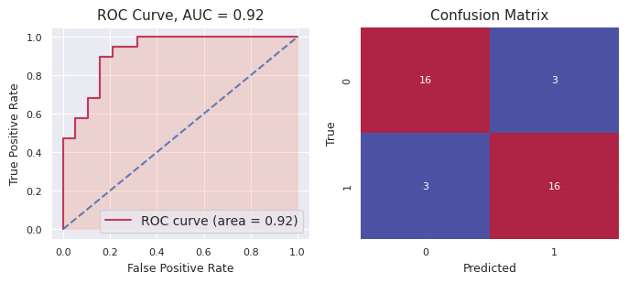
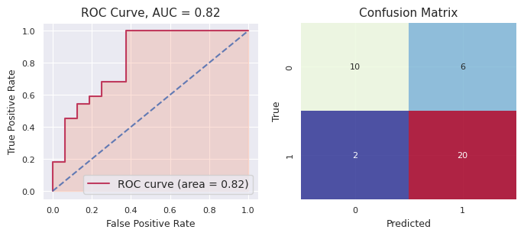
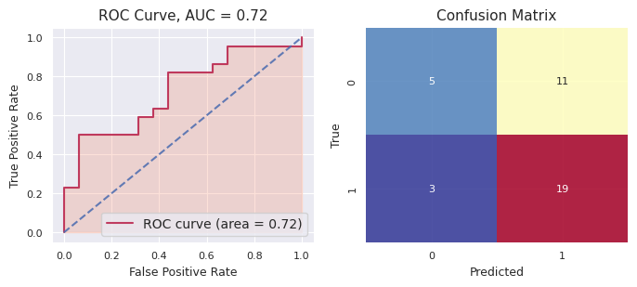
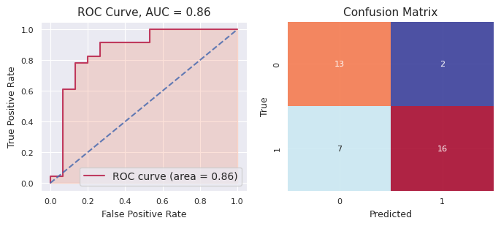
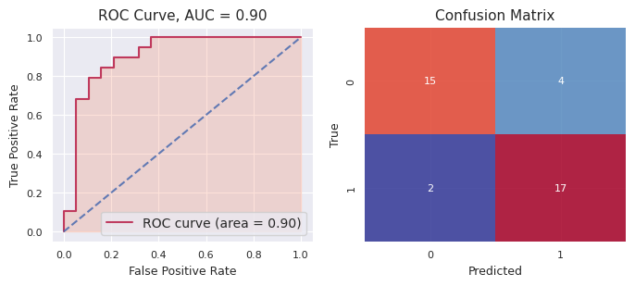
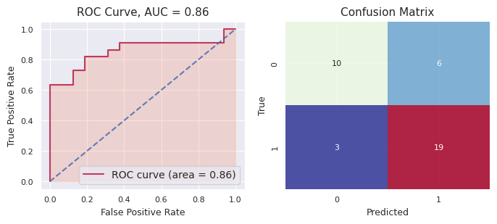
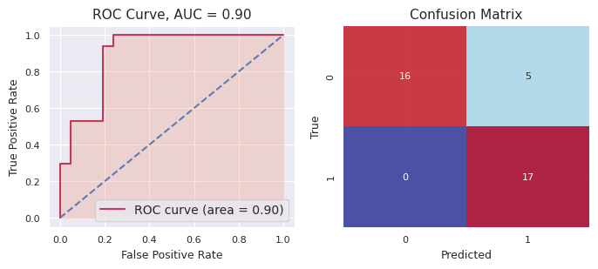




f-mth | Ensemble
 | Seed | Accuracy | Precision | Recall | F1 | AUC
 | 4321 | 0.8421 | 0.8421 | 0.8421 | 0.8421 | 0.9224
 | 321 | 0.7895 | 0.7692 | 0.9091 | 0.8333 | 0.8210
 | 123 | 0.6316 | 0.6333 | 0.8636 | 0.7308 | 0.7216
 | 2 | 0.7632 | 0.8889 | 0.6957 | 0.7805 | 0.8609
 | 12345 | 0.8421 | 0.8095 | 0.8947 | 0.8500 | 0.9030
 | 9876 | 0.7632 | 0.7600 | 0.8636 | 0.8085 | 0.8551
 | 5678 | 0.8684 | 0.7727 | 1.0000 | 0.8718 | 0.8964
 | 6 | 0.7632 | 0.8000 | 0.6667 | 0.7273 | 0.8972
 | 67890 | 0.7895 | 0.7619 | 0.8421 | 0.8000 | 0.8643
 | 876 | 0.7368 | 0.7143 | 0.7895 | 0.7500 | 0.8255
 |  | 0.7719 | 0.7752 | 0.8367 | 0.7994 | 0.8567
 |  | 0.0636 | 0.0659 | 0.0937 | 0.0485 | 0.0550

stacked_bpu-lac
bpu-lac: Stacked Generalization
Dataset Split: 72% - training, 20% - validation, 8% - test
 | ChemBERTa |  |  |  |  | LogReg |  |  |  |  | SVC |  |  |  |  | RFC |  |  |  |  | GradBoostC |  |  |  |  | Stacked
Seed | Accuracy (test) | Precision (test) | Recall (test) | F1 (test) | AUC (test) | Accuracy (test) | Precision (test) | Recall (test) | F1 (test) | AUC (test) | Accuracy (test) | Precision (test) | Recall (test) | F1 (test) | AUC (test) | Accuracy (test) | Precision (test) | Recall (test) | F1 (test) | AUC (test) | Accuracy (test) | Precision (test) | Recall (test) | F1 (test) | AUC (test) | Accuracy (test) | Precision (test) | Recall (test) | F1 (test) | AUC (test)
321 | 0.8667 | 0.8889 | 0.8889 | 0.8889 | 0.8889 | 0.8667 | 0.8182 | 1.0000 | 0.9000 | 0.8519 | 0.8667 | 0.8182 | 1.0000 | 0.9000 | 1.0000 | 0.8667 | 0.8182 | 1.0000 | 0.9000 | 0.9630 | 0.7333 | 0.7273 | 0.8889 | 0.8000 | 0.8519 | 0.8000 | 0.8000 | 0.8889 | 0.8421 | 0.9259
21 | 0.8000 | 0.8889 | 0.8000 | 0.8421 | 0.8800 | 0.9333 | 0.9091 | 1.0000 | 0.9524 | 0.9000 | 0.9333 | 1.0000 | 0.9000 | 0.9474 | 0.9600 | 0.8667 | 0.9000 | 0.9000 | 0.9000 | 0.9600 | 0.9333 | 1.0000 | 0.9000 | 0.9474 | 0.9800 | 0.9333 | 1.0000 | 0.9000 | 0.9474 | 0.9600
12 | 0.7333 | 0.6364 | 1.0000 | 0.7778 | 0.9107 | 0.8000 | 0.7000 | 1.0000 | 0.8235 | 0.8571 | 0.6667 | 0.6000 | 0.8571 | 0.7059 | 0.7857 | 0.8000 | 0.7000 | 1.0000 | 0.8235 | 0.9643 | 0.7333 | 0.6364 | 1.0000 | 0.7778 | 0.9464 | 0.8000 | 0.7000 | 1.0000 | 0.8235 | 0.9107
3 | 0.8000 | 1.0000 | 0.7692 | 0.8696 | 0.9231 | 0.7333 | 1.0000 | 0.6923 | 0.8182 | 0.9231 | 0.8000 | 1.0000 | 0.7692 | 0.8696 | 1.0000 | 0.6667 | 0.9000 | 0.6923 | 0.7826 | 0.8077 | 0.8667 | 1.0000 | 0.8462 | 0.9167 | 0.9615 | 0.8667 | 1.0000 | 0.8462 | 0.9167 | 0.9615
1234 | 0.7333 | 0.6250 | 0.8333 | 0.7143 | 0.8704 | 0.7333 | 0.6250 | 0.8333 | 0.7143 | 0.8704 | 0.8667 | 0.8333 | 0.8333 | 0.8333 | 0.9444 | 0.9333 | 1.0000 | 0.8333 | 0.9091 | 0.9444 | 0.9333 | 0.8571 | 1.0000 | 0.9231 | 0.9815 | 0.8000 | 0.6667 | 1.0000 | 0.8000 | 0.9259
987 | 0.8000 | 0.6250 | 1.0000 | 0.7692 | 0.8800 | 0.8667 | 0.8000 | 0.8000 | 0.8000 | 0.9800 | 0.7333 | 0.6000 | 0.6000 | 0.6000 | 0.9000 | 0.9333 | 1.0000 | 0.8000 | 0.8889 | 0.9400 | 0.8667 | 0.8000 | 0.8000 | 0.8000 | 0.9400 | 0.8667 | 0.8000 | 0.8000 | 0.8000 | 0.9600
567 | 0.5333 | 0.6250 | 0.5556 | 0.5882 | 0.7222 | 0.4667 | 1.0000 | 0.1111 | 0.2000 | 0.5926 | 0.6667 | 1.0000 | 0.4444 | 0.6154 | 0.7593 | 0.5333 | 1.0000 | 0.2222 | 0.3636 | 0.9444 | 0.8000 | 0.8750 | 0.7778 | 0.8235 | 0.7593 | 0.5333 | 0.7500 | 0.3333 | 0.4615 | 0.6481
7 | 0.8667 | 0.8889 | 0.8889 | 0.8889 | 0.8333 | 0.7333 | 0.7778 | 0.7778 | 0.7778 | 0.7593 | 0.9333 | 0.9000 | 1.0000 | 0.9474 | 0.8333 | 0.6000 | 0.6364 | 0.7778 | 0.7000 | 0.6667 | 0.8000 | 0.8000 | 0.8889 | 0.8421 | 0.7407 | 0.8000 | 0.8750 | 0.7778 | 0.8235 | 0.7778
7890 | 0.6667 | 0.8333 | 0.5556 | 0.6667 | 0.7963 | 0.8000 | 1.0000 | 0.6667 | 0.8000 | 0.8704 | 0.8000 | 0.8750 | 0.7778 | 0.8235 | 0.9074 | 0.8667 | 1.0000 | 0.7778 | 0.8750 | 0.8889 | 0.8667 | 1.0000 | 0.7778 | 0.8750 | 0.9444 | 0.7333 | 1.0000 | 0.5556 | 0.7143 | 0.7963
76 | 0.7333 | 0.7143 | 0.7143 | 0.7143 | 0.8036 | 0.7333 | 0.8000 | 0.5714 | 0.6667 | 0.8393 | 0.7333 | 0.8000 | 0.5714 | 0.6667 | 0.7857 | 0.8000 | 0.8333 | 0.7143 | 0.7692 | 0.8036 | 0.8000 | 0.8333 | 0.7143 | 0.7692 | 0.8036 | 0.7333 | 0.8000 | 0.5714 | 0.6667 | 0.7679
MEAN | 0.7533 | 0.7726 | 0.8006 | 0.7720 | 0.8508 | 0.7667 | 0.8430 | 0.7453 | 0.7453 | 0.8444 | 0.8000 | 0.8427 | 0.7753 | 0.7909 | 0.8876 | 0.7867 | 0.8788 | 0.7718 | 0.7912 | 0.8883 | 0.8333 | 0.8529 | 0.8594 | 0.8475 | 0.8909 | 0.7867 | 0.8392 | 0.7673 | 0.7796 | 0.8634
SD | 0.0945 | 0.1354 | 0.1499 | 0.0966 | 0.0586 | 0.1202 | 0.1244 | 0.2545 | 0.1974 | 0.1000 | 0.0943 | 0.1410 | 0.1756 | 0.1264 | 0.0863 | 0.1327 | 0.1250 | 0.2090 | 0.1571 | 0.0940 | 0.0683 | 0.1158 | 0.0900 | 0.0611 | 0.0886 | 0.1024 | 0.1186 | 0.2048 | 0.1318 | 0.1028

Summary
Data | Method | Statistic | Accuracy | Precision | Recall | F1 | AUROC
bpu-lac | ChemBERTa | mean | 0.753 | 0.773 | 0.801 | 0.772 | 0.851
 |  | sd | 0.095 | 0.135 | 0.150 | 0.097 | 0.059
 | LogReg | mean | 0.767 | 0.843 | 0.745 | 0.745 | 0.844
 |  | sd | 0.120 | 0.124 | 0.255 | 0.197 | 0.100
 | SVC | mean | 0.800 | 0.843 | 0.775 | 0.791 | 0.888
 |  | sd | 0.094 | 0.141 | 0.176 | 0.126 | 0.086
 | RFC | mean | 0.787 | 0.879 | 0.772 | 0.791 | 0.888
 |  | sd | 0.133 | 0.125 | 0.209 | 0.157 | 0.094
 | GradBoostC | mean | 0.833 | 0.853 | 0.859 | 0.847 | 0.891
 |  | sd | 0.068 | 0.116 | 0.090 | 0.061 | 0.089
 | Stacked* | mean | 0.787 | 0.839 | 0.767 | 0.780 | 0.863
 |  | sd | 0.102 | 0.119 | 0.205 | 0.132 | 0.103

bpu-lac: Ensemble
Dataset Split: 80% - training, 20% - test (Probability estimates for Oxd=1 from all models)
bpu(321) | LogReg | SVC | RFC | GradboostC | Avg Prob | Prediction | True Label | bpu(21) | LogReg | SVC | RFC | GradboostC | Avg Prob | Prediction | True Label | bpu(12) | LogReg | SVC | RFC | GradboostC | Avg Prob | Prediction | True Label | bpu(3) | LogReg | SVC | RFC | GradboostC | Avg Prob | Prediction | True Label | bpu(1234) | LogReg | SVC | RFC | GradboostC | Avg Prob | Prediction | True Label | bpu(987) | LogReg | SVC | RFC | GradboostC | Avg Prob | Prediction | True Label | bpu(567) | LogReg | SVC | RFC | GradboostC | Avg Prob | Prediction | True Label | bpu(7) | LogReg | SVC | RFC | GradboostC | Avg Prob | Prediction | True Label | bpu(7890) | LogReg | SVC | RFC | GradboostC | Avg Prob | Prediction | True Label | bpu(76) | LogReg | SVC | RFC | GradboostC | Avg Prob | Prediction | True Label
 | 0.9153 | 0.7520 | 0.7623 | 0.9045 | 0.8335 | 1.0000 | 1.0000 |  | 0.7139 | 0.7927 | 0.6223 | 0.7428 | 0.7179 | 1.0000 | 0.0000 |  | 0.2601 | 0.2070 | 0.3398 | 0.0393 | 0.2115 | 0.0000 | 0.0000 |  | 0.4800 | 0.2398 | 0.6175 | 0.0130 | 0.3376 | 0.0000 | 0.0000 |  | 0.5212 | 0.7245 | 0.5877 | 0.6851 | 0.6296 | 1.0000 | 1.0000 |  | 0.6123 | 0.5070 | 0.6268 | 0.9518 | 0.6745 | 1.0000 | 0.0000 |  | 0.2403 | 0.2466 | 0.2976 | 0.2250 | 0.2524 | 0.0000 | 0.0000 |  | 0.8118 | 0.5659 | 0.8223 | 0.8010 | 0.7502 | 1.0000 | 0.0000 |  | 0.9980 | 0.9267 | 0.7998 | 1.0000 | 0.9311 | 1.0000 | 1.0000 |  | 0.7387 | 0.2812 | 0.4705 | 0.2090 | 0.4248 | 0.0000 | 1.0000
 | 0.5736 | 0.5370 | 0.6513 | 0.7725 | 0.6336 | 1.0000 | 1.0000 |  | 0.6435 | 0.8694 | 0.6147 | 0.7693 | 0.7242 | 1.0000 | 0.0000 |  | 0.5787 | 0.6763 | 0.4172 | 0.0221 | 0.4236 | 0.0000 | 0.0000 |  | 0.1596 | 0.1573 | 0.3209 | 0.0000 | 0.1594 | 0.0000 | 0.0000 |  | 0.9753 | 0.7578 | 0.7136 | 0.8524 | 0.8248 | 1.0000 | 1.0000 |  | 0.0030 | 0.4752 | 0.5542 | 0.5047 | 0.3843 | 0.0000 | 0.0000 |  | 0.0279 | 0.1141 | 0.1774 | 0.1177 | 0.1093 | 0.0000 | 0.0000 |  | 0.8803 | 0.6887 | 0.7981 | 0.8565 | 0.8059 | 1.0000 | 1.0000 |  | 0.0115 | 0.1543 | 0.2460 | 0.1866 | 0.1496 | 0.0000 | 0.0000 |  | 0.7910 | 0.8869 | 0.6780 | 0.9118 | 0.8169 | 1.0000 | 1.0000
 | 0.8068 | 0.7047 | 0.6703 | 0.6860 | 0.7170 | 1.0000 | 1.0000 |  | 0.5207 | 0.6897 | 0.5381 | 0.4197 | 0.5421 | 1.0000 | 1.0000 |  | 0.0811 | 0.3397 | 0.2654 | 0.0033 | 0.1724 | 0.0000 | 1.0000 |  | 0.1724 | 0.3782 | 0.3149 | 0.0044 | 0.2175 | 0.0000 | 1.0000 |  | 0.9735 | 0.8621 | 0.7689 | 0.8900 | 0.8736 | 1.0000 | 1.0000 |  | 0.3468 | 0.2364 | 0.4273 | 0.5096 | 0.3800 | 0.0000 | 1.0000 |  | 0.9479 | 0.8436 | 0.6668 | 0.8343 | 0.8232 | 1.0000 | 0.0000 |  | 0.5525 | 0.5075 | 0.6790 | 0.5409 | 0.5700 | 1.0000 | 1.0000 |  | 0.0024 | 0.1024 | 0.0617 | 0.0000 | 0.0416 | 0.0000 | 0.0000 |  | 0.8492 | 0.8625 | 0.6451 | 0.4718 | 0.7072 | 1.0000 | 0.0000
 | 0.7364 | 0.6140 | 0.6325 | 0.6997 | 0.6706 | 1.0000 | 1.0000 |  | 0.8111 | 0.8791 | 0.7491 | 0.9106 | 0.8375 | 1.0000 | 0.0000 |  | 0.9970 | 0.8621 | 0.8142 | 0.9995 | 0.9182 | 1.0000 | 0.0000 |  | 0.0832 | 0.1395 | 0.0698 | 0.0000 | 0.0731 | 0.0000 | 0.0000 |  | 0.9998 | 0.8684 | 0.5573 | 0.3515 | 0.6942 | 1.0000 | 0.0000 |  | 0.0453 | 0.1966 | 0.2229 | 0.1770 | 0.1604 | 0.0000 | 0.0000 |  | 0.9901 | 0.5178 | 0.5388 | 0.6658 | 0.6781 | 1.0000 | 1.0000 |  | 0.9755 | 0.8412 | 0.7736 | 0.9647 | 0.8887 | 1.0000 | 0.0000 |  | 0.2201 | 0.3350 | 0.3189 | 0.1803 | 0.2636 | 0.0000 | 1.0000 |  | 0.2535 | 0.1577 | 0.2187 | 0.0548 | 0.1712 | 0.0000 | 0.0000
 | 0.7628 | 0.6089 | 0.6639 | 0.8175 | 0.7133 | 1.0000 | 1.0000 |  | 0.3949 | 0.8042 | 0.7250 | 0.8802 | 0.7011 | 1.0000 | 1.0000 |  | 0.9269 | 0.9103 | 0.8329 | 1.0000 | 0.9175 | 1.0000 | 1.0000 |  | 0.8257 | 0.8963 | 0.7854 | 1.0000 | 0.8768 | 1.0000 | 1.0000 |  | 0.9826 | 0.9104 | 0.5193 | 0.8475 | 0.8149 | 1.0000 | 0.0000 |  | 0.9809 | 0.9458 | 0.7913 | 0.9789 | 0.9242 | 1.0000 | 1.0000 |  | 0.4005 | 0.6088 | 0.3759 | 0.1460 | 0.3828 | 0.0000 | 1.0000 |  | 0.3754 | 0.7170 | 0.4163 | 0.1752 | 0.4210 | 0.0000 | 0.0000 |  | 0.9781 | 0.8253 | 0.7187 | 0.9998 | 0.8805 | 1.0000 | 1.0000 |  | 0.0371 | 0.0819 | 0.3463 | 0.0180 | 0.1208 | 0.0000 | 0.0000
 | 0.7789 | 0.7098 | 0.6837 | 0.6766 | 0.7123 | 1.0000 | 1.0000 |  | 0.5435 | 0.8477 | 0.6748 | 0.8134 | 0.7198 | 1.0000 | 1.0000 |  | 0.0826 | 0.1077 | 0.1772 | 0.0001 | 0.0919 | 0.0000 | 0.0000 |  | 0.7332 | 0.7941 | 0.6968 | 0.9989 | 0.8058 | 1.0000 | 1.0000 |  | 0.9998 | 0.9699 | 0.7706 | 0.8506 | 0.8977 | 1.0000 | 1.0000 |  | 0.0826 | 0.1226 | 0.2287 | 0.0121 | 0.1115 | 0.0000 | 0.0000 |  | 0.9878 | 0.8410 | 0.7559 | 0.6573 | 0.8105 | 1.0000 | 1.0000 |  | 0.0309 | 0.0507 | 0.2952 | 0.0347 | 0.1029 | 0.0000 | 0.0000 |  | 0.9661 | 0.9496 | 0.8985 | 0.9999 | 0.9535 | 1.0000 | 1.0000 |  | 0.5971 | 0.8460 | 0.5085 | 0.7081 | 0.6649 | 1.0000 | 0.0000
 | 0.1119 | 0.2230 | 0.2927 | 0.3343 | 0.2405 | 0.0000 | 0.0000 |  | 0.5535 | 0.5131 | 0.4767 | 0.4423 | 0.4964 | 0.0000 | 0.0000 |  | 0.9887 | 0.8835 | 0.7901 | 0.9998 | 0.9155 | 1.0000 | 1.0000 |  | 0.8257 | 0.9002 | 0.7915 | 1.0000 | 0.8794 | 1.0000 | 1.0000 |  | 0.9996 | 0.9871 | 0.8876 | 0.9280 | 0.9506 | 1.0000 | 1.0000 |  | 0.0426 | 0.5715 | 0.5512 | 0.8160 | 0.4953 | 0.0000 | 1.0000 |  | 0.5571 | 0.8430 | 0.5522 | 0.7262 | 0.6696 | 1.0000 | 1.0000 |  | 0.5503 | 0.4636 | 0.5832 | 0.9288 | 0.6315 | 1.0000 | 1.0000 |  | 0.0590 | 0.1292 | 0.3032 | 0.0000 | 0.1228 | 0.0000 | 0.0000 |  | 0.1650 | 0.2818 | 0.3907 | 0.0605 | 0.2245 | 0.0000 | 0.0000
 | 0.6999 | 0.6970 | 0.6821 | 0.8041 | 0.7208 | 1.0000 | 1.0000 |  | 0.2877 | 0.1150 | 0.1563 | 0.0735 | 0.1581 | 0.0000 | 0.0000 |  | 0.0649 | 0.1462 | 0.2940 | 0.8938 | 0.3497 | 0.0000 | 0.0000 |  | 0.5404 | 0.8378 | 0.7782 | 0.9999 | 0.7891 | 1.0000 | 1.0000 |  | 0.0017 | 0.2178 | 0.1143 | 0.1070 | 0.1102 | 0.0000 | 0.0000 |  | 0.3471 | 0.5931 | 0.6745 | 0.8648 | 0.6199 | 1.0000 | 0.0000 |  | 0.6084 | 0.6891 | 0.5336 | 0.5463 | 0.5944 | 1.0000 | 1.0000 |  | 0.0481 | 0.1211 | 0.1445 | 0.0186 | 0.0831 | 0.0000 | 0.0000 |  | 0.8089 | 0.7288 | 0.7013 | 0.9999 | 0.8097 | 1.0000 | 1.0000 |  | 0.3250 | 0.3520 | 0.3761 | 0.7886 | 0.4604 | 0.0000 | 0.0000
 | 0.2241 | 0.2563 | 0.2138 | 0.2246 | 0.2297 | 0.0000 | 0.0000 |  | 0.3989 | 0.3694 | 0.5324 | 0.7765 | 0.5193 | 1.0000 | 0.0000 |  | 0.8242 | 0.8893 | 0.6648 | 0.9985 | 0.8442 | 1.0000 | 1.0000 |  | 0.9997 | 0.5178 | 0.7902 | 0.9999 | 0.8269 | 1.0000 | 1.0000 |  | 0.0515 | 0.0305 | 0.2714 | 0.1433 | 0.1242 | 0.0000 | 0.0000 |  | 0.0233 | 0.0459 | 0.1043 | 0.0555 | 0.0573 | 0.0000 | 0.0000 |  | 0.0206 | 0.1072 | 0.1850 | 0.1177 | 0.1076 | 0.0000 | 0.0000 |  | 0.3561 | 0.1952 | 0.3082 | 0.1211 | 0.2452 | 0.0000 | 1.0000 |  | 0.9862 | 0.9399 | 0.8154 | 0.9997 | 0.9353 | 1.0000 | 0.0000 |  | 0.0799 | 0.0658 | 0.0400 | 0.0300 | 0.0539 | 0.0000 | 0.0000
 | 0.5554 | 0.5000 | 0.6230 | 0.7773 | 0.6139 | 1.0000 | 1.0000 |  | 0.4691 | 0.7390 | 0.5540 | 0.7752 | 0.6343 | 1.0000 | 1.0000 |  | 0.8576 | 0.9438 | 0.7554 | 0.9989 | 0.8889 | 1.0000 | 1.0000 |  | 0.6987 | 0.6746 | 0.7521 | 1.0000 | 0.7814 | 1.0000 | 1.0000 |  | 0.2946 | 0.5844 | 0.5143 | 0.6711 | 0.5161 | 1.0000 | 1.0000 |  | 0.0242 | 0.1375 | 0.2443 | 0.0470 | 0.1133 | 0.0000 | 1.0000 |  | 0.7761 | 0.4176 | 0.5474 | 0.7692 | 0.6276 | 1.0000 | 1.0000 |  | 0.2211 | 0.1947 | 0.4280 | 0.1018 | 0.2364 | 0.0000 | 0.0000 |  | 0.5676 | 0.7730 | 0.6410 | 0.9999 | 0.7454 | 1.0000 | 1.0000 |  | 0.3141 | 0.6476 | 0.4265 | 0.7508 | 0.5348 | 1.0000 | 1.0000
 | 0.1349 | 0.2611 | 0.2089 | 0.2246 | 0.2073 | 0.0000 | 0.0000 |  | 0.7310 | 0.5196 | 0.6429 | 0.8907 | 0.6961 | 1.0000 | 1.0000 |  | 0.9338 | 0.7189 | 0.7818 | 0.9949 | 0.8574 | 1.0000 | 1.0000 |  | 0.6272 | 0.7594 | 0.8152 | 1.0000 | 0.8004 | 1.0000 | 1.0000 |  | 0.2994 | 0.2129 | 0.3677 | 0.3213 | 0.3003 | 0.0000 | 0.0000 |  | 0.9795 | 0.8064 | 0.7623 | 0.9676 | 0.8790 | 1.0000 | 1.0000 |  | 0.7212 | 0.8253 | 0.6748 | 0.6712 | 0.7231 | 1.0000 | 0.0000 |  | 0.9574 | 0.8531 | 0.8082 | 0.8189 | 0.8594 | 1.0000 | 1.0000 |  | 0.9914 | 0.9146 | 0.7850 | 1.0000 | 0.9227 | 1.0000 | 1.0000 |  | 0.1237 | 0.1161 | 0.1029 | 0.0514 | 0.0985 | 0.0000 | 0.0000
 | 0.7434 | 0.7147 | 0.7257 | 0.8029 | 0.7467 | 1.0000 | 1.0000 |  | 0.2122 | 0.0810 | 0.1297 | 0.0866 | 0.1274 | 0.0000 | 0.0000 |  | 0.6763 | 0.8448 | 0.7590 | 0.9728 | 0.8132 | 1.0000 | 1.0000 |  | 0.2424 | 0.3082 | 0.2423 | 0.0109 | 0.2010 | 0.0000 | 1.0000 |  | 0.0136 | 0.0446 | 0.1769 | 0.1264 | 0.0904 | 0.0000 | 0.0000 |  | 0.9536 | 0.8731 | 0.7652 | 0.9665 | 0.8896 | 1.0000 | 1.0000 |  | 0.7311 | 0.8731 | 0.7582 | 0.8705 | 0.8082 | 1.0000 | 1.0000 |  | 0.8994 | 0.8233 | 0.5503 | 0.9639 | 0.8092 | 1.0000 | 1.0000 |  | 0.3760 | 0.3499 | 0.4406 | 0.1286 | 0.3238 | 0.0000 | 1.0000 |  | 0.5116 | 0.6218 | 0.4989 | 0.1772 | 0.4524 | 0.0000 | 1.0000
 | 0.4194 | 0.5088 | 0.6506 | 0.4494 | 0.5070 | 1.0000 | 1.0000 |  | 0.2785 | 0.0934 | 0.3013 | 0.1389 | 0.2030 | 0.0000 | 0.0000 |  | 0.4327 | 0.3933 | 0.5469 | 0.0011 | 0.3435 | 0.0000 | 0.0000 |  | 0.6366 | 0.8123 | 0.5436 | 0.9998 | 0.7481 | 1.0000 | 1.0000 |  | 0.6311 | 0.4534 | 0.7924 | 0.8576 | 0.6836 | 1.0000 | 1.0000 |  | 0.9952 | 0.7776 | 0.8387 | 0.9740 | 0.8963 | 1.0000 | 1.0000 |  | 0.8403 | 0.8623 | 0.7372 | 0.8329 | 0.8182 | 1.0000 | 1.0000 |  | 0.7626 | 0.6789 | 0.8444 | 0.9714 | 0.8143 | 1.0000 | 1.0000 |  | 0.4227 | 0.3537 | 0.4970 | 0.0575 | 0.3327 | 0.0000 | 0.0000 |  | 0.9549 | 0.7110 | 0.7942 | 0.9423 | 0.8506 | 1.0000 | 1.0000
 | 0.8982 | 0.7295 | 0.7087 | 0.8956 | 0.8080 | 1.0000 | 1.0000 |  | 0.8006 | 0.9387 | 0.8732 | 0.9683 | 0.8952 | 1.0000 | 1.0000 |  | 0.9649 | 0.9455 | 0.6015 | 0.9999 | 0.8779 | 1.0000 | 1.0000 |  | 0.2807 | 0.3134 | 0.2492 | 0.0003 | 0.2109 | 0.0000 | 1.0000 |  | 0.0097 | 0.1099 | 0.1720 | 0.1199 | 0.1028 | 0.0000 | 0.0000 |  | 0.0027 | 0.0977 | 0.0740 | 0.0251 | 0.0499 | 0.0000 | 0.0000 |  | 0.1358 | 0.0861 | 0.1325 | 0.1086 | 0.1158 | 0.0000 | 0.0000 |  | 0.7043 | 0.8233 | 0.7746 | 0.9742 | 0.8191 | 1.0000 | 1.0000 |  | 0.7111 | 0.8557 | 0.6292 | 0.9978 | 0.7985 | 1.0000 | 0.0000 |  | 0.7074 | 0.7787 | 0.5102 | 0.2589 | 0.5638 | 1.0000 | 1.0000
 | 0.2177 | 0.2671 | 0.3475 | 0.1837 | 0.2540 | 0.0000 | 0.0000 |  | 0.7924 | 0.9340 | 0.8659 | 0.9620 | 0.8886 | 1.0000 | 1.0000 |  | 0.6043 | 0.7370 | 0.3920 | 0.7112 | 0.6111 | 1.0000 | 1.0000 |  | 0.3469 | 0.2281 | 0.3513 | 0.0000 | 0.2316 | 0.0000 | 0.0000 |  | 0.9114 | 0.7311 | 0.8280 | 0.9038 | 0.8436 | 1.0000 | 1.0000 |  | 0.5650 | 0.6625 | 0.4707 | 0.8341 | 0.6331 | 1.0000 | 0.0000 |  | 0.2583 | 0.2850 | 0.3388 | 0.3240 | 0.3015 | 0.0000 | 0.0000 |  | 0.1694 | 0.1020 | 0.3623 | 0.0135 | 0.1618 | 0.0000 | 0.0000 |  | 0.9538 | 0.5052 | 0.5832 | 0.9801 | 0.7556 | 1.0000 | 0.0000 |  | 0.6542 | 0.8569 | 0.6614 | 0.8967 | 0.7673 | 1.0000 | 0.0000
 | 0.5221 | 0.5381 | 0.5880 | 0.7773 | 0.6064 | 1.0000 | 0.0000 |  | 0.8989 | 0.8784 | 0.7351 | 0.8612 | 0.8434 | 1.0000 | 1.0000 |  | 0.1581 | 0.1125 | 0.3477 | 0.0193 | 0.1594 | 0.0000 | 0.0000 |  | 0.7783 | 0.6438 | 0.6095 | 0.8637 | 0.7238 | 1.0000 | 0.0000 |  | 0.0120 | 0.1587 | 0.3595 | 0.1124 | 0.1607 | 0.0000 | 0.0000 |  | 0.9061 | 0.8244 | 0.6891 | 0.9186 | 0.8346 | 1.0000 | 1.0000 |  | 0.2710 | 0.2324 | 0.3589 | 0.4757 | 0.3345 | 0.0000 | 0.0000 |  | 0.9056 | 0.8760 | 0.8898 | 0.9940 | 0.9163 | 1.0000 | 1.0000 |  | 0.0278 | 0.1618 | 0.1990 | 0.0003 | 0.0972 | 0.0000 | 1.0000 |  | 0.9323 | 0.9234 | 0.7593 | 0.9055 | 0.8801 | 1.0000 | 1.0000
 | 0.7338 | 0.5904 | 0.6942 | 0.4312 | 0.6124 | 1.0000 | 0.0000 |  | 0.2802 | 0.0978 | 0.1375 | 0.1286 | 0.1610 | 0.0000 | 0.0000 |  | 0.1071 | 0.1078 | 0.1568 | 0.0005 | 0.0931 | 0.0000 | 0.0000 |  | 0.0726 | 0.2189 | 0.2473 | 0.0121 | 0.1377 | 0.0000 | 0.0000 |  | 0.9629 | 0.8544 | 0.7937 | 0.8904 | 0.8753 | 1.0000 | 1.0000 |  | 0.0254 | 0.1677 | 0.2379 | 0.0261 | 0.1143 | 0.0000 | 0.0000 |  | 0.0553 | 0.0847 | 0.0899 | 0.0763 | 0.0765 | 0.0000 | 0.0000 |  | 0.5434 | 0.7868 | 0.6325 | 0.8479 | 0.7026 | 1.0000 | 1.0000 |  | 0.0551 | 0.2287 | 0.1952 | 0.0001 | 0.1198 | 0.0000 | 0.0000 |  | 0.9025 | 0.9565 | 0.6919 | 0.9610 | 0.8780 | 1.0000 | 1.0000
 | 0.7051 | 0.5764 | 0.7314 | 0.8345 | 0.7118 | 1.0000 | 1.0000 |  | 0.1344 | 0.0592 | 0.0743 | 0.0480 | 0.0790 | 0.0000 | 0.0000 |  | 0.3123 | 0.5131 | 0.5379 | 0.9216 | 0.5712 | 1.0000 | 0.0000 |  | 0.7397 | 0.5000 | 0.7420 | 0.0000 | 0.4954 | 0.0000 | 0.0000 |  | 0.0607 | 0.2223 | 0.4746 | 0.4491 | 0.3017 | 0.0000 | 0.0000 |  | 0.0012 | 0.0286 | 0.2413 | 0.0770 | 0.0870 | 0.0000 | 0.0000 |  | 0.4235 | 0.6662 | 0.5191 | 0.7828 | 0.5979 | 1.0000 | 1.0000 |  | 0.3773 | 0.6415 | 0.3821 | 0.1139 | 0.3787 | 0.0000 | 1.0000 |  | 0.9895 | 0.9102 | 0.6974 | 0.9928 | 0.8975 | 1.0000 | 1.0000 |  | 0.7364 | 0.8718 | 0.6684 | 0.8475 | 0.7810 | 1.0000 | 1.0000
 | 0.9523 | 0.7792 | 0.7385 | 0.7664 | 0.8091 | 1.0000 | 1.0000 |  | 0.6117 | 0.7971 | 0.8173 | 0.9136 | 0.7849 | 1.0000 | 1.0000 |  | 0.6011 | 0.7004 | 0.4665 | 0.5817 | 0.5874 | 1.0000 | 1.0000 |  | 0.8198 | 0.7426 | 0.6367 | 0.9784 | 0.7944 | 1.0000 | 1.0000 |  | 0.0308 | 0.0996 | 0.2910 | 0.1471 | 0.1421 | 0.0000 | 0.0000 |  | 0.8390 | 0.4663 | 0.7581 | 0.6071 | 0.6676 | 1.0000 | 0.0000 |  | 0.6055 | 0.6889 | 0.6169 | 0.7996 | 0.6777 | 1.0000 | 1.0000 |  | 0.0270 | 0.1976 | 0.1557 | 0.0253 | 0.1014 | 0.0000 | 0.0000 |  | 1.0000 | 0.8622 | 0.8268 | 1.0000 | 0.9223 | 1.0000 | 0.0000 |  | 0.4347 | 0.2368 | 0.4296 | 0.0745 | 0.2939 | 0.0000 | 0.0000
 | 0.5480 | 0.5231 | 0.5127 | 0.5886 | 0.5431 | 1.0000 | 1.0000 |  | 0.4023 | 0.5964 | 0.4839 | 0.5889 | 0.5179 | 1.0000 | 1.0000 |  | 0.5337 | 0.6031 | 0.4710 | 0.2972 | 0.4762 | 0.0000 | 0.0000 |  | 0.7225 | 0.6982 | 0.7224 | 1.0000 | 0.7858 | 1.0000 | 1.0000 |  | 0.2700 | 0.4709 | 0.3839 | 0.2358 | 0.3401 | 0.0000 | 0.0000 |  | 0.0406 | 0.1476 | 0.2319 | 0.0332 | 0.1133 | 0.0000 | 0.0000 |  | 0.3763 | 0.3170 | 0.5309 | 0.7239 | 0.4870 | 0.0000 | 1.0000 |  | 0.9004 | 0.7003 | 0.8717 | 0.5700 | 0.7606 | 1.0000 | 0.0000 |  | 0.1940 | 0.1191 | 0.2874 | 0.0000 | 0.1502 | 0.0000 | 0.0000 |  | 0.2654 | 0.1578 | 0.2716 | 0.0693 | 0.1910 | 0.0000 | 0.0000
 | 0.7798 | 0.7103 | 0.6844 | 0.6766 | 0.7128 | 1.0000 | 1.0000 |  | 0.6605 | 0.8671 | 0.6662 | 0.8200 | 0.7534 | 1.0000 | 1.0000 |  | 0.8488 | 0.9131 | 0.7920 | 0.9995 | 0.8884 | 1.0000 | 1.0000 |  | 0.2240 | 0.3328 | 0.2478 | 0.0326 | 0.2093 | 0.0000 | 0.0000 |  | 0.0033 | 0.0940 | 0.1116 | 0.1070 | 0.0790 | 0.0000 | 0.0000 |  | 0.0788 | 0.2289 | 0.2544 | 0.1941 | 0.1890 | 0.0000 | 0.0000 |  | 0.3270 | 0.3049 | 0.4600 | 0.3178 | 0.3524 | 0.0000 | 1.0000 |  | 0.8306 | 0.5161 | 0.6204 | 0.7090 | 0.6690 | 1.0000 | 1.0000 |  | 0.9947 | 0.9073 | 0.8659 | 1.0000 | 0.9420 | 1.0000 | 1.0000 |  | 0.4997 | 0.7073 | 0.5169 | 0.7671 | 0.6227 | 1.0000 | 1.0000
 | 0.1090 | 0.2361 | 0.4848 | 0.4140 | 0.3110 | 0.0000 | 0.0000 |  | 0.7313 | 0.8906 | 0.7510 | 0.8417 | 0.8036 | 1.0000 | 1.0000 |  | 0.0558 | 0.0477 | 0.3610 | 0.0047 | 0.1173 | 0.0000 | 0.0000 |  | 0.2940 | 0.1645 | 0.3189 | 0.0000 | 0.1943 | 0.0000 | 0.0000 |  | 0.8302 | 0.7371 | 0.7274 | 0.6693 | 0.7410 | 1.0000 | 1.0000 |  | 0.6557 | 0.7509 | 0.5296 | 0.4849 | 0.6053 | 1.0000 | 0.0000 |  | 0.3024 | 0.3137 | 0.4208 | 0.2600 | 0.3242 | 0.0000 | 0.0000 |  | 0.0256 | 0.2265 | 0.0764 | 0.0145 | 0.0857 | 0.0000 | 0.0000 |  | 0.9959 | 0.8921 | 0.7267 | 1.0000 | 0.9037 | 1.0000 | 0.0000 |  | 0.5231 | 0.8892 | 0.7095 | 0.8931 | 0.7537 | 1.0000 | 1.0000
...
bpu-lac: Ensemble
 | 0.1442 | 0.2364 | 0.2943 | 0.3343 | 0.2523 | 0.0000 | 0.0000 |  | 0.8993 | 0.8985 | 0.7505 | 0.9623 | 0.8777 | 1.0000 | 1.0000 |  | 0.7961 | 0.9123 | 0.5615 | 0.9998 | 0.8174 | 1.0000 | 1.0000 |  | 0.5995 | 0.5590 | 0.6748 | 0.4908 | 0.5810 | 1.0000 | 1.0000 |  | 0.9995 | 0.9915 | 0.6765 | 0.8792 | 0.8867 | 1.0000 | 1.0000 |  | 0.6595 | 0.2302 | 0.4871 | 0.0857 | 0.3656 | 0.0000 | 1.0000 |  | 0.2787 | 0.8146 | 0.7386 | 0.7424 | 0.6436 | 1.0000 | 1.0000 |  | 0.6780 | 0.4155 | 0.5560 | 0.8849 | 0.6336 | 1.0000 | 1.0000 |  | 0.8663 | 0.9020 | 0.8695 | 0.9911 | 0.9072 | 1.0000 | 1.0000 |  | 0.4345 | 0.7303 | 0.6204 | 0.3232 | 0.5271 | 1.0000 | 0.0000
 | 0.3422 | 0.4004 | 0.3654 | 0.1371 | 0.3113 | 0.0000 | 0.0000 |  | 0.3905 | 0.2781 | 0.4058 | 0.6207 | 0.4238 | 0.0000 | 0.0000 |  | 0.1394 | 0.1260 | 0.1722 | 0.0001 | 0.1094 | 0.0000 | 1.0000 |  | 0.8552 | 0.9214 | 0.6301 | 0.9621 | 0.8422 | 1.0000 | 1.0000 |  | 0.9018 | 0.7378 | 0.5469 | 0.6442 | 0.7077 | 1.0000 | 1.0000 |  | 0.0064 | 0.0208 | 0.0944 | 0.0245 | 0.0365 | 0.0000 | 0.0000 |  | 0.0449 | 0.0938 | 0.2770 | 0.1459 | 0.1404 | 0.0000 | 0.0000 |  | 0.5215 | 0.4296 | 0.5603 | 0.5067 | 0.5045 | 1.0000 | 1.0000 |  | 0.0554 | 0.1456 | 0.3332 | 0.0001 | 0.1336 | 0.0000 | 0.0000 |  | 0.8387 | 0.7481 | 0.6946 | 0.6321 | 0.7284 | 1.0000 | 1.0000
 | 0.6482 | 0.5830 | 0.5770 | 0.7426 | 0.6377 | 1.0000 | 1.0000 |  | 0.7584 | 0.8341 | 0.6034 | 0.8600 | 0.7640 | 1.0000 | 1.0000 |  | 0.0803 | 0.0934 | 0.1678 | 0.0000 | 0.0854 | 0.0000 | 0.0000 |  | 0.8860 | 0.9497 | 0.8385 | 1.0000 | 0.9185 | 1.0000 | 1.0000 |  | 0.0219 | 0.0723 | 0.2186 | 0.2711 | 0.1460 | 0.0000 | 0.0000 |  | 0.0141 | 0.0568 | 0.1178 | 0.0529 | 0.0604 | 0.0000 | 0.0000 |  | 0.9999 | 0.8338 | 0.5357 | 0.6312 | 0.7502 | 1.0000 | 0.0000 |  | 0.1580 | 0.1795 | 0.2804 | 0.0536 | 0.1679 | 0.0000 | 0.0000 |  | 0.0288 | 0.1290 | 0.3156 | 0.0000 | 0.1184 | 0.0000 | 0.0000 |  | 0.1961 | 0.1059 | 0.2472 | 0.1016 | 0.1627 | 0.0000 | 0.0000
 | 0.7845 | 0.7136 | 0.5919 | 0.6276 | 0.6794 | 1.0000 | 0.0000 |  | 0.9061 | 0.8596 | 0.7369 | 0.8757 | 0.8446 | 1.0000 | 1.0000 |  | 0.9421 | 0.8749 | 0.7115 | 0.9954 | 0.8810 | 1.0000 | 1.0000 |  | 0.5477 | 0.3945 | 0.6204 | 0.0266 | 0.3973 | 0.0000 | 1.0000 |  | 0.7042 | 0.7906 | 0.7014 | 0.8059 | 0.7505 | 1.0000 | 1.0000 |  | 0.5712 | 0.7406 | 0.6664 | 0.9137 | 0.7230 | 1.0000 | 1.0000 |  | 0.5437 | 0.8859 | 0.7514 | 0.8195 | 0.7502 | 1.0000 | 1.0000 |  | 0.3362 | 0.2257 | 0.5483 | 0.0049 | 0.2788 | 0.0000 | 0.0000 |  | 0.9967 | 0.9068 | 0.7862 | 0.9999 | 0.9224 | 1.0000 | 0.0000 |  | 0.0684 | 0.0649 | 0.2084 | 0.0798 | 0.1054 | 0.0000 | 0.0000
 | 0.7510 | 0.6863 | 0.6469 | 0.6890 | 0.6933 | 1.0000 | 1.0000 |  | 0.4814 | 0.2321 | 0.3868 | 0.1476 | 0.3120 | 0.0000 | 0.0000 |  | 0.7553 | 0.8816 | 0.7061 | 0.9025 | 0.8114 | 1.0000 | 1.0000 |  | 0.0686 | 0.1583 | 0.0566 | 0.0000 | 0.0709 | 0.0000 | 0.0000 |  | 0.7857 | 0.6490 | 0.6985 | 0.6910 | 0.7060 | 1.0000 | 1.0000 |  | 0.9995 | 0.9827 | 0.9231 | 0.9894 | 0.9737 | 1.0000 | 1.0000 |  | 0.3530 | 0.3520 | 0.5308 | 0.6913 | 0.4818 | 0.0000 | 1.0000 |  | 0.9802 | 0.8245 | 0.7956 | 0.8654 | 0.8664 | 1.0000 | 1.0000 |  | 0.9937 | 0.8899 | 0.9069 | 1.0000 | 0.9476 | 1.0000 | 1.0000 |  | 0.3125 | 0.2405 | 0.4021 | 0.0745 | 0.2574 | 0.0000 | 1.0000
 | 0.6578 | 0.6701 | 0.7001 | 0.8550 | 0.7207 | 1.0000 | 1.0000 |  | 0.4939 | 0.2446 | 0.3889 | 0.3550 | 0.3706 | 0.0000 | 0.0000 |  | 0.9220 | 0.4685 | 0.7832 | 0.1182 | 0.5730 | 1.0000 | 0.0000 |  | 0.5440 | 0.4031 | 0.4772 | 0.4138 | 0.4595 | 0.0000 | 1.0000 |  | 0.2168 | 0.1915 | 0.3265 | 0.2622 | 0.2492 | 0.0000 | 0.0000 |  | 0.0076 | 0.1366 | 0.1621 | 0.0163 | 0.0807 | 0.0000 | 0.0000 |  | 0.0892 | 0.1031 | 0.1934 | 0.1805 | 0.1416 | 0.0000 | 0.0000 |  | 0.5616 | 0.6034 | 0.7091 | 0.9646 | 0.7097 | 1.0000 | 0.0000 |  | 0.0030 | 0.0829 | 0.0688 | 0.0000 | 0.0387 | 0.0000 | 0.0000 |  | 0.1320 | 0.1051 | 0.0718 | 0.0811 | 0.0975 | 0.0000 | 0.0000
 | 0.1440 | 0.2323 | 0.3048 | 0.4155 | 0.2742 | 0.0000 | 0.0000 |  | 0.5603 | 0.7896 | 0.5932 | 0.8321 | 0.6938 | 1.0000 | 1.0000 |  | 0.0589 | 0.0941 | 0.1021 | 0.0003 | 0.0638 | 0.0000 | 0.0000 |  | 0.5132 | 0.6999 | 0.5388 | 0.9989 | 0.6877 | 1.0000 | 1.0000 |  | 0.8266 | 0.5287 | 0.7741 | 0.7394 | 0.7172 | 1.0000 | 0.0000 |  | 0.7211 | 0.6748 | 0.6739 | 0.5596 | 0.6574 | 1.0000 | 1.0000 |  | 0.8724 | 0.7241 | 0.5456 | 0.6652 | 0.7018 | 1.0000 | 1.0000 |  | 0.0426 | 0.2945 | 0.3488 | 0.0297 | 0.1789 | 0.0000 | 0.0000 |  | 0.0039 | 0.1129 | 0.1292 | 0.0000 | 0.0615 | 0.0000 | 0.0000 |  | 0.1482 | 0.1132 | 0.2245 | 0.0850 | 0.1427 | 0.0000 | 1.0000
 | 0.0899 | 0.2651 | 0.1309 | 0.1159 | 0.1505 | 0.0000 | 0.0000 |  | 0.6956 | 0.8349 | 0.6258 | 0.7326 | 0.7222 | 1.0000 | 1.0000 |  | 0.1081 | 0.1773 | 0.3467 | 0.0000 | 0.1580 | 0.0000 | 0.0000 |  | 0.3596 | 0.2026 | 0.2708 | 0.0002 | 0.2083 | 0.0000 | 0.0000 |  | 0.0456 | 0.1541 | 0.1761 | 0.1182 | 0.1235 | 0.0000 | 0.0000 |  | 0.0312 | 0.1103 | 0.1045 | 0.0209 | 0.0667 | 0.0000 | 0.0000 |  | 0.8587 | 0.8465 | 0.8413 | 0.8523 | 0.8497 | 1.0000 | 1.0000 |  | 0.0663 | 0.1207 | 0.1586 | 0.0195 | 0.0913 | 0.0000 | 0.0000 |  | 0.9999 | 0.9260 | 0.7155 | 0.9858 | 0.9068 | 1.0000 | 1.0000 |  | 0.9575 | 0.9014 | 0.7944 | 0.9589 | 0.9031 | 1.0000 | 1.0000

 | Accuracy: 0.9117647058823529, Precision: 0.875, Recall: 1.0, F1: 0.9333333333333333, AUC: 0.9597069597069596 |  |  |  |  |  |  |  | Accuracy: 0.8235294117647058, Precision: 0.7916666666666666, Recall: 0.95, F1: 0.8636363636363636, AUC: 0.8714285714285714 |  |  |  |  |  |  |  | Accuracy: 0.8529411764705882, Precision: 0.8421052631578947, Recall: 0.8888888888888888, F1: 0.8648648648648649, AUC: 0.8715277777777777 |  |  |  |  |  |  |  | Accuracy: 0.8235294117647058, Precision: 0.9375, Recall: 0.75, F1: 0.8333333333333334, AUC: 0.9249999999999999 |  |  |  |  |  |  |  | Accuracy: 0.9117647058823529, Precision: 0.8235294117647058, Recall: 1.0, F1: 0.9032258064516129, AUC: 0.9464285714285714 |  |  |  |  |  |  |  | Accuracy: 0.7058823529411765, Precision: 0.6666666666666666, Recall: 0.6666666666666666, F1: 0.6666666666666666, AUC: 0.8614035087719298 |  |  |  |  |  |  |  | Accuracy: 0.7941176470588235, Precision: 0.8421052631578947, Recall: 0.8, F1: 0.8205128205128205, AUC: 0.844642857142857 |  |  |  |  |  |  |  | Accuracy: 0.8235294117647058, Precision: 0.8095238095238095, Recall: 0.8947368421052632, F1: 0.85, AUC: 0.831578947368421 |  |  |  |  |  |  |  | Accuracy: 0.7058823529411765, Precision: 0.631578947368421, Recall: 0.8, F1: 0.7058823529411765, AUC: 0.7719298245614036 |  |  |  |  |  |  |  | Accuracy: 0.7647058823529411, Precision: 0.7647058823529411, Recall: 0.7647058823529411, F1: 0.7647058823529411, AUC: 0.8650519031141869











bpu | Ensemble
 | Seed | Accuracy | Precision | Recall | F1 | AUC
 | 321 | 0.9118 | 0.8750 | 1.0000 | 0.9333 | 0.9597
 | 21 | 0.8235 | 0.7917 | 0.9500 | 0.8636 | 0.8714
 | 12 | 0.8529 | 0.8421 | 0.8889 | 0.8649 | 0.8715
 | 3 | 0.8235 | 0.9375 | 0.7500 | 0.8333 | 0.9250
 | 1234 | 0.9118 | 0.8235 | 1.0000 | 0.9032 | 0.9464
 | 987 | 0.7059 | 0.6667 | 0.6667 | 0.6667 | 0.8614
 | 567 | 0.7941 | 0.8421 | 0.8000 | 0.8205 | 0.8446
...

