page 1
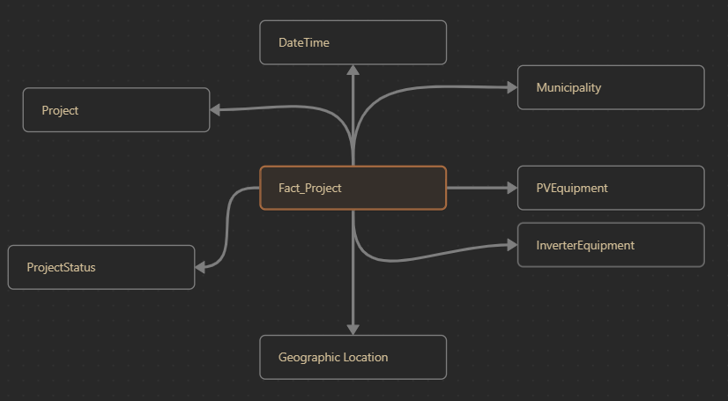
Solar Electric Programs Reported by NYSERDA: Beginning 2000 Data Dictionary | Column1 | Column2
Affordable Multifamily Housing Incentive | Currency | Dollars awarded to the project through the Multifamily Affordable Housing Incentive, which provides additional funding to regulated affordable housing |  | Dimenson
Affordable Solar Residential Adder | Currency | Dollars awarded to the project through the Affordable Solar Residential Incentive, which provides additional funding to income-eligible single family projects |  | DateTime(Year,Quarter,Month,Day)
Brownfield/Landfill Adder | Currency | Dollars awarded to the project through the Brownfield/Landfill Adder, which provides additional funding to projects sited on brownfield sites or landfills |  | Project(Project_Number, Purchase_Type, Sector, Program Type, Contractor, Electric Utility
Canopy Adder | Currency | Dollars awarded to the project through the Canopy Adder, which provides additional funding to projects sited on rooftop canopies or carports in ConEdison territory |  | ProjectStatus(ProjectStatus)
Community Adder | Currency | Dollars awarded to the project through the Community Adder, which provides additional funding to community solar projects |  | GeographicLocation(Street_Address,City, County, State, ZipCode, Longitutde, Lattitude)
Expanded Solar For All Adder | Currency | Dollars awarded to the project through the Expanded Solar For All program, which provides additional funding to community solar projects serving eligible offtakers in National Grid territory |  | Municipality(Incorporated_Municipality, Municipality Type)
Inclusive Community Solar Adder | Currency | Dollars awarded to the project through the Inclusive Community Solar Adder, which provides additional funding to community solar projects serving offtakers in disadvantaged communities |  | PVEquipment(Primary_PV_Module_Manufacturer, PV_Module_Model_Number)
Prevailing Wage Adder | Currency | Dollars awarded to the project through the Prevailing Wage Adder, which provides additional funding to projects that pay prevailing wage during construction |  | InverterEquipments(Primary_Inverter_Manufacturer, Primary_Inverter_Model_Number)
Project Cost | Currency | Expected project installation cost in US dollars (USD), as reported by the solar project contractor. Blank cells represent data that were not required or are not currently available
Total NYSERDA Incentive | Currency | Amount of project incentives paid by the program in USD. Blank cells represent data that were not required or are not currently available. Projects that received Green Jobs-Green NY financing but no incentive show an Incentive Amount of $0
Date Application Received | Date | Date project application was received by the program |  | PlaceHolder(Community_Distributed_Generation, Green_Jobs_Green_New_York_Participant, Minority_Or_Women_Held_Businses)
Date Completed | Date | Date NYSERDA recognized the project as interconnected and operational, and closed out the project application. Blank cells represent pipeline data for projects not yet completed |  | Junk(
Reporting Period | Date | The time period covered by the data set
Expected kWh Annual Production | Numeric | Expected annual electricity production in kilowatt- hours (kWh) as a result of project
Total Inverter Quantity | Numeric | Quantity of all inverters installed for project. Quantity provided is for all inverters, not just the primary inverter. Blank cells represent data that were not required or are not currently available
Total Nameplate kWDC | Numeric | The sum of kilowatt (kW) DC capacity ratings of the installed photovoltaic modules
Total PV Module Quantity | Numeric | Quantity of all photovoltaic (PV) modules installed for project. Quantity provided is for all PV modules, not just the primary PV module. Blank cells represent data that were not required or are not currently available
Latitude | Point | The approximate latitude coordinate of the project. For Residential projects, the center point of the census tract area is provided, not the exact project location. For Non-Residential projects, the coordinate of the street address is provided.
Longitude | Point | The approximate longitude coordinate of the project. For Residential projects, the center point of the census tract area is provided, not the exact project location. For Non-Residential projects, the coordinate of the street address is provided.
Census Tract | Text | Census tract identifier; a concatenation of the state FIPS code, county FIPS code, and census tract code. Blank cells represent data that were not required or are not currently available | Junk
CESIR Number | Text | Unique number assigned to projects by the electric utility company. Stands for Coordinated Electric System Interconnection Review. Blank cells indicate that a CESIR engineering study was not performed by the electric utility, or that the CESIR number was not reported to NYSERDA by the project developer. | Junk
City | Text | Name of city for project location. Where available, standardized United States Postal Service (USPS) city name is provided
Climate and Economic Justice Screening Tool Status | Text | Indicates if the project is located in a federal disadvantaged community as defined by the White House Council on Environmental Quality | Junk
Community Distributed Generation | Text | Indicates if project Community Distributed Generation (Shared Solar or Community Solar) | Junk
Contractor | Text | Name of entity responsible for installation of the project. Blank cells represent data that were not required or are not currently available. Contractor data is not provided for Pipeline projects, except for Community Distributed Generation projects.
County | Text | Name of county for project location. Where available, standardized county name is provided
Electric Utility | Text | Name of electric utility for project location
Green Jobs Green New York Participant | Text | Indicates if project accessed Green Jobs-Green New York financing | Junk
Incorporated Municipality | Text | Name of the incorporated city/town municipality for the project location
Minority or Women Owned Business Enterprise (MWBE) | Text | Indicates if the Contractor is a Minority or Women Owned Business Enterprise (MWBE) | Junk
Municipality Type | Text | Type of incorporated municipality; either City or Town
NYS Disadvantaged Community Status | Text | Indicates if the project is located in a New York State disadvantaged community (DAC) as defined by the Climate Justice Working Group | Junk
Primary Inverter Model Number | Text | Name of primary inverter model number for project. Some projects may use more than one type of inverter model. Only the primary inverter model number is provided. Blank cells represent data that were not required or are not currently available
Primary Inverter Manufacturer | Text | Name of primary inverter manufacturer for project. Some projects may use more than one type of inverter manufacturer. Only the primary inverter manufacturer is provided. Blank cells represent data that were not required or are not currently available
Primary PV Module Model Number | Text | Name of primary photovoltaic (PV) module model number for project. Some projects may use more than one type of PV module model. Only the primary PV module model number is provided. Blank cells represent data that were not required or are not currently available
Primary PV Module Manufacturer | Text | Name of primary photovoltaic (PV) module manufacturer for project. Some projects may use more than one type of PV module manufacturer. Only the primary PV module manufacturer is provided. Blank cells represent data that were not required or are not currently available
Program Type | Text | Name of program type; either Residential/Small Commercial, Commercial/Industrial (Competitive), or Commercial/Industrial (MW Block)
Project Number | Text | Unique identifier for project.
Project Status | Text | Either Complete or Pipeline. Complete indicates projects that are interconnected and operational, and closed out the project application. Pipeline indicates projects with an active application that are not yet complete. Pipeline projects are subject to change
Purchase Type | Text | Solar photovoltaic project purchase agreement type. The purchase types are either Lease, Purchase or Power Purchase Agreement. Blank cells represent data that were not required or are not currently available
Remote Net Metering | Text | Indicates if project is Remote Net Metered. Blank cells represent data that were not required or are not currently available | Junk
Sector | Text | Name of project sector. The sectors in this dataset are either Residential or Non-Residential
Solicitation | Text | NYSERDA Program Opportunity Notification (PON) or Request for Proposal (RFP) number
State | Text | Name of US state for project location. Where available, standardized state abbreviation is provided
Street Address | Text | Street address for project location for projects with a non-residential sector. Where available, standardized address is provided. Blank cells indicate that the project sector is residential, or the address is not available.
ZIP Code | Text | ZIP code for project location. Where available, standardized ZIP code is provided.
Legacy Project Number |  | Unique identifier f+F4+A21:C48+A12:C48+F4+A21:C48+A3:C48+F4+A21:C48+A2:C48+F4+A21:C48+A1:C48+A2:C48+A1:C48 | Junk

