RT_Irr
 | Bright Field |  |  |  | Dark Field
 | Image 1316 | Image 1535 | Image 1549 | Total of all BF images | Image 1620 | Image 1640 | Image 1642 | Total of all DF images
Volume (nm3) | 12418880 | 12418880 | 12418880 | 37256640 | 5242880 | 1058000 | 1058000 | 2116000

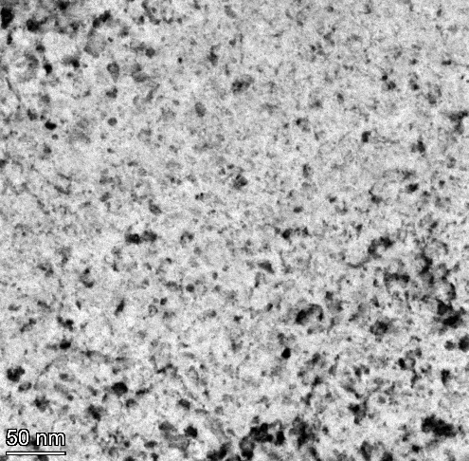
1316
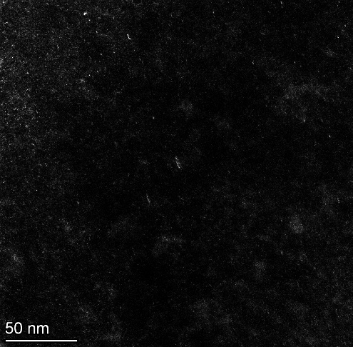
1620
 | 17.002 | 13.014 | 11.705 | 17.002 | 3.902 | 0.719 | 1.113 | 3.902
 | 10.709 | 5.782 | 7.822 | 10.709 | 1.62 | 0.318 | 0.758 | 1.62
 | 2.296 | 5.174 | 7.584 | 2.296 | 1.62 | 0.405 | 0.815 | 1.62
 | 13.869 | 7.071 | 15.194 | 13.869 | 1.528 | 0.562 | 1.429 | 1.528
 | 2.007 | 2.308 | 7.181 | 2.007 | 1.528 | 0.405 | 0.715 | 1.528
 | 6.704 | 4.248 | 2.817 | 6.704 | 1.301 | 0.655 | 0.639 | 1.301
 | 8.425 | 3.263 | 1.747 | 8.425 | 1.301 | 0.502 | 0.815 | 1.301
 | 8.078 | 3.004 | 4.941 | 8.078 | 1.08 | 0.605 | 1.318 | 1.08
 | 4.724 | 6.639 | 2.104 | 4.724 | 1.408 | 0.605 | 0.659 | 1.408
 | 4.11 | 7.73 | 1.747 | 4.11 | 1.208 | 0.562 | 1.68 | 1.208
 | 11.135 | 3.96 | 2.21 | 11.135 | 0.996 | 1.06 | 0.724 | 0.996
 | 2.839 | 4.679 | 6.102 | 2.839 | 7.718 | 0.655 | 0.639 | 7.718
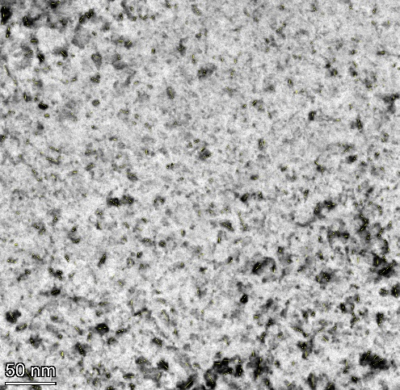
1316-quantified
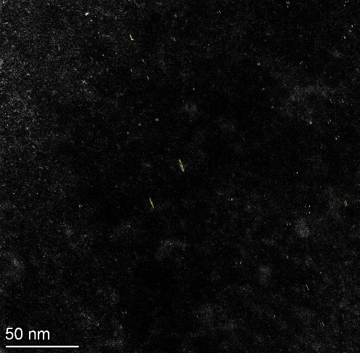
1620-quantified
 | 2.998 | 3.286 | 2.817 | 2.998 | 7.042 | 0.953 | 1.072 | 7.042
 | 7.644 | 8.979 | 7.514 | 7.644 | 0.871 | 0.81 | 1.618 | 0.871
 | 5.133 | 4.819 | 7.514 | 5.133 | 1.025 | 1.036 | 0.965 | 1.025
 | 6.225 | 3.44 | 2.501 | 6.225 | 1.208 | 0.605 | 0.608 | 1.208
 | 3.937 | 10.161 | 5.524 | 3.937 | 0.871 | 1.107 | 0.659 | 0.871
 | 2.839 | 6.081 | 4.454 | 2.839 | 1.62 | 1.636 | 1.825 | 1.62
 | 5.637 | 5.769 | 4.225 | 5.637 | 0.996 | 0.81 | 1.113 | 0.996
 | 3.63 | 3.922 | 3.706 | 3.63 | 0.683 | 0.655 | 0.911 | 0.683
 | 6.409 | 4.631 | 3.36 | 6.409 | 1.301 | 0.502 | 2.037 | 1.301
 | 5.133 | 4.695 | 4.367 | 5.133 | 1.08 | 1.367 | 0.932 | 1.08
 | 5.355 | 2.339 | 8.212 | 5.355 | 1.208 | 1.461 | 0.715 | 1.208
 | 5.678 | 3.546 | 8.734 | 5.678 | 0.54 | 1.066 | 0.965 | 0.54
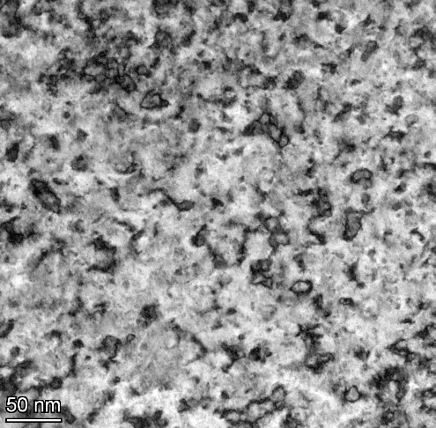
1535
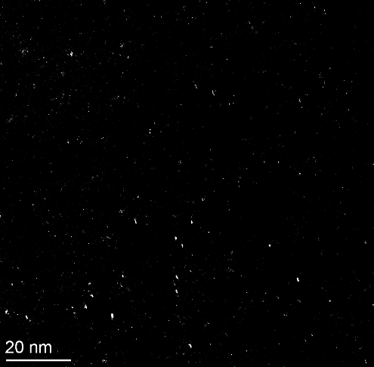
1640
 | 4.806 | 5.059 | 7.422 | 4.806 | 1.528 | 0.927 | 1.042 | 1.528
 | 5.282 | 1.632 | 5.687 | 5.282 | 0.871 | 0.711 | 1.429 | 0.871
 | 6.773 | 9.806 | 2.762 | 6.773 | 1.992 | 0.562 | 0.911 | 1.992
 | 3.937 | 3.101 | 2.47 | 3.937 | 1.62 | 0.899 | 0.861 | 1.62
 | 6.965 | 3.846 | 5.078 | 6.965 | 1.025 | 0.878 | 0.911 | 1.025
 | 6.311 | 4.385 | 1.992 | 6.311 | 1.62 | 0.953 | 0.932 | 1.62
 | 8.03 | 3.546 | 3.051 | 8.03 | 1.301 | 0.856 | 2.439 | 1.301
 | 6.225 | 6.202 | 5.002 | 6.225 | 1.301 | 1.107 | 0.758 | 1.301
 | 2.49 | 5.015 | 4.832 | 2.49 | 3.517 | 1.281 | 1.163 | 3.517
 | 4.348 | 5.16 | 2.47 | 4.348 | 0.725 | 1.507 | 1.263 | 0.725
 | 3.63 | 3.96 | 3.051 | 3.63 | 1.232 | 0.906 | 0.357 | 1.232
 | 8.116 | 4.631 | 5.975 | 8.116 | 1.528 | 1.256 | 1.894 | 1.528
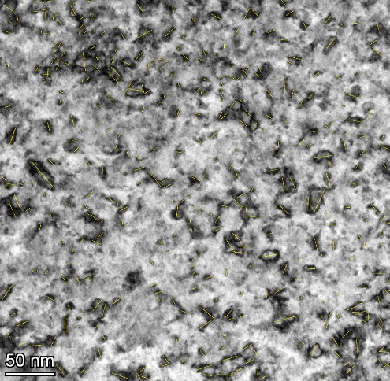
1535-quantified
1640-quantified
 | 8.107 | 3.004 | 2.47 | 8.107 | 1.708 | 0.856 | 0.883 | 1.708
 | 10.213 | 6.923 | 2.47 | 10.213 | 0.966 | 0.96 | 1.864 | 0.966
 | 1.968 | 11.233 | 3.906 | 1.968 | 0.996 | 1.107 | 0.861 | 0.996
 | 9.874 | 8.6 | 2.501 | 9.874 | 1.708 | 1.759 | 1.754 | 1.708
 | 4.11 | 2.463 | 5.313 | 4.11 | 4.128 | 1.565 | 1.375 | 4.128
 | 9.683 | 15.783 | 2.501 | 9.683 | 2.292 | 1.005 | 1.152 | 2.292
 | 2.756 | 15.783 | 13.332 | 2.756 | 1.301 | 1.21 | 1.066 | 1.301
 | 2.007 | 8.47 | 4.078 | 2.007 | 1.742 | 1.036 | 1.217 | 1.742
 | 5.918 | 20.18 | 8.734 | 5.918 | 0.996 | 0.818 | 0.965 | 0.996
 | 4.789 | 6.261 | 2.104 | 4.789 | 1.62 | 0.655 | 1.318 | 1.62
 | 5.813 | 3.788 | 1.953 | 5.813 |  | 0.655 | 0.715 | 0.719
 | 2.866 | 7.257 | 12.234 | 2.866 |  | 0.96 | 0.861 | 0.318
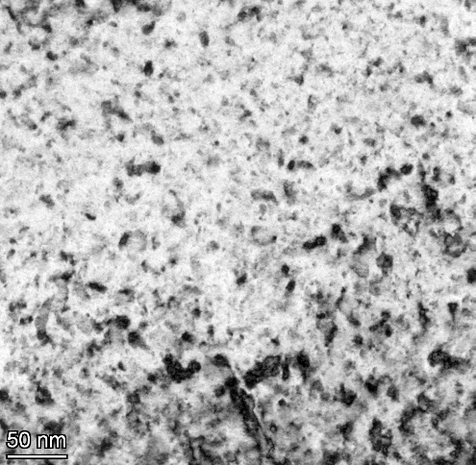
1549
 | 2.641 | 9.012 | 3.221 | 2.641 |  | 1.066 | 1.263 | 0.405
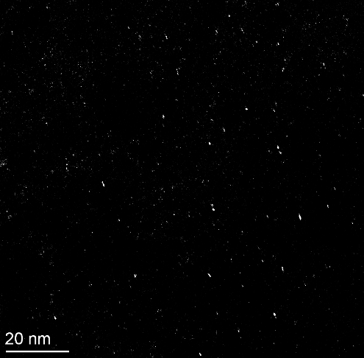
1642
 | 1.67 | 9.262 | 10.611 | 1.67 |  | 1.124 |  | 0.562
 | 2.521 | 5.782 | 5.241 | 2.521 |  | 0.502 |  | 0.405
 | 2.296 | 3.308 | 5.241 | 2.296 |  | 1.124 |  | 0.655
 | 6.225 | 5.679 | 5.255 | 6.225 |  | 1.112 |  | 0.502
 | 3.246 | 3.286 | 4.555 | 3.246 |  |  |  | 0.605
 | 3.714 | 4.865 | 2.62 | 3.714 |  |  |  | 0.605
 | 3.897 | 5.769 | 6.652 | 3.897 |  |  |  | 0.562
 | 2.756 | 7.929 | 8.673 | 2.756 |  |  |  | 1.06
 | 5.133 | 2.692 | 2.844 | 5.133 |  |  |  | 0.655
 | 10.939 | 3.96 | 8.24 | 10.939 |  |  |  | 0.953
 | 4.348 | 14.513 | 6.176 | 4.348 |  |  |  | 0.81
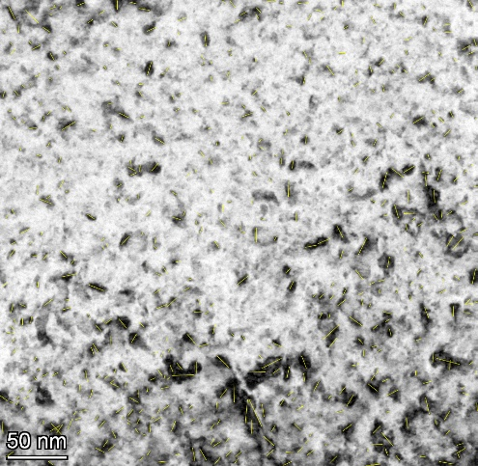
1549-quantified
 | 4.87 | 9.888 | 4.894 | 4.87 |  |  |  | 1.036
1642-quantified
 | 5.355 | 6.617 | 4.152 | 5.355 |  |  |  | 0.605
 | 3.15 | 14.861 | 4.314 | 3.15 |  |  |  | 1.107
 | 3.714 | 16.516 | 3.601 | 3.714 |  |  |  | 1.636
 | 2.866 | 11.094 | 4.297 | 2.866 |  |  |  | 0.81
 | 5.355 | 6.343 | 3.685 | 5.355 |  |  |  | 0.655
 | 3.63 | 13.054 | 6.64 | 3.63 |  |  |  | 0.502
 | 3.387 | 10.498 | 5.138 | 3.387 |  |  |  | 1.367
 | 2.521 | 7.919 | 4.704 | 2.521 |  |  |  | 1.461
 | 2.521 | 5.343 | 7.181 | 2.521 |  |  |  | 1.066
 | 3.714 | 6.617 | 3.36 | 3.714 |  |  |  | 0.927
 | 7.355 | 8.435 | 6.064 | 7.355 |  |  |  | 0.711
 | 5.512 | 4.631 | 1.953 | 5.512 |  |  |  | 0.562
 | 9.723 | 4.819 | 9.448 | 9.723 |  |  |  | 0.899
 | 4.724 | 5.16 | 7.704 | 4.724 |  |  |  | 0.878
 | 2.49 | 4.925 | 6.548 | 2.49 |  |  |  | 0.953
 | 4.053 | 2.58 | 5.95 | 4.053 |  |  |  | 0.856
 | 2.296 | 3.483 | 2.344 | 2.296 |  |  |  | 1.107
 | 4.11 | 5.231 | 4.555 | 4.11 |  |  |  | 1.281
 | 2.007 | 6.88 | 3.685 | 2.007 |  |  |  | 1.507
 | 7.238 | 4.231 | 11.488 | 7.238 |  |  |  | 0.906
 | 10.461 | 6.081 | 3.685 | 10.461 |  |  |  | 1.256
 | 4.24 | 9.389 | 2.501 | 4.24 |  |  |  | 0.856
 | 12.223 | 5.231 | 2.762 | 12.223 |  |  |  | 0.96
 | 2.395 | 4.16 | 3.847 | 2.395 |  |  |  | 1.107
 | 2.296 | 6.02 | 6.359 | 2.296 |  |  |  | 1.759
 | 4.402 | 4.16 | 5.687 | 4.402 |  |  |  | 1.565
 | 4.11 | 5 | 4.078 | 4.11 |  |  |  | 1.005
 | 4.741 | 3.077 | 3.601 | 4.741 |  |  |  | 1.21
 | 7.259 | 6.081 | 5.767 | 7.259 |  |  |  | 1.036
 | 5.526 | 5.769 | 6.922 | 5.526 |  |  |  | 0.818
 | 3.174 | 4.142 | 5.469 | 3.174 |  |  |  | 0.655
 | 6.348 | 6.02 | 4.314 | 6.348 |  |  |  | 0.655
 | 5.483 | 6.717 | 2.62 | 5.483 |  |  |  | 0.96
 | 3.63 | 11.18 | 2.278 | 3.63 |  |  |  | 1.066
 | 3.565 | 8.177 | 2.47 | 3.565 |  |  |  | 1.124
 | 1.67 | 5.769 | 2.62 | 1.67 |  |  |  | 0.502
 | 2.641 | 9.174 | 3.494 | 2.641 |  |  |  | 1.124
 | 6.493 | 7.74 | 2.975 | 6.493 |  |  |  | 1.112
 | 9.587 | 9.31 | 4.225 | 9.587 |  |  |  | 1.113
 | 5.568 | 4.142 | 2.47 | 5.568 |  |  |  | 0.758
 | 3.63 | 5.439 | 3.847 | 3.63 |  |  |  | 0.815
 | 3.937 | 5.131 | 2.975 | 3.937 |  |  |  | 1.429
 | 4.015 | 7.73 | 4.555 | 4.015 |  |  |  | 0.715
 | 3.364 | 7.576 | 4.704 | 3.364 |  |  |  | 0.639
 | 2.839 | 12.046 | 5.313 | 2.839 |  |  |  | 0.815
 | 4.24 | 6.617 | 2.975 | 4.24 |  |  |  | 1.318
 | 4.757 | 4.819 | 3.847 | 4.757 |  |  |  | 0.659
 | 5.011 | 16.542 | 3.494 | 5.011 |  |  |  | 1.68
 | 10.753 | 8.003 | 4.207 | 10.753 |  |  |  | 0.724
 | 2.839 | 11.966 | 3.537 | 2.839 |  |  |  | 0.639
 | 3.957 | 3.308 | 4.454 | 3.957 |  |  |  | 1.072
 | 4.489 | 3.846 | 2.762 | 4.489 |  |  |  | 1.618
 | 5.853 | 13.867 | 7.514 | 5.853 |  |  |  | 0.965
 | 4.185 | 3.286 | 10.518 | 4.185 |  |  |  | 0.608
 | 5.282 | 12.733 | 3.36 | 5.282 |  |  |  | 0.659
 | 3.714 | 14.105 | 6.686 | 3.714 |  |  |  | 1.825
 | 3.957 | 3.807 | 4.367 | 3.957 |  |  |  | 1.113
 | 4.11 | 4.695 | 3.051 | 4.11 |  |  |  | 0.911
 | 3.897 | 3.286 | 8.916 | 3.897 |  |  |  | 2.037
 | 4.591 | 3.308 | 4.022 | 4.591 |  |  |  | 0.932
 | 4.806 | 10.263 | 7.266 | 4.806 |  |  |  | 0.715
 | 3.735 | 5 | 3.494 | 3.735 |  |  |  | 0.965
 | 3.714 | 5.6 | 2.501 | 3.714 |  |  |  | 1.042
 | 6.693 | 6.081 | 7.584 | 6.693 |  |  |  | 1.429
 | 5.996 | 5.718 | 7.753 | 5.996 |  |  |  | 0.911
 | 4.489 | 11.357 | 6.298 | 4.489 |  |  |  | 0.861
 | 7.13 | 5.547 | 4.314 | 7.13 |  |  |  | 0.911
 | 6.493 | 4.385 | 5.524 | 6.493 |  |  |  | 0.932
 | 5.637 | 2.243 | 5.593 | 5.637 |  |  |  | 2.439
 | 4.757 | 7.257 | 3.685 | 4.757 |  |  |  | 0.758
 | 3.63 | 12.077 | 3.494 | 3.63 |  |  |  | 1.163
 | 2.756 | 2.773 | 3.516 | 2.756 |  |  |  | 1.263
 | 2.641 | 6.804 | 2.47 | 2.641 |  |  |  | 0.357
 | 2.839 | 6.308 | 4.768 | 2.839 |  |  |  | 1.894
 | 2.227 | 5.015 | 3.494 | 2.227 |  |  |  | 0.883
 | 3.937 | 5.343 | 6.922 | 3.937 |  |  |  | 1.864
 | 2.784 | 4.385 | 4.704 | 2.784 |  |  |  | 0.861
 | 2.362 | 6.55 | 4.314 | 2.362 |  |  |  | 1.754
 | 4.591 | 5.398 | 3.051 | 4.591 |  |  |  | 1.375
 | 4.402 | 1.961 | 9.407 | 4.402 |  |  |  | 1.152
 | 6.796 | 17.895 | 2.47 | 6.796 |  |  |  | 1.066
 | 2.362 | 7.468 | 3.601 | 2.362 |  |  |  | 1.217
 | 1.968 | 15.215 | 2.501 | 1.968 |  |  |  | 0.965
 | 2.007 | 26.674 | 2.278 | 2.007 |  |  |  | 1.318
 | 5.252 | 13.082 | 7.463 | 5.252 |  |  |  | 0.715
 | 10.122 | 13.592 | 5.859 | 10.122 |  |  |  | 0.861
 | 4.98 | 13.598 | 4.752 | 4.98 |  |  |  | 1.263
 | 5.133 | 7.844 | 4.225 | 5.133
 | 5.918 | 4.231 | 3.906 | 5.918
 | 4.741 | 3.846 | 4.768 | 4.741
 | 4.053 | 4.631 | 12.985 | 4.053
 | 6.796 | 9.012 | 12.795 | 6.796
 | 6.681 | 6.717 | 2.844 | 6.681
 | 3.937 | 7.092 | 7.674 | 3.937
 | 4.933 | 9.012 | 3.983 | 4.933
 | 3.957 | 8.113 | 8.907 | 3.957
 | 5.595 | 7.74 | 7.297 | 5.595
 | 3.714 | 9.553 | 5.859 | 3.714
 | 4.402 | 8.435 | 5.138 | 4.402
 | 9.53 | 9.389 | 5.241 | 9.53
 | 6.009 | 3.807 | 10.005 | 6.009
 | 2.641 | 9.247 | 5.859 | 2.641
 | 4.185 | 6.366 | 4.704 | 4.185
 | 4.489 | 7.092 | 7.031 | 4.489
 | 3.714 | 5.357 | 6.652 | 3.714
 | 3.63 | 4.757 | 8.778 | 3.63
 | 7.238 | 6.538 | 6.176 | 7.238
 | 3.364 | 11.966 | 8.043 | 3.364
 | 3.246 | 4.647 | 6.359 | 3.246
 | 5.355 | 4.142 | 5.859 | 5.355
 | 7.972 | 5.507 | 5.962 | 7.972
 | 4.724 | 11.2 | 4.454 | 4.724
 | 6.493 | 11.474 | 5.469 | 6.493
 | 3.957 | 17.879 | 4.72 | 3.957
 | 10.213 | 17.879 | 4.894 | 10.213
 | 6.727 | 5.6 | 4.078 | 6.727
 | 6.796 | 2.692 | 10.776 | 6.796
 | 7.043 | 7.307 | 9.797 | 7.043
 | 12.653 | 4.925 | 5.872 | 12.653
 | 17.646 | 5.718 | 3.983 | 17.646
 | 4.608 | 6.401 | 3.601 | 4.608
 | 3.957 | 7.634 | 3.494 | 3.957
 | 4.402 | 35.801 | 7.967 | 4.402
 | 6.022 | 5.343 | 11.103 | 6.022
 | 12.604 | 5.16 | 8.156 | 12.604
 | 8.116 | 6.617 | 4.022 | 8.116
 | 4.98 | 10.219 | 3.221 | 4.98
 | 5.178 | 18.692 | 2.975 | 5.178
 | 2.007 | 5.547 | 3.221 | 2.007
 | 4.348 | 7.398 | 6.955 | 4.348
 | 11.198 | 3.101 | 6.311 | 11.198
 | 8.116 | 3.286 | 9.773 | 8.116
 | 5.958 | 6.923 | 17.595 | 5.958
 | 5.813 | 10.505 | 13.258 | 5.813
 | 5.905 | 4.865 | 3.051 | 5.905
 | 7.48 | 3.846 | 4.894 | 7.48
 | 4.015 | 2.308 | 8.734 | 4.015
 | 7.755 | 1.72 | 3.051 | 7.755
 | 13.205 | 6.717 | 2.762 | 13.205
 | 10.221 | 4.3 | 18.52 | 10.221
 | 2.756 | 4.485 | 12.506 | 2.756
 | 5.252 | 7.307 | 9.576 | 5.252
 | 5.526 | 6.639 | 6.72 | 5.526
 | 5.133 | 6.848 | 11.247 | 5.133
 | 5.637 | 8.703 | 7.514 | 5.637
 | 9.579 | 13.329 | 9.26 | 9.579
 | 7.47 | 5.16 | 3.906 | 7.47
 | 9.866 | 9.828 | 7.503 | 9.866
 | 3.246 | 12.808 | 11.388 | 3.246
 | 10.746 | 15.078 | 5.962 | 10.746
 | 5.297 | 11.213 | 5.552 | 5.297
 | 11.625 | 11.966 | 5.093 | 11.625
 | 7.563 | 16.322 | 7.734 | 7.563
 | 5.042 | 11.16 | 3.601 | 5.042
 | 5.918 | 13.549 | 6.955 | 5.918
 | 7.323 | 18.336 | 6.359 | 7.323
 | 13.385 | 9.239 | 5.872 | 13.385
 | 5.512 | 5.343 | 6.987 | 5.512
 | 6.409 | 8.854 | 7.463 | 6.409
 | 7.097 | 9.615 | 11.614 | 7.097
 | 6.727 | 24.726 | 25.7 | 6.727
 | 6.887 | 12.733 | 10.275 | 6.887
 | 6.517 | 3.628 | 16.41 | 6.517
 | 8.192 | 3.96 | 21.183 | 8.192
 | 3.543 | 3.004 | 11.335 | 3.543
 | 3.15 | 5.015 | 6.262 | 3.15
 | 4.348 | 3.101 | 8.907 | 4.348
 | 4.348 | 5.507 | 8.576 | 4.348
 | 2.756 | 10.769 | 3.537 | 2.756
 | 4.015 | 3.846 | 3.494 | 4.015
 | 8.67 | 6.008 | 2.501 | 8.67
 | 8.977 | 6.923 | 4.454 | 8.977
 | 3.937 | 7.468 | 4.152 | 3.937
 | 5.568 | 3.922 | 7.861 | 5.568
 | 3.246 | 10.356 | 8.576 | 3.246
 | 3.075 | 10.356 | 5.859 | 3.075
 | 4.87 | 6.934 | 4.314 | 4.87
 | 8.741 | 6.923 | 4.72 | 8.741
 | 7.259 | 5.343 | 3.601 | 7.259
 | 7.972 | 5.871 | 2.501 | 7.972
 | 4.741 | 9.174 | 6.176 | 4.741
 | 7.844 | 7.071 | 5.975 | 7.844
 | 2.395 | 10.029 | 6.955 | 2.395
 | 7.844 | 4.142 | 7.812 | 7.844
 | 2.395 | 6.081 | 4.72 | 2.395
 | 4.933 | 6.55 | 7.822 | 4.933
 | 7.227 | 6.934 | 3.337 | 7.227
 | 7.573 | 4.088 | 4.225 | 7.573
 | 5.732 | 6.081 | 2.501 | 5.732
 | 6.693 | 7.634 | 2.501 | 6.693
 | 3.937 | 9.828 | 1.747 | 3.937
 | 7.259 | 17.414 | 7.503 | 7.259
 | 3.937 | 10.066 | 4.367 | 3.937
 | 2.296 | 12.223 | 5.593 | 2.296
 | 2.49 | 3.546 | 6.72 | 2.49
 | 3.63 | 12.223 | 6.359 | 3.63
 | 4.806 | 4.819 | 3.906 | 4.806
 | 5.297 | 5.231 | 8.24 | 5.297
 | 4.591 | 10.095 | 3.706 | 4.591
 | 3.897 | 13.771 | 11.11 | 3.897
 | 2.296 | 17.187 | 9.789 | 2.296
 | 2.12 | 17.187 | 6.955 | 2.12
 | 2.362 | 3.865 | 4.768 | 2.362
 | 5.595 | 6.213 | 6.359 | 5.595
 | 3.387 | 3.649 | 6.359 | 3.387
 | 3.877 | 4.142 | 3.906 | 3.877
 | 3.937 | 5.507 | 7.042 | 3.937
 | 11.902 | 6.717 | 5.634 | 11.902
 | 5.918 | 5.883 | 4.555 | 5.918
 | 12.998 | 7.788 | 5.313 | 12.998
 | 9.53 | 3.286 | 4.225 | 9.53
 | 4.053 | 3.263 | 3.051 | 4.053
 | 3.364 | 3.308 | 6.311 | 3.364
 | 3.387 | 3.546 | 9.285 | 3.387
 | 5.011 | 13.549 | 5.859 | 5.011
 | 5.133 | 14.416 | 6.833 | 5.133
 | 3.075 | 3.308 | 4.367 | 3.075
 | 6.552 | 7.348 | 3.36 | 6.552
 | 6.727 | 3.628 | 3.601 | 6.727
 | 6.552 | 4.16 | 4.555 | 6.552
 | 7.097 | 5.466 | 7.514 | 7.097
 | 4.015 | 4.142 | 7.266 | 4.015
 | 4.185 | 5.971 | 2.62 | 4.185
 | 8.416 | 10.095 | 3.149 | 8.416
 | 4.053 | 6.081 | 2.62 | 4.053
 | 5.905 | 13.082 | 2.21 | 5.905
 | 6.727 | 3.004 | 3.685 | 6.727
 | 4.87 | 2.432 | 3.867 | 4.87
 | 5.282 | 3.628 | 4.152 | 5.282
 | 5.996 | 4.695 | 5.241 | 5.996
 | 11.093 | 5.357 | 3.36 | 11.093
 | 5.282 | 4.248 | 4.022 | 5.282
 | 7.097 | 8.921 | 4.022 | 7.097
 | 7.323 | 6.213 | 3.149 | 7.323
 | 3.543 | 2.339 | 4.078 | 3.543
 | 7.755 | 4.631 | 5.427 | 7.755
 | 4.24 | 3.461 | 9.504 | 4.24
 | 7.521 | 5.16 | 6.922 | 7.521
 | 3.364 | 3.461 | 6.652 | 3.364
 | 8.882 | 5.439 | 4.297 | 8.882
 | 8.882 | 9.806 | 6.262 | 8.882
 | 5.118 | 15.858 | 3.149 | 5.118
 | 6.009 | 17.38 | 4.078 | 6.009
 | 4.933 | 5.466 | 9.285 | 4.933
 | 5.355 | 3.286 | 3.685 | 5.355
 | 6.009 | 2.58 | 3.706 | 6.009
 | 3.877 | 5.507 | 9.111 | 3.877
 | 7.923 | 2.72 | 8.45 | 7.923
 | 4.185 | 3.546 | 12.166 | 4.185
 | 6.875 | 3.44 | 5.002 | 6.875
 | 5.133 | 8.72 | 4.297 | 5.133
 | 11.974 | 3.101 | 7.503 | 11.974
 | 5.595 | 2.463 | 10.186 | 5.595
 | 8.116 | 7.891 | 4.768 | 8.116
 | 7.238 | 3.546 | 3.36 | 7.238
 | 9.132 | 10.498 | 6.359 | 9.132
 | 9.481 | 5.883 | 4.454 | 9.481
 | 10.967 | 7.154 | 4.022 | 10.967
 | 3.63 | 4.679 | 9.111 | 3.63
 | 5.526 | 5 | 4.941 | 5.526
 | 13.391 | 3.308 | 5.634 | 13.391
 | 5.595 | 1.923 | 4.572 | 5.595
 | 10.06 | 5.466 | 2.844 | 10.06
 | 8.499 | 2.243 | 4.152 | 8.499
 | 6.409 | 4.819 | 3.494 | 6.409
 | 4.741 | 5.015 | 7.812 | 4.741
 | 15.288 | 8.444 | 5.807 | 15.288
 | 9.216 | 5.015 | 5.313 | 9.216
 | 7.49 | 3.546 | 9.144 | 7.49
 | 6.976 | 5.507 | 3.051 | 6.976
 | 10.304 | 7.788 | 5.975 | 10.304
 | 5.732 | 6.538 | 3.36 | 5.732
 | 10.889 | 14.236 | 3.36 | 10.889
 | 9.063 | 15.113 | 5.859 | 9.063
 | 9.587 | 9.31 | 5.138 | 9.587
 | 6.599 | 6.081 | 6.675 | 6.599
 | 8.741 | 3.546 | 5.211 | 8.741
 | 3.957 | 5 | 3.051 | 3.957
 | 4.015 | 17.692 | 6.176 | 4.015
 | 8.22 | 9.806 | 2.844 | 8.22
 | 4.98 | 14.277 | 9.536 | 4.98
 | 4.015 | 10.665 | 4.314 | 4.015
 | 4.757 | 7.398 | 10.186 | 4.757
 | 3.937 | 13.082 | 4.454 | 3.937
 | 11.843 | 6.202 | 5.524 | 11.843
 | 5.133 | 17.708 | 5.524 | 5.133
 | 3.937 | 14.539 | 5.593 | 3.937
 | 4.741 | 7.154 | 3.906 | 4.741
 | 3.543 | 7.556 | 6.911 | 3.543
 | 18.114 | 16.791 | 4.454 | 18.114
 | 13.205 | 8.77 | 3.983 | 13.205
 | 6.704 | 8.879 | 2.278 | 6.704
 | 5.512 | 9.389 | 3.601 | 5.512
 | 10.6 | 10.241 | 5.807 | 10.6
 | 9.739 | 8.302 | 9.882 | 9.739
 | 8.03 | 5.718 | 4.752 | 8.03
 | 3.937 | 7.929 | 9.448 | 3.937
 | 8.453 | 17.027 | 9.647 | 8.453
 | 22.66 | 9.888 | 12.265 | 22.66
 | 5.526 | 16.172 | 13.361 | 5.526
 | 7.13 | 12.557 | 4.022 | 7.13
 | 4.331 | 18.609 | 4.454 | 4.331
 | 6.022 | 9.499 | 5.002 | 6.022
 | 5.118 | 7.929 | 4.72 | 5.118
 | 7.972 | 8.258 | 4.419 | 7.972
 | 7.238 | 7.468 | 3.149 | 7.238
 | 9.514 | 9.174 | 3.149 | 9.514
 | 8.986 | 5.384 | 5.313 | 8.986
 | 4.185 | 3.101 | 3.847 | 4.185
 | 5.297 | 7.185 | 3.706 | 5.297
 | 6.681 | 4.757 | 6.743 | 6.681
 | 6.493 | 4.925 | 5.911 | 6.493
 | 9.216 | 4.16 | 5.093 | 9.216
 | 3.63 | 5.507 | 1.105 | 3.63
 | 2.784 | 4.615 | 3.516 | 2.784
 | 6.875 | 2.176 | 4.832 | 6.875
 | 6.517 | 1.923 | 3.601 | 6.517
 | 7.097 | 5.507 | 3.051 | 7.097
 | 6.009 | 8.854 | 3.221 | 6.009
 | 19.307 | 7.348 | 2.734 | 19.307
 | 4.402 | 3.922 | 2.762 | 4.402
 | 11.798 | 7.226 | 3.149 | 11.798
 | 7.428 | 5.16 | 2.975 | 7.428
 | 2.12 | 5.466 | 3.149 | 2.12
 | 2.521 | 7.788 | 3.516 | 2.521
 | 2.784 | 6.447 | 3.221 | 2.784
 | 2.227 | 5.343 | 8.053 | 2.227
 | 2.521 | 9.294 | 3.051 | 2.521
 | 1.968 | 8.159 | 3.149 | 1.968
 | 3.174 | 4.865 | 5.859 | 3.174
 | 3.364 | 2.72 | 3.685 | 3.364
 | 4.724 | 4.088 | 3.601 | 4.724
 | 5.042 | 1.923 | 5.078 | 5.042
 | 2.49 | 1.923 | 7.042 | 2.49
 | 2.641 | 1.923 | 6.652 | 2.641
 | 2.784 | 1.961 | 2.762 | 2.784
 | 1.968 | 5.131 | 2.844 | 1.968
 | 2.641 | 4.088 | 3.337 | 2.641
 | 2.784 | 1.586 | 2.844 | 2.784
 | 1.623 | 2.929 | 4.454 | 1.623
 | 1.245 | 2.243 | 2.975 | 1.245
 | 1.968 | 2.58 | 15.239 | 1.968
 | 2.521 | 1.088 | 7.422 | 2.521
 | 2.296 | 1.216 | 10.832 | 2.296
 | 2.839 | 0.86 | 10.669 | 2.839
 | 2.641 | 1.387 | 10.342 | 2.641
 | 1.968 | 2.071 | 6.922 | 1.968
 | 1.623 | 1.387 | 9.119 | 1.623
 | 9.457 | 1.961 | 16.072 | 9.457
 | 5.297 | 2.339 | 4.419 | 5.297
 | 4.24 | 2.243 | 5.552 | 4.24
 | 3.075 | 3.546 | 1.172 | 3.075
 | 1.245 | 1.538 | 2.817 | 1.245
 | 2.839 | 2.176 | 4.832 | 2.839
 | 2.784 | 1.72 | 11.375 | 2.784
 | 2.296 | 3.004 | 3.601 | 2.296
 | 4.185 | 3.44 | 5.552 | 4.185
 | 4.053 | 2.58 | 9.383 | 4.053
 | 2.866 | 2.432 | 12.115 | 2.866
 | 4.806 | 2.432 | 4.225 | 4.806
 | 2.784 | 1.923 | 3.601 | 2.784
 | 2.839 | 3.101 | 10.575 | 2.839
 | 2.641 | 3.004 | 7.042 | 2.641
 | 3.565 | 1.632 | 5.093 | 3.565
 | 1.245 | 8.946 | 5.313 | 1.245
 | 3.937 | 3.004 | 6.114 | 3.937
 | 6.022 | 3.101 | 10.853 | 6.022
 | 5.483 | 1.923 | 14.154 | 5.483
 | 5.958 | 2.432 | 3.221 | 5.958
 | 2.998 | 1.961 | 5.962 | 2.998
 | 2.362 | 1.72 | 2.762 | 2.362
 | 1.623 | 2.308 | 1.235 | 1.623
 | 4.053 | 4.088 | 13.177 | 4.053
 | 4.185 | 4.16 | 4.555 | 4.185
 | 3.937 | 1.923 | 1.992 | 3.937
 | 4.185 | 2.308 | 2.844 | 4.185
 | 4.11 | 0.769 | 6.298 | 4.11
 | 3.937 | 1.216 | 8.593 | 3.937
 | 4.724 | 1.538 | 5.872 | 4.724
 | 3.543 | 0.86 | 6.077 | 3.543
 | 3.364 | 1.154 | 10.275 | 3.364
 | 3.877 | 1.72 | 10.012 | 3.877
 | 2.227 | 1.586 | 5.211 | 2.227
 | 1.761 | 1.923 | 5.552 | 1.761
 | 4.11 | 2.432 | 4.225 | 4.11
 | 2.839 | 3.004 | 6.822 | 2.839
 | 3.63 | 1.216 | 5.211 | 3.63
 | 7.355 | 1.586 | 3.149 | 7.355
 | 2.521 | 1.154 | 5.241 | 2.521
 | 3.174 | 1.961 | 8.359 | 3.174
 | 3.937 | 1.961 | 13.125 | 3.937
 | 2.362 | 2.176 | 5.255 | 2.362
 | 4.185 | 1.538 | 18.79 | 4.185
 | 3.364 | 1.72 | 9.456 | 3.364
 | 2.866 | 1.923 | 5.241 | 2.866
 | 2.784 | 1.387 | 4.367 | 2.784
 | 2.756 | 3.286 | 4.704 | 2.756
 | 2.395 | 3.172 | 3.601 | 2.395
 | 3.877 | 1.923 | 3.906 | 3.877
 | 2.227 | 2.58 | 3.494 | 2.227
 | 4.185 | 1.088 | 8.212 | 4.185
 | 5.355 | 1.154 | 5.002 | 5.355
 | 6.693 | 2.071 | 11.103 | 6.693
 | 1.761 | 1.72 | 3.494 | 1.761
 | 6.493 | 2.071 | 11.718 | 6.493
 | 4.185 | 1.538 | 6.176 | 4.185
 | 3.15 | 1.538 | 9.383 | 3.15
 | 2.998 | 1.923 | 8.839 | 2.998
 | 3.341 | 2.929 | 14.704 | 3.341
 | 4.741 | 3.004 | 9.448 | 4.741
 | 4.402 | 2.176 | 14.405 | 4.402
 | 2.784 | 3.004 | 4.454 | 2.784
 | 7.355 | 3.101 | 9.111 | 7.355
 | 6.225 | 1.586 | 4.704 | 6.225
 | 3.246 | 1.961 | 5.313 | 3.246
 | 2.998 | 0.769 | 3.847 | 2.998
 | 3.246 | 1.923 | 8.45 | 3.246
 | 2.12 | 2.308 | 11.495 | 2.12
 | 1.419 | 2.72 | 3.906 | 1.419
 | 2.227 | 1.923 | 5.002 | 2.227
 | 3.877 | 1.961 | 5.975 | 3.877
 | 2.756 | 3.101 | 11.822 | 2.756
 | 3.15 | 3.172 | 7.734 | 3.15
 | 3.174 | 2.72 | 8.907 | 3.174
 | 2.521 | 2.432 | 11.007 | 2.521
 | 2.521 | 1.154 | 10.005 | 2.521
 | 2.007 | 1.216 | 5.093 | 2.007
 | 4.185 | 3.101 | 4.72 | 4.185
 | 1.623 | 1.586 | 4.72 | 1.623
 | 3.075 | 1.538 | 7.128 | 3.075
 | 2.49 | 2.071 | 4.687 | 2.49
 | 4.185 | 0.769 | 8.24 | 4.185
 | 2.395 | 1.586 | 8.212 | 2.395
 | 3.822 | 5.231 | 19.802 | 3.822
 | 1.815 | 1.923 | 4.078 | 1.815
 | 2.12 | 1.961 | 4.207 | 2.12
 | 2.244 | 1.586 | 2.817 | 2.244
 | 1.761 | 2.8 | 3.36 | 1.761
 | 2.784 | 1.088 | 3.601 | 2.784
 | 6.102 | 0.769 | 3.601 | 6.102
 | 4.096 | 1.586 | 5.687 | 4.096
 | 2.304 | 2.432 | 4.367 | 2.304
 | 2.559 | 0.86 | 4.367 | 2.559
 | 1.392 | 2.463 | 10.312 | 1.392
 | 1.378 | 2.243 | 5.313 | 1.378
 | 1.06 | 1.72 | 1.611 | 1.06
 | 2.092 | 3.628 | 6.298 | 2.092
 | 1.537 | 1.538 | 1.953 | 1.537
 | 1.857 | 2.432 | 1.953 | 1.857
 | 1.949 | 2.308 | 2.975 | 1.949
 | 1.939 | 1.923 | 1.611 | 1.939
 | 2.521 | 1.586 | 2.47 | 2.521
 | 2.201 | 1.586 | 2.844 | 2.201
 | 1.499 | 2.071 | 2.817 | 1.499
 | 2.567 | 1.216 | 4.454 | 2.567
 | 1.575 | 2.243 | 3.125 | 1.575
 | 1.499 | 2.58 | 7.297 | 1.499
 | 1.433 | 1.088 | 2.817 | 1.433
 | 1.378 | 1.216 | 5.313 | 1.378
 | 1.623 | 0.86 | 6.652 | 1.623
 | 4.152 | 1.387 | 3.125 | 4.152
 | 2.926 | 2.071 | 3.906 | 2.926
 | 2.007 | 1.387 | 3.149 | 2.007
 | 1.587 | 1.961 | 1.953 | 1.587
 | 4.058 | 2.339 | 1.235 | 4.058
 | 2.641 | 2.243 | 1.562 | 2.641
 | 0.88 | 3.546 | 2.344 | 0.88
 | 1.392 | 1.538 | 0.873 | 1.392
 | 1.419 | 2.176 | 0.391 | 1.419
 | 1.419 | 1.72 | 0.552 | 1.419
 | 1.587 | 3.004 | 0.873 | 1.587
 | 1.587 | 3.44 | 1.105 | 1.587
 | 1.392 | 2.58 | 1.172 | 1.392
 | 0.984 | 2.432 | 0.781 | 0.984
 | 1.419 | 2.432 | 0.873 | 1.419
 | 2.798 | 1.923 | 0.781 | 2.798
 | 1.761 | 3.101 | 0.873 | 1.761
 | 1.968 | 3.004 | 0.781 | 1.968
 | 1.939 | 1.632 | 0.873 | 1.939
 | 1.419 | 8.946 | 1.657 | 1.419
 | 1.587 | 3.004 | 0.781 | 1.587
 | 1.67 | 3.101 | 1.235 | 1.67
 | 1.392 | 1.923 | 0.391 | 1.392
 | 1.693 | 2.432 | 0.781 | 1.693
 | 1.857 | 1.961 | 1.172 | 1.857
 | 1.867 | 1.72 | 1.562 | 1.867
 | 2.092 | 2.308 | 3.494 | 2.092
 | 1.378 | 4.088 | 2.844 | 1.378
 | 2.129 | 4.16 | 1.172 | 2.129
 | 1.181 | 1.923 | 1.611 | 1.181
 | 1.693 | 2.308 | 0.781 | 1.693
 | 1.968 | 0.769 | 1.747 | 1.968
 | 3.877 | 1.216 | 1.611 | 3.877
 | 1.245 | 1.538 | 1.172 | 1.245
 | 1.968 | 0.86 | 1.562 | 1.968
 | 1.433 | 1.154 | 0.873 | 1.433
 | 1.815 | 1.72 | 1.953 | 1.815
 | 2.201 | 1.586 | 1.172 | 2.201
 | 1.761 | 1.923 | 1.172 | 1.761
 | 2.559 | 2.432 | 1.172 | 2.559
 | 1.693 | 3.004 | 1.172 | 1.693
 | 2.37 | 1.216 | 0.781 | 2.37
 | 2.839 | 1.586 | 0.781 | 2.839
 | 0.984 | 1.154 | 0.781 | 0.984
 | 2.49 | 1.961 | 2.376 | 2.49
 | 2.055 | 1.961 | 1.172 | 2.055
 | 2.092 | 2.176 | 1.172 | 2.092
 | 2.521 | 1.538 | 0.781 | 2.521
 | 3.387 | 1.72 | 1.172 | 3.387
 | 2.027 | 1.923 | 1.172 | 2.027
 | 1.587 | 1.387 | 0.873 | 1.587
 | 1.857 | 3.286 | 2.376 | 1.857
 | 1.783 | 3.172 | 0.873 | 1.783
 | 2.559 | 1.923 | 1.172 | 2.559
 | 3.112 | 2.58 | 6.176 | 3.112
 | 1.682 | 1.088 | 3.601 | 1.682
 | 2.677 | 1.154 | 1.562 | 2.677
 | 1.392 | 2.071 | 1.408 | 1.392
 | 1.114 | 1.72 | 1.172 | 1.114
 | 1.575 | 2.071 | 1.235 | 1.575
 | 1.148 | 1.538 | 3.149 | 1.148
 | 2.395 | 1.538 | 1.562 | 2.395
 | 3.822 | 1.923 | 5.002 | 3.822
 | 1.815 | 2.929 | 1.235 | 1.815
 | 2.12 | 3.004 | 2.344 | 2.12
 | 2.244 | 2.176 | 1.953 | 2.244
 | 1.761 | 3.004 | 1.562 | 1.761
 | 2.784 | 3.101 | 1.235 | 2.784
 | 6.102 | 1.586 | 1.657 | 6.102
 | 4.096 | 1.961 | 1.657 | 4.096
 | 2.304 | 0.769 | 0.781 | 2.304
 | 2.559 | 1.923 | 1.562 | 2.559
 | 1.392 | 2.308 | 1.235 | 1.392
 | 1.378 | 2.72 | 1.992 | 1.378
 | 1.06 | 1.923 | 1.953 | 1.06
 | 2.092 | 1.961 | 1.105 | 2.092
 | 1.537 | 3.101 | 2.104 | 1.537
 | 1.857 | 3.172 | 1.172 | 1.857
 | 1.949 | 2.72 | 1.172 | 1.949
 | 1.939 | 2.432 | 1.172 | 1.939
 | 2.521 | 1.154 | 0.873 | 2.521
 | 2.201 | 1.216 | 1.172 | 2.201
 | 1.499 | 3.101 | 0.781 | 1.499
 | 2.567 | 1.586 | 1.562 | 2.567
 | 1.575 | 1.538 | 1.562 | 1.575
 | 1.499 | 2.071 | 1.747 | 1.499
 | 1.433 | 0.769 | 0.781 | 1.433
 | 1.378 | 1.586 | 1.611 | 1.378
 | 1.623 | 5.231 | 1.172 | 1.623
 | 4.152 | 1.923 | 0.781 | 4.152
 | 2.926 | 1.961 | 2.104 | 2.926
 | 2.007 | 1.586 | 1.172 | 2.007
 | 1.587 | 2.8 | 1.747 | 1.587
 | 4.058 | 1.088 | 0.781 | 4.058
 | 2.641 | 0.769 | 1.172 | 2.641
 | 0.88 | 1.586 | 0.781 | 0.88
 | 1.392 | 2.432 | 1.172 | 1.392
 | 1.419 | 0.86 | 2.344 | 1.419
 | 1.419 | 2.463 | 2.278 | 1.419
 | 1.587 | 2.243 | 1.992 | 1.587
 | 1.587 | 1.72 | 1.408 | 1.587
 | 1.392 | 3.628 | 1.992 | 1.392
 | 0.984 | 1.538 | 0.781 | 0.984
 | 1.419 | 2.432 | 1.953 | 1.419
 | 2.798 | 2.308 | 1.611 | 2.798
 | 1.761 | 1.923 | 1.611 | 1.761
 | 1.968 | 1.586 | 2.376 | 1.968
 | 1.939 | 1.586 | 1.235 | 1.939
 | 1.419 | 2.071 | 1.953 | 1.419
 | 1.587 | 1.216 | 2.47 | 1.587
 | 1.67 | 2.243 | 0.781 | 1.67
 | 1.392 | 2.58 | 1.562 | 1.392
 | 1.693 | 1.088 | 1.562 | 1.693
 | 1.857 | 1.216 | 1.562 | 1.857
 | 1.867 | 0.86 | 1.562 | 1.867
 | 2.092 | 1.387 | 2.344 | 2.092
 | 1.378 | 2.071 | 1.953 | 1.378
 | 2.129 | 1.387 | 1.953 | 2.129
 | 1.181 | 1.961 | 4.832 | 1.181
 | 1.693 | 2.339 | 1.562 | 1.693
 | 1.968 | 2.243 | 1.235 | 1.968
 | 3.877 | 3.546 | 1.562 | 3.877
 | 1.245 | 1.538 | 2.975 | 1.245
 | 1.968 | 2.176 | 3.051 | 1.968
 | 1.433 | 1.72 | 2.344 | 1.433
 | 1.815 | 3.004 | 1.953 | 1.815
 | 2.201 | 3.44 | 1.235 | 2.201
 | 1.761 | 2.58 | 1.562 | 1.761
 | 2.559 | 2.432 | 2.344 | 2.559
 | 1.693 | 2.432 | 0.873 | 1.693
 | 2.37 | 1.923 | 0.391 | 2.37
 | 2.839 | 3.101 | 0.552 | 2.839
 | 0.984 | 3.004 | 0.873 | 0.984
 | 2.49 | 1.632 | 1.105 | 2.49
 | 2.055 | 8.946 | 1.172 | 2.055
 | 2.092 | 3.004 | 0.781 | 2.092
 | 2.521 | 3.101 | 0.873 | 2.521
 | 3.387 | 1.923 | 0.781 | 3.387
 | 2.027 | 2.432 | 0.873 | 2.027
 | 1.587 | 1.961 | 0.781 | 1.587
 | 1.857 | 1.72 | 0.873 | 1.857
 | 1.783 | 2.308 | 1.657 | 1.783
 | 2.559 | 4.088 | 0.781 | 2.559
 | 3.112 | 4.16 | 1.235 | 3.112
 | 1.682 | 1.923 | 0.391 | 1.682
 | 2.677 | 2.308 | 0.781 | 2.677
 | 1.392 | 0.769 | 1.172 | 1.392
 | 1.114 | 1.216 | 1.562 | 1.114
 | 1.575 | 1.538 | 3.494 | 1.575
 | 1.148 | 0.86 | 2.844 | 1.148
 | 2.395 | 1.154 | 1.172 | 2.395
 | 3.822 | 1.72 | 1.611 | 3.822
 | 1.815 | 1.586 | 0.781 | 1.815
 | 2.12 | 1.923 | 1.747 | 2.12
 | 2.244 | 2.432 | 1.611 | 2.244
 | 1.761 | 3.004 | 1.172 | 1.761
 | 2.784 | 1.216 | 1.562 | 2.784
 | 6.102 | 1.586 | 0.873 | 6.102
 | 4.096 | 1.154 | 1.953 | 4.096
 | 2.304 | 1.961 | 1.172 | 2.304
 | 2.559 | 1.961 | 1.172 | 2.559
 | 1.392 | 2.176 | 1.172 | 1.392
 | 1.378 | 1.538 | 1.172 | 1.378
 | 1.06 | 1.72 | 0.781 | 1.06
 | 2.092 | 1.923 | 0.781 | 2.092
 | 1.537 | 1.387 | 0.781 | 1.537
 | 1.857 | 3.286 | 2.376 | 1.857
 | 1.949 | 3.172 | 1.172 | 1.949
 | 1.939 | 1.923 | 1.172 | 1.939
 | 2.521 | 2.58 | 0.781 | 2.521
 | 2.201 | 1.088 | 1.172 | 2.201
 | 1.499 | 1.154 | 1.172 | 1.499
 | 2.567 | 2.071 | 0.873 | 2.567
 | 1.575 | 1.72 | 2.376 | 1.575
 | 1.499 | 2.071 | 0.873 | 1.499
 | 1.433 | 1.538 | 1.172 | 1.433
 | 1.378 | 1.538 | 6.176 | 1.378
 | 1.623 | 1.923 | 3.601 | 1.623
 | 4.152 | 2.929 | 1.562 | 4.152
 | 2.926 | 3.004 | 1.408 | 2.926
 | 2.007 | 2.176 | 1.172 | 2.007
 | 1.587 | 3.004 | 1.235 | 1.587
 | 4.058 | 3.101 | 3.149 | 4.058
 | 2.641 | 1.586 | 1.562 | 2.641
 | 0.88 | 1.961 | 5.002 | 0.88
 | 1.392 | 0.769 | 1.235 | 1.392
 | 1.419 | 1.923 | 2.344 | 1.419
 | 1.419 | 2.308 | 1.953 | 1.419
 | 1.587 | 2.72 | 1.562 | 1.587
 | 1.587 | 1.923 | 1.235 | 1.587
 | 1.392 | 1.961 | 1.657 | 1.392
 | 0.984 | 3.101 | 1.657 | 0.984
 | 1.419 | 3.172 | 0.781 | 1.419
 | 2.798 | 2.72 | 1.562 | 2.798
 | 1.761 | 2.432 | 1.235 | 1.761
 | 1.968 | 1.154 | 1.992 | 1.968
 | 1.939 | 1.216 | 1.953 | 1.939
 | 1.419 | 3.101 | 1.105 | 1.419
 | 1.587 | 1.586 | 2.104 | 1.587
 | 1.67 | 1.538 | 1.172 | 1.67
 | 1.392 | 2.071 | 1.172 | 1.392
 | 1.693 | 0.769 | 1.172 | 1.693
 | 1.857 | 1.586 | 0.873 | 1.857
 | 1.867 | 5.231 | 1.172 | 1.867
 | 2.092 | 1.923 | 0.781 | 2.092
 | 1.378 | 1.961 | 1.562 | 1.378
 | 2.129 | 1.586 | 1.562 | 2.129
 | 1.181 | 2.8 | 1.747 | 1.181
 | 1.693 | 1.088 | 0.781 | 1.693
 | 1.968 | 0.769 | 1.611 | 1.968
 | 3.877 | 1.586 | 1.172 | 3.877
 | 1.245 | 2.432 | 0.781 | 1.245
 | 1.968 | 0.86 | 2.104 | 1.968
 | 1.433 | 2.463 | 1.172 | 1.433
 | 1.815 | 2.243 | 1.747 | 1.815
 | 2.201 | 1.72 | 0.781 | 2.201
 | 1.761 | 3.628 | 1.172 | 1.761
 | 2.559 | 1.538 | 0.781 | 2.559
 | 1.693 | 2.432 | 1.172 | 1.693
 | 2.37 | 2.308 | 2.344 | 2.37
 | 2.839 | 1.923 | 2.278 | 2.839
 | 0.984 | 1.586 | 1.992 | 0.984
 | 2.49 | 1.586 | 1.408 | 2.49
 | 2.055 | 2.071 | 1.992 | 2.055
 | 2.092 | 1.216 | 0.781 | 2.092
 | 2.521 | 2.243 | 1.953 | 2.521
 | 3.387 | 2.58 | 1.611 | 3.387
 | 2.027 | 1.088 | 1.611 | 2.027
 | 1.587 | 1.216 | 2.376 | 1.587
 | 1.857 | 0.86 | 1.235 | 1.857
 | 1.783 | 1.387 | 1.953 | 1.783
 | 2.559 | 2.071 | 2.47 | 2.559
 | 3.112 | 1.387 | 0.781 | 3.112
 | 1.682 | 1.961 | 1.562 | 1.682
 | 2.677 | 2.339 | 1.562 | 2.677
 | 1.392 | 2.243 | 1.562 | 1.392
 | 1.114 | 3.546 | 1.562 | 1.114
 | 1.575 | 1.538 | 2.344 | 1.575
 | 1.148 | 2.176 | 1.953 | 1.148
 | 2.395 | 1.72 | 1.953 | 2.395
 | 3.822 | 3.004 | 4.832 | 3.822
 | 1.815 | 3.44 | 1.562 | 1.815
 | 2.12 | 2.58 | 1.235 | 2.12
 | 2.244 | 2.432 | 1.562 | 2.244
 | 1.761 | 2.432 | 2.975 | 1.761
 | 2.784 | 1.923 | 3.051 | 2.784
 | 6.102 | 3.101 | 2.344 | 6.102
 | 4.096 | 3.004 | 1.953 | 4.096
 | 2.304 | 1.632 | 1.235 | 2.304
 | 2.559 | 8.946 | 1.562 | 2.559
 | 1.392 | 3.004 | 2.344 | 1.392
 | 1.378 | 3.101 | 0.873 | 1.378
 | 1.06 | 1.923 | 0.391 | 1.06
 | 2.092 | 2.432 | 0.552 | 2.092
 | 1.537 | 1.961 | 0.873 | 1.537
 | 1.857 | 1.72 | 1.105 | 1.857
 | 1.949 | 2.308 | 1.172 | 1.949
 | 1.939 | 4.088 | 0.781 | 1.939
 | 2.521 | 4.16 | 0.873 | 2.521
 | 2.201 | 1.923 | 0.781 | 2.201
 | 1.499 | 2.308 | 0.873 | 1.499
 | 2.567 | 0.769 | 0.781 | 2.567
 | 1.575 | 1.216 | 0.873 | 1.575
 | 1.499 | 1.538 | 1.657 | 1.499
 | 1.433 | 0.86 | 0.781 | 1.433
 | 1.378 | 1.154 | 1.235 | 1.378
 | 1.623 | 1.72 | 0.391 | 1.623
 | 4.152 | 1.586 | 0.781 | 4.152
 | 2.926 | 1.923 | 1.172 | 2.926
 | 2.007 | 2.432 | 1.562 | 2.007
 | 1.587 | 3.004 | 3.494 | 1.587
 | 4.058 | 1.216 | 2.844 | 4.058
 | 2.641 | 1.586 | 1.172 | 2.641
 | 0.88 | 1.154 | 1.611 | 0.88
 | 1.392 | 1.961 | 0.781 | 1.392
 | 1.419 | 1.961 | 1.747 | 1.419
 | 1.419 | 2.176 | 1.611 | 1.419
 | 1.587 | 1.538 | 1.172 | 1.587
 | 1.587 | 1.72 | 1.562 | 1.587
 | 1.392 | 1.923 | 0.873 | 1.392
 | 0.984 | 1.387 | 1.953 | 0.984
 | 1.419 | 3.286 | 1.172 | 1.419
 | 2.798 | 3.172 | 1.172 | 2.798
 | 1.761 | 1.923 | 1.172 | 1.761
 | 1.968 | 2.58 | 1.172 | 1.968
 | 1.939 | 1.088 | 0.781 | 1.939
 | 1.419 | 1.154 | 0.781 | 1.419
 | 1.587 | 2.071 | 0.781 | 1.587
 | 1.67 | 1.72 | 2.376 | 1.67
 | 1.392 | 2.071 | 1.172 | 1.392
 | 1.693 | 1.538 | 1.172 | 1.693
 | 1.857 | 1.538 | 0.781 | 1.857
 | 1.867 | 1.923 | 1.172 | 1.867
 | 2.092 | 2.929 | 1.172 | 2.092
 | 1.378 | 3.004 | 0.873 | 1.378
 | 2.129 | 2.176 | 2.376 | 2.129
 | 1.181 | 3.004 | 0.873 | 1.181
 | 1.693 | 3.101 | 1.172 | 1.693
 | 1.968 | 1.586 | 6.176 | 1.968
 | 3.877 | 1.961 | 3.601 | 3.877
 | 1.245 | 0.769 | 1.562 | 1.245
 | 1.968 | 1.923 | 1.408 | 1.968
 | 1.433 | 2.308 | 1.172 | 1.433
 | 1.815 | 2.72 | 1.235 | 1.815
 | 2.201 | 1.923 | 3.149 | 2.201
 | 1.761 | 1.961 | 1.562 | 1.761
 | 2.559 | 3.101 | 5.002 | 2.559
 | 1.693 | 3.172 | 1.235 | 1.693
 | 2.37 | 2.72 | 2.344 | 2.37
 | 2.839 | 2.432 | 1.953 | 2.839
 | 0.984 | 1.154 | 1.562 | 0.984
 | 2.49 | 1.216 | 1.235 | 2.49
 | 2.055 | 3.101 | 1.657 | 2.055
 | 2.092 | 1.586 | 1.657 | 2.092
 | 2.521 | 1.538 | 0.781 | 2.521
 | 3.387 | 2.071 | 1.562 | 3.387
 | 2.027 | 0.769 | 1.235 | 2.027
 | 1.587 | 1.586 | 1.992 | 1.587
 | 1.857 | 5.231 | 1.953 | 1.857
 | 1.783 | 1.923 | 1.105 | 1.783
 | 2.559 | 1.961 | 2.104 | 2.559
 | 3.112 | 1.586 | 1.172 | 3.112
 | 1.682 | 2.8 | 1.172 | 1.682
 | 2.677 | 1.088 | 1.172 | 2.677
 | 1.392 | 0.769 | 0.873 | 1.392
 | 1.114 | 1.586 | 1.172 | 1.114
 | 1.575 | 2.432 | 0.781 | 1.575
 | 1.148 | 0.86 | 1.562 | 1.148
 | 2.395 | 2.463 | 1.562 | 2.395
 | 3.822 | 2.243 | 1.747 | 3.822
 | 1.815 | 1.72 | 0.781 | 1.815
 | 2.12 | 3.628 | 1.611 | 2.12
 | 2.244 | 1.538 | 1.172 | 2.244
 | 1.761 | 2.432 | 0.781 | 1.761
 | 2.784 | 2.308 | 2.104 | 2.784
 | 6.102 | 1.923 | 1.172 | 6.102
 | 4.096 | 1.586 | 1.747 | 4.096
 | 2.304 | 1.586 | 0.781 | 2.304
 | 2.559 | 2.071 | 1.172 | 2.559
 | 1.392 | 1.216 | 0.781 | 1.392
 | 1.378 | 2.243 | 1.172 | 1.378
 | 1.06 | 2.58 | 2.344 | 1.06
 | 2.092 | 1.088 | 2.278 | 2.092
 | 1.537 | 1.216 | 1.992 | 1.537
 | 1.857 | 0.86 | 1.408 | 1.857
 | 1.949 | 1.387 | 1.992 | 1.949
 | 1.939 | 2.071 | 0.781 | 1.939
 | 2.521 | 1.387 | 1.953 | 2.521
 | 2.201 | 1.961 | 1.611 | 2.201
 | 1.499 | 2.339 | 1.611 | 1.499
 | 2.567 | 2.243 | 2.376 | 2.567
 | 1.575 | 3.546 | 1.235 | 1.575
 | 1.499 | 1.538 | 1.953 | 1.499
 | 1.433 | 2.176 | 2.47 | 1.433
 | 1.378 | 1.72 | 0.781 | 1.378
 | 1.623 | 3.004 | 1.562 | 1.623
 | 4.152 | 3.44 | 1.562 | 4.152
 | 2.926 | 2.58 | 1.562 | 2.926
 | 2.007 | 2.432 | 1.562 | 2.007
 | 1.587 | 2.432 | 2.344 | 1.587
 | 4.058 | 1.923 | 1.953 | 4.058
 | 2.641 | 3.101 | 1.953 | 2.641
 | 0.88 | 3.004 | 4.832 | 0.88
 | 1.392 | 1.632 | 1.562 | 1.392
 | 1.419 | 8.946 | 1.235 | 1.419
 | 1.419 | 3.004 | 1.562 | 1.419
 | 1.587 | 3.101 | 2.975 | 1.587
 | 1.587 | 1.923 | 3.051 | 1.587
 | 1.392 | 2.432 | 2.344 | 1.392
 | 0.984 | 1.961 | 1.953 | 0.984
 | 1.419 | 1.72 | 1.235 | 1.419
 | 2.798 | 2.308 | 1.562 | 2.798
 | 1.761 | 4.088 | 2.344 | 1.761
 | 1.968 | 4.16 | 0.873 | 1.968
 | 1.939 | 1.923 | 0.391 | 1.939
 | 1.419 | 2.308 | 0.552 | 1.419
 | 1.587 | 0.769 | 0.873 | 1.587
 | 1.67 | 1.216 | 1.105 | 1.67
 | 1.392 | 1.538 | 1.172 | 1.392
 | 1.693 | 0.86 | 0.781 | 1.693
 | 1.857 | 1.154 | 0.873 | 1.857
 | 1.867 | 1.72 | 0.781 | 1.867
 | 2.092 | 1.586 | 0.873 | 2.092
 | 1.378 | 1.923 | 0.781 | 1.378
 | 2.129 | 2.432 | 0.873 | 2.129
 | 1.181 | 3.004 | 1.657 | 1.181
 | 1.693 | 1.216 | 0.781 | 1.693
 | 1.968 | 1.586 | 1.235 | 1.968
 | 3.877 | 1.154 | 0.391 | 3.877
 | 1.245 | 1.961 | 0.781 | 1.245
 | 1.968 | 1.961 | 1.172 | 1.968
 | 1.433 | 2.176 | 1.562 | 1.433
 | 1.815 | 1.538 | 3.494 | 1.815
 | 2.201 | 1.72 | 2.844 | 2.201
 | 1.761 | 1.923 | 1.172 | 1.761
 | 2.559 | 1.387 | 1.611 | 2.559
 | 1.693 | 3.286 | 0.781 | 1.693
 | 2.37 | 3.172 | 1.747 | 2.37
 | 2.839 | 1.923 | 1.611 | 2.839
 | 0.984 | 2.58 | 1.172 | 0.984
 | 2.49 | 1.088 | 1.562 | 2.49
 | 2.055 | 1.154 | 0.873 | 2.055
 | 2.092 | 2.071 | 1.953 | 2.092
 | 2.521 | 1.72 | 1.172 | 2.521
 | 3.387 | 2.071 | 1.172 | 3.387
 | 2.027 | 1.538 | 1.172 | 2.027
 | 1.587 | 1.538 | 1.172 | 1.587
 | 1.857 | 1.923 | 0.781 | 1.857
 | 1.783 | 2.929 | 0.781 | 1.783
 | 2.559 | 3.004 | 0.781 | 2.559
 | 3.112 | 2.176 | 2.376 | 3.112
 | 1.682 | 3.004 | 1.172 | 1.682
 | 2.677 | 3.101 | 1.172 | 2.677
 | 1.392 | 1.586 | 0.781 | 1.392
 | 1.114 | 1.961 | 1.172 | 1.114
 | 1.575 | 0.769 | 1.172 | 1.575
 | 1.148 | 1.923 | 0.873 | 1.148
 | 2.395 | 2.308 | 2.376 | 2.395
 | 3.822 | 2.72 | 0.873 | 3.822
 | 1.815 | 1.923 | 1.172 | 1.815
 | 2.12 | 1.961 | 6.176 | 2.12
 | 2.244 | 3.101 | 3.601 | 2.244
 | 1.761 | 3.172 | 1.562 | 1.761
 | 2.784 | 2.72 | 1.408 | 2.784
 | 6.102 | 2.432 | 1.172 | 6.102
 | 4.096 | 1.154 | 1.235 | 4.096
 | 2.304 | 1.216 | 3.149 | 2.304
 | 2.559 | 3.101 | 1.562 | 2.559
 | 1.392 | 1.586 | 5.002 | 1.392
 | 1.378 | 1.538 | 1.235 | 1.378
 | 1.06 | 2.071 | 2.344 | 1.06
 | 2.092 | 0.769 | 1.953 | 2.092
 | 1.537 | 1.586 | 1.562 | 1.537
 | 1.857 | 5.231 | 1.235 | 1.857
 | 1.949 | 1.923 | 1.657 | 1.949
 | 1.939 | 1.961 | 1.657 | 1.939
 | 2.521 | 1.586 | 0.781 | 2.521
 | 2.201 | 2.8 | 1.562 | 2.201
 | 1.499 | 1.088 | 1.235 | 1.499
 | 2.567 | 0.769 | 1.992 | 2.567
 | 1.575 | 1.586 | 1.953 | 1.575
 | 1.499 | 2.432 | 1.105 | 1.499
 | 1.433 | 0.86 | 2.104 | 1.433
 | 1.378 | 2.463 | 1.172 | 1.378
 | 1.623 | 2.243 | 1.172 | 1.623
 | 4.152 | 1.72 | 1.172 | 4.152
 | 2.926 | 3.628 | 0.873 | 2.926
 | 2.007 | 1.538 | 1.172 | 2.007
 | 1.587 | 2.432 | 0.781 | 1.587
 | 4.058 | 2.308 | 1.562 | 4.058
 | 2.641 | 1.923 | 1.562 | 2.641
 | 0.88 | 1.586 | 1.747 | 0.88
 | 1.392 | 1.586 | 0.781 | 1.392
 | 1.419 | 2.071 | 1.611 | 1.419
 | 1.419 | 1.216 | 1.172 | 1.419
 | 1.587 | 2.243 | 0.781 | 1.587
 | 1.587 | 2.58 | 2.104 | 1.587
 | 1.392 | 1.088 | 1.172 | 1.392
 | 0.984 | 1.216 | 1.747 | 0.984
 | 1.419 | 0.86 | 0.781 | 1.419
 | 2.798 | 1.387 | 1.172 | 2.798
 | 1.761 | 2.071 | 0.781 | 1.761
 | 1.968 | 1.387 | 1.172 | 1.968
 | 1.939 | 1.961 | 2.344 | 1.939
 | 1.419 | 2.339 | 2.278 | 1.419
 | 1.587 | 2.243 | 1.992 | 1.587
 | 1.67 | 3.546 | 1.408 | 1.67
 | 1.392 | 1.538 | 1.992 | 1.392
 | 1.693 | 2.176 | 0.781 | 1.693
 | 1.857 | 1.72 | 1.953 | 1.857
 | 1.867 | 3.004 | 1.611 | 1.867
 | 2.092 | 3.44 | 1.611 | 2.092
 | 1.378 | 2.58 | 2.376 | 1.378
 | 2.129 | 2.432 | 1.235 | 2.129
 | 1.181 | 2.432 | 1.953 | 1.181
 | 1.693 | 1.923 | 2.47 | 1.693
 | 1.968 | 3.101 | 0.781 | 1.968
 | 3.877 | 3.004 | 1.562 | 3.877
 | 1.245 | 1.632 | 1.562 | 1.245
 | 1.968 | 8.946 | 1.562 | 1.968
 | 1.433 | 3.004 | 1.562 | 1.433
 | 1.815 | 3.101 | 2.344 | 1.815
 | 2.201 | 1.923 | 1.953 | 2.201
 | 1.761 | 2.432 | 1.953 | 1.761
 | 2.559 | 1.961 | 4.832 | 2.559
 | 1.693 | 1.72 | 1.562 | 1.693
 | 2.37 | 2.308 | 1.235 | 2.37
 | 2.839 | 4.088 | 1.562 | 2.839
 | 0.984 | 4.16 | 2.975 | 0.984
 | 2.49 | 1.923 | 3.051 | 2.49
 | 2.055 | 2.308 | 2.344 | 2.055
 | 2.092 | 0.769 | 1.953 | 2.092
 | 2.521 | 1.216 | 1.235 | 2.521
 | 3.387 | 1.538 | 1.562 | 3.387
 | 2.027 | 0.86 | 2.344 | 2.027
 | 1.587 | 1.154 | 0.873 | 1.587
 | 1.857 | 1.72 | 0.391 | 1.857
 | 1.783 | 1.586 | 0.552 | 1.783
 | 2.559 | 1.923 | 0.873 | 2.559
 | 3.112 | 2.432 | 1.105 | 3.112
 | 1.682 | 3.004 | 1.172 | 1.682
 | 2.677 | 1.216 | 0.781 | 2.677
 | 1.392 | 1.586 | 0.873 | 1.392
 | 1.114 | 1.154 | 0.781 | 1.114
 | 1.575 | 1.961 | 0.873 | 1.575
 | 1.148 | 1.961 | 0.781 | 1.148
 | 2.395 | 2.176 | 0.873 | 2.395
 | 3.822 | 1.538 | 1.657 | 3.822
 | 1.815 | 1.72 | 0.781 | 1.815
 | 2.12 | 1.923 | 1.235 | 2.12
 | 2.244 | 1.387 | 0.391 | 2.244
 | 1.761 | 3.286 | 0.781 | 1.761
 | 2.784 | 3.172 | 1.172 | 2.784
 | 6.102 | 1.923 | 1.562 | 6.102
 | 4.096 | 2.58 | 3.494 | 4.096
 | 2.304 | 1.088 | 2.844 | 2.304
 | 2.559 | 1.154 | 1.172 | 2.559
 | 1.392 | 2.071 | 1.611 | 1.392
 | 1.378 | 1.72 | 0.781 | 1.378
 | 1.06 | 2.071 | 1.747 | 1.06
 | 2.092 | 1.538 | 1.611 | 2.092
 | 1.537 | 1.538 | 1.172 | 1.537
 | 1.857 | 1.923 | 1.562 | 1.857
 | 1.949 | 2.929 | 0.873 | 1.949
 | 1.939 | 3.004 | 1.953 | 1.939
 | 2.521 | 2.176 | 1.172 | 2.521
 | 2.201 | 3.004 | 1.172 | 2.201
 | 1.499 | 3.101 | 1.172 | 1.499
 | 2.567 | 1.586 | 1.172 | 2.567
 | 1.575 | 1.961 | 0.781 | 1.575
 | 1.499 | 0.769 | 0.781 | 1.499
 | 1.433 | 1.923 | 0.781 | 1.433
 | 1.378 | 2.308 | 2.376 | 1.378
 | 1.623 | 2.72 | 1.172 | 1.623
 | 4.152 | 1.923 | 1.172 | 4.152
 | 2.926 | 1.961 | 0.781 | 2.926
 | 2.007 | 3.101 | 1.172 | 2.007
 | 1.587 | 3.172 | 1.172 | 1.587
 | 4.058 | 2.72 | 0.873 | 4.058
 | 2.641 | 2.432 | 2.376 | 2.641
 | 0.88 | 1.154 | 0.873 | 0.88
 | 1.392 | 1.216 | 1.172 | 1.392
 | 1.419 | 3.101 | 6.176 | 1.419
 | 1.419 | 1.586 | 3.601 | 1.419
 | 1.587 | 1.538 | 1.562 | 1.587
 | 1.587 | 2.071 | 1.408 | 1.587
 | 1.392 | 0.769 | 1.172 | 1.392
 | 0.984 | 1.586 | 1.235 | 0.984
 | 1.419 | 5.231 | 3.149 | 1.419
 | 2.798 | 1.923 | 1.562 | 2.798
 | 1.761 | 1.961 | 5.002 | 1.761
 | 1.968 | 1.586 | 1.235 | 1.968
 | 1.939 | 2.8 | 2.344 | 1.939
 | 1.419 | 1.088 | 1.953 | 1.419
 | 1.587 | 0.769 | 1.562 | 1.587
 | 1.67 | 1.586 | 1.235 | 1.67
 | 1.392 | 2.432 | 1.657 | 1.392
 | 1.693 | 0.86 | 1.657 | 1.693
 | 1.857 | 2.463 | 0.781 | 1.857
 | 1.867 | 2.243 | 1.562 | 1.867
 | 2.092 | 1.72 | 1.235 | 2.092
 | 1.378 | 3.628 | 1.992 | 1.378
 | 2.129 | 1.538 | 1.953 | 2.129
 | 1.181 | 2.432 | 1.105 | 1.181
 | 1.693 | 2.308 | 2.104 | 1.693
 | 1.968 | 1.923 | 1.172 | 1.968
 | 3.877 | 1.586 | 1.172 | 3.877
 | 1.245 | 1.586 | 1.172 | 1.245
 | 1.968 | 2.071 | 0.873 | 1.968
 | 1.433 | 1.216 | 1.172 | 1.433
 | 1.815 | 2.243 | 0.781 | 1.815
 | 2.201 | 2.58 | 1.562 | 2.201
 | 1.761 | 1.088 | 1.562 | 1.761
 | 2.559 | 1.216 | 1.747 | 2.559
 | 1.693 | 0.86 | 0.781 | 1.693
 | 2.37 | 1.387 | 1.611 | 2.37
 | 2.839 | 2.071 | 1.172 | 2.839
 | 0.984 | 1.387 | 0.781 | 0.984
 | 2.49 | 1.961 | 2.104 | 2.49
 | 2.055 | 2.339 | 1.172 | 2.055
 | 2.092 | 2.243 | 1.747 | 2.092
 | 2.521 | 3.546 | 0.781 | 2.521
 | 3.387 | 1.538 | 1.172 | 3.387
 | 2.027 | 2.176 | 0.781 | 2.027
 | 1.587 | 1.72 | 1.172 | 1.587
 | 1.857 | 3.004 | 2.344 | 1.857
 | 1.783 | 3.44 | 2.278 | 1.783
 | 2.559 | 2.58 | 1.992 | 2.559
 | 3.112 | 2.432 | 1.408 | 3.112
 | 1.682 | 2.432 | 1.992 | 1.682
 | 2.677 | 1.923 | 0.781 | 2.677
 | 1.392 | 3.101 | 1.953 | 1.392
 | 1.114 | 3.004 | 1.611 | 1.114
 | 1.575 | 1.632 | 1.611 | 1.575
 | 1.148 | 8.946 | 2.376 | 1.148
 | 2.395 | 3.004 | 1.235 | 2.395
 | 3.822 | 3.101 | 1.953 | 3.822
 | 1.815 | 1.923 | 2.47 | 1.815
 | 2.12 | 2.432 | 0.781 | 2.12
 | 2.244 | 1.961 | 1.562 | 2.244
 | 1.761 | 1.72 | 1.562 | 1.761
 | 2.784 | 2.308 | 1.562 | 2.784
 | 6.102 | 4.088 | 1.562 | 6.102
 | 4.096 | 4.16 | 2.344 | 4.096
 | 2.304 | 1.923 | 1.953 | 2.304
 | 2.559 | 2.308 | 1.953 | 2.559
 | 1.392 | 0.769 | 4.832 | 1.392
 | 1.378 | 1.216 | 1.562 | 1.378
 | 1.06 | 1.538 | 1.235 | 1.06
 | 2.092 | 0.86 | 1.562 | 2.092
 | 1.537 | 1.154 | 2.975 | 1.537
 | 1.857 | 1.72 | 3.051 | 1.857
 | 1.949 | 1.586 | 2.344 | 1.949
 | 1.939 | 1.923 | 1.953 | 1.939
 | 2.521 | 2.432 | 1.235 | 2.521
 | 2.201 | 3.004 | 1.562 | 2.201
 | 1.499 | 1.216 | 2.344 | 1.499
 | 2.567 | 1.586 | 0.873 | 2.567
 | 1.575 | 1.154 | 0.391 | 1.575
 | 1.499 | 1.961 | 0.552 | 1.499
 | 1.433 | 1.961 | 0.873 | 1.433
 | 1.378 | 2.176 | 1.105 | 1.378
 | 1.623 | 1.538 | 1.172 | 1.623
 | 4.152 | 1.72 | 0.781 | 4.152
 | 2.926 | 1.923 | 0.873 | 2.926
 | 2.007 | 1.387 | 0.781 | 2.007
 | 1.587 | 3.286 | 0.873 | 1.587
 | 4.058 | 3.172 | 0.781 | 4.058
 | 2.641 | 1.923 | 0.873 | 2.641
 | 0.88 | 2.58 | 1.657 | 0.88
 | 1.392 | 1.088 | 0.781 | 1.392
 | 1.419 | 1.154 | 1.235 | 1.419
 | 1.419 | 2.071 | 0.391 | 1.419
 | 1.587 | 1.72 | 0.781 | 1.587
 | 1.587 | 2.071 | 1.172 | 1.587
 | 1.392 | 1.538 | 1.562 | 1.392
 | 0.984 | 1.538 | 3.494 | 0.984
 | 1.419 | 1.923 | 2.844 | 1.419
 | 2.798 | 2.929 | 1.172 | 2.798
 | 1.761 | 3.004 | 1.611 | 1.761
 | 1.968 | 2.176 | 0.781 | 1.968
 | 1.939 | 3.004 | 1.747 | 1.939
 | 1.419 | 3.101 | 1.611 | 1.419
 | 1.587 | 1.586 | 1.172 | 1.587
 | 1.67 | 1.961 | 1.562 | 1.67
 | 1.392 | 0.769 | 0.873 | 1.392
 | 1.693 | 1.923 | 1.953 | 1.693
 | 1.857 | 2.308 | 1.172 | 1.857
 | 1.867 | 2.72 | 1.172 | 1.867
 | 2.092 | 1.923 | 1.172 | 2.092
 | 1.378 | 1.961 | 1.172 | 1.378
 | 2.129 | 3.101 | 0.781 | 2.129
 | 1.181 | 3.172 | 0.781 | 1.181
 | 1.693 | 2.72 | 0.781 | 1.693
 | 1.968 | 2.432 | 2.376 | 1.968
 | 3.877 | 1.154 | 1.172 | 3.877
 | 1.245 | 1.216 | 1.172 | 1.245
 | 1.968 | 3.101 | 0.781 | 1.968
 | 1.433 | 1.586 | 1.172 | 1.433
 | 1.815 | 1.538 | 1.172 | 1.815
 | 2.201 | 2.071 | 0.873 | 2.201
 | 1.761 | 0.769 | 2.376 | 1.761
 | 2.559 | 1.586 | 0.873 | 2.559
 | 1.693 | 5.231 | 1.172 | 1.693
 | 2.37 | 1.923 | 6.176 | 2.37
 | 2.839 | 1.961 | 3.601 | 2.839
 | 0.984 | 1.586 | 1.562 | 0.984
 | 2.49 | 2.8 | 1.408 | 2.49
 | 2.055 | 1.088 | 1.172 | 2.055
 | 2.092 | 0.769 | 1.235 | 2.092
 | 2.521 | 1.586 | 3.149 | 2.521
 | 3.387 | 2.432 | 1.562 | 3.387
 | 2.027 | 0.86 | 5.002 | 2.027
 | 1.587 | 2.463 | 1.235 | 1.587
 | 1.857 | 2.243 | 2.344 | 1.857
 | 1.783 | 1.72 | 1.953 | 1.783
 | 2.559 | 3.628 | 1.562 | 2.559
 | 3.112 | 1.538 | 1.235 | 3.112
 | 1.682 | 2.432 | 1.657 | 1.682
 | 2.677 | 2.308 | 1.657 | 2.677
 | 1.392 | 1.923 | 0.781 | 1.392
 | 1.114 | 1.586 | 1.562 | 1.114
 | 1.575 | 1.586 | 1.235 | 1.575
 | 1.148 | 2.071 | 1.992 | 1.148
 | 2.395 | 1.216 | 1.953 | 2.395
 | 3.822 | 2.243 | 1.105 | 3.822
 | 1.815 | 2.58 | 2.104 | 1.815
 | 2.12 | 1.088 | 1.172 | 2.12
 | 2.244 | 1.216 | 1.172 | 2.244
 | 1.761 | 0.86 | 1.172 | 1.761
 | 2.784 | 1.387 | 0.873 | 2.784
 | 6.102 | 2.071 | 1.172 | 6.102
 | 4.096 | 1.387 | 0.781 | 4.096
 | 2.304 | 1.961 | 1.562 | 2.304
 | 2.559 | 2.339 | 1.562 | 2.559
 | 1.392 | 2.243 | 1.747 | 1.392
 | 1.378 | 3.546 | 0.781 | 1.378
 | 1.06 | 1.538 | 1.611 | 1.06
 | 2.092 | 2.176 | 1.172 | 2.092
 | 1.537 | 1.72 | 0.781 | 1.537
 | 1.857 | 3.004 | 2.104 | 1.857
 | 1.949 | 3.44 | 1.172 | 1.949
 | 1.939 | 2.58 | 1.747 | 1.939
 | 2.521 | 2.432 | 0.781 | 2.521
 | 2.201 | 2.432 | 1.172 | 2.201
 | 1.499 | 1.923 | 0.781 | 1.499
 | 2.567 | 3.101 | 1.172 | 2.567
 | 1.575 | 3.004 | 2.344 | 1.575
 | 1.499 | 1.632 | 2.278 | 1.499
 | 1.433 | 8.946 | 1.992 | 1.433
 | 1.378 | 3.004 | 1.408 | 1.378
 | 1.623 | 3.101 | 1.992 | 1.623
 | 4.152 | 1.923 | 0.781 | 4.152
 | 2.926 | 2.432 | 1.953 | 2.926
 | 2.007 | 1.961 | 1.611 | 2.007
 | 1.587 | 1.72 | 1.611 | 1.587
 | 4.058 | 2.308 | 2.376 | 4.058
 | 2.641 | 4.088 | 1.235 | 2.641
 | 0.88 | 4.16 | 1.953 | 0.88
 | 1.392 | 1.923 | 2.47 | 1.392
 | 1.419 | 2.308 | 0.781 | 1.419
 | 1.419 | 0.769 | 1.562 | 1.419
 | 1.587 | 1.216 | 1.562 | 1.587
 | 1.587 | 1.538 | 1.562 | 1.587
 | 1.392 | 0.86 | 1.562 | 1.392
 | 0.984 | 1.154 | 2.344 | 0.984
 | 1.419 | 1.72 | 1.953 | 1.419
 | 2.798 | 1.586 | 1.953 | 2.798
 | 1.761 | 1.923 | 4.832 | 1.761
 | 1.968 | 2.432 | 1.562 | 1.968
 | 1.939 | 3.004 | 1.235 | 1.939
 | 1.419 | 1.216 | 1.562 | 1.419
 | 1.587 | 1.586 | 2.975 | 1.587
 | 1.67 | 1.154 | 3.051 | 1.67
 | 1.392 | 1.961 | 2.344 | 1.392
 | 1.693 | 1.961 | 1.953 | 1.693
 | 1.857 | 2.176 | 1.235 | 1.857
 | 1.867 | 1.538 | 1.562 | 1.867
 | 2.092 | 1.72 | 2.344 | 2.092
 | 1.378 | 1.923 | 0.873 | 1.378
 | 2.129 | 1.387 | 0.391 | 2.129
 | 1.181 | 3.286 | 0.552 | 1.181
 | 1.693 | 3.172 | 0.873 | 1.693
 | 1.968 | 1.923 | 1.105 | 1.968
 | 3.877 | 2.58 | 1.172 | 3.877
 | 1.245 | 1.088 | 0.781 | 1.245
 | 1.968 | 1.154 | 0.873 | 1.968
 | 1.433 | 2.071 | 0.781 | 1.433
 | 1.815 | 1.72 | 0.873 | 1.815
 | 2.201 | 2.071 | 0.781 | 2.201
 | 1.761 | 1.538 | 0.873 | 1.761
 | 2.559 | 1.538 | 1.657 | 2.559
 | 1.693 | 1.923 | 0.781 | 1.693
 | 2.37 | 2.929 | 1.235 | 2.37
 | 2.839 | 3.004 | 0.391 | 2.839
 | 0.984 | 2.176 | 0.781 | 0.984
 | 2.49 | 3.004 | 1.172 | 2.49
 | 2.055 | 3.101 | 1.562 | 2.055
 | 2.092 | 1.586 | 3.494 | 2.092
 | 2.521 | 1.961 | 2.844 | 2.521
 | 3.387 | 0.769 | 1.172 | 3.387
 | 2.027 | 1.923 | 1.611 | 2.027
 | 1.587 | 2.308 | 0.781 | 1.587
 | 1.857 | 2.72 | 1.747 | 1.857
 | 1.783 | 1.923 | 1.611 | 1.783
 | 2.559 | 1.961 | 1.172 | 2.559
 | 3.112 | 3.101 | 1.562 | 3.112
 | 1.682 | 3.172 | 0.873 | 1.682
 | 2.677 | 2.72 | 1.953 | 2.677
 | 1.392 | 2.432 | 1.172 | 1.392
 | 1.114 | 1.154 | 1.172 | 1.114
 | 1.575 | 1.216 | 1.172 | 1.575
 | 1.148 | 3.101 | 1.172 | 1.148
 | 2.395 | 1.586 | 0.781 | 2.395
 | 3.822 | 1.538 | 0.781 | 3.822
 | 1.815 | 2.071 | 0.781 | 1.815
 | 2.12 | 0.769 | 2.376 | 2.12
 | 2.244 | 1.586 | 1.172 | 2.244
 | 1.761 | 5.231 | 1.172 | 1.761
 | 2.784 | 1.923 | 0.781 | 2.784
 | 6.102 | 1.961 | 1.172 | 6.102
 | 4.096 | 1.586 | 1.172 | 4.096
 | 2.304 | 2.8 | 0.873 | 2.304
 | 2.559 | 1.088 | 2.376 | 2.559
 | 1.392 | 0.769 | 0.873 | 1.392
 | 1.378 | 1.586 | 1.172 | 1.378
 | 1.06 | 2.432 | 6.176 | 1.06
 | 2.092 | 0.86 | 3.601 | 2.092
 | 1.537 | 2.463 | 1.562 | 1.537
 | 1.857 | 2.243 | 1.408 | 1.857
 | 1.949 | 1.72 | 1.172 | 1.949
 | 1.939 | 3.628 | 1.235 | 1.939
 | 2.521 | 1.538 | 3.149 | 2.521
 | 2.201 | 2.432 | 1.562 | 2.201
 | 1.499 | 2.308 | 5.002 | 1.499
 | 2.567 | 1.923 | 1.235 | 2.567
 | 1.575 | 1.586 | 2.344 | 1.575
 | 1.499 | 1.586 | 1.953 | 1.499
 | 1.433 | 2.071 | 1.562 | 1.433
 | 1.378 | 1.216 | 1.235 | 1.378
 | 1.623 | 2.243 | 1.657 | 1.623
 | 4.152 | 2.58 | 1.657 | 4.152
 | 2.926 | 1.088 | 0.781 | 2.926
 | 2.007 | 1.216 | 1.562 | 2.007
 | 1.587 | 0.86 | 1.235 | 1.587
 | 4.058 | 1.387 | 1.992 | 4.058
 | 2.641 | 2.071 | 1.953 | 2.641
 | 0.88 | 1.387 | 1.105 | 0.88
 | 1.392 | 1.961 | 2.104 | 1.392
 | 1.419 | 2.339 | 1.172 | 1.419
 | 1.419 | 2.243 | 1.172 | 1.419
 | 1.587 | 3.546 | 1.172 | 1.587
 | 1.587 | 1.538 | 0.873 | 1.587
 | 1.392 | 2.176 | 1.172 | 1.392
 | 0.984 | 1.72 | 0.781 | 0.984
 | 1.419 | 3.004 | 1.562 | 1.419
 | 2.798 | 3.44 | 1.562 | 2.798
 | 1.761 | 2.58 | 1.747 | 1.761
 | 1.968 | 2.432 | 0.781 | 1.968
 | 1.939 | 2.432 | 1.611 | 1.939
 | 1.419 | 1.923 | 1.172 | 1.419
 | 1.587 | 3.101 | 0.781 | 1.587
 | 1.67 | 3.004 | 2.104 | 1.67
 | 1.392 | 1.632 | 1.172 | 1.392
 | 1.693 | 8.946 | 1.747 | 1.693
 | 1.857 | 3.004 | 0.781 | 1.857
 | 1.867 | 3.101 | 1.172 | 1.867
 | 2.092 | 1.923 | 0.781 | 2.092
 | 1.378 | 2.432 | 1.172 | 1.378
 | 2.129 | 1.961 | 2.344 | 2.129
 | 1.181 | 1.72 | 2.278 | 1.181
 | 1.693 | 2.308 | 1.992 | 1.693
 | 1.968 | 4.088 | 1.408 | 1.968
 | 3.877 | 4.16 | 1.992 | 3.877
 | 1.245 | 1.923 | 0.781 | 1.245
 | 1.968 | 2.308 | 1.953 | 1.968
 | 1.433 | 0.769 | 1.611 | 1.433
 | 1.815 | 1.216 | 1.611 | 1.815
 | 2.201 | 1.538 | 2.376 | 2.201
 | 1.761 | 0.86 | 1.235 | 1.761
 | 2.559 | 1.154 | 1.953 | 2.559
 | 1.693 | 1.72 | 2.47 | 1.693
 | 2.37 | 1.586 | 0.781 | 2.37
 | 2.839 | 1.923 | 1.562 | 2.839
 | 0.984 | 2.432 | 1.562 | 0.984
 | 2.49 | 3.004 | 1.562 | 2.49
...

900C_Irr
 | Bright Field |  |  | Dark Field
 | Image 0921 | Image 1529 | Total of all BF images | Image 1615 | Image 1616 | Total of all DF images
Volume (nm3) | 12545280 | 12545280 | 25090560 | 2827520 | 13382480 | 16210000

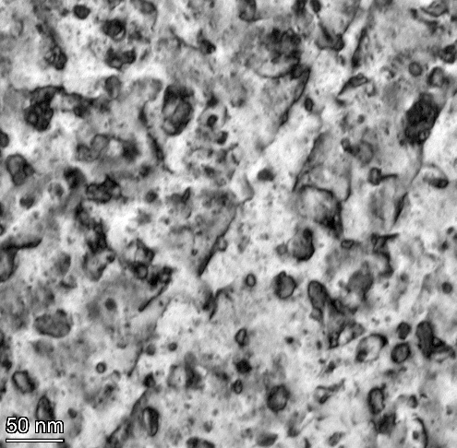
0921
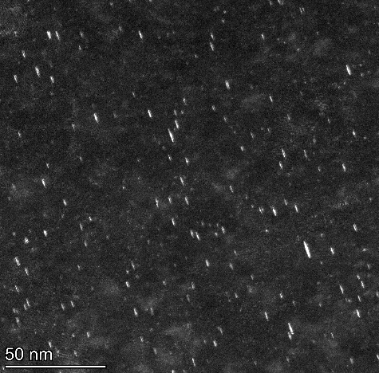
1615
 | 19.021 | 9.817 | 19.021 | 3.386 | 3.125 | 3.386
 | 6.907 | 10.171 | 6.907 | 3.99 | 3.125 | 3.99
 | 4.906 | 11.557 | 4.906 | 4.018 | 2.6 | 4.018
 | 2.234 | 2.976 | 2.234 | 2.822 | 2.713 | 2.822
 | 8.936 | 15.522 | 8.936 | 3.299 | 4.385 | 3.299
 | 2.234 | 17.303 | 2.234 | 2.417 | 2.087 | 2.417
 | 2.453 | 6.327 | 2.453 | 4.018 | 1.226 | 4.018
 | 5.96 | 7.363 | 5.96 | 1.209 | 4.046 | 1.209
 | 4.995 | 25.092 | 4.995 | 4.969 | 0.775 | 4.969
 | 3.831 | 4.799 | 3.831 | 3.626 | 1.598 | 3.626
 | 7.319 | 4.292 | 7.319 | 1.709 | 5.272 | 1.709
 | 13.382 | 14.641 | 13.382 | 4.018 | 7.354 | 4.018
 | 3.85 | 9.907 | 3.85 | 3.343 | 1.733 | 3.343
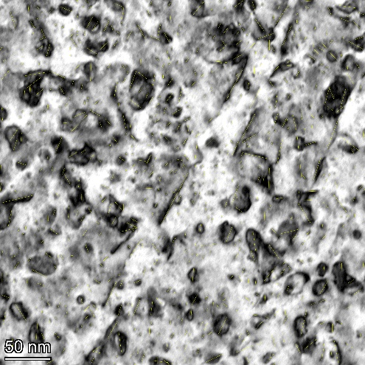
0921-quantified
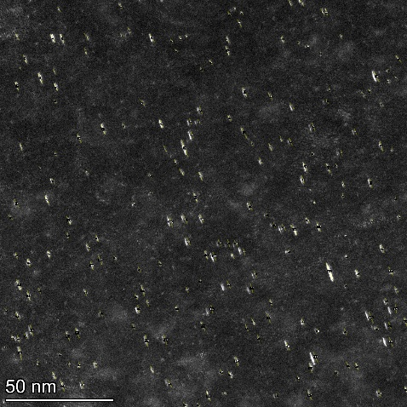
1615-quantified
 | 2.709 | 7.363 | 2.709 | 1.209 | 1.733 | 1.209
 | 2.992 | 5.893 | 2.992 | 1.709 | 2.087 | 1.709
 | 8.969 | 14.385 | 8.969 | 4.366 | 1.55 | 4.366
 | 7.369 | 5.488 | 7.369 | 4.872 | 1.226 | 4.872
 | 8.82 | 3.367 | 8.82 | 1.731 | 1.226 | 1.731
 | 12.735 | 2.525 | 12.735 | 2.55 | 3.952 | 2.55
 | 2.453 | 13.109 | 2.453 | 4.125 | 5.929 | 4.125
 | 4.468 | 5.086 | 4.468 | 4.358 | 4.902 | 4.358
 | 3.532 | 13.176 | 3.532 | 2.873 | 1.976 | 2.873
 | 3.296 | 12.822 | 3.296 | 2.179 | 1.55 | 2.179
 | 3.089 | 3.471 | 3.089 | 2.923 | 1.938 | 2.923
 | 9.961 | 3.571 | 9.961 | 2.55 | 2.6 | 2.55
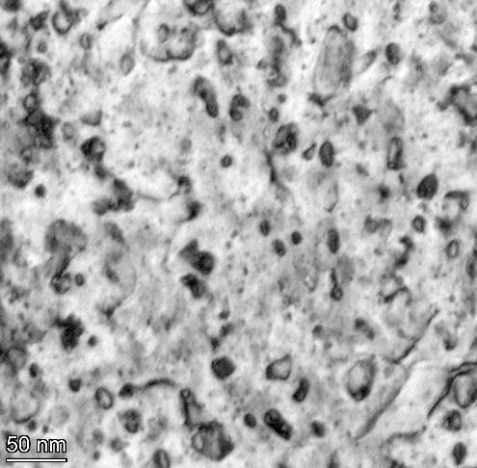
1529
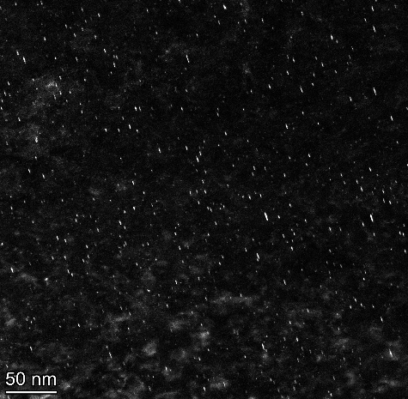
1616
 | 17.448 | 14.532 | 17.448 | 1.949 | 2.358 | 1.949
 | 6.513 | 3.765 | 6.513 | 2.55 | 3.311 | 2.55
 | 4.283 | 7.761 | 4.283 | 2.417 | 3.311 | 2.417
 | 3.448 | 3.571 | 3.448 | 4.358 | 1.397 | 4.358
 | 4.8 | 2.454 | 4.8 | 2.179 | 1.598 | 2.179
 | 9.609 | 3.205 | 9.609 | 1.813 | 1.397 | 1.813
 | 18.249 | 2.146 | 18.249 | 1.813 | 0.867 | 1.813
 | 13.105 | 14.397 | 13.105 | 1.731 | 4.333 | 1.731
 | 2.072 | 8.667 | 2.072 | 2.55 | 1.938 | 2.55
 | 2.072 | 7.143 | 2.072 | 4.018 | 1.733 | 4.018
 | 2.873 | 14.592 | 2.873 | 2.55 | 2.451 | 2.55
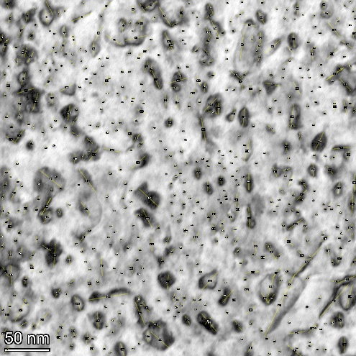
1529-quantified
 | 11.45 | 6.575 | 11.45 | 3.755 | 1.938 | 3.755
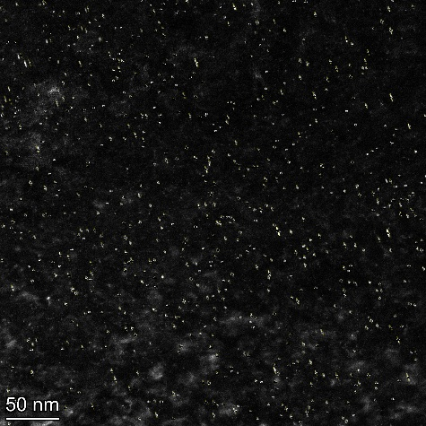
1616-quantified
 | 1.817 | 4.209 | 1.817 | 1.949 | 2.451 | 1.949
 | 3.351 | 13.934 | 3.351 | 1.455 | 4.419 | 1.455
 | 2.299 | 12.877 | 2.299 | 2.492 | 3.9 | 2.492
 | 3.095 | 3.205 | 3.095 | 2.911 | 1.787 | 2.911
 | 4.064 | 5.952 | 4.064 | 2.662 | 4.183 | 2.662
 | 11.054 | 3.571 | 11.054 | 3.448 | 3.434 | 3.448
 | 12.965 | 6.655 | 12.965 | 3.082 | 2.881 | 3.082
 | 17.478 | 2.454 | 17.478 | 3.152 | 3.294 | 3.152
 | 10.55 | 16.677 | 10.55 | 2.058 | 3.924 | 2.058
 | 7.015 | 4.209 | 7.015 | 1.455 | 1.3 | 1.455
 | 5.298 | 14.785 | 5.298 | 1.378 | 4.174 | 1.378
 | 7.108 | 18.681 | 7.108 | 1.576 | 4.046 | 1.576
 | 11.565 | 21.462 | 11.565 | 5.439 | 1.13 | 5.439
 | 11.334 | 25.699 | 11.334 | 4.054 | 1.163 | 4.054
 | 14.401 | 15.579 | 14.401 | 1.709 | 2.268 | 1.709
 | 4.91 | 5.615 | 4.91 | 1.813 | 1.226 | 1.813
 | 5.452 | 7.576 | 5.452 | 1.731 | 1.163 | 1.731
 | 6.109 | 3.205 | 6.109 | 2.111 | 1.3 | 2.111
 | 4.633 | 14.893 | 4.633 | 2.179 | 2.527 | 2.179
 | 10.36 | 8.333 | 10.36 | 1.968 | 2.365 | 1.968
 | 4.377 | 12.877 | 4.377 | 4.789 | 3.008 | 4.789
 | 13.9 | 15.211 | 13.9 | 1.351 | 3.196 | 1.351
 | 12.604 | 25.113 | 12.604 | 2.911 | 2.861 | 2.911
 | 2.369 | 7.458 | 2.369 | 2.417 | 0.822 | 2.417
 | 2.299 | 10.78 | 2.299 | 1.911 | 1.13 | 1.911
 | 2.873 | 2.976 | 2.873 | 2.923 | 3.743 | 2.923
 | 2.93 | 4.762 | 2.93 | 3.513 | 1.476 | 3.513
 | 2.453 | 7.168 | 2.453 | 2.492 | 1.411 | 2.492
 | 2.57 | 11.496 | 2.57 | 4.196 | 0.699 | 4.196
 | 3.296 | 10.241 | 3.296 | 1.378 | 0.988 | 1.378
 | 3.793 | 3.571 | 3.793 | 1.968 | 1.476 | 1.968
 | 6.058 | 3.471 | 6.058 | 1.378 | 1.241 | 1.378
 | 11.727 | 20.499 | 11.727 | 2.662 | 2.881 | 2.662
 | 8.82 | 5.647 | 8.82 | 2.309 | 1.828 | 2.309
 | 8.977 | 4.649 | 8.977 | 4.72 | 0.822 | 4.72
 | 8.82 | 6.575 | 8.82 | 1.209 | 2.585 | 1.209
 | 19.156 | 10.137 | 19.156 | 1.351 | 3.924 | 1.351
 | 21.352 | 2.976 | 21.352 | 4.117 | 0.775 | 4.117
 | 18.517 | 3.035 | 18.517 | 3.513 | 0.867 | 3.513
 | 8.609 | 4.209 | 8.609 | 2.309 | 1.13 | 2.309
 | 5.211 | 15.442 | 5.211 | 3.419 | 1.37 | 3.419
 | 1.954 | 14.483 | 1.954 | 5.439 | 0.969 | 5.439
 | 19.955 | 32.412 | 19.955 | 3.022 | 0.699 | 3.022
 | 4.739 | 6.548 | 4.739 | 1.709 | 0.867 | 1.709
 | 6.778 | 12.5 | 6.778 | 2.703 | 1.163 | 2.703
 | 3.389 | 5.086 | 3.389 | 4.23 | 1.356 | 4.23
 | 4.835 | 6.787 | 4.835 | 3.755 | 3.155 | 3.755
 | 11.671 | 9.412 | 11.671 | 3.419 | 1.241 | 3.419
 | 7.493 | 22.791 | 7.493 | 2.058 | 2.26 | 2.058
 | 20.605 | 17.303 | 20.605 | 2.822 | 3.563 | 2.822
 | 13.416 | 4.799 | 13.416 | 3.266 | 1.3 | 3.266
 | 6.597 | 3.993 | 6.597 | 8.036 | 6.947 | 8.036
 | 7.798 | 3.811 | 7.798 | 3.87 | 3.033 | 3.87
 | 14.253 | 13.109 | 14.253 | 2.179 | 2.023 | 2.179
 | 7.471 | 3.811 | 7.471 | 3.87 | 4.355 | 3.87
 | 10.77 | 3.471 | 10.77 | 3.676 | 3.861 | 3.676
 | 4.201 | 0.842 | 4.201 | 2.417 | 1.828 | 2.417
 | 5.14 | 5.615 | 5.14 | 2.911 | 2.795 | 2.911
 | 3.599 | 9.241 | 3.599 | 1.813 | 1.598 | 1.813
 | 5.229 | 9.412 | 5.229 | 1.209 | 1.976 | 1.209
 | 18.299 | 3.993 | 18.299 | 1.351 | 2.822 | 1.351
 | 3.986 | 3.471 | 3.986 | 4.117 | 2.268 | 4.117
 | 7.863 | 7.738 | 7.863 | 3.626 | 1.667 | 3.626
 | 17.394 | 2.381 | 17.394 | 3.87 | 1.514 | 3.87
 | 7.701 | 8.929 | 7.701 | 4.72 | 4.86 | 4.72
 | 9.768 | 22.407 | 9.768 | 3.764 | 2.428 | 3.764
 | 3.579 | 2.381 | 3.579 | 3.935 | 1.909 | 3.935
 | 3.427 | 9.008 | 3.427 | 4.018 | 4.174 | 4.018
 | 3.879 | 14.532 | 3.879 | 3.266 | 3.334 | 3.266
 | 2.299 | 4.209 | 2.299 | 3.343 | 2.451 | 3.343
 | 9.852 | 4.799 | 9.852 | 2.783 | 2.087 | 2.783
 | 1.887 | 5.488 | 1.887 | 3.082 | 2.775 | 3.082
 | 2.763 | 14.335 | 2.763 | 2.783 | 1.096 | 2.783
 | 7.394 | 3.471 | 7.394 | 3.87 | 3.248 | 3.87
 | 10.078 | 2.976 | 10.078 | 1.892 | 2.268 | 1.892
 | 8.855 | 1.882 | 8.855 | 2.492 | 8.03 | 2.492
 | 2.498 | 4.209 | 2.498 | 3.386 | 2.397 | 3.386
 | 3.685 | 23.943 | 3.685 | 5.33 | 2.342 | 5.33
 | 4.613 | 6.787 | 4.613 | 2.923 | 1.644 | 2.923
 | 4.739 | 8.523 | 4.739 | 4.618 | 2.692 | 4.618
 | 3.071 | 23.943 | 3.071 | 3.676 | 1.37 | 3.676
 | 12.879 | 19.38 | 12.879 | 1.644 | 3.45 | 1.644
 | 9.626 | 2.976 | 9.626 | 1.209 | 2.167 | 1.209
 | 24.387 | 15.176 | 24.387 | 3.764 | 2.087 | 3.764
 | 6.726 | 3.993 | 6.726 | 4.23 | 4.147 | 4.23
 | 12.617 | 15.176 | 12.617 | 3.152 | 2.699 | 3.152
 | 8.29 | 5.647 | 8.29 | 4.082 | 3.033 | 4.082
 | 10.417 | 10.137 | 10.417 | 2.662 | 2.585 | 2.662
 | 4.731 | 4.762 | 4.731 | 4.09 | 2.268 | 4.09
 | 10.702 | 3.571 | 10.702 | 3.163 | 3.015 | 3.163
 | 9.125 | 3.993 | 9.125 | 4.273 | 2.822 | 4.273
 | 16.651 | 3.765 | 16.651 | 5.22 | 1.179 | 5.22
 | 3.563 | 11.31 | 3.563 | 1.813 | 1.733 | 1.813
 | 2.242 | 2.976 | 2.242 | 3.513 | 1.733 | 3.513
 | 2.661 | 3.621 | 2.661 | 1.455 | 2.26 | 1.455
 | 3.256 | 3.811 | 3.256 | 8.383 | 1.411 | 8.383
 | 3.256 | 2.662 | 3.256 | 1.455 | 3.563 | 1.455
 | 13.048 | 16.247 | 13.048 | 2.627 | 3.924 | 2.627
 | 15.835 | 4.333 | 15.835 | 3.419 | 1.37 | 3.419
 | 9.816 | 4.209 | 9.816 | 3.419 | 5.2 | 3.419
 | 12.115 | 9.69 | 12.115 | 3.386 | 2.636 | 3.386
 | 4.633 | 7.761 | 4.633 | 2.417 | 3.677 | 2.417
 | 2.369 | 3.765 | 2.369 | 2.822 | 1.909 | 2.822
 | 4.633 | 6.575 | 4.633 | 1.968 | 5.398 | 1.968
 | 3.411 | 18.211 | 3.411 | 2.911 | 3.294 | 2.911
 | 2.315 | 5.357 | 2.315 | 5.324 | 2.167 | 5.324
 | 2.184 | 11.372 | 2.184 | 4.196 | 2.952 | 4.196
 | 2.307 | 14.048 | 2.307 | 4.474 | 2.451 | 4.474
 | 3.159 | 10.548 | 3.159 | 2.492 | 3.952 | 2.492
 | 4.283 | 3.471 | 4.283 | 3.87 | 3.311 | 3.87
 | 3.817 | 3.471 | 3.817 | 3.082 | 2.636 | 3.082
 | 3.532 | 8.929 | 3.532 | 4.273 | 2.519 | 4.273
 | 6.237 | 3.571 | 6.237 | 3.266 | 4.474 | 3.266
 | 10.056 | 3.205 | 10.056 | 3.082 | 1.918 | 3.082
 | 5.747 | 8.008 | 5.747 | 3.163 | 1.562 | 3.163
 | 11.117 | 7.458 | 11.117 | 4.196 | 1.838 | 4.196
 | 8.507 | 7.168 | 8.507 | 3.152 | 1.55 | 3.152
 | 33.827 | 4.533 | 33.827 | 2.564 | 1.598 | 2.564
 | 18.41 | 7.168 | 18.41 | 1.709 | 1.828 | 1.709
 | 11.268 | 8.523 | 11.268 | 1.709 | 3.952 | 1.709
 | 5.445 | 7.986 | 5.445 | 4.72 | 1.476 | 4.72
 | 3.296 | 11.184 | 3.296 | 1.968 | 6.442 | 1.968
 | 2.682 | 1.684 | 2.682 | 2.417 | 2.023 | 2.417
 | 3.532 | 2.662 | 3.532 | 3.87 | 1.838 | 3.87
 | 3.448 | 3.471 | 3.448 | 3.626 | 3.311 | 3.626
 | 3.469 | 23.45 | 3.469 | 1.709 | 2.397 | 1.709
 | 3.469 | 10.241 | 3.469 | 2.662 | 2.167 | 2.662
 | 4.876 | 7.143 | 4.876 | 4.196 | 3.384 | 4.196
 | 2.763 | 9.105 | 2.763 | 3.764 | 1.3 | 3.764
 | 2.453 | 19.787 | 2.453 | 3.87 | 2.325 | 3.87
 | 6.896 | 4.533 | 6.896 | 4.474 | 3.99 | 4.474
 | 5.835 | 4.167 | 5.835 | 2.564 | 3.763 | 2.564
 | 6.907 | 9.907 | 6.907 | 1.622 | 2.775 | 1.622
 | 12.03 | 10.137 | 12.03 | 2.417 | 2.397 | 2.417
 | 9.887 | 12.613 | 9.887 | 2.662 | 1.356 | 2.662
 | 2.709 | 5.982 | 2.709 | 5.049 | 1.948 | 5.049
 | 9.647 | 6.548 | 9.647 | 2.783 | 6.374 | 2.783
 | 3.273 | 14.881 | 3.273 | 3.082 | 3.573 | 3.082
 | 3.251 | 16.247 | 3.251 | 3.343 | 4.461 | 3.343
 | 4.981 | 21.887 | 4.981 | 2.756 | 1.828 | 2.756
 | 3.448 | 7.829 | 3.448 | 4.789 | 1.733 | 4.789
 | 6.907 | 12.613 | 6.907 | 5.512 | 1.397 | 5.512
 | 4.677 | 2.525 | 4.677 | 2.911 | 1.13 | 2.911
 | 1.625 | 4.167 | 1.625 | 3.935 | 2.209 | 3.935
 | 5.322 | 3.571 | 5.322 | 4.366 | 1.163 | 4.366
 | 8.736 | 1.882 | 8.736 | 2.179 | 2.132 | 2.179
 | 6.342 | 8.291 | 6.342 | 3.163 | 1.598 | 3.163
 | 3.427 | 2.976 | 3.427 | 3.419 | 3.728 | 3.419
 | 3.831 | 4.209 | 3.831 | 4.117 | 3.384 | 4.117
 | 6.284 | 3.571 | 6.284 | 2.756 | 1.411 | 2.756
 | 7.556 | 3.035 | 7.556 | 2.756 | 1.562 | 2.756
 | 6.821 | 3.621 | 6.821 | 3.343 | 1.733 | 3.343
 | 9.939 | 7.458 | 9.939 | 3.082 | 2.26 | 3.082
 | 10.078 | 6.327 | 10.078 | 5.22 | 1.476 | 5.22
 | 19.19 | 3.765 | 19.19 | 4.72 | 1.13 | 4.72
 | 5.154 | 12.655 | 5.154 | 2.822 | 1.562 | 2.822
 | 5.377 | 4.292 | 5.377 | 3.022 | 1.096 | 3.022
 | 3.469 | 3.205 | 3.469 | 3.87 | 1.13 | 3.87
 | 37.028 | 3.811 | 37.028 | 5.248 | 4.29 | 5.248
 | 5.445 | 6.327 | 5.445 | 2.662 | 2.023 | 2.662
 | 4.613 | 4.333 | 4.613 | 3.082 | 4.161 | 3.082
 | 2.167 | 12.257 | 2.167 | 2.179 | 4.786 | 2.179
 | 2.167 | 4.799 | 2.167 | 6.043 | 3.728 | 6.043
 | 1.916 | 1.684 | 1.916 | 1.911 | 3.822 | 1.911
 | 3.614 | 2.662 | 3.614 | 3.626 | 1.096 | 3.626
 | 2.709 | 2.525 | 2.709 | 5.128 | 3.311 | 5.128
 | 2.763 | 2.381 | 2.763 | 3.606 | 4.495 | 3.606
 | 1.625 | 16.539 | 1.625 | 3.082 | 4.952 | 3.082
 | 2.57 | 13.703 | 2.57 | 2.756 | 3.155 | 2.756
 | 2.763 | 2.662 | 2.763 | 2.162 | 4.594 | 2.162
 | 2.709 | 3.621 | 2.709 | 1.114 | 1.397 | 1.114
 | 3.251 | 4.649 | 3.251 | 4.474 | 1.096 | 4.474
 | 3.532 | 4.292 | 3.532 | 4.72 | 2.527 | 4.72
 | 4.144 | 11.184 | 4.144 | 3.022 | 2.167 | 3.022
 | 4.073 | 10.189 | 4.073 | 1.911 | 1.733 | 1.911
 | 6.189 | 2.454 | 6.189 | 1.731 | 1.656 | 1.731
 | 5.418 | 5.39 | 5.418 |  | 1.562 | 3.125
 | 5.747 | 20.525 | 5.747 |  | 2.428 | 3.125
 | 16.541 | 10.119 | 16.541 |  | 3.817 | 2.6
 | 10.843 | 5.357 | 10.843 |  | 1.948 | 2.713
 | 7.269 | 14.881 | 7.269 |  | 2.6 | 4.385
 | 5.747 | 21.095 | 5.747 |  | 3.563 | 2.087
 | 6.237 | 6.575 | 6.237 |  | 2.209 | 1.226
 | 6.591 | 7.168 | 6.591 |  | 4.161 | 4.046
 | 8.411 | 4.908 | 8.411 |  | 3.345 | 0.775
 | 6.702 | 16.677 | 6.702 |  | 2.365 | 1.598
 | 10.52 | 13.703 | 10.52 |  | 3.573 | 5.272
 | 3.089 | 6.575 | 3.089 |  | 4.106 | 7.354
 | 3.793 | 5.357 | 3.793 |  | 6.557 | 1.733
 | 5.695 | 4.209 | 5.695 |  | 2.585 | 1.733
 | 12.462 | 6.548 | 12.462 |  | 5.171 | 2.087
 | 3.089 | 5.893 | 3.089 |  | 2.775 | 1.55
 | 2.453 | 6.787 | 2.453 |  | 1.562 | 1.226
 | 3.089 | 16.836 | 3.089 |  | 2.087 | 1.226
 | 1.713 | 6.327 | 1.713 |  | 2.397 | 3.952
 | 3.773 | 10.119 | 3.773 |  | 3.311 | 5.929
 | 2.992 | 8.585 | 2.992 |  | 1.476 | 4.902
 | 3.635 | 6.411 | 3.635 |  | 2.087 | 1.976
 | 5.445 | 8.46 | 5.445 |  | 3.99 | 1.55
 | 14.237 | 17.385 | 14.237 |  | 2.775 | 1.938
 | 5.14 | 7.529 | 5.14 |  | 2.692 | 2.6
 | 1.381 | 5.647 | 1.381 |  | 1.598 | 2.358
 | 3.614 | 10.137 | 3.614 |  | 2.822 | 3.311
 | 8.609 | 2.976 | 8.609 |  | 2.209 | 3.311
 | 21.571 | 4.292 | 21.571 |  | 2.861 | 1.397
 | 3.469 | 6.942 | 3.469 |  | 3.861 | 1.598
 | 3.831 | 3.811 | 3.831 |  | 3.62 | 1.397
 | 9.887 | 6.438 | 9.887 |  | 1.909 | 0.867
 | 6.13 | 3.765 | 6.13 |  | 1.598 | 4.333
 | 4.232 | 6.327 | 4.232 |  | 1.733 | 1.938
 | 4.468 | 4.649 | 4.468 |  | 1.948 | 1.733
 | 2.918 | 10.531 | 2.918 |  | 2.342 | 2.451
 | 4.613 | 10.731 | 4.613 |  | 3.033 | 1.938
 | 4.144 | 6.942 | 4.144 |  | 2.822 | 2.451
 | 3.273 | 8.849 | 3.273 |  | 2.692 | 4.419
 | 4.995 | 22.312 | 4.995 |  | 1.3 | 3.9
 | 3.773 | 19.634 | 3.773 |  | 2.451 | 1.787
 | 2.299 | 20.628 | 2.299 |  | 1.226 | 4.183
 | 1.713 | 13.095 | 1.713 |  | 1.241 | 3.434
 | 6.789 | 10.976 | 6.789 |  | 0.969 | 2.881
 | 26.122 | 27.206 | 26.122 |  | 0.969 | 3.294
 | 60.151 | 13.742 | 60.151 |  | 2.087 | 3.924
 | 8.226 | 19.724 | 8.226 |  | 2.861 | 1.3
 | 5.211 | 2.146 | 5.211 |  | 2.209 | 4.174
 | 3.532 | 4.209 | 3.532 |  | 1.909 | 4.046
 | 2.918 | 4.799 | 2.918 |  | 2.365 | 1.13
 | 2.763 | 4.908 | 2.763 |  | 2.365 | 1.163
 | 3.944 | 10.531 | 3.944 |  | 2.26 | 2.268
 | 3.614 | 28.794 | 3.614 |  | 3.467 | 1.226
 | 2.063 | 7.829 | 2.063 |  | 2.952 | 1.163
 | 1.954 | 7.829 | 1.954 |  | 3.033 | 1.3
 | 2.063 | 3.765 | 2.063 |  | 2.952 | 2.527
 | 18.072 | 22.12 | 18.072 |  | 0.867 | 2.365
 | 7.748 | 21.56 | 7.748 |  | 2.06 | 3.008
 | 4.232 | 9.598 | 4.232 |  | 3.294 | 3.196
 | 3.065 | 6.327 | 3.065 |  | 3.131 | 2.861
 | 4.144 | 2.976 | 4.144 |  | 3.743 | 0.822
 | 3.532 | 5.357 | 3.532 |  | 4.594 | 1.13
 | 7.898 | 14.298 | 7.898 |  | 3.125 | 3.743
 | 6.778 | 10.598 | 6.778 |  | 1.226 | 1.476
 | 12.284 | 12.038 | 12.284 |  | 3.62 | 1.411
 | 1.713 | 7.761 | 1.713 |  | 1.755 | 0.699
 | 3.159 | 20.842 | 3.159 |  | 1.476 | 0.988
 | 1.916 | 8.948 | 1.916 |  | 2.397 | 1.476
 | 5.485 | 2.976 | 5.485 |  | 3.817 | 1.241
 | 8.145 | 2.454 | 8.145 |  | 3.008 | 2.881
 | 4.468 | 25.843 | 4.468 |  | 3.563 | 1.828
 | 6.853 | 4.167 | 6.853 |  | 8.763 | 0.822
 | 7.359 | 3.035 | 7.359 |  | 1.241 | 2.585
 | 5.485 | 4.799 | 5.485 |  | 3.677 | 3.924
 | 3.773 | 1.19 | 3.773 |  | 3.563 | 0.775
 | 1.916 | 3.035 | 1.916 |  | 4.046 | 0.867
 | 4.334 | 9.524 | 4.334 |  | 3.728 | 1.13
 | 3.089 | 11.31 | 3.089 |  | 4.427 | 1.37
 | 3.251 | 11.905 | 3.251 |  | 4.372 | 0.969
 | 2.063 | 4.533 | 2.063 |  | 3.027 | 0.699
 | 3.089 | 4.908 | 3.089 |  | 1.976 | 0.867
 | 1.916 | 8.46 | 1.916 |  | 2.741 | 1.163
 | 1.916 | 2.525 | 1.916 |  | 3.125 | 1.356
 | 2.063 | 2.976 | 2.063 |  | 1.37 | 3.155
 | 4.073 | 2.146 | 4.073 |  | 2.952 | 1.241
 | 3.614 | 2.662 | 3.614 |  | 3.494 | 2.26
 | 8 | 3.811 | 8 |  | 3.817 | 3.563
 | 7.369 | 2.976 | 7.369 |  | 2.6 | 1.3
 | 6.778 | 3.993 | 6.778 |  | 1.787 | 6.947
 | 11.157 | 3.993 | 11.157 |  | 1.163 | 3.033
 | 9.768 | 7.623 | 9.768 |  | 1.667 | 2.023
 | 7.033 | 5.357 | 7.033 |  | 2.519 | 4.355
 | 6.189 | 4.533 | 6.189 |  | 2.952 | 3.861
 | 12.337 | 3.471 | 12.337 |  | 4.536 | 1.828
 | 17.287 | 5.488 | 17.287 |  | 5.471 | 2.795
 | 9.266 | 12.053 | 9.266 |  | 3.033 | 1.598
 | 6.513 | 8.291 | 6.513 |  | 2.907 | 1.976
 | 7.701 | 6.214 | 7.701 |  | 3.9 | 2.822
 | 13.404 | 13.6 | 13.404 |  | 1.562 | 2.268
 | 8.609 | 3.205 | 8.609 |  | 1.562 | 1.667
 | 7.359 | 12.386 | 7.359 |  | 2.268 | 1.514
 | 11.137 | 4.209 | 11.137 |  | 3.208 | 4.86
 | 6.376 | 1.882 | 6.376 |  | 2.636 | 2.428
 | 5.747 | 15.579 | 5.747 |  | 3.208 | 1.909
 | 4.846 | 6.214 | 4.846 |  | 2.087 | 4.174
 | 4.334 | 6.411 | 4.334 |  | 3.345 | 3.334
 | 4.368 | 7.986 | 4.368 |  | 3.9 | 2.451
 | 2.57 | 3.471 | 2.57 |  | 4.106 | 2.087
 | 3.089 | 3.471 | 3.089 |  | 2.958 | 2.775
 | 3.273 | 4.649 | 3.273 |  | 3.131 | 1.096
 | 4.073 | 7.738 | 4.073 |  | 1.995 | 3.248
 | 2.167 | 3.035 | 2.167 |  | 0.581 | 2.268
 | 2.918 | 4.292 | 2.918 |  | 0.969 | 8.03
 | 1.212 | 4.292 | 1.212 |  | 1.356 | 2.397
 | 3.448 | 7.143 | 3.448 |  | 0.775 | 2.342
 | 4.377 | 20 | 4.377 |  | 1.044 | 1.644
 | 25.188 | 6.214 | 25.188 |  | 3.467 | 2.692
 | 15.633 | 9.542 | 15.633 |  | 2.952 | 1.37
 | 18.903 | 4.292 | 18.903 |  | 2.167 | 3.45
 | 7.314 | 3.205 | 7.314 |  | 2.342 | 2.167
 | 3.351 | 3.205 | 3.351 |  | 3.008 | 2.087
 | 4.184 | 3.765 | 4.184 |  | 0.822 | 4.147
 | 7.201 | 4.292 | 7.201 |  | 1.562 | 2.699
 | 10.919 | 3.471 | 10.919 |  | 2.952 | 3.033
 | 5.298 | 24.412 | 5.298 |  | 1.995 | 2.585
 | 3.351 | 2.146 | 3.351 |  | 1.562 | 2.268
 | 1.724 | 4.908 | 1.724 |  | 3.064 | 3.015
 | 2.873 | 2.381 | 2.873 |  | 2.881 | 2.822
 | 7.471 | 11.072 | 7.471 |  | 2.636 | 1.179
 | 0.813 | 5.982 | 0.813 |  | 2.209 | 1.733
 | 5.421 | 4.209 | 5.421 |  | 3.702 | 1.733
 | 13.267 | 3.765 | 13.267 |  | 1.787 | 2.26
 | 9.284 | 10.731 | 9.284 |  | 1.13 | 1.411
 | 19.181 | 5.862 | 19.181 |  | 2.096 | 3.563
 | 4.91 | 7.192 | 4.91 |  | 3.641 | 3.924
 | 10.36 | 10.78 | 10.36 |  | 6.947 | 1.37
 | 3.095 | 4.533 | 3.095 |  | 2.964 | 5.2
 | 5.689 | 5.39 | 5.689 |  | 2.527 | 2.636
 | 9.753 | 10.731 | 9.753 |  | 2.397 | 3.677
 | 17.75 | 9.066 | 17.75 |  | 2.699 | 1.909
 | 9.82 | 22.807 | 9.82 |  | 3.008 | 5.398
 | 2.93 | 48.1 | 2.93 |  | 0.822 | 3.294
 | 3.095 | 26.15 | 3.095 |  | 3.131 | 2.167
 | 3.496 | 1.882 | 3.496 |  | 1.562 | 2.952
 | 2.873 | 14.483 | 2.873 |  | 2.167 | 2.451
 | 2.873 | 6.575 | 2.873 |  | 1.476 | 3.952
 | 3.351 | 1.19 | 3.351 |  | 1.562 | 3.311
 | 4.739 | 2.381 | 4.739 |  | 3.008 | 2.636
 | 24.164 | 16.082 | 24.164 |  | 1.476 | 2.519
 | 9.633 | 4.167 | 9.633 |  | 2.451 | 4.474
 | 4.633 | 4.333 | 4.633 |  | 2.451 | 1.918
 | 4.597 | 6.128 | 4.597 |  | 4.474 | 1.562
 | 5.298 | 2.976 | 5.298 |  | 1.744 | 1.838
 | 3.095 | 6.787 | 3.095 |  | 1.562 | 1.55
 | 4.144 | 13.055 | 4.144 |  | 1.938 | 1.598
 | 8.543 | 18.605 | 8.543 |  | 2.585 | 1.828
 | 6.702 | 19.307 | 6.702 |  | 1.995 | 3.952
 | 5.689 | 5.324 | 5.689 |  | 3.563 | 1.476
 | 8.288 | 79.334 | 8.288 |  | 4.25 | 6.442
 | 4.144 | 10.548 | 4.144 |  | 3.924 | 2.023
 | 3.351 | 6.214 | 3.351 |  | 3.573 | 1.838
 | 12.604 | 3.765 | 12.604 |  | 4.561 | 3.311
 | 5.204 | 5.12 | 5.204 |  | 4.29 | 2.397
 | 14.953 | 3.471 | 14.953 |  | 1.163 | 2.167
 | 6.216 | 4.799 | 6.216 |  | 2.342 | 3.384
 | 3.635 | 6.411 | 3.635 |  | 3.384 | 1.3
 | 4.633 | 3.571 | 4.633 |  | 2.167 | 2.325
 | 14.685 | 12.557 | 14.685 |  | 5.031 | 3.99
 | 5.747 | 3.367 | 5.747 |  | 2.775 | 3.763
 | 20.212 | 7.458 | 20.212 |  | 2.087 | 2.775
 | 20.212 | 14.532 | 20.212 |  | 1.656 | 2.397
 | 8.977 | 13.947 | 8.977 |  | 3.919 | 1.356
 | 7.731 | 11.905 | 7.731 |  | 4.143 | 1.948
 | 11.847 | 14.881 | 11.847 |  | 5.83 | 6.374
 | 3.095 | 34.266 | 3.095 |  | 4.303 | 3.573
 | 2.873 | 16.016 | 2.873 |  | 3.384 | 4.461
 | 5.172 | 7.192 | 5.172 |  | 2.822 | 1.828
 | 4.739 | 6.942 | 4.739 |  | 3.573 | 1.733
 | 2.299 | 48.012 | 2.299 |  | 3.294 | 1.397
 | 4.597 | 11.905 | 4.597 |  | 3.008 | 1.13
 | 6.425 | 5.862 | 6.425 |  | 3.155 | 2.209
 | 12.123 | 8.008 | 12.123 |  | 1.838 | 1.163
 | 5.421 | 6.438 | 5.421 |  | 2.952 | 2.132
 | 11.791 | 7.738 | 11.791 |  | 1.995 | 1.598
 | 9.086 | 13.495 | 9.086 |  | 2.775 | 3.728
 | 6.216 | 21.642 | 6.216 |  | 2.268 | 3.384
 | 6.552 | 5.893 | 6.552 |  | 4.786 | 1.411
 | 4.739 | 7.576 | 4.739 |  | 3.728 | 1.562
 | 2.369 | 25.028 | 2.369 |  | 1.755 | 1.733
 | 4.184 | 19.048 | 4.184 |  | 3.033 | 2.26
 | 4.064 | 3.811 | 4.064 |  | 2.907 | 1.476
 | 2.873 | 1.684 | 2.873 |  | 4.303 | 1.13
 | 18.263 | 2.662 | 18.263 |  | 1.909 | 1.562
 | 4.739 | 4.292 | 4.739 |  | 1.787 | 1.096
 | 11.32 | 3.035 | 11.32 |  | 2.342 | 1.13
 | 3.68 | 1.331 | 3.68 |  | 2.333 | 4.29
 | 13.267 | 3.471 | 13.267 |  | 2.881 | 2.023
 | 4.144 | 2.454 | 4.144 |  | 2.167 | 4.161
 | 4.144 | 4.292 | 4.144 |  | 2.964 | 4.786
 | 12.191 | 9.317 | 12.191 |  | 1.787 | 3.728
 | 23.903 | 10.395 | 23.903 |  | 4.419 | 3.822
 | 30.867 | 13.742 | 30.867 |  | 1.948 | 1.096
 | 17.544 | 7.738 | 17.544 |  | 2.699 | 3.311
 | 4.184 | 9.412 | 4.184 |  | 1.598 | 4.495
 | 24.123 | 9.69 | 24.123 |  | 4.786 | 4.952
 | 28.739 | 7.168 | 28.739 |  | 2.952 | 3.155
 | 23.016 | 3.765 | 23.016 |  | 2.822 | 4.594
 | 6.991 | 7.529 | 6.991 |  | 2.822 | 1.397
 | 6.726 | 9.086 | 6.726 |  | 2.775 | 1.096
 | 3.855 | 5.893 | 3.855 |  | 3.743 | 2.527
 | 3.635 | 8.269 | 3.635 |  | 3.494 | 2.167
 | 4.064 | 8.46 | 4.064 |  | 1.044 | 1.733
 | 14.413 | 9.086 | 14.413 |  | 3.131 | 1.656
 | 12.721 | 5.952 | 12.721 |  | 2.881 | 1.562
 | 34.909 | 9.008 | 34.909 |  | 2.14 | 2.428
 | 24.597 | 11.325 | 24.597 |  | 4.941 | 3.817
 | 4.064 | 16.17 | 4.064 |  | 3.208 | 1.948
 | 8.228 | 7.941 | 8.228 |  | 3.817 | 2.6
 | 25.988 | 9.616 | 25.988 |  | 1.476 | 3.563
 | 4.876 | 6.734 | 4.876 |  | 3.995 | 2.209
 | 6.502 | 1.786 | 6.502 |  | 3.008 | 4.161
 | 4.368 | 4.167 | 4.368 |  | 4.046 | 3.345
 | 5.452 | 4.649 | 5.452 |  | 2.952 | 2.365
 | 8.62 | 3.765 | 8.62 |  | 3.743 | 3.573
 | 5.775 | 6.575 | 5.775 |  | 3.317 | 4.106
 | 2.369 | 4.799 | 2.369 |  | 1.828 | 6.557
 | 3.68 | 3.621 | 3.68 |  | 1.838 | 2.585
 | 2.072 | 4.762 | 2.072 |  | 3.995 | 5.171
 | 2.57 | 4.167 | 2.57 |  | 3.656 | 2.775
 | 2.072 | 4.649 | 2.072 |  | 2.087 | 1.562
 | 4.064 | 4.799 | 4.064 |  | 2.699 | 2.087
 | 3.095 | 4.209 | 3.095 |  | 2.342 | 2.397
 | 2.072 | 5.488 | 2.072 |  | 3.807 | 3.311
 | 2.072 | 6.07 | 2.072 |  | 4.106 | 1.476
 | 2.438 | 3.205 | 2.438 |  | 4.074 | 2.087
 | 4.144 | 8.333 | 4.144 |  | 1.644 | 3.99
 | 23.792 | 2.662 | 23.792 |  | 4.606 | 2.775
 | 7.731 | 1.882 | 7.731 |  | 4.088 | 2.692
 | 14.378 | 2.454 | 14.378 |  | 4.719 | 1.598
 | 14.378 | 3.765 | 14.378 |  | 2.952 | 2.822
 | 6.92 | 4.167 | 6.92 |  | 2.881 | 2.209
 | 23.757 | 25.706 | 23.757 |  | 3.817 | 2.861
 | 7.559 | 3.471 | 7.559 |  | 2.428 | 3.861
 | 15.527 | 3.035 | 15.527 |  | 2.72 | 3.62
 | 4.488 | 17.758 | 4.488 |  | 3.728 | 1.909
 | 20.073 | 5.862 | 20.073 |  | 4.232 | 1.598
 | 13.416 | 5.086 | 13.416 |  | 2.952 | 1.733
 | 8.772 | 25.761 | 8.772 |  | 2.741 | 1.948
 | 6.92 | 11.372 | 6.92 |  | 1.163 | 2.342
 | 4.144 | 11.231 | 4.144 |  | 2.365 | 3.033
 | 2.072 | 3.035 | 2.072 |  | 4.719 | 2.822
 | 5.689 | 2.454 | 5.689 |  | 3.728 | 2.692
 | 4.488 | 3.035 | 4.488 |  | 2.699 | 1.3
 | 4.064 | 4.799 | 4.064 |  | 2.6 | 2.451
 | 18.973 | 5.952 | 18.973 |  | 2.268 | 1.226
 | 20.887 | 5.647 | 20.887 |  | 3.677 | 1.241
 | 10.36 | 7.941 | 10.36 |  | 3.861 | 0.969
 | 17.953 | 5.952 | 17.953 |  | 3.488 | 0.969
 | 5.421 | 6.07 | 5.421 |  | 4.461 | 2.087
 | 6.92 | 7.529 | 6.92 |  | 2.822 | 2.861
 | 5.747 | 4.209 | 5.747 |  | 4.355 | 2.209
 | 4.633 | 3.993 | 4.633 |  | 4.232 | 1.909
 | 3.351 | 4.533 | 3.351 |  | 2.087 | 2.365
 | 26.82 | 5.357 | 26.82 |  | 2.964 | 2.365
 | 4.91 | 16.709 | 4.91 |  | 2.519 | 2.26
 | 17.057 | 5.952 | 17.057 |  | 3.573 | 3.467
 | 12.123 | 7.168 | 12.123 |  | 2.365 | 2.952
 | 27.59 | 1.19 | 27.59 |  | 3.208 | 3.033
 | 8.485 | 6.575 | 8.485 |  | 3.557 | 2.952
 | 9.564 | 8.585 | 9.564 |  | 3.467 | 0.867
 | 7.201 | 7.458 | 7.201 |  | 2.342 | 2.06
 | 6.726 | 4.533 | 6.726 |  | 5.149 | 3.294
 | 6.944 | 14.048 | 6.944 |  | 4.232 | 3.131
 | 15.334 | 6.411 | 15.334 |  | 2.822 | 3.743
 | 7.108 | 22.627 | 7.108 |  | 3.563 | 4.594
 | 8.62 | 7.143 | 8.62 |  | 3.881 | 3.125
 | 6.109 | 31.593 | 6.109 |  | 2.861 | 1.226
 | 6.944 | 4.762 | 6.944 |  | 2.72 | 3.62
 | 3.855 | 4.333 | 3.855 |  | 2.585 | 1.755
 | 4.144 | 4.799 | 4.144 |  | 5.65 | 1.476
 | 4.064 | 4.649 | 4.064 |  | 1.755 | 2.397
...

1100C_Irr
 | Bright Field |  |  | Dark Field
 | Image 1449 | Image 1155 | Total of all BF images | Image 1119 | Image 1135 | Total of all DF images
Volume (nm3) | 12545280 | 54054720 | 66600000 | 7539920 | 2767680 | 10307600

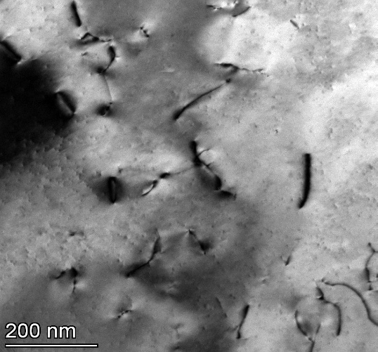
1449
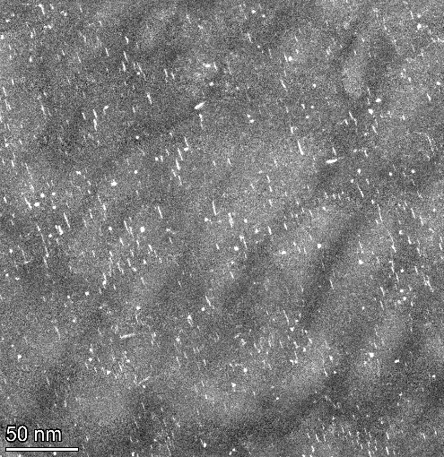
1119
 | 8.98 | 4.454 | 8.98 | 2.399 | 2.35 | 2.399
 | 5.847 | 1.669 | 5.847 | 7.464 | 2.955 | 7.464
 | 5.388 | 1.669 | 5.388 | 1.735 | 3.805 | 1.735
 | 6.623 | 7.463 | 6.623 | 0.421 | 3.552 | 0.421
 | 6.117 | 2.762 | 6.117 | 5.647 | 4.062 | 5.647
 | 5.143 | 4.216 | 5.143 | 4.048 | 4.522 | 4.048
 | 60.389 | 3.326 | 60.389 | 1.735 | 2.813 | 1.735
 | 16.713 | 4.941 | 16.713 | 3.869 | 2.732 | 3.869
 | 27.308 | 4.026 | 27.308 | 1.603 | 4.841 | 1.603
 | 12.234 | 2.656 | 12.234 | 4.706 | 2.943 | 4.706
 | 20.096 | 4.207 | 20.096 | 2.267 | 3.552 | 2.267
 | 12.154 | 1.953 | 12.154 | 2.543 | 4.58 | 2.543
1449-quantified
 | 7.273 | 2.72 | 7.273 | 2.931 | 6.307 | 2.931
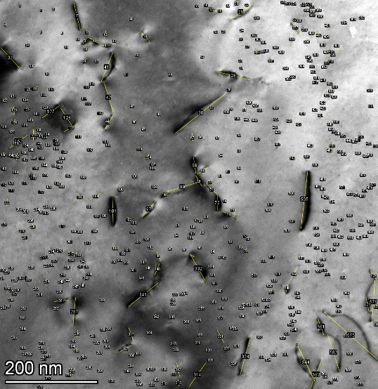
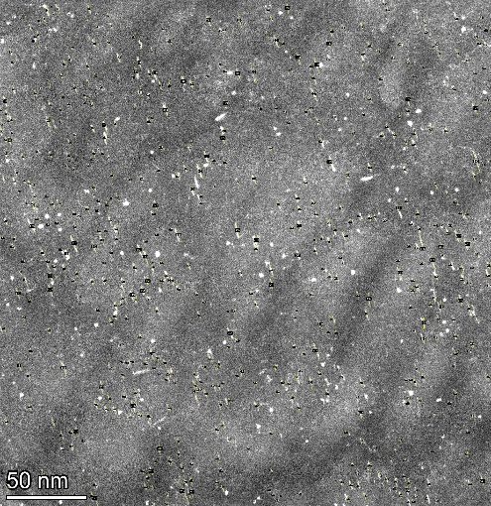
1119-quantified
 | 28.97 | 3.337 | 28.97 | 5.324 | 4.034 | 5.324
 | 4.819 | 2.776 | 4.819 | 1.331 | 5.744 | 1.331
 | 4.886 | 1.669 | 4.886 | 2.808 | 4.669 | 2.808
 | 19.31 | 3.955 | 19.31 | 1.073 | 5.998 | 1.073
 | 15.78 | 4.301 | 15.78 | 1.735 | 6.568 | 1.735
 | 6.623 | 4.687 | 6.623 | 2.454 | 5.382 | 2.454
 | 12.495 | 4.695 | 12.495 | 3.621 | 3.805 | 3.621
 | 57.919 | 6.241 | 57.919 | 3.993 | 3.186 | 3.993
 | 5.679 | 5.334 | 5.679 | 2.167 | 3.423 | 2.167
 | 6.425 | 4.496 | 6.425 | 4.989 | 4.062 | 4.989
 | 5.792 | 3.131 | 5.792 | 2.146 | 4.58 | 2.146
 | 8.072 | 4.026 | 8.072 | 3.596 | 6.912 | 3.596
1155
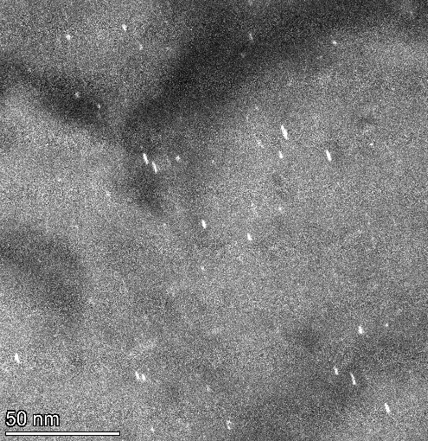
1135
 | 3.213 | 4.597 | 3.213 | 4.135 | 5.184 | 4.135
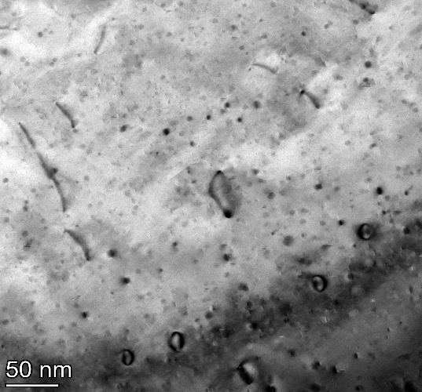
 | 9.158 | 2.656 | 9.158 | 2.543 | 5.015 | 2.543
 | 75.977 | 4.454 | 75.977 | 2.104 | 3.94 | 2.104
 | 10.472 | 1.31 | 10.472 | 5.93 | 5.532 | 5.93
 | 141.381 | 0.977 | 141.381 | 6.135 | 6.494 | 6.135
 | 5.847 | 3.274 | 5.847 | 7.941 | 4.771 | 7.941
 | 56.252 | 3.906 | 56.252 | 4.706 | 5.763 | 4.706
 | 15.841 | 1.575 | 15.841 | 6.588 | 4.925 | 6.588
 | 5.679 | 3.149 | 5.679 | 1.331 | 5.277 | 1.331
 | 4.886 | 6.643 | 4.886 | 1.996 | 13.398 | 1.996
 | 17.038 | 4.175 | 17.038 | 3.869 | 4.716 | 3.869
 | 6.425 | 1.758 | 6.425 | 4.799 | 8.895 | 4.799
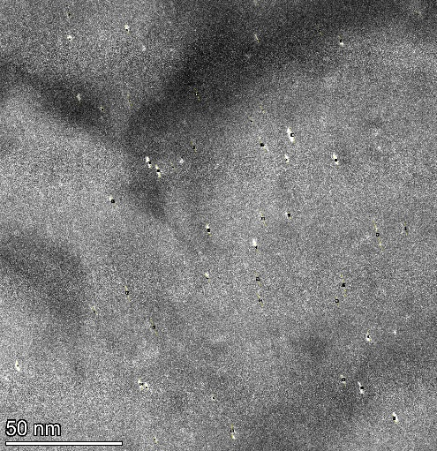
1135-quantified
 | 7.91 | 5.687 | 7.91 | 3.393 | 4.062 | 3.393
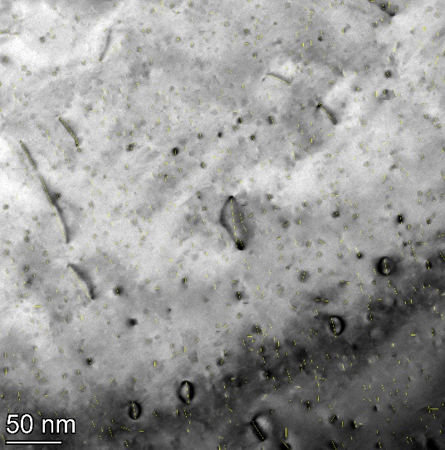
1155-quantified
 | 7.405 | 5.259 | 7.405 | 5.647 | 9.053 | 5.647
 | 7.184 | 5.503 | 7.184 | 3.765 | 3.552 | 3.765
 | 67.716 | 3.221 | 67.716 | 2.543 | 2.691 | 2.543
 | 64.78 | 6.298 | 64.78 | 5.086 | 5.104 | 5.086
 | 36.099 | 3.926 | 36.099 | 3.681 | 3.552 | 3.681
 | 10.776 | 1.487 | 10.776 | 3.993 | 4.32 | 3.993
 | 9.158 | 2.72 | 9.158 | 1.603 | 6.494 | 1.603
 | 12.495 | 4.597 | 12.495 | 4.845 | 7.965 | 4.845
 | 10.441 | 2.47 | 10.441 | 0.941 | 3.055 | 0.941
 | 13.748 | 6.519 | 13.748 | 4.62 |  | 4.62
 | 6.273 | 3.752 | 6.273 | 4.706 |  | 4.706
 | 8.651 | 2.975 | 8.651 | 6.688 |  | 6.688
 | 5.792 | 4.979 | 5.792 | 2.167 |  | 2.167
 | 4.886 | 3.601 | 4.886 | 4.533 |  | 4.533
 | 4.325 | 1.924 | 4.325 | 4.533 |  | 4.533
 | 8.651 | 3.537 | 8.651 | 3.729 |  | 3.729
 | 11.273 | 4.788 | 11.273 | 3.205 |  | 3.205
 | 4.886 | 3.494 | 4.886 | 4.333 |  | 4.333
 | 6.425 | 3.731 | 6.425 | 4.048 |  | 4.048
 | 5.388 | 3.911 | 5.388 | 6.714 |  | 6.714
 | 9.401 | 5.441 | 9.401 | 2.679 |  | 2.679
 | 8.072 | 3.911 | 8.072 | 2.324 |  | 2.324
 | 8.072 | 4.216 | 8.072 | 4.908 |  | 4.908
...

1300C_Irr
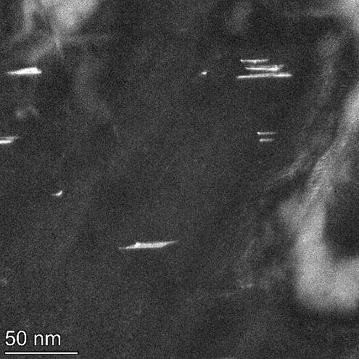
1655
 | Bright Field |  |  | Dark Field
 | Image 1645 | Image 1728 | Total of all BF images | Image 1655 | Image 1722 | Total of all DF images
Volume (nm3) | 53660880 | 21632000 | 75292880 | 4841280 | 4665780 | 9507060

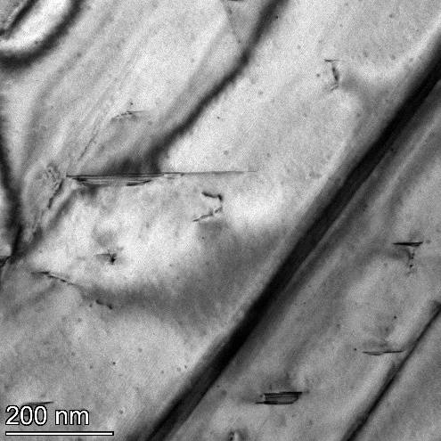
1645
 | 164.525 | 122.387 | 164.525 | 23.672 | 53.0115 | 23.672
 | 50.882 | 113.909 | 50.882 | 18.359 | 17.9505 | 18.359
 | 60.492 | 55.555 | 60.492 | 25.614 |  | 25.614
 | 28.737 | 22.848 | 28.737 | 37.941 |  | 37.941
 | 29.852 | 13.401 | 29.852 | 12.077 |  | 12.077
 | 53.632 | 10.152 | 53.632 | 8.216 |  | 8.216
 | 7.405 | 8.98 | 7.405 | 38.335 |  | 38.335
 | 327.006 | 7.681 | 327.006 | 6.039 |  | 6.039
 | 22.353 | 20.462 | 22.353 | 7.975 |  | 7.975
 | 10.814 | 46.195 | 10.814 | 13.052 |  | 13.052
 | 54.779 | 41.466 | 54.779 | 5.078 |  | 5.078
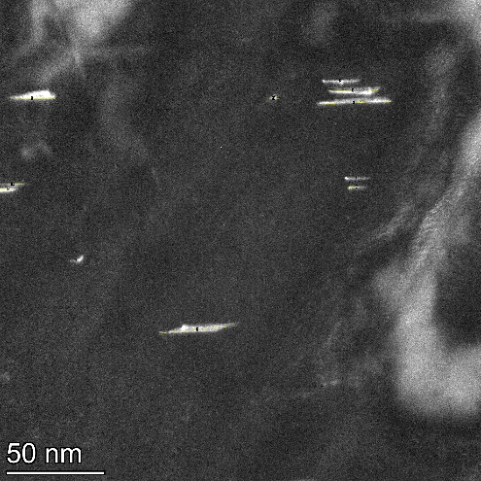
1655-quantified
 | 53.881 | 45.597 | 53.881 |  |  | 53.0115
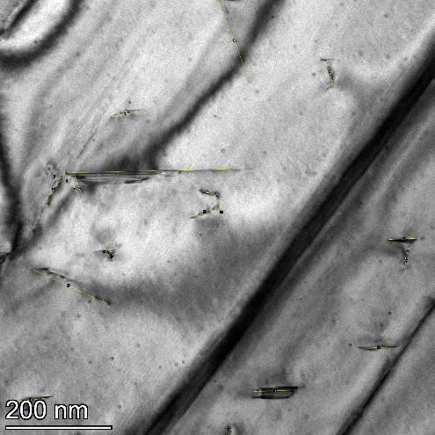
1645-quantified
 | 32.053 | 28.444 | 32.053 |  |  | 17.9505
 | 30.546 | 50.723 | 30.546
 | 163.163 | 24.555 | 163.163
 | 79.568 |  | 79.568
 | 74.315 |  | 74.315
 | 47.739 |  | 47.739
 | 53.853 |  | 53.853
 | 17.616 |  | 17.616
 | 89.766 |  | 89.766
 | 62.346 |  | 62.346
 |  |  | 122.387
 |  |  | 113.909
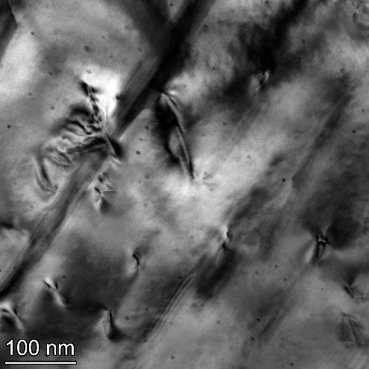
1728
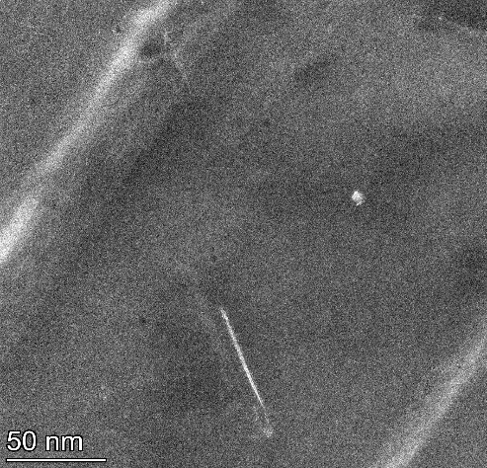
1722
 |  |  | 55.555
 |  |  | 22.848
 |  |  | 13.401
 |  |  | 10.152
 |  |  | 8.98
 |  |  | 7.681
 |  |  | 20.462
 |  |  | 46.195
 |  |  | 41.466
 |  |  | 45.597
 |  |  | 28.444
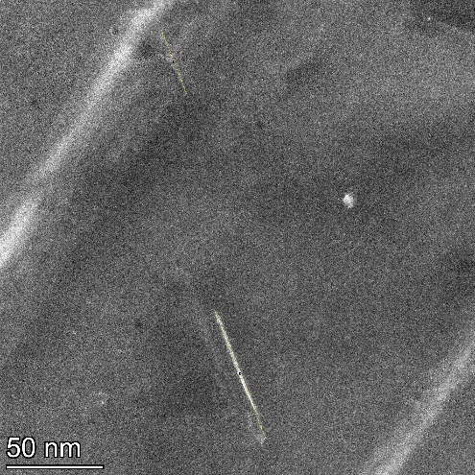
1722-quantified
 |  |  | 50.723
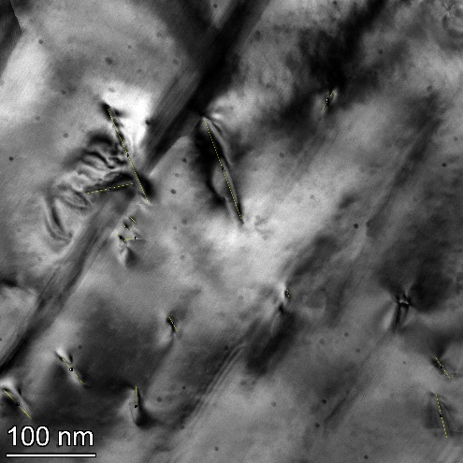
1728-quantified
 |  |  | 24.555

RT_Pristine
 | Bright Field |  | Dark Field
 | Image 1353 | Total of all BF images | Image 1135 | Total of all DF images
Volume (nm3) | 12608720 | 12608720 | 2857680 | 2857680

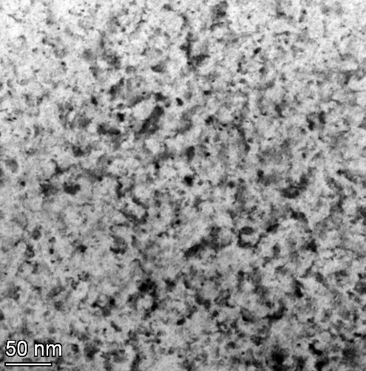
1353
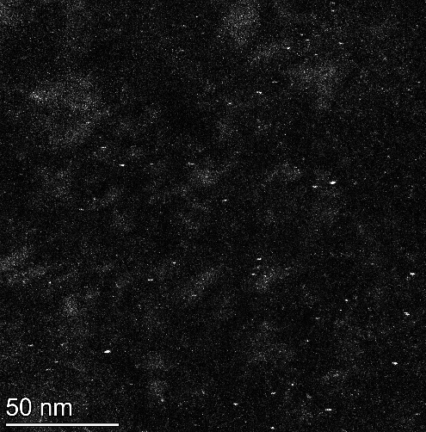
1135
 | 1.55 | 1.55 | 1.487 | 1.487
 | 1.55 | 1.55 | 1.167 | 1.167
 | 1.976 | 1.976 | 0.665 | 0.665
 | 1.55 | 1.55 | 0.994 | 0.994
 | 12.312 | 12.312 | 0.413 | 0.413
 | 3.125 | 3.125 | 1.305 | 1.305
 | 2.087 | 2.087 | 0.941 | 0.941
 | 1.163 | 1.163 | 1.521 | 1.521
 | 1.163 | 1.163 | 1.476 | 1.476
 | 3.027 | 3.027 | 0.941 | 0.941
 | 1.55 | 1.55 | 2.03 | 2.03
 | 1.226 | 1.226 | 1.167 | 1.167
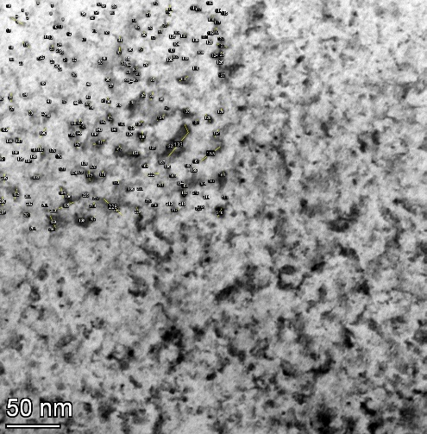
1353-quantified
 | 1.938 | 1.938 | 1.476 | 1.476

1135-quantified
 | 1.938 | 1.938 | 1.845 | 1.845
 | 8.065 | 8.065 | 1.107 | 1.107
 | 1.226 | 1.226 | 0.738 | 0.738
 | 1.938 | 1.938 | 1.292 | 1.292
 | 2.326 | 2.326 | 1.854 | 1.854
 | 1.55 | 1.55 | 2.609 | 2.609
 | 0.867 | 0.867 | 1.65 | 1.65
 | 1.598 | 1.598 | 0.761 | 0.761
 | 1.598 | 1.598 | 1.292 | 1.292
 | 5.039 | 5.039 | 2.399 | 2.399
 | 3.656 | 3.656 | 1.75 | 1.75
 | 1.938 | 1.938 | 1.854 | 1.854
 | 2.087 | 2.087 | 1.107 | 1.107
 | 1.938 | 1.938 | 1.487 | 1.487
 | 1.226 | 1.226 | 1.521 | 1.521
 | 2.451 | 2.451 | 1.122 | 1.122
 | 2.713 | 2.713 | 1.292 | 1.292
 | 1.938 | 1.938 | 0.761 | 0.761
 | 2.26 | 2.26 | 0.923 | 0.923
 | 1.976 | 1.976 | 1.305 | 1.305
 | 1.733 | 1.733 | 0.369 | 0.369
 | 7.752 | 7.752 | 0.369 | 0.369
...

900C_Pristine
 | Bright Field |  |  | Dark Field
 | Image 1540 | Image 1544 | Total of all BF images | Image 1551 | Image 1555 | Total of all DF images
Volume (nm3) | 7442000 | 7442000 | 14884000 | 4841280 | 4880720 | 9722000

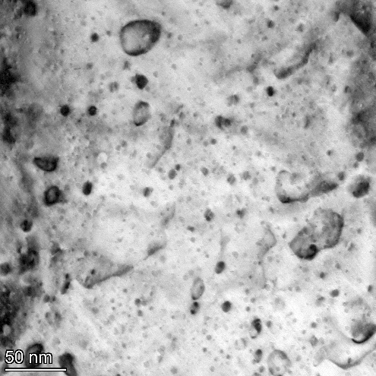
1540
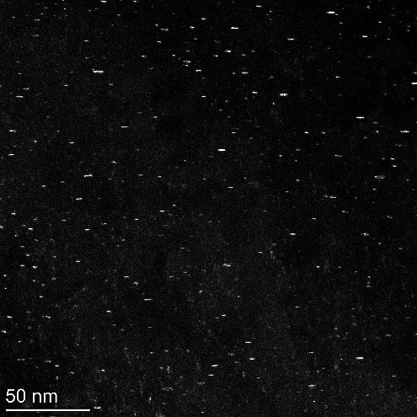
1551
 | 11.296 | 2.381 | 11.296 | 1.562 | 3.872 | 1.562
 | 3.614 | 5.982 | 3.614 | 0.969 | 0.54 | 0.969
 | 3.177 | 12.56 | 3.177 | 1.562 | 4.855 | 1.562
 | 8.426 | 10.718 | 8.426 | 0.361 | 2.174 | 0.361
 | 18.927 | 15.303 | 18.927 | 0.481 | 2.187 | 0.481
 | 21.687 | 12.63 | 21.687 | 0.841 | 3.382 | 0.841
 | 8.455 | 6.306 | 8.455 | 2.55 | 2.899 | 2.55
 | 2.108 | 15.999 | 2.108 | 3.254 | 2.428 | 3.254
 | 1.905 | 13.947 | 1.905 | 1.255 | 2.939 | 1.255
 | 4.84 | 1.518 | 4.84 | 1.202 | 1.947 | 1.202
 | 1.763 | 2.662 | 1.763 | 2.655 | 3.655 | 2.655
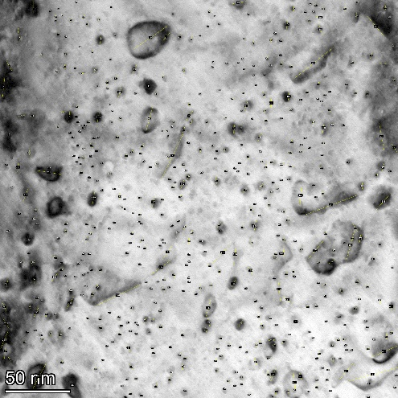
1540-quantified
 | 2.748 | 1.786 | 2.748 | 1.082 | 1.449 | 1.082

1551-quantified
 | 2.769 | 0.842 | 2.769 | 0.991 | 1.947 | 0.991
 | 2.694 | 1.19 | 2.694 | 0.496 | 1.947 | 0.496
 | 2.294 | 0.893 | 2.294 | 1.082 | 1.469 | 1.082
 | 2.048 | 0.595 | 2.048 | 3.368 | 1.691 | 3.368
 | 1.205 | 3.571 | 1.205 | 1.721 | 2.701 | 1.721
 | 1.601 | 1.488 | 1.601 | 2.047 | 1.208 | 2.047
 | 31.414 | 4.845 | 31.414 | 3.504 | 2.463 | 3.504
 | 8.658 | 2.695 | 8.658 | 2.924 | 3.149 | 2.924
 | 3.627 | 1.19 | 3.627 | 0.721 | 1.932 | 0.721
 | 3.327 | 2.267 | 3.327 | 1.567 | 4.596 | 1.567
 | 2.41 | 1.603 | 2.41 | 1.202 | 2.701 | 1.202
 | 1.958 | 3.287 | 1.958 | 1.462 | 2.187 | 1.462
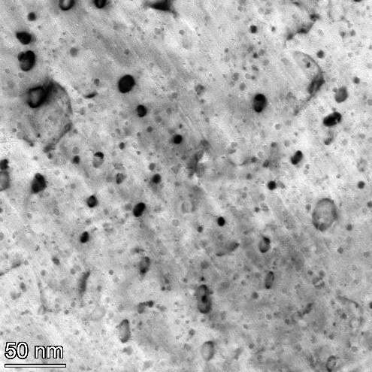
1544
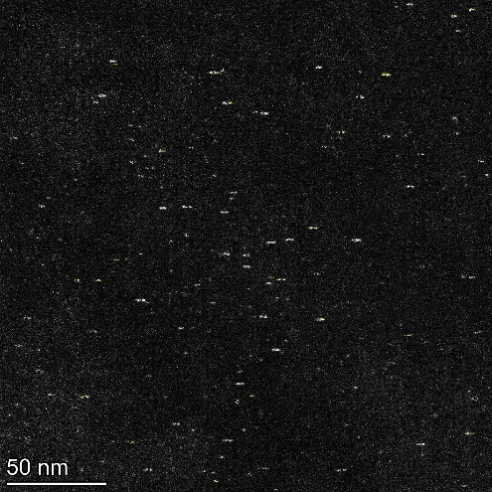
1555
 | 2.108 | 2.454 | 2.108 | 2.885 | 2.668 | 2.885
 | 1.807 | 1.786 | 1.807 | 1.819 | 2.668 | 1.819
 | 1.364 | 2.808 | 1.364 | 0.721 | 1.947 | 0.721
 | 1.355 | 2.991 | 1.355 | 1.322 | 1.469 | 1.322
 | 12.554 | 0.893 | 12.554 | 1.226 | 2.463 | 1.226
 | 1.483 | 2.381 | 1.483 | 1.108 | 1.691 | 1.108
 | 3.046 | 1.073 | 3.046 | 1.202 | 2.428 | 1.202
 | 2.694 | 1.263 | 2.694 | 3.624 | 2.428 | 3.624
 | 2.108 | 0.842 | 2.108 | 1.184 | 1.708 | 1.184
 | 1.287 | 1.331 | 1.287 | 2.885 | 3.39 | 2.885
 | 1.506 | 2.991 | 1.506 | 0.969 | 4.355 | 0.969
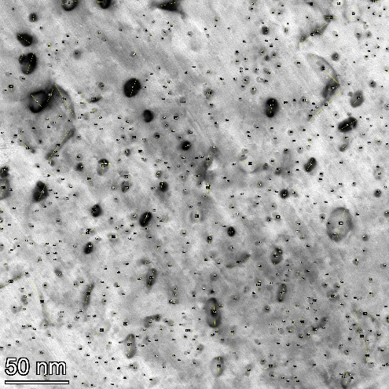
1544-quantified
 | 2.156 | 1.996 | 2.156 | 3.854 | 3.177 | 3.854

1555-quantified
 | 2.259 | 1.603 | 2.259 | 2.669 | 3.623 | 2.669
 | 1.506 | 3.811 | 1.506 | 1.208 | 1.208 | 1.208
 | 3.664 | 1.684 | 3.664 | 0.969 | 2.909 | 0.969
 | 3.987 | 0.893 | 3.987 | 0.806 | 2.174 | 0.806
 | 10.242 | 2.976 | 10.242 | 1.447 | 3.872 | 1.447
 | 2.108 | 2.744 | 2.108 | 1.807 | 2.187 | 1.807
 | 6.669 | 5.725 | 6.669 | 1.082 | 2.227 | 1.082
 | 2.299 | 5.274 | 2.299 | 0.991 | 1.208 | 0.991
 | 3.464 | 1.518 | 3.464 | 2.527 | 1.708 | 2.527
 | 6.116 | 5.357 | 6.116 | 0.731 | 2.174 | 0.731
 | 1.096 | 4.209 | 1.096 | 0.991 | 2.428 | 0.991
 | 1.287 | 2.976 | 1.287 | 5.29 | 1.932 | 5.29
 | 2.428 | 2.991 | 2.428 | 1.927 | 2.939 | 1.927
 | 2.897 | 1.073 | 2.897 | 1.721 | 1.758 | 1.721
 | 2.414 | 7.167 | 2.414 | 1.027 | 2.187 | 1.027
 | 2.711 | 2.454 | 2.711 | 1.567 | 1.449 | 1.567
 | 1.483 | 8.631 | 1.483 | 0.85 | 1.232 | 0.85
 | 1.483 | 8.677 | 1.483 | 3.854 | 3.416 | 3.854
 | 2.021 | 12.404 | 2.021 | 3.846 | 2.668 | 3.846
 | 2.021 | 1.518 | 2.021 | 0.481 | 3.223 | 0.481
 | 1.205 | 1.331 | 1.205 | 3.207 | 4.355 | 3.207
 | 0.753 | 3.064 | 0.753 | 1.208 | 2.701 | 1.208
...

