RefusalCodes
# | Name | Precondition | Objective | Priority | Component | Execution Type | Sanity/ Regression | Test case Type | Test Script (Step-by-Step) - Step | Test Script (Step-by-Step) - Expected Result | Test Data with Status | Status | Defect | Comment
1 | AWP_CC_DIRECT_Registered_REFUSAL_CODES | 1. The customer is not logged in and has an item in the shopping bag 2. The customer is on the billing page having entered valid shipping data | Verify that the customer is able to successfully complete the checkout using a Credit Card | Medium | C - Order Management | Manual | Regression | Functional | Customer selects the 'Credit Card' option from the list of Payment Options on the billing page | Fields to enter the Credit Card details are displayed. | 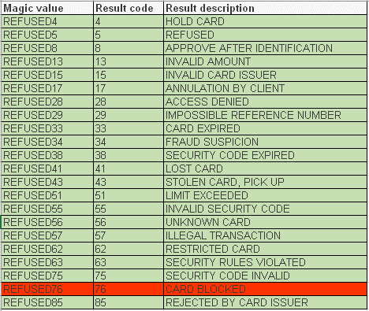 | Pass
 |  |  |  |  |  |  |  |  | Enter the Test Card Number for various card types: American Express: 343434343434343 Maestro: 6759649826438450 MasterCard: 5555555555554444, 5454545454545454 and 2221000000000009 Visa: 4444333322221111, 4911830000000 and 4917610000000000 Visa Electron (UK only): 4917300800000000 MasterCard Debit: 5163613613613610 Visa Debit: 4462030000000000 and 4917610000000000003 NB: Use different card for different <Magic value> | Customer is able to successfully enter the card number in the Card Number field
 |  |  |  |  |  |  |  |  | Enter the name as defined in the <Magic value> column of the test data in the 'Name on Card' field, CVV code in the CVV field - 4 digits for AMEX and 3 digits for the rest and valid expiry date, place the order and verify the response in service_worldpay log file of current date in BM CVV: Any number NB: Run for all the <Magic value> | User is not allowed to place the order and is redirected back to payment page with error message Response should return the following: "outcome": "refused", "description": "as defined in the <Result description> column of the test data", "code": "as defined in the <Result code> column of the test data"
 |  |  |  |  |  |  |  |  | Navigate to WP console test mode and verify that the order, payment are listed with appropriate status | Order, payment are listed with appropriate status
 |  |  |  |  |  |  |  |  | Navigate to BM > Orders & verify the order status | Order status should be: Order Status: FAILED Payment Status: NOT PAID Export Status: NOT EXPORTED Confirmation Status : NOT CONFIRMED
 |  |  |  |  |  |  |  |  | Verify the order attributes tab for the transaction status | Transaction status should be refused

