Sheet1
Bus single fare cost ( to zone 1)
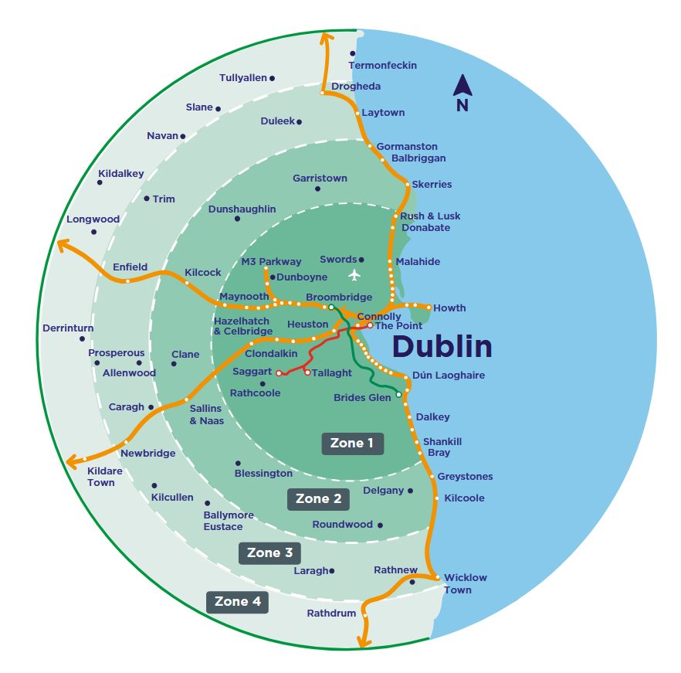
Zone | Adult | Young Adult / Student / Child
Zone 2 | €3.70 | €1.85
Zone 3 | €5.30 | €2.65
Zone 4 | €6.30 | €3.15

Daily train and bus tickets

Zone | Adult | Young Adult / Student | Child
Zone 1 | €6.00 | €3.00 | €1.95
Zone 1 - 2 | €10.00 | €5.00 | €3.30
Zone 1-3 | €14.00 | €7.00 | €4.60
Zone 1-4 | €16.80 | €8.40 | €5.50

Weekly train and bus tickets

Zone | Adult | Young Adult / Student | Child
Zone 1 | €24.00 | €12.00 | €7.80
Zone 1-2 | €32.00 | €16.00 | €10.60
Zone 1-3 | €56.00 | €28.00 | €13.00
Zozne 1-4 | €67.20 | €33.60 | €22.20

Monthly train and bus tickets

Zone | Adult | Young Adult / Student | Child
Zone 1 | €96.00 | €48.00 | €31.70
Zone 1-2 | €140.00 | €70.00 | €46.20
Zone 1-3 | €196.00 | €98.00 | €64.70
Zone 1-4 | €235.20 | €117.60 | €77.70

