Adrastea-I_FeatherWing_HW-V1.0_
Part | Value | NR | MANUFACTURER | COMMENT | HEIGHT | MAT | NR2 | P | PACK | SPG | TOL
C0N2 | LiPoLy-Plug | 1769 | Adafruit |  | 9mm |  |  |  | SMT
C1 | 100nF | 885012205037 | Würth Elektronik |  | 0.5mm | X7R |  |  | 0402 | 16V | 10%
C10 | 10pF | 885012005055 | Würth Elektronik |  | 0.5mm | NP0 |  |  | 0402 | 50V | 5%
C11 | 4.7uF | 885012105008 | Würth Elektronik |  | 0.5mm | X5R |  |  | 0402 | 6.3V | 20%
C12 | 4.7uF | 885012105008 | Würth Elektronik |  | 0.5mm | X5R |  |  | 0402 | 6.3V | 20%
C13 | 4.7uF | 885012105008 | Würth Elektronik |  | 0.5mm | X5R |  |  | 0402 | 6.3V | 20%
C14 | 100nF | 885012205037 | Würth Elektronik |  | 0.5mm | X7R |  |  | 0402 | 16V | 10%
C15 | 10uF | 885012105020 | Würth Elektronik |  | 0.5mm | X5R |  |  | 0402 | 6.3V | 20%
C16 | 10uF | 885012105020 | Würth Elektronik |  | 0.5mm | X5R |  |  | 0402 | 6,3V | 20%
C17 | 1uF | 885012105012 | Würth Elektronik |  | 0.5mm | X5R |  |  | 0402 | 10V | 20%
C18 | 10uF | 885012105020 | Würth Elektronik |  | 0.5mm | X5R |  |  | 0402 | 6,3V | 20%
C19 | 10uF | 885012105020 | Würth Elektronik |  | 0.5mm | X5R |  |  | 0402 | 6,3V | 20%
C2 | 1uF | 885012105012 | Würth Elektronik |  | 0.5mm | X5R |  |  | 0402 | 10V | 20%
C20 | 100nF | 885012205037 | Würth Elektronik |  | 0.5mm | X7R |  |  | 0402 | 16V | 10%
C21 | 100nF | 885012205037 | Würth Elektronik |  | 0.5mm | X7R |  |  | 0402 | 16V | 10%
C22 | 100nF | 885012205037 | Würth Elektronik |  | 0.5mm | X7R |  |  | 0402 | 16V | 10%
C23 | 100nF | 885012205037 | Würth Elektronik |  | 0.5mm | X7R |  |  | 0402 | 16V | 10%
C24 | 27pF | CL05C270JB5NNNC | Samsung |  | 0.5mm | C0G |  |  | 0402 | 50V | 5%
C25 | 100nF | 885012205037 | Würth Elektronik |  | 0.5mm | X7R |  |  | 0402 | 16V | 10%
C26 | 27pF | CL05C270JB5NNNC | Samsung |  | 0.5mm | C0G |  |  | 0402 | 50V | 5%
C27 | 100nF | 885012205037 | Würth Elektronik |  | 0.5mm | X7R |  |  | 0402 | 16V | 10%
C28 | 100nF | 885012205037 | Würth Elektronik |  | 0.5mm | X7R |  |  | 0402 | 16V | 10%
C29 | 100nF | 885012205037 | Würth Elektronik |  | 0.5mm | X7R |  |  | 0402 | 16V | 10%
C3 | 100nF | 885012205037 | Würth Elektronik |  | 0.5mm | X7R |  |  | 0402 | 16V | 10%
C30 | 100nF | 885012205037 | Würth Elektronik |  | 0.5mm | X7R |  |  | 0402 | 16V | 10%
C31 | 100nF | 885012205037 | Würth Elektronik |  | 0.5mm | X7R |  |  | 0402 | 16V | 10%
C32 | 100nF | 885012205037 | Würth Elektronik |  | 0.5mm | X7R |  |  | 0402 | 16V | 10%
C33 | 100nF | 885012205037 | Würth Elektronik |  | 0.5mm | X7R |  |  | 0402 | 16V | 10%
C34 | 100nF | 885012205037 | Würth Elektronik |  | 0.5mm | X7R |  |  | 0402 | 16V | 10%
C35 | 100nF | 885012205037 | Würth Elektronik |  | 0.5mm | X7R |  |  | 0402 | 16V | 10%
C36 | 100nF | 885012205037 | Würth Elektronik |  | 0.5mm | X7R |  |  | 0402 | 16V | 10%
C37 | 100nF | 885012205037 | Würth Elektronik |  | 0.5mm | X7R |  |  | 0402 | 16V | 10%
C38 | 100nF | 885012205037 | Würth Elektronik |  | 0.5mm | X7R |  |  | 0402 | 16V | 10%
C39 | 10uF | 885012106031 | Wurth Elektronik |  | 0.8mm | X5R |  |  | 0603 | 25V | 10%
C4 | 100nF | 885012205037 | Würth Elektronik |  | 0.5mm | X7R |  |  | 0402 | 16V | 10%
C40 | 100nF | 885012205037 | Würth Elektronik |  | 0.5mm | X7R |  |  | 0402 | 16V | 10%
C41 | 47µF | 885012107006 | Wurth Elektronik |  | 1.25mm | X7R |  |  | 0805 | 6.3V | 20%
C46 | n.m. | n.m. | n.m. |  | 0.5mm |  |  |  | 0402
C47 | n.m. | n.m. | n.m. |  | 0.5mm |  |  |  | 0402
C48 | 100pF | 885012005061 | Würth Elektronik |  | 0.5mm | NP0 |  |  | 0402 | 50V | 5%
C49 | 100pF | 885012005061 | Würth Elektronik |  | 0.5mm | NP0 |  |  | 0402 | 50V | 5%
C5 | 10uF | 885012105020 | Würth Elektronik |  | 0.5mm | X5R |  |  | 0402 | 6,3V | 20%
C50 | n.m. | n.m. | n.m. |  | 0.5mm |  |  |  | 0402
C51 | n.m. | n.m. | n.m. |  | 0.5mm |  |  |  | 0402
C55 | 100nF | 885012205037 | Würth Elektronik |  | 0.5mm | X7R |  |  | 0402 | 16V | 10%
C56 | n.m. | n.m. | n.m. |  | 0.5mm |  |  |  | 0402
C6 | 100nF | 885012205037 | Würth Elektronik |  | 0.5mm | X7R |  |  | 0402 | 16V | 10%
C7 | 4.7uF | 885012105008 | Würth Elektronik |  | 0.5mm | X5R |  |  | 0402 | 6.3V | 20%
C8 | 10pF | 885012005055 | Würth Elektronik |  | 0.5mm | NP0 |  |  | 0402 | 50V | 5%
C9 | 1uF | 885012105012 | Würth Elektronik |  | 0.5mm | X5R |  |  | 0402 | 10V | 20%
CON1 | Micro_USB | 629105150521 | Würth Elektronik | Use selective soldering see picture below | 2.66mm |  |  |  | SMT/THT
CON3 | Nano Simcard | 693043020611 | Würth Elektronik |  | 1,2mm |  |  |  | SMT
CON4 | 636101111001 | 636101111001 | Würth Elektronik |  | 1,25mm |  |  |  | SMT
CON5 | 636101111001 | 636101111001 | Würth Elektronik |  | 1,25mm |  |  |  | SMT
D1 | n.m. | n.m. | n.m. |  | N/A |  |  |  | SMT
D2 | n.m. | n.m. | n.m. |  | N/A |  |  |  | SMT
D3 | 8231706A | 8231706A | Würth Elektronik |  | 0.6mm |  |  |  | SMT
D4 | 8231706A | 8231706A | Würth Elektronik |  | 0.6mm |  |  |  | SMT
D5 | DFLS130L-7 | DFLS130L-7 | diodes inc |  | 1mm |  |  |  | 123-2
D6 | BAT540402_X1-DFN1006-2 | BAT54LP-7 | Diodes Inc. |  | 0.5mm |  |  |  | 0402
D7 | DFLS130L-7 | DFLS130L-7 | diodes inc |  | 1mm |  |  |  | 123-2
D8 | DFLS130L-7 | DFLS130L-7 | diodes inc |  | 1mm |  |  |  | 123-2
F1 | ERB-RD1R50X | ERB-RD1R50X | Panasonic |  | 0.5mm |  |  |  | 0402
IC1 | WIRL-CELL-2615011136000 | 2615011136000 | Wuerth Elektronik |  | 1.85mm
IC2 | TLV1117LV18DCY | TLV1117LV18DCY | Texas Instruments |  | 1.6mm |  | LM1117MPX-18N0PB |  | SMT
IC3 | FT4232H-56Q | FT4232H-56Q | FTDI |  | 0.9mm
IC4 | TLV1117LV33DCY | TLV1117LV33DCY | Texas Instruments |  | 1.6mm |  |  |  | SMT
IC5 | SN74AVC4T245PWR | SN74AVC4T245PWR | Texas Instruments |  | 1.2mm |  |  |  | SMT
IC6 | 82400152 | 82400152 | Würth Elektronik |  | 0.55m |  |  |  | SMT
IC7 | MCP73831T-2ACI/OT | MCP73831T-2ACI/OT | microchip |  | 1,3mm |  |  |  | SOT-23
IC8 | SN74AVC4T245PWR | SN74AVC4T245PWR | Texas Instruments |  | 1.2mm |  |  |  | SMT
IC9 | TXS0108EPWR | TXS0108EPWR | Texas Instruments |  | 1,2mm |  |  |  | TSSOP-20
L1 | 742792625 | 742792625 | Würth Elektronik |  | 0.8mm |  |  |  | 0603 |  | 25%
L2 | 7427927311 | 7427927311 | Würth Elektronik |  | 0.5mm |  |  |  | 0402 |  | 0.3nH
L3 | 7427927311 | 7427927311 | Würth Elektronik |  | 0.5mm |  |  |  | 0402 |  | 0.3nH
L4 | 7427927311 | 7427927311 | Würth Elektronik |  | 0.5mm |  |  |  | 0402 |  | 0.3nH
LED1 | Red | 155124RS73200 | würth elektronik |  | 1,5mm |  |  |  | 1204
LED2 | Blue | 155124BS73200 | würth elektronik |  | 1,5mm |  |  |  | 1204
LED3 | Yellow | 155124YS73200 | würth elektronik |  | 1,5mm |  |  |  | 1204
MS1 | header:1 x 12 & 1 x 16 | 2830 | Adafruit | Kit containing 2 headers shall be soldered on top. See picture below
Q1 | 12MHz/±20 ppm | 830070868 | Würth Elektronik |  | 0.8mm |  |  |  | SMT
R1 | 2.2k | RC0402FR-072K2L | Yageo |  | 0.35mm |  |  | 0.063W | 0402 |  | 1%
R10 | 10R | RC0402FR-0710RL | Yageo |  | 0.35mm |  |  | 0.063W | 0402 |  | 1%
R11 | 10R | RC0402FR-0710RL | Yageo |  | 0.35mm |  |  | 0.063W | 0402 |  | 1%
R12 | 12k | RC0402FR-0712KL | Yageo |  | 0.35mm |  |  | 1/16W | 0402 |  | 1%
R13 | 1k | RC0402FR-071KL | Yageo |  | 0.35mm |  |  | 0.063W | 0402 |  | 1%
R14 | 10R | RC0402FR-0710RL | Yageo |  | 0.35mm |  |  | 0.063W | 0402 |  | 1%
R15 | 10R | RC0402FR-0710RL | Yageo |  | 0.35mm |  |  | 0.063W | 0402 |  | 1%
R16 | n.m. |  |  |  | 0.35mm |  |  |  | 0402
R17 | n.m. |  |  |  | 0.35mm |  |  |  | 0402
R18 | 10R | RC0402FR-0710RL | Yageo |  | 0.35mm |  |  | 0.063W | 0402 |  | 1%
R19 | 10R | RC0402FR-0710RL | Yageo |  | 0.35mm |  |  | 0.063W | 0402 |  | 1%
R2 | 0R | RC0603JR-070RL | Yageo |  | 0.45mm |  |  | 1/10W | 0603 |  | 1%
R20 | 100k | RC0402FR-07100KL | Yageo |  | 0.35mm |  |  |  | 0402 |  | 1%
R22 | 10R | RC0402FR-0710RL | Yageo |  | 0.35mm |  |  | 0.063W | 0402 |  | 1%
R23 | 10R | RC0402FR-0710RL | Yageo |  | 0.35mm |  |  | 0.063W | 0402 |  | 1%
R24 | 10R | RC0402FR-0710RL | Yageo |  | 0.35mm |  |  | 0.063W | 0402 |  | 1%
R25 | 10R | RC0402FR-0710RL | Yageo |  | 0.35mm |  |  | 0.063W | 0402 |  | 1%
R3 | 2.2k | RC0402FR-072K2L | Yageo |  | 0.35mm |  |  | 1/16W | 0402 |  | 1%
R34 | 0R | RC0402FR-070RL | Yageo |  | 0.35mm |  |  | 1/16W | 0402 |  | 5%
R35 | 0R | RC0402FR-070RL | Yageo |  | 0.35mm |  |  | 1/16W | 0402 |  | 5%
R4 | 0R | RC0603JR-070RL | Yageo |  | 0.45mm |  |  | 1/10W | 0603 |  | 1%
R42 | 100R | RC0402FR-07100RL | Yageo |  | 0.35mm |  |  | 0.063W | 0402 |  | 1%
R43 | 1k | RC0402FR-071KL | Yageo |  | 0.35mm |  |  | 1/16W | 0402 |  | 1%
R5 | 4k7R | RC0402FR-074K7L | Yageo |  | 0.35mm |  |  | 0.063W | 0402 |  | 1%
R6 | 5k1R | RC0402FR-075K1L | Yageo |  | 0.35mm
R7 | 100k | RC0402FR-07100KL | Yageo |  | 0.35mm |  |  |  | 0402 |  | 1%
R8 | 100k | RC0402FR-07100KL | Yageo |  | 0.35mm |  |  | 1/16W | 0402 |  | 1%
R9 | 10k | RC0402FR-0710KL | Yageo |  | 0.35mm |  |  | 1/16W | 0402 |  | 1%
S1 | WS-TASU | 434331013822 | Würth Elektronik |  | 1,35mm |  |  |  | SMT
S2 | WS-TASU | 434331013822 | Würth Elektronik |  | 1,35mm |  |  |  | SMT
T1 | BSS138 | BSS138 | ON seminconductor |  | 1.1mm |  |  |  | TO-236-3 Micross
PCB | 80 x 22.86 mm FR4 4-Layer | 261503933xxxx_HW-V2_PCB.pdf | Eileen & Jason

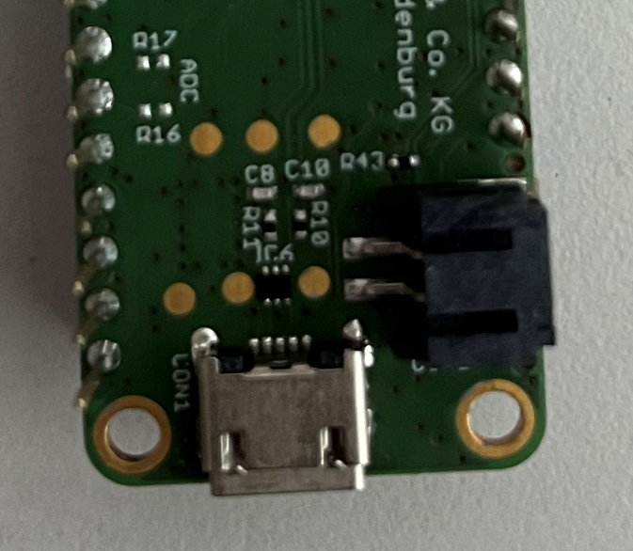
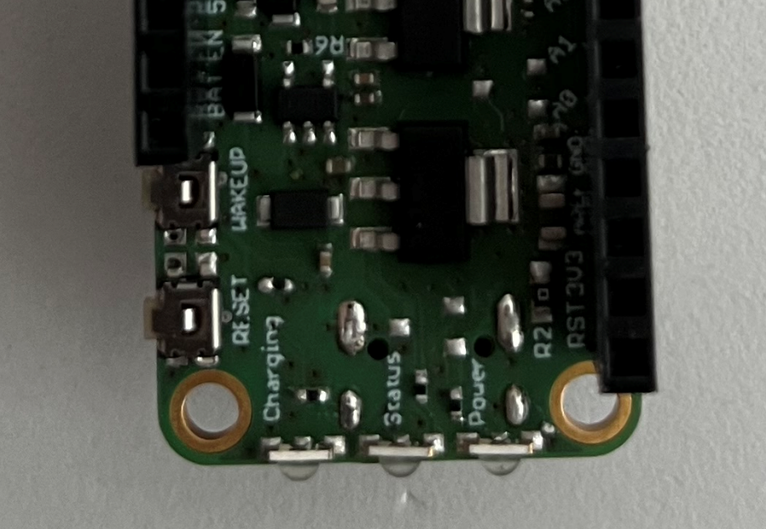
Selective soldering for USB connector
Top
Bottom

MS1 Soldering
Top

