260116710XXXX-HW-V1.0-BOM
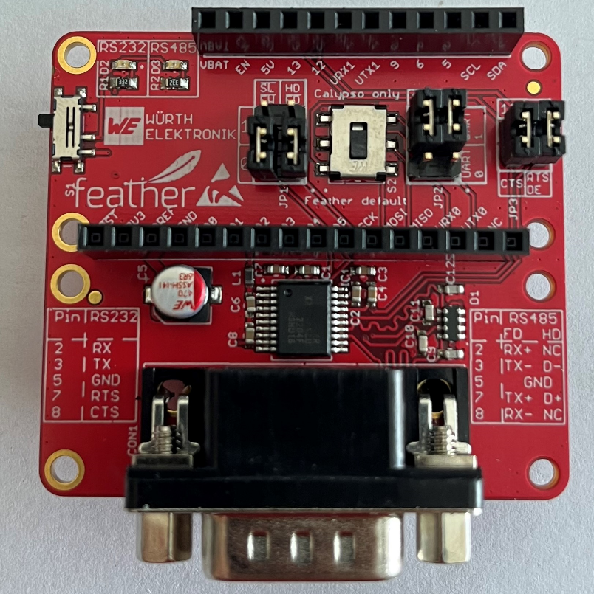
Part | Value | NR | MANUFACTURER | Description | COMMENT | HEIGHT | PACK | TOL
C1 | 100 nF | 885012206020 | Wurth Elektronik | WCAP-CSGP MLCCs 0603 |  | 0.8mm | SMT
C2 | 100 nF | 885012206020 | Wurth Elektronik | WCAP-CSGP MLCCs 0603 |  | 0.8mm | SMT
C3 | 100 nF | 885012206020 | Wurth Elektronik | WCAP-CSGP MLCCs 0603 |  | 0.8mm | SMT
C4 | 100 nF | 885012206020 | Wurth Elektronik | WCAP-CSGP MLCCs 0603 |  | 0.8mm | SMT
C5 | 47µF | 865230142003 | Wurth Elektronik | WCAP-AS5H Aluminium Electrolytic Capacitors |  |  | SMT
C6 | 100 nF | 885012206020 | Wurth Elektronik | WCAP-CSGP MLCCs 0603 |  | 0.8mm | SMT
C7 | 100 nF | 885012206020 | Wurth Elektronik | WCAP-CSGP MLCCs 0603 |  | 0.8mm | SMT
C8 | 100 nF | 885012206020 | Wurth Elektronik | WCAP-CSGP MLCCs 0603 |  | 0.8mm | SMT
C9 | 33pF | 885012006035 | Wurth Elektronik | WCAP-CSGP MLCCs 0603 |  | 0.8mm | SMT
C10 | 33pF | 885012006035 | Wurth Elektronik | WCAP-CSGP MLCCs 0603 |  | 0.8mm | SMT
C11 | 33pF | 885012006035 | Wurth Elektronik | WCAP-CSGP MLCCs 0603 |  | 0.8mm | SMT
C12 | 33pF | 885012006035 | Wurth Elektronik | WCAP-CSGP MLCCs 0603 |  | 0.8mm | SMT
CON1 | D-SUB 9 | 618009231221 | Wurth Elektronik | WR-DSUB 8.08 mm Male Angled PCB Connector w. Hex Screw |  |  | THT
D1 | 18V | 82380180121 | Wurth Elektronik | WE-VEA ESD Suppressor-Array |  |  | SMT
D2 | Amber | 150060AS75000 | Wurth Elektronik | WL-SMCW SMT Mono-color Chip LED Waterclea |  |  | SMT
D3 | Amber | 150060AS75000 | Wurth Elektronik | WL-SMCW SMT Mono-color Chip LED Waterclea |  |  | SMT
IC1 | XR3160ECU-F | XR3160ECU-F | MaxLinear |  |  |  | SMT
JP1 | 61300621121 | 61300621121 | Wurth Elektronik | WR-PHD 2.54 mm THT Dual Pin Header Jumper on PIN 1&3 and PIN 2&4 | Set jumper on PIN 1&3 and PIN 2&4 |  | THT
JP2 | 61300621121 | 61300621121 | Wurth Elektronik | WR-PHD 2.54 mm THT Dual Pin Header Jumper on PIN 3&5 and PIN 4&6 | Set jumper on PIN 3&5 and PIN 4&6 |  | THT
JP3 | 61300421121 | 61300421121 | Wurth Elektronik | WR-PHD 2.54 mm THT Dual Pin Header Jumper on PIN 1&2 and PIN 3&4 | Set jumper on PIN 1&2 and PIN 3&4 |  | THT
L1 | 2200Ohm@100 MHz | 742792693 | Wurth Elektronik | WE-CBF SMD EMI Suppression Ferrite Bead |  |  | SMT
MS1 | FEATHERWING_WIDE | 2830 | Adafruit |  | Kit containing 2 headers |  | THT
R1 | 3k3R | RC0603FR-073K3L | Yageo | RESISTOR, European symbol |  |  | SMT | 1%
R2 | 3k3R | RC0603FR-073K3L | Yageo | RESISTOR, European symbol |  |  | SMT | 1%
S1 | SPDT | 450404015514 | Wurth Elektronik | WS-SLSU Mini Slide Switch, Same Side Connection Side Push 6.7x2.7 mm |  |  | SMT
S2 | DPDT | 452403012014 | Wurth Elektronik | WS-SLSV |  |  | SMT
PCB | 45.72 x 50.8 mm FR4 4-Layer | see 260116710XXXX-HW-V2_pcb.pdf | Eileen & Jason

