VF_Arch
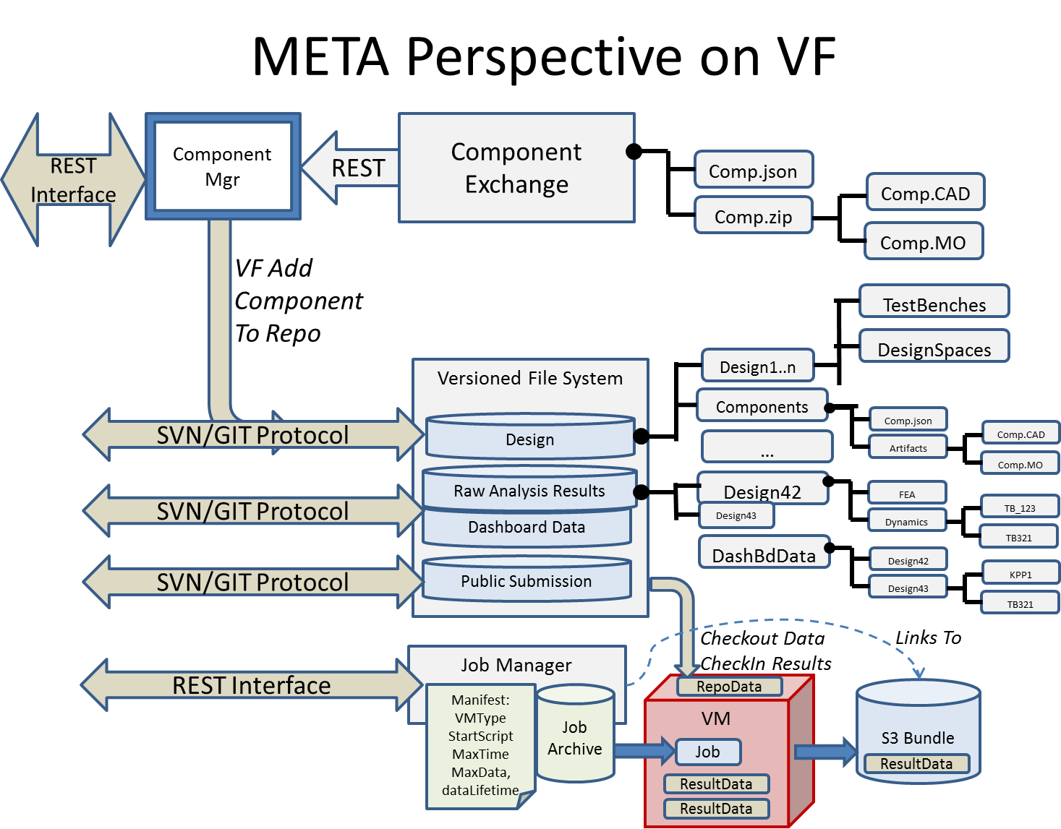

Action Items
 | Define standard project repo configuration
 | Definedirectory structures for Design Repo
 | Define directory structures for RAW analysis data, Dashboard data
 | Define Directory structures for Public submission
 | Define REST interface for job manager
 | Define Manifest for Job submissoin
 | Define Directory structure for output data
 | Define manager for S3 bundle
 | Define component exchange mechanism and facilities

WBS Items | Capability | Tasks
VF.CX | Component management on VF, Search, Links, … | Define all capabilities.
VF.CM | Copy component to users design repository | Define directory struc of repo

VF.JM | Job Manager for user submitted jobs

 | Ontology Plan:
 | Use Ricardo SysML to create ~300 Flat Component Classes
 | Use Ricardo Modelica Components to Create X Flat Component Classes

Vignettes
 | Thread List |  | Vignette: Start A Project, Build a Team, Prepare Tools and Initial Design
 |  | Purpose: Start your team on VehicleForge, using a Seed Design, and Load into Local Workstation using tools
ST1 | Download META-X Tools from VF | End State: Seed Design is Ready to Go on All Team Member Workstations
ST2 | Install META-X Tools on User Workstation | Steps:
 |  | 1 | SV1: Start Project on Vehicle Forge, Set Up Repository/Project Tools
SV1 | Create New Project on VF | 2 | SV2:Register Teammates for Team
SV2 | Build Team on VF | 3 | ST1,ST2:Set up tools on local Workstations
SV3 | Branch Project Design | 4 | CD1:Select a Seed Design, Put it into the Team Repo on VF
SV4 | Merge Project Design | 5 | (automatic) Get all included Components into Team Repo on VF
SV5 | Author a component on VF for Component Exchange | 6 | Get current project into META X tool on local workstation
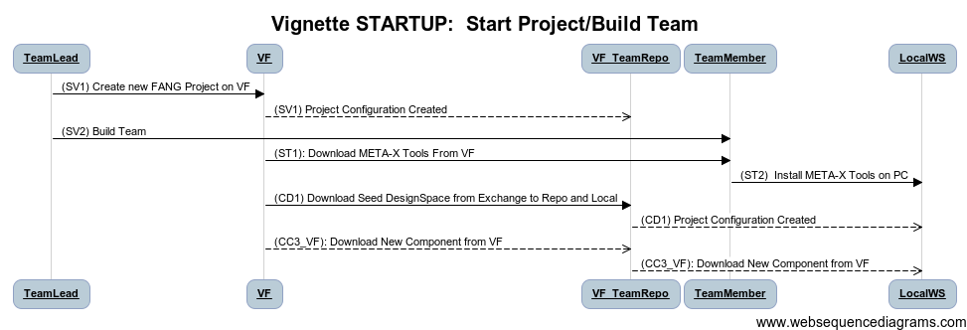
SV6 | Create Component Ontology Node

GN1 | Collaboratively View Design/Design Space
GN10 | Vehicle Forge Notifications | title Vignette STARTUP: Start Project/Build Team

 |  | TeamLead->VF: (SV1) Create new FANG Project on VF
CC1 | Create a new META component in CyPhy and upload to project | VF-->VF_TeamRepo: (SV1) Project Configuration Created
CC2 | Update an existing META component in CyPhy and upload to project | TeamLead->TeamMember: (SV2) Build Team
CC3_VF | Download a new component from VF | VF->TeamMember: (ST1): Download META-X Tools From VF
CC3a | ALT: Download a new component from VF | TeamMember->LocalWS:(ST2) Install META-X Tools on PC
CC3b | ALT: Download a new component from VF | VF->VF_TeamRepo: (CD1) Download Seed DesignSpace from Exchange to Repo and Local
CC4 | Download and Update an existing component in Local project | VF_TeamRepo-->LocalWS: (CD1) Project Configuration Created
CC5 | Update CAD for Existing Component | VF-->VF_TeamRepo: (CC3_VF): Download New Component from VF
CC6 | Update Modelica for Existing Component | VF_TeamRepo-->LocalWS: (CC3_VF): Download New Component from VF

CD1 | Download Design Space from VF Repo
CD2 | Update Design Space from VF Repo
CD3 | Upload Design Space to VF

 |  | Title: | Vignette: Modify System Design By Adding A New Component, Evaluate Changes Impact on KPPs
CD5 | Addition of Components to Design Point / Design Space | Purpose: Change the design and evaluate KPP's
CD6 | Addition of Sybsystems to Design Point / Design Space | End State: "Better" design, proven by analysis
CD7 | Update Design Space to VF | Steps:
CD8 | Create Subdesign From DesignSpace Tree For Independent Development | 1 | CD2: Update/Download Design Space from VF Repo (IF Needed)
CD9 | Merge Subdesign To Design Space from Independent Development | 2 | (OPT) Vignette XYZ: Conceptual Component Development |  |  | Should add searching activities
 |  | 3 | SV9: Search/Find Component in VF |  |  | Could add Create Component: a Surrogate --> Find Component on VF --> Add Component
CT1 | Create a new dynamics testbench and publish to VF | 4 | CD5: Addition of Components to Design Space
CT1.b | Create a new dynamics testbench from Modelica and publish to VF | 4 | CT2: Configure Test Bench for Design Space (Only If Subsystems Impacting TestBenches Changed)
CT2 | Download a new testbench and configure analysis | RPT: 3 | AD1a: Execute Dynamics Testbench Locally
CT3 | Create a Parametric Exploration Testbench |  | AD2a: Visualize Dynamics TestBench Locally
CT4 | Create a PCC Testbench |  | Repeat for Multiple Test Benches
CT5 | Create a FEA Testbench |  | RD1: Visualize Design Space For MAUF
CT6 | Create a QR Testbench
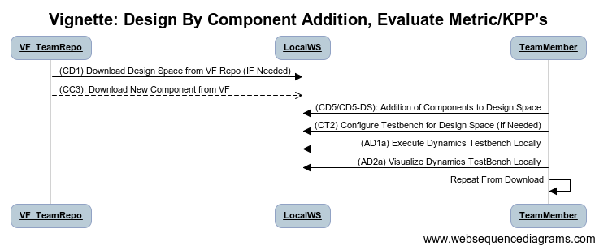
CT7 | Create a RA Testbench
CT8 | Create a Mobility Testbench

CS1 | Create a new idealized controller and publish to VF.
CS2 | Create a new physical computing assembly and publish to VF |  | title Vignette: Design By Component Addition, Evaluate Metric/KPP's
CS3 | Define software component interfaces for idealized controller & publish to VF |  | VF_TeamRepo->LocalWS: (CD1) Download Design Space from VF Repo (IF Needed)
CS4 | Create a deployed controller model and publish to VF
CS5 | Use controllers from VF to create a design. |  | VF_TeamRepo-->LocalWS: (CC3): Download New Component from VF
CS6 | Create a controller component for existing controller code |  | TeamMember->LocalWS: (CD5/CD5-DS): Addition of Components to Design Space
CS7 | Attach an FMU to a controller component
 |  |  | TeamMember->LocalWS: (CT2) Configure Testbench for Design Space (If Needed)

AC1 | Use DESERT to prune and obtain Design Points from Design Space |  | TeamMember->LocalWS: (AD1a) Execute Dynamics Testbench Locally
 |  |  | TeamMember->LocalWS: (AD2a) Visualize Dynamics TestBench Locally
AP1 | Use PET to explore Parametric Space |  | TeamMember->TeamMember: Repeat From Download

AD1a | Execute Dynamics Testbench Locally
AD1b | Execute Dynamics Testbench Remotely (VF)
AD2a | Visualize Results of Local Dynamics Testbench Execution | Title: | Modify System Design By Adding Subsystem or Change Architecture, Evaluate Changes
AD2b | Visualize Results of Remote Dynamics Testbench Execution | Purpose: Change the design and evaluate KPP's
 |  | End State: "Better" design, proven by analysis
AF1a | Execute FEA Testbench Locally | Steps:
AF1b | Execute FEA Testbench Remotely (VF) | 1 | CD2: Update/Download Design Space from VF Repo (IF Needed)
AF2a | Visualize Results of Local FEA Testbench Execution | 2 | CD5: Addition of Components to Design Space
AF2b | Visualize Results of Remote FEA Testbench Execution | 3 | CT2: Configure Test Bench for Design Space (First Time Analysis Only)
 |  | 4 | AD1a: Execute Dynamics Testbench Locally
AS1 | Execute Dynamics Testbench with Ideal implementation of Cyber Components | 4 | AD2a: Visualize Dynamics TestBench Locally
AS2 | Execute Dynamics Testbench with Platform Effects of Cyber Components | RPT: 3 | Repeat for Multiple Test Benches
 |  |  | RD1: Visualize Design Space For MAUF
AX1 | Execute Structural Complexity Evaluator
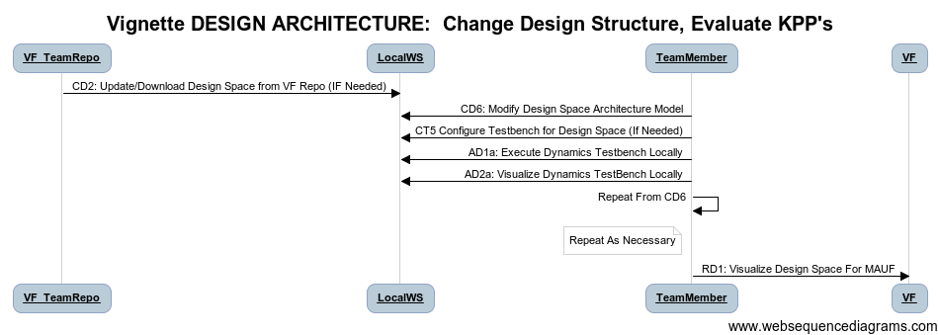
AX2 | Execute Uncertainty Complexity Assessment

AM1 | Execute a Mobility Testbench
AM2 | The user executes a mobility testbench Using Modelica

 |  |  | title Vignette DESIGN ARCHITECTURE: Change Design Structure, Evaluate KPP's
AU1 | Execute PCC Testbench |  | VF_TeamRepo->LocalWS: CD2: Update/Download Design Space from VF Repo (IF Needed)
AU2 | Visualize Results of PCC Execution
 |  |  | TeamMember->LocalWS: CD6: Modify Design Space Architecture Model

VQ1 | Execute a QR Testbench
 |  |  | TeamMember->LocalWS: CT5 Configure Testbench for Design Space (If Needed)
VR1 | Execute a RA Testbench
 |  |  | TeamMember->LocalWS: AD1a: Execute Dynamics Testbench Locally
 |  |  | TeamMember->LocalWS:AD2a: Visualize Dynamics TestBench Locally
RM1 | Submit KPP and Results from Analysis to VF |  | TeamMember->TeamMember: Repeat From CD6
 |  |  | note left of TeamMember: Repeat As Necessary
 |  |  | TeamMember->VF: RD1: Visualize Design Space For MAUF
RD1 | Visualize Design Space & MAUF Ranking of Design against Requirements

MQ1
 |  | Title: | Parallel Team Design
MT1 | Create Manufacturing Technical Data Package, Including CAD Assemblies, BOM, … | Purpose: Enable multiple team members to work on the design simultaneously
 |  | End State: Single model containing evolved design.
 |  | Steps:
 | Vignettes | 1 | CD8: Create Subdesign From DesignSpace Tree For Independent Development | Repeat for each Participant, Collapsing Other Parallel Dev Trees
 |  | 2 | Vignette: Modify System Design by Adding New Component
 | Start A Project, Build a Team, Prepare Tools and Initial Design | 3 | Vignette Modify System Design By Adding Subsystem or Change Architecture, Evaluate Changes
 | Modify System Design By Adding A New Component, Evaluate Changes Impact on KPPs | 4 | CD3: Upload Design Space to VF | (Partial)
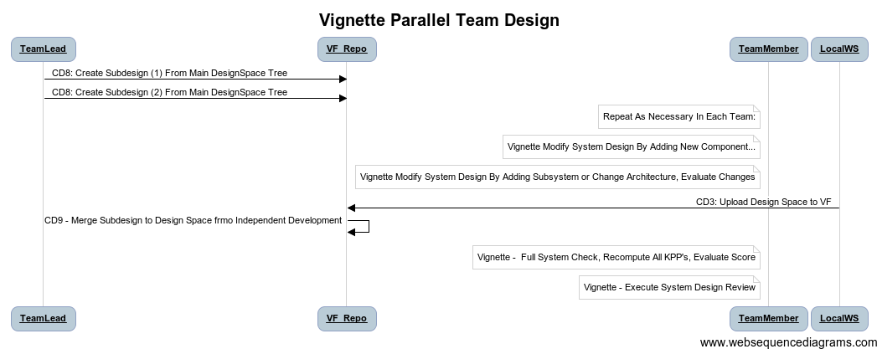
 | Modify System Design By Adding Subsystem or Change Architecture, Evaluate Changes | 5 | CD9 - Merge Subdesign to Design Space frmo Independent Development
 | Parallel Team Design (Subdivide/Merge) | 6 | Vignette - Full System Check, Recompute All KPP's, Evaluate Score
 | Conceptual Component Development Within System Context | 7 | Vignette - Execute System Design Review
 | Explore and Optimize Parameters
 | Full System Check - Recompute All KPP's, Evaluate Score | 1
 |  | 2
 | Check Physical 3D Design | 3
 | Check for Structural Flaws
 | Check for Thermal Interactions |  | title Vignette Parallel Team Design

 |  |  | TeamLead->VF_Repo: CD8: Create Subdesign (1) From Main DesignSpace Tree
 |  |  | TeamLead->VF_Repo: CD8: Create Subdesign (2) From Main DesignSpace Tree
 | Detailed Mechanical Design, Post Analysis |  | note left of TeamMember: Repeat As Necessary In Each Team:
 | Add a custom component in CAD only
 | Add A Custom component in CAD, annotations for META |  | note left of TeamMember: Vignette Modify System Design By Adding New Component...

 | Design Review Via VF Collaboration |  | note left of TeamMember: Vignette Modify System Design By Adding Subsystem or Change Architecture, Evaluate Changes
 | Verify a Design with PCC
 |  |  | LocalWS -> VF_Repo: CD3: Upload Design Space to VF

 |  |  | VF_Repo->VF_Repo: CD9 - Merge Subdesign to Design Space frmo Independent Development
 | Submit Design For Scoring |  | note left of TeamMember: Vignette - Full System Check, Recompute All KPP's, Evaluate Score
 |  |  | note left of TeamMember: Vignette - Execute System Design Review

 |  | Title: | Conceptual Component Development Within System Context
 |  | Purpose: Change the design and evaluate KPP's | Develop specifications for component based on system context
 |  | End State: "Better" design, proven by analysis | Specifications for needed component
 |  | Steps:
 |  | 1 | CD2: Update/Download Design Space from VF Repo (IF Needed) |  | Get Current Design
 |  | 2 | CD1: Create a new META component in CyPhy and upload to project |  | Create A Conceptual Component
 |  | 3 | CD5:Addition of Components to Design Point / Design Space |  | Add it to Architecture
 |  | 4 | CT1:Create a new dynamics testbench and publish to VF |  | Create a Testbench to Assess Properties Of Interest
 |  | 5 | AD1a: Execute Dynamics Testbench Locally |  | Run The Test
 |  | 6 | AD2a:Visualize Results of Local Dynamics Testbench Execution |  | Visualize Results
 |  | 7 | AP1: Use PET to explore Parametric Space |  | Test for a Range Of Parameters, find best settings
 |  | 8 | SV9: Search/Find Component in VF |  | Find a Matching Component
 |  | 9 | CC3:Download a new component from VF |  | Get It from Component Exchange
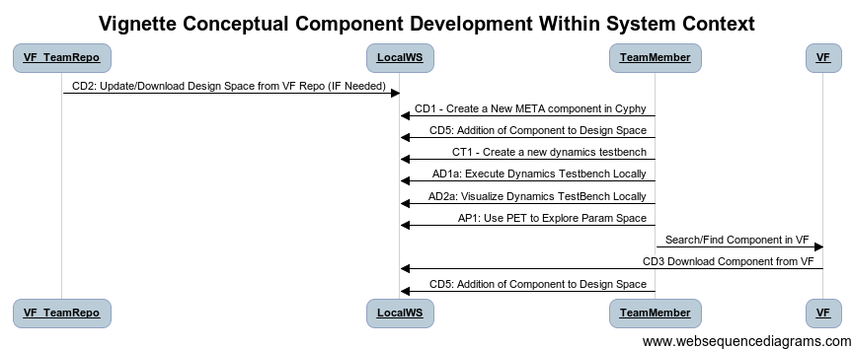
 |  | 10 | CD5:Addition of Components to Design Point / Design Space |  | Put it Into Design
 |  | 11

 |  |  | title Vignette Conceptual Component Development Within System Context
 |  |  | VF_TeamRepo->LocalWS: CD2: Update/Download Design Space from VF Repo (IF Needed)
 |  |  | TeamMember->LocalWS: CD1 - Create a New META component in Cyphy
 |  |  | TeamMember->LocalWS: CD5: Addition of Component to Design Space
 |  |  | TeamMember->LocalWS: CT1 - Create a new dynamics testbench
 |  |  | TeamMember->LocalWS: AD1a: Execute Dynamics Testbench Locally
 |  |  | TeamMember->LocalWS:AD2a: Visualize Dynamics TestBench Locally
 |  |  | TeamMember->LocalWS: AP1: Use PET to Explore Param Space
 |  |  | TeamMember->VF : Search/Find Component in VF
 |  |  | VF->LocalWS: CD3 Download Component from VF
 |  |  | TeamMember->LocalWS: CD5: Addition of Component to Design Space

 |  | Title: | Explore and Optimize Parameters
 |  | Purpose: Change the design and evaluate KPP's | Examine Parametric Space of System, Use to Select Good Parameter Combinations
 |  | End State: "Better" design, proven by analysis | Parameter Values for Critical Components
 |  | Steps:
 |  | 1 | CD2: Update/Download Design Space from VF Repo (IF Needed) |  | Get Current Design
 |  | 2 | CT2: Download and Configure Test Benches |  | Update any tests benches
 |  | 3 | AP1: Use PET to Collect Parameter--> System Data |  | Specify what to vary/domain of parameters
 |  | 4 | (OPT)AP2: Create Surrogate Versions of Component |  | For larger studies, create lightweight versions of key components
 |  | 5 | (OPT) AP1: Use PET to explore Parametric Space |  | Explore another parameter space
 |  | 6 | Vignette: Full System Check

 |  |  | title Vignette Conceptual Component Development Within System Context
 |  |  | VF_TeamRepo->LocalWS: CD2: Update/Download Design Space from VF Repo (IF Needed)
 |  |  | TeamMember->LocalWS: CD1 - Create a New META component in Cyphy (Configurable)
 |  |  | TeamMember->LocalWS: CD5: Addition of Component to Design Space
 |  |  | TeamMember->LocalWS: CT1 - Create a new dynamics testbench
 |  |  | TeamMember->Vig-Exp&OptParms: AP1: Use PET to Explore Param Space
 |  |  | TeamMember->VF : Search/Find Component in VF
 |  |  | VF->LocalWS: CD3 Download Component from VF
 |  |  | TeamMember->LocalWS: CD5: Addition of Component to Design Space

 |  | Title: | Full System Check - Recompute All KPP's, Evaluate Score
 |  | Purpose: Change the design and evaluate KPP's | Execute a set of test benches's for a design point, produce and visualize KPP results vs requirements
 |  | End State: "Better" design, proven by analysis | Parameter Values for Critical Components
 |  | Steps:
 |  | 1 | CD2: Update/Download Design Space from VF Repo (IF Needed) |  | Get Current Design
 |  | 2 | CT2: Download and Configure Test Benches (If Needed) |  | Create A Conceptual Component
 |  | 3 | Configure Testbench workflow |  | Create series of test benches to execute
 |  | 4 | [AUTO] AD1a: Execute TestBench #1..N |  | Run all tests (On Workstation, Local Cluster, or VF Cloud)
 |  | 5 | RM1: Submit Results to VF for Analysis |  | Submit results to VF for Analysis, Collaboration
 |  | 6 | RD1: Visualize Design Space & MAUF Ranking of Design against Requirements |  | Visualize Results
 |  | 7 | [Vignette] Collaborate
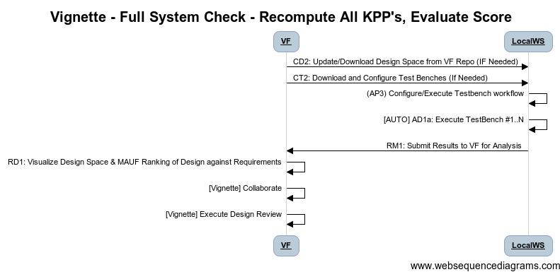
 |  | 8 | [Vignette] Execute Design Review

 |  |  | [Diagram Code]
 |  |  | title Vignette - Full System Check - Recompute All KPP's, Evaluate Score
 |  |  | VF->LocalWS: CD2: Update/Download Design Space from VF Repo (IF Needed)
 |  |  | VF->LocalWS: CT2: Download and Configure Test Benches (If Needed)
 |  |  | LocalWS->LocalWS: (AP3) Configure/Execute Testbench workflow
 |  |  | LocalWS-> LocalWS: [AUTO] AD1a: Execute TestBench #1..N
 |  |  | LocalWS->VF: RM1: Submit Results to VF for Analysis
 |  |  | VF->VF: RD1: Visualize Design Space & MAUF Ranking of Design against Requirements
 |  |  | VF->VF: [Vignette] Collaborate
 |  |  | VF-> VF: [Vignette] Execute Design Review

 |  | Title: | Check Physical 3D Design
 |  | Purpose: Change the design and evaluate KPP's | Perform Check of Design with 3D Tools
 |  | End State: "Better" design, proven by analysis | Series of checks accomplished for a design point
 |  | Steps:
 |  | 1 | CD2: Update/Download Design Space from VF Repo (IF Needed) |  | Get Current Design
 |  | 2 | CT2: Download and Configure Test Benches (If Needed) |  | Create A Conceptual Component
 |  | 3 | TT?: Configure Testbench workflow |  | Create series of test benches to execute
 |  | 4 | MT1: Assemble CAD Model Via Remote Server |  | Run all tests (On Workstation, Local Cluster, or VF Cloud)
 |  | 5 | Adx: Execute CAD Interference & Clearance Check, Import Results |  | Submit results to VF for Analysis, Collaboration
 |  | 6 | AF1: Execute FEA |  | Visualize Results
 |  |  | AF2a: Visualize FEA Results Locally
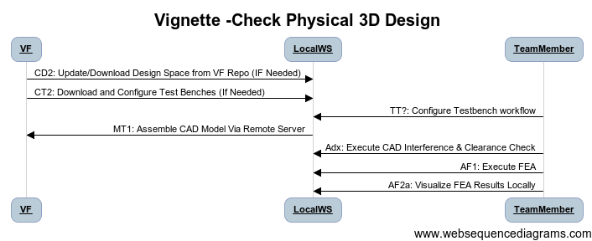

 |  |  | title Vignette -Check Physical 3D Design
 |  |  | VF->LocalWS: CD2: Update/Download Design Space from VF Repo (IF Needed)
 |  |  | VF->LocalWS: CT2: Download and Configure Test Benches (If Needed)
 |  |  | TeamMember->LocalWS: TT?: Configure Testbench workflow
 |  |  | LocalWS->VF: MT1: Assemble CAD Model Via Remote Server
 |  |  | TeamMember->LocalWS: Adx: Execute CAD Interference & Clearance Check
 |  |  | TeamMember -> LocalWS: AF1: Execute FEA
 |  |  | TeamMember->LocalWS: AF2a: Visualize FEA Results Locally

 |  | Title: | Detailed Mechanical Design
 |  | Purpose: Change the design and evaluate KPP's | Add Design-Specific Details to Design Point
 |  | End State: "Better" design, proven by analysis | Manually Added Design Details Added to AVM Design Point
 |  | Steps:
 |  | 1 | CD2: Update/Download Design Space from VF Repo (IF Needed) |  | Get Current Design
 |  | 2 | MT1: Assemble CAD Model Via Remote Server |  | Create A Conceptual Component
 |  | 3 | <Open CAD Design in Local CAD Tool, Add Parts (Wire Harness) |  | Create series of test benches to execute
 |  | 4 | <Add Proper Datum for All Interfaces, Save Files> |  | Run all tests (On Workstation, Local Cluster, or VF Cloud)
 |  | 5 | CC1: Create a new META component in CyPhy and upload to project |  | Submit results to VF for Analysis, Collaboration
 |  | 6 | CC5: Update CAD for Existing Component |  | Visualize Results
 |  | 7 | CD5: Addition of Components to Design Point / Design Space
 |  | 8 | (Alternative) Add Assembled Design to Top Subsystem Node
 |  |  | Vignette: Evaluate, Upload Desgin

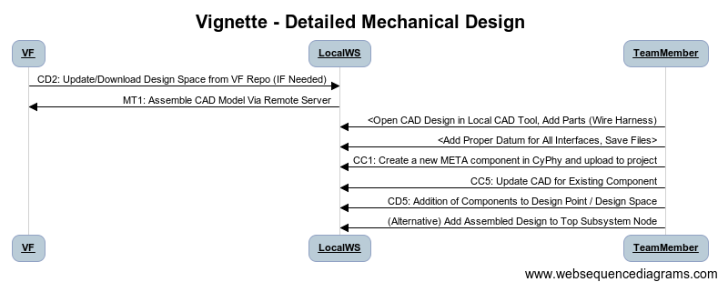
 |  |  | title Vignette - Detailed Mechanical Design
 |  |  | VF->LocalWS: CD2: Update/Download Design Space from VF Repo (IF Needed)
 |  |  | LocalWS->VF: MT1: Assemble CAD Model Via Remote Server
 |  |  | TeamMember->LocalWS: <Open CAD Design in Local CAD Tool, Add Parts (Wire Harness)
 |  |  | TeamMember->LocalWS: <Add Proper Datum for All Interfaces, Save Files>
 |  |  | TeamMember->LocalWS: CC1: Create a new META component in CyPhy and upload to project
 |  |  | TeamMember->LocalWS: CC5: Update CAD for Existing Component
 |  |  | TeamMember->LocalWS: CD5: Addition of Components to Design Point / Design Space
 |  |  | TeamMember->LocalWS: (Alternative) Add Assembled Design to Top Subsystem Node

 |  | Title: | Design Review with Project Team
 |  | Purpose: Change the design and evaluate KPP's | Evaluate Current State of Design, Establishing Understanding of Recent Design Activities Among Team
 |  | Precursor: | Design Modifications, Analysis Activities Completed, Results Available on VF
 |  | End State: "Better" design, proven by analysis | Mutual Understanding Among Team
 |  | Steps:
 |  | 1 | Vignettes: Split Project for Parallel Work
 |  | 2 | Vignettes: Modify Components, Modify Architecture
 |  | 3 | Vignettes: Full System Check, CAD Check, FEA Analysis
 |  | 4 | Vignette: Merge Project from Parallel Work
 |  | 5 | VF: Begin Collaboration Session
 |  | 6 | VF: Invite Team Members
 |  | 7 | VF: Team Browse Dashboard Rankings Locate Issues
 |  | 8 | VF: Team Drill-Down to TestBench Raw Data
 |  | 9 | VF: Document Problems, Create tasks, Notifications
 |  | 10

 |  |  | title Vignette - Full System Check - Recompute All KPP's, Evaluate Score
 |  |  | user->Vignette(Parallel Design):Split Project
 |  |  | user->Vignette(Modify Design):Add Components/Mod Arch
 |  |  | user->Vignette(Analysis): Full System Check/FEA
 |  |  | user->Vignette(Parallel Design):Merge Project
 |  |  | user->VF: VF.CB1 Begin Collaboration Session
 |  |  | vf->team: VF.cb2 Notify Team Members
 |  |  | user->VF: VF.CD1 Collaborative View Dashboard
 |  |  | user->VF: VF.CR2 Drill Down to Testbench data
 |  |  | user->VF: VF.NF Track Notify, Create Tickets

 |  | Title: | Compute PCC For Design Point
 |  | Purpose: Change the design and evaluate KPP's | Examine Parametric Space of System, Use to Select Good Parameter Combinations
 |  | End State: "Better" design, proven by analysis | Parameter Values for Critical Components
 |  | Steps:
 |  | 1 | CD2: Update/Download Design Space from VF Repo (IF Needed) |  | Get Current Design
 |  | 2 | CT2: Download and Configure Test Benches |  | Update any tests benches
 |  | 3 | AP1: Use PET to Collect Parameter |  | Specify what to vary/domain of parameters
 |  | 4 | (OPT)AP2: Create Surrogate Versions of Component |  | For larger studies, create lightweight versions of key components
 |  | 5 | (OPT) AP1: Use PET to explore Parametric Space |  | Explore another parameter space
 |  | 6 | AD2a:Visualize Results of Local Dynamics Testbench Execution |  | Visualize Results, determine if sufficient
 |  | 7 | (OPT) AP1: Use PET to explore Parametric Space |  | Test for a Range Of Parameters, Optimize to find best settings
 |  | 8 | (OPT) SV9: Search/Find Component in VF |  | Find a Matching Component
 |  | 9 | (OPT) CC3:Download a new component from VF |  | Get It from Component Exchange
 |  | 10 | (OPT) CD5:Addition of Components to Design Point / Design Space |  | Put it Into Design
 |  | 11 | Vignette: Full System Check

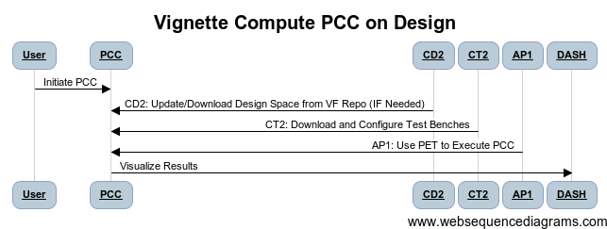

 |  |  | title Vignette Compute PCC on Design
 |  |  | User->PCC: Initiate PCC
 |  |  | CD2->PCC : CD2: Update/Download Design Space from VF Repo (IF Needed)
 |  |  | CT2->PCC: CT2: Download and Configure Test Benches
 |  |  | User
 |  |  | AP1->PCC: AP1: Use PET to Execute PCC
 |  |  | PCC-> DASH: Visualize Results

ST1&2
Thread ID | Narrative
ST1&2 | Download META-X Tools from VF; Install META-X Tools on User Workstation

Thread POC | Chris vanBuskirk
Revisions | Descr | Dates
 | 6/10/2012: Initial

Reviews |  | Reviewer | Date | Concur
 | META Internal | Ted Bapty
 | VF
 | FANG
 | Gvt Team

Participants | FANG Competitor, Vehicle Forge, Meta-X

Pre | Software published on Vehicle Forge; user is a member of a competing FANG team; user has 64-bit Windows platform; user has MS-Excel 2010 installed; user has either 'Visual Studio 2010 SP1 Pro' or 'Visual Studio 2010 SP1 Pro Express' installed; all tools listed below are re-distributable from Vehicle Forge
Post | Software available for use on local workstation
Dependencies | Requires the 'CAD as a Service' feature from VForge

Step ID | Description | Pre | Post | Tool Used | Function | Status | % Compl | WBS | IOC | Test | Documented In | Known Issues
1 | User Logs into Vehicle Forge | VF Portal in Browser | VF Portal shows Logged in | VF | Login | Complete | 100% |  | ALPHA
2 | User Navigates to FANG Competition's 'Tools' Site |  | Access to Tools/Deps | VF |  | Gap | 0% |  | BETA
3 | Install .NET runtime dependencies |  |  |  |  | COTS | 100% |  | ALPHA
4 | Install GME |  |  |  |  | COTS | 100% |  | ALPHA
5 | Install UDM |  |  |  |  | COTS | 100% |  | ALPHA
6 | Install Acrobat Reader |  |  |  |  | COTS | 100% |  | ALPHA
7 | Install OpenModelica |  |  |  |  | COTS | 100% |  | ALPHA
8 | Install Python |  |  |  |  | COTS | 100% |  | ALPHA
9 | Install Numpy python module |  |  |  |  | COTS | 100% |  | ALPHA
10 | Install SciPy |  |  |  |  | COTS | 100% |  | ALPHA
11 | Install MatPlotLib |  |  |  |  | COTS | 100% |  | ALPHA
12 | Install PyWin32 |  |  |  |  | COTS | 100% |  | ALPHA
13 | Install OpenMDAO |  |  |  |  | COTS | 100% |  | ALPHA
14 | Install ESMoL |  |  |  |  | COTS | 100% |  | ALPHA

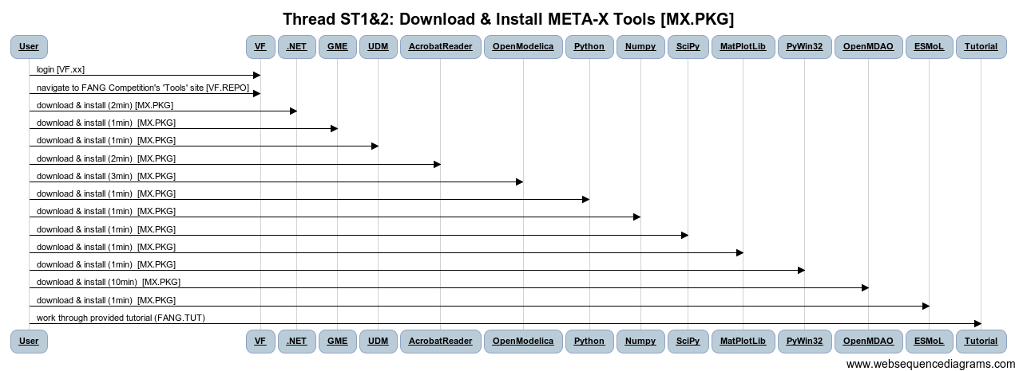
15 | Test system and learn tools by completing tutorial |  |  |  |  | Gap | 10% |  | BETA

 | [Diagram Code]
 | title Thread ST1&2: Download & Install META-X Tools [MX.PKG]

 | User->VF:login [VF.xx]
 | User->VF:navigate to FANG Competition's 'Tools' site [VF.REPO]

 | User->.NET: download & install (2min) [MX.PKG]
 | User->GME: download & install (1min) [MX.PKG]
 | User->UDM: download & install (1min) [MX.PKG]
 | User->AcrobatReader: download & install (2min) [MX.PKG]
 | User->OpenModelica: download & install (3min) [MX.PKG]
 | User->Python: download & install (1min) [MX.PKG]
 | User->Numpy: download & install (1min) [MX.PKG]
 | User->SciPy: download & install (1min) [MX.PKG]
 | User->MatPlotLib: download & install (1min) [MX.PKG]
 | User->PyWin32: download & install (1min) [MX.PKG]
 | User->OpenMDAO: download & install (10min) [MX.PKG]
 | User->ESMoL: download & install (1min) [MX.PKG]

 | User->Tutorial: work through provided tutorial (FANG.TUT)

Action Items

WBS Items | Capability | Tasks | Assigned To | Depends | Target IOC

SV1
Thread ID | Narrative
SV5 | Create a New Project on VehicleForge

Thread POC | VehicleForge
Revisions | Descr | Dates
 | 5/23/2012: Initial

Reviews |  | Reviewer | Date | Concur
 | META Internal | Ted Bapty
 | VF
 | FANG
 | Gvt Team

Participants | FANG Competitor, Vehicle Forge, Meta-X

Pre | None
Post | Project Created In VF
Dependencies | (on other threads …)

Step ID | Description | Pre | Post | Tool Used | Function | Status | % Compl | WBS | IOC | Test | Documented In | Known Issues

1 | User Registers on VF | None | Request Submitted | VF.xxx | Login | Complete | 100% |  | ALPHA
2 | User Receives Login |  | Login | VF.AUTH | Authorize | Review Funct | 30% |  | ALPHA |  |  | Needs Definition From VF, TBD: Review with VF
3 | User Logs In to VF | Selected Ontology Class | Editor pops up | VF.AUTH | Authorize | Complete | 20% |  | ALPHA |  |  | NEED VF to Copy to Project Repo
4 | User Starts New Design Project | Default Params | Specific Params | VF.PROJ | Admin | COTS |  |  | ALPHA |  |  | Need META Dir Structure Definition
5 | Configure Project Tools |  | Project Configured | VF.PROJ | Admin | Complete | 0%

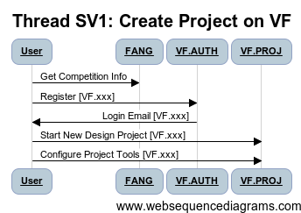

 | [Diagram Code]
 | title Thread SV1: Create Project on VF
 | User->FANG: Get Competition Info
 | User->VF.AUTH: Register [VF.xxx]
 | VF.AUTH->User: Login Email [VF.xxx]
 | User->VF.PROJ: Start New Design Project [VF.xxx]
 | User->VF.PROJ: Configure Project Tools [VF.xxx]

Action Items
 | Type Libraries (Units, Measures) -> Properties
 | Component external interfaces (based on Unit/Meas)
 | Compound Libraries
 | Ontology Content Needed

WBS Items | Capability | Tasks | POC
 | Create Type Library
 | Create Property Library
 | Populate Initial Ontology Classes
 | VF Verify of Component | Based on onotology new comp model
 | Component Editor Update (Power Ports, Parametrs, …)
 | Component Editor/Ontology Linkage
 | Add Files from Repo into Component Editor State
 | Archive Interpreter for Pre-Curated Component zip | Update to new component model

SV2
Thread ID | Narrative
SV2 | Build Team on VF

Thread POC | VehicleForge
Revisions | Descr | Dates
 | 5/23/2012: Initial

Reviews |  | Reviewer | Date | Concur
 | META Internal | Ted Bapty
 | VF
 | FANG
 | Gvt Team

Participants | FANG Competitor, Vehicle Forge, Meta-X

Pre | None
Post | Project Created In VF
Dependencies | (on other threads …)

Step ID | Description | Pre | Post | Tool Used | Function | Status | % Compl | WBS | IOC | Test | Documented In | Known Issues

1 | User Logs In to VF | None | Logged In | VF.AUTH | Login | Complete | 100% |  | ALPHA
2 | Navigate to Project |  | Project Open | VF.xxx | Authorize | Complete | 100% |  | ALPHA |  |  | Needs Definition From VF, TBD: Review with VF
3 | Admin Project/UserGroups |  | User Group Editor Open | VF.ADMIN | Authorize | Complete | 100% |  | ALPHA |  |  | NEED VF to Copy to Project Repo
4 | Add User/Groups |  | User Added to Project | VF.ADMIN | Admin | Complete | 100% |  | ALPHA |  |  | Need META Dir Structure Definition
5 | Save Config |  | Project Configured | VF.ADMIN | Admin | Complete | 100%

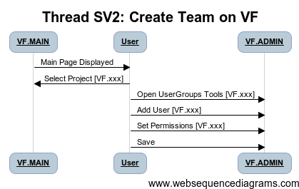

 | [Diagram Code]
 | title Thread SV2: Create Team on VF
 | User->VF.AUTH Login [VF.xxx]
 | VF.MAIN->User: Main Page Displayed
 | User->VF.MAIN: Select Project [VF.xxx]
 | User->VF.ADMIN: Open UserGroups Tools [VF.xxx]
 | User->VF.ADMIN: Add User [VF.xxx]
 | User->VF.ADMIN: Set Permissions [VF.xxx]
 | User->VF.ADMIN: Save

Action Items
 | Type Libraries (Units, Measures) -> Properties
 | Component external interfaces (based on Unit/Meas)
 | Compound Libraries
 | Ontology Content Needed

WBS Items | Capability | Tasks | POC
 | Create Type Library
 | Create Property Library
 | Populate Initial Ontology Classes
 | VF Verify of Component | Based on onotology new comp model
 | Component Editor Update (Power Ports, Parametrs, …)
 | Component Editor/Ontology Linkage
 | Add Files from Repo into Component Editor State
 | Archive Interpreter for Pre-Curated Component zip | Update to new component model

CC3
Thread ID | Narrative
CC3 | Download new component from Vehicle Forge Comp Ex, Incorporate Into Local Library for Use In Design

Thread POC | Adam Nagel
Revisions | Descr | Dates
 | 5/23/2012: Initial

Reviews |  | Reviewer | Date | Concur
 | META Internal | Ted Bapty
 | VF
 | FANG
 | Gvt Team

Participants | FANG Competitor, Vehicle Forge, Meta-X

Pre | Component available on Vehicle Forge; Local CyPhy Design Project
Post | Component available for use in local CyPhy Design Project
Dependencies | (on other threads …)

Step ID | Description | Pre | Post | Tool Used | Function | Status | % Compl | WBS | IOC | Test | Documented In | Known Issues
1 | User Logs into Vehicle Forge | VF Portal in Browser | VF Portal shows Logged in | VF | Login | Complete | 100% |  | ALPHA
2 | User Searches for Component using Meta Data | VF Portal Component Search Page | Shows a list of Components that satisfy query | VF.CSR | Search | Complete | 30% |  | ALPHA |  |  | Needs Definition From VF, TBD: Review with VF
3 | Add Component To Project Repo (Components Directory on VF) | Selected Component from the Search Result Page | Component Package In Project Component Repo | VF.CDL | Download | TBD | 20% |  | ALPHA |  |  | NEED VF to Copy to Project Repo
4 | User Refreshes Local Component Library from Repo | Component Library without Component X | Component Library with Component X | EXT.SVN |  | COTS |  |  | ALPHA |  |  | Need META Dir Structure Definition --> Into "component bullpen"
5 | User launches Component Library Manager | Component packages are downloaded | Component Library Manager running | MX.CLM |  | DEV-WBS | 0
6 | User selects downloaded components to import |  |  | MX.CLM |  | DEV-WBS
7 | Component library manager incorporates files into library structure |  |  | MX.CLM | Unpack | DEV-WBS
8 | User Invokes Component Importer Tool in CyPhy | CyPhy Open | Importer Running | MX.TEMP_CLM |  | Prototype
9 | User selects components to add to project, | Importer Pointed to File |  | MX.TEMP_CLM |  | Prototype
10 | Importer Builds CyPhy representations of components from JSON File | JSON File | Component into project component library | MX.VFC | Import | DEV-WBS | 10% |  | ALPHA
11 | Component artifacts are copied into CyPhy Project (modelica/CAD) | Component Artifacts in ZIP | Component Copied into Project | MX.CP |  | Complete | 100 |  | ALPHA
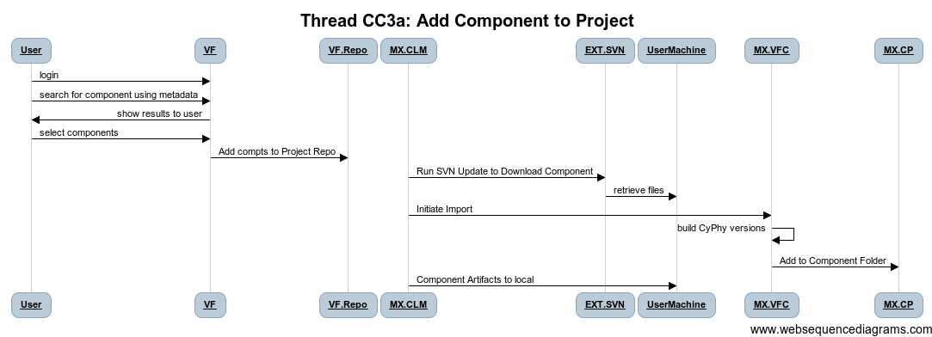

 | [Diagram Code]
 | title Thread CC3a: Add Component to Project

 | User->VF:login
 | User->VF:search for component using metadata
 | VF->User:show results to user
 | User->VF:select components
 | VF->VF.Repo: Add compts to Project Repo
 | MX.CLM->EXT.SVN: Run SVN Update to Download Component
 | EXT.SVN->UserMachine:retrieve files

 | MX.CLM->MX.VFC: Initiate Import
 | MX.VFC ->MX.VFC: build CyPhy versions
 | MX.VFC ->MX.CP: Add to Component Folder

 |  |  | PO
Action Items
 | Define standard project repo configuration
 | Definedirectory structures for project's Component Repo
 | Define Mechanism for Copy from Comp Exch to Project Design Repo
 | Define component exchange mechanism and facilities
 | SVN/GIT Authority Mechanism
 | Confirm use of JSON for component exchange (i.e. not CyPhy.xme
 | Define priority of Library manager
 | Taxonomy Interactions: Does Taxonomy define component destination

WBS Items | Capability | Tasks | Assigned To | Depends | Target IOC
VF.CX | Component Exchange REST interface implementation | Define all capabilities.
VF.AUTH | Project Authorization Mechanism | Define/Implement.
VF.CM | Copy component to users design repository | Define directory struc of repo
MX.VFC.Lib | Library Component import (JSON--> CyPHY) Tool | Import/Export of JSON | Harmon | MX.CMAPI | 2012-06-07
MX.VFC.GUI | Simple component file selector for VFC.Lib | Interpreter to call the lib | Harmon
MX.CLM | Component Lib Manager Design | Design Only. Priorty to VFC | Adam, Zsolt, Kevin |  | Not Started Yet
MX.TAX | Ontology Tools for Vehicle Forge/META | Automatic Creation of Folder struct
MX.CMAPI | API for Accessing JSON Component Models, C# | Access to CyPhy Models | Zsolt, Adam, Tihamer |  | Done in c#/.NET | JSON File API
MX.CMAPI.Py | API for Accessing JSON Component Models, Python | Access to CyPhy Models | Zsolt, Adam, Tihamer |  | NEED TO PRIORITIZE

CC4
Thread ID | Narrative
CC4 | Download and Update an existing component in Local project
 | The user is using a component from Vehicle Forge in his design, the component provider updated the component in Vehicle Forge, user refreshes the component in users local library and design
Thread POC | Adam Nagel | See CC3_VF, Run Tool on component, Select the file, In Place
Revisions |  |  |  |  |  |  |  | Restructure to match CC3_VF

Participants | FANG Competitor, Vehicle Forge, Meta-X

Pre | Component updated on Vehicle Forge; Local CyPhy Design Project using the specific component; Component Library Manager is associated with user's VehicleForge account
Post | Component updated in local CyPhy Design Projects
Dependencies | CC3

Step ID | Description | Pre | Post | Tool Used | Status | % Complete | WBS | Test
1 | User launches component library manager |  |  | MX.CLM | Gap | 0%
2 | User requests check for updates |  |  | MX.CLM | Gap | 0%
3 | CLM queries VF for updates |  |  | MX.CLM | Gap | 0%
4 | VF returns updated components |  |  | VF.CDL
5 | User is notified and asked if they would like to update |  |  | MX.CLM | Gap | 0%
6 | User selects components to be updated |  |  | MX.CLM | Gap | 0%
7 | CLM requests extended data for selected components |  |  | MX.CLM | Gap | 0%
8 | VF returns extended data |  |  | VF.CDL
9 | data is incorporated into local filesystem |  |  | MX.CLM | Gap | 0%
10 | Update CyPhy Project with new versions of components |  |  | MX.VFC | In Progress | 10%
11 | incorporate CyPhy versions into local filesystem |  |  | MX.CLM | Gap | 0%
12 | components are updated in user's projects |  |  | MX.CLM | Gap | 0

Proposed
1 | VF Notification received from VF |  |  | VF
2 | Link to component on VF (logged in to VF) |  |  | VF
3 | Copy/Update to Project Repo |  |  | VF
4 | SVN Update to local machine Component Directory |  |  | EXT.SVN
5 | Import/Update From JSON |  |  | MX.VFC | Gap
6 | In-Place Design Update (all designs in project) |  |  | MX.???
7 | Save Project to Local Disk |  |  | MX.CP
 | Copy/refresh any component artifacts |  |  | ???

Todo
1 | Refine Thread to address changes related to Distribution Restrictions i.e. what happens when a component becomes ITAR from non-ITAR
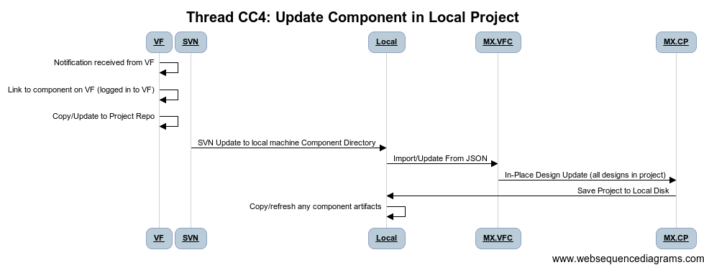
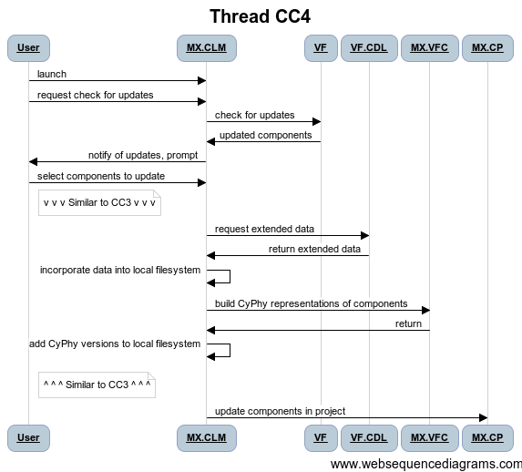
 | [Diagram Code] |  |  |  |  |  |  |  | [Diagram Code]
 | title Thread CC4: Update Component in Local Project |  |  |  |  |  |  |  | title Thread CC4

 | VF->VF: Notification received from VF |  |  |  |  |  |  |  | User->MX.CLM:launch
 | VF->VF: Link to component on VF (logged in to VF) |  |  |  |  |  |  |  | User->MX.CLM:request check for updates
 | VF->VF:Copy/Update to Project Repo |  |  |  |  |  |  |  | MX.CLM->VF:check for updates
 | SVN->Local: SVN Update to local machine Component Directory |  |  |  |  |  |  |  | VF->MX.CLM:updated components
 | Local->MX.VFC: Import/Update From JSON |  |  |  |  |  |  |  | MX.CLM->User:notify of updates, prompt
 | MX.VFC->MX.CP:In-Place Design Update (all designs in project) |  |  |  |  |  |  |  | User->MX.CLM:select components to update
 | MX.CP->Local: Save Project to Local Disk
 | Local->Local:Copy/refresh any component artifacts |  |  |  |  |  |  |  | note right of User:v v v Similar to CC3 v v v
 |  |  |  |  |  |  |  |  | MX.CLM->VF.CDL:request extended data
 |  |  |  |  |  |  |  |  | VF.CDL->MX.CLM:return extended data
 |  |  |  |  |  |  |  |  | MX.CLM->MX.CLM:incorporate data into local filesystem
 |  |  |  |  |  |  |  |  | MX.CLM->MX.VFC:build CyPhy representations of components
 |  |  |  |  |  |  |  |  | MX.VFC->MX.CLM:return
 |  |  |  |  |  |  |  |  | MX.CLM->MX.CLM:add CyPhy versions to local filesystem
 |  |  |  |  |  |  |  |  | note right of User:^ ^ ^ Similar to CC3 ^ ^ ^

 |  |  |  |  |  |  |  |  | MX.CLM->MX.CP:update components in project

Action Items
 | Define standard project repo configuration |  | Also in CC3
 | Definedirectory structures for project's Component Repo |  | Also in CC3
 | Define Mechanism for Copy from Comp Exch to Project Design Repo |  | Also in CC3
 | Define component exchange mechanism and facilities |  | Also in CC3
 | SVN/GIT Authority Mechanism |  | Also in CC3
 | Confirm use of JSON for component exchange (i.e. not CyPhy.xme |  | Also in CC3
 | Define priority of Library manager |  | Also in CC3
 | Taxonomy Interactions: Does Taxonomy define component destination |  | Also in CC3
 | References Only In Models

WBS Items | Capability | Tasks | POC | Depends | IOC

MX.VFC | Additional Requirement to Update all Dependencies |  | Harmon |  | 2012-06-15
 | References only in models, will make this easy

MX.DES | Need to update Design Space Tools to use REFs |  | Feng |  | 2012-06-07

CD1
Thread ID | Narrative
CD1 | Download Design Space From Vehicle Forge, Add to CyPhy Project
 | Starting from blank workspace
Thread POC | Adam Nagel
Revisions | Descr | Dates
 | 5/23/2012: Initial

Reviews |  | Reviewer | Date | Concur
 | META Internal | Ted Bapty | 2012-06-01
 | VF
 | FANG
 | Gvt Team

Participants | FANG Competitor, Vehicle Forge, Meta-X

Pre | Component available on Vehicle Forge; Local CyPhy Design Project |  | Starting from Seed Deisgn
Post | Component available for use in local CyPhy Design Project
Dependencies | (on other threads …)

Step ID | Description | Pre | Post | Tool Used | Function | Status | % Compl | WBS | Test | Documented In | Known Issues
1 | User Logs into Vehicle Forge | VF Portal in Browser | VF Portal shows Logged in | VF | Login | Complete | 100%
2 | User Locates Desgin Space to Incorporate | VF Portal Design Search Page | Shows a list of Designs Available for Download | VF.CSR | Search | Prototype | 80% |  |  |  | VF GAP: Where are Designs Stored (Seed Designs?)
3 | Add Design Space To Project Repo (Copy Selected Design, Insert into Repo Directory on VF) | Selected Design on VF | Design Package In Project Repo Design Folder | VF.CDL | Download | In Progress | 20%
 | OPT: VF Scans JSON Design File, Locating missing components, add to project |  |  |  |  |  |  |  |  |  | On VF or locally on Dev machine?
4 | User Refreshes Local Design Folder from Repo | Design Directory without New Design | Design Directory with New Design | EXT.SVN
5 | import Design XME, (JSON L8TR) file into GME CyPhy Tool | Design in Design Directory (JSON fmt) | Design in GME/CyPhy Design Folder | MX.VFD | Import | In Progress | 10% |  |  |  | Importer from JSON to CyPhy Lossless?
6 | Scan Design for any Missing Components or Download ALL components | Design in CyPhy | List of Components to Import | MX.VFD | Import | Gap |  |  |  |  | Should this be in REPO
7 | Execute CC3_VF Component Import for all missing components(Thread CC3) | Incomplete CyPhy Design | Complete CyPhy Design | MX.CLM |  | Gap |  |  |  |  | Execute CD3_VF via REST interface
 |  |  |  |  |  |  | 100
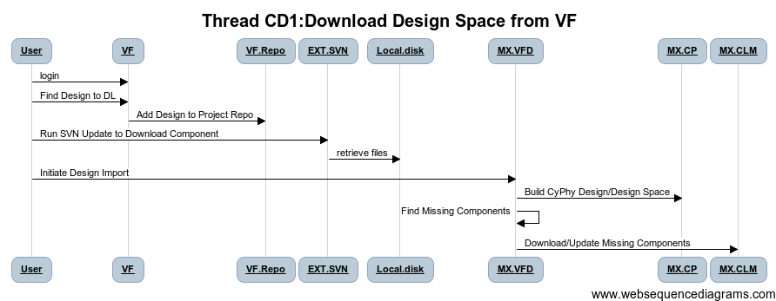

 | [Diagram Code]
 | title Thread CD1:Download Design/Design Space from VF

 | User->VF:login
 | User->VF:Find Design to DL

 | VF->VF.Repo: Add Design to Project Repo
 | User->EXT.SVN: Run SVN Update to Download Component
 | EXT.SVN->Local.disk: retrieve files

 | User->MX.VFD: Initiate Design Import
 | MX.VFD ->MX.CP: Build CyPhy Design/Design Space

 | MX.VFD -> MX.VFD: Find Missing Components

Action Items
 | Use JSON or CyPhy.xme for design interchange in near term? | JSON Lossless?
 | Define Directory Structures for design Exports
 | Can VF find components missing from project repo

 | Where does VF Store the SEED Designs | VF Question

WBS Items | Capability | Tasks
MX.VFD | JSON Design Import/Export | Implement
DDP.FIX_IT | Extend JSON for Full CyPhy Representation (NEED TO DEFINE) | Need to fix the DDP | NICE TO HAVE, PRIORITY???? | Design And implementation
MX.VFD | Scan for missing components | Implement
MX.VFC | In-Place Design/Component Linkages

CD2
Thread ID | Narrative
CD1 | Download and Update Existing Design Space From Vehicle Forge
 |  | Alternate method: Save XME files | Propose de-prioritize this to later
Thread POC | Adam Nagel
Revisions | Descr | Dates
 | 5/23/2012: Initial

Reviews |  | Reviewer | Date | Concur
 | META Internal | Ted Bapty
 | VF
 | FANG
 | Gvt Team

Participants | FANG Competitor, Vehicle Forge, Meta-X

Pre | Other Teammate has updated design in VF Repo, CD1 on local
Post | Design Updated in Local CyPhy Design Project
Dependencies | (on other threads …)

Step ID | Description | Pre | Post | Tool Used | Function | Step Type | Status | % Compl | WBS | Test | Documented In | Known Issues
1 | User Refreshes Local Design Folder from Repo | Design Directory without New Design | Design Directory with New Design | EXT.SVN |  |  |  |  |  |  |  | Need to define Project Directory Structure
2 | import Design JSON file into GME CyPhy Tool | Design in Design Directory (JSON fmt) | Design in GME/CyPhy Design Folder | MX.VFD | Import |  | In Progress | 10% |  |  |  | Consider using this
3 | Update Existing Design Space In-Place
4 | Scan Design for any Missing Components | Design in CyPhy | List of Components to Import | MX.VFD | Import |  | Gap
5 | Execute Component Import for all missing components CD3-REST | Incomplete CyPhy Design | Complete CyPhy Design | MX.CLM |  |  | Gap
 |  |  |  |  |  |  |  | 100
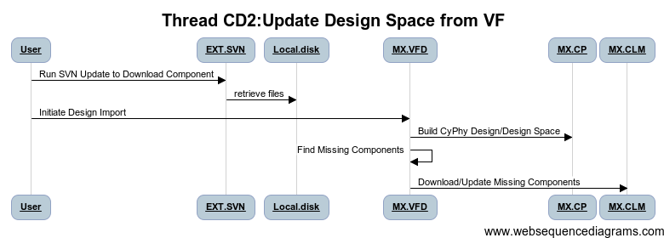

 | Diagram Code]
 | title Thread CD2:Update Design Space from VF

 | User->EXT.SVN: Run SVN Update to Download Component
 | EXT.SVN->Local.disk: retrieve files

 | User->MX.VFD: Initiate Design Import
 | MX.VFD ->MX.CP: Build CyPhy Design/Design Space
 | MX.VFD -> MX.VFD: Find Missing Components

 | MX.VFD -> MX.CLM: Download/Update Missing Components

Action Items
 | Use JSON or CyPhy.xme for design interchange in near term? | JSON Lossless?
 | Define Directory Structures for design Exports
 | Can VF find components missing from project repo

 | HOW CAN PARTIAL MODELS BE MANAGED? Need a plan
 | Proposal: Identify a subsystem, Make it into a RdOnly component, Export to XME,
 | On return, reverse the process

WBS Items | Capability | Tasks
MX.VFD | JSON Design Space Import/Export | Implement
MX.VFD | Scan for missing components | Implement
MX.VFD | In-Place Design/Component Linkages

 | Task: Refine Requirements, Prioritize, Develop Plan, Resource It

CD5
Thread ID | Narrative
CD5 | Addition of Components to Design Point / Design Space
 |  | Alternate method: Save XME files | Propose de-prioritize this to later
Thread POC | Adam Nagel
Revisions | Descr | Dates
 | 5/23/2012: Initial

Reviews |  | Reviewer | Date | Concur
 | META Internal | Ted Bapty
 | VF
 | FANG
 | Gvt Team

Participants | FANG Competitor, Vehicle Forge, Meta-X

Pre | Design Updated in Local CyPhy Design Project
Post | Design Modified and Uploaded to VF Project repo
Dependencies | (on other threads …)

 | Description | Pre | Post | Tool Used | Function | Status | % Compl | WBS | Test | Documented In | Known Issues
1 | User Starts GME | Empty Window | META-X CyPhy Loaded | MX.CP |  | Complete |  |  |  |  | Need to define Project Directory Structure
2 | User Loads Project |  | Design in GME/CyPhy Tool | MX.CP | Editor | Complete | 10% |  |  |  | Consider using this
3 | Navigate Design Architecture to Target Subsystem |  |  |  | Editor | Complete
4 | Execute CC3: Get New Component | Design in CyPhy | Component In CyPhy Components Folder | MX.CLM | Editor | Complete
5 | Create Reference of Component in Composite/Alternative |  | Component in Design Space | MX.CP | Editor | Complete
6 | Connect Component (Ports, Properties, Parameters) |  | Component installed into design space | MX.CP | Editor | Complete | 100
7 | Save Model |  |  |  |  | Complete
8 | Export to JSON |  |  | MX.VFD-04 |  | WBS-DEV
9 | Update Repo SVN |  |  |  |  | COTS

 | [Diagram Code]
 | title Thread CD5:Add/Change Components in Design Point / Design Space

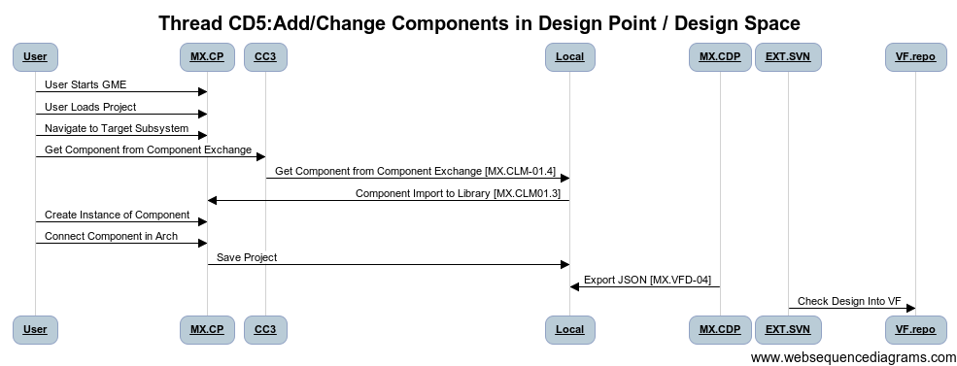
 | User->MX.CP: User Starts GME
 | User->MX.CP: User Loads Project
 | User->MX.CP: Navigate to Target Subsystem
 | User->CC3: Get Component from Component Exchange
 | CC3 -> Local: Get Component from Component Exchange [MX.CLM-01.4]
 | Local->MX.CP: Component Import to Library [MX.CLM01.3]
 | User->MX.CP: Create Instance of Component
 | User->MX.CP: Connect Component in Arch
 | MX.CP -> Local: Save Project
 | MX.VFD->Local: Export JSON [MX.VFD-04]
 | EXT.SVN->VF.repo: Check Design Into VF

Action Items

WBS Items | Capability | Tasks
MX.VFD | JSON Design Space Import/Export | Implement | Inherits from CC3_VF

CD5_DS
Thread ID | Narrative
CD5 | Addition of Components to Design Point / Design Space
 |  | Alternate method: Save XME files | Propose de-prioritize this to later
Thread POC | Adam Nagel
Revisions | Descr | Dates
 | 5/23/2012: Initial

Reviews |  | Reviewer | Date | Concur
 | META Internal | Ted Bapty
 | VF
 | FANG
 | Gvt Team

Participants | FANG Competitor, Vehicle Forge, Meta-X

Pre | Design Updated in Local CyPhy Design Project
Post | Design Modified and Uploaded to VF Project repo
Dependencies | (on other threads …)

Step ID | Description | Pre | Post | Tool Used | Function | Status | % Compl | WBS | Test | Documented In | Known Issues
1 | Convert Design Point to Design Space(If needed) | Simple Point Design | Design Space with 1 config | MX.DSE | Util | Prototype |  |  |  |  | Need to define Project Directory Structure
2 | Convert Component to Alternative Container | Simple Component/Assy | Design Alt Container with 1 Component option | MX.DSE | Util | Prototype | 10% |  |  |  | Consider using this
3 | Create Reference of Component in Composite/Alternative | One Alternative | Two Alternatives | MX.CP | Editor | Complete
4 | Connect Component (Ports, Properties, Parameters) | Incomplete Model | Completely Connected Model | MX.CP | Editor | Complete
5 | Execute Design Space Helper to Create Config | Design Space Specified | Design Alternatives Generated | MX.CP | Editor | Complete
6 | Save Model |  | Component installed into design space | MX.CP | Editor | Complete | 100
7 | Export to JSON |  |  |  |  | Complete
8 | Update Repo SVN |  |  | MX.VFD-04 |  | WBS-DEV
9 |  |  |  |  |  | COTS
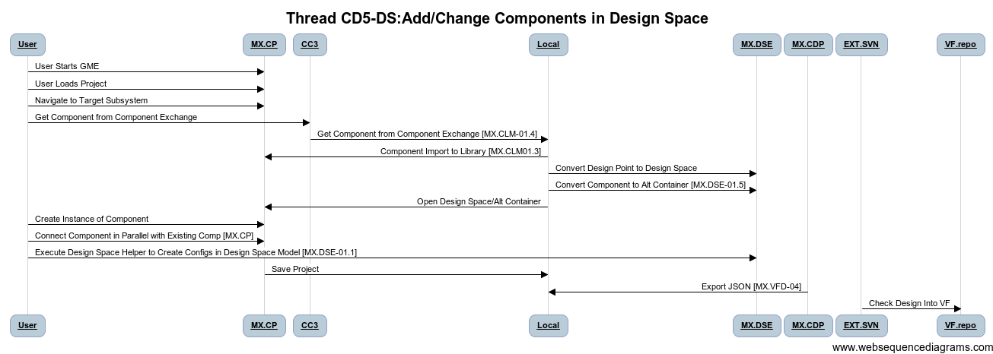
 | [Diagram Code]
 | title Thread CD5-DS:Add/Change Components in Design Space

 | User->MX.CP: User Starts GME
 | User->MX.CP: User Loads Project
 | User->MX.CP: Navigate to Target Subsystem
 | User->CC3: Get Component from Component Exchange
 | CC3 -> Local: Get Component from Component Exchange [MX.CLM-01.4]
 | Local->MX.CP: Component Import to Library [MX.CLM01.3]
 | Local->MX.DSE: Convert Design Point to Design Space
 | Local->MX.DSE: Convert Component to Alt Container [MX.DSE-01.5]
 | Local->MX.CP: Open Design Space/Alt Container
 | User->MX.CP: Create Instance of Component
 | User->MX.CP: Connect Component in Parallel with Existing Comp [MX.CP]
 | User->MX.DSE: Execute Design Space Helper to Create Configs in Design Space Model [MX.DSE-01.1]
 | MX.CP -> Local: Save Project
Action Items | MX.CDP->Local: Export JSON [MX.VFD-04]
 | EXT.SVN->VF.repo: Check Design Into VF

WBS Items | Capability | Tasks
MX.VFD | JSON Design Space Import/Export | Implement | Inherits from CC3_VF

CD6
Thread ID | Narrative
CD6 | Addition of Architecture SubSystem to Design Point / Design Space
 |  |  | Propose de-prioritize this to later
Thread POC | Adam Nagel
Revisions | Descr | Dates
 | 5/23/2012: Initial

Reviews |  | Reviewer | Date | Concur
 | META Internal | Ted Bapty
 | VF
 | FANG
 | Gvt Team

Participants | FANG Competitor, Vehicle Forge, Meta-X

Pre | Design Updated in Local CyPhy Design Project
Post | Design Modified and Uploaded to VF Project repo
Dependencies | (on other threads …)

Step ID | Description | Pre | Post | Tool Used | Function | Step Type | Status | % Compl | WBS | Test | Documented In | Known Issues
1 | User Starts GME | Empty Window | META-X CyPhy Loaded | MX.CP |  |  |  |  |  |  |  | Need to define Project Directory Structure
2 | User Loads Project |  | Design in GME/CyPhy Tool | MX.CP | Editor |  | In Progress | 10% |  |  |  | Consider using this
3 | Navigate Design Architecture to Target Subsystem |  |  |  | Editor
4 | Create Compound/Alternative Object | Design in CyPhy | New Structure Element |  | Editor
5 | Create Ports & Parameters |  | Element with Ports | MX.CP | Editor
6 | Create Internal Structure and Topology |  | Complete Structure | MX.CP | Editor |  |  | 100
7 | Save Model
8 | Export to JSON
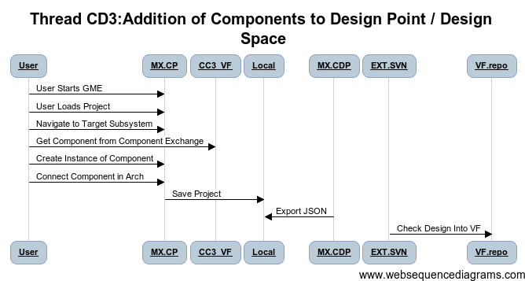
9 | Update Repo SVN

 | [Diagram Code]
 | title Thread CD3:Addition of Components to Design Point / Design Space

 | User->MX.CP: User Starts GME
 | User->MX.CP: User Loads Project
 | User->MX.CP: Navigate to Target Subsystem
 | User->CC3_VF: Get Component from Component Exchange
 | User->MX.CP: Create Instance of Component
 | User->MX.CP: Connect Component in Arch
 | MX.CP -> Local: Save Project
 | MX.CDP->Local: Export JSON
 | EXT.SVN->VF.repo: Check Design Into VF

Action Items

WBS Items | Capability | Tasks
MX.VFD | JSON Design Space Import/Export | Implement | Inherits from CC3_VF

CD6_DS
Thread ID | Narrative
CD5 | Addition of Components to Design Point / Design Space
 |  | Alternate method: Save XME files | Propose de-prioritize this to later
Thread POC | Adam Nagel
Revisions | Descr | Dates
 | 5/23/2012: Initial

Reviews |  | Reviewer | Date | Concur
 | META Internal | Ted Bapty
 | VF
 | FANG
 | Gvt Team

Participants | FANG Competitor, Vehicle Forge, Meta-X

Pre | Design Updated in Local CyPhy Design Project
Post | Design Modified and Uploaded to VF Project repo
Dependencies | (on other threads …)

Step ID | Description | Pre | Post | Tool Used | Function | Status | % Compl | WBS | Test | Documented In | Known Issues
1 | Convert Design Point to Design Space(If needed) | Simple Point Design | Design Space with 1 config | MX.DSE | Util | Prototype |  |  |  |  | Need to define Project Directory Structure
2 | Convert Component/Assembly to Design/ Alternative Container | Simple Component/Assy | Design Alt Container with 1 Component option | MX.DSE | Util | Prototype | 10% |  |  |  | Consider using this
3 | Change Architecture (Add Components, Assemblies. Alternatives, …) | Simple Design | More Detailed Design | MX.CP | Editor | Complete
4 | Create Constraints, Requirement Links, … |  | Constrained Design, Links to Reqts
5 | Execute Design Space Helper to Create Config | Design Space Specified | Design Alternatives Generated | MX.DSE | Editor | Complete
6 | Save Model |  | Component installed into design space | MX.CP | Editor | Complete | 100
7 | Export to JSON |  |  |  |  | Complete
8 | Update Repo SVN |  |  | MX.VFD-04 |  | WBS-DEV
9 |  |  |  |  |  | COTS

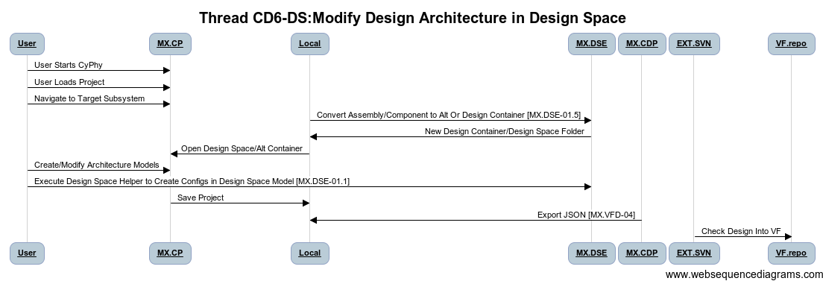
 | [Diagram Code]
 | title Thread CD6-DS:Modify Design Architecture in Design Space

 | User->MX.CP: User Starts CyPhy
 | User->MX.CP: User Loads Project
 | User->MX.CP: Navigate to Target Subsystem

 | Local->MX.DSE: Convert Assembly/Component to Alt Or Design Container [MX.DSE-01.5]
 | MX.DSE->Local: New Design Container/Design Space Folder
 | Local->MX.CP: Open Design Space/Alt Container
 | User->MX.CP: Create/Modify Architecture Models
 | User->MX.DSE: Execute Design Space Helper to Create Configs in Design Space Model [MX.DSE-01.1]
 | MX.CP -> Local: Save Project
 | MX.CDP->Local: Export JSON [MX.VFD-04]
 | EXT.SVN->VF.repo: Check Design Into VF

Action Items

WBS Items | Capability | Tasks
MX.VFD | JSON Design Space Import/Export | Implement | Inherits from CC3_VF

CT1
Thread ID | Narrative
CT1 | The user creates a dynamics testbench to assess his design for dynamic performance
 |  |  |  | REVIEW
Thread POC | Zsolt Lattmann
Revisions | Descr | Dates
 | 5/23/2012: Initial

Reviews |  | POC | Date | Concur
 | META Internal | Ted Bapty
 | VF
 | FANG
 | Gvt Team

Participants | FANG Competitor, Meta-X
Context | FANG Performer Creates to evaluate the design vs. (KPP) goals

Pre | Test Component Library with scenarios and drivers and metric computation, linked to Context Models,
Post | Dynamics simulation test bench with components driving system, metric components monitoring system and computing KPP
Dependencies
Ext Tools | Modelica: OpenModelica, Jmodelica, Dymola
Uses Products | FANG Test Bench, User Defined Test Bench, Environment/Context Models

Step ID | Description | Pre | Post | Tool Used | Status | % Complete | WBS | Test | Documented In | Known Issues
1 | User Creates TestBench Model |  | Empty Testbench model exists in CyPhy GME | MX.CP | Complete | 100% |  | TMP_XX.1 | CyPhyUM Pgxx
2 | User Creates Instances of Test Components | Testbench model open in GME, Dynamics Composer tool available | Testbench with Test Components | MX.CP | Prototype | 70%
3 | User Creates Instances of Envronment Context Models | Testbench with Test Components | Testbench with Test Components and Environment | MX.CP | Prototype | 70% |  |  |  | Need to define and align with test components
4 | User Opens and Locates Subsystem to Test in Seed Design, Instantiates subsystem in Test Bench Model | Testbench with Test Components and Environment | Testbench with Test Components and Subsystem Under Test | MX.CP | Prototype | 70%
5 | User Connects Test Components to Subsystem Instance | Testbench with Test Components and Subsystem Under Test | Testbench with Test Components and Subsystem Under Test Connected | MX.CP | Prototype | 70% |  |  |  | Component Model compatibility with OSS Modelica Products (REF:___)
6 | User Creates CyPhy METRIC Object and wires to Test Component computing KPP | Testbench with Test Components and Subsystem Under Test Connected | Complete TestBench | MX.CP |  | 70%
 | User Creates Requirements Links, connects to METRIC and specifies equation | TestBench with Metrics | Testbench with Requirements linked to metrics | MX.CP
7 | User Inserts Environment Context Objects, Simulation Time Control, workflow ID |  | Complete TestBench | MX.CP |  | 70%
8 | User Tests Testbench for consistency (See Thread AD1a) | Complete Testbench | Run log from Modelica, Data on Disk | MX.MOD | Prototype | 70%
9 | Export TestBench and System Model for Seed Model | Complete Testbench | Testbench.json, System.json | MX.CLM
10 | Upload TestBench and System Model to VF | Testbench.json, System.json | Testbench.json, System.json in VF Project | VF
Todo
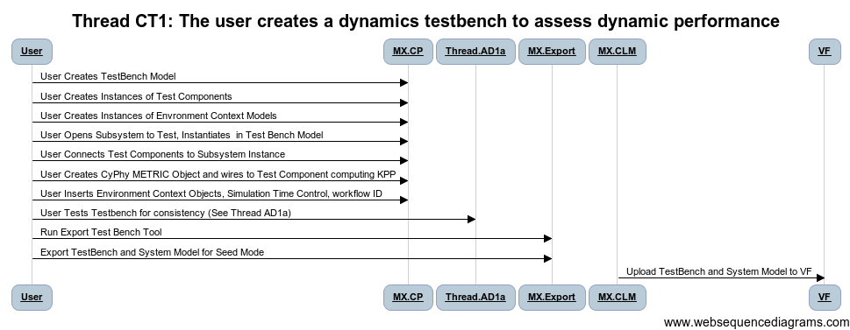
1 | Modelica Open Source Issues
2 | Create an interaction diagram

 | [Diagram Code]
 | title Thread CT1: The user creates a dynamics testbench to assess dynamic performance

 | User->MX.CP: User Creates TestBench Model
 | User->MX.CP:User Creates Instances of Test Components
 | User->MX.CP:User Creates Instances of Envronment Context Models
 | User->MX.CP:User Opens Subsystem to Test, Instantiates in Test Bench Model
 | User->MX.CP:User Connects Test Components to Subsystem Instance
 | User->MX.CP: User Creates CyPhy METRIC Object and wires to Test Component computing KPP
 | User->MX.CP: User Inserts Environment Context Objects, Simulation Time Control, workflow ID
 | User->Thread.AD1a: User Tests Testbench for consistency (See Thread AD1a)
 | User->MX.Export: Run Export Test Bench Tool
 | User->MX.Export: Export TestBench and System Model for Seed Mode
 | MX.CLM->VF:Upload TestBench and System Model to VF

Action Items
 | Use JSON or CyPhy.xme for Testbench interchange in near term? | JSON Lossless?
 | Define Directory Structures for Testbench design Exports
 | Where does VF Save Test Components
 | Modelica Solver
 | Handling of Phenomena and Resolution
 | Requirements Linkages
 | Test Bench Importer Modelica-->JSON
 | Test Bench Importer JSON-->CyPhy
 | Environment Test Component Implementation/Alignment

WBS Items | Capability | Tasks
MX.VFD | JSON Design Import/Export | Implement
MX.CP | Language Extension for Phenomena
 | Coverage of Requirements
MX.VFT | Test Bench Import from Modelica||JSON | Manual or Auto? | Could be a Curation Task
MX.VFT | Test Component Import from Modelica || JSON | Manual or Auto?

VFT -- Testbench import

CT2
Thread ID | Narrative
CT2 | The Downloads a dynamics testbench Template from VF, Imports/Connects into Design to assess his design for dynamic performance
 |  |  |  | REVIEW
Thread POC | Zsolt Lattmann
Revisions | Descr | Dates
 | 5/23/2012: Initial

Reviews |  | POC | Date | Concur
 | META Internal | Ted Bapty
 | VF
 | FANG
 | Gvt Team

Participants | FANG Competitor, Meta-X
Context | FANG Performer Creates to evaluate the design vs. (KPP) goals

Pre | Test Component Library with scenarios and drivers and metric computation, linked to Context Models,
Post | Dynamics simulation test bench with components driving system, metric components monitoring system and computing KPP
Dependencies
Ext Tools | Modelica: OpenModelica, Jmodelica, Dymola
Uses Products | FANG Test Bench, User Defined Test Bench, Environment/Context Models

Step ID | Description | Pre | Post | Tool Used | Status | % Complete | WBS | Test | Documented In | Known Issues
1 | User Finds Testbench on VF/Downloads |  | Empty Testbench model exists in CyPhy GME | MX.CP | Complete | 100% |  | TMP_XX.1 | CyPhyUM Pgxx
2 | User Opens and Locates Subsystem to Test in Design, Instantiates subsystem in Test Bench Model | Testbench with Test Components and Environment | Testbench with Test Components and Subsystem Under Test | MX.CP | Complete | 70% |  |  |  | GME XME Format Only
3 | User Connects Test Components to Subsystem Instance | Testbench with Test Components and Subsystem Under Test | Testbench with Test Components and Subsystem Under Test Connected | MX.CP | Prototype | 70%
4 | Save Design | Complete Testbench | Testbench.json, System.json | MX.VFD
5 | Upload System Model to VF | Testbench.json, System.json | Testbench.json, System.json in VF Project | VF
Todo
1
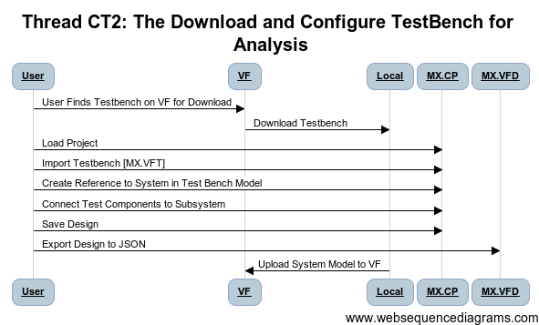
2

 | [Diagram Code]
 | title Thread CT2: The Download and Configure TestBench for Analysis

 | User->VF: User Finds Testbench on VF for Download
 | VF->Local: Download Testbench
 | User->MX.CP: Load Project
 | User->MX.CP: Import Testbench [MX.VFT]
 | User->MX.CP: Create Reference to System in Test Bench Model
 | User->MX.CP: Connect Test Components to Subsystem
 | User->MX.CP: Save Design
 | User->MX.VFD: Export Design to JSON

 | Local->VF: Upload System Model to VF

Action Items
 | Use JSON or CyPhy.xme for Testbench interchange in near term? | JSON Lossless?
 | Define Directory Structures for Testbench design Exports
 | Where does VF Save Test Components
 | Handling of Phenomena and Resolution

 | Requirements Linkages
 | Test Bench Importer Modelica-->JSON
 | Test Bench Importer JSON-->CyPhy
 | Environment Test Component Implementation/Alignment

WBS Items | Capability | Tasks
MX.VFD | JSON Design Import/Export | Implement
MX.CP | Language Extension for Phenomena
 | Coverage of Requirements
MX.VFT | Test Bench Import from Modelica||JSON | Manual or Auto? | Could be a Curation Task
MX.VFT | Test Component Import from Modelica || JSON | Manual or Auto?

VFT -- Testbench import

CT5
Thread ID | Narrative
CT5 | The user create a FEA test bench
 |  | Review
Thread POC | Robert Owens
Revisions | Descr | Dates
 | Initial | 2012-05-23

Reviews |  | Reviewer | Date | Concur
 | META Internal | Ted Bapty
 | VF
 | FANG
 | Gvt Team

Participants | FANG Competitor, Vehicle Forge, Meta-X

Pre | 1 ) Component Library populated with the components that will be used by the Test Bench . 2) Material Library populated with materials that will be used by the test bench. 3) Loads information derived via thread ???
Post | Fully defined FEA test bench ready for analysis
Dependencies | (on other threads …)

Step ID | Description | Pre | Post | Tool Used | Status | % Compl | WBS | Test | Documented In | Known Issues
1 | User invokes GME/CyPhyML | N/A | GME/CyPhyML editor active | MX.CP | Complete | 100%
2 | User creates a blank test bench. Under the "GME Browser" tree, select via the left mouse button the desired folder, right click, left click "Insert Model", left click "Structural FEA Test Bench", enter name of test bench, and depress enter. Double click on the created test bench folder. | GME/CyPhyML editor active | Blank test bench canvas | MX.CP | Complete | 100%
3 | Within CyPhyML, with the previous step test bench, user selects the "Finite Element Aspect". | CyPhyML Test Bench displayed | Aspect "Finite Element Aspect" displayed | MX.CP | Complete | 100%
4 | User creates a “Test Injection Point”. From the FiniteElementAnalysisAspect (tab under the Part Browser) drag TestInjectionPoint icon onto the test bench canvas. Under the “GME Browser” tree, navigate to the desired component (typically under “…Design Space”), left click and drag the component over previously placed TestInjectionPoint icon, and release left mouse button. | CyPhyML Test Bench displayed | "Test Injection Point" added to canvas | MX.CP | Complete | 100%
5 | 1) From the FiniteElementAnalysisAspect (tab under the Part Browser) drag geometry (e.g. Circle, Polygon, Extrusion…) icons onto the test bench workspace. 2) From the FiniteElementAnalysisAspect (tab under the Part Browser) drag load (e.g. Force, Pressure, or Acceleration) icons onto the test bench workspace. Set the attributes fields for the loads per thread ???. 3) From the FiniteElementAnalysisAspect (tab under the Part Browser) drag constraint (e.g. Displacement, Pin, or Ball) icons onto the test bench workspace. | CyPhyML Test Bench displayed | Geometry, loads, constraints icons added to canvas | MX.CP | Complete | 60% |  |  |  | Not all of the icons and underlying structures currenlty exist
6 | User connects the Constraints and Loads to the desired geometry. Select the "Connect Mode" tool and then select the previously placed constraint/load icon and then select the appropriate previously placed geometry icon. Repeat this process for all constraint/load icons. | Previous step Test Bench | Connections added between constrains/loads and geometry icons | MX.CP | Complete | 100%
7 | User connects the geometry icons to the TestInjectionPoint icons. Select the "Connect Mode" tool and then select the previously placed geometry icon and then select the appropriate test injection point on the TestInjectionPoint icon. Repeat this process for all test injection points and for all geometry icons. | Previous step Test Bench | Connections added between geometry icons and TestInjectionPoint icons. | MX.CP | Complete | 100%
8 | User specifies "Number of Cycles" and "Temperature". Select "Attributes" tab under "Object Inspector" and edit as appropriate. | Previous step Test Bench | Test Bench with attributes set | MX.CP | Complete | 100%
9 | User specifies the metrics of interest. Select Aspect “TBValueFlowAspect”. Drag, typically, “Metric FactorOfSafety”, “Metric MaximumDisplacement”, and “Metric StressMetric” icons onto the canvas. For the “Metric StressMetric”, would typically drag three instances and set the Attributes to “Mises”, “Shear”, and “Bearing”. Connect the placed metric icons to the components of interest. In other words, if a component does not have a connection to a Metric, then metric information would not be computed for that component. | Previous step Test Bench | Test Bench with metrics defined | MX.CP | Complete | 100%

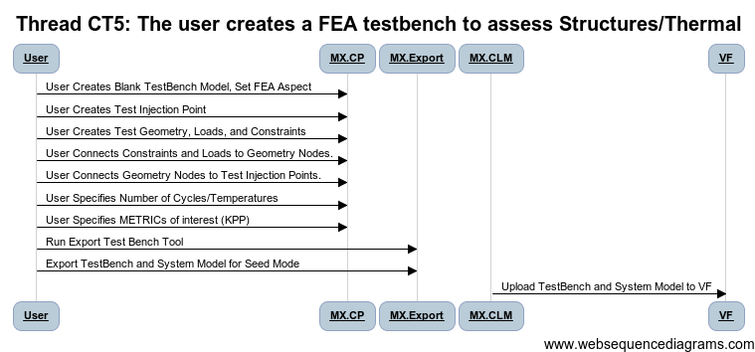
 | [Diagram Code]
 | title Thread CT5: The user creates a FEA testbench to assess Structures/Thermal

 | User->MX.CP: User Creates Blank TestBench Model, Set FEA Aspect
 | User->MX.CP: User Creates Test Injection Point
 | User->MX.CP:User Creates Test Geometry, Loads, and Constraints

 | User->MX.CP:User Connects Constraints and Loads to Geometry Nodes.
 | User->MX.CP:User Connects Geometry Nodes to Test Injection Points.
 | User->MX.CP: User Specifies Number of Cycles/Temperatures

 | User->MX.CP: User Specifies METRICs of interest (KPP)

 | User->MX.Export: Run Export Test Bench Tool
 | User->MX.Export: Export TestBench and System Model for Seed Mode
 | MX.CLM->VF:Upload TestBench and System Model to VF

Action Items
 | Use JSON or CyPhy.xme for Testbench interchange in near term? | JSON Lossless?
 | Define Directory Structures for Testbench design Exports
 | Where does VF Save Test Components
 | Modelica Solver
 | Handling of Phenomena and Resolution
 | Requirements Linkages
 | Test Bench Importer

WBS Items | Capability | Tasks
MX.VFD | JSON Design Import/Export | Implement
MX.CP | Language Extension for Other Stress Constraints/FF
MX.CP | Language Extension for Thermal
MX.CP | Connection of Loads Parameters from Other Testbenches

AP2
Thread ID | Narrative
AP2 | Use PET Tool to Explore Parametric Design Space/Optimize Parameters

Thread POC | Zsolt Lattmann
Revisions | Descr | Dates
 | 5/23/2012: Initial

Reviews |  | POC | Date | Concur
 | META Internal | Ted Bapty
 | VF
 | FANG
 | Gvt Team

Participants | FANG Competitor, Meta-X
Context | Competitor during design process, needs to evaluate the design vs. internal or external (KPP) goals

Pre | The design for evaluation, and testbench exist in local CyPhy Design Project, user has downloaded appropriate Context Models,
Post | The dynamics simulation runs and returns the KPP
Dependencies | CT1, CT2
Ext Tools | Modelica: OpenModelica, Jmodelica, Dymola
Uses Products | FANG Test Bench, User Defined Test Bench, Environment/Context Models

 | Description | Pre | Post | Tool Used | Status | WBS | Test | Documented In | Known Issues
1 | Create PET Model | Testbench model exists in CyPhy GME | PET Blank Model | MX.CP | Complete |  | TMP_XX.1 | CyPhyUM Pgxx
2 | Add Test Bench Refs, PCC Drivers, Specify Topology | PET Blank Model | Configured PET Model | MX.CP | Prototype
3 | Execute PET Model | PET Model | Configured PCC in MDAO and Test Bench Executables | MX.PET, MX.PCC | Prototype | MX.PET
4 | Execute OpenMDAO Model | Configured OpenMDAO | PCC Data Computed | MX.PET, MX.MDAO MX.MOD | Prototype | MX.PCC, MX.MDAO, MX.MOD |  |  | Component Model compatibility with OSS Modelica Products (REF:___)
5 | Check Results into VehicleForge (ADD+COMMIT) |  |  | MX.MAS,EXT.SVN |  | MX.DYN |  |  | Need Standard REPO and Directory Structure
 |  |  |  |  |  |  |  |  | What SVN Tool
 |  |  |  |  |  |  |  |  | Decision on what to check in? User or auto?
Todo
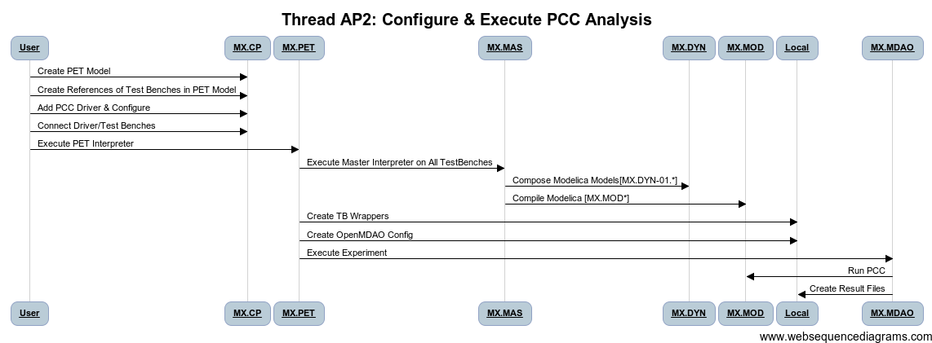
1 | Modelica Open Source Issues

 | [Diagram Code]
 | title Thread AP2: Configure & Execute PCC Analysis
 |  |  |  |  |  |  |  |  |  | title Thread AD1a
 | User->MX.CP: Create PET Model
 | User->MX.CP: Create References of Test Benches in PET Model |  |  |  |  |  |  |  |  | User->MX.CP:(1) visualizes and manually inspects for correctness
 | User->MX.CP: Add PCC Driver & Configure |  |  |  |  |  |  |  |  | MX.CP->MX.DYN:(2) generates sim artifacts
 | User->MX.CP: Connect Driver/Test Benches |  |  |  |  |  |  |  |  | MX.DYN->MX.MOD:(3) opens generated Modelica projects
 | User->MX.PET:Execute PET Interpreter |  |  |  |  |  |  |  |  | MX.MOD->MX.MOD:(4) runs generated Modelica model
 | MX.PET->MX.MAS:Execute Master Interpreter on All TestBenches |  |  |  |  |  |  |  |  | MX.MOD->VF:(5) Add + Commit
 | MX.MAS->MX.DYN: Compose Modelica Models[MX.DYN-01.*] |  |  |  |  |  |  |  |  | MX.DYN->MX.MOD:(6) Batch Mode (3.4)
 | MX.MAS->MX.MOD: Compile Modelica [MX.MOD*]
 | MX.PET->Local: Create TB Wrappers
 | MX.PET->Local : Create OpenMDAO Config
 | MX.PET->MX.MDAO: Execute Experiment
 | MX.MDAO-> MX.MOD: Run PCC
 | MX.MDAO -> Local: Create Result Files

Action Items
 | Definition of Results File Structure
 | Definition of Results Metadata File | DPRef, Reqts, KPP, CFG, Date, Envs, TB#, ….
 | Modelica Issues
 | Phenemona Selection/Composition | Need Phenom Config Method, Need Models Supporting

 | Job Manager Update

 | Tool to see if test bench results are valid

WBS Items | Capability | Tasks
MX.CP | Support for Multi Phenom/Resolution
MX.DYN | Phenomena Support | Implement
MX.DYN | Multi-Resolution Support
MX.DYN | Prep Execution Job for Master | Implement
MX.JM | Update of Job Manager | Prototype Existing, Manifest Generation
MX.DYN | Support for Cyber/Mobility | TBD: Sync With CS…
MX.DYN | Hierarchical Connector Support | Done, Not tested
MX.CP | Internal/External Environments - Language Change | Definition Needed
MX.DYN | Internal/External Environments | Needs Definition | Wait til next test bench dump |  | Hack Exists, Small Fix After
MX.DYN | FMI Interface Integration | WORKING, Test | Works for Wrapped MO Components
MX.DYN | Enumerated Port Types for Support | Waiting Def
MX.DYN | XML Format for Components Matching JSON DDP | Waiting Def

AP1
Thread ID | Narrative
AP1 | Use PET Tool to Explore Parametric Design Space/Optimize Parameters

Thread POC | Zsolt Lattmann
Revisions | Descr | Dates
 | 5/23/2012: Initial

Reviews |  | POC | Date | Concur
 | META Internal | Ted Bapty
 | VF
 | FANG
 | Gvt Team

Participants | FANG Competitor, Meta-X
Context | Competitor during design process, needs to evaluate the design vs. internal or external (KPP) goals

Pre | The design for evaluation, and testbench exist in local CyPhy Design Project, user has downloaded appropriate Context Models,
Post | The dynamics simulation runs and returns the KPP
Dependencies | CT1, CT2
Ext Tools | Modelica: OpenModelica, Jmodelica, Dymola
Uses Products | FANG Test Bench, User Defined Test Bench, Environment/Context Models

Step ID | Description | Pre | Post | Tool Used | Status | WBS | Test | Documented In | Known Issues
1 | Create PET Model | Testbench model exists in CyPhy GME | PET Blank Model | MX.CP | Complete |  | TMP_XX.1 | CyPhyUM Pgxx
2 | Add Test Bench Refs, Drivers, Specify Topology | PET Blank Model | Configured PET Model | MX.CP | Prototype
3 | Execute PET Model | PET Model | Configured MDAO and Test Bench Executables | MX.PET | Prototype | MX.PET
4 | Execute OpenMDAO Model | Configured OpenMDAO | Run log from Modelica, Data on Disk(MAT, CSV, PLT). Metrics Generated for DASHBOARD, (results.json) | MX.PET, MX.MDAO MX.MOD | Prototype | MX.MOD |  |  | Component Model compatibility with OSS Modelica Products (REF:___)
5 | Check Results into VehicleForge (ADD+COMMIT) |  |  | MX.MAS,EXT.SVN |  | MX.DYN |  |  | Need Standard REPO and Directory Structure
 |  |  |  |  |  |  |  |  | What SVN Tool
 |  |  |  |  |  |  |  |  | Decision on what to check in? User or auto?
Todo

1 | Modelica Open Source Issues

 | [Diagram Code]

 | title Thread AP1: Configure & Execute PET Analysis |  |  |  |  |  |  |  |  | title Thread AD1a

 | User->MX.CP: Create PET Model |  |  |  |  |  |  |  |  | User->MX.CP:(1) visualizes and manually inspects for correctness
 | User->MX.CP: Create References of Test Benches in PET Model |  |  |  |  |  |  |  |  | MX.CP->MX.DYN:(2) generates sim artifacts
 | User->MX.CP: Add Driver & Configure |  |  |  |  |  |  |  |  | MX.DYN->MX.MOD:(3) opens generated Modelica projects
 | User->MX.CP: Connect Driver/Test Benches |  |  |  |  |  |  |  |  | MX.MOD->MX.MOD:(4) runs generated Modelica model
 | User->MX.PET:Execute PET Interpreter |  |  |  |  |  |  |  |  | MX.MOD->VF:(5) Add + Commit
 | MX.PET->MX.MAS:Execute Master Interpreter on All TestBenches |  |  |  |  |  |  |  |  | MX.DYN->MX.MOD:(6) Batch Mode (3.4)
 | MX.MAS->MX.DYN: Compose Modelica Models[MX.DYN-01.*]
 | MX.MAS->MX.MOD: Compile Modelica [MX.MOD*]
 | MX.PET->Local: Create TB Wrappers
 | MX.PET->Local : Create OpenMDAO Config
 | MX.PET->MX.MDAO: Execute Experiment
 | MX.MDAO-> MX.MOD: Run DOE/OPT & TB's
 | MX.MDAO -> Local: Create Result Files

Action Items
 | Definition of Results File Structure
 | Definition of Results Metadata File | DPRef, Reqts, KPP, CFG, Date, Envs, TB#, ….
 | Modelica Issues
 | Phenemona Selection/Composition | Need Phenom Config Method, Need Models Supporting

 | Job Manager Update

 | Tool to see if test bench results are valid

WBS Items | Capability | Tasks
MX.CP | Support for Multi Phenom/Resolution
MX.DYN | Phenomena Support | Implement
MX.DYN | Multi-Resolution Support
MX.DYN | Prep Execution Job for Master | Implement
MX.JM | Update of Job Manager | Prototype Existing, Manifest Generation
MX.DYN | Support for Cyber/Mobility | TBD: Sync With CS…
MX.DYN | Hierarchical Connector Support | Done, Not tested
MX.CP | Internal/External Environments - Language Change | Definition Needed
MX.DYN | Internal/External Environments | Needs Definition | Wait til next test bench dump |  | Hack Exists, Small Fix After
MX.DYN | FMI Interface Integration | WORKING, Test | Works for Wrapped MO Components
MX.DYN | Enumerated Port Types for Support | Waiting Def
MX.DYN | XML Format for Components Matching JSON DDP | Waiting Def

AD1a
Thread ID | Narrative
AD1a | The user executes a dynamics testbench on his local workstation to assess his design for dynamic performance

Thread POC | Zsolt Lattmann
Revisions | Descr | Dates
 | 5/23/2012: Initial

Reviews |  | POC | Date | Concur
 | META Internal | Ted Bapty
 | VF
 | FANG
 | Gvt Team

Participants | FANG Competitor, Meta-X
Context | Competitor during design process, needs to evaluate the design vs. internal or external (KPP) goals

Pre | The design for evaluation, and testbench exist in local CyPhy Design Project, user has downloaded appropriate Context Models,
Post | The dynamics simulation runs and returns the KPP
Dependencies | CT1, CT2
Ext Tools | Modelica: OpenModelica, Jmodelica, Dymola
Uses Products | FANG Test Bench, User Defined Test Bench, Environment/Context Models

Step ID | Description | Pre | Post | Tool Used | Status | WBS | Test | Documented In | Known Issues
1 | User Opens TestBench | Testbench model exists in CyPhy GME | Model Open | MX.CP | Complete | MX.MAS.1,2,6 | TMP_XX.1 | CyPhyUM Pgxx
2 | Execute master Interpreter on Testbench | Testbench model open in GME, Dynamics Composer tool available | Testbench directory with a number of .mo files is created fresh on user's local workstation | MX.MAS, MX.DYN | Prototype | MX.MAS.1,2,6, MX.DYN.01.*
3 | User Opens generated Modelica projects OR Composer Auto Executes | Existing package.mo under the testbench directory | Modelica editor opens the package and is able to run the testbench | MX.MOD | Prototype | MX.MOD
4 | Run generated Modelica model | Existing modelica models generated from testbench | Run log from Modelica, Data on Disk(MAT, CSV, PLT). Metrics Generated for DASHBOARD, (results.json) | MX.MOD | Prototype | MX.MOD |  |  | Component Model compatibility with OSS Modelica Products (REF:___)
5 | Check Results into VehicleForge (ADD+COMMIT) |  |  |  |  | MX.DYN |  |  | Need Standard REPO and Directory Structure
 |  |  |  |  |  |  |  |  | What SVN Tool
 |  |  |  |  |  |  |  |  | Decision on what to check in? User or auto?
Todo
1 | Modelica Open Source Issues

 | [Diagram Code]
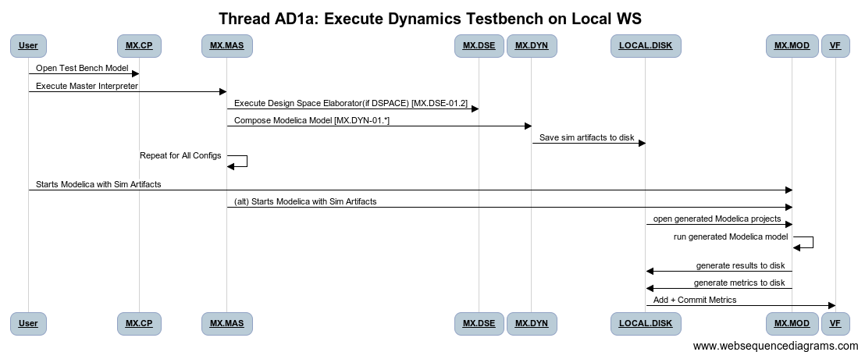
 | title Thread AD1a: Execute Dynamics Testbench on Local WS |  |  |  |  |  |  |  |  | title Thread AD1a

 | User->MX.CP: Open Test Bench Model |  |  |  |  |  |  |  |  | User->MX.CP:(1) visualizes and manually inspects for correctness
 | User->MX.MAS:Execute Master Interpreter |  |  |  |  |  |  |  |  | MX.CP->MX.DYN:(2) generates sim artifacts
 | MX.MAS->MX.DSE: Execute Design Space Elaborator(if DSPACE) [MX.DSE-01.2] |  |  |  |  |  |  |  |  | MX.DYN->MX.MOD:(3) opens generated Modelica projects
 | MX.MAS->MX.DYN: Compose Modelica Model [MX.DYN-01.*] |  |  |  |  |  |  |  |  | MX.MOD->MX.MOD:(4) runs generated Modelica model
 | MX.DYN->LOCAL.DISK:Save sim artifacts to disk |  |  |  |  |  |  |  |  | MX.MOD->VF:(5) Add + Commit
 | MX.MAS->MX.MAS: Repeat for All Configs |  |  |  |  |  |  |  |  | MX.DYN->MX.MOD:(6) Batch Mode (3.4)
 | User->MX.MOD:Starts Modelica with Sim Artifacts
 | MX.MAS->MX.MOD:(alt) Starts Modelica with Sim Artifacts
 | LOCAL.DISK->MX.MOD: open generated Modelica projects
 | MX.MOD->MX.MOD:run generated Modelica model
 | MX.MOD->LOCAL.DISK: generate results to disk
 | MX.MOD->LOCAL.DISK: generate metrics to disk
 | LOCAL.DISK->VF: Add + Commit Metrics
 | # MX.DYN->MX.MOD:(6) Batch Mode (3.4)

Action Items
 | Definition of Results File Structure
 | Definition of Results Metadata File | DPRef, Reqts, KPP, CFG, Date, Envs, TB#, ….
 | Modelica Issues
 | Phenemona Selection/Composition | Need Phenom Config Method, Need Models Supporting

 | Job Manager Update

 | Tool to see if test bench results are valid

WBS Items | Capability | Tasks
MX.CP | Support for Multi Phenom/Resolution
MX.DYN | Phenomena Support | Implement
MX.DYN | Multi-Resolution Support
MX.DYN | Prep Execution Job for Master | Implement
MX.JM | Update of Job Manager | Prototype Existing, Manifest Generation
MX.DYN | Support for Cyber/Mobility | TBD: Sync With CS…
MX.DYN | Hierarchical Connector Support | Done, Not tested
MX.CP | Internal/External Environments - Language Change | Definition Needed
MX.DYN | Internal/External Environments | Needs Definition | Wait til next test bench dump |  | Hack Exists, Small Fix After
MX.DYN | FMI Interface Integration | WORKING, Test | Works for Wrapped MO Components
MX.DYN | Enumerated Port Types for Support | Waiting Def
MX.DYN | XML Format for Components Matching JSON DDP | Waiting Def

AD2a
Thread ID | Narrative
AD2a | Visualize Results of Local Dynamics Testbench Execution, including internal simulation variables

Thread POC | Zsolt Lattmann
Revisions | Descr | Dates
 | 5/23/2012: Initial

Reviews |  | POC | Date | Concur
 | META Internal | Ted Bapty
 | VF
 | FANG
 | Gvt Team

Participants | FANG Competitor, Meta-X
Context | Competitor during design process, needs to interpret simulation results vs. internal or external (KPP) goals

Pre | User has executed dynamic simulation from a testbench (AD1a or AD1b with subsequent download) and needs to interpret results
 | NEW: Metadata log of all simulations available
Post | Plots displayed, user gains understanding of results and locates design problems
Dependencies | AD1a
Ext Tools | META Visualization Tool
Uses Products | Test Bench Results from Modelica Sim

Step ID | Description | Pre | Post | Tool Used | Status | % Complete | WBS | Test | Documented In | Known Issues

1 | User reviews available test bench data, selects an analysis, and launches viz tool | Testbench data on local, index file on local | Viz tool launched on target data | MX.DAS | Prototype | 0% |  |  |  | TBD: Browser based on manifest file???? | Need to further discuss with Dashboard
2 | User Browses Available Simulation Data, Selects Variables | Viz Tool Launched on target data | Plots for data appear for interpretation | MX.DAS, MX>RDV | Prototype | 70%
3 | Repeat for Other Signals | Viz Tool Launched on target data | Plots Visible | MX.DAS, MX>RDV | Prototype
4 | Potentially Save Plot Plot, Notes | Plots Visible | Plot Image Saved, Link/Spec to Regen | MX.DAS, MX>RDV | COTS
5 | Create Issue Tracking/Wiki/Notification for Team Collaboration | Image/Link | VF Collaboration Action Launched | VF.TIX | Gap

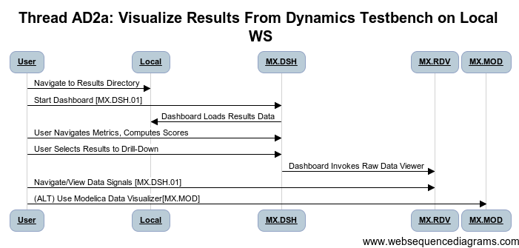
 | title Thread AD2a: Visualize Results From Dynamics Testbench on Local WS

 | User->Local: Navigate to Results Directory
 | User->MX.DSH: Start Dashboard [MX.DSH.01]
 | MX.DSH->Local: Dashboard Loads Results Data
 | User->MX.DSH: User Navigates Metrics, Computes Scores
 | User->MX.DSH: User Selects Results to Drill-Down
 | MX.DSH->MX.RDV: Dashboard Invokes Raw Data Viewer
 | User->MX.RDV: Navigate/View Data Signals [MX.DSH.01]
 | User->MX.MOD: (ALT) Use Modelica Data Visualizer[MX.MOD]

Todo
1 | Modelica Open Source Issues
2 | Create an interaction diagram

Action Items
 | Definition of Results File Structure
 | Definition of Results Metadata File
 | Modelica Issues

 | Discuss link to Visualizer from dashboard

WBS Items | Capability | Tasks
MX.VIS | Results Browser (using Metadata to find data) | Implement
MX.DYN | Link to VF Notification

AF1a
Thread ID | Narrative
AF1a | Execute FEA Testbench Locally

Thread POC | Robert Owens
Revisions | Descr | Dates
 | Initial | 2012-05-24

Reviews |  | Reviewer | Date | Concur
 | META Internal | Ted Bapty
 | VF
 | FANG
 | Gvt Team

Participants | FANG Competitor, Vehicle Forge, Meta-X

Pre | 1 ) Test Bench created per thread CT5. 2) If using the Abaqus solver: Abaqus 6.11 or later 64 bit version installed on a Windows machine. The Windows machine must have at least 32GB of addressable memory. Ideally this would be at least 16GB (preferably 32 GB) of RAM and the remaining via virtual memory. 3) If using the CalculiX solver: CAE Linux 2011( http://www.caelinux.com/CMS/) or later 64 bit version must be installed on an Unbuntu machine. The memory requirements for Abaqus listed above apply to CalculiX. 4) Creo CAD models that are used by the Test Bench
Post | Analyis results ready for consumption by the Dashboad
Dependencies | (on other threads …)

Step ID | Description | Pre | Post | Tool Used | Status | % Compl | WBS | Test | Documented In | Known Issues
1 | User invokes GME/CyPhyML | N/A | GME/CyPhyML editor active | MX.CP | Complete | 100%
2 | User opens the CyPhyML Test Bench created per thread CT5. | GME/CyPhyML editor active | Valid Test Bench | MX.CP | Complete | 100%
3 | User invokes the CyPhy2CAD interperter. Select the "Generate CAD Output File" check box. Complete the "Output Directory" and "CAD Directory" boxes. The "CAD Directory" box is the location of the directory that contains the Creo models. | CyPhyML Test Bench displayed | Two .bat files and one .xml file. The xml file describes the Test Bench aseembly and the contraint/loading conditions. | MX.CP | In Progress | 70% |  |  |  | Needs additions to support thread CT5 additions
4 | User runs as Administrator the CreateCADLinks.bat file created in the previous step. | Directory contents per the previous step | Symolic links to the Creo CAD models | MX.FEA | Complete | 100%
5 | User runs (as a regular user) the second bat file created per step 4. | Directory contents per the previous step | Creo Assembly. Analyis directory structure. | MX.FEA | In Progress | 70% |  |  |  | Needs additions to support thread CT5 additions
6 | If invoking Abaqus, user invokes the Abaqus solver via the .bat file in the Analysis\Abaqus directory | Directory contents per the previous step | Analysis\Abaqus directory containing the results from the solver | MX.FEA | Complete | 100%
7 | If invoking CalculiX, user invokes on the windows machine the Analysis\CalculiX\*_Deck.bat file. | Directory contents per the previous step | Generated *.inp deck file. | MX.FEA | Complete | 100%
8 | If invoking CalculiX, user copies the Analysis\CalculiX\*_LinuxRun.bat file and *.inp file to the Linux machine and invokes the bat file. | Directory contents per the previous step | Results from the solver. | MX.FEA | In Progress | 60% |  |  |  | Needs post-processing additions.

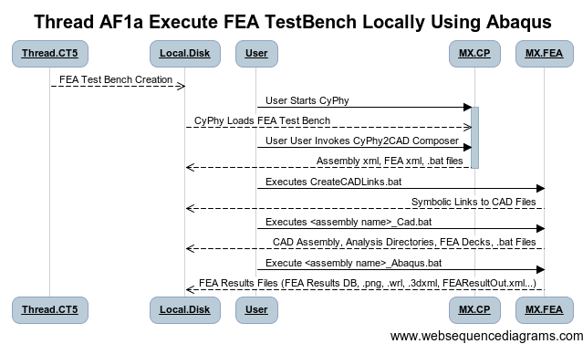

 | title Thread AF1a Execute FEA TestBench Locally Using Abaqus

 | Thread.CT5-->Local.Disk: FEA Test Bench Creation
 | User->MX.CP: User Starts CyPhy
 | activate MX.CP
 | Local.Disk--> MX.CP: CyPhy Loads FEA Test Bench
 | User->MX.CP:User User Invokes CyPhy2CAD Composer
 | MX.CP-->Local.Disk: Assembly xml, FEA xml, .bat files
 | deactivate MX.CP
 | User->MX.FEA: Executes CreateCADLinks.bat
 | MX.FEA-->Local.Disk:Symbolic Links to CAD Files
 | User->MX.FEA: Executes <assembly name>_Cad.bat
 | MX.FEA -->Local.Disk: CAD Assembly, Analysis Directories, FEA Decks, .bat Files
 | User->MX.FEA: Execute <assembly name>_Abaqus.bat
 | MX.FEA -->Local.Disk: FEA Results Files (FEA Results DB, .png, .wrl, .3dxml, FEAResultOut.xml...)

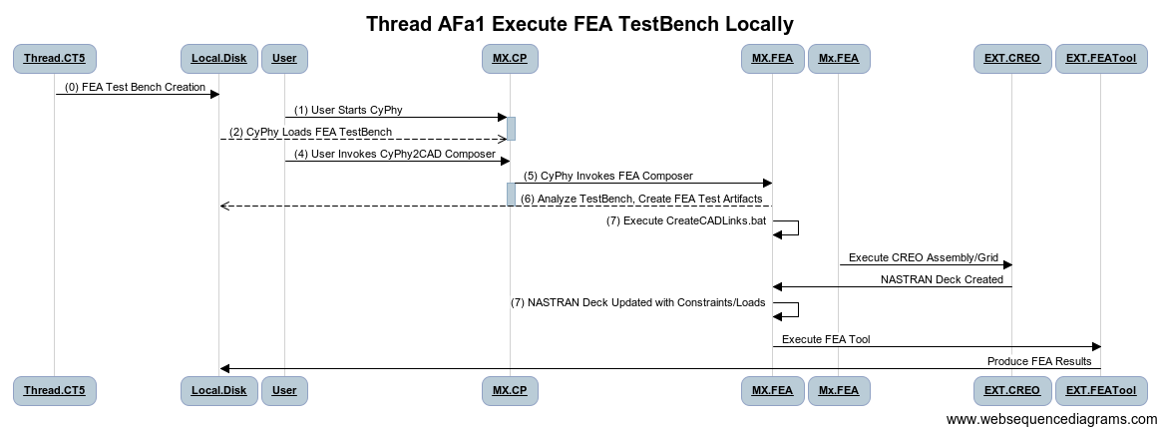

 | title Thread AFa1 Execute FEA TestBench Locally

 | Thread.CT5->Local.Disk:(0) FEA Test Bench Creation
 | User->MX.CP:(1) User Starts CyPhy
 | activate MX.CP
 | Local.Disk--> MX.CP:(2) CyPhy Loads FEA TestBench
 | deactivate MX.CP
 | User->MX.CP:(4) User Invokes CyPhy2CAD Composer

 | MX.CP -> MX.FEA: (5) CyPhy Invokes FEA Composer
 | activate MX.CP
 | MX.FEA --> Local.Disk:(6) Analyze TestBench, Create FEA Test Artifacts
 | deactivate MX.CP
 | MX.FEA->MX.FEA:(7) Execute CreateCADLinks.bat
 | Mx.FEA->EXT.CREO: Execute CREO Assembly/Grid
 | EXT.CREO -> MX.FEA: NASTRAN Deck Created
 | MX.FEA->MX.FEA:(7) NASTRAN Deck Updated with Constraints/Loads
 | MX.FEA->EXT.FEATool: Execute FEA Tool
 | EXT.FEATool -> Local.Disk: Produce FEA Results

Action Items
 | Definition of Results File Structure
 | Definition of Results Metadata File
 | Remote Executoin Operations
 | Support Other CAD Formats

WBS Items | Capability | Tasks
 | CAD Assembly on Remote Server | Implement
 | Environment Model Linkage
 | Automation of processing steps into 1 batch/master interp
 | Support Other Forcing Functions/Constraints
 | Support Thermal Analysis

AF2a
Thread ID | Narrative
AF2a | Visualize Results of Local FEA Testbench Execution

Thread POC | Robert Owens
Revisions | Descr | Dates
 | Initial | 2012-05-24

Reviews |  | Reviewer | Date | Concur
 | META Internal | Ted Bapty
 | VF
 | FANG
 | Gvt Team

Participants | FANG Competitor, Vehicle Forge, Meta-X

Pre | 1 ) Results per thread AF1a 2) If using the Abaqus: 3DXML viewer (http://www.3ds.com/products/3dvia/3d-xml/overview) 3) If using the CalculiX solver: a) If viewing the results on Linux, CAE Linux 2011( http://www.caelinux.com/CMS/) or later 64 bit version must be installed on an Unbuntu machine. b) If viewing the results on Windows, CalculiX Viewer (SciTE) Installed for Windows(install bConverged CalculiX for Windows(http://www.bconverged.com/))
Post | Visual inspection of the FEA results
Dependencies | (on other threads …)

Step ID | Description | Pre | Post | Tool Used | Status | % Compl | WBS | Test | Documented In | Known Issues
1 | Created results per thread AF1a | AF1a results | Results files (e.g. png, 3dxml, wrl, frd) | MX.FEA | Complete | 100%
2 | View results via viewers applicable to the particular format. | AF1a results | Result Displayed | MX.FEA | Complete | 100%
3 | Forward the results to the dashboad. | AF1a results | TBD | MX.FEA | In Progress | 50% |  |  |  | Results file exists; however, it must be integrated with the dashboad.
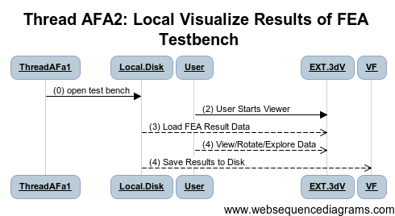

 | title Thread AFA2: Local Visualize Results of FEA Testbench

 | ThreadAFa1->Local.Disk:(0) open test bench
 | User->EXT.3dV:(2) User Starts Viewer
 | Local.Disk--> EXT.3dV:(3) Load FEA Result Data
 | User-->EXT.3dV:(4) View/Rotate/Explore Data
 | Local.Disk --> VF:(4) Save Results to Disk

Action Items
 | Definition of Results File Structure
 | Definition of Results Metadata File
 | Visualizers

WBS Items | Capability | Tasks
VF.VIS | Results Browser (using Metadata to find data) | Implement
VF.VIS | Link to VF Notification, wiki/tickets

AM1
Thread ID | Narrative
AM1 | The user executes a mobility testbench on his local workstation to assess his design for mobility performance

Thread POC | Jason Scott
Revisions | Description | Dates
 | 5/23/2012: Initial

Reviews |  | POC | Date | Concur
 | META Internal | Ted Bapty
 | VF
 | FANG
 | Gvt Team

Participants | FANG Competitor, Meta-X
Context | Competitor during design process, needs to evaluate the design vs. internal or external (KPP) goals

Pre | The design for evaluation, and testbench exist in local CyPhy Design Project, user has downloaded appropriate Context Models,
Post | The mobility simulation runs and returns the KPP
Dependencies | CT1, CT8
Ext Tools | N/A
Uses Products | FANG Test Bench, User Defined Test Bench, Environment/Context Models

Step ID | Description | Pre | Post | Tool Used | Status | % Complete | WBS | Test | Documented In | Known Issues
1 | User Visualizes the Test Bench and manually inspects for correctness | Testbench model exists in CyPhy GME |  | MX.CP | Complete | 100% |  |  | CyPhyUM Pgxx
2 | User Generates Sim artifacts from Testbench | Testbench model open in GME, Dynamics Composer tool available | Testbench directory with a number of simulink .m files is created fresh on user's local workstation; multi-body vehicle description created | MX.DYN | Prototype | 100%
3 | User Generates Multi-body Mobility artifacts from TestBench | Testbench model open in GME, Dynamics Composer tool available |  | MX.FEA | In Progress | 30% |  |  |  | Multibody generation in prototype phase
4 | User Opens MATLAB; runs IFV_Buildscript to generate Simulink model | Existing IFV_Buildscript, etc. under the testbench/"generated" directory | MATLAB script executes & generates Simulink model | MATLAB | N/A | N/A
5 | User Opens & Runs Mobility Analysis | Multi-body vehicle description present | KPP Metrics, monitores forces (for FEA) logged output | MX.MOB | Prototype | 40% |  |  |  | Mobility/Multibody: Need support for water & tank tread friction model; Need Modelica interface

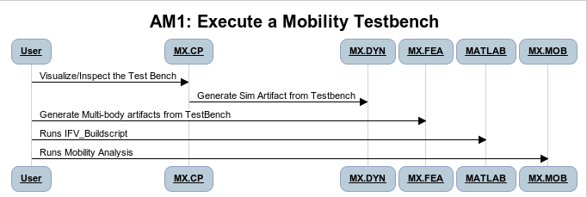
Notes
1 | Future: Support Batch Model - decouple from real-time; need robo-driver
2 | Investiagte roll-up of powertrain params for ElectroTank
3 | Evaluate feasibility of Adams simulation
 | Automate to single click

 | User->MX.CP: Visualize/Inspect the Test Bench
 | MX.CP->MX.DYN: Generate Sim Artifact from Testbench
 | User->MX.FEA: Generate Multi-body artifacts from TestBench
 | User->MATLAB: Runs IFV_Buildscript
 | User->MX.MOB: Runs Mobility Analysis

Action Items
 | Resolve Test Bench Definitions (See blue area K33 on MT8)
 | Resolve intermediate representation of test bench
 | Develop plan for Modelica implementation
 | Develop Automated CAD model generation with kinematic joints
 | Develop set of kinematic driver components
 | Evaluate ADAMS |  | Lower Priority/Calibibration

WBS Items | Capability | Tasks
MX.CP | CyPhy Ability to Support Mobility Testbench | Define Mob TB Concepts
MX.DYN | Generate Simulink Version of Dynamics with Mob Components | Component Interface Defs
MX.MOB | Generate Harness for mobility sims
MX.MOB.RT | Runtime For Delta3D/Physix to read/Enact Mobility Config
MX.CAD | Support generation of kinematic links
MX.CP | Testbench to model Solver type
MX.DYN | Dynamcs Interp to Impose Solver Type

CS1
Thread ID | Narrative
CS1 | Create a new idealized controller and publish to VF.

Thread POC | Joe Porter
Revisions | Descr | Dates
 | 5/23/2012: Initial

Reviews |  | POC | Date | Concur
 | META Internal
 | VF
 | FANG
 | Gvt Team

Participants | FANG Competitor, Meta-X
Context | Competitor creates a new controller design either in Simulink or using the controller sublanguage of CyPhyML.

Pre | User has specified the signal interface and function for the controller.
Post | Controller component defined and properly stored in VF.
Dependencies
Ext Tools | Simulink/Stateflow
Uses Products | MDL2MGA->CyPhyML, VF component importer

Step ID | Description | Pre | Post | Tool Used | Status | % Complete | WBS | Test | Documented In | Known Issues
1 | User defines controller manually using CyPhyML SignalFlow sublanguage and available blocks. |  |  | MX.CP | Prototype | 0%
1a | User imports a controller from Simulink/Stateflow using MDL2MGA. | Existing Simulink mdl-file. |  | MX.CP | Prototype | 0%
2 | User defines a component (signal) interface for the ideal controller, including known port semantics. If unknown then leave as continuous-time. |  |  | MX.CP | Prototype | 0%
3 | User logs in to VehicleForge |  |  | VF | Prototype | 0%
4 | User imports the controller component into VehicleForge. |  |  | MX.VFC | Gap | 0%

Todo
1
2

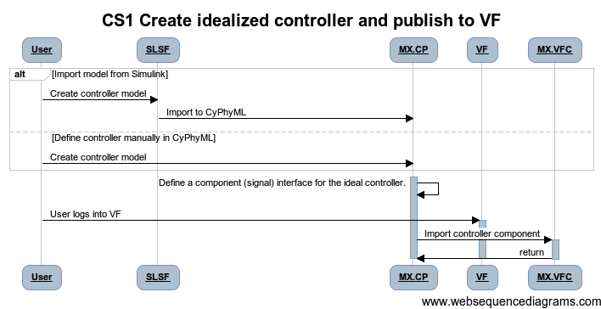
 |  |  |  |  |  | title CS1 Create idealized controller and publish to VF

 |  |  |  |  |  | alt Import model from Simulink
 |  |  |  |  |  | User->SLSF: Create controller model
 |  |  |  |  |  | SLSF->MX.CP: Import to CyPhyML
 |  |  |  |  |  | else Define controller manually in CyPhyML
 |  |  |  |  |  | User->MX.CP: Create controller model
 |  |  |  |  |  | end

 |  |  |  |  |  | MX.CP->MX.CP: Define a component (signal) interface for the ideal controller.
 |  |  |  |  |  | activate MX.CP

 |  |  |  |  |  | User->VF: User logs into VF
 |  |  |  |  |  | activate VF
 |  |  |  |  |  | MX.CP->MX.VFC: Import controller component
 |  |  |  |  |  | activate MX.VFC
 |  |  |  |  |  | MX.VFC->MX.CP: return
 |  |  |  |  |  | deactivate MX.VFC

Action Items

WBS Items | Capability | Tasks

CS2
Thread ID | Narrative
CS2 | Create a new physical computing assembly and publish to VF

Thread POC | Joe Porter
Revisions | Descr | Dates
 | 5/24/2012: Initial

Reviews |  | POC | Date | Concur
 | META Internal
 | VF
 | FANG
 | Gvt Team

Participants | FANG Competitor, Meta-X
Context | Competitor defines a computing platform assembly and publishes it to vehicleforge.

Pre
Post | Computing hardware platform model created and stored in VF.
Dependencies
Ext Tools
Uses Products | CyPhyML, VF component importer

Step ID | Description | Pre | Post | Tool Used | Status | % Complete | WBS | Test | Documented In | Known Issues
1 | User defines a physical platform assembly consisting of CPUs, networks, and physical interfaces. |  |  | MX.CP | Prototype | 0%
2 | Translate the platform assembly to ESMoL. |  |  | MX.CP | Gap | 0%
3 | User logs in to VehicleForge |  |  | VF | Prototype | 0%
4 | User imports the platform assembly and ESMoL model into VehicleForge. |  |  | MX.VFC | Gap | 0%

Todo
1
2
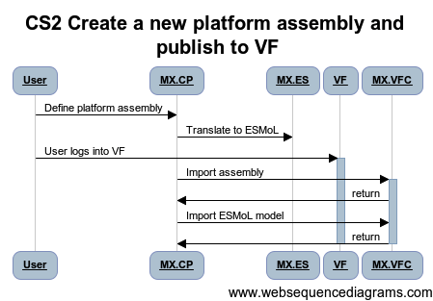

 |  |  | title CS2 Create a new platform assembly and publish to VF
 |  |  |  |  | title CS2 Create a new physical computing assembly and publish it to VF
 |  |  | User->MX.CP: Define platform assembly
 |  |  | MX.CP->MX.ES: Translate to ESMoL |  | User->MX.CP: Define physical computing assembly
 |  |  | User->VF: User logs into VF |  | MX.CP->MX.ES: Translate to ESMoL
 |  |  | activate VF |  | User->VF: User logs into VF
 |  |  | MX.CP->MX.VFC: Import assembly |  | activate VF
 |  |  | activate MX.VFC |  | MX.CP->MX.VFC: Import assembly and ESMoL model
 |  |  | MX.VFC->MX.CP: return |  | activate MX.VFC
 |  |  | MX.CP->MX.VFC: Import ESMoL model |  | MX.VFC->MX.CP: return
 |  |  | MX.VFC->MX.CP: return |  | deactivate MX.VFC
 |  |  | deactivate MX.VFC

Action Items

WBS Items | Capability | Tasks

CS3
Thread ID | Narrative
CS3 | Use controllers from VF to create a design.

Thread POC | Joe Porter
Revisions | Descr | Dates
 | 5/24/2012: Initial

Reviews |  | POC | Date | Concur
 | META Internal
 | VF
 | FANG
 | Gvt Team

Participants | FANG Competitor, Meta-X
Context | Defining designs that include controller components.

Pre | Controller models exist in VF.
Post | Design defined including controller, published in VF.
Dependencies
Ext Tools
Uses Products | CyPhyML, ESMoL, VF component importer

Step ID | Description | Pre | Post | Tool Used | Status | % Complete | WBS | Test | Documented In | Known Issues
1 | User logs in to VehicleForge |  |  | VF | Prototype | 0%
2a | User searches for the required components. |  |  | VF.CSR |  | 0%
2b | User downloads components from VF to local machine. |  |  | VF.CDL |  | 0%
3 | Downloaded components are updated in CyPhyML project. |  |  | MX.CP | Gap | 0%
4a | Users specifies the design in CyPhyML. |  |  | MX.CP | Prototype | 0%
4b | Check consistency of port / component execution semantics. |  |  | MX.CP | Gap
4c | Port / component execution semantics are updated in the whole design. |  |  | MX.CP | Gap
5 | User imports the design into VF. |  |  | MX.VFD

Todo
1
2

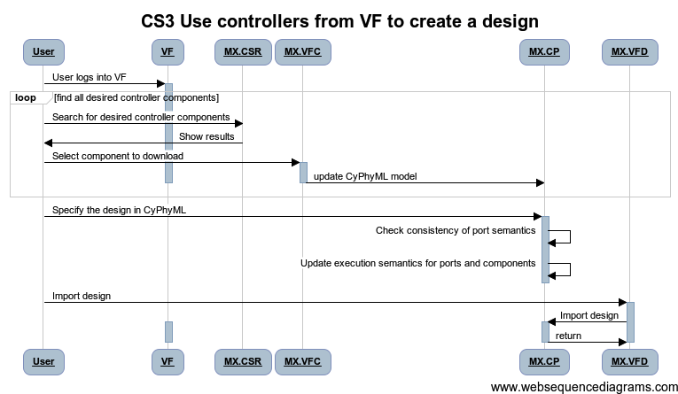
 |  |  |  |  |  | title CS3 Use controllers from VF to create a design

 |  |  |  |  |  | User->VF: User logs into VF
 |  |  |  |  |  | activate VF

 |  |  |  |  |  | loop find all desired controller components

 |  |  |  |  |  | User->MX.CSR: Search for desired controller components
 |  |  |  |  |  | MX.CSR->User: Show results
 |  |  |  |  |  | User->MX.VFC: Select component to download
 |  |  |  |  |  | activate MX.VFC
 |  |  |  |  |  | MX.VFC->MX.CP: update CyPhyML model
 |  |  |  |  |  | deactivate MX.VFC
 |  |  |  |  |  | end
 |  |  |  |  |  | deactivate VF

 |  |  |  |  |  | User->MX.CP: Specify the design in CyPhyML
 |  |  |  |  |  | activate MX.CP
 |  |  |  |  |  | MX.CP -> MX.CP: Check consistency of port semantics
 |  |  |  |  |  | MX.CP -> MX.CP: Update execution semantics for ports and components
 |  |  |  |  |  | deactivate MX.CP

 |  |  |  |  |  | User->MX.VFD: Import design
 |  |  |  |  |  | activate MX.VFD
 |  |  |  |  |  | MX.VFD->MX.CP: Import design
 |  |  |  |  |  | activate MX.CP
 |  |  |  |  |  | activate VF
 |  |  |  |  |  | MX.CP->MX.VFD: return

Action Items

WBS Items | Capability | Tasks

CS4
Thread ID | Narrative
CS4 | Create a controller component for existing controller code.

Thread POC | Joe Porter
Revisions | Descr | Dates
 | 5/24/2012: Initial

Reviews |  | POC | Date | Concur
 | META Internal
 | VF
 | FANG
 | Gvt Team

Participants | FANG Competitor, Meta-X
Context | Creating controllers in the component library.

Pre | Controller source code available.
Post | Componentized source code available in repository.
Dependencies
Ext Tools
Uses Products | CyPhyML, ESMoL, VF component importer

Step ID | Description | Pre | Post | Tool Used | Status | % Complete | WBS | Test | Documented In | Known Issues
1 | User imports source code into CyPhyML. |  |  | MX.CP | Gap | 0%
2 | User creates component with signal interface for source code, including port semantics where known. If unknown, specify Discrete-Event as the default most-expressive semantics. |  |  | MX.CP | Gap | 0%
3 | Generate FMU wrapper for code. |  |  | MX.FMUI | Gap
4 | User logs in to VehicleForge |  |  | VF |  | 0%
5 | User imports the controller component into VehicleForge. |  |  | MX.VFC |  | 0%

Todo
1
2
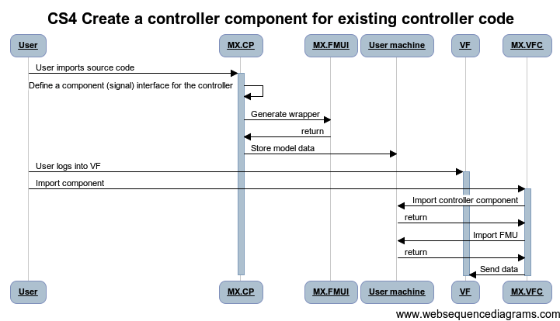

 |  |  |  |  |  |  |  | title CS4 Create a controller component for existing controller code

 |  |  |  |  |  |  |  | User->MX.CP: User imports source code
 |  |  |  |  |  |  |  | activate MX.CP
 |  |  |  |  |  |  |  | MX.CP->MX.CP: Define a component (signal) interface for the controller
 |  |  |  |  |  |  |  | MX.CP->MX.FMUI: Generate wrapper
 |  |  |  |  |  |  |  | MX.FMUI->MX.CP: return
 |  |  |  |  |  |  |  | MX.CP->User machine: Store model data

 |  |  |  |  |  |  |  | User->VF: User logs into VF
 |  |  |  |  |  |  |  | activate VF
 |  |  |  |  |  |  |  | User->MX.VFC: Import component
 |  |  |  |  |  |  |  | activate MX.VFC
 |  |  |  |  |  |  |  | MX.VFC->User machine: Import controller component
 |  |  |  |  |  |  |  | User machine->MX.VFC: return
 |  |  |  |  |  |  |  | MX.VFC->User machine: Import FMU
 |  |  |  |  |  |  |  | User machine->MX.VFC: return
 |  |  |  |  |  |  |  | MX.VFC->VF: Send data
 |  |  |  |  |  |  |  | deactivate MX.VFC

Action Items

WBS Items | Capability | Tasks

CS5
Thread ID | Narrative
CS5 | Attach an FMU to a controller component.

Thread POC | Joe Porter
Revisions | Descr | Dates
 | 5/24/2012: Initial

Reviews |  | POC | Date | Concur
 | META Internal
 | VF
 | FANG
 | Gvt Team

Participants | FANG Competitor, Meta-X
Context | Defining controller components.

Pre | Controller component exists in VF.
Post | Controller component has a refinement which includes an FMU.
Dependencies
Ext Tools
Uses Products | CyPhyML, ESMoL, VF component importer

Step ID | Description | Pre | Post | Tool Used | Status | % Complete | WBS | Test | Documented In | Known Issues
1 | User logs in to VehicleForge |  |  | VF | Prototype | 0%
2a | User searches for the desired component. |  |  | VF.CSR |  | 0%
2b | VF presents results back to user. |  |  | VF.CSR |  | 0%
3a | User selects component to download. |  |  | VF.CDL |  | 0%
3b | User downloads component from VF to local machine. |  |  | VF.CDL |  | 0%
4a | Import an FMU description into the component model. |  |  | MX.FMUI |  | 0%
4b | Check to see whether FMU port semantics are inconsistent with the controller port semantics. |  |  | MX.FMUI |  | 0%
4c | Update the component interface in CyPhyML, including port and component semantics. |  |  | MX.FMUI |  | 0%
5 | User imports the updated component into VF. |  |  | MX.VFC |  | 0%

Todo
1
2

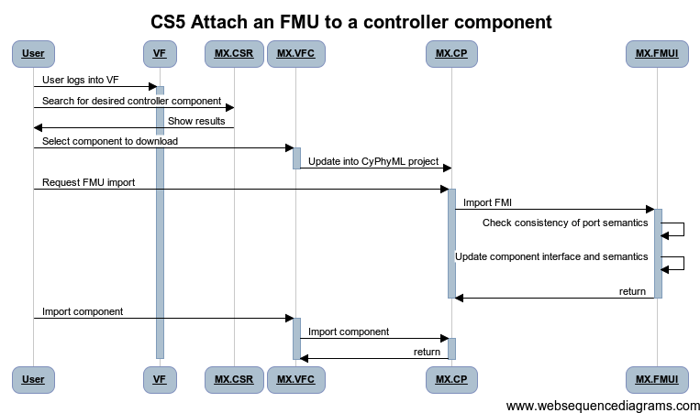
 |  |  |  |  |  | title CS5 Attach an FMU to a controller component

 |  |  |  |  |  | User->VF: User logs into VF
 |  |  |  |  |  | activate VF

 |  |  |  |  |  | User->MX.CSR: Search for desired controller component
 |  |  |  |  |  | MX.CSR->User: Show results
 |  |  |  |  |  | User->MX.VFC: Select component to download
 |  |  |  |  |  | activate MX.VFC
 |  |  |  |  |  | MX.VFC->MX.CP: Update into CyPhyML project
 |  |  |  |  |  | deactivate MX.VFC

 |  |  |  |  |  | User->MX.CP: Request FMU import
 |  |  |  |  |  | activate MX.CP
 |  |  |  |  |  | MX.CP->MX.FMUI: Import FMI
 |  |  |  |  |  | activate MX.FMUI
 |  |  |  |  |  | MX.FMUI-> MX.FMUI: Check consistency of port semantics
 |  |  |  |  |  | MX.FMUI->MX.FMUI: Update component interface and semantics
 |  |  |  |  |  | MX.FMUI->MX.CP: return
 |  |  |  |  |  | deactivate MX.FMUI
 |  |  |  |  |  | deactivate MX.CP

 |  |  |  |  |  | User->MX.VFC: Import component
 |  |  |  |  |  | activate MX.VFC
 |  |  |  |  |  | MX.VFC->MX.CP: Import component
 |  |  |  |  |  | activate MX.CP
 |  |  |  |  |  | MX.CP->MX.VFC: return

Action Items

WBS Items | Capability | Tasks

CS6
Thread ID | Narrative
CS6 | Attach an FMU to a controller design.

Thread POC | Joe Porter
Revisions | Descr | Dates
 | 5/25/2012: Initial

Reviews |  | POC | Date | Concur
 | META Internal
 | VF
 | FANG
 | Gvt Team

Participants | FANG Competitor, Meta-X
Context | Defining controller designs.

Pre | Controller design exists in VF.
Post | Controller design has an FMU refinement and is published to VF.
Dependencies
Ext Tools
Uses Products | CyPhyML, VF component importer

Step ID | Description | Pre | Post | Tool Used | Status | % Complete | WBS | Test | Documented In | Known Issues
1 | User logs in to VehicleForge |  |  | VF | Prototype | 0%
2a | User searches for the desired component. |  |  | VF.CSR |  | 0%
2b | VF presents results back to user. |  |  | VF.CSR |  | 0%
3a | User selects component to download. |  |  | VF.CDL |  | 0%
3b | User downloads component from VF to local machine. |  |  | VF.CDL |  | 0%
4a | Import an FMU description into the component model. |  |  | MX.FMUI |  | 0%
4b | Check FMU port and component execution semantics for consistency. |  |  | MX.FMUI |  | 0%
4c | Update the component interface in CyPhyML, updating the global port and component execution semantics. |  |  | MX.FMUI |  | 0%
5 | User imports the updated component into VF. |  |  | MX.VFC |  | 0%

Todo
1
2

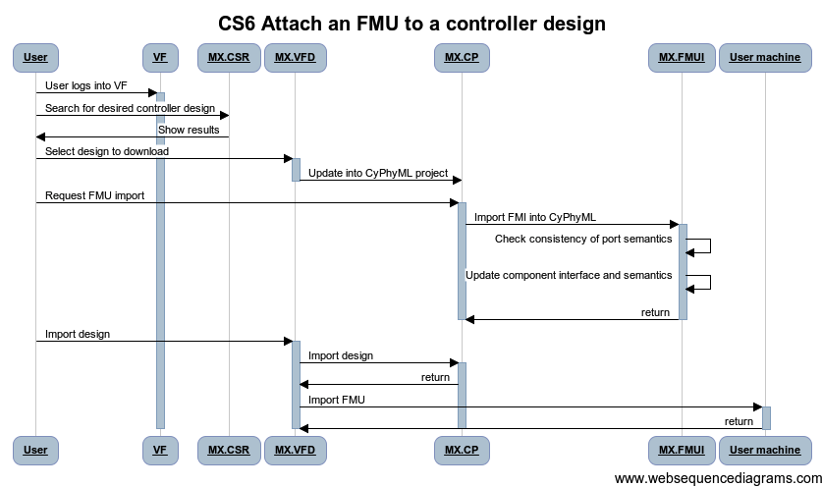
 |  |  |  |  |  |  | title CS6 Attach an FMU to a controller design

 |  |  |  |  |  |  | User->VF: User logs into VF
 |  |  |  |  |  |  | activate VF

 |  |  |  |  |  |  | User->MX.CSR: Search for desired controller design
 |  |  |  |  |  |  | MX.CSR->User: Show results
 |  |  |  |  |  |  | User->MX.VFD: Select design to download
 |  |  |  |  |  |  | activate MX.VFD
 |  |  |  |  |  |  | MX.VFD->MX.CP: Update into CyPhyML project
 |  |  |  |  |  |  | deactivate MX.VFD

 |  |  |  |  |  |  | User->MX.CP: Request FMU import
 |  |  |  |  |  |  | activate MX.CP
 |  |  |  |  |  |  | MX.CP->MX.FMUI: Import FMI into CyPhyML
 |  |  |  |  |  |  | activate MX.FMUI
 |  |  |  |  |  |  | MX.FMUI-> MX.FMUI: Check consistency of port semantics
 |  |  |  |  |  |  | MX.FMUI->MX.FMUI: Update component interface and semantics
 |  |  |  |  |  |  | MX.FMUI->MX.CP: return
 |  |  |  |  |  |  | deactivate MX.CP
 |  |  |  |  |  |  | deactivate MX.FMUI

 |  |  |  |  |  |  | User->MX.VFD: Import design
 |  |  |  |  |  |  | activate MX.VFD
 |  |  |  |  |  |  | MX.VFD->MX.CP: Import design
 |  |  |  |  |  |  | activate MX.CP
 |  |  |  |  |  |  | MX.CP->MX.VFD: return
 |  |  |  |  |  |  | MX.VFD->User machine: Import FMU
 |  |  |  |  |  |  | activate User machine
 |  |  |  |  |  |  | User machine->MX.VFD: return

Action Items

WBS Items | Capability | Tasks

CS7
Thread ID | Narrative
CS7 | Attach an FMU to a controller component.

Thread POC | Joe Porter
Revisions | Descr | Dates
 | 5/23/2012: Initial

Reviews |  | POC | Date | Concur
 | META Internal
 | VF
 | FANG
 | Gvt Team

Participants | FANG Competitor, Meta-X
Context | Defining controller components.

Pre | Controller component exists in VF.
Post | Controller component has a refinement which includes an FMU.
Dependencies
Ext Tools
Uses Products | CyPhyML, ESMoL, VF component importer

Step ID | Description | Pre | Post | Tool Used | Status | % Complete | WBS | Test | Documented In | Known Issues
1 | User logs in to VehicleForge |  |  | VF | Prototype | 0%
2a | User searches for the desired component. |  |  | VF.CSR |  | 0%
2b | VF presents results back to user. |  |  | VF.CSR |  | 0%
3a | User selects component to download. |  |  | VF.CDL |  | 0%
3b | User downloads component from VF to local machine. |  |  | VF.CDL |  | 0%
4 | Import an FMU description into the component model. |  |  | MX.FMUI |  | 0%
 | Update the component interface in CyPhyML. |  |  | MX.CP |  | 0%
5 | User imports the updated component into VF. |  |  | MX.VFC |  | 0%

Todo
1
2
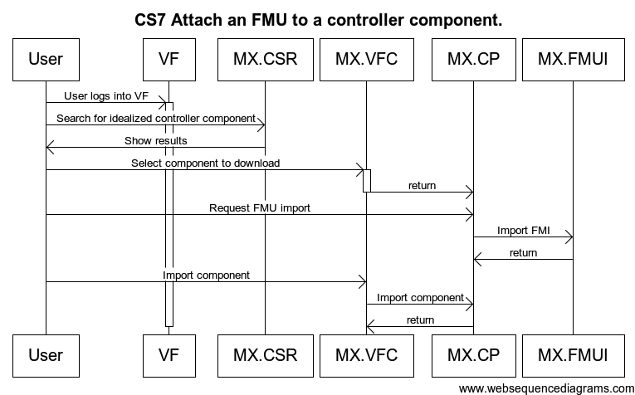
 |  |  |  |  |  |  | title CS7 Attach an FMU to a controller component.

 |  |  |  |  |  |  | User->VF: User logs into VF
 |  |  |  |  |  |  | activate VF

 |  |  |  |  |  |  | User->MX.CSR: Search for idealized controller component
 |  |  |  |  |  |  | MX.CSR->User: Show results
 |  |  |  |  |  |  | User->MX.VFC: Select component to download
 |  |  |  |  |  |  | activate MX.VFC
 |  |  |  |  |  |  | MX.VFC->MX.CP: return
 |  |  |  |  |  |  | deactivate MX.VFC

 |  |  |  |  |  |  | User->MX.CP: Request FMU import
 |  |  |  |  |  |  | MX.CP->MX.FMUI: Import FMI
 |  |  |  |  |  |  | MX.FMUI->MX.CP: return

 |  |  |  |  |  |  | User->MX.VFC: Import component
 |  |  |  |  |  |  | MX.VFC->MX.CP: Import component
 |  |  |  |  |  |  | MX.CP->MX.VFC: return

Action Items

WBS Items | Capability | Tasks

VE1
Thread ID | Narrative
VE1 | Generate equations from SignalFlow controller models (dataflow)

Thread POC | Joe Porter
Revisions | Descr | Dates
 | 5/25/2012: Initial

Reviews |  | POC | Date | Concur
 | META Internal
 | VF
 | FANG
 | Gvt Team

Participants | FANG Competitor, Meta-X
Context | Simulating controllers

Pre | Controller component in CyPhyML with SignalFlow behavior specification.
Post | Generated equation set for the dataflow part of the SignalFlow model, adaptable to inclusion in Modelica or other tools.
Dependencies
Ext Tools
Uses Products | CyPhyML, ESMoL, VF component importer

Step ID | Description | Pre | Post | Tool Used | Status | % Complete | WBS | Test | Documented In | Known Issues
1 | User opens controller component in CyPhyML. |  |  | MX.CP | Prototype | 0%
2 | Generate equations in Modelica form. |  |  | MX.MOD | In Progress | 0%
3 | Generate equations in other forms. |  |  | MX.SYM | Gap | 0%

Todo
1
2
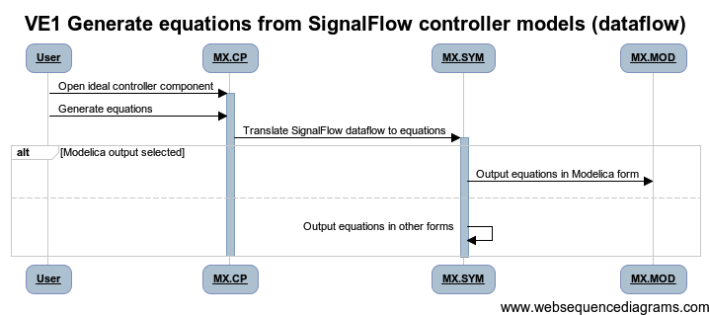

 |  |  |  |  |  | title VE1 Generate equations from SignalFlow controller models (dataflow)

 |  |  |  |  |  | User -> MX.CP: Open ideal controller component
 |  |  |  |  |  | activate MX.CP
 |  |  |  |  |  | User -> MX.CP: Generate equations
 |  |  |  |  |  | MX.CP -> MX.SYM: Translate SignalFlow dataflow to equations
 |  |  |  |  |  | activate MX.SYM

 |  |  |  |  |  | alt Modelica output selected
 |  |  |  |  |  | MX.SYM -> MX.MOD: Output equations in Modelica form
 |  |  |  |  |  | else
 |  |  |  |  |  | MX.SYM -> MX.SYM: Output equations in other forms
 |  |  |  |  |  | end

Action Items

WBS Items | Capability | Tasks

VE2
Thread ID | Narrative
VE2 | Generate equations from SignalFlow controller models (stateflow)

Thread POC | Joe Porter
Revisions | Descr | Dates
 | 5/25/2012: Initial

Reviews |  | POC | Date | Concur
 | META Internal
 | VF
 | FANG
 | Gvt Team

Participants | FANG Competitor, Meta-X
Context | Simulating controllers

Pre | Controller component in CyPhyML with SignalFlow behavior specification.
Post | Generated equation set for the stateflow part of the SignalFlow model, adaptable to inclusion in Modelica or other tools.
Dependencies
Ext Tools
Uses Products | CyPhyML, ESMoL, VF component importer

Step ID | Description | Pre | Post | Tool Used | Status | % Complete | WBS | Test | Documented In | Known Issues
1 | User opens controller component in CyPhyML. |  |  | MX.CP | Prototype | 0%
2 | Generate equations in Modelica form. |  |  | MX.MOD | Gap | 0%
3 | Generate equations in other forms. |  |  | MX.SYM | Gap | 0%

Todo
1
2

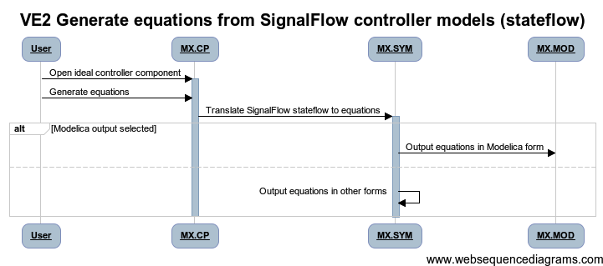
 |  |  |  |  |  | title VE2 Generate equations from SignalFlow controller models (stateflow)

 |  |  |  |  |  | User -> MX.CP: Open ideal controller component
 |  |  |  |  |  | activate MX.CP
 |  |  |  |  |  | User -> MX.CP: Generate equations
 |  |  |  |  |  | MX.CP -> MX.SYM: Translate SignalFlow stateflow to equations
 |  |  |  |  |  | activate MX.SYM

 |  |  |  |  |  | alt Modelica output selected
 |  |  |  |  |  | MX.SYM -> MX.MOD: Output equations in Modelica form
 |  |  |  |  |  | else
 |  |  |  |  |  | MX.SYM -> MX.SYM: Output equations in other forms
 |  |  |  |  |  | end

Action Items

WBS Items | Capability | Tasks

AS1
Thread ID | Narrative
AS1 | Execute Dynamics Testbench with Ideal controller components

Thread POC | Joe Porter
Revisions | Descr | Dates
 | 5/25/2012: Initial

Reviews |  | POC | Date | Concur
 | META Internal
 | VF
 | FANG
 | Gvt Team

Participants | FANG Competitor, Meta-X
Context | Simulating controllers

Pre | Controller design exists in CyPhyML, with ideal controller specs for each controller component.
Post | Controller simulation has been generated, simulation has been run, and results and metrics have been updated.
Dependencies
Ext Tools
Uses Products | CyPhyML, ESMoL, VF component importer

Step ID | Description | Pre | Post | Tool Used | Status | % Complete | WBS | Test | Documented In | Known Issues
1 | User opens controller design and testbench in CyPhyML project. |  |  | MX.CP | Prototype | 0%
2 | User generates dynamics testbench, indicating ideal controller execution. |  |  | MX.DYN | Prototype | 0%
3 | Dynamics component assembles simulation components. |  |  | MX.DYN | Gap | 0%
4 | Dynamics component invokes cyber translator on controller components. |  |  | MX.DYN | Gap | 0%
4a | If no FMU exists for ideal controller, generate FMU. |  |  | MX.SCG | In progress | 0%
4b | Generate Modelica wrapper for FMU and incorporate into simulation. |  |  | MX.DYN | Gap | 0%
5 | Execute testbench model, etc… |  |  | MX.DYN | Prototype | 0%

Todo
1
2
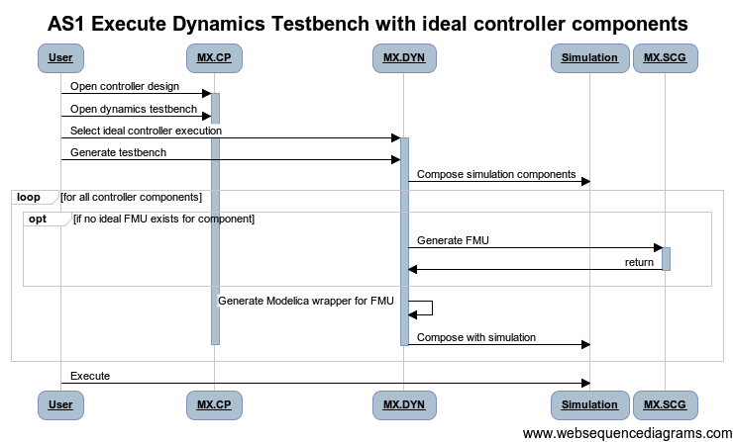

 |  |  |  |  |  | title AS1 Execute Dynamics Testbench with ideal controller components

 |  |  |  |  |  | User -> MX.CP: Open controller design
 |  |  |  |  |  | activate MX.CP
 |  |  |  |  |  | User -> MX.CP: Open dynamics testbench
 |  |  |  |  |  | User -> MX.DYN: Select ideal controller execution
 |  |  |  |  |  | activate MX.DYN
 |  |  |  |  |  | User -> MX.DYN: Generate testbench
 |  |  |  |  |  | MX.DYN->Simulation: Compose simulation components

 |  |  |  |  |  | loop for all controller components

 |  |  |  |  |  | opt if no ideal FMU exists for component

 |  |  |  |  |  | MX.DYN -> MX.SCG: Generate FMU
 |  |  |  |  |  | activate MX.SCG
 |  |  |  |  |  | MX.SCG -> MX.DYN: return
 |  |  |  |  |  | deactivate MX.SCG

 |  |  |  |  |  | end

 |  |  |  |  |  | MX.DYN -> MX.DYN: Generate Modelica wrapper for FMU

 |  |  |  |  |  | MX.DYN -> Simulation: Compose with simulation
 |  |  |  |  |  | end
 |  |  |  |  |  | deactivate MX.DYN
 |  |  |  |  |  | deactivate MX.CP

 |  |  |  |  |  | User -> Simulation: Execute

Action Items

WBS Items | Capability | Tasks

AS2
Thread ID | Narrative
AS2 | Execute Dynamics Testbench with realized controller components

Thread POC | Joe Porter
Revisions | Descr | Dates
 | 5/25/2012: Initial

Reviews |  | POC | Date | Concur
 | META Internal
 | VF
 | FANG
 | Gvt Team

Participants | FANG Competitor, Meta-X
Context | Simulating controllers

Pre | Controller design exists in CyPhyML, with a complete deployment model.
Post | Controller simulation has been generated, simulation has been run, and results and metrics have been updated.
Dependencies
Ext Tools
Uses Products | CyPhyML, ESMoL, VF component importer

Step ID | Description | Pre | Post | Tool Used | Status | % Complete | WBS | Test | Documented In | Known Issues
1 | User opens controller design and testbench in CyPhyML project. |  |  | MX.CP | Prototype | 0%
2 | User executes dynamics testbench, indicating realized controller execution. |  |  | MX.DYN | Prototype | 0%
3 | Dynamics component assembles simulation components. |  |  | MX.DYN | Gap | 0%
4 | Dynamics component invokes cyber translator on controller components, selecting implementation version. |  |  | MX.DYN | Gap | 0%
4a | If no FMU exists for deployment model, generate TrueTime FMU. |  |  | MX.TTF | In progress | 0%
4b | Generate Modelica wrapper for FMU and incorporate into simulation. |  |  | MX.DYN | Gap | 0%
5 | Execute testbench model, etc… |  |  | MX.DYN | Prototype | 0%

Todo
1
2
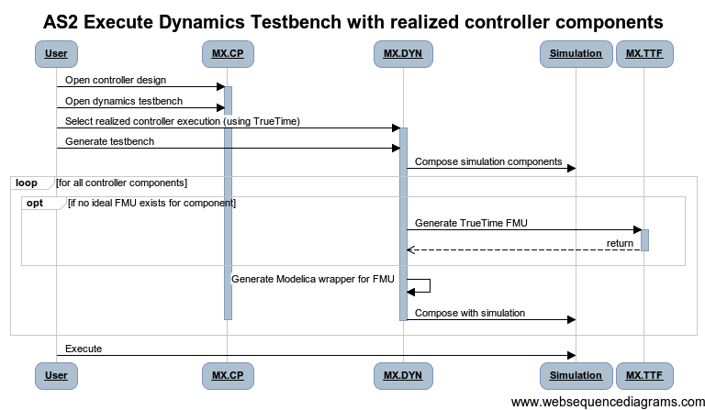

 |  |  |  |  |  | title AS2 Execute Dynamics Testbench with realized controller components

 |  |  |  |  |  | User -> MX.CP: Open controller design
 |  |  |  |  |  | activate MX.CP
 |  |  |  |  |  | User -> MX.CP: Open dynamics testbench
 |  |  |  |  |  | User -> MX.DYN: Select realized controller execution (using TrueTime)
 |  |  |  |  |  | activate MX.DYN
 |  |  |  |  |  | User -> MX.DYN: Generate testbench
 |  |  |  |  |  | MX.DYN->Simulation: Compose simulation components

 |  |  |  |  |  | loop for all controller components

 |  |  |  |  |  | opt if no ideal FMU exists for component

 |  |  |  |  |  | MX.DYN -> MX.TTF: Generate TrueTime FMU
 |  |  |  |  |  | activate MX.TTF
 |  |  |  |  |  | MX.TTF --> MX.DYN: return
 |  |  |  |  |  | deactivate MX.TTF

 |  |  |  |  |  | end

 |  |  |  |  |  | MX.DYN -> MX.DYN: Generate Modelica wrapper for FMU

 |  |  |  |  |  | MX.DYN -> Simulation: Compose with simulation
 |  |  |  |  |  | end
 |  |  |  |  |  | deactivate MX.DYN
 |  |  |  |  |  | deactivate MX.CP

 |  |  |  |  |  | User -> Simulation: Execute

Action Items

WBS Items | Capability | Tasks

AS3
Thread ID | Narrative
AS3 | Tune controller parameters

Thread POC | Joe Porter
Revisions | Descr | Dates
 | 5/25/2012: Initial

Reviews |  | POC | Date | Concur
 | META Internal
 | VF
 | FANG
 | Gvt Team

Participants | FANG Competitor, Meta-X
Context | Simulating controllers

Pre | Controller design exists in CyPhyML, with ideal versions of its controller components, and a complete deployment model.
Post | Controller parameters have been set for the required operating scenario.
Dependencies
Ext Tools
Uses Products | CyPhyML, ESMoL, VF component importer

Step ID | Description | Pre | Post | Tool Used | Status | % Complete | WBS | Test | Documented In | Known Issues
1 | User opens controller design and testbench in CyPhyML project. |  |  | MX.CP | Prototype | 0%
2 | User executes dynamics testbench, indicating comparison mode. |  |  | MX.DYN | Prototype | 0%
3a | User sets parameters in test bench. |  |  | MX.DYN | Gap | 0%
3b | Both ideal and realized test benches are generated. |  |  | MX.DYN | Prototype | 0%
3c | Test benches are executed, and their results are displayed for comparison. |  |  | MX.DYN | Prototype | 0%

Todo
1
2

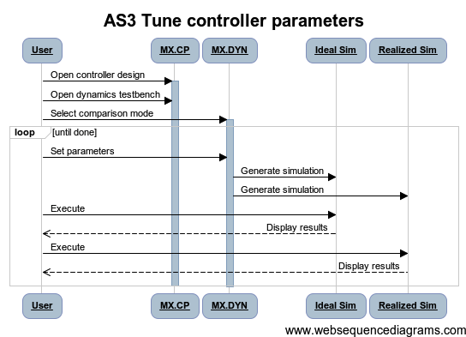

 |  |  |  |  |  | title AS3 Tune controller parameters

 |  |  |  |  |  | User -> MX.CP: Open controller design
 |  |  |  |  |  | activate MX.CP
 |  |  |  |  |  | User -> MX.CP: Open dynamics testbench
 |  |  |  |  |  | User -> MX.DYN: Select comparison mode
 |  |  |  |  |  | activate MX.DYN

 |  |  |  |  |  | loop until done

 |  |  |  |  |  | User -> MX.DYN: Set parameters
 |  |  |  |  |  | MX.DYN -> Ideal Sim: Generate simulation
 |  |  |  |  |  | MX.DYN -> Realized Sim: Generate simulation

 |  |  |  |  |  | User -> Ideal Sim: Execute
 |  |  |  |  |  | Ideal Sim --> User: Display results
 |  |  |  |  |  | User -> Realized Sim: Execute
 |  |  |  |  |  | Realized Sim --> User: Display results

 |  |  |  |  |  | end

Action Items

WBS Items | Capability | Tasks

SC1 (2)
Thread ID | Narrative
SC1 | Synthesize software component interfaces for design

Thread POC | Joe Porter
Revisions | Descr | Dates
 | 5/25/2012: Initial

Reviews |  | POC | Date | Concur
 | META Internal
 | VF
 | FANG
 | Gvt Team

Participants | FANG Competitor, Meta-X
Context | Defining software interfaces.

Pre | Controller design exists in CyPhyML.
Post | Controller design has a refinement which includes software components and their interfaces.
Dependencies
Ext Tools
Uses Products | CyPhyML, ESMoL, VF component importer

Step ID | Description | Pre | Post | Tool Used | Status | % Complete | WBS | Test | Documented In | Known Issues
1 | User opens controller design in CyPhyML project. |  |  | MX.CP | Prototype | 0%
2 | Export the design to ESMoL. |  |  | MX.CP | Prototype | 0%
3 | User specifies additional architecture constraints. |  |  | MX.ES | Gap | 0%
4 | Generate component partitions and interfaces for controllers. |  |  | MX.ES | Gap | 0%
5 | Update the CyPhyML model. |  |  | MX.CP | Gap | 0%

Todo
1
2

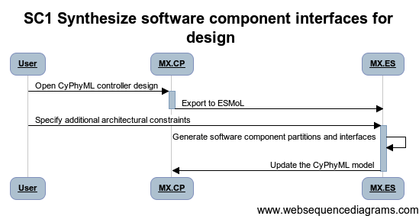

 |  |  |  |  |  | title SC1 Synthesize software component interfaces for design

 |  |  |  |  |  | User -> MX.CP: Open CyPhyML controller design
 |  |  |  |  |  | activate MX.CP
 |  |  |  |  |  | MX.CP -> MX.ES: Export to ESMoL
 |  |  |  |  |  | deactivate MX.CP
 |  |  |  |  |  | User -> MX.ES: Specify additional architectural constraints
 |  |  |  |  |  | activate MX.ES
 |  |  |  |  |  | MX.ES -> MX.ES: Generate software component partitions and interfaces
 |  |  |  |  |  | MX.ES -> MX.CP: Update the CyPhyML model

Action Items

WBS Items | Capability | Tasks

SC2 (2)
Thread ID | Narrative
SC2 | Synthesize software timing requirement models for design

Thread POC | Joe Porter
Revisions | Descr | Dates
 | 5/25/2012: Initial

Reviews |  | POC | Date | Concur
 | META Internal
 | VF
 | FANG
 | Gvt Team

Participants | FANG Competitor, Meta-X
Context | Defining software interfaces.

Pre | Controller design exists in CyPhyML.
Post | Controller design has timing information and constraints.
Dependencies
Ext Tools
Uses Products | CyPhyML, ESMoL, VF component importer

Step ID | Description | Pre | Post | Tool Used | Status | % Complete | WBS | Test | Documented In | Known Issues
1 | User opens controller design in CyPhyML project. |  |  | MX.CP | Prototype | 0%
2 | Export the design to ESMoL. |  |  | MX.CP | Prototype | 0%
3 | User specifies timing constraints based on requirements (deadlines and end-to-end latencies). |  |  | MX.ES | Gap | 0%
4 | Update the CyPhyML model. |  |  | MX.CP | Gap | 0%

Todo
1
2
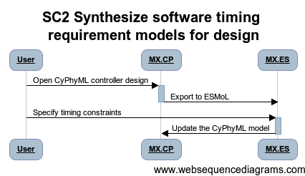

 |  |  |  |  | title SC2 Synthesize software timing requirement models for design

 |  |  |  |  | User -> MX.CP: Open CyPhyML controller design
 |  |  |  |  | activate MX.CP
 |  |  |  |  | MX.CP -> MX.ES: Export to ESMoL
 |  |  |  |  | deactivate MX.CP
 |  |  |  |  | User -> MX.ES: Specify timing constraints
 |  |  |  |  | activate MX.ES
 |  |  |  |  | MX.ES -> MX.CP: Update the CyPhyML model

Action Items

WBS Items | Capability | Tasks

SC3 (2)
Thread ID | Narrative
SC3 | Synthesize software deployment models on specified platform

Thread POC | Joe Porter
Revisions | Descr | Dates
 | 5/25/2012: Initial

Reviews |  | POC | Date | Concur
 | META Internal
 | VF
 | FANG
 | Gvt Team

Participants | FANG Competitor, Meta-X
Context | Defining software interfaces.

Pre | Controller design and platform model available in CyPhyML.
Post | Deployed controller model available in CyPhyML and ESMoL.
Dependencies
Ext Tools
Uses Products | CyPhyML, ESMoL

Step ID | Description | Pre | Post | Tool Used | Status | % Complete | WBS | Test | Documented In | Known Issues
1 | User opens controller design in CyPhyML project. |  |  | MX.CP | Prototype | 0%
2 | Export the design to ESMoL. |  |  | MX.CP | Prototype | 0%
3 | User specifies allocation constraints. |  |  | MX.ES | Gap | 0%
4 | Perform resource allocation. |  |  | MX.ES | Gap | 0%
5 | Update the CyPhyML model. |  |  | MX.CP | Gap | 0%

Todo
1 | How do we perform allocation?
2

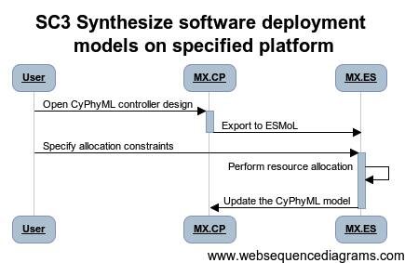

 |  |  |  |  | title SC3 Synthesize software deployment models on specified platform

 |  |  |  |  | User -> MX.CP: Open CyPhyML controller design
 |  |  |  |  | activate MX.CP
 |  |  |  |  | MX.CP -> MX.ES: Export to ESMoL
 |  |  |  |  | deactivate MX.CP
 |  |  |  |  | User -> MX.ES: Specify allocation constraints
 |  |  |  |  | activate MX.ES
 |  |  |  |  | MX.ES -> MX.ES: Perform resource allocation
 |  |  |  |  | MX.ES -> MX.CP: Update the CyPhyML model

Action Items

WBS Items | Capability | Tasks

SC4 (2)
Thread ID | Narrative
SC4 | Generate deployed controller code

Thread POC | Joe Porter
Revisions | Descr | Dates
 | 5/25/2012: Initial

Reviews |  | POC | Date | Concur
 | META Internal
 | VF
 | FANG
 | Gvt Team

Participants | FANG Competitor, Meta-X
Context | Realizing controller designs.

Pre | Controller deployment model available in CyPhyML.
Post | Controller realization available including schedule, code, and configuration.
Dependencies
Ext Tools
Uses Products | CyPhyML, ESMoL, VF component importer

Step ID | Description | Pre | Post | Tool Used | Status | % Complete | WBS | Test | Documented In | Known Issues
1 | User opens controller design in CyPhyML project. |  |  | MX.CP | Prototype | 0%
2 | Export the design to ESMoL. |  |  | MX.CP | Prototype | 0%
3 | User specifies additional timing information. |  |  | MX.ES | Prototype | 0%
4 | Generate schedule for tasks and messages. |  |  | MX.ES | Prototype | 0%
5 | Generate functional code for controllers. |  |  | MX.ES | Prototype | 0%
6 | Generate platform-specific code. |  |  | MX.ES | Gap | 0%
7 | Update the CyPhyML model. |  |  | MX.CP | Gap | 0%

Todo
1 | Design needed - how does the user specify additional platforms?
2

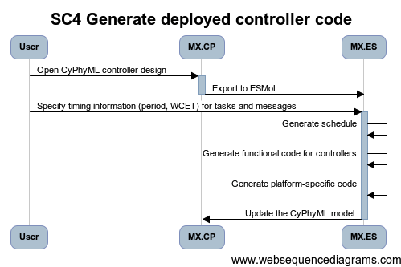

 |  |  |  |  | title SC4 Generate deployed controller code

 |  |  |  |  | User -> MX.CP: Open CyPhyML controller design
 |  |  |  |  | activate MX.CP
 |  |  |  |  | MX.CP -> MX.ES: Export to ESMoL
 |  |  |  |  | deactivate MX.CP
 |  |  |  |  | User -> MX.ES: Specify timing information (period, WCET) for tasks and messages
 |  |  |  |  | activate MX.ES
 |  |  |  |  | MX.ES -> MX.ES: Generate schedule
 |  |  |  |  | MX.ES -> MX.ES: Generate functional code for controllers
 |  |  |  |  | MX.ES -> MX.ES: Generate platform-specific code
 |  |  |  |  | MX.ES -> MX.CP: Update the CyPhyML model

Action Items

WBS Items | Capability | Tasks

MT1
Thread ID | Narrative
MT1 | Assemble CAD Via Remote Server
 |  |  |  |  |  | Move to back
Thread POC | Ted Bapty/Ryan Wrenn
Revisions | Descr | Dates
 | 5/23/2012: Initial

Reviews |  | POC | Date | Concur
 | META Internal | Ted Bapty
 | VF
 | FANG
 | Gvt Team

Participants | FANG Competitor, Meta-X
Context | Competitor uses remote VF Services to Create Assembled CAD Models. Competitor May Not Have PRO-E, so Uses VF service

Pre | Design Point Exists, with static and parametric solid components
Post | TDP (including parametrically-resolved CAD STEP files) Checked into repo
Dependencies
Ext Tools | VF, CREO
Uses Products

Step ID | Description | Pre | Post | Tool Used | Status | % Complete | WBS Ref | Test | Documented In | Known Issues
1 | User Creates System for TDP Creation, Manufacturabilty Analysis | Design Exists | Assembly with System to be made into TDP | MX.CP | Complete | 1 | TBD | TMP_XX.1 | CyPhyUM Pgxx
2 | User Initiates TDP Tool | System model open in GME | Master Interpreter Elaborating System/Design Space | MX.MAS | Prototype | 0.7 | TBD | TBD | TBD
3 | Master Interpeter Calls TDP/CAD Composition Interpreter To Generate TDP Creation Package, Send TDP Creation Files to Disk | Master Interpreter Elaborating Test Bench/Design Space | Testbench directory with Assembly Description XML Manifest and CAD Assembly Scripts user's local workstation | MX.CAD | Prototype
4 | Master Interpreter Zips TDP TestBench Directory to TB.ZIP | TestBench Dir. | TB.ZIP containing Testbench direcotry | MX.MAS
5 | master Intepreter Submits Job to VF Job Manager | TB.ZIP on disk | TDP Job at Job Manager | MX.MAS | Gap | 0.5
6 | Job Manager Creates Execution Job on VF, Uploads TB.ZIP | Job at Job Manager, TB.Zip on disk | Remote Execution Package (Zip Archive) At VF, Job in Queue | MX.JBM | Prototype |  | TBD | TBD | TBD
7 | VehicleForge Job Manager Interprets Manifest, queues job. | Remote Execution Package (Zip Archive) ready for submission | Job in Local Queue | VF | Prototype |  | TBD | TBD | TBD
8 | VF Allocates CREO Execution Cloud Node, And Runs Task | Job in Queue | Cloud Node Allocated.Configued, TB Unzipped and Executed, Data Generated | VF | Prototype |  | TBD | TBD | TBD
 | CREO node executes script |  |  | MX.CAD
 | o Checkout parts to local disk |  |  | MX.CAD
 | o Execute CAD Assembler with Assembly XML Manifest |  |  | MX.CAD
 | * CREO Loads parts, Resolves Parameters, applies datum constraints |  |  | MX.CAD
 | * CREO saves files as STEP |  |  | MX.CAD
 | * CREO Driver extracts any needed parameters |  |  | MX.CAD
 | o Script Checks Results In to Project Repo |  |  | MX.CAD |  |  |  |  |  | Need to define file strucure
 | o Script Clears CREO machine to ready for next use |  |  | MX.CAD
9 | Job Manager Polls VF for completion | Polling | Indicated Complete | MX.JBM
10 | Local machine checks STEP/Analysis files out to local disk
11
12

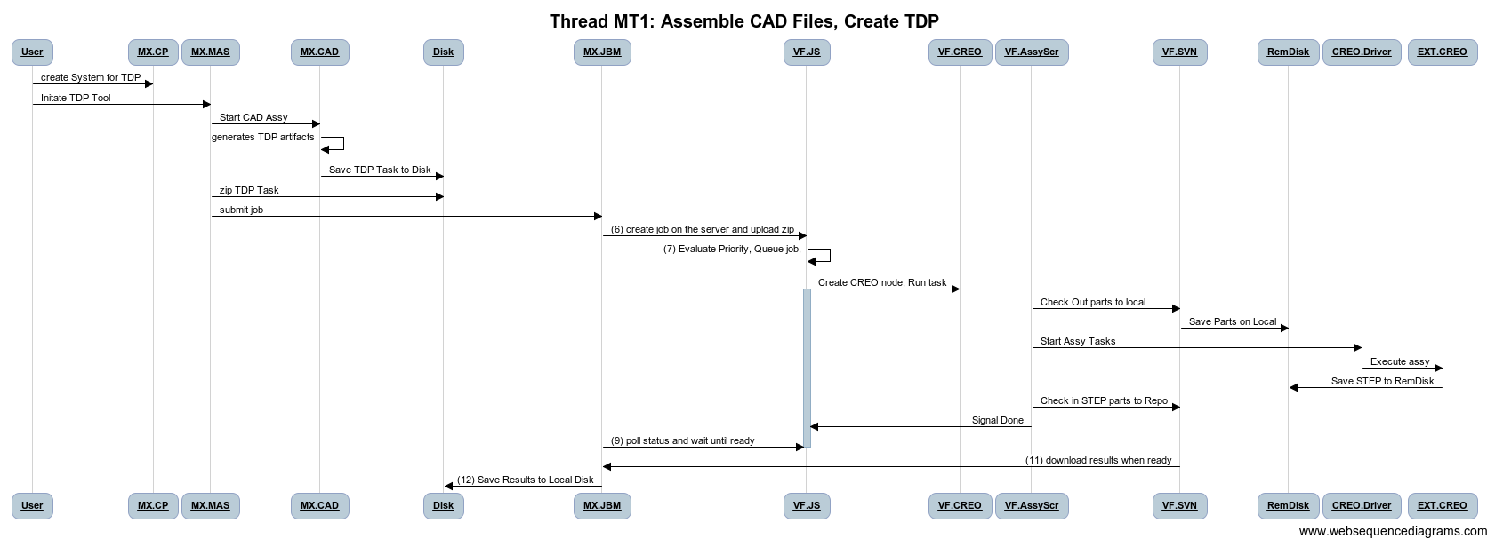
Todo
1 | Modelica Open Source Issues
2 | Create an interaction diagram

 | [Diagram Code]

 | title Thread MT1: Assemble CAD Files, Create TDP

 | User->MX.CP: create System for TDP
 | User->MX.MAS: Initate TDP Tool
 | MX.MAS->MX.CAD: Start CAD Assy
 | MX.CAD->MX.CAD: generates TDP artifacts
 | MX.CAD->Disk: Save TDP Task to Disk
 | MX.MAS->Disk: zip TDP Task

 | MX.MAS->MX.JBM: submit job
 | MX.JBM->VF.JS:(6) create job on the server and upload zip
 | VF.JS->VF.JS:(7) Evaluate Priority, Queue job,

 | VF.JS->VF.CREO:Create CREO node, Run task
 | activate VF.JS
 | VF.AssyScr -> VF.SVN: Check Out parts to local
 | VF.SVN -> RemDisk: Save Parts on Local
 | VF.AssyScr->CREO.Driver: Start Assy Tasks
 | CREO.Driver -> EXT.CREO: Execute assy
 | EXT.CREO->RemDisk: Save STEP to RemDisk
 | VF.AssyScr->VF.SVN: Check in STEP parts to Repo
 | VF.AssyScr->VF.JS: Signal Done

 | MX.JBM->VF.JS:(9) poll status and wait until ready
 | deactivate VF.JS

 | VF.JS->VF.JS:(10) On completion, Zip Results to DL.zip
 | VF.SVN->MX.JBM:(11) download results when ready

 | MX.JBM->Disk:(12) Save Results to Disk

Action Items
 | Definition of Results File Structure
 | Definition of Results Metadata File
 | Modelica Issues
 | Phenemona Selection/Composition
 | Multi-Fidelity Support
 | Job Manager Update
 | VF Job Manager Interface
 | Manifest File Format

WBS Items | Capability | Tasks
VF | See VF Arch Page | Implement
MX.DYN | Multi-Resolution Support
MX.JM | Update of Job Manager to VF
 | Handling of disconnected parts

AC1
Thread ID | Narrative
AC1 | Use DESERT to prune and obtain Design Points from Design Space
 | Start from a design space loaded in GME
Thread POC | Himanshu Neema
Revisions | Descr | Dates
 | 06/05/2012: Initial

Reviews |  | Reviewer | Date | Concur
 | META Internal | Ted Bapty
 | VF
 | FANG
 | Gvt Team

Participants | FANG Competitor, Vehicle Forge, Meta-X

Pre | Design space downloaded and loaded in GME
Post | Design Points are generated in GME and ready for use in test benches for analysis
Dependencies | CD1, CD2. CD5

Step ID | Description | Pre | Post | Tool Used | Function | Step Type | Status | % Compl | WBS | Test | Documented In | Known Issues
1 | User invokes DSH for a design space | Design space loaded and selected in GME | MX.DSH loads design space and shows design constraints | MX.DSH | Invoke |  | In Progress | 80%
2 | User selects the constraints to be applied | MX.DSH in process and displaying list of design constraints | Selected constraints are applied symbolically for constraint satisfaction | MX.DSH, MX.DSE | Prune, Iterate |  | In Progress | 80%
3 | User selects to show the generated configurations | Constraint applied in MX.DSH | Generated configurations | MX.DSH, MX.DSE | Prune, Explore |  | In Progress | 90%
4 | User selects to configs to export | MX.DSE completed pruning | Light-weight configuration models generated in design space | MX.DSH | Generate |  | In Progress | 90%
5 | User selects the configurations to export to fully-specified Design Points | Light-weight configuration models | Fully-specified Design Points | MX.CAE | Generate |  | In Progress | 90%
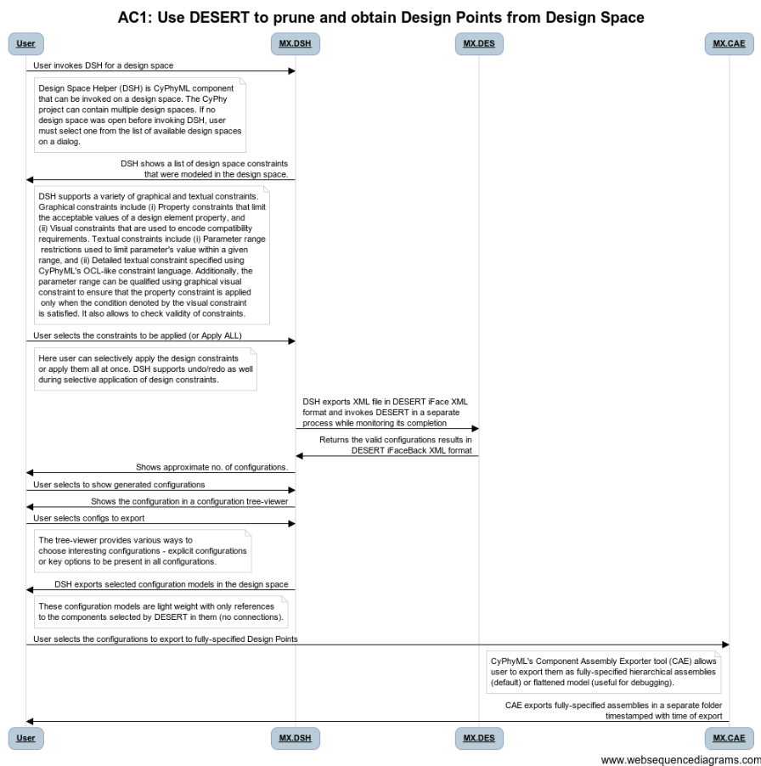

Action Items

WBS Items | Capability | Tasks
MX.DSH | Extend supported constraint types | Research and Implement
MX.DSH | Optimize constraint engine for increasing exploration efficiency | Research and Implement
MX.DSH | Optimize for reducing space complexity (memory requirements) | Implement
MX.CAE | Optimize for reducing memory requirements | Implement
MX.DSH | Investigate use of finite domain solvers | Research and Implement

 | [Diagram Code]
 | title AC1: Use DESERT to prune and obtain Design Points from Design Space

 | User->MX.DSH: User invokes DSH for a design space
 | note right of User: Design Space Helper (DSH) is CyPhyML component\nthat can be invoked on a design space. The CyPhy\nproject can contain multiple design spaces. If no\ndesign space was open before invoking DSH, user\nmust select one from the list of available design spaces\non a dialog.
 | MX.DSH->User: DSH shows a list of design space constraints\nthat were modeled in the design space.
 | note right of User: DSH supports a variety of graphical and textual constraints.\nGraphical constraints include (i) Property constraints that limit\nthe acceptable values of a design element property, and\n(ii) Visual constraints that are used to encode compatibility\nrequirements. Textual constraints include (i) Parameter range\n restrictions used to limit parameter's value within a given\nrange, and (ii) Detailed textual constraint specified using\nCyPhyML's OCL-like constraint language. Additionally, the\nparameter range can be qualified using graphical visual\nconstraint to ensure that the property constraint is applied\n only when the condition denoted by the visual constraint\nis satisfied. It also allows to check validity of constraints.
 | User->MX.DSH: User selects the constraints to be applied (or Apply ALL)
 | note right of User: Here user can selectively apply the design constraints\nor apply them all at once. DSH supports undo/redo as well\nduring selective application of design constraints.
 | MX.DSH->MX.DES: DSH exports XML file in DESERT iFace XML\nformat and invokes DESERT in a separate\nprocess while monitoring its completion
 | MX.DES->MX.DSH: Returns the valid configurations results in\nDESERT iFaceBack XML format
 | MX.DSH->User: Shows approximate no. of configurations.
 | User->MX.DSH: User selects to show generated configurations
 | MX.DSH->User: Shows the configuration in a configuration tree-viewer
 | User->MX.DSH: User selects configs to export
 | note right of User: The tree-viewer provides various ways to\nchoose interesting configurations - explicit configurations\nor key options to be present in all configurations.
 | MX.DSH->User: DSH exports selected configuration models in the design space
 | note right of User: These configuration models are light weight with only references\nto the components selected by DESERT in them (no connections).
 | User->MX.CAE: User selects the configurations to export to fully-specified Design Points
 | note left of MX.CAE: CyPhyML's Component Assembly Exporter tool (CAE) allows\nuser to export them as fully-specified hierarchical assemblies\n(default) or flattened model (useful for debugging).
 | MX.CAE->User: CAE exports fully-specified assemblies in a separate folder\ntimestamped with time of export

