Strategy & Legend
2026 Draft Cheat Sheet — ESPN: FE Fantasy Football (Full PPR / 1.0 per reception) — news refreshed Sept 3, 2026
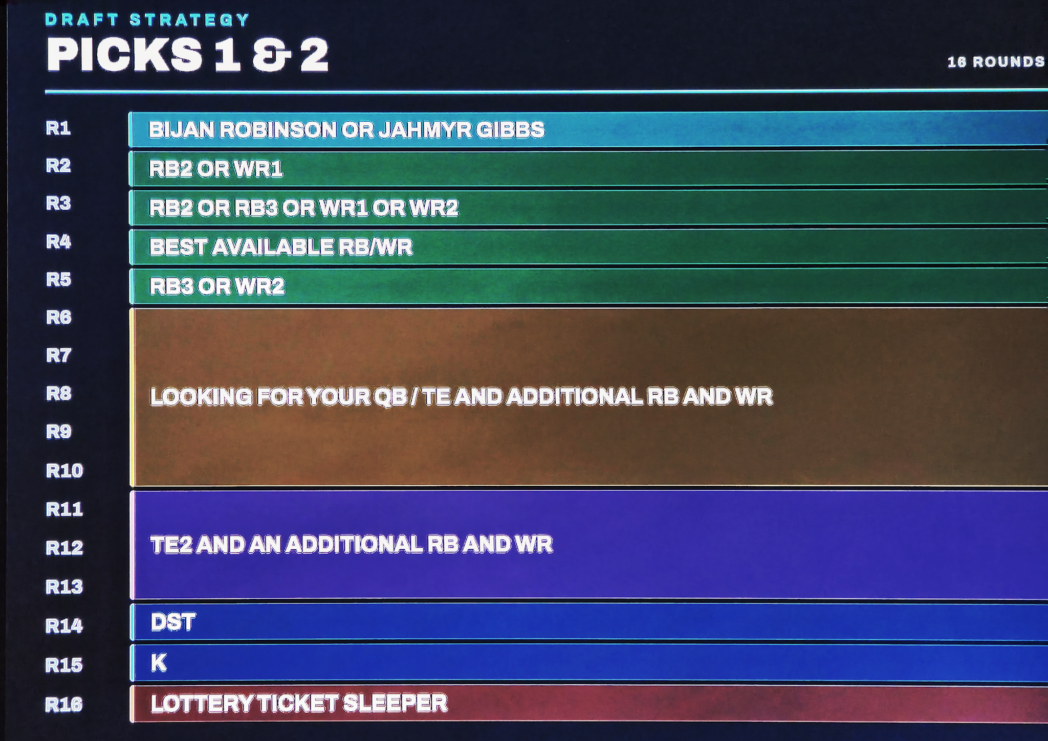

YOUR LEAGUE
Head-to-Head Points, FULL-PPR (1.0/rec). Pass 0.04/yd (1/25), Pass TD 4, INT -2. Rush 0.1/yd (1/10), TD 6. Rec 0.1/yd (1/10), Reception 1.0, TD 6. Fumble lost -2, 2pt 2, Return TD 6. Kicker uses distance scoring + miss penalties; D/ST uses points-allowed AND yards-allowed tiers (see the 'ESPN Scoring' tab). DRAFT: 16 rounds = 16 roster spots per team (~7 bench behind your starters). Exact STARTING slots (QB count, FLEX count, any Superflex) still aren't in the exported PDF — confirm them in League Settings > Basic Settings, since a Superflex/2QB build would move QBs up sharply.

INJURY / SUSPENSION FLAGS (new)
The 'Flag' column marks players with reported injury or suspension concerns. Injury/suspension detail was refreshed Sept 3, 2026 (ESPN, Yahoo Sports, SI, FantasyPros, Sharp Football, NBC/PFT). Red name cell = likely to miss time / real risk; Yellow = monitor / playing through; Green = a cloud that's been cleared (e.g., Rashee Rice). Full detail + draft impact is on the 'Injury & Susp. Watch' tab.
IMPORTANT: only players with reported concerns are flagged — an unflagged player is NOT confirmed healthy, just not in the news as of Sept 3. Injuries and suspensions move daily; re-check again the morning of your draft (see the Sleeper live-status note below).
SUSPENSION/AVAILABILITY (as of Sept 3): Josh Jacobs is ON the commissioner's exempt list (Aug 30) — out indefinitely to start the season. Puka Nacua is NOT on the exempt list and has no announced suspension — likely plays Wk1. Rashee Rice was CLEARED (NFL closed its investigation in April 2026, no discipline).

VALUE / ADP RE-ANCHOR
Board ordered by fresh market ADP (FFC 12-team, 2,828 mocks Aug 17-22) and an Aug-9 expert board. 'Mkt Rk' = market order; 'Exp Rk' = expert board. Value = Mkt Rk - Exp Rk (green = experts higher than market = possible discount; red = fade/riser). CAVEAT: this ADP was sampled from HALF-PPR mocks. In your FULL-PPR league, WR/TE and pass-catching RBs drift up a few spots vs. what ADP shows here — treat ADP as directional, and lean toward receptions on close calls (see the 'PPR Lean' column).
'Verdict' flags UNDERVALUED (green) / OVERVALUED (red) / Fair. 'Rec Rd' = recommended round to target — a blend of the expert and market ranks, pushed a round later for injury/suspension risk. Don't reach much earlier than Rec Rd; for undervalued players you can often wait toward their ADP round.

BYE-CONFLICT CHECKER (tab: My Team + Byes)
Pick players from the dropdown; Pos/Team/Bye/Status auto-fill. Mark Starter?=Y. The table flags any week where 2+ starters at the same position share a bye or 3+ starters are out. K/DST aren't on the board — enter their byes manually if you want them counted.

FULL-PPR (ESPN) STRATEGY
• Draft the TIER, not the number.
• FULL PPR (1.0/rec) rewards volume twice as hard as the Half-PPR board this was built on. High-target WR/TE and pass-catching RBs gain; TD-dependent / early-down backs and low-catch players slip. Draft the TIER, then break ties toward targets/receptions.
• TE is top-heavy (Bowers, McBride) then a cliff — pay early or wait for the green mid-round TEs (Loveland, Warren, Fannin, Kraft).
• QB is deep — Allen/Lamar early, then Maye/Burrow/Hurts/Daniels/Herbert at a discount.
• 16-round draft (16 spots): plan ~9 starters + ~7 bench. Confirm your starting lineup first — if it's 1 QB / 1 TE, don't double up early; load RB/WR depth. If it's Superflex/2QB, move QBs up sharply (this board assumes 1 QB).
• Cross-check the Flag column before drafting — several early names (McCaffrey, Nabers, Nacua, Jacobs) carry injury or suspension risk.
• Rounds 15-16 are your last darts: a top K and top D/ST (this board says target them, not stream) plus one high-upside bench flier. With 16 rounds you have room for an extra stash (e.g., a handcuff or a post-hype breakout).
SOURCES
Expert rank & ADP: Aug-9 expert board + FFC ADP (Aug 17-22). Injury/suspension refresh (Sept 3, 2026): ESPN, Yahoo Sports, Sports Illustrated, FantasyPros, Sharp Football Analysis, NBC Sports/PFT, Football Nation. Re-verify the morning of your draft.

WHAT CHANGED vs. THE YAHOO HALF-PPR BOARD
• Scoring reference swapped to your exact ESPN settings (see 'ESPN Scoring' tab).
• Half-PPR (0.5/rec) -> FULL PPR (1.0/rec): the single biggest change. See 'PPR Lean'.
• QB INT penalty is -2 here (Yahoo used -1). Minor: slightly favors clean QBs; rushing QBs still rule.
• Kicker: ESPN scores by distance (3/4/5/6 for 0-39/40-49/50-59/60+) and PENALIZES misses (-1 per missed FG, -2 per missed PAT). Prioritize accurate, big-leg kickers in good offenses; avoid boom-bust legs.
• D/ST: generous & high-variance — +1/sack, +2 per INT/FR/safety, +6 def/ST TDs, PLUS both points-allowed and yards-allowed tiers (as bad as -7 for 550+ yds, -5 for 46+ pts). A top unit is a real weekly edge — the 'draft a top-5 D/ST ~R7-8' plan holds. Don't stream a weak defense into a blow-up (double negative).
• Player ranks were NOT re-sorted. A precise Full-PPR re-rank needs per-player reception projections that aren't in this file; instead the expert order is preserved and the 'PPR Lean' column tells you which way to nudge.
PPR LEAN COLUMN — legend
▲ Up = gains in Full PPR (WR, TE). ● Role = depends on receiving role (RB: pass-catchers up, early-down/TD-dependent backs down). = No change (QB, K, D/ST). Draft order not set yet, so round targets are ADP-based and remain valid; fill in slot-specific pick planning once your draft position is known.

LIVE STATUS — SLEEPER API (morning-of-draft refresh)
Sleeper's public API is great for LIVE player STATUS but does NOT publish consensus rankings or ADP — its only rank-like field is a rough 'search_rank' (popularity), not a draft ranking. So use it to confirm who's OUT/IR/PUP/exempt/questionable on draft morning, and keep this board (expert + ADP) for the actual rankings.
A companion script, 'sleeper_status_refresh.py', ships with this file. Run it the morning of your draft (needs Python + internet): it pulls api.sleeper.app/v1/players/nfl, matches every player on the Draft Board by name, and writes a fresh 'Live Status' column (injury designation + team) into a new copy of the workbook — red for OUT/IR/PUP/SUS, amber for Questionable.
For rankings/ADP specifically, better sources than Sleeper's API are your own ESPN league's draft rankings, FantasyPros consensus, or FantasyFootballCalculator ADP (ideally a FULL-PPR ADP to match your scoring).

HIGHLIGHT LEGEND (row colors)
• BLUE row = must-have — the top expert-consensus (ECR) players in each round (top 5 by 'Exp Rk', rounds 1-9 where ECR exists). Players currently flagged OUT (e.g., suspended/IR) are NOT marked must-have even if their ECR is high.
• PURPLE row = high-upside sleeper in the later rounds (R10-15): ascending young players, rookies with a target path, breakout candidates, elite talent at a deep discount, and league-winning handcuffs. Streamers, floor-only vets, and players out multi-week are not marked.
• ORANGE row = Tier-1 Kicker / D-ST — the units to draft (not stream): top-3 K (Aubrey, Fairbairn, Myers) and top-5 D/ST (Seattle, Denver, Houston, Minnesota, LA Rams). Also marked on the 'K & DST' tab.
• Player-name cell RED / AMBER / GREEN = injury or suspension flag (kept on top of any row color).
• Gray / white row banding = draft-round grouping (color flips each round).

