Sheet1
Category 1 Category 2 Category 3
 | Principal Component 2 | Principal Component 1
-4 | -3 | 1
-3 | -2
-2 | -1
-1 | 0
0 | 1
1 | 2
2 | 3
3 | 4
3 | 5
3 | 6
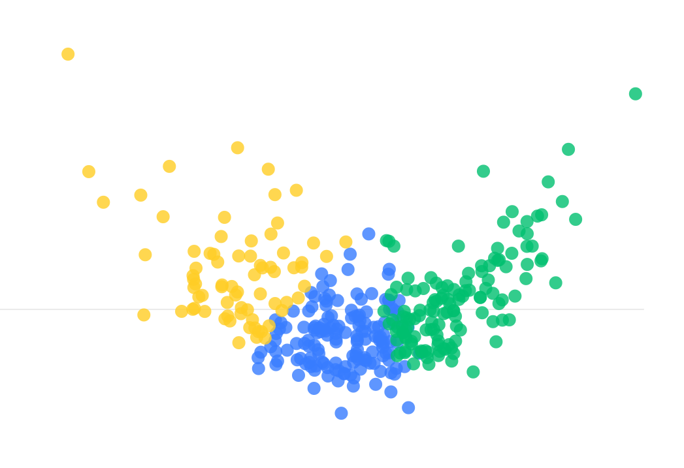
Principal Component 1
 | -4 | -3 | -2 | -1 | 0 | 1 | 2 | 3 | Principal Component 1 | Principal Component 2
 |  |  |  |  |  |  |  |  | -4 | -3
 |  |  | Category 1 |  |  |  |  |  | -3 | -2
 |  |  |  |  |  |  |  |  | -2 | -1
 |  |  |  |  |  |  |  |  | -1 | 0
 |  |  |  |  |  |  |  |  | 0 | 1
 |  |  |  |  |  |  |  |  | 1 | 2
 |  |  |  |  |  |  |  |  | 2 | 3
 |  |  |  |  |  |  |  |  | 3 | 4
 |  |  |  |  |  |  |  |  | 3 | 5
 |  |  |  |  |  |  |  |  | 3 | 6

Principal Component 2

 |  |  |  |  | Principal Component 1

