Sheet1
 | SMILES | SYBA score | Cytoprotective activity [%] - random forest predicted
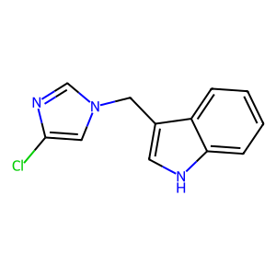 | Clc1cn(Cc2c[nH]c3ccccc23)cn1 | 64.07 | 37.67
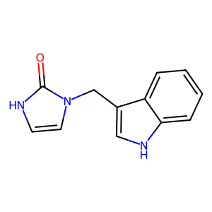 | O=c1[nH]ccn1Cc1c[nH]c2ccccc12 | 60.14 | 93.67
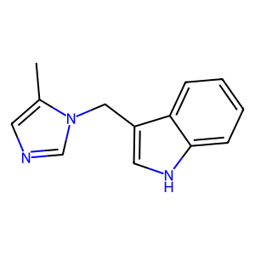 | Cc1cncn1Cc1c[nH]c2ccccc12 | 62.68 | 62.08
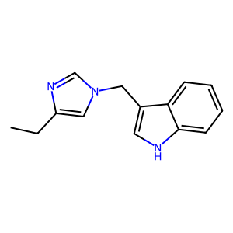 | CCc1cn(Cc2c[nH]c3ccccc23)cn1 | 76.73 | 77.67
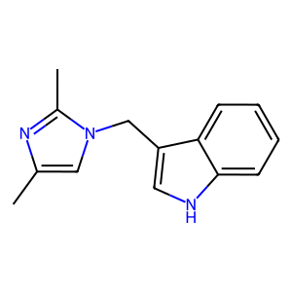 | Cc1cn(Cc2c[nH]c3ccccc23)c(C)n1 | 66.42 | 77.67
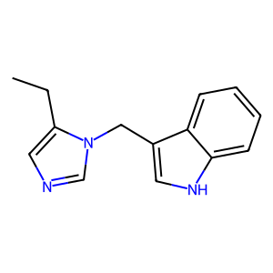 | CCc1cncn1Cc1c[nH]c2ccccc12 | 71.1 | 77.67
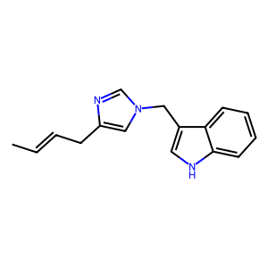 | CC=CCc1cn(Cc2c[nH]c3ccccc23)cn1 | 58.94 | 58
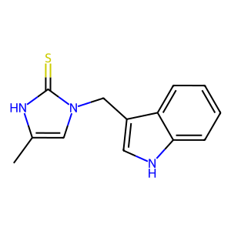 | Cc1cn(Cc2c[nH]c3ccccc23)c(=S)[nH]1 | 59.13 | 92.67
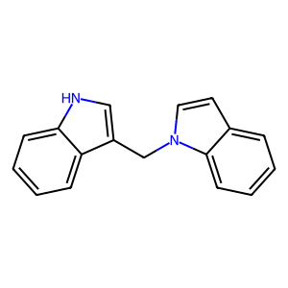 | c1ccc2c(c1)ccn2Cc1c[nH]c2ccccc12 | 94.14 | 38.67
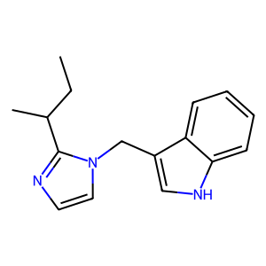 | CCC(C)c1nccn1Cc1c[nH]c2ccccc12 | 79.67 | 58
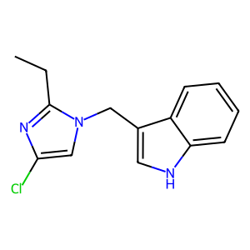 | CCc1nc(Cl)cn1Cc1c[nH]c2ccccc12 | 62.57 | 66.17
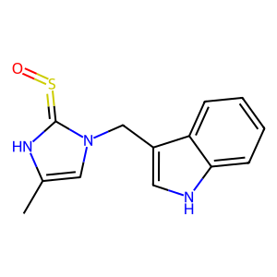 | Cc1cn(Cc2c[nH]c3ccccc23)c(=S=O)[nH]1 | 60.05 | 93.33
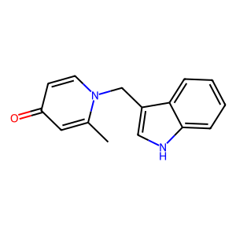 | Cc1cc(=O)ccn1Cc1c[nH]c2ccccc12 | 68.63 | 79.5
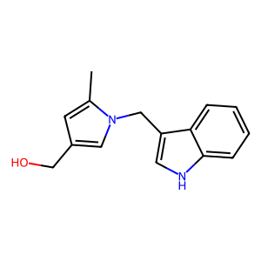 | Cc1cc(CO)cn1Cc1c[nH]c2ccccc12 | 65.52 | 91.67
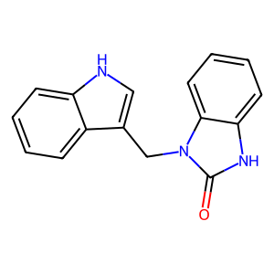 | O=c1[nH]c2ccccc2n1Cc1c[nH]c2ccccc12 | 71.48 | 66.67
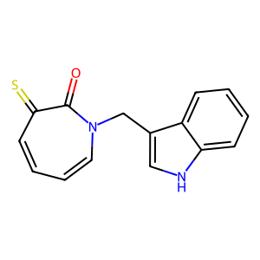 | O=c1c(=S)ccccn1Cc1c[nH]c2ccccc12 | 66.98 | 82.17
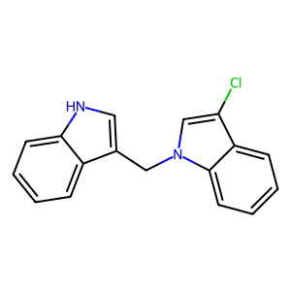 | Clc1cn(Cc2c[nH]c3ccccc23)c2ccccc12 | 79.01 | 38.67
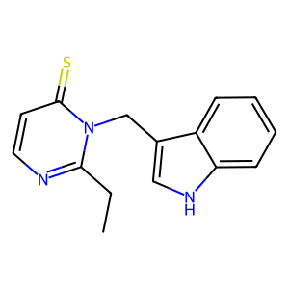 | CCc1nccc(=S)n1Cc1c[nH]c2ccccc12 | 64.19 | 75.33
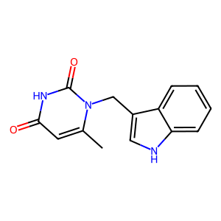 | Cc1cc(=O)[nH]c(=O)n1Cc1c[nH]c2ccccc12 | 68.96 | 92.67
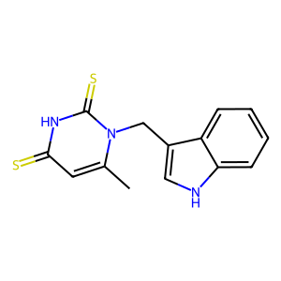 | Cc1cc(=S)[nH]c(=S)n1Cc1c[nH]c2ccccc12 | 66.6 | 76
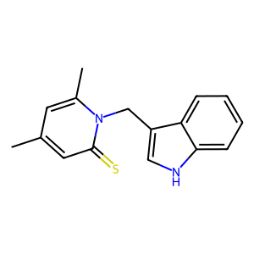 | Cc1cc(C)n(Cc2c[nH]c3ccccc23)c(=S)c1 | 65.3 | 58
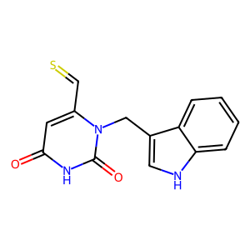 | O=c1cc(C=S)n(Cc2c[nH]c3ccccc23)c(=O)[nH]1 | 49.01 | 91.67
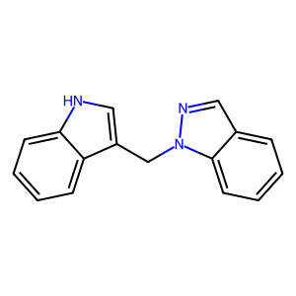 | c1ccc2c(c1)cnn2Cc1c[nH]c2ccccc12 | 90.07 | 58
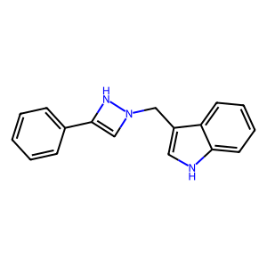 | c1ccc(-c2cn(Cc3c[nH]c4ccccc34)[nH]2)cc1 | 60.58 | 63.83
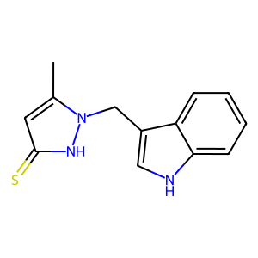 | Cc1cc(=S)[nH]n1Cc1c[nH]c2ccccc12 | 52.92 | 92.67
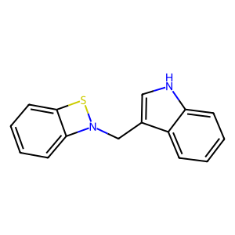 | c1ccc2c(Cn3sc4ccccc43)c[nH]c2c1 | 58.99 | 82.17
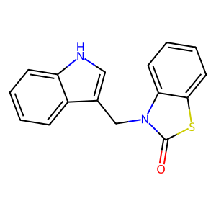 | O=c1sc2ccccc2n1Cc1c[nH]c2ccccc12 | 91.05 | 75.33
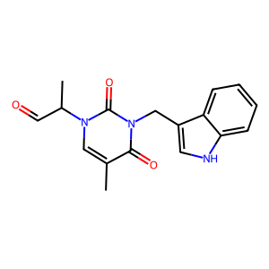 | Cc1cn(C(C)C=O)c(=O)n(Cc2c[nH]c3ccccc23)c1=O | 46.54 | 58
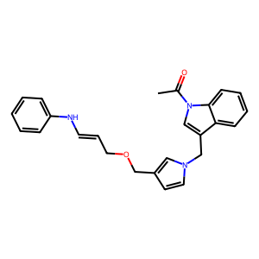 | CC(=O)n1cc(Cn2ccc(COCC=CNc3ccccc3)c2)c2ccccc21 | 76.49 | 20
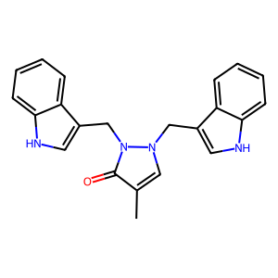 | Cc1cn(Cc2c[nH]c3ccccc23)n(Cc2c[nH]c3ccccc23)c1=O | 53.24 | 84.67
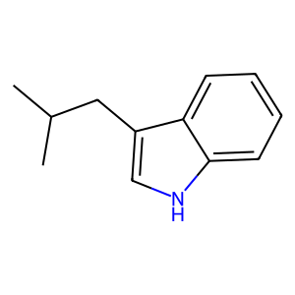 | CC(C)Cc1c[nH]c2ccccc12 | 64.44 | 37.67
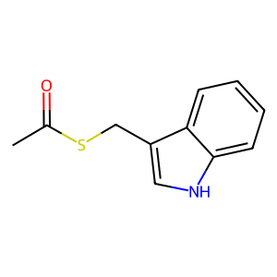 | CC(=O)SCc1c[nH]c2ccccc12 | 53.74 | 82.92
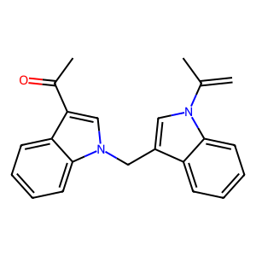 | C=C(C)n1cc(Cn2cc(C(C)=O)c3ccccc32)c2ccccc21 | 72.29 | 34.17
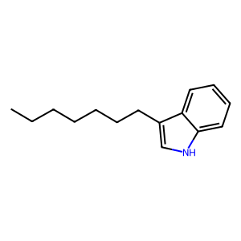 | CCCCCCCc1c[nH]c2ccccc12 | 85.72 | 82.17
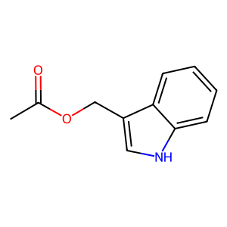 | CC(=O)OCc1c[nH]c2ccccc12 | 56.26 | 58.67
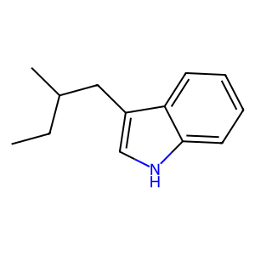 | CCC(C)Cc1c[nH]c2ccccc12 | 62.58 | 62.08
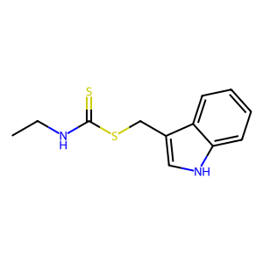 | CCNC(=S)SCc1c[nH]c2ccccc12 | 63.31 | 93.33
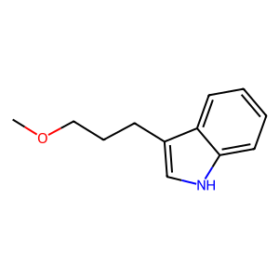 | COCCCc1c[nH]c2ccccc12 | 78.75 | 81.92
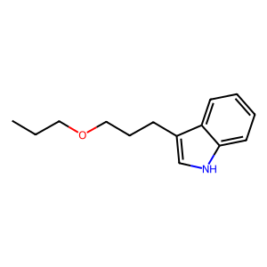 | CCCOCCCc1c[nH]c2ccccc12 | 84.2 | 41.44
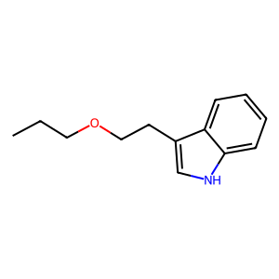 | CCCOCCc1c[nH]c2ccccc12 | 70.22 | 76.33
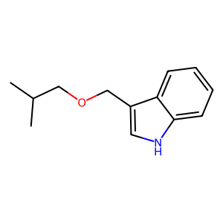 | CC(C)COCc1c[nH]c2ccccc12 | 57.98 | 76.33
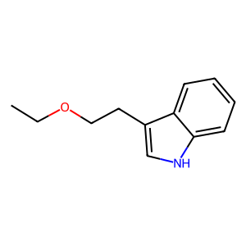 | CCOCCc1c[nH]c2ccccc12 | 67.46 | 81.92
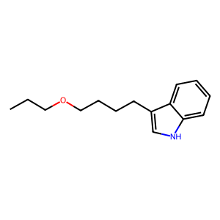 | CCCOCCCCc1c[nH]c2ccccc12 | 86.08 | 77.67
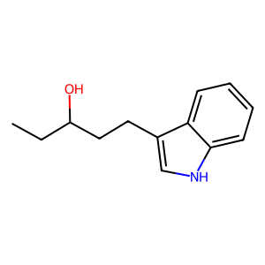 | CCC(O)CCc1c[nH]c2ccccc12 | 62.9 | 93.67
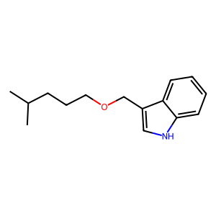 | CC(C)CCCOCc1c[nH]c2ccccc12 | 69.67 | 77.67
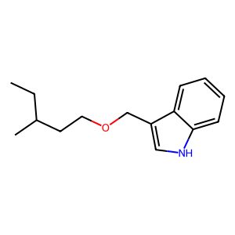 | CCC(C)CCOCc1c[nH]c2ccccc12 | 51.76 | 77.67
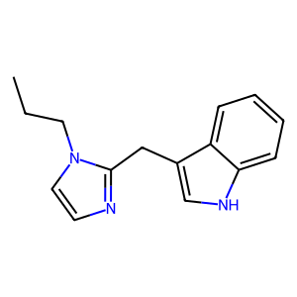 | CCCn1ccnc1Cc1c[nH]c2ccccc12 | 88.85 | 84.33
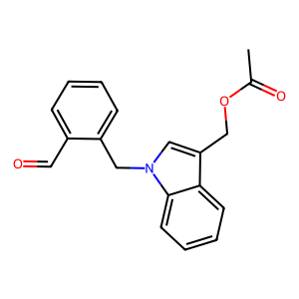 | CC(=O)OCc1cn(Cc2ccccc2C=O)c2ccccc12 | 73.74 | 34.17
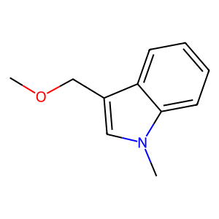 | COCc1cn(C)c2ccccc12 | 57.64 | 34.17
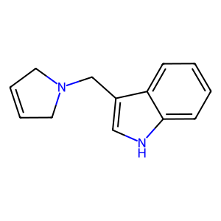 | C1=CCN(Cc2c[nH]c3ccccc23)C1 | 48.41 | 62.08
 | CC(=O)OCc1cn(Cc2ccccc2O)c2ccccc12 | 79.07 | 42.67
 | S=CC(=CCl)CNCCc1c[nH]c2ccccc12 | 43.57 | 91.67
 | c1ccc2c(CN3CCCC3)c[nH]c2c1 | 65.06 | 62.08
 | CCCCn1ccnc1Cc1c[nH]c2ccccc12 | 92.94 | 58
 | CC(=O)c1cn(Cc2cn(Cc3c[nH]c4ccccc34)nn2)c2ccccc12 | 114.55 | 80.75
 | c1ccc(SCc2c[nH]c3ccccc23)cc1 | 87.83 | 84.33
 | c1ccc2c(c1)CN(Cc1c[nH]c3ccccc13)C2 | 63.36 | 38.67
 | CCOCc1cn(C)c2ccccc12 | 61.29 | 34.17
 | CC(=O)CNC=CCc1cn(Cc2cn(C(C)=O)c3ccccc23)nn1 | 52.16 | 42.08
 | CCc1cn(CC)c2ccccc12 | 56.21 | 34.17
 | CCCOCc1cn(C)c2ccccc12 | 67.34 | 34.17
 | COCCCc1cn(C)c2ccccc12 | 78.59 | 34.17
 | C1=CC(CCNCc2c[nH]c3ccccc23)=[SH]1 | 55.26 | 93.67
 | CN(Cc1c[nH]c2ccccc12)C(Cl)=CCl | 47.34 | 81.92
 | CC(=O)NC=C(C)NCc1c[nH]c2ccccc12 | 50.58 | 93.67
 | Cc1c(CN(C)C)c2ccccc2n1Cc1ccccc1 | 77.12 | 34.17
 | Cc1cccc2c(CCN(C)C(Cl)=CCl)c[nH]c12 | 59.02 | 41.44
 | [N-]=[N+]=NCc1cccc(Cn2cc(COCc3c[nH]c4ccccc34)nn2)c1 | 103.57 | 68.5
 | CN(Cc1c[nH]c2ccccc12)C(=O)NC=O | 49.47 | 93.67
 | CC(=O)NC(=O)NCc1c[nH]c2ccccc12 | 72.89 | 93.67
 | O=Cc1ccccc1CCOCc1c[nH]c2ccccc12 | 60.15 | 38.67
 | S=C1c2ccccc2CN1Cc1c[nH]c2ccccc12 | 45.12 | 38.33
 | COc1ccccc1N=[SH]Cc1c[nH]c2ccccc12 | 51.86 | 66.67
 | CC(=O)N(Cc1c[nH]c2ccccc12)CN(C)Cc1c[nH]c2ccccc12 | 70.56 | 84.67
 | C=C(Cc1c[nH]c2ccccc12)C(C)=CNC(C)=O | 43.83 | 76
 | CC(=O)N(Cc1c[nH]c2ccccc12)CN(C=O)Cc1c[nH]c2ccccc12 | 47.82 | 84.67
 | C=CC(=O)NC(=O)NCc1c[nH]c2ccccc12 | 63.89 | 93.67
 | CC(=O)c1cn(Cc2cn(Cc3cn(C(C)=O)c4ccccc34)nn2)c2ccccc12 | 103.4 | 34.17
 | CSc1ccccc1N=[SH]Cc1c[nH]c2ccccc12 | 47.1 | 66.67
 | [N-]=[N+]=NCC=Cc1ccccc1Cn1cc(COCc2c[nH]c3ccccc23)nn1 | 84.58 | 68
 | S=C1c2ccccc2C(=S)N1Cc1c[nH]c2ccccc12 | 49.07 | 46
 | CCOCn1cc(C)nc1CCc1c[nH]c2ccccc12 | 77.13 | 38.67
 | O=C1c2ccccc2CN1Cc1c[nH]c2ccccc12 | 47.17 | 58
 | Cc1cccc2c(CCN3CC(Cl)=C3Cl)c[nH]c12 | 51.26 | 41.44
 | CCOCc1cn(C(C)=O)c2ccccc12 | 54.78 | 34.17
 | C=CN(Cc1c[nH]c2ccccc12)CN(Cc1c[nH]c2ccccc12)C(C)=O | 47.14 | 84.56
 | CCOCc1cn(Cc2cn(CCNCC(C)=O)nn2)c2ccccc12 | 83.26 | 42.08
 | CC(=O)n1cc(Cn2cc(CC(=O)c3ccccc3N)nn2)c2ccccc21 | 87.86 | 69.67
 | CCN(Cc1c[nH]c2ccccc12)C(=O)N(Cc1c[nH]c2ccccc12)C(C)=O | 66.65 | 84.56
 | CCOCc1cn(Cc2cn(CC=CC=CNCC(C)=O)nn2)c2ccccc12 | 43.37 | 80.75
 | CC(=O)n1c(C)c(Cn2cc(COCc3c[nH]c4ccccc34)nn2)c2ccccc21 | 93.57 | 20
 | CC(=O)n1cc(CCO)c2ccccc21 | 48.16 | 81.92
 | CCOCc1cn(Cc2cn(CC=CNCC(C)=O)nn2)c2ccccc12 | 62.79 | 34.25
 | CC(=O)n1cc(Cc2c[nH]c3ccccc23)c2ccccc21 | 73.59 | 30.67
 | CN(C)CC(=CN(C)Cc1c[nH]c2ccccc12)c1ccccc1 | 59.4 | 68.5
 | CC(=O)N(Cc1c[nH]c2ccccc12)C(=O)N(C)Cc1c[nH]c2ccccc12 | 60.58 | 84.67
 | CC(=O)CNCNCCCn1cc(COCc2c[nH]c3ccccc23)nn1 | 62.45 | 93.67
 | CCCCN=Cc1ccccc1NCc1c[nH]c2ccccc12 | 77.98 | 66.33
 | O=CNc1ccccc1C(=O)NCc1c[nH]c2ccccc12 | 87.57 | 93.67
 | O=C1c2ccccc2C(=O)N1CCc1c[nH]c2ccccc12 | 88.9 | 31
 | CC(=O)n1cc(COc2ccccc2)c2ccccc21 | 81.85 | 34.17
 | CCSCCc1ccccc1CN=CN(C=O)Cc1c[nH]c2ccccc12 | 44.5 | 80.75
 | CC(C=O)=CN(Cc1c[nH]c2ccccc12)C(=O)NCc1c[nH]c2ccccc12 | 56.04 | 86.33
 | C=CC(C=CNCC(C)=O)Cn1cc(Cn2cc(COCC)c3ccccc32)nn1 | 52.13 | 57.67
 | C=C(C)N(C=CCn1cc(COCc2c[nH]c3ccccc23)nn1)CC(C)=O | 49.98 | 68.5
 | CCOCc1cn(Cc2cn(CCc3ccccc3CON=N)nn2)c2ccccc12 | 86.94 | 53.83
 | CN(NCCOCc1c[nH]c2ccccc12)c1ccccc1CN=[N+]=[N-] | 61.48 | 70.67
 | [N-]=[N+]=NCc1ccccc1C(=C[NH])CCc1c[nH]c2ccccc12 | 81.41 | 72.33
 | CC(=O)N(CNCc1c[nH]c2c(O)cccc12)Cc1c[nH]c2ccccc12 | 65.96 | 93.67
 | CCOCc1cn(Cc2cn(CCc3ccccc3C=O)nn2)c2ccccc12 | 95.28 | 34.17
 | CC=C(C=CNCC(C)=O)Cn1cc(Cn2cc(COCC)c3ccccc32)nn1 | 51.37 | 57.67
 | O=C1c2ccccc2C(=O)N1CCCc1c[nH]c2ccccc12 | 94.96 | 30.67
 | CC(=O)c1cn(Cc2cn(Cc3ccccc3CN=[N+]=[N-])nn2)c2ccccc12 | 104.24 | 34.17
 | CCOCc1cn(Cc2cn(CCCCCCCCCCCCn3cc(COCc4c[nH]c5ccccc45)nn3)nn2)c2ccccc12 | 127.71 | 13.67
 | CCOCc1cn(Cc2cn(CCCCCCCCn3cc(COCc4c[nH]c5ccccc45)nn3)nn2)c2ccccc12 | 124.93 | 13.67
 | C=C(C=CNCC(C)=O)Cn1cc(Cn2cc(COCC)c3ccccc32)nn1 | 55.78 | 80.75
 | C1=NC(Cc2ccccc2)N(Cc2c[nH]c3ccccc23)C1 | 48.21 | 26.75
 | CCOCc1cn(Cc2cn(CC=CC(=O)c3ccccc3)nn2)c2ccccc12 | 95.08 | 34.17
 | O=C1CC(=O)N(Cc2c[nH]c3ccccc23)C(=O)N1 | 47.48 | 93.67
 | CCOCc1cn(Cc2cn(CN3Cc4ccccc4C3)nn2)c2ccccc12 | 85.5 | 34.17
 | CC(=O)n1cc(COCc2cn(Cc3ccccc3CN=[N+]=[N-])nn2)c2ccccc21 | 95.47 | 34.17
 | CC(=O)OCc1c(C)n(C(C)=O)c2ccccc12 | 45.21 | 34.17
 | Cc1cc2ccccc2n1CO | 42.94 | 72.33
 | Nc1ccccc1C(=O)CCCn1cc(COCc2c[nH]c3ccccc23)nn1 | 99.73 | 91.67
 | CC(C=O)n1cc(CN2C(=O)c3ccccc3C2=O)c2ccccc21 | 47.78 | 34.17
 | c1ccc2c(c1)N2Cc1cn(CCCCCCCCCCCCn2cc(COCc3c[nH]c4ccccc34)nn2)nn1 | 98.65 | 13.67
 | [N-]=[N+]=NCc1ccccc1CCn1cc(COCc2c[nH]c3ccccc23)nn1 | 89.95 | 82.17
 | C1=N[SH]=C(c2c[nH]c3ccccc23)N1Cc1c[nH]c2ccccc12 | 42.71 | 93.33
 | CC(=O)NC=C(C)C(=O)N(CCc1c[nH]c2ccccc12)Cc1c[nH]c2ccccc12 | 90.7 | 66.67
 | CC(=O)Nc1c(CN=[N+]=[N-])cccc1Cn1cc(COCc2c[nH]c3ccccc23)nn1 | 103.66 | 84.56
 | CC(=O)OCCc1ccccc1N(C)Cc1c[nH]c2ccccc12 | 86.13 | 42.08
 | [N-]=[N+]=NCc1[nH]cc2nnc(COCc3c[nH]c4ccccc34)cccccc12 | 63.46 | 84.67
 | CC(=O)n1cc(Cn2cc(CN3CC(=O)c4ccccc43)nn2)c2ccccc21 | 59.98 | 34.17
 | O=CN(Cc1c[nH]c2ccccc12)C(=O)N(C=O)c1ccccc1 | 46.64 | 38.33
 | CC(=O)n1cc(CN2Cc3ccccc3C2=O)c2ccccc21 | 45.56 | 34.17
 | CC(=O)n1cc(CN2C(=O)c3ccccc3C2=O)c2ccccc21 | 68.83 | 34.17
 | CC(=O)CNC=CNCCCCCn1nnc(COCc2c[nH]c3ccccc23)c1N | 58.77 | 93.67
 | CCOCc1cn(Cc2cn(CCc3ccccc3NC(C)=O)nn2)c2ccccc12 | 128.85 | 20
 | CC(=O)C1NC=CN1CCCCCn1cc(COCc2c[nH]c3ccccc23)nn1 | 49.91 | 84.56
 | CCOCc1cn(C=CN(N)CCCCCCCCCCCCn2cc(COCc3c[nH]c4ccccc34)nn2)c2ccccc12 | 87.98 | 65.72
 | CCOCc1cn(C=CN(N)CCCCCCCCn2cc(COCc3c[nH]c4ccccc34)nn2)c2ccccc12 | 85.2 | 86.83
 | C=CCc1c(COCc2c[nH]c3ccccc23)nnn1CCC=CCN=[N+]=[N-] | 43.14 | 68.5
 | CC(=O)NC=C(Cn1cc(COCc2c[nH]c3ccccc23)nn1)c1ccccc1 | 75.07 | 84.56
 | C=CCc1cccc2c(COCc3cn(CCC=CNCC(C)=O)nn3)c[nH]c12 | 48.32 | 84.67
 | C=CCc1[nH]c2ccccc2c1COCc1cn(CCC=CNCC(C)=O)nn1 | 42.57 | 84.67
 | c1ccc2c(c1)SCN2Cc1c[nH]c2ccccc12 | 58.19 | 58
 | CCOCc1cn(CC=CN(N)CCCn2cc(COCc3c[nH]c4ccccc34)nn2)c2ccccc12 | 89.02 | 70.67
 | CCOCc1cn(C=CN(CCCCCn2cc(COCc3c[nH]c4ccccc34)nn2)N=N)c2ccccc12 | 68.78 | 81
 | CC(=O)Nc1ccccc1CCn1cc(COCc2c[nH]c3ccccc23)nn1 | 120.94 | 84.67
 | CC1Cc2ccccc2N(Cc2c[nH]c3ccccc23)C1 | 68.28 | 42.08
 | C=CCOCc1cn(CCCCCN2C(=O)c3ccccc3C2=O)c2ccccc12 | 94.82 | 34.17
 | CC(=O)Nc1ccccc1CCn1nnc(COCc2c[nH]c3ccccc23)c1C | 104.59 | 84.56
 | O=C1CC=CC=C(C(=O)NCCCCCCCCn2cc(COCc3c[nH]c4ccccc34)nn2)C1 | 62.71 | 65.78
 | O=C1CC=CC=CC1C(=O)NCCCn1cc(COCc2c[nH]c3ccccc23)nn1 | 45.51 | 84.56
 | C=C(COCc1c[nH]c2ccccc12)N=NNCCCCCNC=CCn1cc(C(C)=O)c2ccccc21 | 48.61 | 66.33
 | O=C1CC=CC=CC1C(=O)NCCCCCn1cc(COCc2c[nH]c3ccccc23)nn1 | 51.85 | 65.72
 | C=CCOCn1cc(CCCCN=NNCc2cn(C(C)=O)c3ccccc23)c2ccccc21 | 54.04 | 68.33
 | CC(=O)Nc1ccccc1CCn1cc(COCc2c[nH]c3c(C)cccc23)nn1 | 127.81 | 84.56
 | CCOCc1cn(CNCCCCCn2nnc(COCc3c[nH]c4ccccc34)c2N)c2ccccc12 | 83.82 | 91.67
 | C=Cc1cccc2c(CN3C(=O)C3CCc3c[nH]c4ccccc34)c[nH]c12 | 43.24 | 84.56
 | c1ccc2c(COCc3cn(CCCCCCCCCCCCN4Cn5cc(c6ccccc65)COCCN=N4)nn3)c[nH]c2c1 | 45.21 | 13.67
 | O=Cc1ccc2cc1N(Cc1c[nH]c3ccccc13)C(=O)N2Cc1c[nH]c2ccccc12 | 43.49 | 75.39
 | C=C(Cn1cc(COCc2c[nH]c3ccccc23)nn1)c1ccccc1NC(C)=O | 97.19 | 84.56
 | CCOCc1cn(-c2cn(CCCCCCCCn3cc(COCc4c[nH]c5ccccc45)nn3)nn2)c2ccccc12 | 98.33 | 13.67
 | CCOCc1cn(-c2cn(CCCCCCCCCCCCn3cc(COCc4c[nH]c5ccccc45)nn3)nn2)c2ccccc12 | 101.11 | 13.67
 | O=C1CC=C(CCCCCCCCn2cc(COCc3c[nH]c4ccccc34)nn2)N=NNc2ccccc21 | 53.31 | 81
 | CC(=O)n1cc(CNC=CCn2cc(COCc3c[nH]c4ccccc34)nn2)c2ccccc21 | 73.36 | 70.75
 | CCOCc1cn(CC=CNCCCCCn2nnc(COCc3c[nH]c4ccccc34)c2N)c2ccccc12 | 80.33 | 76
 | OCn1ccc2ccccc21 | 42.72 | 71.5
 | CC(=O)n1cc(CNC=C(N)Cn2cc(COCc3c[nH]c4ccccc34)nn2)c2ccccc21 | 84.87 | 93.33
 | CCOCc1cn(-c2ccn(CCCCCCCCCCCCn3cc(COCc4c[nH]c5ccccc45)nn3)n2)c2ccccc12 | 110.38 | 13.67
 | CC=C(Cn1cc(COCc2c[nH]c3ccccc23)nn1)c1ccccc1NC(C)=O | 94 | 65.72
 | CC1=NN(CCCCCCCCCCCCn2cc(COCc3c[nH]c4ccccc34)nn2)Cn2cc(c3ccccc32)CO1 | 44.43 | 13.67
 | CCOCc1cn(CC=CNCCCCCCCCn2nnc(COCc3c[nH]c4ccccc34)c2N=N)c2ccccc12 | 69.67 | 84.56
 | CCOCc1cn(-c2ccn(CCCn3cc(COCc4c[nH]c5ccccc45)nn3)n2)c2ccccc12 | 97.4 | 13.67
 | CCOc1nn(CCCCCn2cc(COCc3c[nH]c4ccccc34)nn2)ccn2cc1c1ccccc12 | 107.41 | 13.67
 | CC(=O)n1cc(CNC=C(C)Cn2cc(COCc3c[nH]c4ccccc34)nn2)c2ccccc21 | 89.09 | 65.78
 | [N-]=[N+]=NCC(=O)C(=O)N(Cc1c[nH]c2ccccc12)c1ccccc1-c1ccccc1 | 77.07 | 20
 | CC1=CCN(CC(=O)c2ccccc2[NH])C(=O)N1Cc1c[nH]c2ccccc12 | 47.54 | 74.33
 | CCOC1N=NN(CCCCCCCCn2cc(COCc3c[nH]c4ccccc34)nn2)C=Cn2cc1c1ccccc12 | 57.7 | 13.67
 | CC(=O)N1C=C(CNC=C(C)Cn2cc(COCc3c[nH]c4ccccc34)nn2)c2cccc1c2 | 44.89 | 65.78
 | CCOCc1cn(CC2=CNCCCCCCCCn3nnc(COCc4c[nH]c5ccccc45)c3N=N2)c2ccccc12 | 55.32 | 50
 | CCOc1c[nH]c2ccccc12 | 46.51 | 72.33
 | CC(C)CCOc1c[nH]c2ccccc12 | 62.83 | 76.33
 | [N-]=[N+]=NCc1ccccc1Cn1cc(Cc2cccc3[nH][nH]c23)nn1 | 57.46 | 67
 | CC(=O)Nc1ccccc1CCn1cnc2ccccc21 | 109.47 | 38.67
 | CCCCCn1cnc2ccccc21 | 84.65 | 34.17
 | Cc1cc(=O)[nH]c(=S)n1CCc1ccccc1 | 62.35 | 62.08
 | [N-]=[N+]=NCc1ccccc1Cn1cc(CC(=O)c2ccccc2N)nn1 | 80 | 72.33
 | CNc1ccccc1-n1cnc2ccccc21 | 55.54 | 77.67
 | [N-]=[N+]=NCc1ccc(Cn2cc(CC(=O)c3ccccc3N)nn2)cc1 | 85.55 | 72.33
 | Cc1ccccc1C(=O)COCc1cn(CCCCCCCCN2C(=O)c3ccccc3C2=O)nn1 | 130.86 | 34.17
 | CC(=O)Oc1ccccc1NCCCN1C(=O)c2ccccc2C1=O | 92.76 | 46
 | O=C(C=CCOCc1cn(CCCCCCCCN2Cc3ccccc3C2=O)nn1)Oc1ccccc1 | 83.02 | 34.17
 | O=C1c2ccccc2C(=O)N1CCCCCCCCN1Cc2ccccc21 | 77.7 | 34.17
 | O=c1ccn(CCc2ccccc2)c(=S)[nH]1 | 62.01 | 37.67
 | CC(=O)Nc1ccccc1C(=O)CN1Cc2ccccc2C1=O | 67.64 | 38.67
 | Cc1ccccc1C(=O)COCC=CNCCCCCN1C(=O)c2ccccc2C1=O | 72.21 | 53.83
 | O=C1c2ccccc2C(=O)N1CCCN1C(=O)c2ccccc2C1=O | 49.98 | 34.17
 | [N-]=[N+]=NCc1ccccc1NCn1sc2ccccc21 | 47.11 | 84.33
 | COCCCN1C(=O)c2ccccc2C1=O | 65.91 | 34.17
 | CCCCN=Cc1ccccc1NCc1cc[nH]c1 | 63.3 | 66.67
 | c1ccn2cncc2c1 | 45.29 | 34.17
 | CC(=O)NC=Cc1ccccc1CNc1ccccc1 | 42.77 | 66.67
 | CCCOCCc1ccccc1N=[N+]=[N-] | 44.84 | 34.17
 | CC(=O)Nc1ccccc1CCNc1ccccc1CN=[N+]=[N-] | 80.77 | 63.83
 | C=C(COC(C)=O)c1ccccc1NC(C)=O | 45.5 | 37.67
 | CCOCC(=O)c1ccccc1NC | 51.59 | 58.67
 | CCCCN=Cc1ccccc1NC(C)=O | 47.2 | 76.33
 | CC(=O)OCCc1ccccc1N(C)C | 56.29 | 34.17
 | CC(=O)NC(=O)c1ccccc1 | 49 | 71.5
 | CC(C)CCOCc1ccccc1 | 68.77 | 34.17
 | CCCCCOCc1ccccc1 | 82.7 | 34.17

