Sheet1
 | SMILES | Predicted activity
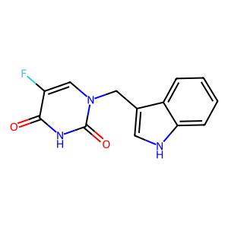 | O=C(NC(C(F)=C1)=O)N1CC2=CNC3=CC=CC=C32 | 93.666666667
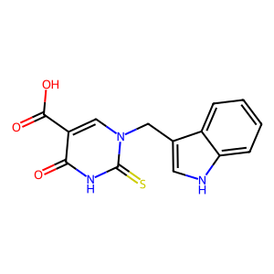 | S=C(NC(C(C(O)=O)=C1)=O)N1CC2=CNC3=CC=CC=C32 | 93.666666667
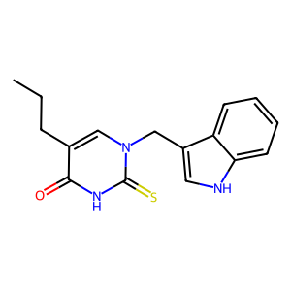 | S=C(NC(C(CCC)=C1)=O)N1CC2=CNC3=CC=CC=C32 | 66.666666667
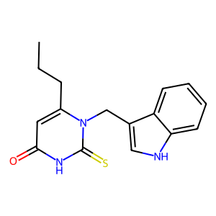 | S=C(NC(C=C1CCC)=O)N1CC2=CNC3=CC=CC=C32 | 66.666666667
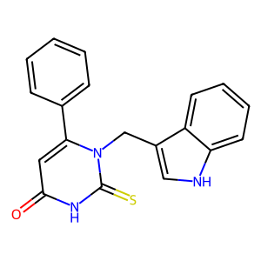 | S=C(NC(C=C1C2=CC=CC=C2)=O)N1CC3=CNC4=CC=CC=C43 | 70.666666667
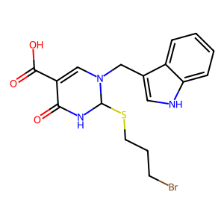 | O=C(C(C(O)=O)=C1)NC(SCCCBr)N1CC2=CNC3=CC=CC=C32 | 93.666666667
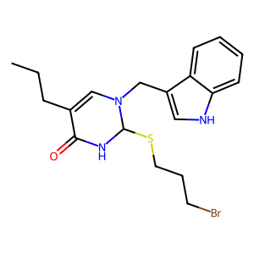 | O=C(C(CCC)=C1)NC(SCCCBr)N1CC2=CNC3=CC=CC=C32 | 66.333333333
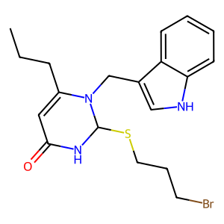 | O=C(C=C1CCC)NC(SCCCBr)N1CC2=CNC3=CC=CC=C32 | 66.333333333
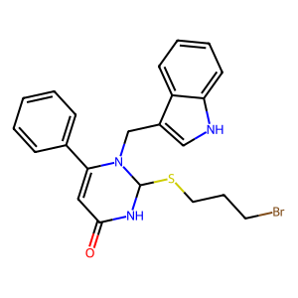 | O=C(C=C1C2=CC=CC=C2)NC(SCCCBr)N1CC3=CNC4=CC=CC=C43 | 84.555555556
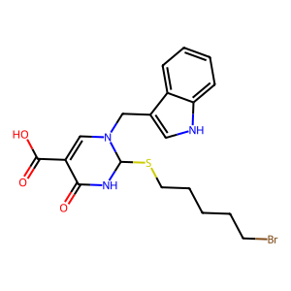 | O=C(C(C(O)=O)=C1)NC(SCCCCCBr)N1CC2=CNC3=CC=CC=C32 | 93.666666667
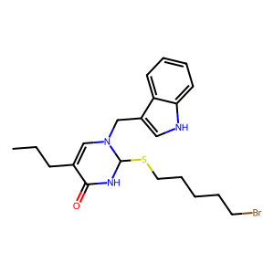 | O=C(C(CCC)=C1)NC(SCCCCCBr)N1CC2=CNC3=CC=CC=C32 | 86.833333333
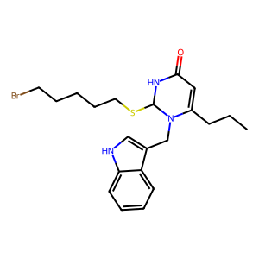 | O=C(C=C1CCC)NC(SCCCCCBr)N1CC2=CNC3=CC=CC=C32 | 86.833333333
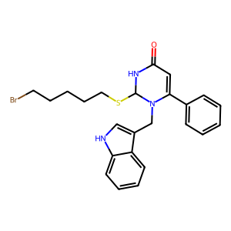 | O=C(C=C1C2=CC=CC=C2)NC(SCCCCCBr)N1CC3=CNC4=CC=CC=C43 | 75.388888889
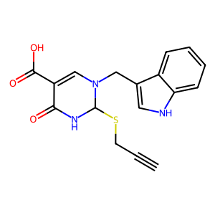 | O=C(C(C(O)=O)=C1)NC(SCC#C)N1CC2=CNC3=CC=CC=C32 | 93.666666667
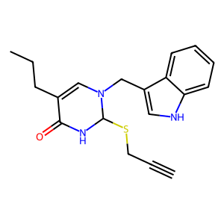 | O=C(C(CCC)=C1)NC(SCC#C)N1CC2=CNC3=CC=CC=C32 | 70.666666667
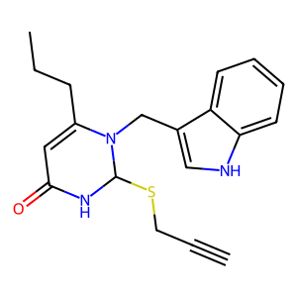 | O=C(C=C1CCC)NC(SCC#C)N1CC2=CNC3=CC=CC=C32 | 70.666666667
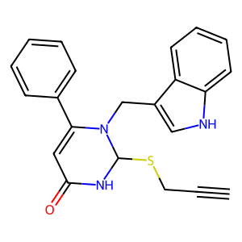 | O=C(C=C1C2=CC=CC=C2)NC(SCC#C)N1CC3=CNC4=CC=CC=C43 | 84.555555556

