Sheet1
 | SMILES
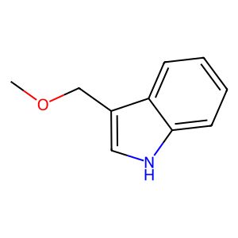 | COCC1=CNC2=CC=CC=C21
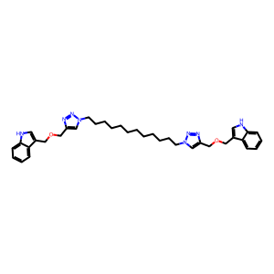 | C12=CC=CC=C1NC=C2COCC3=CN(CCCCCCCCCCCCN4N=NC(COCC5=CNC6=C5C=CC=C6)=C4)N=N3
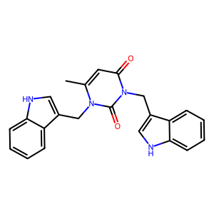 | O=C(C=C1C)N(CC2=CNC3=C2C=CC=C3)C(N1CC4=CNC5=CC=CC=C54)=O
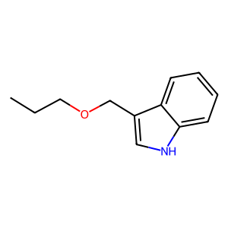 | CCCOCC1=CNC2=CC=CC=C21
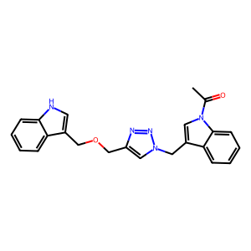 | O=C(C)N(C1=C2C=CC=C1)C=C2CN3N=NC(COCC4=CNC5=C4C=CC=C5)=C3
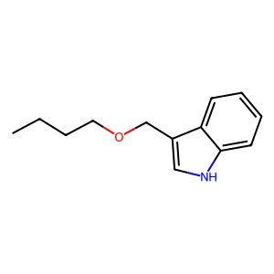 | CCCCOCC1=CNC2=CC=CC=C21
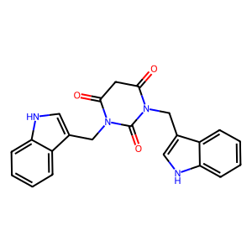 | O=C(CC1=O)N(CC2=CNC3=C2C=CC=C3)C(N1CC4=CNC5=CC=CC=C54)=O
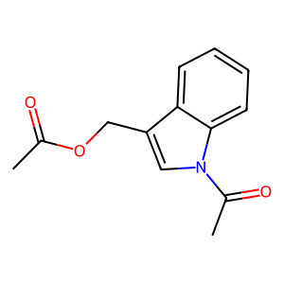 | O=C(C)OCC1=CN(C(C)=O)C2=CC=CC=C21
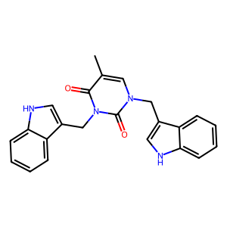 | O=C(C(C)=C1)N(CC2=CNC3=C2C=CC=C3)C(N1CC4=CNC5=CC=CC=C54)=O
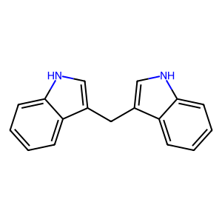 | C12=CC=CC=C1C(CC3=CNC4=C3C=CC=C4)=CN2
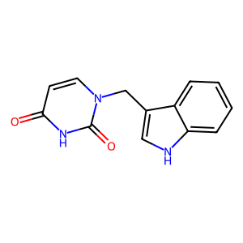 | O=C(C=C1)NC(N1CC2=CNC3=CC=CC=C32)=O
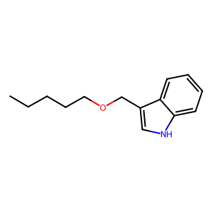 | CCCCCOCC1=CNC2=CC=CC=C21
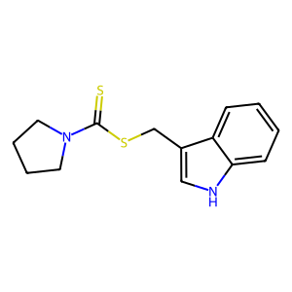 | S=C(N1CCCC1)SCC2=CNC3=CC=CC=C32
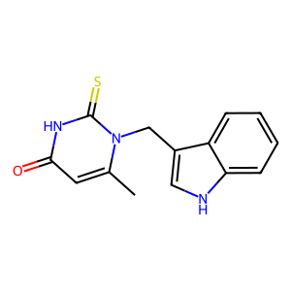 | O=C(C=C1C)NC(N1CC2=CNC3=CC=CC=C32)=S
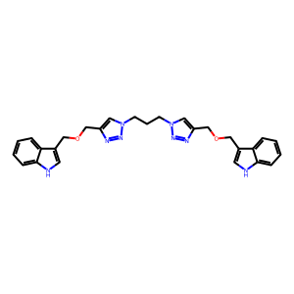 | C12=CC=CC=C1NC=C2COCC3=CN(CCCN4N=NC(COCC5=CNC6=C5C=CC=C6)=C4)N=N3
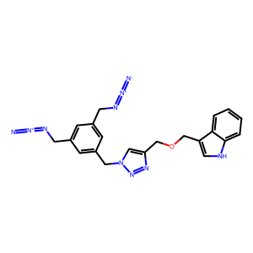 | [N-]=[N+]=NCC1=CC(CN=[N+]=[N-])=CC(CN2N=NC(COCC3=CNC4=C3C=CC=C4)=C2)=C1
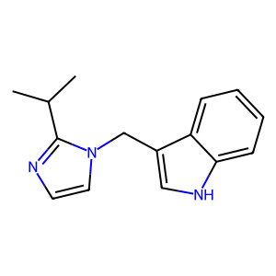 | CC(C)C1=NC=CN1CC2=CNC3=CC=CC=C32
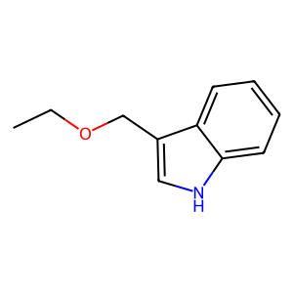 | CCOCC1=CNC2=CC=CC=C21
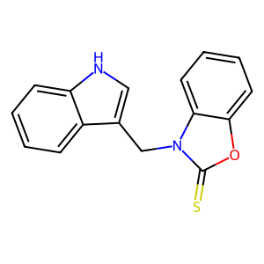 | S=C1N(CC2=CNC3=CC=CC=C32)C(C=CC=C4)=C4O1
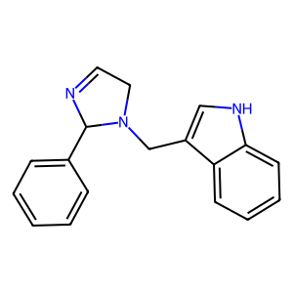 | C12=CC=CC=C1C(CN3C(C4=CC=CC=C4)N=CC3)=CN2
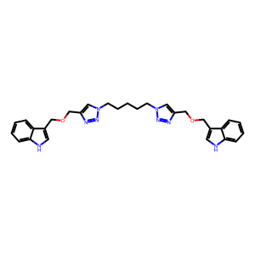 | C12=CC=CC=C1NC=C2COCC3=CN(CCCCCN4N=NC(COCC5=CNC6=C5C=CC=C6)=C4)N=N3
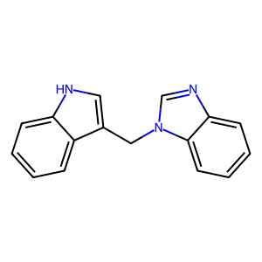 | C12=CC=CC=C1C(CN3C(C=CC=C4)=C4N=C3)=CN2
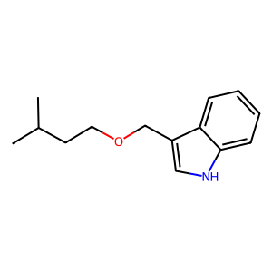 | CC(C)CCOCC1=CNC2=CC=CC=C21
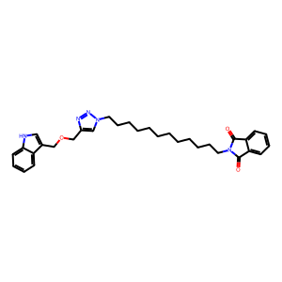 | O=C(C(C=CC=C1)=C1C2=O)N2CCCCCCCCCCCCN3N=NC(COCC4=CNC5=C4C=CC=C5)=C3
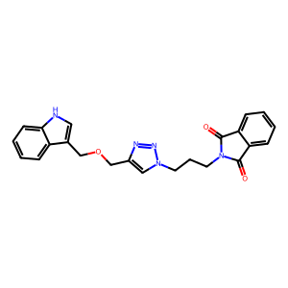 | O=C(C(C=CC=C1)=C1C2=O)N2CCCN3N=NC(COCC4=CNC5=C4C=CC=C5)=C3
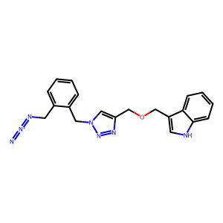 | [N-]=[N+]=NCC1=C(CN2N=NC(COCC3=CNC4=C3C=CC=C4)=C2)C=CC=C1
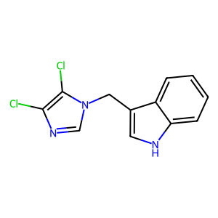 | ClC1=C(Cl)N(C=N1)CC2=CNC3=CC=CC=C32
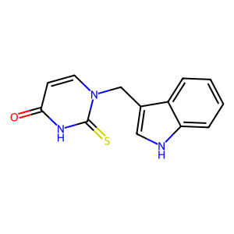 | O=C(C=C1)NC(N1CC2=CNC3=CC=CC=C32)=S
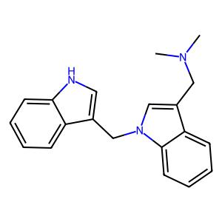 | CN(C)CC1=CN(C2=C1C=CC=C2)CC3=CNC4=CC=CC=C43
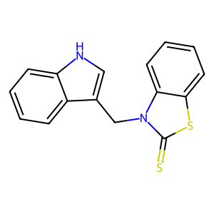 | S=C1N(CC2=CNC3=CC=CC=C32)C(C=CC=C4)=C4S1
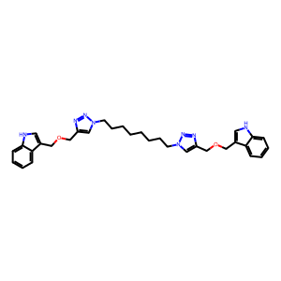 | C12=CC=CC=C1NC=C2COCC3=CN(CCCCCCCCN4N=NC(COCC5=CNC6=C5C=CC=C6)=C4)N=N3
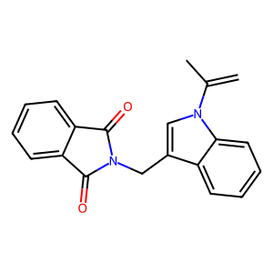 | O=C1C2=C(C=CC=C2)C(N1CC3=CN(C(C)=C)C4=CC=CC=C43)=O
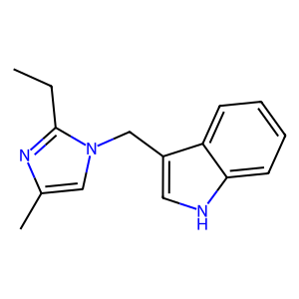 | CCC1=NC(C)=CN1CC2=CNC3=CC=CC=C32
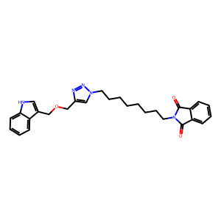 | O=C(C(C=CC=C1)=C1C2=O)N2CCCCCCCCN3N=NC(COCC4=CNC5=C4C=CC=C5)=C3
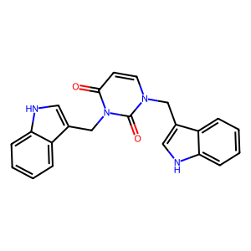 | O=C(C=C1)N(CC2=CNC3=C2C=CC=C3)C(N1CC4=CNC5=CC=CC=C54)=O
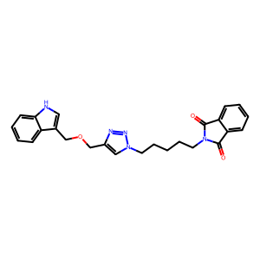 | O=C(C(C=CC=C1)=C1C2=O)N2CCCCCN3N=NC(COCC4=CNC5=C4C=CC=C5)=C3
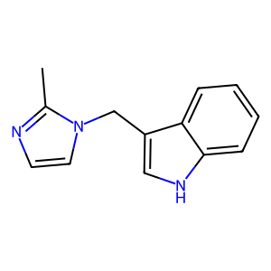 | CC1=NC=CN1CC2=CNC3=CC=CC=C32
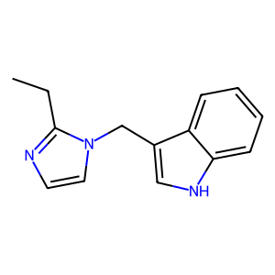 | CCC1=NC=CN1CC2=CNC3=CC=CC=C32
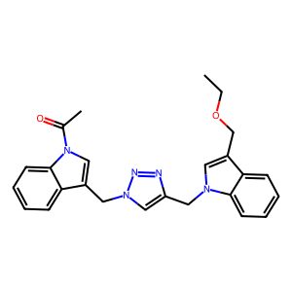 | O=C(C)N(C1=C2C=CC=C1)C=C2CN3N=NC(CN4C=C(COCC)C5=C4C=CC=C5)=C3
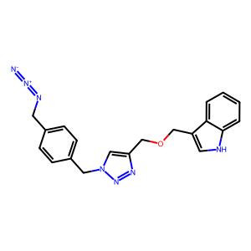 | [N-]=[N+]=NCC1=CC=C(CN2N=NC(COCC3=CNC4=C3C=CC=C4)=C2)C=C1
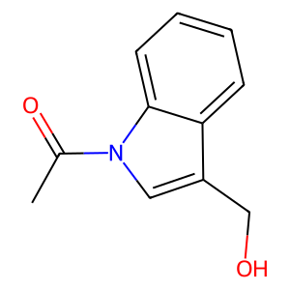 | OCC1=CN(C(C)=O)C2=CC=CC=C21
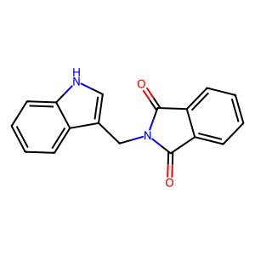 | O=C1C2=C(C=CC=C2)C(N1CC3=CNC4=CC=CC=C43)=O
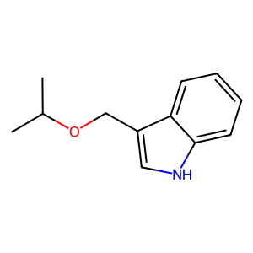 | CC(C)OCC1=CNC2=CC=CC=C21
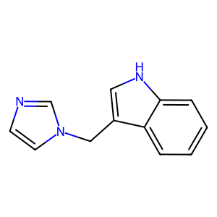 | C12=CC=CC=C1C(CN3C=CN=C3)=CN2

