Sheet1
 | SMILES
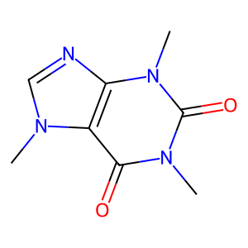 | CN(C(N1C)=O)C2=C(N(C)C=N2)C1=O
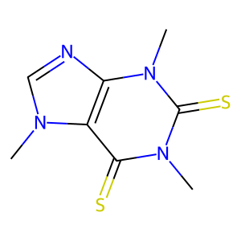 | CN(C(N1C)=S)C2=C(N(C)C=N2)C1=S
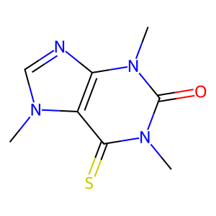 | CN(C(N1C)=O)C2=C(N(C)C=N2)C1=S
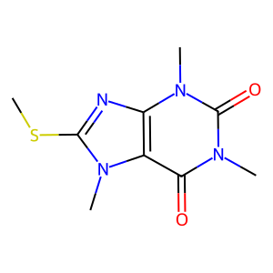 | CN(C(N1C)=O)C2=C(N(C)C(SC)=N2)C1=O
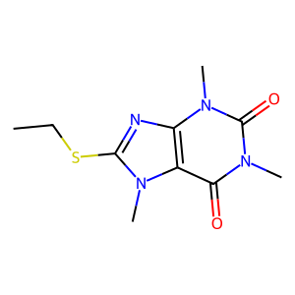 | CN(C(N1C)=O)C2=C(N(C)C(SCC)=N2)C1=O
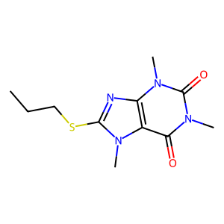 | CN(C(N1C)=O)C2=C(N(C)C(SCCC)=N2)C1=O
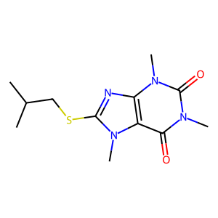 | CN(C(N1C)=O)C2=C(N(C)C(SCC(C)C)=N2)C1=O
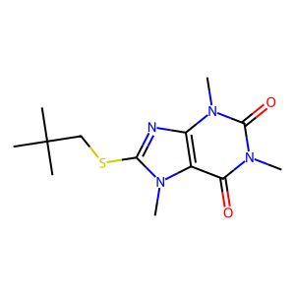 | CN(C(N1C)=O)C2=C(N(C)C(SCC(C)(C)C)=N2)C1=O
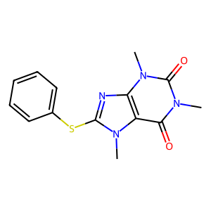 | CN(C(N1C)=O)C2=C(N(C)C(SC3=CC=CC=C3)=N2)C1=O
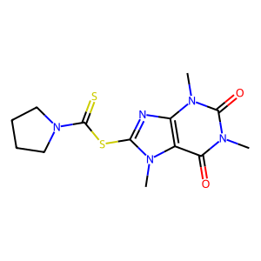 | CN(C(N1C)=O)C2=C(N(C)C(SC(N3CCCC3)=S)=N2)C1=O
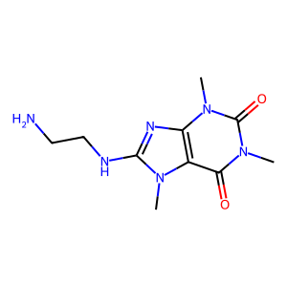 | CN(C(N1C)=O)C2=C(N(C)C(NCCN)=N2)C1=O
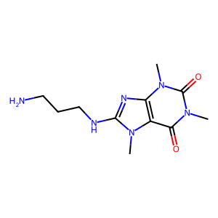 | CN(C(N1C)=O)C2=C(N(C)C(NCCCN)=N2)C1=O
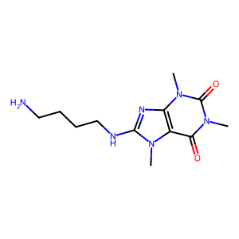 | CN(C(N1C)=O)C2=C(N(C)C(NCCCCN)=N2)C1=O
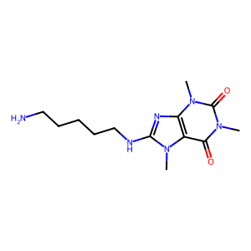 | CN(C(N1C)=O)C2=C(N(C)C(NCCCCCN)=N2)C1=O
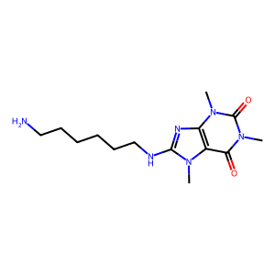 | CN(C(N1C)=O)C2=C(N(C)C(NCCCCCCN)=N2)C1=O
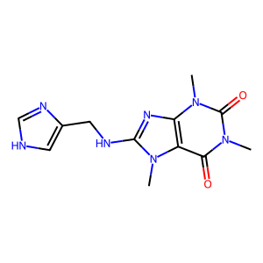 | CN(C(N1C)=O)C2=C(N(C)C(NCC3=CNC=N3)=N2)C1=O
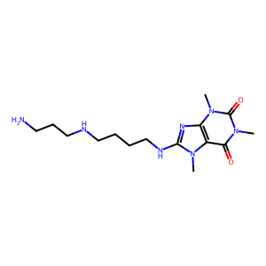 | CN(C(C(N(C)C(NCCCCNCCCN)=N1)=C1N2C)=O)C2=O
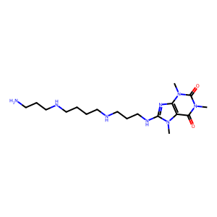 | CN(C(C(N(C)C(NCCCNCCCCNCCCN)=N1)=C1N2C)=O)C2=O
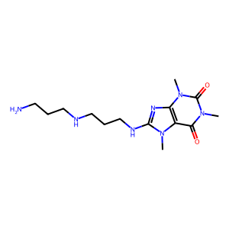 | CN(C(C(N(C)C(NCCCNCCCN)=N1)=C1N2C)=O)C2=O
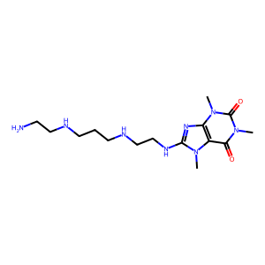 | CN(C(C(N(C)C(NCCNCCCNCCN)=N1)=C1N2C)=O)C2=O
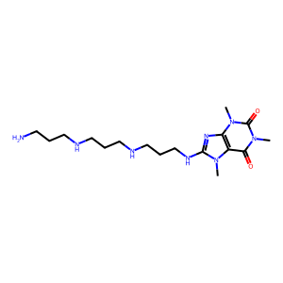 | CN(C(C(N(C)C(NCCCNCCCNCCCN)=N1)=C1N2C)=O)C2=O
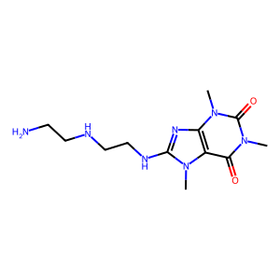 | CN(C(C(N(C)C(NCCNCCN)=N1)=C1N2C)=O)C2=O
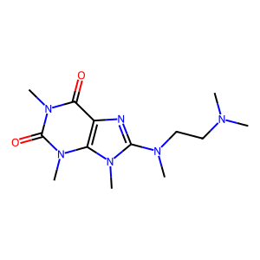 | CN(C)CCN(C1=NC2=C(N1C)N(C)C(N(C)C2=O)=O)C
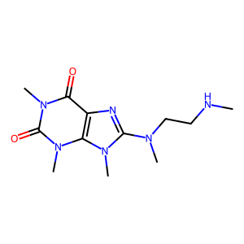 | CNCCN(C)C1=NC2=C(N(C(N(C2=O)C)=O)C)N1C
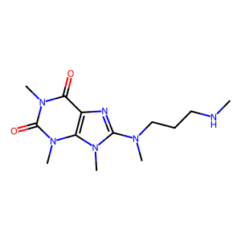 | CNCCCN(C)C1=NC2=C(N(C(N(C2=O)C)=O)C)N1C
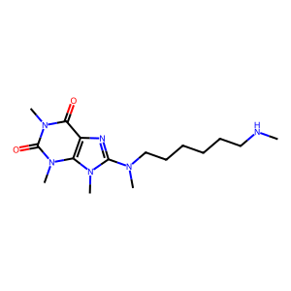 | CNCCCCCCN(C)C1=NC2=C(N(C(N(C2=O)C)=O)C)N1C
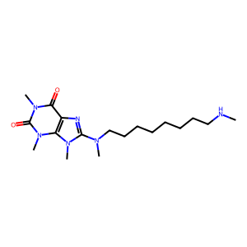 | CNCCCCCCCCN(C)C1=NC2=C(N(C(N(C2=O)C)=O)C)N1C
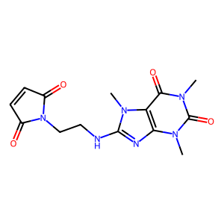 | O=C1C2=C(N=C(NCCN3C(C=CC3=O)=O)N2C)N(C)C(N1C)=O
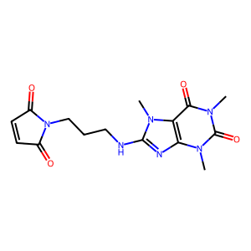 | O=C1C2=C(N=C(NCCCN3C(C=CC3=O)=O)N2C)N(C)C(N1C)=O
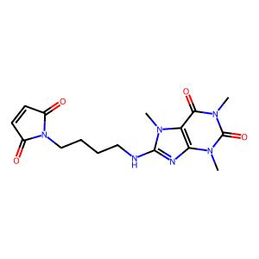 | O=C1C2=C(N=C(NCCCCN3C(C=CC3=O)=O)N2C)N(C)C(N1C)=O
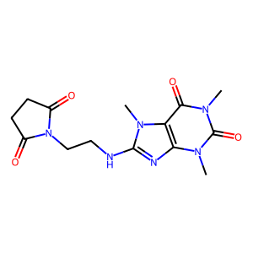 | O=C1C2=C(N=C(NCCN3C(CCC3=O)=O)N2C)N(C)C(N1C)=O
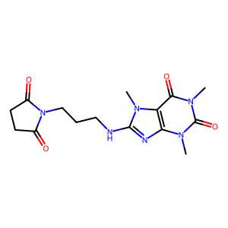 | O=C1C2=C(N=C(NCCCN3C(CCC3=O)=O)N2C)N(C)C(N1C)=O
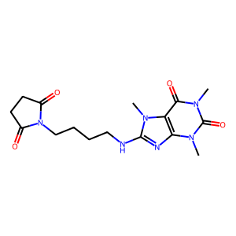 | O=C1C2=C(N=C(NCCCCN3C(CCC3=O)=O)N2C)N(C)C(N1C)=O
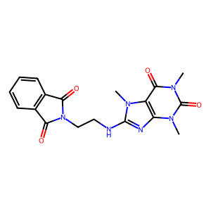 | O=C1C2=C(N=C(NCCN3C(C(C=CC=C4)=C4C3=O)=O)N2C)N(C)C(N1C)=O
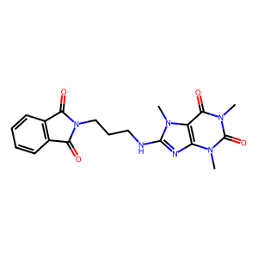 | O=C1C2=C(N=C(NCCCN3C(C(C=CC=C4)=C4C3=O)=O)N2C)N(C)C(N1C)=O
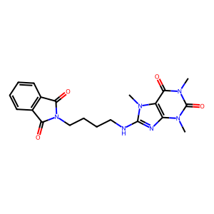 | O=C1C2=C(N=C(NCCCCN3C(C(C=CC=C4)=C4C3=O)=O)N2C)N(C)C(N1C)=O
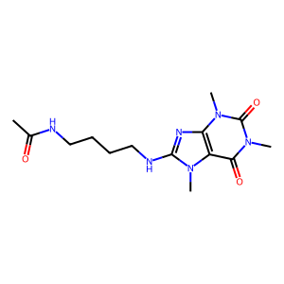 | CN(C(N1C)=O)C2=C(N(C)C(NCCCCNC(C)=O)=N2)C1=O
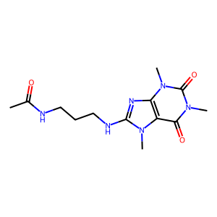 | CN(C(N1C)=O)C2=C(N(C)C(NCCCNC(C)=O)=N2)C1=O
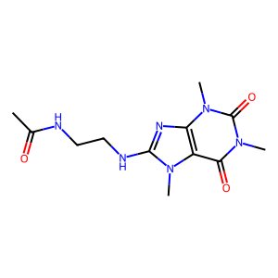 | CN(C(N1C)=O)C2=C(N(C)C(NCCNC(C)=O)=N2)C1=O
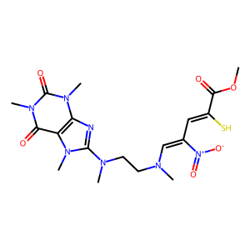 | CN1C(N(C)CCN(C=C(/C=C(C(OC)=O)\S)[N+]([O-])=O)C)=NC2=C1C(N(C)C(N2C)=O)=O
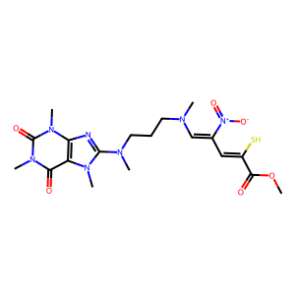 | CN1C(N(C)CCCN(C=C(/C=C(C(OC)=O)\S)[N+]([O-])=O)C)=NC2=C1C(N(C)C(N2C)=O)=O
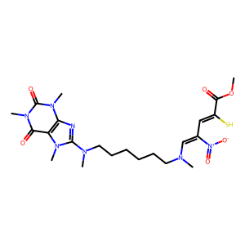 | CN1C(N(C)CCCCCCN(C=C(/C=C(C(OC)=O)\S)[N+]([O-])=O)C)=NC2=C1C(N(C)C(N2C)=O)=O
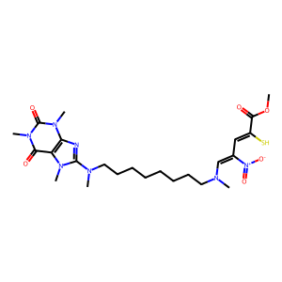 | CN1C(N(C)CCCCCCCCN(C=C(/C=C(C(OC)=O)\S)[N+]([O-])=O)C)=NC2=C1C(N(C)C(N2C)=O)=O
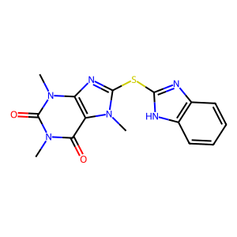 | CN1C(SC2=NC3=C(N2)C=CC=C3)=NC2=C1C(=O)N(C)C(=O)N2C
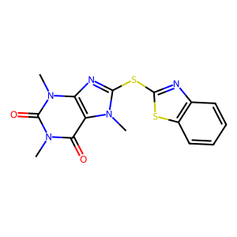 | CN1C(SC2=NC3=C(S2)C=CC=C3)=NC2=C1C(=O)N(C)C(=O)N2C
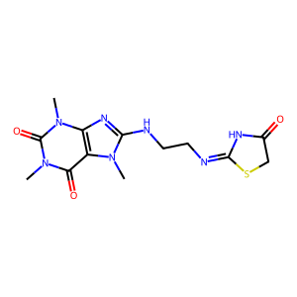 | CN1C(NCC/N=C2SCC(N/2)=O)=NC3=C1C(N(C)C(N3C)=O)=O
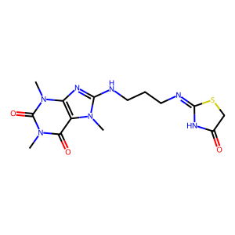 | CN1C(NCCC/N=C2SCC(N/2)=O)=NC3=C1C(N(C)C(N3C)=O)=O
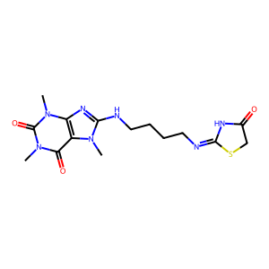 | CN1C(NCCCC/N=C2SCC(N/2)=O)=NC3=C1C(N(C)C(N3C)=O)=O
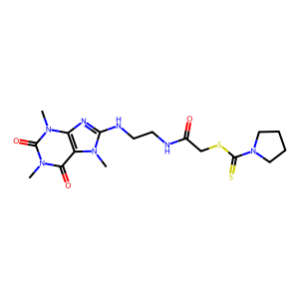 | CN1C(NCCNC(CSC(N2CCCC2)=S)=O)=NC3=C1C(N(C)C(N3C)=O)=O
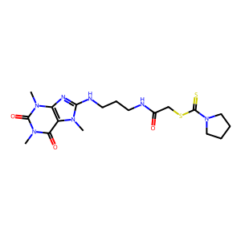 | CN1C(NCCCNC(CSC(N2CCCC2)=S)=O)=NC3=C1C(N(C)C(N3C)=O)=O
 | CN1C(NCCCCNC(CSC(N2CCCC2)=S)=O)=NC3=C1C(N(C)C(N3C)=O)=O
 | O=C1C2=C(N=C(SC3=NC4=C(C=CC=C4)N3CC5=CN(CCCN=[N+]=[N-])N=N5)N2C)N(C)C(N1C)=O
 | O=C1C2=C(N=C(SC3=NC4=C(C=CC=C4)N3CC5=CN(CCCCCN=[N+]=[N-])N=N5)N2C)N(C)C(N1C)=O
 | O=C1C2=C(N=C(SC3=NC4=C(C=CC=C4)N3CC5=CN(CCCCCCCCN=[N+]=[N-])N=N5)N2C)N(C)C(N1C)=O
 | O=C1C2=C(N=C(SC3=NC4=C(C=CC=C4)N3CC5=CN(CCCCCCCCCCCCN=[N+]=[N-])N=N5)N2C)N(C)C(N1C)=O
 | O=C1C2=C(N=C(SC3=NC4=C(C=CC=C4)N3CC5=CN(CC6=CC=C(CN=[N+]=[N-])C=C6)N=N5)N2C)N(C)C(N1C)=O
 | O=C1C2=C(N=C(SC3=NC4=C(C=CC=C4)N3CC5=CN(CC6=CC=CC(CN=[N+]=[N-])=C6)N=N5)N2C)N(C)C(N1C)=O
 | O=C1C2=C(N=C(SC3=NC4=C(C=CC=C4)N3CC5=CN(CC6=C(CN=[N+]=[N-])C=CC=C6)N=N5)N2C)N(C)C(N1C)=O

