Sheet1
Column1 | SMILES | SYBA score | Aktywność cytoprotekcyjna [%] - random forest predicted
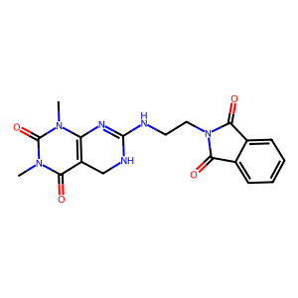 | Cn1c2c(c(=O)n(C)c1=O)CNC(NCCN1C(=O)c3ccccc3C1=O)=N2 | 23.02 | 80
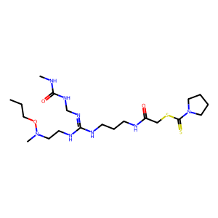 | CCCON(C)CCNC(=NCNC(=O)NC)NCCCNC(=O)CSC(=S)N1CCCC1 | 92.67 | 78
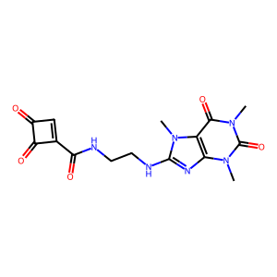 | Cn1c(=O)c2c(nc(NCCNC(=O)c3cc(=O)c3=O)n2C)n(C)c1=O | 93.25 | 77
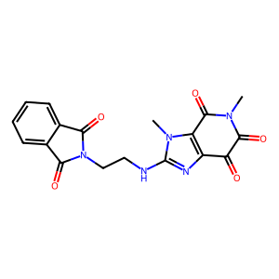 | CN1C(=O)C(=O)c2nc(NCCN3C(=O)c4ccccc4C3=O)n(C)c2C1=O | 46.81 | 77
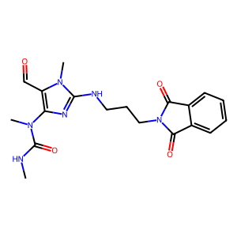 | CNC(=O)N(C)c1nc(NCCCN2C(=O)c3ccccc3C2=O)n(C)c1C=O | 61.74 | 75
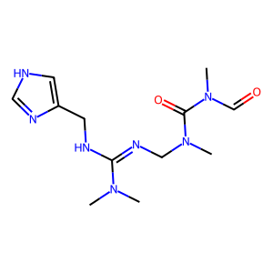 | CN(C)C(=NCN(C)C(=O)N(C)C=O)NCc1c[nH]cn1 | 14.51 | 73
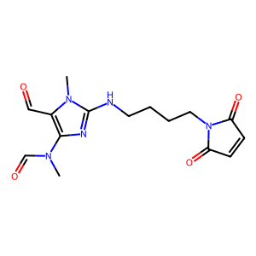 | CN(C=O)c1nc(NCCCCN2C(=O)C=CC2=O)n(C)c1C=O | 12.39 | 73
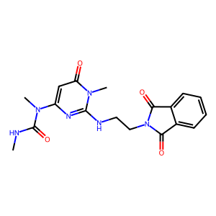 | CNC(=O)N(C)c1cc(=O)n(C)c(NCCN2C(=O)c3ccccc3C2=O)n1 | 63.3 | 73
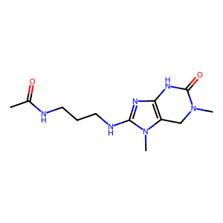 | CC(=O)NCCCNc1nc2c(n1C)CN(C)C(=O)N2 | 17.9 | 71
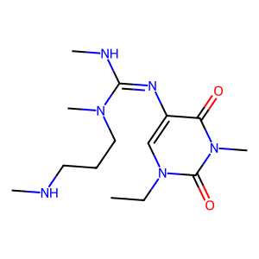 | CCn1cc(N=C(NC)N(C)CCCNC)c(=O)n(C)c1=O | 19.07 | 70
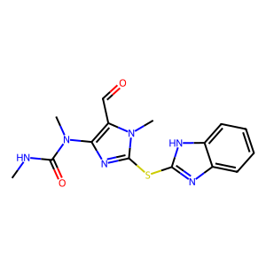 | CNC(=O)N(C)c1nc(Sc2nc3ccccc3[nH]2)n(C)c1C=O | 58.54 | 67
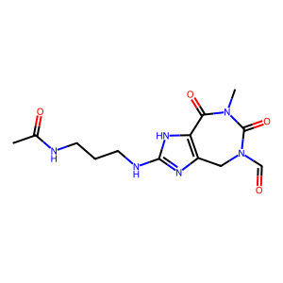 | CC(=O)NCCCNc1nc2c([nH]1)C(=O)N(C)C(=O)N(C=O)C2 | 20.48 | 65
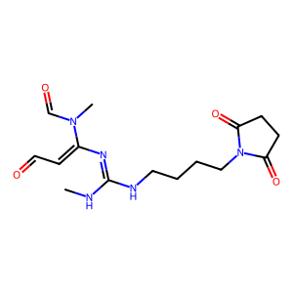 | CNC(=NC(=CC=O)N(C)C=O)NCCCCN1C(=O)CCC1=O | 17.83 | 65
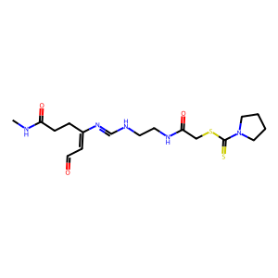 | CNC(=O)CCC(=CC=O)N=CNCCNC(=O)CSC(=S)N1CCCC1 | 42.68 | 65
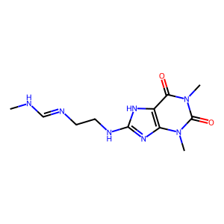 | CNC=NCCNc1nc2c([nH]1)c(=O)n(C)c(=O)n2C | 24.34 | 63
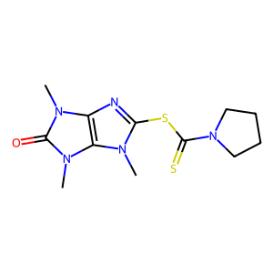 | Cn1c(SC(=S)N2CCCC2)nc2c1n(C)c(=O)n2C | 42.51 | 63
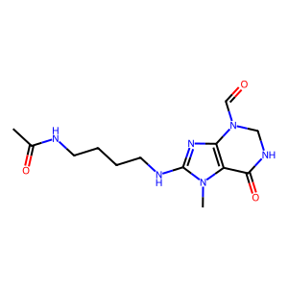 | CC(=O)NCCCCNc1nc2c(n1C)C(=O)NCN2C=O | 10.11 | 62
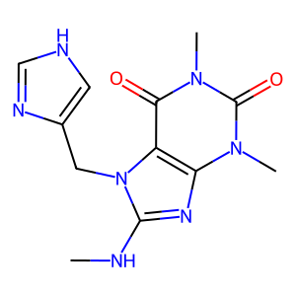 | CNc1nc2c(c(=O)n(C)c(=O)n2C)n1Cc1c[nH]cn1 | 69.52 | 62
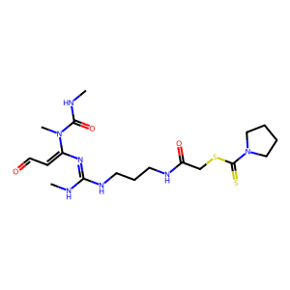 | CNC(=O)N(C)C(=CC=O)N=C(NC)NCCCNC(=O)CSC(=S)N1CCCC1 | 68.4 | 62
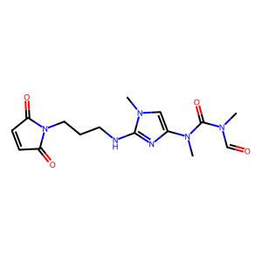 | CN(C=O)C(=O)N(C)c1cn(C)c(NCCCN2C(=O)C=CC2=O)n1 | 11.07 | 60
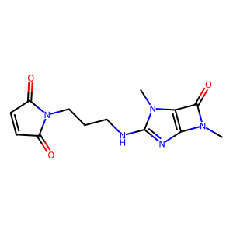 | CN1C(=O)c2c1nc(NCCCN1C(=O)C=CC1=O)n2C | 15.83 | 60
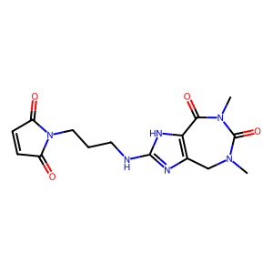 | CN1Cc2nc(NCCCN3C(=O)C=CC3=O)[nH]c2C(=O)N(C)C1=O | 11.36 | 60
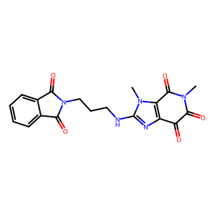 | CN1C(=O)C(=O)c2nc(NCCCN3C(=O)c4ccccc4C3=O)n(C)c2C1=O | 58.72 | 60
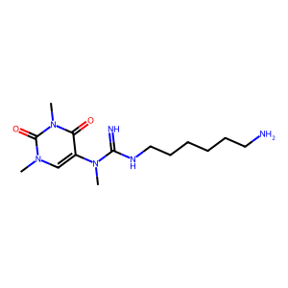 | CN(C(=N)NCCCCCCN)c1cn(C)c(=O)n(C)c1=O | 8.77 | 57
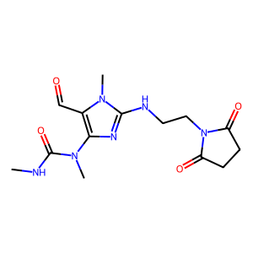 | CNC(=O)N(C)c1nc(NCCN2C(=O)CCC2=O)n(C)c1C=O | 32.48 | 57
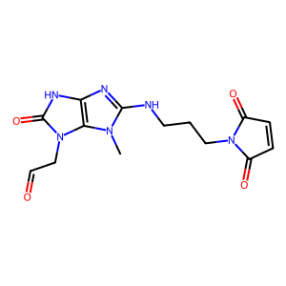 | Cn1c(NCCCN2C(=O)C=CC2=O)nc2[nH]c(=O)n(CC=O)c21 | 9.86 | 57
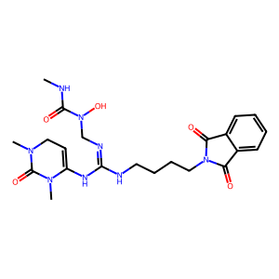 | CNC(=O)N(O)CN=C(NCCCCN1C(=O)c2ccccc2C1=O)NC1=CCN(C)C(=O)N1C | 41.14 | 57
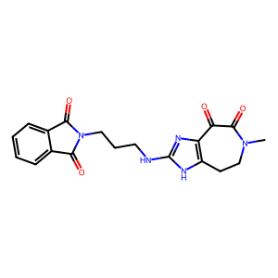 | CN1CCc2[nH]c(NCCCN3C(=O)c4ccccc4C3=O)nc2C(=O)C1=O | 58.04 | 57
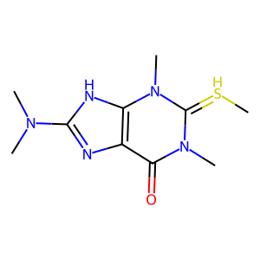 | C[SH]=c1n(C)c(=O)c2nc(N(C)C)[nH]c2n1C | 7.64 | 57
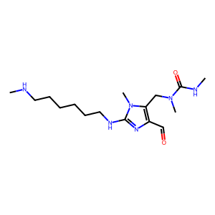 | CNCCCCCCNc1nc(C=O)c(CN(C)C(=O)NC)n1C | 23.87 | 57
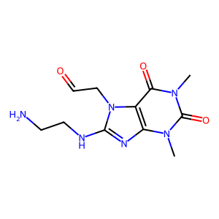 | Cn1c(=O)c2c(nc(NCCN)n2CC=O)n(C)c1=O | 24.33 | 57
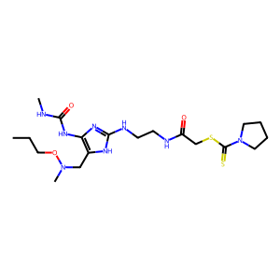 | CCCON(C)Cc1[nH]c(NCCNC(=O)CSC(=S)N2CCCC2)nc1NC(=O)NC | 104.2 | 55
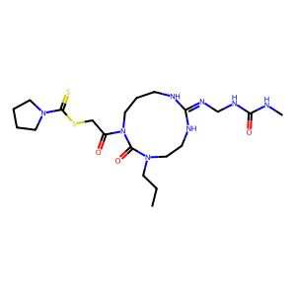 | CCCN1CCNC(=NCNC(=O)NC)NCCCN(C(=O)CSC(=S)N2CCCC2)C1=O | 45.66 | 55
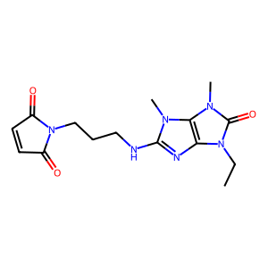 | CCn1c(=O)n(C)c2c1nc(NCCCN1C(=O)C=CC1=O)n2C | 37.89 | 54
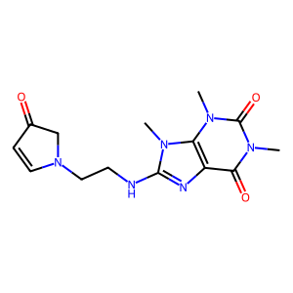 | Cn1c(=O)c2nc(NCCN3C=CC(=O)C3)n(C)c2n(C)c1=O | 9.36 | 54
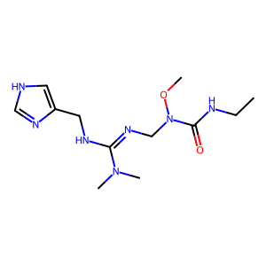 | CCNC(=O)N(CN=C(NCc1c[nH]cn1)N(C)C)OC | 30.52 | 52
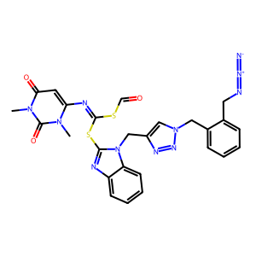 | Cn1c(N=C(SC=O)Sc2nc3ccccc3n2Cc2cn(Cc3ccccc3CN=[N+]=[N-])nn2)cc(=O)n(C)c1=O | 84.11 | 51
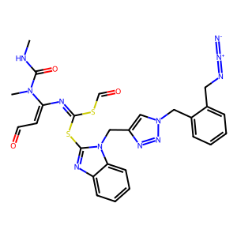 | CNC(=O)N(C)C(=CC=O)N=C(SC=O)Sc1nc2ccccc2n1Cc1cn(Cc2ccccc2CN=[N+]=[N-])nn1 | 64.43 | 46
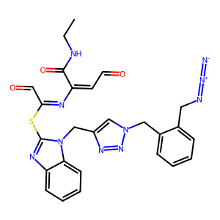 | CCNC(=O)C(=CC=O)N=C(C=O)Sc1nc2ccccc2n1Cc1cn(Cc2ccccc2CN=[N+]=[N-])nn1 | 76.93 | 46
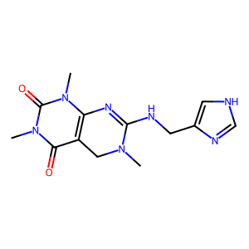 | CN1Cc2c(n(C)c(=O)n(C)c2=O)N=C1NCc1c[nH]cn1 | 16.84 | 46
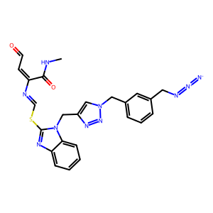 | CNC(=O)C(=CC=O)N=CSc1nc2ccccc2n1Cc1cn(Cc2cccc(CN=[N+]=[N-])c2)nn1 | 80.88 | 46
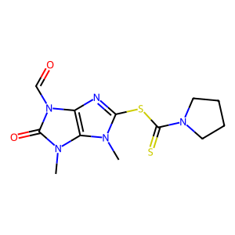 | Cn1c(SC(=S)N2CCCC2)nc2c1n(C)c(=O)n2C=O | 23.18 | 45
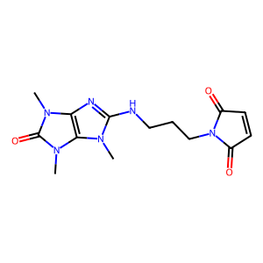 | Cn1c(NCCCN2C(=O)C=CC2=O)nc2c1n(C)c(=O)n2C | 35.1 | 45
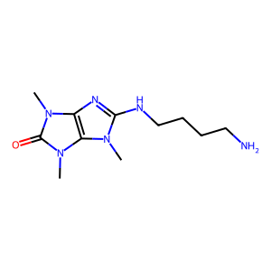 | Cn1c(NCCCCN)nc2c1n(C)c(=O)n2C | 12.2 | 45
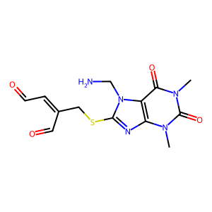 | Cn1c(=O)c2c(nc(SCC(C=O)=CC=O)n2CN)n(C)c1=O | 14.16 | 45
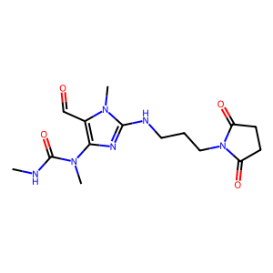 | CNC(=O)N(C)c1nc(NCCCN2C(=O)CCC2=O)n(C)c1C=O | 43.87 | 45
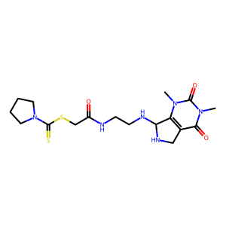 | Cn1c2c(c(=O)n(C)c1=O)CNC2NCCNC(=O)CSC(=S)N1CCCC1 | 49.53 | 43
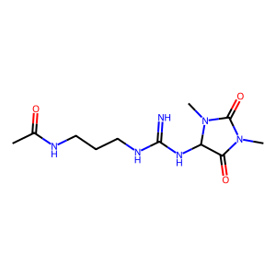 | CC(=O)NCCCNC(=N)NC1C(=O)N(C)C(=O)N1C | 15.66 | 43
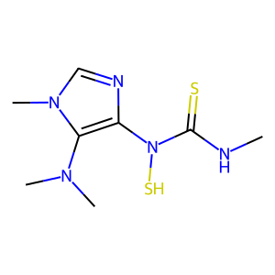 | CNC(=S)N(S)c1ncn(C)c1N(C)C | 13.88 | 43
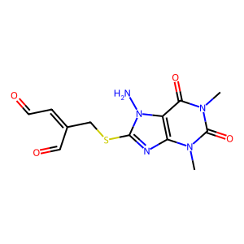 | Cn1c(=O)c2c(nc(SCC(C=O)=CC=O)n2N)n(C)c1=O | 9.31 | 43
 | CN1CCc2[nH]c(NCCCCN3C(=O)c4ccccc4C3=O)nc2C(=O)C1=O | 68.27 | 43
 | CC(=O)NCCCNc1nc(CN(C)C(=O)N(C)C=O)c(C=O)[nH]1 | 31.48 | 43
 | CNC(=O)N(C)c1nc(NCCCN2C(=O)C=CC2=O)n(C)c1C=O | 23.4 | 43
 | CNC(=O)N(C)c1nc(NCCN2C(=O)C=CC2=O)n(C)c1C=O | 15.05 | 43
 | CNC(=O)N(C)c1nc(NCCN2C(=O)c3ccccc3C2=O)n(C)c1C=O | 49.83 | 43
 | CCCSc1nc(NC)cn1CN(C)C | 31.71 | 42
 | CCCSc1nc(NCC)cn1CN(C)C | 35.21 | 42
 | CSc1nc2c(n1C)n(C)c(=S)n2C | 19.9 | 40
 | CNC(=Nc1cc(=O)n(C)c(=O)n1C)SC(=S)N1CCCC1 | 28.97 | 39
 | CNC(=Nc1cc(=O)n(C)c(=O)n1C)NCCNC(=O)CSC(=S)N1CCCC1 | 90.31 | 38
 | CCn1cc(C(=O)N(C)C(=O)NC)nc1CN(C)C | 20.14 | 37
 | Cn1c(=O)c2[nH]c(NCCCNC(=O)CSC(=S)N3CCCC3)nc2n(C)c1=O | 130.7 | 36
 | CNC(=O)CCC(=CC=O)N=CSc1nc2ccccc2n1Cc1cn(Cc2ccc(CN=[N+]=[N-])cc2)nn1 | 84.31 | 36
 | CCn1c(NCCN)nc2c1c(=O)n(C)c(=O)n2C | 47.33 | 36
 | CNC(=O)CCC(=CC=O)N=CSc1nc2ccccc2n1Cc1cn(Cc2cccc(CN=[N+]=[N-])c2)nn1 | 88.79 | 36
 | Cn1c(NCCCN2C(=O)C=CC2=O)nc2c1n(C)c(=O)n2C=O | 15.77 | 35
 | CC(=O)NCCCCNc1nc2c(n1C)CN(C)C(=O)N2C | 29.42 | 35
 | CN(C)c1nc2c(=O)n(C)c(=O)n(C)c2n1C | 31.61 | 34
 | CN(C=O)c1nc(Sc2nc3ccccc3[nH]2)n(C)c1C=O | 42.16 | 34
 | CNC(=O)N(C)c1cn(C)c(SC(=S)N2CCCC2)n1 | 44.95 | 33
 | CNC(=O)N(C)C(=O)C1=CN=C(SC(=S)N2CCCC2)N(C)C1 | 7.25 | 33
 | CN1CCCn2c(nc3c(=O)n(C)c(=O)n(C)c32)C1 | 18.29 | 33
 | CN1Cc2nc(NCCNC(=O)CSC(=S)N3CCCC3)[nH]c2C(=O)N(C)C1=O | 78.7 | 33
 | CCCON1CCNC(NCCCCN2C(=O)c3ccccc3C2=O)=NCN(C(=O)NC)C1 | 36.61 | 30
 | C=CC=CCC(=CC=O)CSc1nc2c(c(=O)n(C)c(=O)n2C)n1C | 12.93 | 28
 | CN(CCNC(=O)CSC(=S)N1CCCC1)CNc1nc2c(c(=O)n(C)c(=O)n2CCCCN=[N+]=[N-])n1C | 111.58 | 27
 | CNC(=O)C(=CC=O)N=CSc1nc2ccccc2n1Cc1cn(CCCN=[N+]=[N-])nn1 | 60.69 | 27
 | CCn1c(CN(C)C)nc2c(=O)n(C)c(=O)n(C)c21 | 40.61 | 26
 | CC(C)NCCCNc1nc2c(c(=O)n(C)c(=O)n2C)n1C | 61.6 | 26
 | CN(CCNC(=O)CSC(=S)N1CCCC1)CNc1nc2c(c(=O)n(C)c(=O)n2CCCN=[N+]=[N-])n1C | 111.58 | 25
 | CNC(=O)CCC(=CC=O)N=CSc1nc2ccccc2n1Cc1cn(CCCN=[N+]=[N-])nn1 | 68.6 | 24
 | CON1CN(C)C(=O)c2c1nc(NCCCCNC(C)=O)n2C | 24.3 | 24
 | CN1C(=O)C=C(N=C(C=O)Sc2nc3ccccc3n2Cc2cn(Cc3ccc(CN=[N+]=[N-])cc3)nn2)CCC1=O | 73.74 | 24
 | CNC(=O)CCC(=CC=O)N=CSc1nc2ccccc2n1Cc1cn(CCCCCN=[N+]=[N-])nn1 | 75.25 | 24
 | CN1c2c(n(C)c(=O)n2C)C1Sc1nc2ccccc2[nH]1 | 39.79 | 23
 | CNC(=O)N(C)CN=C(SCC(C)C)N(C)C | 15.48 | 23
 | CN(C)C(=Nc1cc(=O)n(C)c(=O)n1C)SC(=S)N1CCCC1 | 27.55 | 23
 | COC(=O)C(=CC(=CN(C)CN(C)CCCc1nc2c(c(=O)n(C)c(=O)n2C)n1C)[N+](=O)[O-])SC | 24.63 | 23
 | CC(=O)NCCCNc1nc2[nH]c(=O)n(C)c(=O)c2n1C | 38.77 | 22
 | CC(=O)NCCCNc1nc2c(c(=O)n(C)c(=O)n2C=O)n1C | 46.63 | 20
 | CNC(=Nc1cc(=O)n(C)c(=O)n1C)Sc1nc2ccccc2n1Cc1cn(CCCCCN=[N+]=[N-])nn1 | 102.31 | 19
 | CCn1c(NCCCNC(C)=O)nc2[nH]c(=O)n(C)c(=O)c21 | 44.4 | 19
 | CCNC(=O)N(C)c1cn(C)c(SC(=S)N2CCCC2)n1 | 53.94 | 19
 | CN(C)C(=NCC(=O)N(C)C=O)Sc1ccccc1 | 10.29 | 19
 | CCn1c(=O)c2nc(N(C)C)[nH]c2n(C)c1=O | 28.28 | 18
 | CNC(=Nc1cc(=O)n(C)c(=O)n1C)NCCCCNC(=O)CSC(=S)N1CCCC1 | 97.74 | 18
 | CN(C)C(CCCNC(=S)N1CCCC1)[SH]1C=CC=N1 | 26.75 | 18
 | CN(C)CCCN(C)c1nc2c(=O)n(C)c(=O)n(C)c2n1C | 34.08 | 17
 | Cn1c(NCCCN=C2NC(=O)CS2)nc2c1n(C)c(=O)n2C | 15.49 | 16
 | Cn1c(=O)c2c(nc(SCN3CCCCS3)n2C)n(C)c1=O | 20.82 | 16
 | CN(CSc1nc2c(c(=O)n(C)c(=O)n2C)n1C)N1CCCC1 | 44.99 | 16
 | CC(=O)NCCCNc1nc2c(c(=O)[nH]c(=O)n2CC=O)n1C | 48.05 | 16
 | CNC(=O)N(C)c1nc(Sc2nc3ccccc3n2Cc2cn(Cc3cccc(CN=[N+]=[N-])c3)nn2)n(C)c1C=O | 121.36 | 16
 | CN1C(=O)C=C(N=C(C=O)Sc2nc3ccccc3n2Cc2cn(Cc3ccc(CN=[N+]=[N-])cc3)nn2)C1=O | 74.63 | 16
 | CCCSN(C)CSc1nc2c(c(=O)n(C)c(=O)n2C)n1C | 43.31 | 16
 | CCn1c(=O)c2nc(N(C)C)n(C)c2n(C)c1=O | 30.67 | 14
 | CNC(=O)N(C=O)CN=C(NCCCCN1C(=O)c2ccccc2C1=O)NCCN(C)O | 52.11 | 13
 | CNCCCCCCNc1nc(C=O)c(CNC(=O)N(C)C=O)n1C | 5.73 | 13
 | CCCN(O)Cc1[nH]c(NCCCN2C(=O)c3ccccc3C2=O)nc1NC(=O)NC | 70.37 | 13
 | CCCn1c(=O)[nH]c2nc(NCCCN3C(=O)C=CC3=O)n(C)c21 | 30.4 | 12
 | CCCn1c(CN(C)CC)nc2c(=O)n(C)c(=O)n(C)c21 | 47.03 | 10
 | CNCn1c(Sc2nc3ccccc3n2Cc2cn(CCCN=[N+]=[N-])nn2)nc2c1C(=O)N(C)C2=O | 76.14 | 10
 | CN(C)CCN(C)c1nc2c(c(=O)n(C)c(=O)n2C)n1C | 37.78 | 9
 | CCn1c(=O)c2nc(NCCN(C)C)n(C)c2n(C)c1=O | 39.03 | 9
 | CN(C=O)C(=O)N(C)c1cn(C)c(SC(=S)N2CCCC2)n1 | 22.86 | 8
 | CNCCCCCN(C)c1nc2c(=O)n(C)c(=O)n(C)c2n1C | 21.54 | 8
 | CNCCCN(C)c1nc2c(c(=O)n(C)c(=O)n2C)n1C | 28.33 | 8
 | CN1C(=O)C(=O)C=C1N=C(CCC=O)Sc1nc2ccccc2n1Cc1cn(CCCCCCCCCCCCN=[N+]=[N-])nn1 | 72.44 | 7
 | CN1CN(CCNC(=O)CSC(=S)N2CCCC2)C=Nc2c1c(=O)n(C)c(=O)n2C | 54.44 | 7
 | CCCC(=NC1=CC(=O)C(=O)N(C)C1=O)Sc1nc2ccccc2n1Cc1cn(CCCCCCCCCCCCN=[N+]=[N-])nn1 | 90.7 | 6
 | CCn1c(=O)cc(N=C(SC(=S)N2CCCC2)N(C)C)n(C)c1=O | 28.29 | 6
 | C=CC=CCn1c(=O)n(C)c(=O)c2c1nc(NCN(C)CCNC(=O)CSC(=S)N1CCCC1)n2C | 55.86 | 5
 | CN(C)CCNc1nc2c(=O)n(C)c(=O)n(C)c2n1C | 41.27 | 5
 | CN1C(=O)C(C=O)=C1N=C(CCC=O)Sc1nc2ccccc2n1Cc1cn(CCCCCCCCCCCCN=[N+]=[N-])nn1 | 67.65 | 4
 | CNC(=O)N1CN=C(NCCCCN2C(=O)c3ccccc3C2=O)NCCN(C=O)C1=O | 23.23 | 3
 | CCCn1c(NCCCNC(C)=O)nc2[nH]c(=O)[nH]c(=O)c21 | 43.05 | 0
 | CNC(=Nc1cc(=O)n(C)c(=O)n1C=O)NCCCNC(C)=O | 28.58 | 0

