Trang tính1
No | Category | Images
1 | <h2>Products</h2> | https://unsplash.com/photos/6ozhV5b9ims
 |  | https://unsplash.com/photos/Pd585pphU-4
 |  | https://unsplash.com/photos/8GuvbXdn40U
 |  | https://unsplash.com/photos/QCPXRvl9Ylc
 |  | https://unsplash.com/photos/OjsYyxPdJW0
 |  | https://unsplash.com/photos/-yPg8cusGD8
 |  | https://unsplash.com/photos/c5t_j1zlk1Y
 |  | https://unsplash.com/photos/nimElTcTNyY
 |  | https://unsplash.com/photos/nahUo1GhcrA
 |  | https://unsplash.com/photos/eyFcZLLYvfA
 |  | https://unsplash.com/photos/0UECcInuCR4
 |  | https://unsplash.com/photos/VlMMBxSZuSI
 |  | https://unsplash.com/photos/o-wlIFT4zE4
 |  | https://unsplash.com/photos/3t6rfsCaWiQ
 |  | https://unsplash.com/photos/pONwcn4IcVU
 |  | https://unsplash.com/photos/uN1m9Ca0aqo | 
2 | <h2>Collection</h2> | https://unsplash.com/photos/vGOqRDtfZPU
 |  | https://unsplash.com/photos/MIkxc6WV9QA | 
3 | <h2>Bags</h2> | https://unsplash.com/photos/kGKJW9hv1l8
 |  | https://unsplash.com/photos/Nv4QHkTVEaI | 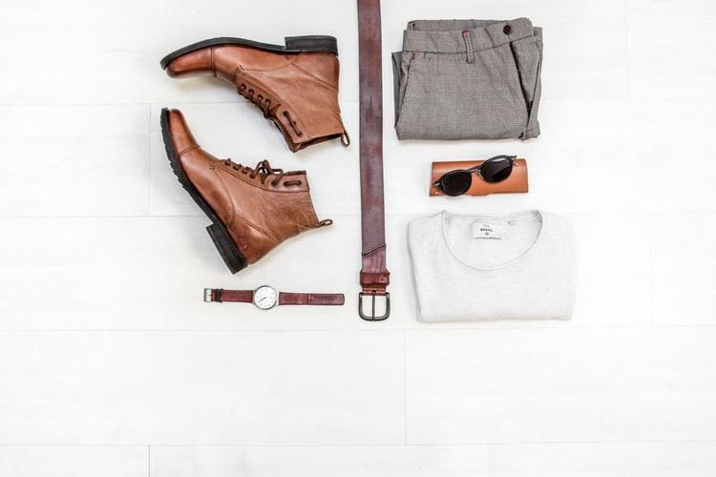
4 | <h2>Category</h2> | https://unsplash.com/photos/x230a__cFO0
5 | <h2>Main Slider</h2> | https://unsplash.com/photos/ycVFts5Ma4s | 
 |  | https://unsplash.com/photos/ojZ4wJNUM5w | 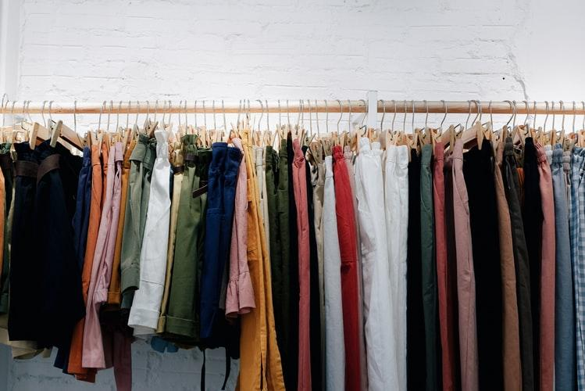
 |  | https://unsplash.com/photos/w2uvoJo_woE | 