Sheet1
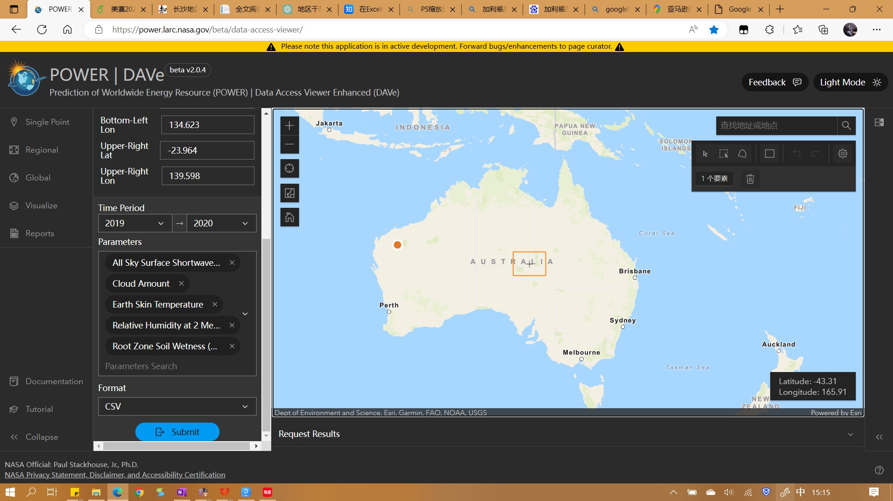
TS MERRA-2 Earth Skin Temperature (C)
RH2M MERRA-2 Relative Humidity at 2 Meters (%)
GWETROOT MERRA-2 Root Zone Soil Wetness (1)
ALLSKY_SFC_SW_DWN CERES SYN1deg All Sky Surface Shortwave Downward Irradiance (MJ/m^2/day)
 |  |  |  |  |  |  |  |  |  |  |  |  |  | LAT | LON
 |  |  |  |  |  |  |  |  |  |  |  |  |  | -24.25 | 135.25
 |  |  |  |  |  |  |  |  |  |  |  |  |  | -24.25 | 135.75
 | JAN | FEB | MAR | APR | MAY | JUN | JUL | AUG | SEP | OCT | NOV | DEC | ANN | -24.25 | 136.25
TS | 37.652857143 | 33.248214286 | 30.580714286 | 25.152380952 | 17.828452381 | 13.769285714 | 14.240833333 | 16.37 | 23.143333333 | 27.198095238 | 31.634285714 | 34.218214286 | 25.388214286 | -24.25 | 136.75
 |  |  |  |  |  |  |  |  |  |  |  |  |  | -24.25 | 137.25
RH2M | 22.297710843 | 24.640843373 | 27.776024096 | 32.841927711 | 40.47373494 | 46.650722892 | 44.270481928 | 37.324337349 | 24.194698795 | 24.339277108 | 17.992289157 | 22.961807229 | 30.523493976 | -24.25 | 137.75
 |  |  |  |  |  |  |  |  |  |  |  |  |  | -24.25 | 138.25
GWETROOT | 0.17397590361 | 0.18253012048 | 0.19228915663 | 0.1978313253 | 0.19084337349 | 0.18710843373 | 0.18385542169 | 0.18626506024 | 0.18072289157 | 0.18289156627 | 0.17903614458 | 0.18421686747 | 0.18506024096 | -24.75 | 135.25
 |  |  |  |  |  |  |  |  |  |  |  |  |  | -24.75 | 135.75
ALLSKY_SFC_SW_DWN | 28.798809524 | 28.768571429 | 24.174047619 | 20.45547619 | 16.557857143 | 15.333809524 | 16.106666667 | 19.560238095 | 23.207142857 | 26.93547619 | 30.105 | 28.37047619 | 23.16952381 | -24.75 | 136.25
 |  |  |  |  |  |  |  |  |  |  |  |  |  | -24.75 | 136.75
R Year | 40 | 32 | 21 | 12 | 7 | 6 | 4 | 9 | 13 | 21 | 23 | 34 | 18.5
 |  |  |  |  |  |  |  |  |  |  |  |  |  | -24.75 | 137.75
 |  |  |  |  |  |  |  |  |  |  |  |  |  | -24.75 | 138.25
 | JAN | FEB | MAR | APR | MAY | JUN | JUL | AUG | SEP | OCT | NOV | DEC | ANN | -25.25 | 135.25
 |  |  |  |  |  |  |  |  |  |  |  |  |  | -25.25 | 135.75
TS | 27.869464286 | 27.747678571 | 24.16125 | 17.885714286 | 14.442857143 | 10.213035714 | 9.5073214286 | 10.28375 | 15.563035714 | 19.404821429 | 23.059285714 | 25.910892857 | 18.800178571 | -25.25 | 136.25

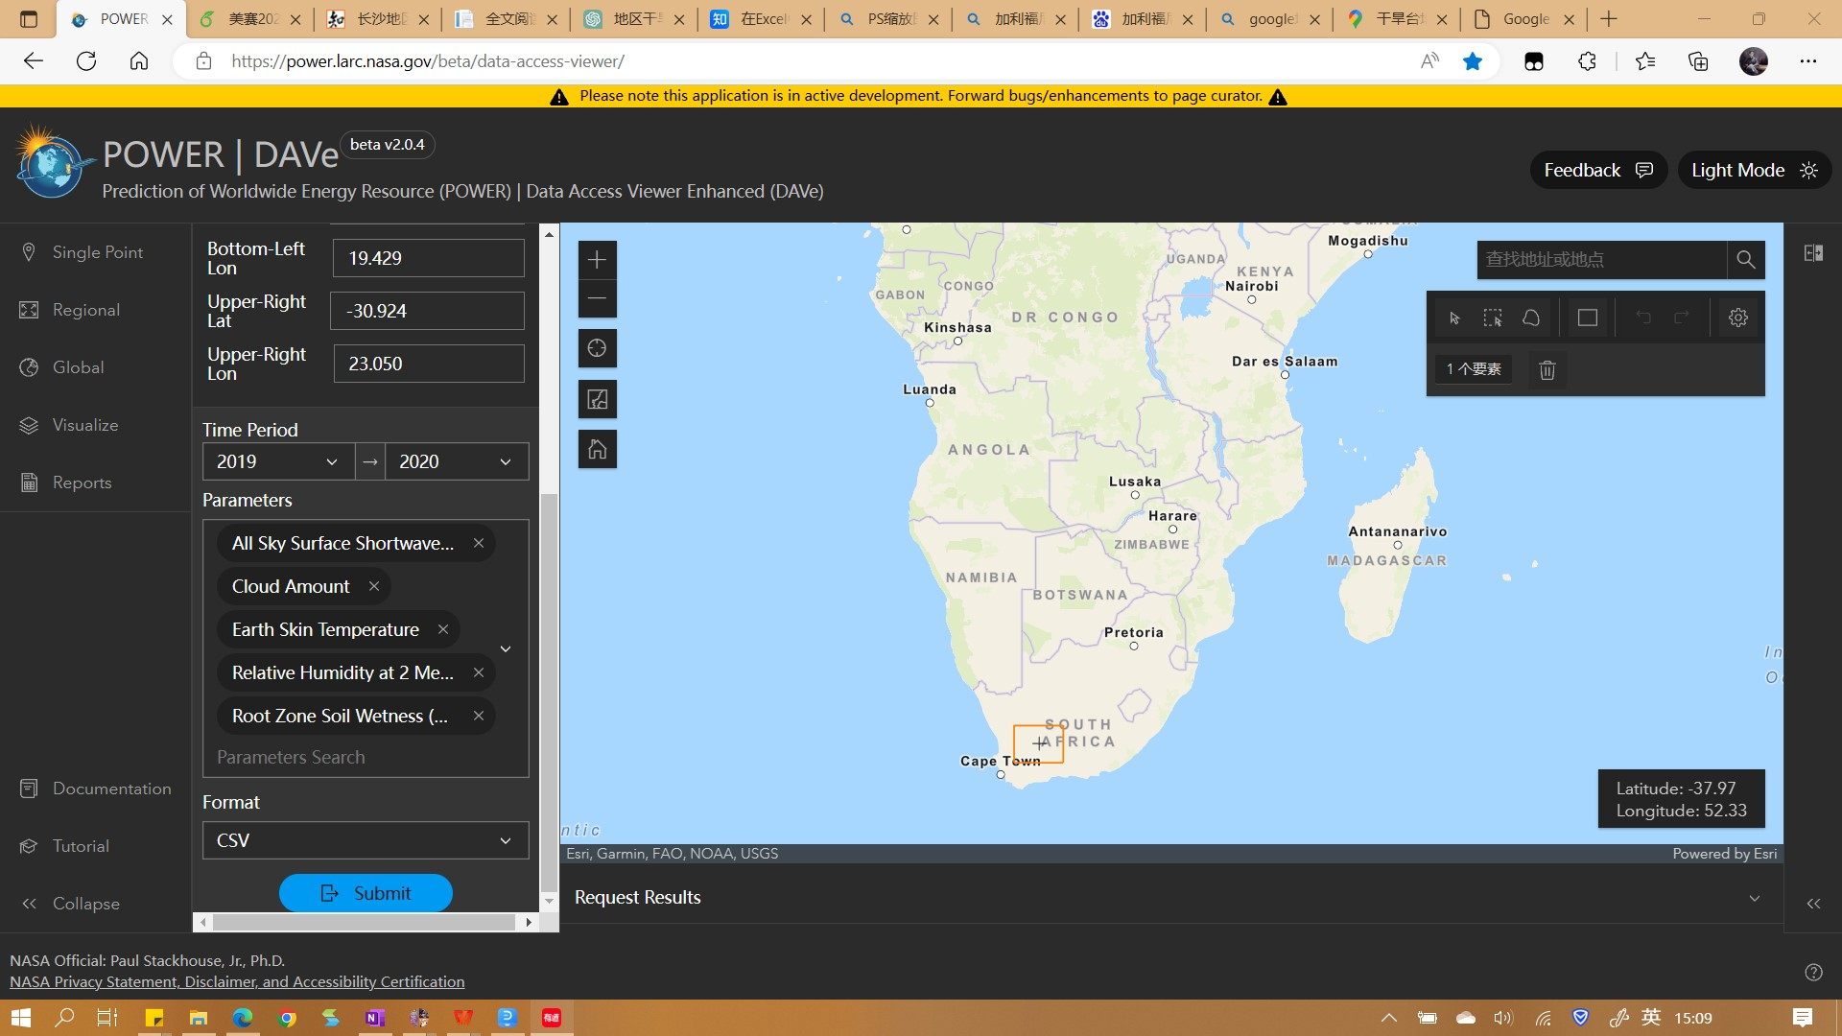
RH2M | 40.166607143 | 42.300535714 | 44.088214286 | 47.801607143 | 45.57125 | 51.712142857 | 49.866785714 | 52.599821429 | 45.550178571 | 42.215178571 | 40.789107143 | 39.07125 | 45.145714286
 |  |  |  |  |  |  |  |  |  |  |  |  |  | LAT | LON
GWETROOT | 0.34910714286 | 0.35392857143 | 0.35339285714 | 0.35392857143 | 0.36089285714 | 0.36821428571 | 0.38714285714 | 0.39285714286 | 0.38696428571 | 0.37375 | 0.35892857143 | 0.34839285714 | 0.36607142857 | -31.25 | 19.75
 |  |  |  |  |  |  |  |  |  |  |  |  |  | -31.25 | 20.25
ALLSKY_SFC_SW_DWN | 30.782142857 | 26.751785714 | 23.072857143 | 17.739642857 | 13.798214286 | 12.091071429 | 13.2175 | 17.086428571 | 21.013214286 | 26.1075 | 29.783571429 | 31.823928571 | 21.924642857 | -31.25 | 20.75
 |  |  |  |  |  |  |  |  |  |  |  |  |  | -31.25 | 21.25
R Year | 21 | 16 | 15 | 13 | 12 | 14 | 11 | 4 | 13 | 9 | 6 | 12 | 12.166666667
 |  |  |  |  |  |  |  |  |  |  |  |  |  | -31.25 | 22.25
 |  |  |  |  |  |  |  |  |  |  |  |  |  | -31.25 | 22.75
 | JAN | FEB | MAR | APR | MAY | JUN | JUL | AUG | SEP | OCT | NOV | DEC | ANN | -31.75 | 19.75
 |  |  |  |  |  |  |  |  |  |  |  |  |  | -31.75 | 20.25
TS | 26.4715 | 26.831928571 | 26.942 | 26.417928571 | 26.298928571 | 26.177571429 | 26.116785714 | 27.051785714 | 27.854071429 | 27.036214286 | 26.794857143 | 26.440857143 | 26.700928571 | -31.75 | 20.75
 |  |  |  |  |  |  |  |  |  |  |  |  |  | -31.75 | 21.25
RH2M | 91.01 | 90.386214286 | 90.415857143 | 91.842714286 | 92.309928571 | 91.568714286 | 89.643714286 | 84.552357143 | 82.600142857 | 86.555785714 | 88.618 | 90.731428571 | 89.174214286 | -31.75 | 21.75
 |  |  |  |  |  |  |  |  |  |  |  |  |  | -31.75 | 22.25
GWETROOT | 0.80578571429 | 0.82114285714 | 0.8355 | 0.92214285714 | 0.96264285714 | 0.94192857143 | 0.88228571429 | 0.76128571429 | 0.68028571429 | 0.69835714286 | 0.73985714286 | 0.78621428571 | 0.82007142857 | -31.75 | 22.75
 |  |  |  |  |  |  |  |  |  |  |  |  |  | -32.25 | 19.75
ALLSKY_SFC_SW_DWN | 17.339857143 | 17.170714286 | 17.963428571 | 15.575 | 14.924571429 | 16.245 | 18.238142857 | 18.786 | 19.241285714 | 17.614142857 | 16.613285714 | 15.779142857 | 17.128428571 | -32.25 | 20.25

R Year | 221 | 214 | 304 | 334 | 328 | 129 | 76 | 49 | 72 | 119 | 116 | 192 | 179.5

 |  | LAT | LON
 |  | -1.25 | -59.25
 |  | -1.25 | -59.75
 |  | -1.25 | -60.25
 |  | -1.25 | -60.75
 |  | -1.25 | -61.25
 |  | -1.25 | -61.75
 |  | -1.25 | -62.25
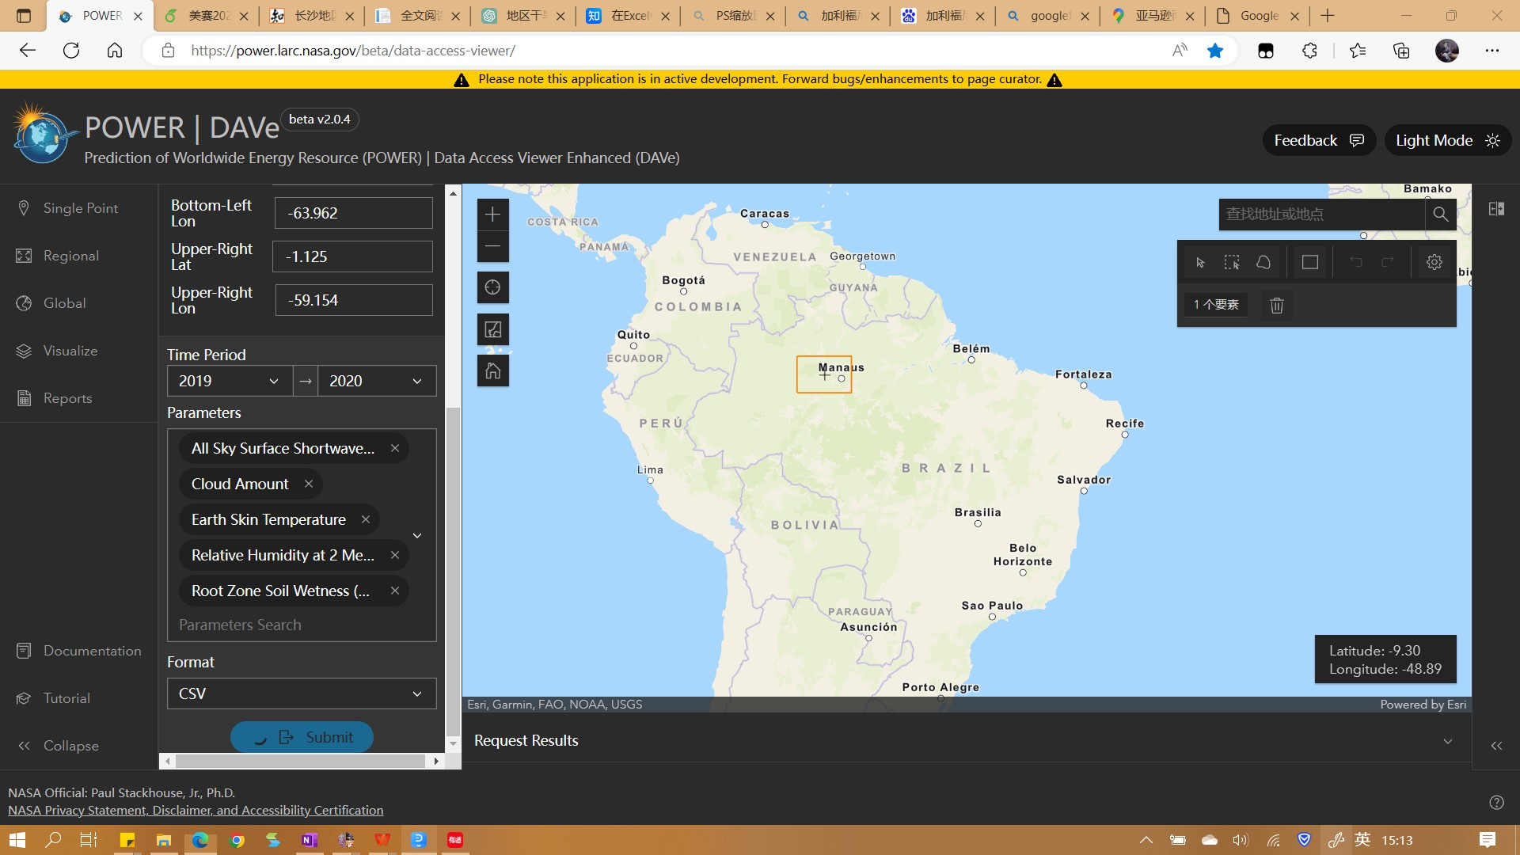
 |  | -1.25 | -62.75
 |  | -1.25 | -63.25
 |  | -1.25 | -63.75
 |  | -1.75 | -59.25
 |  | -1.75 | -59.75
 |  | -1.75 | -60.25
 |  | -1.75 | -60.75
 |  | -1.75 | -61.25
 |  | -1.75 | -61.75
 |  | -1.75 | -62.25
 |  | -1.75 | -62.75
 |  | -1.75 | -63.25
 |  | -1.75 | -63.75
 |  | -2.25 | -59.25
 |  | -2.25 | -59.75

