DFDs
Context Diagram | Comments
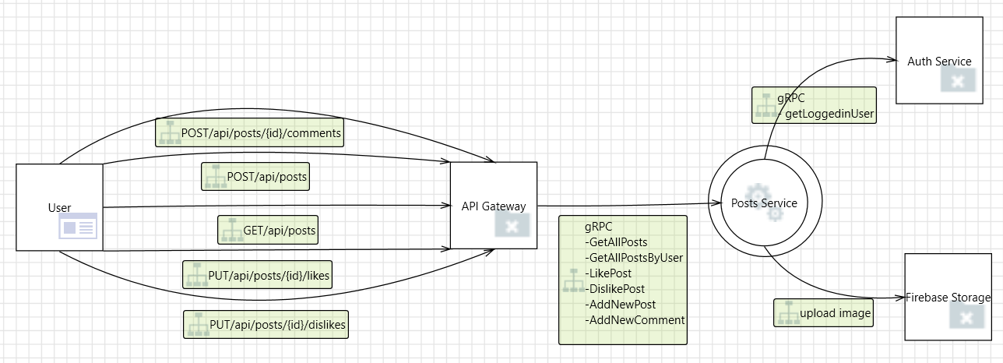

Level 1
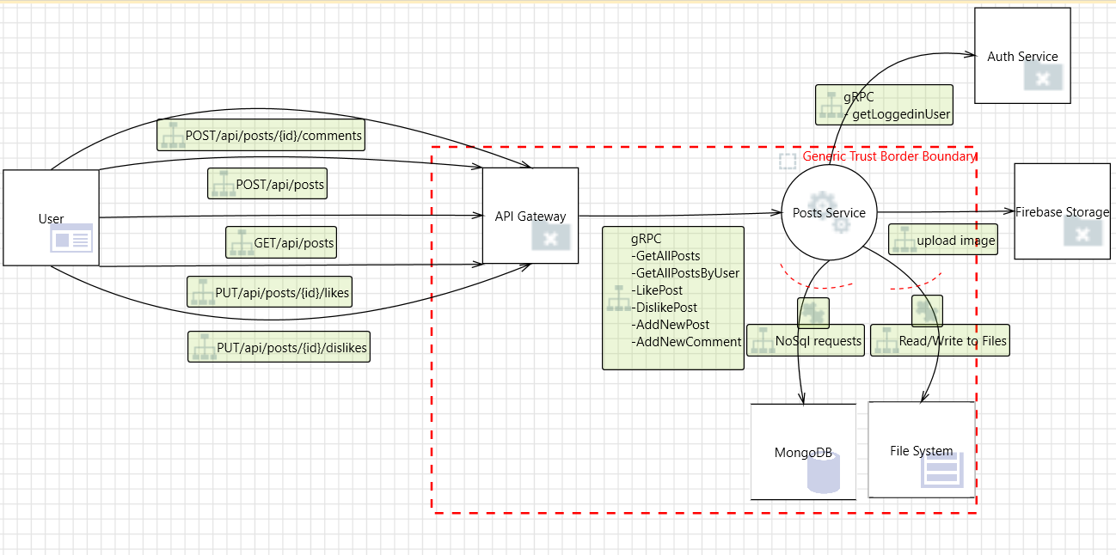

Level 2 - SS Request Handler
 | The SS Request Handler is deployed on a single physical machine, running three virtual machines. These virtual machines contain: 1) The Authorization Provider, that checks user identities and access rights; 2) Integration Adapters, that handle file transfers between the FIS Student Services and other subsystems of the FIS. 3) Business Functions, that handle all user requests and communicate with the database and file storage system. Can you find any issues with this DFD?

