DFDs
Context Diagram | Comments
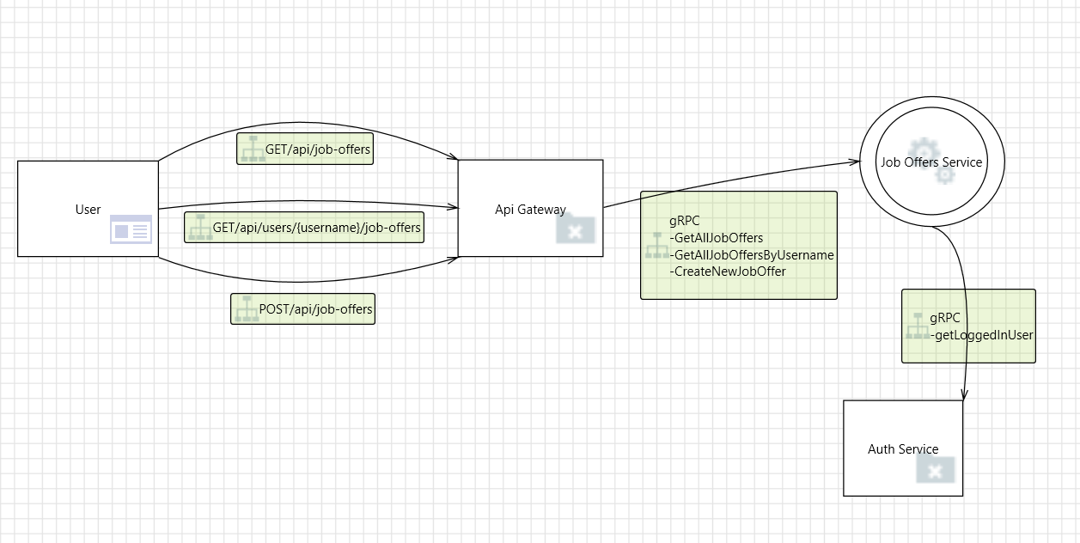 | Registered user, browser clients can access and send requests to API Gateway. If the requests are valid they get routed to Job Offers Microservice. Job Offers microservice communicates with authorization microservice.

Level 1
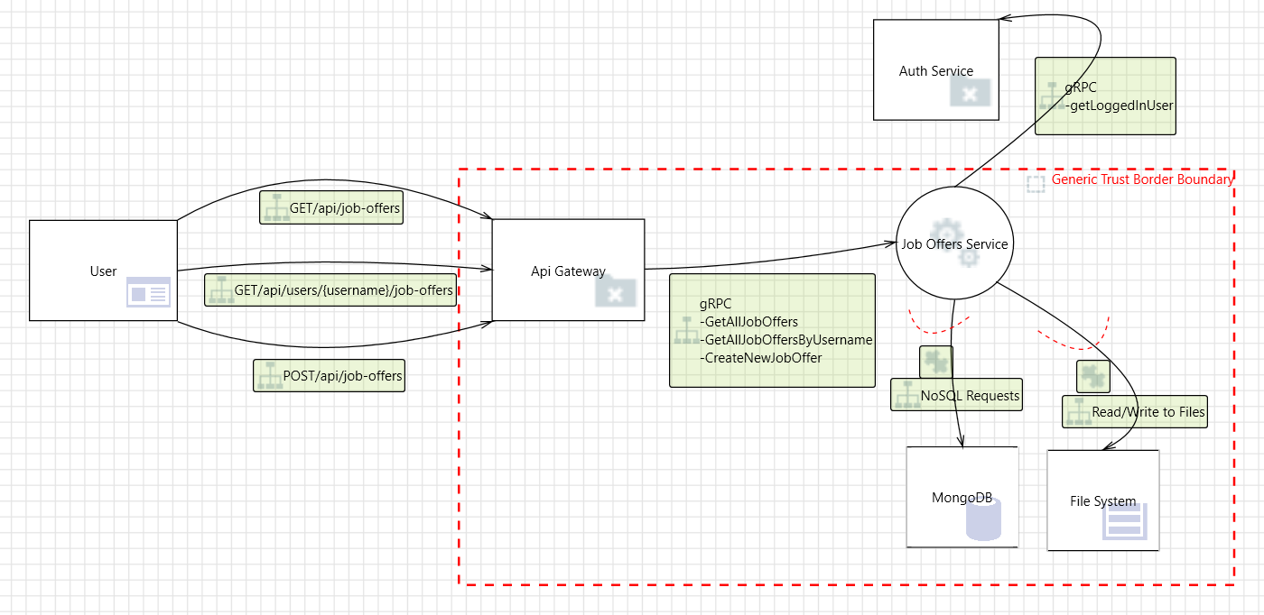 | API Gateway, Job Offers Microservice and Database are all hosted on the same network, inside Docker containers therefore their internal communication is relatively secure. All external requests recieved by the gateway are considered possible attack vectors.

