DFDs
Context Diagram | Comments
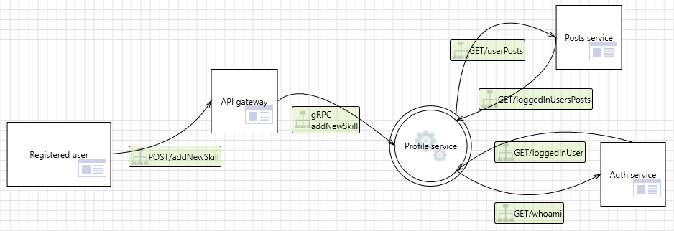 | Registered users send their requests to their API gateway which if valid are routed to the Profile Microservice. Microservice also communicates with other microservices, such as post and authorization.

Level 1
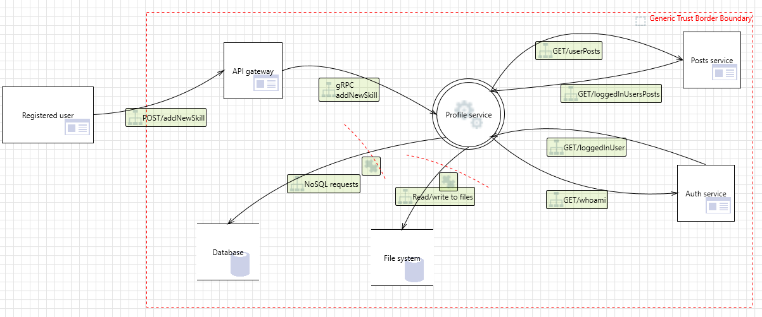 | API Gateway, Profile Microservice and Database are all hosted on the same machine, inside their Docker containers thus making their internal communication relatively secure. All external requests to api gateway are considered possible attacks.

