DFDs
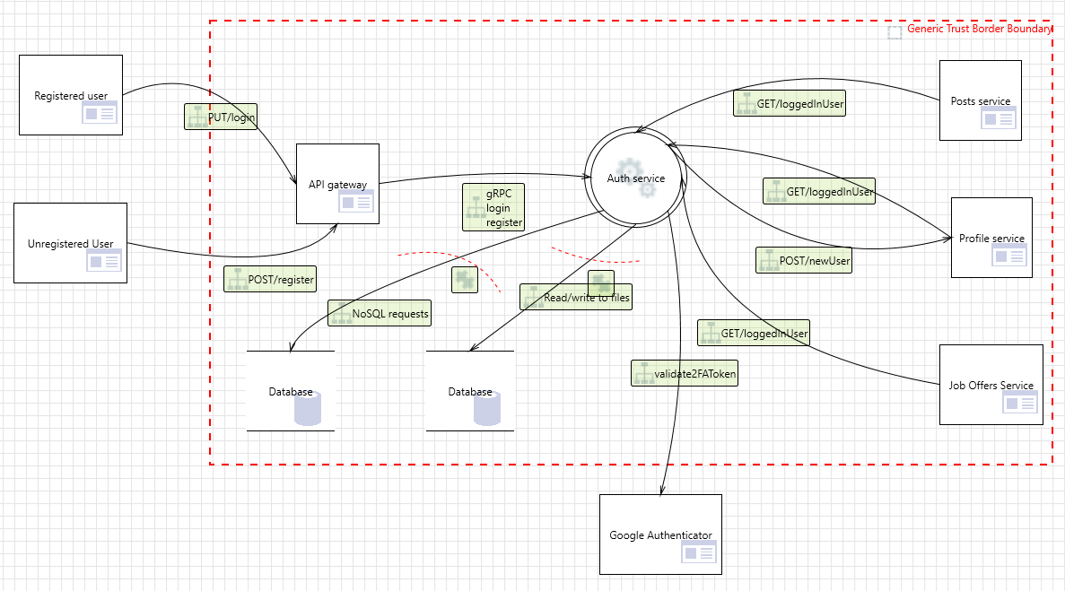
Context Diagram | Comments
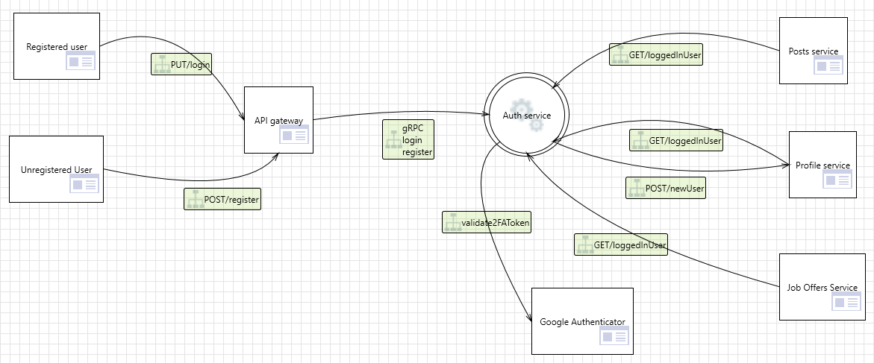 | Every request sent by the user first arrives at the Api gateway. Api gateway first send request to auth service to get user permissions and depends on them decide to pass request to requested service or deny.

Level 1
 | API Gateway, Auth service Microservice and Database are all hosted in the same network, inside Docker containers therefore their internal communication is relatively secure. All external requests recieved by the gateway are considered possible attack vectors.

