Sheet1
Name | Signal | Reference Layer | Impedance Type | Trace Width (mils) | Impedance trace to copper (mils) | Impedance(ohm)±10% | Position | Note
Rambus Dynamic RAM Data Traces (RDRAM) | L1 | L2 | Single Ended (Non Coplanar) | 6.16 mils (0.156464 mm) | - | 50 | 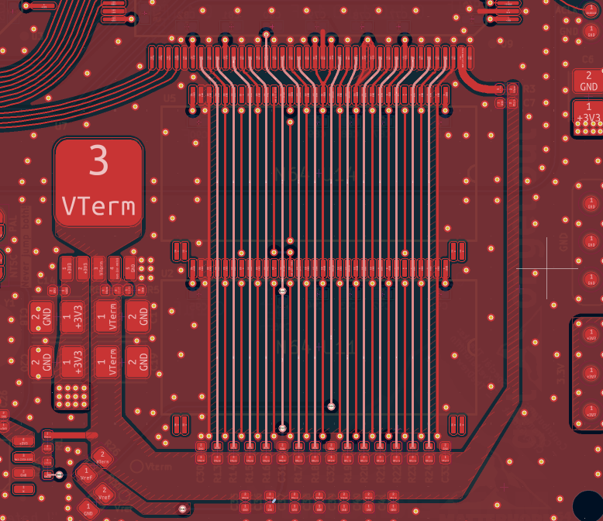 | Required stackup: JLC04161H-3313 All the selected layers (in white) require 50 Ohms of impedance. Please take a look at the more detailed pictures bellow. Feel free to reach out in case you need to confirm something. Thanks a lot!
CCTLPGM | L1 | L2 | Single Ended (Coplanar) | 23.24 mils (0.5903 mm) | 11.81102 mils (0.3 mm) | 22 | 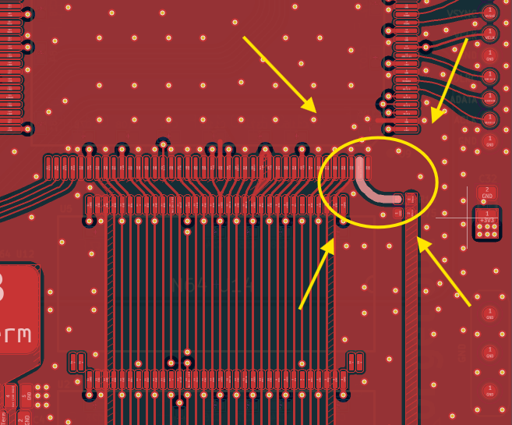 | This curved trace requires 22 Ohms of impedance.

 | Detailed RDRAM traces
 | Layer 1 |  |  | Layer 4 |  | Both Top and Bottom Layers
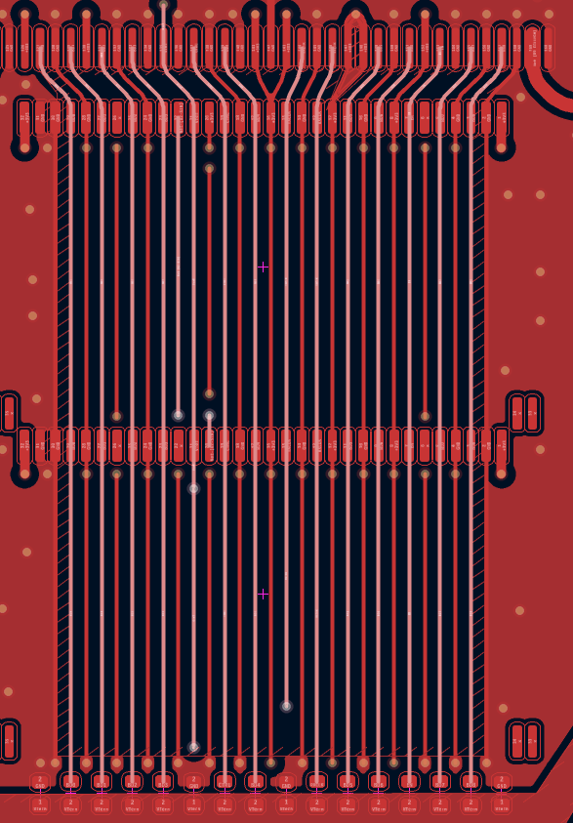
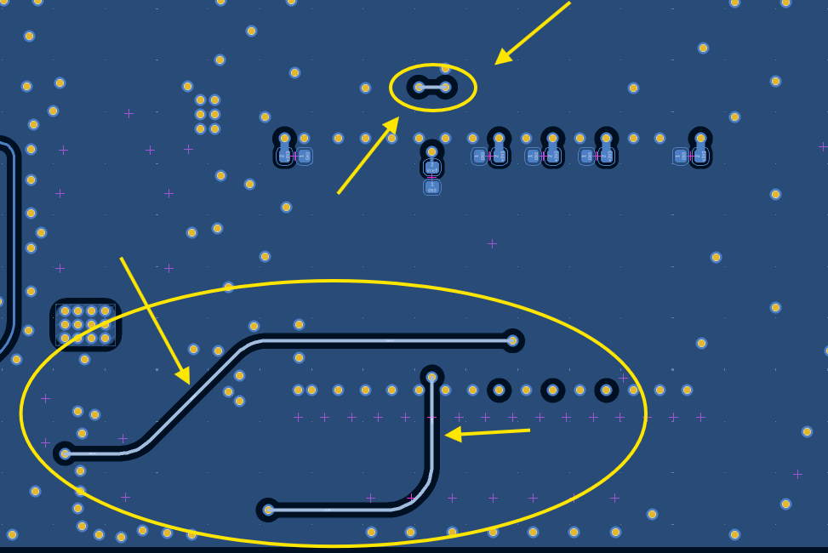
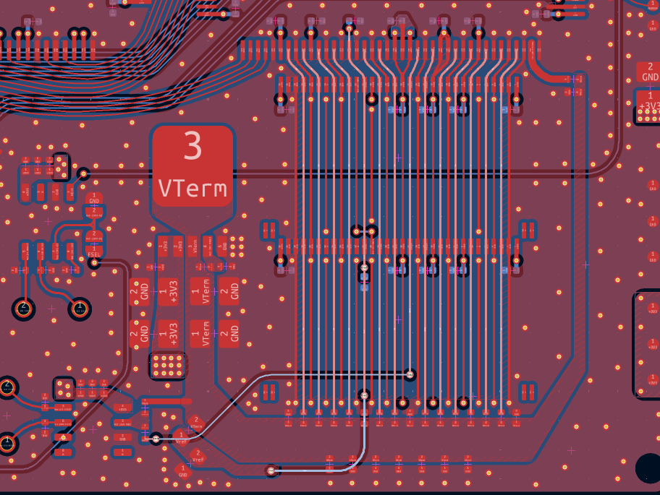

 |  |  |  | NOTE:
 |  |  |  | Please consider that both top layer (Layer 1) and bottom layer (Layer 4) contain traces that require 50 Ohms of impedance.
 |  |  |  | The traces wich require the controlled impedance are selected, and are highlighted in white.

 |  |  |  | Please contact me in case something isn't clear.
 |  |  |  | Best regards.

