VDF
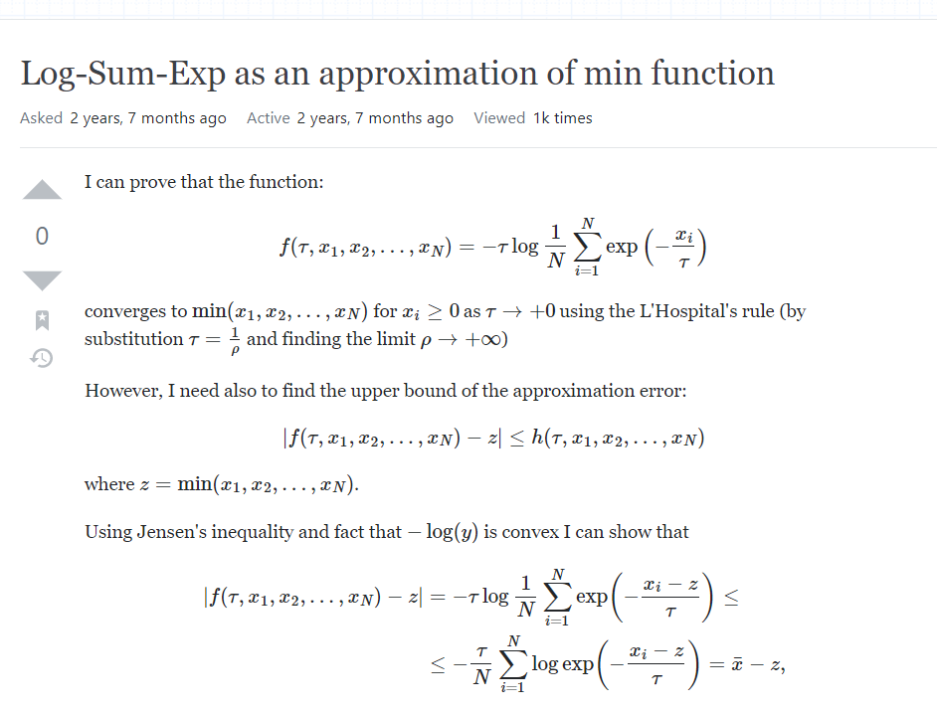
vf/(1+ alpha_f) = vc/(1+alpha_c)
alpha_c | 1+alpha_c | vc / (1+alpha_c) | vf / (vc / (1+alpha_c)) | alpha_f = vf / (vc / (1+alpha_c)) -1
1.1 | 2.1 | 23.333333333 | 3 | 2

 |  |  |  |  | vcutoff when D/C=1
 |  |  |  |  | BPR (NVTA) | 23.333333333
Vf | Vcongestion | Q_beta | Q_alpha |  | alpha | beta | tau
70 | 49 | 1.72 | 1.1 |  | 2 | 4 | -5

 |  | D/C | QVDF | BPR | combined form | P
 |  | 0 | 49 | 70 | 70 | 0
 |  | 0.1 | 47.994041629 | 69.986002799 | 69.986002799 | 0.01
 |  | 0.2 | 45.835083172 | 69.776714514 | 69.776714514 | 0.04
 |  | 0.3 | 43.031952209 | 68.884077937 | 68.884077937 | 0.09
 |  | 0.4 | 39.91930921 | 66.590563166 | 66.590563166 | 0.16
 |  | 0.5 | 36.734288932 | 62.222222222 | 62.222222222 | 0.25
 |  | 0.6 | 33.633258611 | 55.590851334 | 55.590851334 | 0.36
 |  | 0.7 | 30.709276127 | 47.290906634 | 47.290906634 | 0.49
 |  | 0.8 | 28.009775303 | 38.478452067 | 38.478452067 | 0.64
 |  | 0.9 | 25.551749571 | 30.274197734 | 30.274197734 | 0.81
 |  | 1 | 23.333333333 | 23.333333333 | 23.333333333 | 1
 |  | 1.1 | 21.341932128 | 17.819866606 | 21.341932128 | 1.1105342411
 |  | 1.2 | 19.5595813 | 13.599626982 | 19.5595813 | 1.2220792514
 |  | 1.3 | 17.96629107 | 10.428771491 | 17.96629107 | 1.3345587207
 |  | 1.4 | 16.542021015 | 8.0615441312 | 16.542021015 | 1.4479075718
 |  | 1.5 | 15.267764995 | 6.2921348315 | 15.267764995 | 1.562069616
 |  | 1.6 | 14.126081161 | 4.9620052172 | 14.126081161 | 1.6769958232
 |  | 1.7 | 13.101288958 | 3.9538640549 | 13.101288958 | 1.7926430162
 |  | 1.8 | 12.179475301 | 3.1825125482 | 12.179475301 | 1.9089728669
 |  | 1.9 | 11.348398441 | 2.5864426068 | 11.348398441 | 2.0259511111

 |  |  |  |  |  |  | limits without lhopital - Log-Sum-Exp as an approximation of min function - Mathematics Stack Exchange

