Results_of _correlation
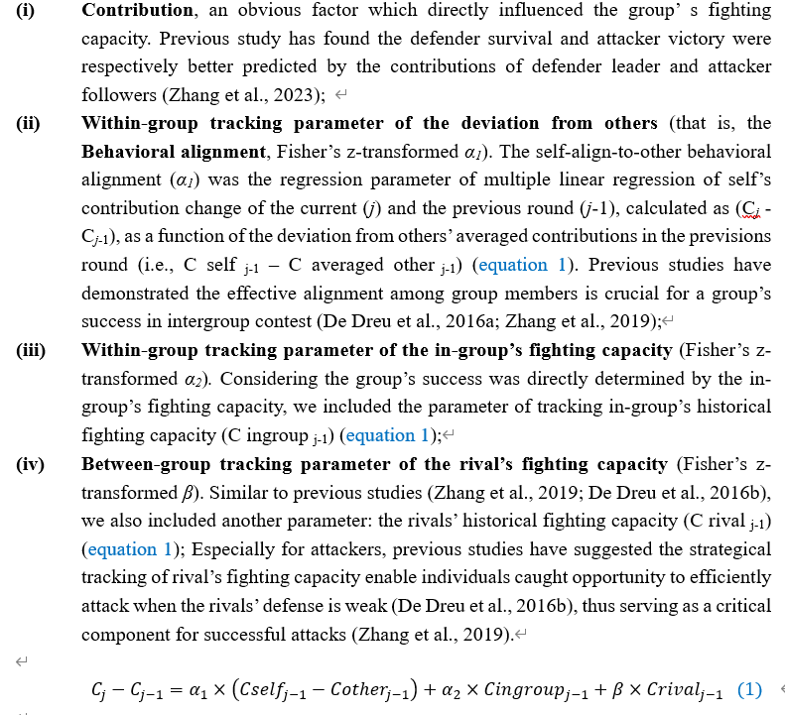
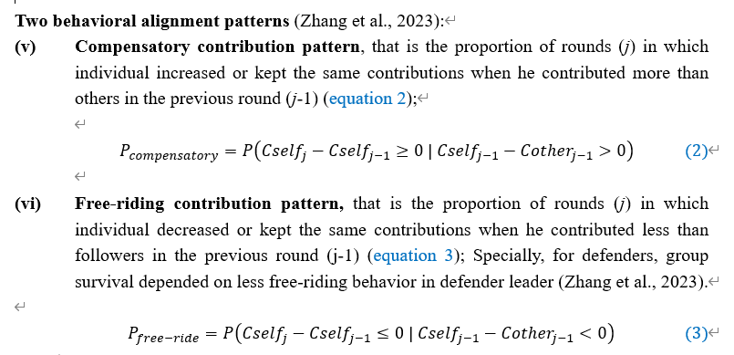
 |  |  |  | contribution | detaC_within_Tmember(a1) | detaC_within_TG(a2) | detaC_between_TG(β) | P(Compensatory) | P(FreeRiding)
Attacker | Follower | WNS_DLPFC_CH9 | Pearson Correlation | -0.175 | 0.048 | -0.048 |  | -0.184 | -0.255
 |  |  | Sig. (2-tailed) | 0.354 | 0.800 | 0.800 |  | 0.331 | 0.173
 |  |  | N | 30 | 30 | 30 |  | 30 | 30
 |  | WNS_DLPFC_CH10 | Pearson Correlation | 0.359 | 0.208 | -0.288 |  | -0.051 | -0.074
 |  |  | Sig. (2-tailed) | 0.051 | 0.271 | 0.123 |  | 0.788 | 0.698
 |  |  | N | 30 | 30 | 30 |  | 30 | 30
 |  | WNS_DLPFC_CH12 | Pearson Correlation | 0.313 | -0.139 | 0.128 |  | -0.196 | -0.194
 |  |  | Sig. (2-tailed) | 0.093 | 0.464 | 0.499 |  | 0.299 | 0.306
 |  |  | N | 30 | 30 | 30 |  | 30 | 30
 |  | WNS_DLPFC_CH14 | Pearson Correlation | 0.048 | 0.092 | -0.115 |  | -0.044 | 0.117
 |  |  | Sig. (2-tailed) | 0.801 | 0.628 | 0.543 |  | 0.817 | 0.540
 |  |  | N | 30 | 30 | 30 |  | 30 | 30
 | Leader | WNS_DLPFC_CH8 | Pearson Correlation | 0.138 | -0.134 | -0.006 |  | 0.049 | -0.238
 |  |  | Sig. (2-tailed) | 0.467 | 0.480 | 0.975 |  | 0.798 | 0.206
 |  |  | N | 30 | 30 | 30 |  | 30 | 30
Defender | Leader | WNS_DLPFC_CH12 | Pearson Correlation | -0.167 | 0.151 | 0.121 |  | -0.021 | 0.269
 |  |  | Sig. (2-tailed) | 0.378 | 0.426 | 0.524 |  | 0.911 | 0.166
 |  |  | N | 30 | 30 | 30 |  | 30 | 28
Attacker | Follower | BINS_TPJ_CH7 | Pearson Correlation | -0.081 |  |  | -0.084 | 0.122 | 0.072
 |  |  | Sig. (2-tailed) | 0.670 |  |  | 0.657 | 0.522 | 0.705
 |  |  | N | 30 |  |  | 30 | 30 | 30
 | Leader | BINS_DLPFC_CH9 | Pearson Correlation | -0.034 |  |  | -.484** | 0.151 | 0.133
 |  |  | Sig. (2-tailed) | 0.860 |  |  | 0.007 | 0.427 | 0.483
 |  |  | N | 30 |  |  | 30 | 30 | 30
 |  | BINS_DLPFC_CH12 | Pearson Correlation | -0.214 |  |  | 0.067 | -0.165 | -0.070
 |  |  | Sig. (2-tailed) | 0.257 |  |  | 0.726 | 0.383 | 0.713
 |  |  | N | 30 |  |  | 30 | 30 | 30
 |  | BINS_DLPFC_CH14 | Pearson Correlation | -0.036 |  |  | -0.114 | -0.145 | 0.004
 |  |  | Sig. (2-tailed) | 0.849 |  |  | 0.550 | 0.445 | 0.984
 |  |  | N | 30 |  |  | 30 | 30 | 30
Defender | Leader | BINS_TPJ_CH5 | Pearson Correlation | 0.300 |  |  | 0.060 | .507** | -.425*
 |  |  | Sig. (2-tailed) | 0.108 |  |  | 0.753 | 0.004 | 0.024
 |  |  | N | 30 |  |  | 30 | 30 | 28
 |  | BINS_TPJ_CH7 | Pearson Correlation | -0.099 |  |  | -0.105 | 0.195 | -0.121
 |  |  | Sig. (2-tailed) | 0.604 |  |  | 0.581 | 0.301 | 0.538
 |  |  | N | 30 |  |  | 30 | 30 | 28

