Sheet1
 |  |  | 单个特征
 |  |  |  |  |  |  |  |  |  |  |  |  | Method | SN | SP | ACC | MCC | AUROC
 |  |  |  |  | SN | SP | MCC | ACC | AUC |  |  |  | onehot |  | 0.8452 | 0.8467 | 0.6933 | 0.9238
 |  |  | onehot |  |  |  |  |  |  |  |  |  | blosum62 |  | 0 | 0.4858 | nan | 0.5935
 |  |  | blosum62 |  |  |  |  |  |  |  |  |  | zscale |  | 0.845 | 0.8355 | 0.6706 | 0.9143
 |  |  | zscale |  |  |  |  |  |  |  |  |  | binary1 |  | 0.8272 | 0.832 | 0.6641 | 0.9087
 |  |  | binary1 |  |  |  |  |  |  |  |  |  | binary2 |  | 0.8139 | 0.8174 | 0.6348 | 0.8932
 |  |  | binary2 |  |  |  |  |  |  |  |  |  | five-encodings |  | 0.8376 | 0.8296 | 0.6589 | 0.9035
 |  |  | five-encodings

 |  |  | 双特征 |  | SN | SP | MCC | ACC | AUC

 |  | onehot-blosum62
 |  | onehot_zscale
 |  | onehot-binary1
 |  | onehot-binary2
 |  | blosum62-zscale
 |  | blosum62-binary1
 |  | blosum62-binary2
 |  | zscale-binary1
 |  | zscale-binary2
 |  | binary1-binary2
 |  | five-encodings

 |  |  | 三个特征 |  | SN | SP | MCC | ACC | AUC

 | onehot-blosum62-zscale
 | onehot-blosum62-binary1
 | onehot-blosum62-binary2
 | onehot-zscale-binary1
 | onehot-zscale-binary2
 | onehot-binary1-binary2
 | blosum62-zscale-binary1
 | blosum62-zscale-binary2
 | blosum62-binary1-binary2
 | zscale-binary1-binary2
 | five-encodings

 |  |  | 四个特征 |  | SN | SP | MCC | ACC | AUC

onehot-blosum62-binary1-binary2
blosum62-zscale-binary1-binary2
onehot-zscale-binary1-binary2
onehot-blosum62-zscale-binary1
onehot-blosum62-zscale-binary2
five-encodings

 |  |  | 不同结构 |  |  |  | SN | SP | MCC | ACC | AUC

 |  |  |  |  | BiLSTM

 |  |  |  | without BiGRU

 |  |  |  | without conv1

 |  |  |  | without conv2

 |  |  |  | without gating

 |  |  | 参数选择 |  |  |  | SN | SP | MCC | ACC | AUC

 |  |  |  |  | conv1(3)

 |  |  |  |  | conv1(5)

 |  |  |  |  | conv1(7)

 |  |  |  |  | conv2(3,5,7)

 |  |  |  |  | conv2(1,3,5)

 |  |  |  |  | conv2(5,7,9)

 |  |  |  |  | conv2(7,9,11)

 |  |  |  |  | conv2(1,1,1)

 |  |  |  |  | conv2(5,5,5)

 |  |  |  |  | conv2(7,7,7)

 |  |  |  |  |  | 1

 |  |  |  |  |  | 2

 |  |  |  |  |  | 3

 |  |  |  |  |  | 4

 |  |  |  |  |  | 5

 |  |  |  |  |  | 6

 |  |  |  |  |  | 7

 |  |  |  |  |  | 8

 |  |  |  |  |  | 9

 |  |  |  |  |  | 10

 |  |  |  |  |  | 11

 |  |  |  |  |  | 12

 |  |  |  |  |  | 13

 |  |  |  |  |  | 14

 |  |  |  |  |  | 15

 |  |  |  |  |  | 16

 |  |  |  |  |  | 17

 |  |  |  |  |  | 18

 |  |  |  |  |  |  |  |  |  |  |  | 0.9215
 |  |  |  |  |  |  |  |  |  |  |  | 0.9820
 |  |  |  |  |  | 19 |  |  |  |  |  | 0.9870
 |  |  |  |  |  |  |  |  |  |  |  | 0.8437
 |  |  |  |  |  |  |  |  |  |  |  | 0.9962
 |  |  |  |  |  |  |  |  |  |  |  | 0.9587
 |  |  |  |  |  |  |  |  |  |  |  | 0.9049
 |  |  |  |  |  |  |  |  |  |  |  | 0.4880
 |  |  |  |  |  |  |  |  |  |  |  | 0.9007
 |  |  |  |  |  |  |  |  |  |  |  | 0.4849

 |  |  |  |  |  |  |  |  |  |  |  | 0.9531
 |  |  |  |  |  |  |  |  |  |  |  | 0.6930
 |  |  |  |  |  |  |  |  |  |  |  | 0.5868
 |  |  |  |  |  |  |  |  |  |  |  | 0.9774
 |  |  |  |  |  |  |  |  |  |  |  | 0.6075
 |  |  |  |  |  | 20 |  |  |  |  |  | 0.9302
 |  |  |  |  |  |  |  |  |  |  |  | 0.9756
 |  |  |  |  |  |  |  |  |  |  |  | 0.4190
 |  |  |  |  |  |  |  |  |  |  |  | 0.0586
 |  |  |  |  |  |  |  |  |  |  |  | 0.9279

 |  |  |  |  |  |  |  |  |  |  |  | 0.8273
 |  |  |  |  |  |  |  |  |  |  |  | 0.9762
 |  |  |  |  |  |  |  |  |  |  |  | 0.6562
 |  |  |  |  |  |  |  |  |  |  |  | 0.3964
 |  |  |  |  |  |  |  |  |  |  |  | 0.0496
 |  |  |  |  |  |  |  |  |  |  |  | 0.9232
 |  |  |  |  |  | 21 |  |  |  |  |  | 0.0550
 |  |  |  |  |  |  |  |  |  |  |  | 0.2904
 |  |  |  |  |  |  |  |  |  |  |  | 0.8984
 |  |  |  |  |  |  |  |  |  |  |  | 0.8197

 |  |  |  |  |  |  |  |  |  |  |  | 0.8066
 |  |  |  |  |  |  |  |  |  |  |  | 0.7351
 |  |  |  |  |  |  |  |  |  |  |  | 0.8691
 |  |  |  |  |  |  |  |  |  |  |  | 0.8653
 |  |  |  |  |  | 22 |  |  |  |  |  | 0.9835
 |  |  |  |  |  |  |  |  |  |  |  | 0.8357
 |  |  |  |  |  |  |  |  |  |  |  | 0.5823
 |  |  |  |  |  |  |  |  |  |  |  | 0.7430
 |  |  |  |  |  |  |  |  |  |  |  | 0.8905
 |  |  |  |  |  |  |  |  |  |  |  | 0.4927

 |  |  |  |  |  |  |  |  |  |  |  | 0.7351
 |  |  |  |  |  |  |  |  |  |  |  | 0.8691
 |  |  |  |  |  | 23 |  |  |  |  |  | 0.8653
 |  |  |  |  |  |  |  |  |  |  |  | 0.9835
 |  |  |  |  |  |  |  |  |  |  |  | 0.8357
 |  |  |  |  |  |  |  |  |  |  |  | 0.5823
 |  |  |  |  |  |  |  |  |  |  |  | 0.7430
 |  |  |  |  |  |  |  |  |  |  |  | 0.8905
 |  |  |  |  |  |  |  |  |  |  |  | 0.4927

 |  |  |  |  |  |  |  |  |  |  |  | 0.9640
 |  |  |  |  |  |  |  |  |  |  |  | 0.9556
 |  |  |  |  |  |  |  |  |  |  |  | 0.5814
 |  |  |  |  |  |  |  |  |  |  |  | 0.6458
 |  |  |  |  |  |  |  |  |  |  |  | 0.2672
 |  |  |  |  |  |  |  |  |  |  |  | 0.8926
 |  |  |  |  |  |  |  |  |  |  |  | 0.9813
 |  |  |  |  |  |  |  |  |  |  |  | 0.9475
 |  |  |  |  |  |  |  |  |  |  |  | 0.8998
 |  |  |  |  |  | 24 |  |  |  |  |  | 0.9088

 |  |  |  |  |  |  |  |  |  |  |  | 0.9329
 |  |  |  |  |  |  |  |  |  |  |  | 0.9687
 |  |  |  |  |  |  |  |  |  |  |  | 0.9103
 |  |  |  |  |  |  |  |  |  |  |  | 0.9445
 |  |  |  |  |  |  |  |  |  |  |  | 0.9861
 |  |  |  |  |  |  |  |  |  |  |  | 0.8363
 |  |  |  |  |  | 25 |  |  |  |  |  | 0.9509
 |  |  |  |  |  |  |  |  |  |  |  | 0.8456
 |  |  |  |  |  |  |  |  |  |  |  | 0.3472
 |  |  |  |  |  |  |  |  |  |  |  | 0.9964

 |  |  |  |  |  |  |  |  |  |  |  | 0.5697
 |  |  |  |  |  |  |  |  |  |  |  | 0.0179
 |  |  |  |  |  |  |  |  |  |  |  | 0.7811
 |  |  |  |  |  |  |  |  |  |  |  | 0.9739
 |  |  |  |  |  |  |  |  |  |  |  | 0.9870
 |  |  |  |  |  | 26 |  |  |  |  |  | 0.6172
 |  |  |  |  |  |  |  |  |  |  |  | 0.9458
 |  |  |  |  |  |  |  |  |  |  |  | 0.8984
 |  |  |  |  |  |  |  |  |  |  |  | 0.9455
 |  |  |  |  |  |  |  |  |  |  |  | 0.9928

 |  |  |  |  |  |  |  |  |  |  |  | 0.9748
 |  |  |  |  |  |  |  |  |  |  |  | 0.7668
 |  |  |  |  |  |  |  |  |  |  |  | 0.1716
 |  |  |  |  |  |  |  |  |  |  |  | 0.4674
 |  |  |  |  |  |  |  |  |  |  |  | 0.9274
 |  |  |  |  |  |  |  |  |  |  |  | 0.9891
 |  |  |  |  |  |  |  |  |  |  |  | 0.7025
 |  |  |  |  |  | 27 |  |  |  |  |  | 0.9773
 |  |  |  |  |  |  |  |  |  |  |  | 0.9667
 |  |  |  |  |  |  |  |  |  |  |  | 0.3772

 |  |  |  |  |  |  |  |  |  |  |  | 0.5520
 |  |  |  |  |  |  |  |  |  |  |  | 0.8304
 |  |  |  |  |  |  |  |  |  |  |  | 0.5300
 |  |  |  |  |  |  |  |  |  |  |  | 0.8342
 |  |  |  |  |  |  |  |  |  |  |  | 0.9737
 |  |  |  |  |  |  |  |  |  |  |  | 0.9432
 |  |  |  |  |  | 28 |  |  |  |  |  | 0.8383
 |  |  |  |  |  |  |  |  |  |  |  | 0.9648
 |  |  |  |  |  |  |  |  |  |  |  | 0.9480
 |  |  |  |  |  |  |  |  |  |  |  | 0.1394

 |  |  |  |  |  |  |  |  |  |  |  | 0.7100
 |  |  |  |  |  |  |  |  |  |  |  | 0.9244
 |  |  |  |  |  |  |  |  |  |  |  | 0.9669
 |  |  |  |  |  |  |  |  |  |  |  | 0.4152
 |  |  |  |  |  |  |  |  |  |  |  | 0.9315
 |  |  |  |  |  |  |  |  |  |  |  | 0.8782
 |  |  |  |  |  |  |  |  |  |  |  | 0.3651
 |  |  |  |  |  |  |  |  |  |  |  | 0.8035
 |  |  |  |  |  | 29 |  |  |  |  |  | 0.9634
 |  |  |  |  |  |  |  |  |  |  |  | 0.9506

 |  |  |  |  |  |  |  |  |  |  |  | 0.9917
 |  |  |  |  |  |  |  |  |  |  |  | 0.8246
 |  |  |  |  |  |  |  |  |  |  |  | 0.6922
 |  |  |  |  |  |  |  |  |  |  |  | 0.9817
 |  |  |  |  |  |  |  |  |  |  |  | 0.0391
 |  |  |  |  |  |  |  |  |  |  |  | 0.5733
 |  |  |  |  |  |  |  |  |  |  |  | 0.6005
 |  |  |  |  |  | 30 |  |  |  |  |  | 0.9496
 |  |  |  |  |  |  |  |  |  |  |  | 0.7937
 |  |  |  |  |  |  |  |  |  |  |  | 0.8104

 |  |  |  |  |  |  |  |  |  |  |  | 0.7289
 |  |  |  |  |  |  |  |  |  |  |  | 0.6073
 |  |  |  |  |  |  |  |  |  |  |  | 0.8763
 |  |  |  |  |  |  |  |  |  |  |  | 0.4965
 |  |  |  |  |  | 31 |  |  |  |  |  | 0.8510 | 96.40%
 |  |  |  |  |  |  |  |  |  |  |  | 0.8807 | 95.56% |  |  |  | 96.40%
 |  |  |  |  |  |  |  |  |  |  |  | 0.7722 | 58.14% |  |  |  | 95.56%
 |  |  |  |  |  |  |  |  |  |  |  | 0.9870 | 64.58% |  |  |  | 58.14%
 |  |  |  |  |  |  |  |  |  |  |  | 0.8017 | 26.72% |  |  | 96.40% | 64.58%
 |  |  |  |  |  |  |  |  |  |  |  | 0.5853 | 89.26% |  |  | 95.56% | 26.72%
 |  |  |  |  |  |  |  |  |  |  |  |  | 98.13% |  |  | 58.14% | 89.26%
 |  |  |  |  |  |  |  |  |  |  |  |  | 94.75% |  |  | 64.58% | 98.13%
 |  |  |  |  |  |  |  |  |  |  |  |  | 89.98% |  |  | 26.72% | 94.75%
 |  |  |  |  |  |  |  |  |  |  |  |  | 90.88% |  |  | 89.26% | 89.98%
 |  |  |  |  |  |  |  |  |  |  |  |  |  |  |  | 98.13% | 90.88%
 |  |  |  |  |  |  |  |  |  |  |  |  |  |  |  | 94.75%
 |  |  |  |  |  |  |  |  |  |  |  |  |  |  | >1 | 89.98% | S | 96.40%
 |  |  |  |  |  |  |  |  |  |  |  | 0.6850 |  |  | >1 | 90.88% | S | 95.56%
 |  |  |  |  |  |  |  |  |  |  |  | 0.9052 |  |  | >1 | 17 | S | 58.14%
 |  |  |  |  |  | 32 |  |  |  |  |  | 0.9511 |  |  | >1 | 17 | S | 64.58%
 |  |  |  |  |  |  |  |  |  |  |  | 0.8252 |  |  | >1 | 17 | S | 26.72%
 |  |  |  |  |  |  |  |  |  |  |  | 0.8334 |  |  | >1 | 17 | S | 89.26%
 |  |  |  |  |  |  |  |  |  |  |  | 0.9716 |  |  | >1 | 17 | S | 98.13%
 |  |  |  |  |  |  |  |  |  |  |  | 0.7700 |  |  | >1 | 17 | S | 94.75%
 |  |  |  |  |  |  |  |  |  |  |  | 0.5454 |  |  | >1 | 17 | S | 89.98%
 |  |  |  |  |  |  |  |  |  |  |  | 0.8336 |  |  | >1 | 17 | S | 90.88%
 |  |  |  |  |  |  |  |  |  |  |  | 0.2025

 |  |  |  |  |  | 33
 |  |  |  |  |  |  |  |  |  |  |  | 0.9881
 |  |  |  |  |  |  |  |  |  |  |  | 0.9467
 |  |  |  |  |  |  |  |  |  |  |  | 0.9185
 |  |  |  |  |  |  |  |  |  |  |  | 0.3758
 |  |  |  |  |  |  |  |  |  |  |  | 0.9584
 |  |  |  |  |  |  |  |  |  |  |  | 0.9582
 |  |  |  |  |  |  |  |  |  |  |  | 0.6127
 |  |  |  |  |  |  |  |  |  |  |  | 0.8303
 |  |  |  |  |  |  |  |  |  |  |  | 0.7708
 |  |  |  |  |  |  |  |  |  |  |  | 0.9203

 |  |  |  |  |  |  |  |  |  |  |  | 0.9323
 |  |  |  |  |  |  |  |  |  |  |  | 0.9432
 |  |  |  |  |  | 34 |  |  |  |  |  | 0.9417
 |  |  |  |  |  |  |  |  |  |  |  | 0.9068
 |  |  |  |  |  |  |  |  |  |  |  | 0.6432
 |  |  |  |  |  |  |  |  |  |  |  | 0.7184
 |  |  |  |  |  |  |  |  |  |  |  | 0.9541
 |  |  |  |  |  |  |  |  |  |  |  | 0.5542
 |  |  |  |  |  |  |  |  |  |  |  | 0.8567
 |  |  |  |  |  |  |  |  |  |  |  | 0.2016

 |  |  |  |  |  |  |  |  |  |  |  | 0.5162
 |  |  |  |  |  |  |  |  |  |  |  | 0.9748
 |  |  |  |  |  |  |  |  |  |  |  | 0.9646
 |  |  |  |  |  | 35 |  |  |  |  |  | 0.2157
 |  |  |  |  |  |  |  |  |  |  |  | 0.8442
 |  |  |  |  |  |  |  |  |  |  |  | 0.9922
 |  |  |  |  |  |  |  |  |  |  |  | 0.9574
 |  |  |  |  |  |  |  |  |  |  |  | 0.2700
 |  |  |  |  |  |  |  |  |  |  |  | 0.7443
 |  |  |  |  |  |  |  |  |  |  |  | 0.7669

 |  |  |  |  |  |  |  |  |  |  |  | 0.9301
 |  |  |  |  |  |  |  |  |  |  |  | 0.8442
 |  |  |  |  |  |  |  |  |  |  |  | 0.4599
 |  |  |  |  |  | 36 |  |  |  |  |  | 0.9685
 |  |  |  |  |  |  |  |  |  |  |  | 0.7670
 |  |  |  |  |  |  |  |  |  |  |  | 0.6686
 |  |  |  |  |  |  |  |  |  |  |  | 0.9925
 |  |  |  |  |  |  |  |  |  |  |  | 0.9970
 |  |  |  |  |  |  |  |  |  |  |  | 0.4068
 |  |  |  |  |  |  |  |  |  |  |  | 0.4543

 |  |  |  |  |  |  |  |  |  |  |  | 0.5684
 |  |  |  |  |  |  |  |  |  |  |  | 0.9958
 |  |  |  |  |  |  |  |  |  |  |  | 0.8561
 |  |  |  |  |  |  |  |  |  |  |  | 0.7820
 |  |  |  |  |  |  |  |  |  |  |  | 0.8826
 |  |  |  |  |  | 37 |  |  |  |  |  | 0.7812
 |  |  |  |  |  |  |  |  |  |  |  | 0.8692
 |  |  |  |  |  |  |  |  |  |  |  | 0.9320
 |  |  |  |  |  |  |  |  |  |  |  | 0.8539
 |  |  |  |  |  |  |  |  |  |  |  | 0.9568

 |  |  |  |  |  | 38
 |  |  |  |  |  |  |  |  |  |  |  | 0.5258
 |  |  |  |  |  |  |  |  |  |  |  | 0.8330
 |  |  |  |  |  |  |  |  |  |  |  | 0.4555
 |  |  |  |  |  |  |  |  |  |  |  | 0.9697
 |  |  |  |  |  |  |  |  |  |  |  | 0.7291
 |  |  |  |  |  |  |  |  |  |  |  | 0.3174
 |  |  |  |  |  |  |  |  |  |  |  | 0.8753
 |  |  |  |  |  |  |  |  |  |  |  | 0.9194
 |  |  |  |  |  |  |  |  |  |  |  | 0.9656
 |  |  |  |  |  |  |  |  |  |  |  | 0.1827

 |  |  |  |  |  |  |  |  |  |  |  | 0.9906
 |  |  |  |  |  |  |  |  |  |  |  | 0.9482
 |  |  |  |  |  |  |  |  |  |  |  | 0.8733
 |  |  |  |  |  |  |  |  |  |  |  | 0.8175
 |  |  |  |  |  |  |  |  |  |  |  | 0.3027
 |  |  |  |  |  |  |  |  |  |  |  | 0.9779
 |  |  |  |  |  |  |  |  |  |  |  | 0.3472
 |  |  |  |  |  |  |  |  |  |  |  | 0.9485
 |  |  |  |  |  |  |  |  |  |  |  | 0.9744
 |  |  |  |  |  | 39 |  |  |  |  |  | 0.1878

 |  |  |  |  |  |  |  |  |  |  |  | 0.2164
 |  |  |  |  |  |  |  |  |  |  |  | 0.7644
 |  |  |  |  |  |  |  |  |  |  |  | 0.8872
 |  |  |  |  |  |  |  |  |  |  |  | 0.7356
 |  |  |  |  |  |  |  |  |  |  |  | 0.7637
 |  |  |  |  |  |  |  |  |  |  |  | 0.8974
 |  |  |  |  |  |  |  |  |  |  |  | 0.7662
 |  |  |  |  |  | 40 |  |  |  |  |  | 0.9149
 |  |  |  |  |  |  |  |  |  |  |  | 0.2536
 |  |  |  |  |  |  |  |  |  |  |  | 0.9956

 |  |  |  |  |  |  |  |  |  |  |  | 0.7942
 |  |  |  |  |  |  |  |  |  |  |  | 0.8981
 |  |  |  |  |  |  |  |  |  |  |  | 0.6544
 |  |  |  |  |  |  |  |  |  |  |  | 0.8564
 |  |  |  |  |  |  |  |  |  |  |  | 0.5572
 |  |  |  |  |  |  |  |  |  |  |  | 0.9535
 |  |  |  |  |  |  |  |  |  |  |  | 0.8395
 |  |  |  |  |  | 41 |  |  |  |  |  | 0.9826
 |  |  |  |  |  |  |  |  |  |  |  | 0.9108
 |  |  |  |  |  |  |  |  |  |  |  | 0.9301

 |  |  |  |  |  |  |  |  |  |  |  | 0.8143
 |  |  |  |  |  |  |  |  |  |  |  | 0.7725
 |  |  |  |  |  |  |  |  |  |  |  | 0.7290
 |  |  |  |  |  |  |  |  |  |  |  | 0.9557
 |  |  |  |  |  |  |  |  |  |  |  | 0.9820
 |  |  |  |  |  |  |  |  |  |  |  | 0.8962
 |  |  |  |  |  |  |  |  |  |  |  | 0.8967
 |  |  |  |  |  | 42 |  |  |  |  |  | 0.7508
 |  |  |  |  |  |  |  |  |  |  |  | 0.9938
 |  |  |  |  |  |  |  |  |  |  |  | 0.3533

 |  |  |  |  |  |  |  |  |  |  |  | 0.9744
 |  |  |  |  |  |  |  |  |  |  |  | 0.9345
 |  |  |  |  |  |  |  |  |  |  |  | 0.9923
 |  |  |  |  |  |  |  |  |  |  |  | 0.9912
 |  |  |  |  |  | 43 |  |  |  |  |  | 0.4668
 |  |  |  |  |  |  |  |  |  |  |  | 0.8982
 |  |  |  |  |  |  |  |  |  |  |  | 0.5817
 |  |  |  |  |  |  |  |  |  |  |  | 0.8991
 |  |  |  |  |  |  |  |  |  |  |  | 0.3986
 |  |  |  |  |  |  |  |  |  |  |  | 0.7705

 |  |  |  |  |  |  |  |  |  |  |  | 0.9439
 |  |  |  |  |  |  |  |  |  |  |  | 0.9146
 |  |  |  |  |  |  |  |  |  |  |  | 0.6474
 |  |  |  |  |  |  |  |  |  |  |  | 0.9446
 |  |  |  |  |  |  |  |  |  |  |  | 0.6406
 |  |  |  |  |  |  |  |  |  |  |  | 0.9865
 |  |  |  |  |  |  |  |  |  |  |  | 0.9447
 |  |  |  |  |  |  |  |  |  |  |  | 0.9699
 |  |  |  |  |  |  |  |  |  |  |  | 0.4507
 |  |  |  |  |  |  |  |  |  |  |  | 0.9330

 |  |  |  |  |  | 44

 |  |  |  |  |  |  |  |  |  |  |  | 0.9205
 |  |  |  |  |  |  |  |  |  |  |  | 0.7483
 |  |  |  |  |  |  |  |  |  |  |  | 0.0393
 |  |  |  |  |  |  |  |  |  |  |  | 0.8240
 |  |  |  |  |  |  |  |  |  |  |  | 0.7510
 |  |  |  |  |  |  |  |  |  |  |  | 0.9414
 |  |  |  |  |  |  |  |  |  |  |  | 0.8640
 |  |  |  |  |  | 45 |  |  |  |  |  | 0.9268
 |  |  |  |  |  |  |  |  |  |  |  | 0.8671
 |  |  |  |  |  |  |  |  |  |  |  | 0.9924

 |  |  |  |  |  |  |  |  |  |  |  | 0.6714
 |  |  |  |  |  |  |  |  |  |  |  | 0.7035
 |  |  |  |  |  |  |  |  |  |  |  | 0.0562
 |  |  |  |  |  |  |  |  |  |  |  | 0.6861
 |  |  |  |  |  |  |  |  |  |  |  | 0.9884
 |  |  |  |  |  |  |  |  |  |  |  | 0.5545
 |  |  |  |  |  | 46 |  |  |  |  |  | 0.8055
 |  |  |  |  |  |  |  |  |  |  |  | 0.3743
 |  |  |  |  |  |  |  |  |  |  |  | 0.7164
 |  |  |  |  |  |  |  |  |  |  |  | 0.9700

 |  |  |  |  |  |  |  |  |  |  |  | 0.8088
 |  |  |  |  |  |  |  |  |  |  |  | 0.8713
 |  |  |  |  |  |  |  |  |  |  |  | 0.9343
 |  |  |  |  |  |  |  |  |  |  |  | 0.9687
 |  |  |  |  |  |  |  |  |  |  |  | 0.8850
 |  |  |  |  |  |  |  |  |  |  |  | 0.2951
 |  |  |  |  |  |  |  |  |  |  |  | 0.7732
 |  |  |  |  |  | 47 |  |  |  |  |  | 0.5867
 |  |  |  |  |  |  |  |  |  |  |  | 0.9937
 |  |  |  |  |  |  |  |  |  |  |  | 0.2984

 |  |  |  |  |  |  |  |  |  |  |  | 0.8953
 |  |  |  |  |  |  |  |  |  |  |  | 0.9843
 |  |  |  |  |  |  |  |  |  |  |  | 0.3910
 |  |  |  |  |  |  |  |  |  |  |  | 0.9478
 |  |  |  |  |  | 48 |  |  |  |  |  | 0.9850
 |  |  |  |  |  |  |  |  |  |  |  | 0.2763
 |  |  |  |  |  |  |  |  |  |  |  | 0.0879
 |  |  |  |  |  |  |  |  |  |  |  | 0.3162
 |  |  |  |  |  |  |  |  |  |  |  | 0.7508
 |  |  |  |  |  |  |  |  |  |  |  | 0.5033

 |  |  |  |  |  |  |  |  |  |  |  | 0.4064
 |  |  |  |  |  |  |  |  |  |  |  | 0.9607
 |  |  |  |  |  |  |  |  |  |  |  | 0.8285
 |  |  |  |  |  |  |  |  |  |  |  | 0.9542
 |  |  |  |  |  |  |  |  |  |  |  | 0.9293
 |  |  |  |  |  |  |  |  |  |  |  | 0.9787
 |  |  |  |  |  |  |  |  |  |  |  | 0.4424
 |  |  |  |  |  | 49 |  |  |  |  |  | 0.2412
 |  |  |  |  |  |  |  |  |  |  |  | 0.9938
 |  |  |  |  |  |  |  |  |  |  |  | 0.4943

 |  |  |  |  |  |  |  |  |  |  |  | 0.7429
 |  |  |  |  |  |  |  |  |  |  |  | 0.8040
 |  |  |  |  |  |  |  |  |  |  |  | 0.1983
 |  |  |  |  |  |  |  |  |  |  |  | 0.9484
 |  |  |  |  |  |  |  |  |  |  |  | 0.6550
 |  |  |  |  |  |  |  |  |  |  |  | 0.9692
 |  |  |  |  |  |  |  |  |  |  |  | 0.7785
 |  |  |  |  |  |  |  |  |  |  |  | 0.8184
 |  |  |  |  |  |  |  |  |  |  |  | 0.9558
 |  |  |  |  |  | 50 |  |  |  |  |  | 0.9512

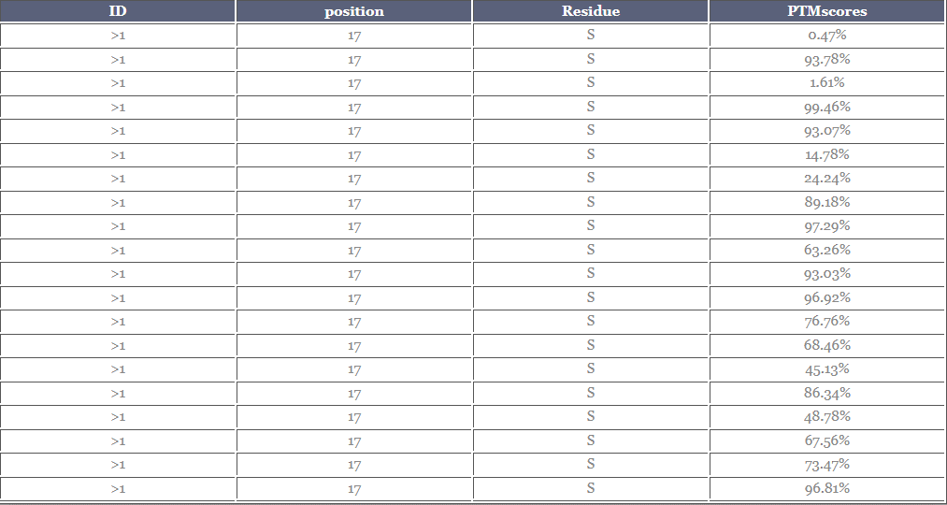

 |  |  |  |  |  |  |  |  |  |  |  | 0.0047
 |  |  |  |  |  |  |  |  |  |  |  | 0.9378
 |  |  |  |  |  |  |  |  |  |  |  | 0.0161
 |  |  |  |  |  |  |  |  |  |  |  | 0.9946
 |  |  |  |  |  |  |  |  |  |  |  | 0.9307
 |  |  |  |  |  |  |  |  |  |  |  | 0.1478
 |  |  |  |  |  |  |  |  |  |  |  | 0.2424
 |  |  |  |  |  |  |  |  |  |  |  | 0.8918
 |  |  |  |  |  |  |  |  |  |  |  | 0.9729
 |  |  |  |  |  | 51 |  |  |  |  |  | 0.6326
 |  |  |  |  |  |  |  |  |  |  |  | 0.9303
 |  |  |  |  |  |  |  |  |  |  |  | 0.9692
 |  |  |  |  |  |  |  |  |  |  |  | 0.7676
 |  |  |  |  |  |  |  |  |  |  |  | 0.6846
 |  |  |  |  |  |  |  |  |  |  |  | 0.4513
 |  |  |  |  |  |  |  |  |  |  |  | 0.8634
 |  |  |  |  |  |  |  |  |  |  |  | 0.4878
 |  |  |  |  |  |  |  |  |  |  |  | 0.6756
 |  |  |  |  |  |  |  |  |  |  |  | 0.7347
 |  |  |  |  |  |  |  |  |  |  |  | 0.9681

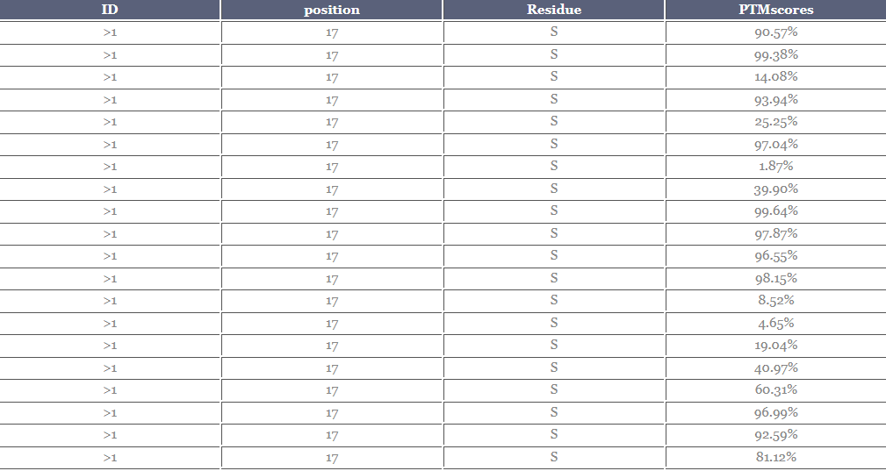

 |  |  |  |  |  |  |  |  |  |  |  | 0.9057
 |  |  |  |  |  |  |  |  |  |  |  | 0.9938
 |  |  |  |  |  |  |  |  |  |  |  | 0.1408
 |  |  |  |  |  |  |  |  |  |  |  | 0.9394
 |  |  |  |  |  |  |  |  |  |  |  | 0.2525
 |  |  |  |  |  |  |  |  |  |  |  | 0.9704
 |  |  |  |  |  |  |  |  |  |  |  | 0.0187
 |  |  |  |  |  |  |  |  |  |  |  | 0.3990
 |  |  |  |  |  |  |  |  |  |  |  | 0.9964
 |  |  |  |  |  |  |  |  |  |  |  | 0.9787
 |  |  |  |  |  |  |  |  |  |  |  | 0.9655
 |  |  |  |  |  |  |  |  |  |  |  | 0.9815
 |  |  |  |  |  |  |  |  |  |  |  | 0.0852
 |  |  |  |  |  |  |  |  |  |  |  | 0.0465
 |  |  |  |  |  |  |  |  |  |  |  | 0.1904
 |  |  |  |  |  |  |  |  |  |  |  | 0.4097
 |  |  |  |  |  | 52 |  |  |  |  |  | 0.6031
 |  |  |  |  |  |  |  |  |  |  |  | 0.9699
 |  |  |  |  |  |  |  |  |  |  |  | 0.9259
 |  |  |  |  |  |  |  |  |  |  |  | 0.8112

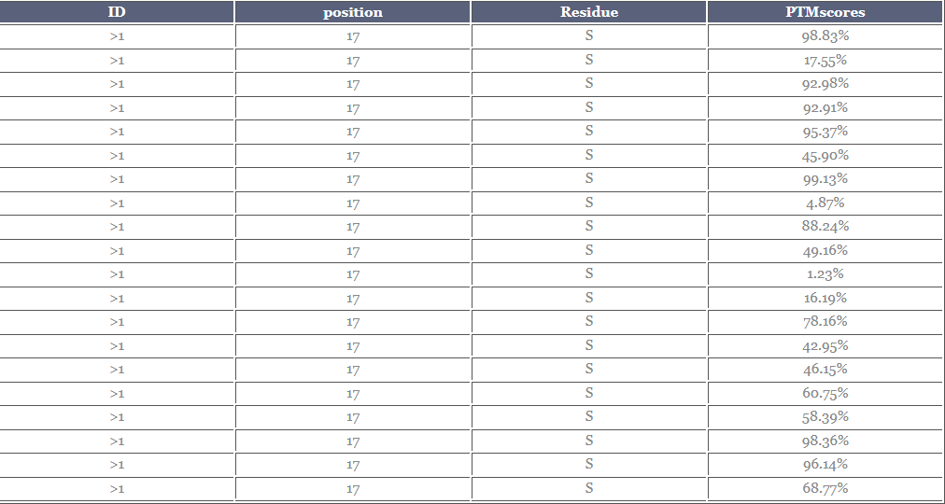

 |  |  |  |  |  |  |  |  |  |  |  | 0.9883
 |  |  |  |  |  |  |  |  |  |  |  | 0.1755
 |  |  |  |  |  |  |  |  |  |  |  | 0.9298
 |  |  |  |  |  |  |  |  |  |  |  | 0.9291
 |  |  |  |  |  |  |  |  |  |  |  | 0.9537
 |  |  |  |  |  |  |  |  |  |  |  | 0.4590
 |  |  |  |  |  |  |  |  |  |  |  | 0.9913
 |  |  |  |  |  |  |  |  |  |  |  | 0.0487
 |  |  |  |  |  |  |  |  |  |  |  | 0.8824
 |  |  |  |  |  |  |  |  |  |  |  | 0.4916
 |  |  |  |  |  |  |  |  |  |  |  | 0.0123
 |  |  |  |  |  |  |  |  |  |  |  | 0.1619
 |  |  |  |  |  |  |  |  |  |  |  | 0.7816
 |  |  |  |  |  |  |  |  |  |  |  | 0.4295
 |  |  |  |  |  |  |  |  |  |  |  | 0.4615
 |  |  |  |  |  | 53 |  |  |  |  |  | 0.6075
 |  |  |  |  |  |  |  |  |  |  |  | 0.5839
 |  |  |  |  |  |  |  |  |  |  |  | 0.9836
 |  |  |  |  |  |  |  |  |  |  |  | 0.9614
 |  |  |  |  |  |  |  |  |  |  |  | 0.6877

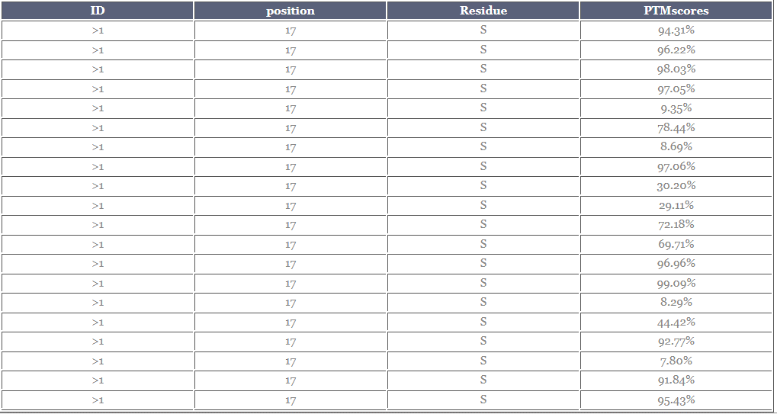

 |  |  |  |  |  |  |  |  |  |  |  | 0.9431
 |  |  |  |  |  |  |  |  |  |  |  | 0.9622
 |  |  |  |  |  |  |  |  |  |  |  | 0.9803
 |  |  |  |  |  |  |  |  |  |  |  | 0.9705
 |  |  |  |  |  |  |  |  |  |  |  | 0.0935
 |  |  |  |  |  |  |  |  |  |  |  | 0.7844
 |  |  |  |  |  |  |  |  |  |  |  | 0.0869
 |  |  |  |  |  |  |  |  |  |  |  | 0.9706
 |  |  |  |  |  |  |  |  |  |  |  | 0.3020
 |  |  |  |  |  |  |  |  |  |  |  | 0.2911
 |  |  |  |  |  |  |  |  |  |  |  | 0.7218
 |  |  |  |  |  |  |  |  |  |  |  | 0.6971
 |  |  |  |  |  |  |  |  |  |  |  | 0.9696
 |  |  |  |  |  |  |  |  |  |  |  | 0.9909
 |  |  |  |  |  |  |  |  |  |  |  | 0.0829
 |  |  |  |  |  |  |  |  |  |  |  | 0.4442
 |  |  |  |  |  | 54 |  |  |  |  |  | 0.9277
 |  |  |  |  |  |  |  |  |  |  |  | 0.0780
 |  |  |  |  |  |  |  |  |  |  |  | 0.9184
 |  |  |  |  |  |  |  |  |  |  |  | 0.9543

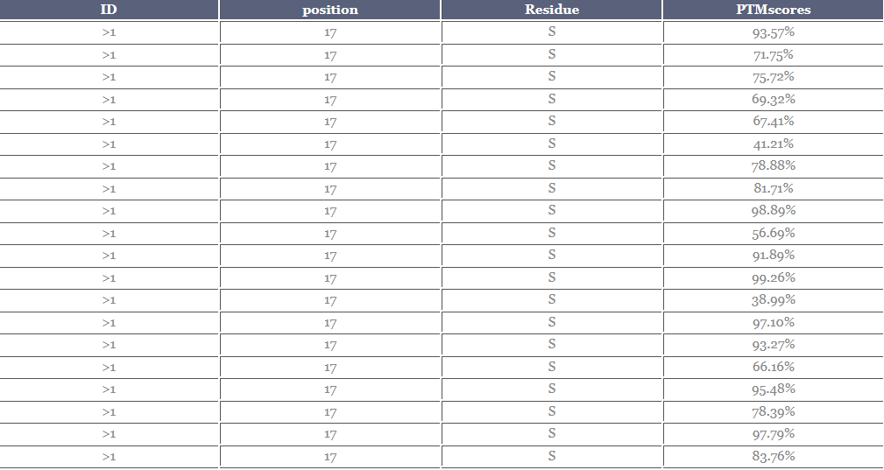

 |  |  |  |  |  |  |  |  |  |  |  | 0.9357
 |  |  |  |  |  |  |  |  |  |  |  | 0.7175
 |  |  |  |  |  |  |  |  |  |  |  | 0.7572
 |  |  |  |  |  |  |  |  |  |  |  | 0.6932
 |  |  |  |  |  |  |  |  |  |  |  | 0.6741
 |  |  |  |  |  |  |  |  |  |  |  | 0.4121
 |  |  |  |  |  |  |  |  |  |  |  | 0.7888
 |  |  |  |  |  |  |  |  |  |  |  | 0.8171
 |  |  |  |  |  |  |  |  |  |  |  | 0.9889
 |  |  |  |  |  |  |  |  |  |  |  | 0.5669
 |  |  |  |  |  |  |  |  |  |  |  | 0.9189
 |  |  |  |  |  |  |  |  |  |  |  | 0.9926
 |  |  |  |  |  |  |  |  |  |  |  | 0.3899
 |  |  |  |  |  |  |  |  |  |  |  | 0.9710
 |  |  |  |  |  | 55 |  |  |  |  |  | 0.9327
 |  |  |  |  |  |  |  |  |  |  |  | 0.6616
 |  |  |  |  |  |  |  |  |  |  |  | 0.9548
 |  |  |  |  |  |  |  |  |  |  |  | 0.7839
 |  |  |  |  |  |  |  |  |  |  |  | 0.9779
 |  |  |  |  |  |  |  |  |  |  |  | 0.8376

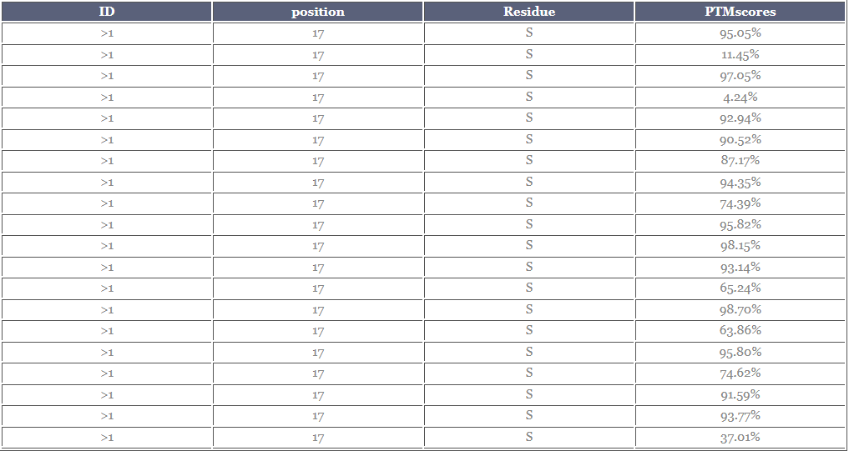

 |  |  |  |  |  |  |  |  |  |  |  | 0.9505
 |  |  |  |  |  |  |  |  |  |  |  | 0.1145
 |  |  |  |  |  |  |  |  |  |  |  | 0.9705
 |  |  |  |  |  |  |  |  |  |  |  | 0.0424
 |  |  |  |  |  |  |  |  |  |  |  | 0.9294
 |  |  |  |  |  |  |  |  |  |  |  | 0.9052
 |  |  |  |  |  |  |  |  |  |  |  | 0.8717
 |  |  |  |  |  |  |  |  |  |  |  | 0.9435
 |  |  |  |  |  |  |  |  |  |  |  | 0.7439
 |  |  |  |  |  |  |  |  |  |  |  | 0.9582
 |  |  |  |  |  |  |  |  |  |  |  | 0.9815
 |  |  |  |  |  |  |  |  |  |  |  | 0.9314
 |  |  |  |  |  |  |  |  |  |  |  | 0.6524
 |  |  |  |  |  |  |  |  |  |  |  | 0.9870
 |  |  |  |  |  |  |  |  |  |  |  | 0.6386
 |  |  |  |  |  | 56 |  |  |  |  |  | 0.9580
 |  |  |  |  |  |  |  |  |  |  |  | 0.7462
 |  |  |  |  |  |  |  |  |  |  |  | 0.9159
 |  |  |  |  |  |  |  |  |  |  |  | 0.9377
 |  |  |  |  |  |  |  |  |  |  |  | 0.3701

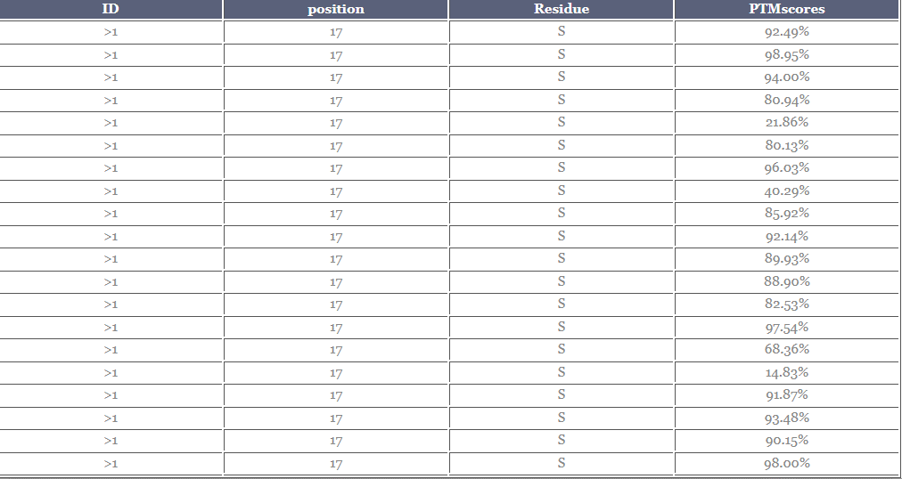
 |  |  |  |  |  |  |  |  |  |  |  | 0.9249
 |  |  |  |  |  |  |  |  |  |  |  | 0.9895
 |  |  |  |  |  |  |  |  |  |  |  | 0.9400
 |  |  |  |  |  |  |  |  |  |  |  | 0.8094
 |  |  |  |  |  |  |  |  |  |  |  | 0.2186
 |  |  |  |  |  |  |  |  |  |  |  | 0.8013
 |  |  |  |  |  |  |  |  |  |  |  | 0.9603
 |  |  |  |  |  |  |  |  |  |  |  | 0.4029
 |  |  |  |  |  |  |  |  |  |  |  | 0.8592
 |  |  |  |  |  |  |  |  |  |  |  | 0.9214
 |  |  |  |  |  |  |  |  |  |  |  | 0.8993
 |  |  |  |  |  |  |  |  |  |  |  | 0.8890
 |  |  |  |  |  |  |  |  |  |  |  | 0.8253
 |  |  |  |  |  |  |  |  |  |  |  | 0.9754
 |  |  |  |  |  |  |  |  |  |  |  | 0.6836
 |  |  |  |  |  |  |  |  |  |  |  | 0.1483
 |  |  |  |  |  | 57 |  |  |  |  |  | 0.9187
 |  |  |  |  |  |  |  |  |  |  |  | 0.9348
 |  |  |  |  |  |  |  |  |  |  |  | 0.9015
 |  |  |  |  |  |  |  |  |  |  |  | 0.9800

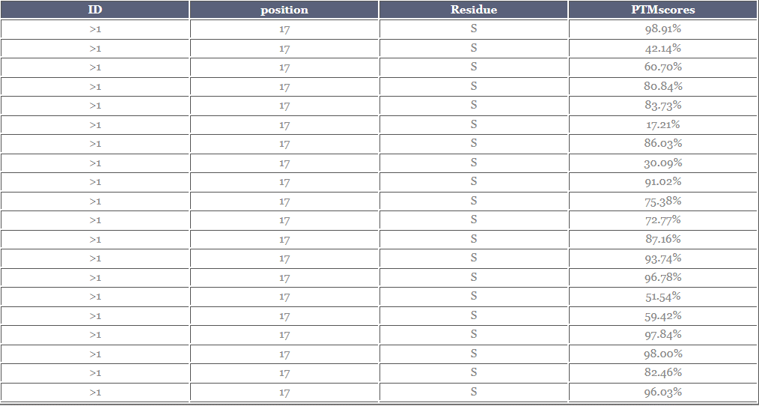

 |  |  |  |  |  |  |  |  |  |  |  | 0.9891
 |  |  |  |  |  |  |  |  |  |  |  | 0.4214
 |  |  |  |  |  |  |  |  |  |  |  | 0.6070
 |  |  |  |  |  |  |  |  |  |  |  | 0.8084
 |  |  |  |  |  |  |  |  |  |  |  | 0.8373
 |  |  |  |  |  |  |  |  |  |  |  | 0.1721
 |  |  |  |  |  |  |  |  |  |  |  | 0.8603
 |  |  |  |  |  |  |  |  |  |  |  | 0.3009
 |  |  |  |  |  |  |  |  |  |  |  | 0.9102
 |  |  |  |  |  |  |  |  |  |  |  | 0.7538
 |  |  |  |  |  |  |  |  |  |  |  | 0.7277
 |  |  |  |  |  |  |  |  |  |  |  | 0.8716
 |  |  |  |  |  |  |  |  |  |  |  | 0.9374
 |  |  |  |  |  | 58 |  |  |  |  |  | 0.9678
 |  |  |  |  |  |  |  |  |  |  |  | 0.5154
 |  |  |  |  |  |  |  |  |  |  |  | 0.5942
 |  |  |  |  |  |  |  |  |  |  |  | 0.9784
 |  |  |  |  |  |  |  |  |  |  |  | 0.9800
 |  |  |  |  |  |  |  |  |  |  |  | 0.8246
 |  |  |  |  |  |  |  |  |  |  |  | 0.9603

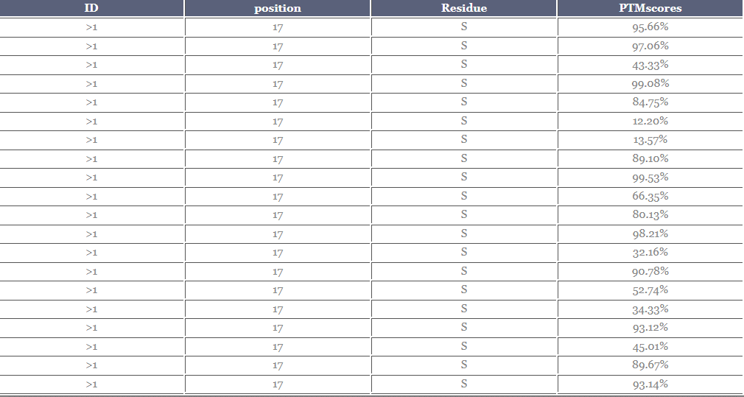

 |  |  |  |  |  |  |  |  |  |  |  | 0.9566
 |  |  |  |  |  |  |  |  |  |  |  | 0.9706
 |  |  |  |  |  |  |  |  |  |  |  | 0.4333
 |  |  |  |  |  |  |  |  |  |  |  | 0.9908
 |  |  |  |  |  |  |  |  |  |  |  | 0.8475
 |  |  |  |  |  |  |  |  |  |  |  | 0.1220
 |  |  |  |  |  |  |  |  |  |  |  | 0.1357
 |  |  |  |  |  |  |  |  |  |  |  | 0.8910
 |  |  |  |  |  |  |  |  |  |  |  | 0.9953
 |  |  |  |  |  |  |  |  |  |  |  | 0.6635
 |  |  |  |  |  |  |  |  |  |  |  | 0.8013
 |  |  |  |  |  |  |  |  |  |  |  | 0.9821
 |  |  |  |  |  |  |  |  |  |  |  | 0.3216
 |  |  |  |  |  |  |  |  |  |  |  | 0.9078
 |  |  |  |  |  | 59 |  |  |  |  |  | 0.5274
 |  |  |  |  |  |  |  |  |  |  |  | 0.3433
 |  |  |  |  |  |  |  |  |  |  |  | 0.9312
 |  |  |  |  |  |  |  |  |  |  |  | 0.4501
 |  |  |  |  |  |  |  |  |  |  |  | 0.8967
 |  |  |  |  |  |  |  |  |  |  |  | 0.9314

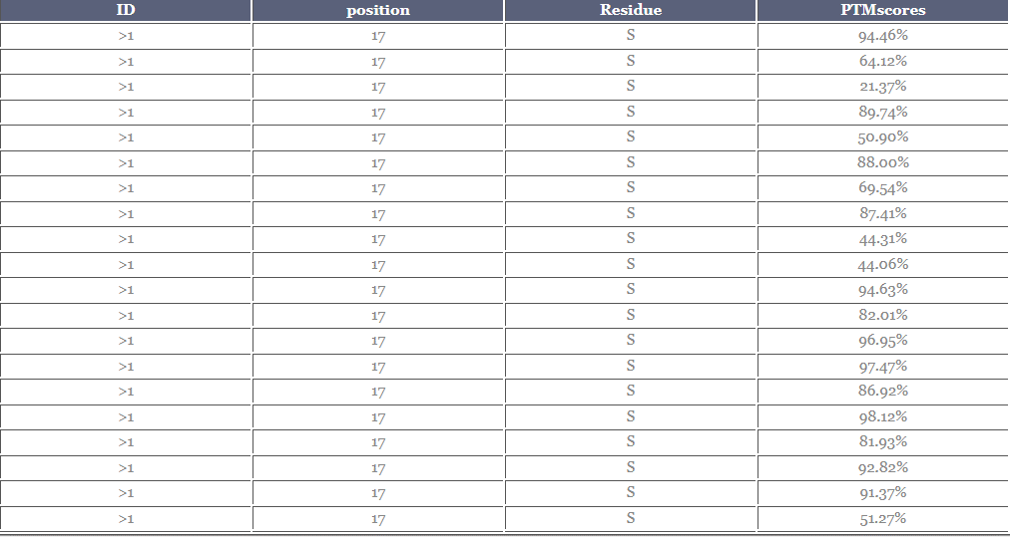

 |  |  |  |  |  |  |  |  |  |  |  | 0.9446
 |  |  |  |  |  |  |  |  |  |  |  | 0.6412
 |  |  |  |  |  |  |  |  |  |  |  | 0.2137
 |  |  |  |  |  |  |  |  |  |  |  | 0.8974
 |  |  |  |  |  |  |  |  |  |  |  | 0.5090
 |  |  |  |  |  |  |  |  |  |  |  | 0.8800
 |  |  |  |  |  |  |  |  |  |  |  | 0.6954
 |  |  |  |  |  |  |  |  |  |  |  | 0.8741
 |  |  |  |  |  |  |  |  |  |  |  | 0.4431
 |  |  |  |  |  |  |  |  |  |  |  | 0.4406
 |  |  |  |  |  |  |  |  |  |  |  | 0.9463
 |  |  |  |  |  |  |  |  |  |  |  | 0.8201
 |  |  |  |  |  |  |  |  |  |  |  | 0.9695
 |  |  |  |  |  |  |  |  |  |  |  | 0.9747
 |  |  |  |  |  | 60 |  |  |  |  |  | 0.8692
 |  |  |  |  |  |  |  |  |  |  |  | 0.9812
 |  |  |  |  |  |  |  |  |  |  |  | 0.8193
 |  |  |  |  |  |  |  |  |  |  |  | 0.9282
 |  |  |  |  |  |  |  |  |  |  |  | 0.9137
 |  |  |  |  |  |  |  |  |  |  |  | 0.5127

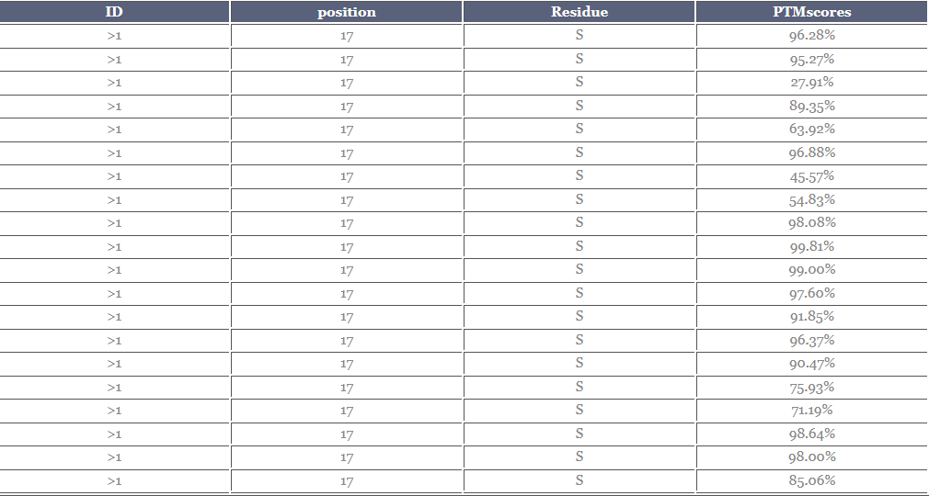

 |  |  |  |  |  |  |  |  |  |  |  | 0.9628
 |  |  |  |  |  |  |  |  |  |  |  | 0.9527
 |  |  |  |  |  |  |  |  |  |  |  | 0.2791
 |  |  |  |  |  |  |  |  |  |  |  | 0.8935
 |  |  |  |  |  |  |  |  |  |  |  | 0.6392
 |  |  |  |  |  |  |  |  |  |  |  | 0.9688
 |  |  |  |  |  |  |  |  |  |  |  | 0.4557
 |  |  |  |  |  |  |  |  |  |  |  | 0.5483
 |  |  |  |  |  |  |  |  |  |  |  | 0.9808
 |  |  |  |  |  |  |  |  |  |  |  | 0.9981
 |  |  |  |  |  |  |  |  |  |  |  | 0.9900
 |  |  |  |  |  |  |  |  |  |  |  | 0.9760
 |  |  |  |  |  |  |  |  |  |  |  | 0.9185
 |  |  |  |  |  |  |  |  |  |  |  | 0.9637
 |  |  |  |  |  |  |  |  |  |  |  | 0.9047
 |  |  |  |  |  | 61 |  |  |  |  |  | 0.7593
 |  |  |  |  |  |  |  |  |  |  |  | 0.7119
 |  |  |  |  |  |  |  |  |  |  |  | 0.9864
 |  |  |  |  |  |  |  |  |  |  |  | 0.9800
 |  |  |  |  |  |  |  |  |  |  |  | 0.8506

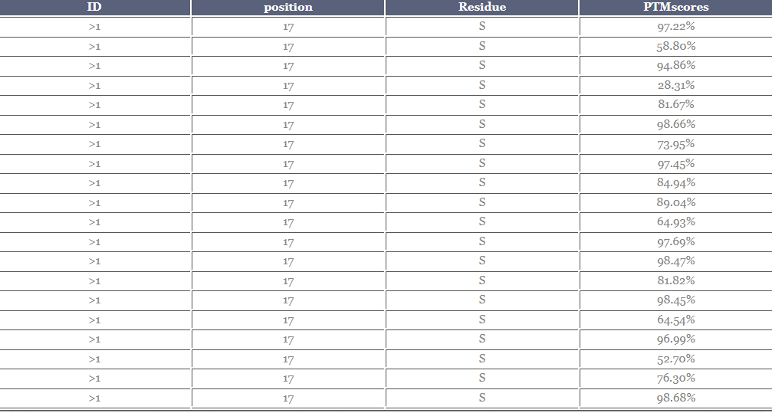

 |  |  |  |  |  |  |  |  |  |  |  | 0.9722
 |  |  |  |  |  |  |  |  |  |  |  | 0.5880
 |  |  |  |  |  |  |  |  |  |  |  | 0.9486
 |  |  |  |  |  |  |  |  |  |  |  | 0.2831
 |  |  |  |  |  |  |  |  |  |  |  | 0.8167
 |  |  |  |  |  |  |  |  |  |  |  | 0.9866
 |  |  |  |  |  |  |  |  |  |  |  | 0.7395
 |  |  |  |  |  |  |  |  |  |  |  | 0.9745
 |  |  |  |  |  |  |  |  |  |  |  | 0.8494
 |  |  |  |  |  |  |  |  |  |  |  | 0.8904
 |  |  |  |  |  |  |  |  |  |  |  | 0.6493
 |  |  |  |  |  | 62 |  |  |  |  |  | 0.9769
 |  |  |  |  |  |  |  |  |  |  |  | 0.9847
 |  |  |  |  |  |  |  |  |  |  |  | 0.8182
 |  |  |  |  |  |  |  |  |  |  |  | 0.9845
 |  |  |  |  |  |  |  |  |  |  |  | 0.6454
 |  |  |  |  |  |  |  |  |  |  |  | 0.9699
 |  |  |  |  |  |  |  |  |  |  |  | 0.5270
 |  |  |  |  |  |  |  |  |  |  |  | 0.7630
 |  |  |  |  |  |  |  |  |  |  |  | 0.9868

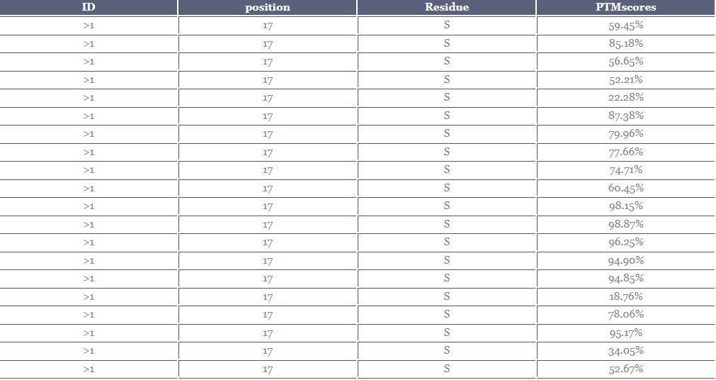

 |  |  |  |  |  |  |  |  |  |  |  | 0.5945
 |  |  |  |  |  |  |  |  |  |  |  | 0.8518
 |  |  |  |  |  |  |  |  |  |  |  | 0.5665
 |  |  |  |  |  |  |  |  |  |  |  | 0.5221
 |  |  |  |  |  |  |  |  |  |  |  | 0.2228
 |  |  |  |  |  |  |  |  |  |  |  | 0.8738
 |  |  |  |  |  |  |  |  |  |  |  | 0.7996
 |  |  |  |  |  |  |  |  |  |  |  | 0.7766
 |  |  |  |  |  |  |  |  |  |  |  | 0.7471
 |  |  |  |  |  |  |  |  |  |  |  | 0.6045
 |  |  |  |  |  |  |  |  |  |  |  | 0.9815
 |  |  |  |  |  | 63 |  |  |  |  |  | 0.9887
 |  |  |  |  |  |  |  |  |  |  |  | 0.9625
 |  |  |  |  |  |  |  |  |  |  |  | 0.9490
 |  |  |  |  |  |  |  |  |  |  |  | 0.9485
 |  |  |  |  |  |  |  |  |  |  |  | 0.1876
 |  |  |  |  |  |  |  |  |  |  |  | 0.7806
 |  |  |  |  |  |  |  |  |  |  |  | 0.9517
 |  |  |  |  |  |  |  |  |  |  |  | 0.3405
 |  |  |  |  |  |  |  |  |  |  |  | 0.5267

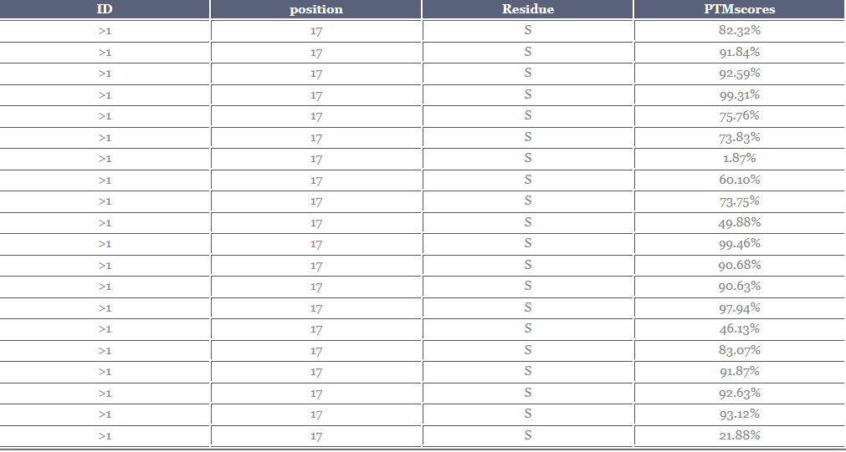

 |  |  |  |  |  |  |  |  |  |  |  | 0.8232
 |  |  |  |  |  |  |  |  |  |  |  | 0.9184
 |  |  |  |  |  |  |  |  |  |  |  | 0.9259
 |  |  |  |  |  |  |  |  |  |  |  | 0.9931
 |  |  |  |  |  |  |  |  |  |  |  | 0.7576
 |  |  |  |  |  |  |  |  |  |  |  | 0.7383
 |  |  |  |  |  |  |  |  |  |  |  | 0.0187
 |  |  |  |  |  |  |  |  |  |  |  | 0.6010
 |  |  |  |  |  |  |  |  |  |  |  | 0.7375
 |  |  |  |  |  |  |  |  |  |  |  | 0.4988
 |  |  |  |  |  |  |  |  |  |  |  | 0.9946
 |  |  |  |  |  |  |  |  |  |  |  | 0.9068
 |  |  |  |  |  |  |  |  |  |  |  | 0.9063
 |  |  |  |  |  |  |  |  |  |  |  | 0.9794
 |  |  |  |  |  |  |  |  |  |  |  | 0.4613
 |  |  |  |  |  | 64 |  |  |  |  |  | 0.8307
 |  |  |  |  |  |  |  |  |  |  |  | 0.9187
 |  |  |  |  |  |  |  |  |  |  |  | 0.9263
 |  |  |  |  |  |  |  |  |  |  |  | 0.9312
 |  |  |  |  |  |  |  |  |  |  |  | 0.2188

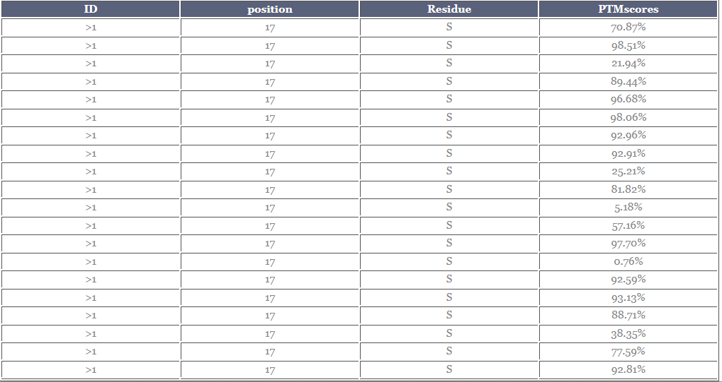

 |  |  |  |  |  |  |  |  |  |  |  | 0.7087
 |  |  |  |  |  |  |  |  |  |  |  | 0.9851
 |  |  |  |  |  |  |  |  |  |  |  | 0.2194
 |  |  |  |  |  |  |  |  |  |  |  | 0.8944
 |  |  |  |  |  |  |  |  |  |  |  | 0.9668
 |  |  |  |  |  |  |  |  |  |  |  | 0.9806
 |  |  |  |  |  |  |  |  |  |  |  | 0.9296
 |  |  |  |  |  |  |  |  |  |  |  | 0.9291
 |  |  |  |  |  |  |  |  |  |  |  | 0.2521
 |  |  |  |  |  |  |  |  |  |  |  | 0.8182
 |  |  |  |  |  |  |  |  |  |  |  | 0.0518
 |  |  |  |  |  |  |  |  |  |  |  | 0.5716
 |  |  |  |  |  |  |  |  |  |  |  | 0.9770
 |  |  |  |  |  | 65 |  |  |  |  |  | 0.0076
 |  |  |  |  |  |  |  |  |  |  |  | 0.9259
 |  |  |  |  |  |  |  |  |  |  |  | 0.9313
 |  |  |  |  |  |  |  |  |  |  |  | 0.8871
 |  |  |  |  |  |  |  |  |  |  |  | 0.3835
 |  |  |  |  |  |  |  |  |  |  |  | 0.7759
 |  |  |  |  |  |  |  |  |  |  |  | 0.9281

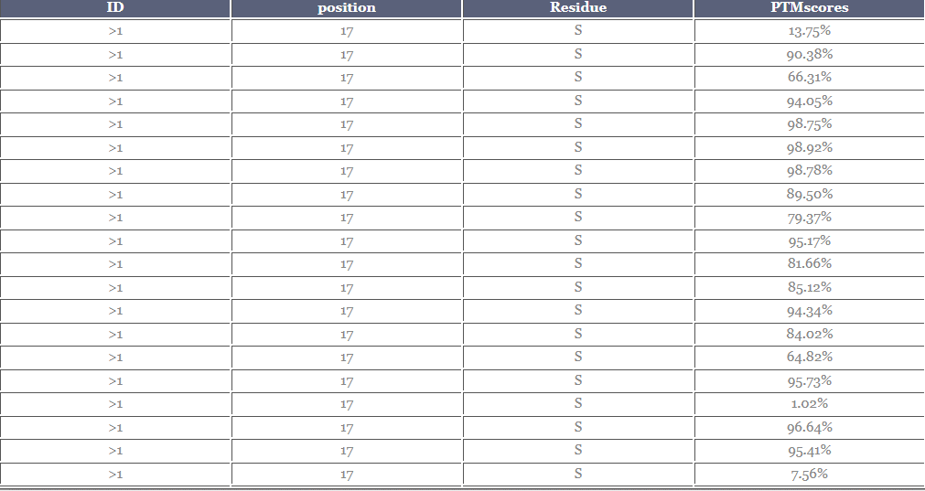

 |  |  |  |  |  |  |  |  |  |  |  | 0.1375
 |  |  |  |  |  |  |  |  |  |  |  | 0.9038
 |  |  |  |  |  |  |  |  |  |  |  | 0.6631
 |  |  |  |  |  |  |  |  |  |  |  | 0.9405
 |  |  |  |  |  |  |  |  |  |  |  | 0.9875
 |  |  |  |  |  |  |  |  |  |  |  | 0.9892
 |  |  |  |  |  |  |  |  |  |  |  | 0.9878
 |  |  |  |  |  |  |  |  |  |  |  | 0.8950
 |  |  |  |  |  |  |  |  |  |  |  | 0.7937
 |  |  |  |  |  |  |  |  |  |  |  | 0.9517
 |  |  |  |  |  |  |  |  |  |  |  | 0.8166
 |  |  |  |  |  |  |  |  |  |  |  | 0.8512
 |  |  |  |  |  |  |  |  |  |  |  | 0.9434
 |  |  |  |  |  |  |  |  |  |  |  | 0.8402
 |  |  |  |  |  | 66 |  |  |  |  |  | 0.6482
 |  |  |  |  |  |  |  |  |  |  |  | 0.9573
 |  |  |  |  |  |  |  |  |  |  |  | 0.0102
 |  |  |  |  |  |  |  |  |  |  |  | 0.9664
 |  |  |  |  |  |  |  |  |  |  |  | 0.9541
 |  |  |  |  |  |  |  |  |  |  |  | 0.0756

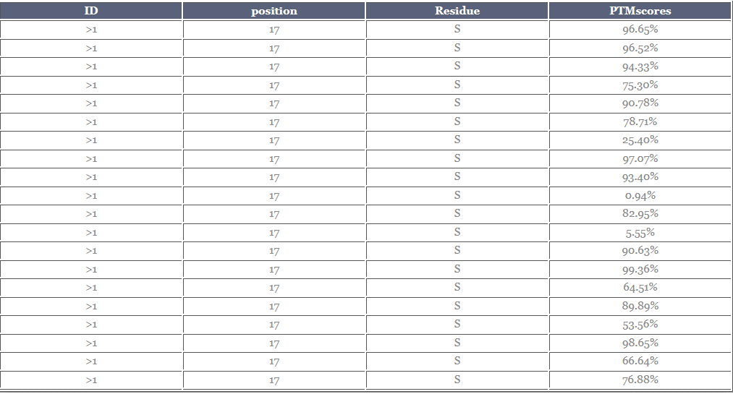

 |  |  |  |  |  |  |  |  |  |  |  | 0.9665
 |  |  |  |  |  |  |  |  |  |  |  | 0.9652
 |  |  |  |  |  |  |  |  |  |  |  | 0.9433
 |  |  |  |  |  |  |  |  |  |  |  | 0.7530
 |  |  |  |  |  |  |  |  |  |  |  | 0.9078
 |  |  |  |  |  |  |  |  |  |  |  | 0.7871
 |  |  |  |  |  |  |  |  |  |  |  | 0.2540
 |  |  |  |  |  |  |  |  |  |  |  | 0.9707
 |  |  |  |  |  |  |  |  |  |  |  | 0.9340
 |  |  |  |  |  |  |  |  |  |  |  | 0.0094
 |  |  |  |  |  |  |  |  |  |  |  | 0.8295
 |  |  |  |  |  |  |  |  |  |  |  | 0.0555
 |  |  |  |  |  |  |  |  |  |  |  | 0.9063
 |  |  |  |  |  |  |  |  |  |  |  | 0.9936
 |  |  |  |  |  | 67 |  |  |  |  |  | 0.6451
 |  |  |  |  |  |  |  |  |  |  |  | 0.8989
 |  |  |  |  |  |  |  |  |  |  |  | 0.5356
 |  |  |  |  |  |  |  |  |  |  |  | 0.9865
 |  |  |  |  |  |  |  |  |  |  |  | 0.6664
 |  |  |  |  |  |  |  |  |  |  |  | 0.7688

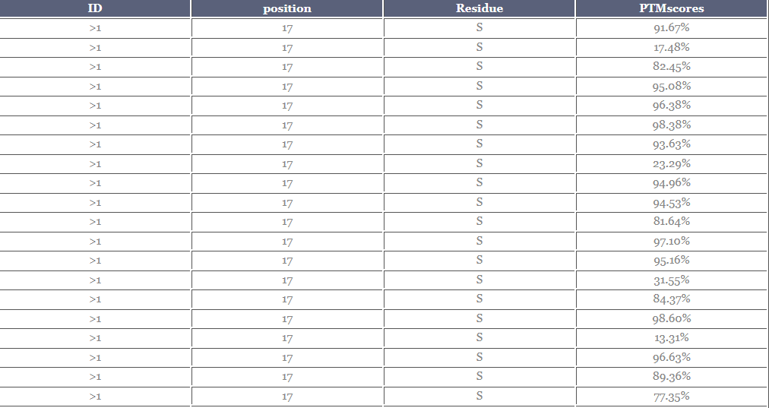

 |  |  |  |  |  |  |  |  |  |  |  | 0.9167
 |  |  |  |  |  |  |  |  |  |  |  | 0.1748
 |  |  |  |  |  |  |  |  |  |  |  | 0.8245
 |  |  |  |  |  |  |  |  |  |  |  | 0.9508
 |  |  |  |  |  |  |  |  |  |  |  | 0.9638
 |  |  |  |  |  |  |  |  |  |  |  | 0.9838
 |  |  |  |  |  |  |  |  |  |  |  | 0.9363
 |  |  |  |  |  |  |  |  |  |  |  | 0.2329
 |  |  |  |  |  |  |  |  |  |  |  | 0.9496
 |  |  |  |  |  |  |  |  |  |  |  | 0.9453
 |  |  |  |  |  |  |  |  |  |  |  | 0.8164
 |  |  |  |  |  |  |  |  |  |  |  | 0.9710
 |  |  |  |  |  |  |  |  |  |  |  | 0.9516
 |  |  |  |  |  | 68 |  |  |  |  |  | 0.3155
 |  |  |  |  |  |  |  |  |  |  |  | 0.8437
 |  |  |  |  |  |  |  |  |  |  |  | 0.9860
 |  |  |  |  |  |  |  |  |  |  |  | 0.1331
 |  |  |  |  |  |  |  |  |  |  |  | 0.9663
 |  |  |  |  |  |  |  |  |  |  |  | 0.8936
 |  |  |  |  |  |  |  |  |  |  |  | 0.7735

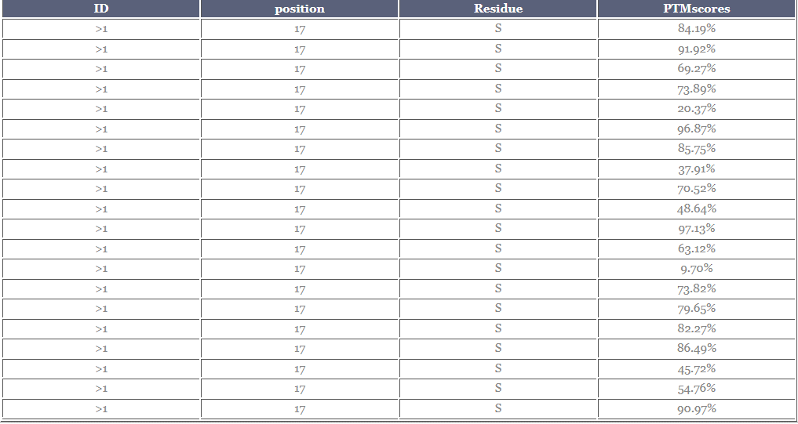
 |  |  |  |  |  |  |  |  |  |  |  | 0.8419
 |  |  |  |  |  |  |  |  |  |  |  | 0.9192
 |  |  |  |  |  |  |  |  |  |  |  | 0.6927
 |  |  |  |  |  |  |  |  |  |  |  | 0.7389
 |  |  |  |  |  |  |  |  |  |  |  | 0.2037
 |  |  |  |  |  |  |  |  |  |  |  | 0.9687
 |  |  |  |  |  |  |  |  |  |  |  | 0.8575
 |  |  |  |  |  |  |  |  |  |  |  | 0.3791
 |  |  |  |  |  |  |  |  |  |  |  | 0.7052
 |  |  |  |  |  |  |  |  |  |  |  | 0.4864
 |  |  |  |  |  |  |  |  |  |  |  | 0.9713
 |  |  |  |  |  |  |  |  |  |  |  | 0.6312
 |  |  |  |  |  |  |  |  |  |  |  | 0.0970
 |  |  |  |  |  |  |  |  |  |  |  | 0.7382
 |  |  |  |  |  |  |  |  |  |  |  | 0.7965
 |  |  |  |  |  | 69 |  |  |  |  |  | 0.8227
 |  |  |  |  |  |  |  |  |  |  |  | 0.8649
 |  |  |  |  |  |  |  |  |  |  |  | 0.4572
 |  |  |  |  |  |  |  |  |  |  |  | 0.5476
 |  |  |  |  |  |  |  |  |  |  |  | 0.9097

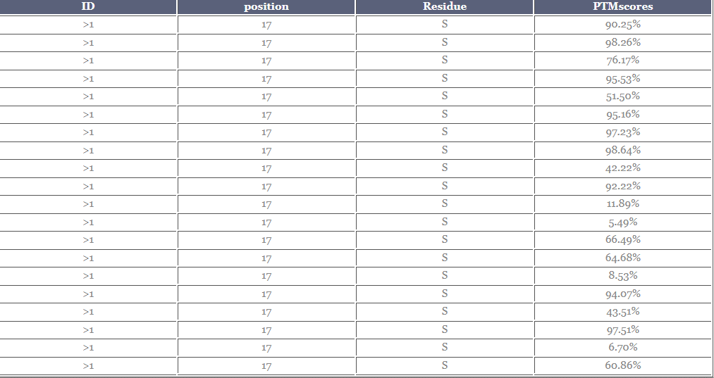

 |  |  |  |  |  |  |  |  |  |  |  | 0.9025
 |  |  |  |  |  |  |  |  |  |  |  | 0.9826
 |  |  |  |  |  |  |  |  |  |  |  | 0.7617
 |  |  |  |  |  |  |  |  |  |  |  | 0.9553
 |  |  |  |  |  |  |  |  |  |  |  | 0.5150
 |  |  |  |  |  |  |  |  |  |  |  | 0.9516
 |  |  |  |  |  |  |  |  |  |  |  | 0.9723
 |  |  |  |  |  |  |  |  |  |  |  | 0.9864
 |  |  |  |  |  |  |  |  |  |  |  | 0.4222
 |  |  |  |  |  |  |  |  |  |  |  | 0.9222
 |  |  |  |  |  |  |  |  |  |  |  | 0.1189
 |  |  |  |  |  |  |  |  |  |  |  | 0.0549
 |  |  |  |  |  |  |  |  |  |  |  | 0.6649
 |  |  |  |  |  |  |  |  |  |  |  | 0.6468
 |  |  |  |  |  | 70 |  |  |  |  |  | 0.0853
 |  |  |  |  |  |  |  |  |  |  |  | 0.9407
 |  |  |  |  |  |  |  |  |  |  |  | 0.4351
 |  |  |  |  |  |  |  |  |  |  |  | 0.9751
 |  |  |  |  |  |  |  |  |  |  |  | 0.0670
 |  |  |  |  |  |  |  |  |  |  |  | 0.6086

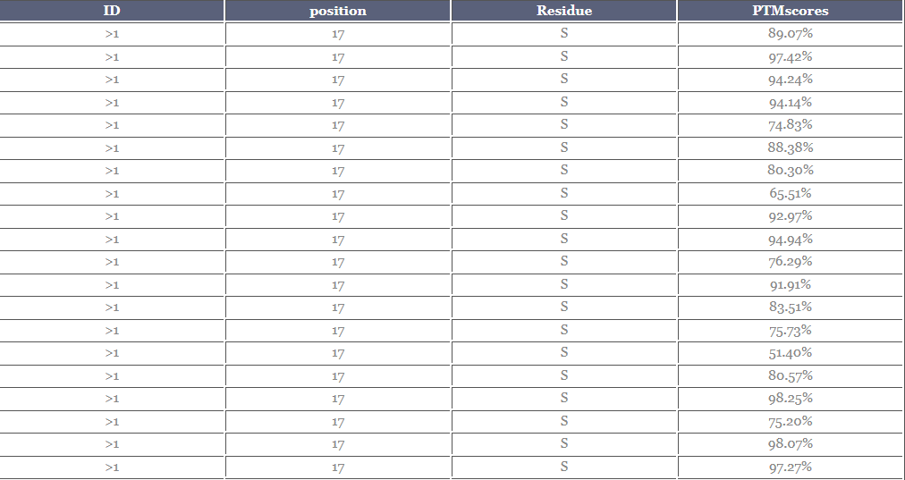

 |  |  |  |  |  |  |  |  |  |  |  | 0.8907
 |  |  |  |  |  |  |  |  |  |  |  | 0.9742
 |  |  |  |  |  |  |  |  |  |  |  | 0.9424
 |  |  |  |  |  |  |  |  |  |  |  | 0.9414
 |  |  |  |  |  |  |  |  |  |  |  | 0.7483
 |  |  |  |  |  |  |  |  |  |  |  | 0.8838
 |  |  |  |  |  |  |  |  |  |  |  | 0.8030
 |  |  |  |  |  |  |  |  |  |  |  | 0.6551
 |  |  |  |  |  |  |  |  |  |  |  | 0.9297
 |  |  |  |  |  |  |  |  |  |  |  | 0.9494
 |  |  |  |  |  |  |  |  |  |  |  | 0.7629
 |  |  |  |  |  |  |  |  |  |  |  | 0.9191
 |  |  |  |  |  |  |  |  |  |  |  | 0.8351
 |  |  |  |  |  |  |  |  |  |  |  | 0.7573
 |  |  |  |  |  |  |  |  |  |  |  | 0.5140
 |  |  |  |  |  |  |  |  |  |  |  | 0.8057
 |  |  |  |  |  | 71 |  |  |  |  |  | 0.9825
 |  |  |  |  |  |  |  |  |  |  |  | 0.7520
 |  |  |  |  |  |  |  |  |  |  |  | 0.9807
 |  |  |  |  |  |  |  |  |  |  |  | 0.9727

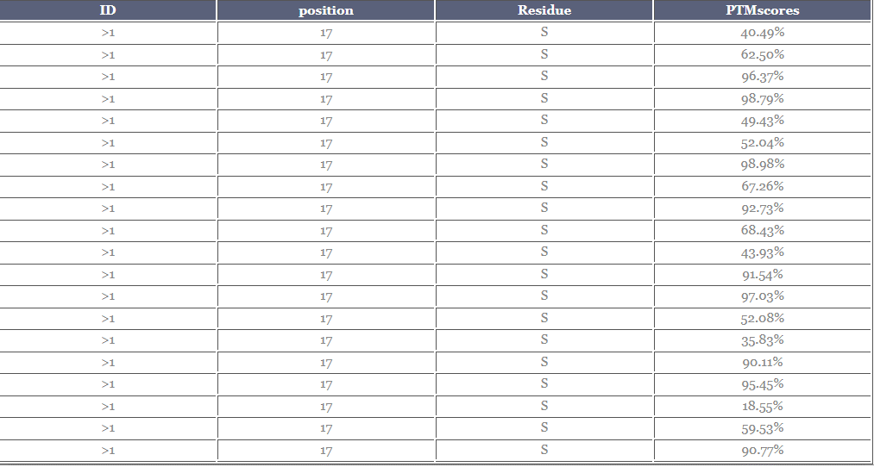
 |  |  |  |  |  |  |  |  |  |  |  | 0.4049
 |  |  |  |  |  |  |  |  |  |  |  | 0.6250
 |  |  |  |  |  |  |  |  |  |  |  | 0.9637
 |  |  |  |  |  |  |  |  |  |  |  | 0.9879
 |  |  |  |  |  |  |  |  |  |  |  | 0.4943
 |  |  |  |  |  |  |  |  |  |  |  | 0.5204
 |  |  |  |  |  |  |  |  |  |  |  | 0.9898
 |  |  |  |  |  |  |  |  |  |  |  | 0.6726
 |  |  |  |  |  |  |  |  |  |  |  | 0.9273
 |  |  |  |  |  |  |  |  |  |  |  | 0.6843
 |  |  |  |  |  |  |  |  |  |  |  | 0.4393
 |  |  |  |  |  |  |  |  |  |  |  | 0.9154
 |  |  |  |  |  |  |  |  |  |  |  | 0.9703
 |  |  |  |  |  | 72 |  |  |  |  |  | 0.5208
 |  |  |  |  |  |  |  |  |  |  |  | 0.3583
 |  |  |  |  |  |  |  |  |  |  |  | 0.9011
 |  |  |  |  |  |  |  |  |  |  |  | 0.9545
 |  |  |  |  |  |  |  |  |  |  |  | 0.1855
 |  |  |  |  |  |  |  |  |  |  |  | 0.5953
 |  |  |  |  |  |  |  |  |  |  |  | 0.9077

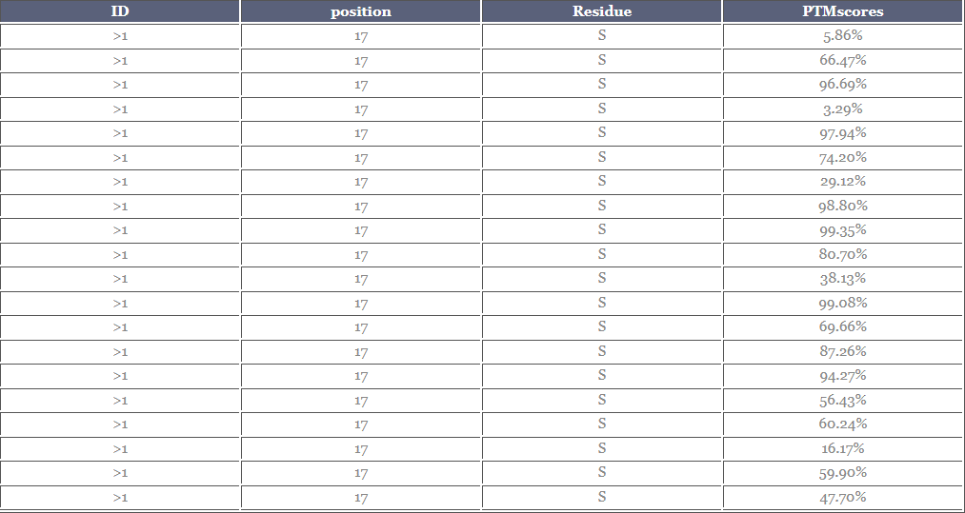

 |  |  |  |  |  |  |  |  |  |  |  | 0.0586
 |  |  |  |  |  |  |  |  |  |  |  | 0.6647
 |  |  |  |  |  |  |  |  |  |  |  | 0.9669
 |  |  |  |  |  |  |  |  |  |  |  | 0.0329
 |  |  |  |  |  |  |  |  |  |  |  | 0.9794
 |  |  |  |  |  |  |  |  |  |  |  | 0.7420
 |  |  |  |  |  |  |  |  |  |  |  | 0.2912
 |  |  |  |  |  |  |  |  |  |  |  | 0.9880
 |  |  |  |  |  |  |  |  |  |  |  | 0.9935
 |  |  |  |  |  |  |  |  |  |  |  | 0.8070
 |  |  |  |  |  |  |  |  |  |  |  | 0.3813
 |  |  |  |  |  |  |  |  |  |  |  | 0.9908
 |  |  |  |  |  |  |  |  |  |  |  | 0.6966
 |  |  |  |  |  |  |  |  |  |  |  | 0.8726
 |  |  |  |  |  |  |  |  |  |  |  | 0.9427
 |  |  |  |  |  |  |  |  |  |  |  | 0.5643
 |  |  |  |  |  | 73 |  |  |  |  |  | 0.6024
 |  |  |  |  |  |  |  |  |  |  |  | 0.1617
 |  |  |  |  |  |  |  |  |  |  |  | 0.5990
 |  |  |  |  |  |  |  |  |  |  |  | 0.4770

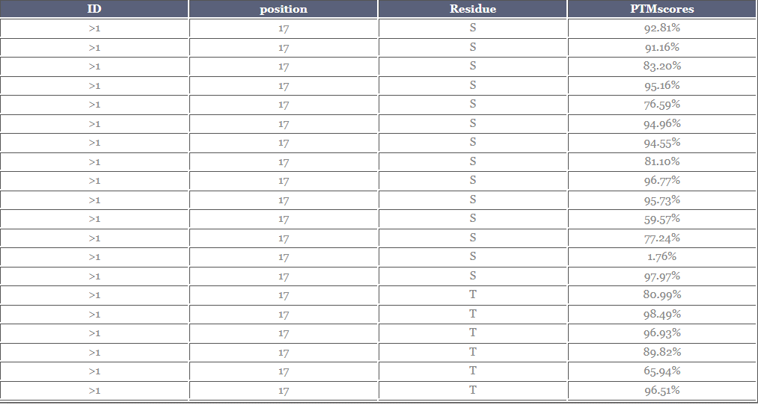

 |  |  |  |  |  |  |  |  |  |  |  | 0.9281
 |  |  |  |  |  |  |  |  |  |  |  | 0.9116
 |  |  |  |  |  |  |  |  |  |  |  | 0.8320
 |  |  |  |  |  |  |  |  |  |  |  | 0.9516
 |  |  |  |  |  |  |  |  |  |  |  | 0.7659
 |  |  |  |  |  |  |  |  |  |  |  | 0.9496
 |  |  |  |  |  |  |  |  |  |  |  | 0.9455
 |  |  |  |  |  |  |  |  |  |  |  | 0.8110
 |  |  |  |  |  |  |  |  |  |  |  | 0.9677
 |  |  |  |  |  |  |  |  |  |  |  | 0.9573
 |  |  |  |  |  |  |  |  |  |  |  | 0.5957
 |  |  |  |  |  |  |  |  |  |  |  | 0.7724
 |  |  |  |  |  |  |  |  |  |  |  | 0.0176
 |  |  |  |  |  |  |  |  |  |  |  | 0.9797
 |  |  |  |  |  | 74 |  |  |  |  |  | 0.8099
 |  |  |  |  |  |  |  |  |  |  |  | 0.9849
 |  |  |  |  |  |  |  |  |  |  |  | 0.9693
 |  |  |  |  |  |  |  |  |  |  |  | 0.8982
 |  |  |  |  |  |  |  |  |  |  |  | 0.6594
 |  |  |  |  |  |  |  |  |  |  |  | 0.9651

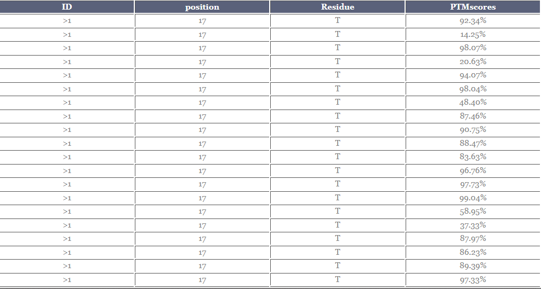

 |  |  |  |  |  |  |  |  |  |  |  | 0.9234
 |  |  |  |  |  |  |  |  |  |  |  | 0.1425
 |  |  |  |  |  |  |  |  |  |  |  | 0.9807
 |  |  |  |  |  |  |  |  |  |  |  | 0.2063
 |  |  |  |  |  |  |  |  |  |  |  | 0.9407
 |  |  |  |  |  |  |  |  |  |  |  | 0.9804
 |  |  |  |  |  |  |  |  |  |  |  | 0.4840
 |  |  |  |  |  |  |  |  |  |  |  | 0.8746
 |  |  |  |  |  |  |  |  |  |  |  | 0.9075
 |  |  |  |  |  |  |  |  |  |  |  | 0.8847
 |  |  |  |  |  |  |  |  |  |  |  | 0.8363
 |  |  |  |  |  |  |  |  |  |  |  | 0.9676
 |  |  |  |  |  | 75 |  |  |  |  |  | 0.9773
 |  |  |  |  |  |  |  |  |  |  |  | 0.9904
 |  |  |  |  |  |  |  |  |  |  |  | 0.5895
 |  |  |  |  |  |  |  |  |  |  |  | 0.3733
 |  |  |  |  |  |  |  |  |  |  |  | 0.8797
 |  |  |  |  |  |  |  |  |  |  |  | 0.8623
 |  |  |  |  |  |  |  |  |  |  |  | 0.8939
 |  |  |  |  |  |  |  |  |  |  |  | 0.9733

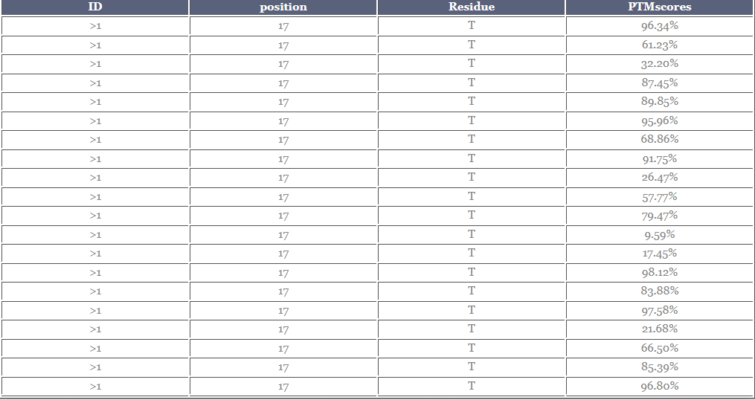

 |  |  |  |  |  |  |  |  |  |  |  | 0.9634
 |  |  |  |  |  |  |  |  |  |  |  | 0.6123
 |  |  |  |  |  |  |  |  |  |  |  | 0.3220
 |  |  |  |  |  |  |  |  |  |  |  | 0.8745
 |  |  |  |  |  |  |  |  |  |  |  | 0.8985
 |  |  |  |  |  |  |  |  |  |  |  | 0.9596
 |  |  |  |  |  |  |  |  |  |  |  | 0.6886
 |  |  |  |  |  |  |  |  |  |  |  | 0.9175
 |  |  |  |  |  |  |  |  |  |  |  | 0.2647
 |  |  |  |  |  |  |  |  |  |  |  | 0.5777
 |  |  |  |  |  |  |  |  |  |  |  | 0.7947
 |  |  |  |  |  |  |  |  |  |  |  | 0.0959
 |  |  |  |  |  | 76 |  |  |  |  |  | 0.1745
 |  |  |  |  |  |  |  |  |  |  |  | 0.9812
 |  |  |  |  |  |  |  |  |  |  |  | 0.8388
 |  |  |  |  |  |  |  |  |  |  |  | 0.9758
 |  |  |  |  |  |  |  |  |  |  |  | 0.2168
 |  |  |  |  |  |  |  |  |  |  |  | 0.6650
 |  |  |  |  |  |  |  |  |  |  |  | 0.8539
 |  |  |  |  |  |  |  |  |  |  |  | 0.9680

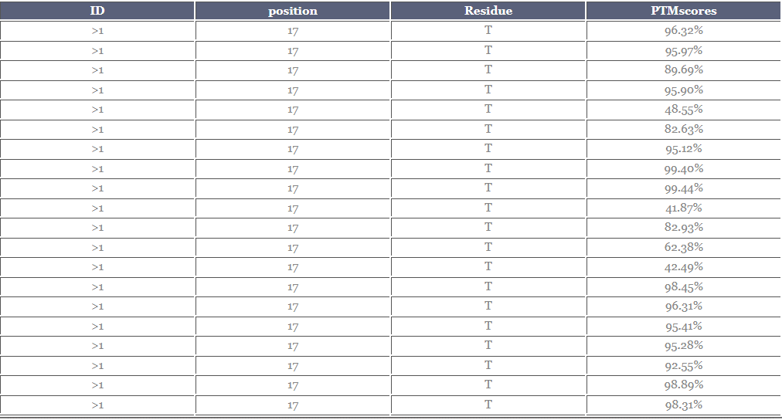

 |  |  |  |  |  |  |  |  |  |  |  | 0.9632
 |  |  |  |  |  |  |  |  |  |  |  | 0.9597
 |  |  |  |  |  |  |  |  |  |  |  | 0.8969
 |  |  |  |  |  |  |  |  |  |  |  | 0.9590
 |  |  |  |  |  |  |  |  |  |  |  | 0.4855
 |  |  |  |  |  |  |  |  |  |  |  | 0.8263
 |  |  |  |  |  |  |  |  |  |  |  | 0.9512
 |  |  |  |  |  |  |  |  |  |  |  | 0.9940
 |  |  |  |  |  |  |  |  |  |  |  | 0.9944
 |  |  |  |  |  |  |  |  |  |  |  | 0.4187
 |  |  |  |  |  |  |  |  |  |  |  | 0.8293
 |  |  |  |  |  |  |  |  |  |  |  | 0.6238
 |  |  |  |  |  |  |  |  |  |  |  | 0.4249
 |  |  |  |  |  | 77 |  |  |  |  |  | 0.9845
 |  |  |  |  |  |  |  |  |  |  |  | 0.9631
 |  |  |  |  |  |  |  |  |  |  |  | 0.9541
 |  |  |  |  |  |  |  |  |  |  |  | 0.9528
 |  |  |  |  |  |  |  |  |  |  |  | 0.9255
 |  |  |  |  |  |  |  |  |  |  |  | 0.9889
 |  |  |  |  |  |  |  |  |  |  |  | 0.9831

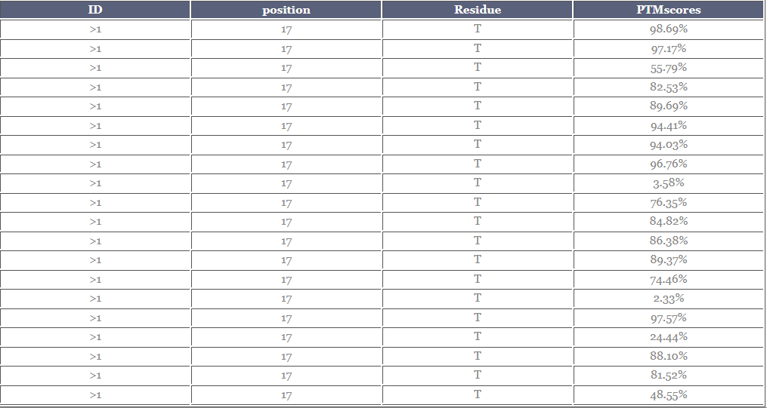

 |  |  |  |  |  |  |  |  |  |  |  | 0.9869
 |  |  |  |  |  |  |  |  |  |  |  | 0.9717
 |  |  |  |  |  |  |  |  |  |  |  | 0.5579
 |  |  |  |  |  |  |  |  |  |  |  | 0.8253
 |  |  |  |  |  |  |  |  |  |  |  | 0.8969
 |  |  |  |  |  |  |  |  |  |  |  | 0.9441
 |  |  |  |  |  |  |  |  |  |  |  | 0.9403
 |  |  |  |  |  |  |  |  |  |  |  | 0.9676
 |  |  |  |  |  |  |  |  |  |  |  | 0.0358
 |  |  |  |  |  |  |  |  |  |  |  | 0.7635
 |  |  |  |  |  | 78 |  |  |  |  |  | 0.8482
 |  |  |  |  |  |  |  |  |  |  |  | 0.8638
 |  |  |  |  |  |  |  |  |  |  |  | 0.8937
 |  |  |  |  |  |  |  |  |  |  |  | 0.7446
 |  |  |  |  |  |  |  |  |  |  |  | 0.0233
 |  |  |  |  |  |  |  |  |  |  |  | 0.9757
 |  |  |  |  |  |  |  |  |  |  |  | 0.2444
 |  |  |  |  |  |  |  |  |  |  |  | 0.8810
 |  |  |  |  |  |  |  |  |  |  |  | 0.8152
 |  |  |  |  |  |  |  |  |  |  |  | 0.4855

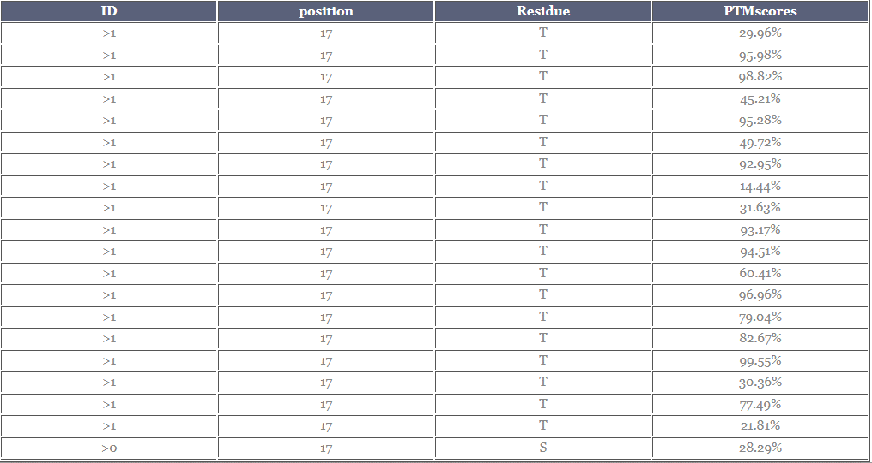

 |  |  |  |  |  |  |  |  |  |  |  | 0.2996
 |  |  |  |  |  |  |  |  |  |  |  | 0.9598
 |  |  |  |  |  |  |  |  |  |  |  | 0.9882
 |  |  |  |  |  |  |  |  |  |  |  | 0.4521
 |  |  |  |  |  |  |  |  |  |  |  | 0.9528
 |  |  |  |  |  |  |  |  |  |  |  | 0.4972
 |  |  |  |  |  |  |  |  |  |  |  | 0.9295
 |  |  |  |  |  |  |  |  |  |  |  | 0.1444
 |  |  |  |  |  |  |  |  |  |  |  | 0.3163
 |  |  |  |  |  |  |  |  |  |  |  | 0.9317
 |  |  |  |  |  |  |  |  |  |  |  | 0.9451
 |  |  |  |  |  |  |  |  |  |  |  | 0.6041
 |  |  |  |  |  |  |  |  |  |  |  | 0.9696
 |  |  |  |  |  |  |  |  |  |  |  | 0.7904
 |  |  |  |  |  |  |  |  |  |  |  | 0.8267
 |  |  |  |  |  | 79 |  |  |  |  |  | 0.9955
 |  |  |  |  |  |  |  |  |  |  |  | 0.3036
 |  |  |  |  |  |  |  |  |  |  |  | 0.7749
 |  |  |  |  |  |  |  |  |  |  |  | 0.2181
 |  |  |  |  |  |  |  |  |  |  |  | 0.2829

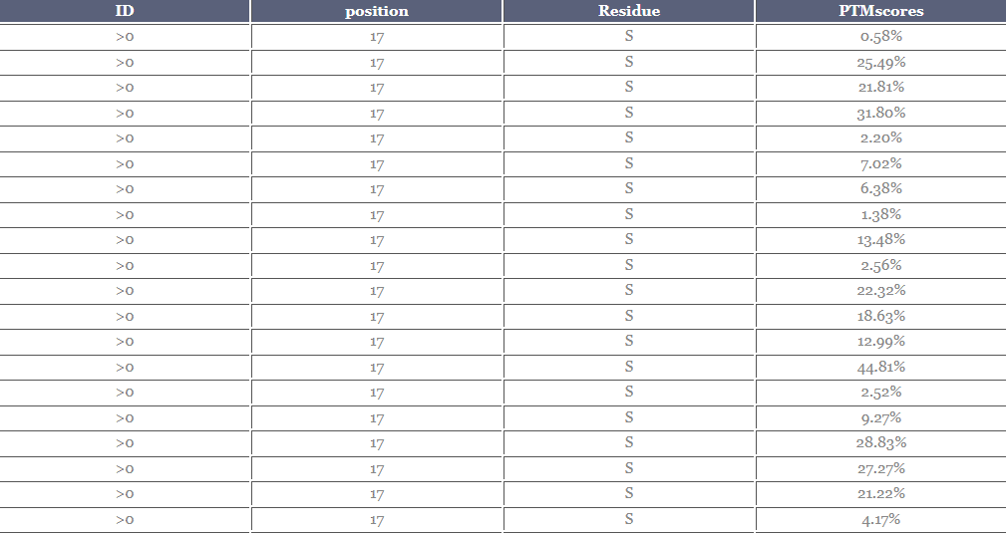

 |  |  |  |  |  |  |  |  |  |  |  | 0.0058
 |  |  |  |  |  |  |  |  |  |  |  | 0.2549
 |  |  |  |  |  |  |  |  |  |  |  | 0.2181
 |  |  |  |  |  |  |  |  |  |  |  | 0.3180
 |  |  |  |  |  |  |  |  |  |  |  | 0.0220
 |  |  |  |  |  |  |  |  |  |  |  | 0.0702
 |  |  |  |  |  |  |  |  |  |  |  | 0.0638
 |  |  |  |  |  |  |  |  |  |  |  | 0.0138
 |  |  |  |  |  |  |  |  |  |  |  | 0.1348
 |  |  |  |  |  |  |  |  |  |  |  | 0.0256
 |  |  |  |  |  |  |  |  |  |  |  | 0.2232
 |  |  |  |  |  |  |  |  |  |  |  | 0.1863
 |  |  |  |  |  | 80 |  |  |  |  |  | 0.1299
 |  |  |  |  |  |  |  |  |  |  |  | 0.4481
 |  |  |  |  |  |  |  |  |  |  |  | 0.0252
 |  |  |  |  |  |  |  |  |  |  |  | 0.0927
 |  |  |  |  |  |  |  |  |  |  |  | 0.2883
 |  |  |  |  |  |  |  |  |  |  |  | 0.2727
 |  |  |  |  |  |  |  |  |  |  |  | 0.2122
 |  |  |  |  |  |  |  |  |  |  |  | 0.0417

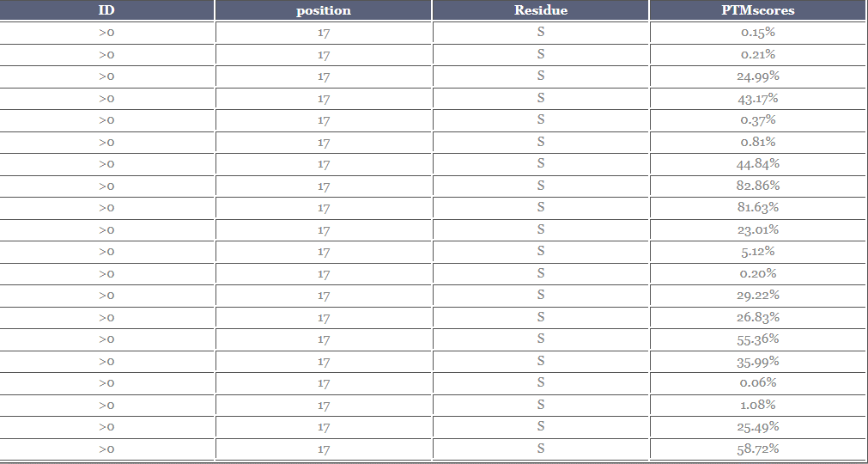

 |  |  |  |  |  |  |  |  |  |  |  | 0.0015
 |  |  |  |  |  |  |  |  |  |  |  | 0.0021
 |  |  |  |  |  |  |  |  |  |  |  | 0.2499
 |  |  |  |  |  |  |  |  |  |  |  | 0.4317
 |  |  |  |  |  |  |  |  |  |  |  | 0.0037
 |  |  |  |  |  |  |  |  |  |  |  | 0.0081
 |  |  |  |  |  |  |  |  |  |  |  | 0.4484
 |  |  |  |  |  |  |  |  |  |  |  | 0.8286
 |  |  |  |  |  |  |  |  |  |  |  | 0.8163
 |  |  |  |  |  |  |  |  |  |  |  | 0.2301
 |  |  |  |  |  |  |  |  |  |  |  | 0.0512
 |  |  |  |  |  |  |  |  |  |  |  | 0.0020
 |  |  |  |  |  |  |  |  |  |  |  | 0.2922
 |  |  |  |  |  | 81 |  |  |  |  |  | 0.2683
 |  |  |  |  |  |  |  |  |  |  |  | 0.5536
 |  |  |  |  |  |  |  |  |  |  |  | 0.3599
 |  |  |  |  |  |  |  |  |  |  |  | 0.0006
 |  |  |  |  |  |  |  |  |  |  |  | 0.0108
 |  |  |  |  |  |  |  |  |  |  |  | 0.2549
 |  |  |  |  |  |  |  |  |  |  |  | 0.5872

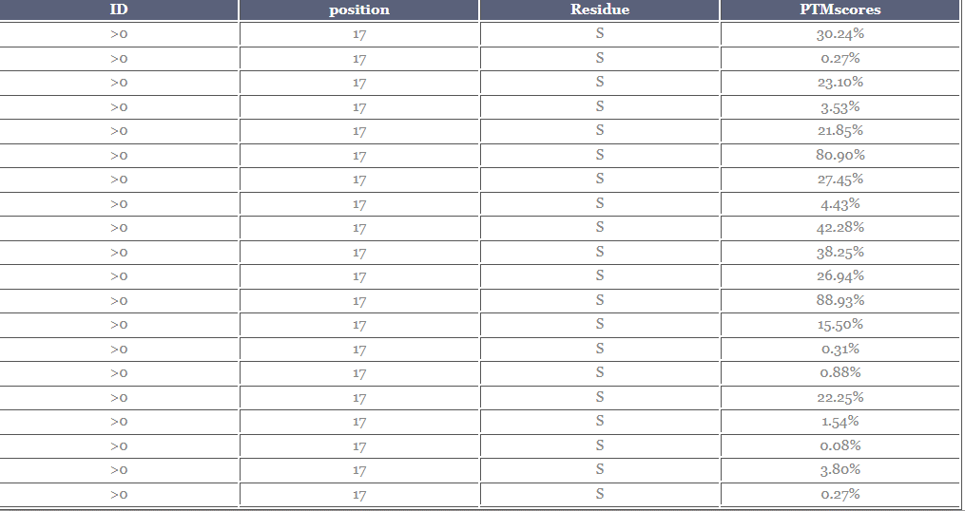

 |  |  |  |  |  |  |  |  |  |  |  | 0.3024
 |  |  |  |  |  |  |  |  |  |  |  | 0.0027
 |  |  |  |  |  |  |  |  |  |  |  | 0.2310
 |  |  |  |  |  |  |  |  |  |  |  | 0.0353
 |  |  |  |  |  |  |  |  |  |  |  | 0.2185
 |  |  |  |  |  |  |  |  |  |  |  | 0.8090
 |  |  |  |  |  |  |  |  |  |  |  | 0.2745
 |  |  |  |  |  |  |  |  |  |  |  | 0.0443
 |  |  |  |  |  |  |  |  |  |  |  | 0.4228
 |  |  |  |  |  |  |  |  |  |  |  | 0.3825
 |  |  |  |  |  |  |  |  |  |  |  | 0.2694
 |  |  |  |  |  |  |  |  |  |  |  | 0.8893
 |  |  |  |  |  |  |  |  |  |  |  | 0.1550
 |  |  |  |  |  |  |  |  |  |  |  | 0.0031
 |  |  |  |  |  |  |  |  |  |  |  | 0.0088
 |  |  |  |  |  | 82 |  |  |  |  |  | 0.2225
 |  |  |  |  |  |  |  |  |  |  |  | 0.0154
 |  |  |  |  |  |  |  |  |  |  |  | 0.0008
 |  |  |  |  |  |  |  |  |  |  |  | 0.0380
 |  |  |  |  |  |  |  |  |  |  |  | 0.0027

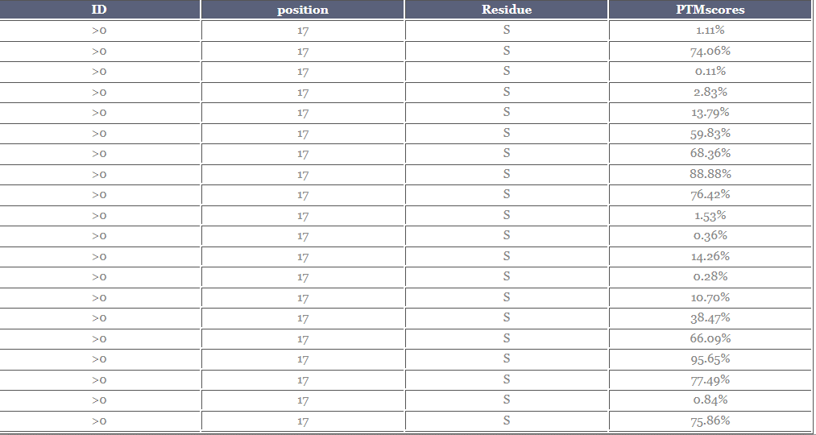

 |  |  |  |  |  |  |  |  |  |  |  | 0.0111
 |  |  |  |  |  |  |  |  |  |  |  | 0.7406
 |  |  |  |  |  |  |  |  |  |  |  | 0.0011
 |  |  |  |  |  |  |  |  |  |  |  | 0.0283
 |  |  |  |  |  |  |  |  |  |  |  | 0.1379
 |  |  |  |  |  |  |  |  |  |  |  | 0.5983
 |  |  |  |  |  |  |  |  |  |  |  | 0.6836
 |  |  |  |  |  |  |  |  |  |  |  | 0.8888
 |  |  |  |  |  |  |  |  |  |  |  | 0.7642
 |  |  |  |  |  |  |  |  |  |  |  | 0.0153
 |  |  |  |  |  | 83 |  |  |  |  |  | 0.0036
 |  |  |  |  |  |  |  |  |  |  |  | 0.1426
 |  |  |  |  |  |  |  |  |  |  |  | 0.0028
 |  |  |  |  |  |  |  |  |  |  |  | 0.1070
 |  |  |  |  |  |  |  |  |  |  |  | 0.3847
 |  |  |  |  |  |  |  |  |  |  |  | 0.6609
 |  |  |  |  |  |  |  |  |  |  |  | 0.9565
 |  |  |  |  |  |  |  |  |  |  |  | 0.7749
 |  |  |  |  |  |  |  |  |  |  |  | 0.0084
 |  |  |  |  |  |  |  |  |  |  |  | 0.7586

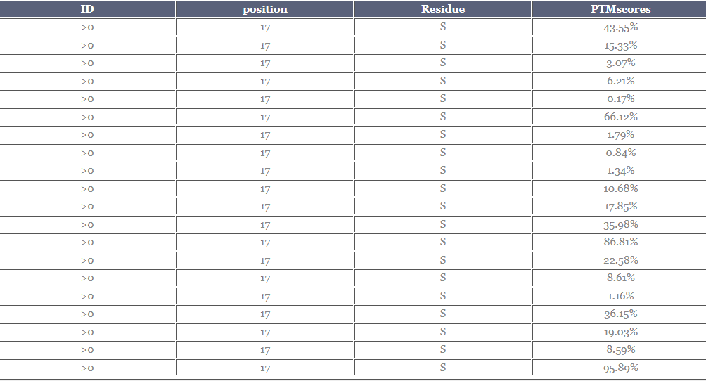

 |  |  |  |  |  |  |  |  |  |  |  | 0.4355
 |  |  |  |  |  |  |  |  |  |  |  | 0.1533
 |  |  |  |  |  |  |  |  |  |  |  | 0.0307
 |  |  |  |  |  |  |  |  |  |  |  | 0.0621
 |  |  |  |  |  |  |  |  |  |  |  | 0.0017
 |  |  |  |  |  |  |  |  |  |  |  | 0.6612
 |  |  |  |  |  |  |  |  |  |  |  | 0.0179
 |  |  |  |  |  |  |  |  |  |  |  | 0.0084
 |  |  |  |  |  |  |  |  |  |  |  | 0.0134
 |  |  |  |  |  |  |  |  |  |  |  | 0.1068
 |  |  |  |  |  |  |  |  |  |  |  | 0.1785
 |  |  |  |  |  |  |  |  |  |  |  | 0.3598
 |  |  |  |  |  | 84 |  |  |  |  |  | 0.8681
 |  |  |  |  |  |  |  |  |  |  |  | 0.2258
 |  |  |  |  |  |  |  |  |  |  |  | 0.0861
 |  |  |  |  |  |  |  |  |  |  |  | 0.0116
 |  |  |  |  |  |  |  |  |  |  |  | 0.3615
 |  |  |  |  |  |  |  |  |  |  |  | 0.1903
 |  |  |  |  |  |  |  |  |  |  |  | 0.0859
 |  |  |  |  |  |  |  |  |  |  |  | 0.9589

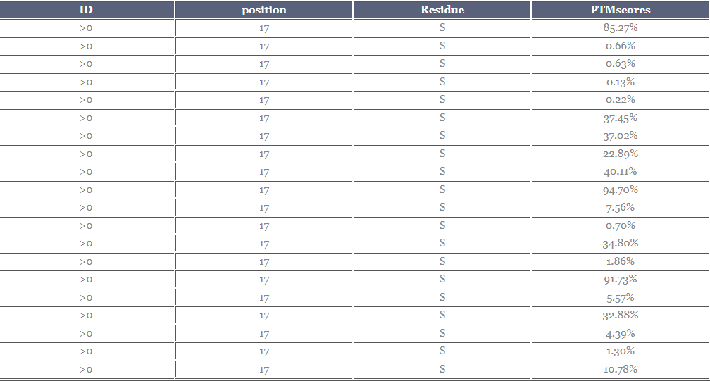

 |  |  |  |  |  |  |  |  |  |  |  | 0.8527
 |  |  |  |  |  |  |  |  |  |  |  | 0.0066
 |  |  |  |  |  |  |  |  |  |  |  | 0.0063
 |  |  |  |  |  |  |  |  |  |  |  | 0.0013
 |  |  |  |  |  |  |  |  |  |  |  | 0.0022
 |  |  |  |  |  |  |  |  |  |  |  | 0.3745
 |  |  |  |  |  |  |  |  |  |  |  | 0.3702
 |  |  |  |  |  |  |  |  |  |  |  | 0.2289
 |  |  |  |  |  |  |  |  |  |  |  | 0.4011
 |  |  |  |  |  |  |  |  |  |  |  | 0.9470
 |  |  |  |  |  |  |  |  |  |  |  | 0.0756
 |  |  |  |  |  |  |  |  |  |  |  | 0.0070
 |  |  |  |  |  | 85 |  |  |  |  |  | 0.3480
 |  |  |  |  |  |  |  |  |  |  |  | 0.0186
 |  |  |  |  |  |  |  |  |  |  |  | 0.9173
 |  |  |  |  |  |  |  |  |  |  |  | 0.0557
 |  |  |  |  |  |  |  |  |  |  |  | 0.3288
 |  |  |  |  |  |  |  |  |  |  |  | 0.0439
 |  |  |  |  |  |  |  |  |  |  |  | 1.3000
 |  |  |  |  |  |  |  |  |  |  |  | 0.1078

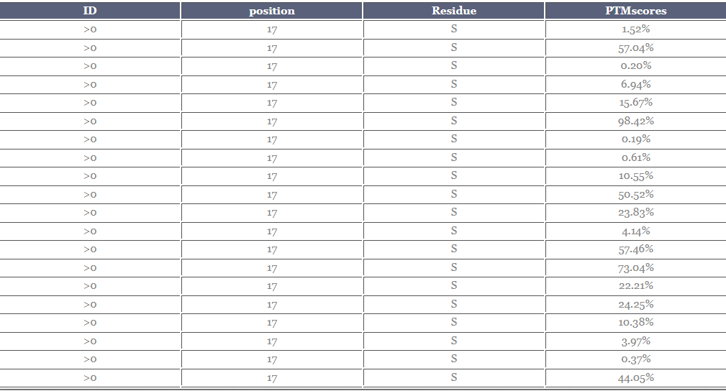

 |  |  |  |  |  |  |  |  |  |  |  | 0.0152
 |  |  |  |  |  |  |  |  |  |  |  | 0.5704
 |  |  |  |  |  |  |  |  |  |  |  | 0.0020
 |  |  |  |  |  |  |  |  |  |  |  | 0.0694
 |  |  |  |  |  |  |  |  |  |  |  | 0.1567
 |  |  |  |  |  |  |  |  |  |  |  | 0.9842
 |  |  |  |  |  |  |  |  |  |  |  | 0.0019
 |  |  |  |  |  |  |  |  |  |  |  | 0.0061
 |  |  |  |  |  |  |  |  |  |  |  | 0.1055
 |  |  |  |  |  |  |  |  |  |  |  | 0.5052
 |  |  |  |  |  |  |  |  |  |  |  | 0.2383
 |  |  |  |  |  |  |  |  |  |  |  | 0.0414
 |  |  |  |  |  | 86 |  |  |  |  |  | 0.5746
 |  |  |  |  |  |  |  |  |  |  |  | 0.7304
 |  |  |  |  |  |  |  |  |  |  |  | 0.2221
 |  |  |  |  |  |  |  |  |  |  |  | 0.2425
 |  |  |  |  |  |  |  |  |  |  |  | 0.1038
 |  |  |  |  |  |  |  |  |  |  |  | 0.0397
 |  |  |  |  |  |  |  |  |  |  |  | 0.0037
 |  |  |  |  |  |  |  |  |  |  |  | 0.4405

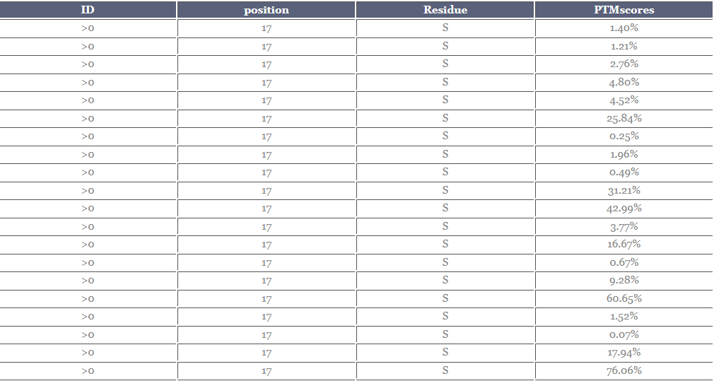

 |  |  |  |  |  |  |  |  |  |  |  | 0.0140
 |  |  |  |  |  |  |  |  |  |  |  | 0.0121
 |  |  |  |  |  |  |  |  |  |  |  | 0.0276
 |  |  |  |  |  |  |  |  |  |  |  | 0.0480
 |  |  |  |  |  |  |  |  |  |  |  | 0.0452
 |  |  |  |  |  |  |  |  |  |  |  | 0.2584
 |  |  |  |  |  |  |  |  |  |  |  | 0.0025
 |  |  |  |  |  |  |  |  |  |  |  | 0.0196
 |  |  |  |  |  |  |  |  |  |  |  | 0.0049
 |  |  |  |  |  |  |  |  |  |  |  | 0.3121
 |  |  |  |  |  |  |  |  |  |  |  | 0.4299
 |  |  |  |  |  |  |  |  |  |  |  | 0.0377
 |  |  |  |  |  |  |  |  |  |  |  | 0.1667
 |  |  |  |  |  | 87 |  |  |  |  |  | 0.0067
 |  |  |  |  |  |  |  |  |  |  |  | 0.0928
 |  |  |  |  |  |  |  |  |  |  |  | 0.6065
 |  |  |  |  |  |  |  |  |  |  |  | 0.0152
 |  |  |  |  |  |  |  |  |  |  |  | 0.0007
 |  |  |  |  |  |  |  |  |  |  |  | 0.1794
 |  |  |  |  |  |  |  |  |  |  |  | 0.7606

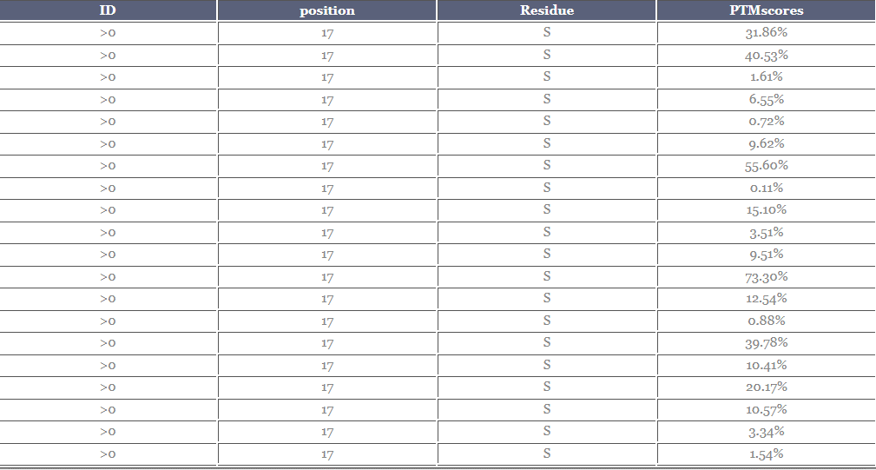

 |  |  |  |  |  |  |  |  |  |  |  | 0.3186
 |  |  |  |  |  |  |  |  |  |  |  | 0.4053
 |  |  |  |  |  |  |  |  |  |  |  | 0.0161
 |  |  |  |  |  |  |  |  |  |  |  | 0.0655
 |  |  |  |  |  |  |  |  |  |  |  | 0.0072
 |  |  |  |  |  |  |  |  |  |  |  | 0.0962
 |  |  |  |  |  |  |  |  |  |  |  | 0.5560
 |  |  |  |  |  |  |  |  |  |  |  | 0.0011
 |  |  |  |  |  |  |  |  |  |  |  | 0.1510
 |  |  |  |  |  |  |  |  |  |  |  | 0.0351
 |  |  |  |  |  |  |  |  |  |  |  | 0.0951
 |  |  |  |  |  |  |  |  |  |  |  | 0.7330
 |  |  |  |  |  |  |  |  |  |  |  | 0.1254
 |  |  |  |  |  | 88 |  |  |  |  |  | 0.0088
 |  |  |  |  |  |  |  |  |  |  |  | 0.3978
 |  |  |  |  |  |  |  |  |  |  |  | 0.1041
 |  |  |  |  |  |  |  |  |  |  |  | 0.2017
 |  |  |  |  |  |  |  |  |  |  |  | 0.1057
 |  |  |  |  |  |  |  |  |  |  |  | 0.0334
 |  |  |  |  |  |  |  |  |  |  |  | 0.0154

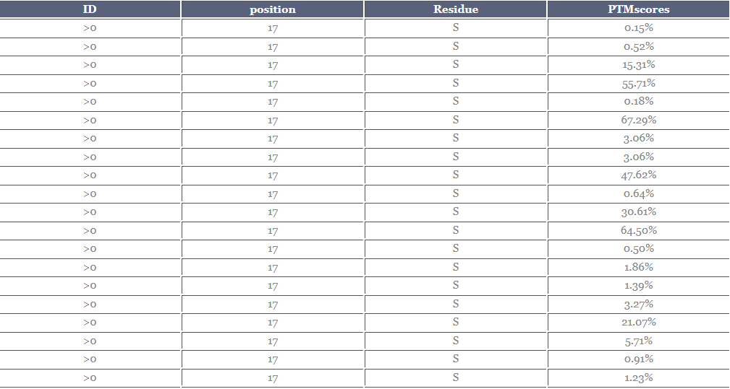

 |  |  |  |  |  |  |  |  |  |  |  | 0.0015
 |  |  |  |  |  |  |  |  |  |  |  | 0.0052
 |  |  |  |  |  |  |  |  |  |  |  | 0.1531
 |  |  |  |  |  |  |  |  |  |  |  | 0.5571
 |  |  |  |  |  |  |  |  |  |  |  | 0.0018
 |  |  |  |  |  |  |  |  |  |  |  | 0.6729
 |  |  |  |  |  |  |  |  |  |  |  | 0.0306
 |  |  |  |  |  |  |  |  |  |  |  | 0.0306
 |  |  |  |  |  |  |  |  |  |  |  | 0.4762
 |  |  |  |  |  |  |  |  |  |  |  | 0.0064
 |  |  |  |  |  |  |  |  |  |  |  | 0.3061
 |  |  |  |  |  |  |  |  |  |  |  | 0.6450
 |  |  |  |  |  |  |  |  |  |  |  | 0.0050
 |  |  |  |  |  |  |  |  |  |  |  | 0.0186
 |  |  |  |  |  |  |  |  |  |  |  | 0.0139
 |  |  |  |  |  |  |  |  |  |  |  | 0.0327
 |  |  |  |  |  |  |  |  |  |  |  | 0.2107
 |  |  |  |  |  |  |  |  |  |  |  | 0.0571
 |  |  |  |  |  |  |  |  |  |  |  | 0.0091
 |  |  |  |  |  | 89 |  |  |  |  |  | 0.0123

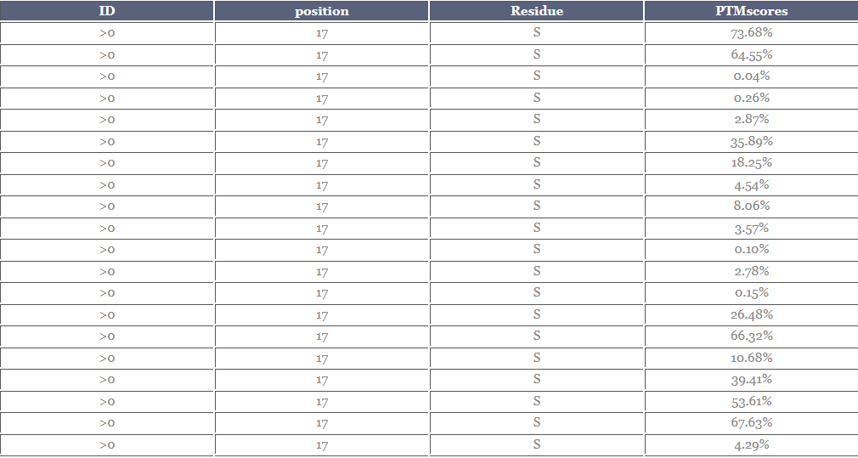

 |  |  |  |  |  |  |  |  |  |  |  | 0.7368
 |  |  |  |  |  |  |  |  |  |  |  | 0.6455
 |  |  |  |  |  |  |  |  |  |  |  | 0.0004
 |  |  |  |  |  |  |  |  |  |  |  | 0.0026
 |  |  |  |  |  |  |  |  |  |  |  | 0.0287
 |  |  |  |  |  |  |  |  |  |  |  | 0.3589
 |  |  |  |  |  |  |  |  |  |  |  | 0.1825
 |  |  |  |  |  |  |  |  |  |  |  | 0.0454
 |  |  |  |  |  |  |  |  |  |  |  | 0.0806
 |  |  |  |  |  |  |  |  |  |  |  | 0.0357
 |  |  |  |  |  |  |  |  |  |  |  | 0.0010
 |  |  |  |  |  |  |  |  |  |  |  | 0.0278
 |  |  |  |  |  |  |  |  |  |  |  | 0.0015
 |  |  |  |  |  |  |  |  |  |  |  | 0.2648
 |  |  |  |  |  | 90 |  |  |  |  |  | 0.6632
 |  |  |  |  |  |  |  |  |  |  |  | 0.1068
 |  |  |  |  |  |  |  |  |  |  |  | 0.3941
 |  |  |  |  |  |  |  |  |  |  |  | 0.5361
 |  |  |  |  |  |  |  |  |  |  |  | 0.6763
 |  |  |  |  |  |  |  |  |  |  |  | 0.0429

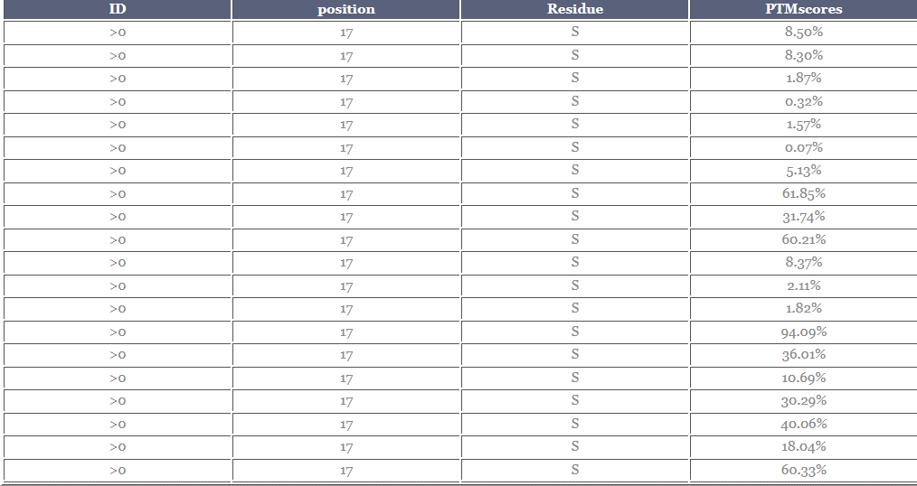

 |  |  |  |  |  |  |  |  |  |  |  | 0.0850
 |  |  |  |  |  |  |  |  |  |  |  | 0.0830
 |  |  |  |  |  |  |  |  |  |  |  | 0.0187
 |  |  |  |  |  |  |  |  |  |  |  | 0.0032
 |  |  |  |  |  |  |  |  |  |  |  | 0.0157
 |  |  |  |  |  |  |  |  |  |  |  | 0.0007
 |  |  |  |  |  |  |  |  |  |  |  | 0.0513
 |  |  |  |  |  |  |  |  |  |  |  | 0.6185
 |  |  |  |  |  |  |  |  |  |  |  | 0.3174
 |  |  |  |  |  | 91 |  |  |  |  |  | 0.6021
 |  |  |  |  |  |  |  |  |  |  |  | 0.0837
 |  |  |  |  |  |  |  |  |  |  |  | 0.0211
 |  |  |  |  |  |  |  |  |  |  |  | 0.0182
 |  |  |  |  |  |  |  |  |  |  |  | 0.9409
 |  |  |  |  |  |  |  |  |  |  |  | 0.3601
 |  |  |  |  |  |  |  |  |  |  |  | 0.1069
 |  |  |  |  |  |  |  |  |  |  |  | 0.3029
 |  |  |  |  |  |  |  |  |  |  |  | 0.4006
 |  |  |  |  |  |  |  |  |  |  |  | 0.1804
 |  |  |  |  |  |  |  |  |  |  |  | 0.6033

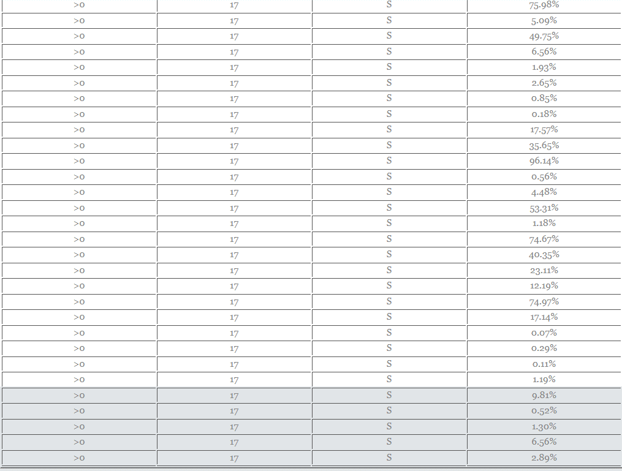

 |  |  |  |  |  |  |  |  |  |  |  | 0.7598
 |  |  |  |  |  |  |  |  |  |  |  | 0.0509
 |  |  |  |  |  |  |  |  |  |  |  | 0.4975
 |  |  |  |  |  |  |  |  |  |  |  | 0.0656
 |  |  |  |  |  |  |  |  |  |  |  | 0.0193
 |  |  |  |  |  |  |  |  |  |  |  | 0.0265
 |  |  |  |  |  |  |  |  |  |  |  | 0.0085
 |  |  |  |  |  |  |  |  |  |  |  | 0.0018
 |  |  |  |  |  |  |  |  |  |  |  | 0.1757
 |  |  |  |  |  |  |  |  |  |  |  | 0.3565
 |  |  |  |  |  |  |  |  |  |  |  | 0.9614
 |  |  |  |  |  |  |  |  |  |  |  | 0.0056
 |  |  |  |  |  |  |  |  |  |  |  | 0.0448
 |  |  |  |  |  |  |  |  |  |  |  | 0.5331
 |  |  |  |  |  |  |  |  |  |  |  | 0.0118
 |  |  |  |  |  |  |  |  |  |  |  | 0.7467
 |  |  |  |  |  |  |  |  |  |  |  | 0.4035
 |  |  |  |  |  | 92 |  |  |  |  |  | 0.2311
 |  |  |  |  |  |  |  |  |  |  |  | 0.1219
 |  |  |  |  |  |  |  |  |  |  |  | 0.7497
 |  |  |  |  |  |  |  |  |  |  |  | 0.1714
 |  |  |  |  |  |  |  |  |  |  |  | 0.0007
 |  |  |  |  |  |  |  |  |  |  |  | 0.0029
 |  |  |  |  |  |  |  |  |  |  |  | 0.0011
 |  |  |  |  |  |  |  |  |  |  |  | 0.0119
 |  |  |  |  |  |  |  |  |  |  |  | 0.0981
 |  |  |  |  |  |  |  |  |  |  |  | 0.0052
 |  |  |  |  |  |  |  |  |  |  |  | 0.0130
 |  |  |  |  |  |  |  |  |  |  |  | 0.0656

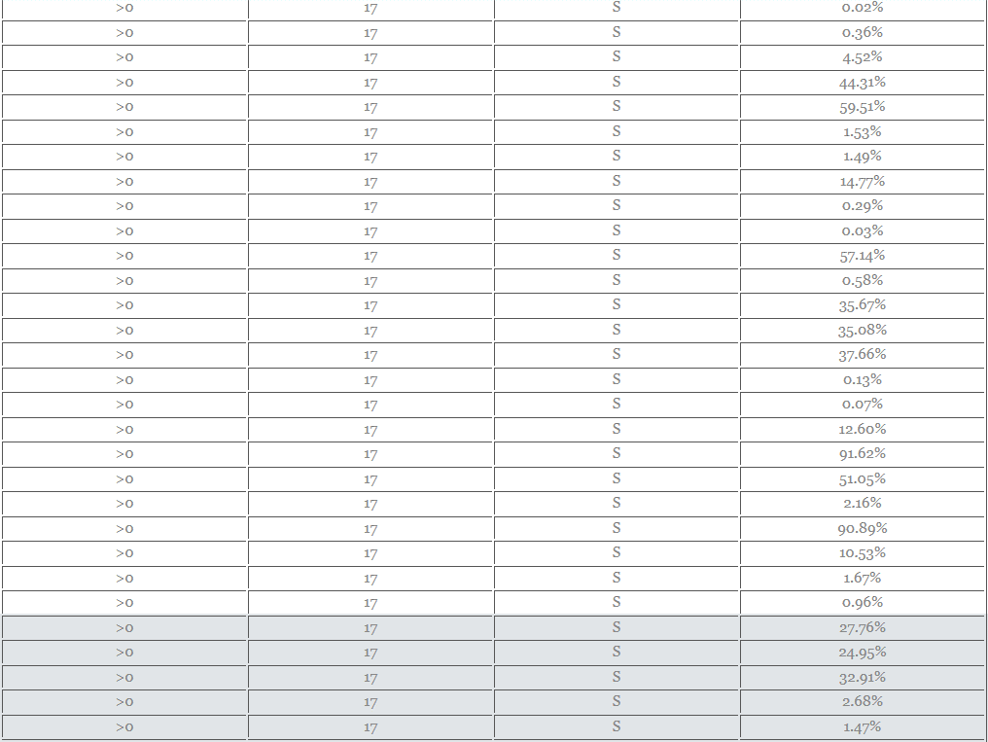

 |  |  |  |  |  |  |  |  |  |  |  | 0.0289
 |  |  |  |  |  |  |  |  |  |  |  | 0.0002
 |  |  |  |  |  |  |  |  |  |  |  | 0.0036
 |  |  |  |  |  |  |  |  |  |  |  | 0.0452
 |  |  |  |  |  |  |  |  |  |  |  | 0.4431
 |  |  |  |  |  |  |  |  |  |  |  | 0.5951
 |  |  |  |  |  |  |  |  |  |  |  | 0.0153
 |  |  |  |  |  |  |  |  |  |  |  | 0.0149
 |  |  |  |  |  |  |  |  |  |  |  | 0.1477
 |  |  |  |  |  |  |  |  |  |  |  | 0.0029
 |  |  |  |  |  |  |  |  |  |  |  | 0.0003
 |  |  |  |  |  |  |  |  |  |  |  | 0.5714
 |  |  |  |  |  |  |  |  |  |  |  | 0.0058
 |  |  |  |  |  |  |  |  |  |  |  | 0.3567
 |  |  |  |  |  |  |  |  |  |  |  | 0.3508
 |  |  |  |  |  |  |  |  |  |  |  | 0.3766
 |  |  |  |  |  |  |  |  |  |  |  | 0.0013
 |  |  |  |  |  |  |  |  |  |  |  | 0.0007
 |  |  |  |  |  | 93 |  |  |  |  |  | 0.1260
 |  |  |  |  |  |  |  |  |  |  |  | 0.9162
 |  |  |  |  |  |  |  |  |  |  |  | 0.5105
 |  |  |  |  |  |  |  |  |  |  |  | 0.0216
 |  |  |  |  |  |  |  |  |  |  |  | 0.9089
 |  |  |  |  |  |  |  |  |  |  |  | 0.1053
 |  |  |  |  |  |  |  |  |  |  |  | 0.0167
 |  |  |  |  |  |  |  |  |  |  |  | 0.0096

 |  |  |  |  |  |  |  |  |  |  |  | 0.2776
 |  |  |  |  |  |  |  |  |  |  |  | 0.2495
 |  |  |  |  |  |  |  |  |  |  |  | 0.3291
 |  |  |  |  |  |  |  |  |  |  |  | 0.0268
 |  |  |  |  |  |  |  |  |  |  |  | 0.0147
 |  |  |  |  |  |  |  |  |  |  |  | 0.1493
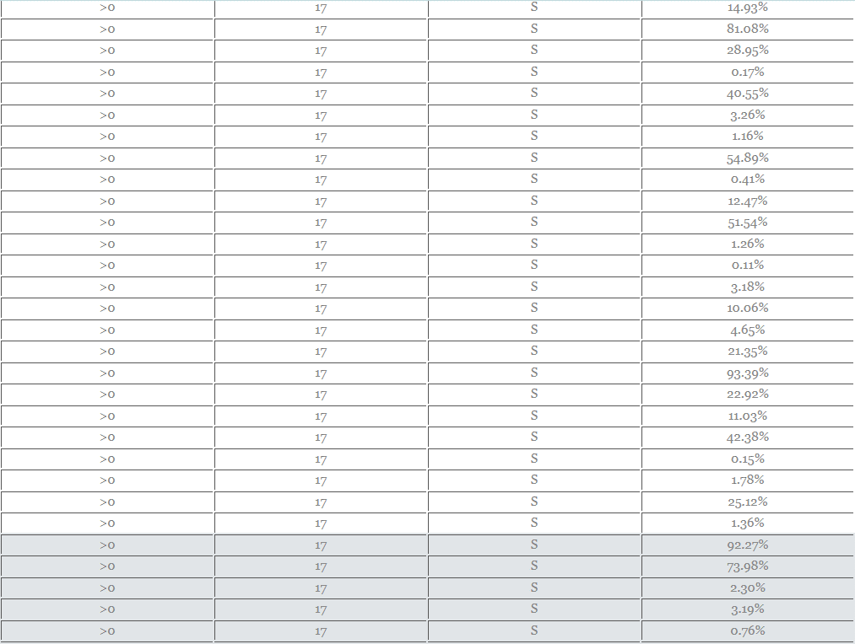
 |  |  |  |  |  |  |  |  |  |  |  | 0.8108
 |  |  |  |  |  |  |  |  |  |  |  | 0.2895
 |  |  |  |  |  |  |  |  |  |  |  | 0.0017
 |  |  |  |  |  |  |  |  |  |  |  | 0.4055
 |  |  |  |  |  |  |  |  |  |  |  | 0.0326
 |  |  |  |  |  |  |  |  |  |  |  | 0.0116
 |  |  |  |  |  |  |  |  |  |  |  | 0.5489
 |  |  |  |  |  |  |  |  |  |  |  | 0.0041
 |  |  |  |  |  |  |  |  |  |  |  | 0.1247
 |  |  |  |  |  |  |  |  |  |  |  | 0.5154
 |  |  |  |  |  |  |  |  |  |  |  | 0.0126
 |  |  |  |  |  |  |  |  |  |  |  | 0.0011
 |  |  |  |  |  |  |  |  |  |  |  | 0.0318
 |  |  |  |  |  | 94 |  |  |  |  |  | 0.1006
 |  |  |  |  |  |  |  |  |  |  |  | 0.0465
 |  |  |  |  |  |  |  |  |  |  |  | 0.2135
 |  |  |  |  |  |  |  |  |  |  |  | 0.9339
 |  |  |  |  |  |  |  |  |  |  |  | 0.2292
 |  |  |  |  |  |  |  |  |  |  |  | 0.1103
 |  |  |  |  |  |  |  |  |  |  |  | 0.4238
 |  |  |  |  |  |  |  |  |  |  |  | 0.0015
 |  |  |  |  |  |  |  |  |  |  |  | 0.0178
 |  |  |  |  |  |  |  |  |  |  |  | 0.2512

 |  |  |  |  |  |  |  |  |  |  |  | 0.0136
 |  |  |  |  |  |  |  |  |  |  |  | 0.9227
 |  |  |  |  |  |  |  |  |  |  |  | 0.7398
 |  |  |  |  |  |  |  |  |  |  |  | 0.0230
 |  |  |  |  |  |  |  |  |  |  |  | 0.0319
 |  |  |  |  |  |  |  |  |  |  |  | 0.0076
 |  |  |  |  |  |  |  |  |  |  |  | 0.7431
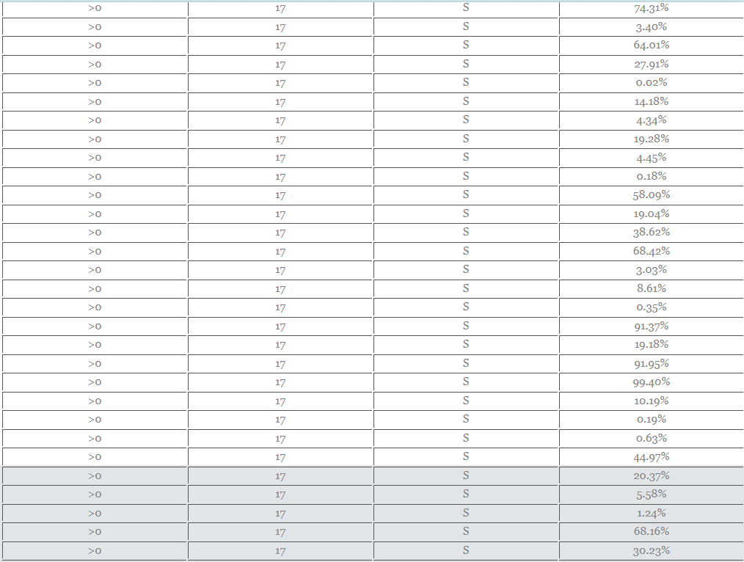
 |  |  |  |  |  |  |  |  |  |  |  | 0.0340
 |  |  |  |  |  |  |  |  |  |  |  | 0.6401
 |  |  |  |  |  |  |  |  |  |  |  | 0.2791
 |  |  |  |  |  |  |  |  |  |  |  | 0.0002
 |  |  |  |  |  |  |  |  |  |  |  | 0.1418
 |  |  |  |  |  |  |  |  |  |  |  | 0.0434
 |  |  |  |  |  |  |  |  |  |  |  | 0.1928
 |  |  |  |  |  |  |  |  |  |  |  | 0.0445
 |  |  |  |  |  |  |  |  |  |  |  | 0.0018
 |  |  |  |  |  |  |  |  |  |  |  | 0.5809
 |  |  |  |  |  |  |  |  |  |  |  | 0.1904
 |  |  |  |  |  |  |  |  |  |  |  | 0.3862
 |  |  |  |  |  |  |  |  |  |  |  | 0.6842
 |  |  |  |  |  |  |  |  |  |  |  | 0.0303
 |  |  |  |  |  |  |  |  |  |  |  | 0.0861
 |  |  |  |  |  |  |  |  |  |  |  | 0.0035
 |  |  |  |  |  |  |  |  |  |  |  | 0.9137
 |  |  |  |  |  |  |  |  |  |  |  | 0.1918
 |  |  |  |  |  |  |  |  |  |  |  | 0.9195
 |  |  |  |  |  |  |  |  |  |  |  | 0.9940
 |  |  |  |  |  | 95

 |  |  |  |  |  |  |  |  |  |  |  | 0.1019
 |  |  |  |  |  |  |  |  |  |  |  | 0.0019
 |  |  |  |  |  |  |  |  |  |  |  | 0.0063
 |  |  |  |  |  |  |  |  |  |  |  | 0.4497
 |  |  |  |  |  |  |  |  |  |  |  | 0.2037
 |  |  |  |  |  |  |  |  |  |  |  | 0.0558
 |  |  |  |  |  |  |  |  |  |  |  | 0.0124
 |  |  |  |  |  |  |  |  |  |  |  | 0.6816
 |  |  |  |  |  |  |  |  |  |  |  | 0.3023
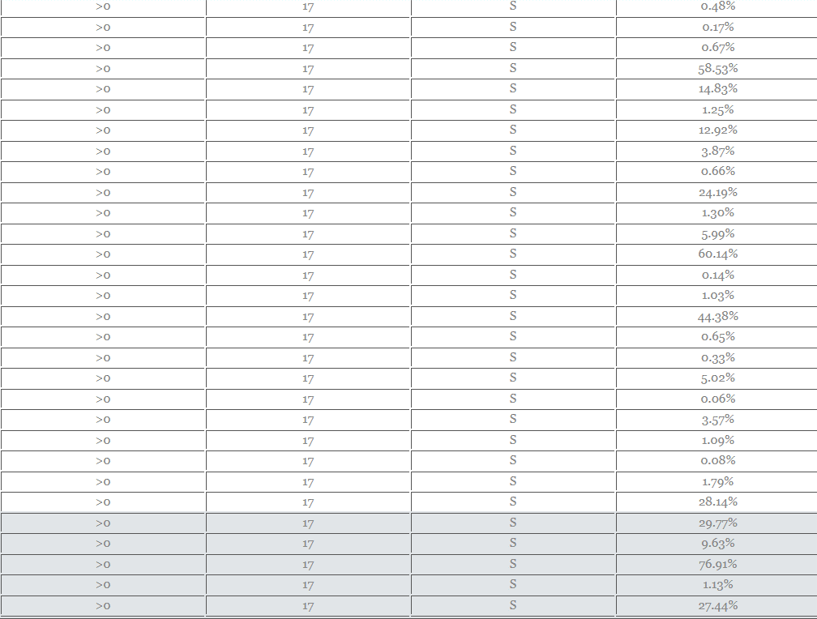
 |  |  |  |  |  |  |  |  |  |  |  | 0.0048
 |  |  |  |  |  |  |  |  |  |  |  | 0.0017
 |  |  |  |  |  |  |  |  |  |  |  | 0.0067
 |  |  |  |  |  |  |  |  |  |  |  | 0.5853
 |  |  |  |  |  |  |  |  |  |  |  | 0.1483
 |  |  |  |  |  |  |  |  |  |  |  | 0.0125
 |  |  |  |  |  |  |  |  |  |  |  | 0.1292
 |  |  |  |  |  |  |  |  |  |  |  | 0.0387
 |  |  |  |  |  |  |  |  |  |  |  | 0.0066
 |  |  |  |  |  |  |  |  |  |  |  | 0.2419
 |  |  |  |  |  |  |  |  |  |  |  | 0.0130
 |  |  |  |  |  |  |  |  |  |  |  | 0.0599
 |  |  |  |  |  |  |  |  |  |  |  | 0.6014
 |  |  |  |  |  |  |  |  |  |  |  | 0.0014
 |  |  |  |  |  |  |  |  |  |  |  | 0.0103
 |  |  |  |  |  |  |  |  |  |  |  | 0.4438
 |  |  |  |  |  |  |  |  |  |  |  | 0.0065
 |  |  |  |  |  |  |  |  |  |  |  | 0.0033
 |  |  |  |  |  |  |  |  |  |  |  | 0.0502
 |  |  |  |  |  |  |  |  |  |  |  | 0.0006

 |  |  |  |  |  |  |  |  |  |  |  | 0.0357
 |  |  |  |  |  |  |  |  |  |  |  | 0.0109
 |  |  |  |  |  |  |  |  |  |  |  | 0.0008
 |  |  |  |  |  |  |  |  |  |  |  | 0.0179
 |  |  |  |  |  |  |  |  |  |  |  | 0.2814
 |  |  |  |  |  |  |  |  |  |  |  | 0.2977
 |  |  |  |  |  |  |  |  |  |  |  | 0.0963
 |  |  |  |  |  |  |  |  |  |  |  | 0.7691
 |  |  |  |  |  |  |  |  |  |  |  | 0.0113
 |  |  |  |  |  |  |  |  |  |  |  | 0.2744
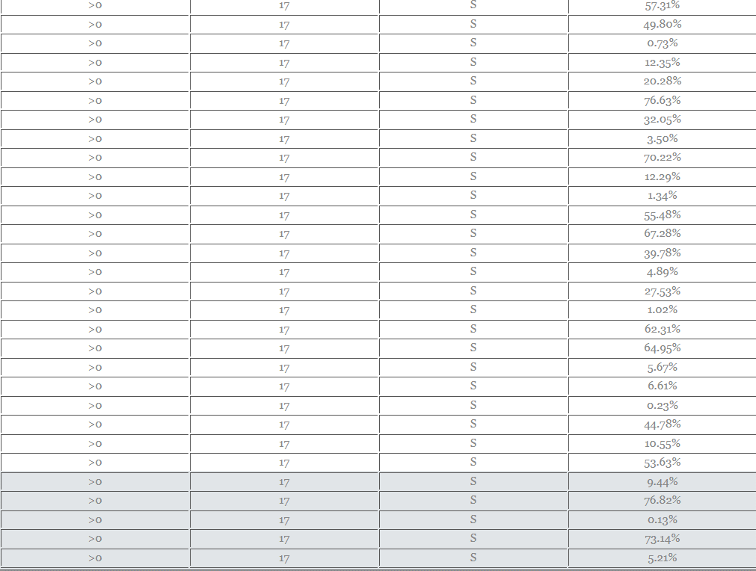
 |  |  |  |  |  |  |  |  |  |  |  | 0.5731
 |  |  |  |  |  |  |  |  |  |  |  | 0.4980
 |  |  |  |  |  |  |  |  |  |  |  | 0.0073
 |  |  |  |  |  |  |  |  |  |  |  | 0.1235
 |  |  |  |  |  |  |  |  |  |  |  | 0.2028
 |  |  |  |  |  |  |  |  |  |  |  | 0.7663
 |  |  |  |  |  |  |  |  |  |  |  | 0.3205
 |  |  |  |  |  |  |  |  |  |  |  | 0.0350
 |  |  |  |  |  |  |  |  |  |  |  | 0.7022
 |  |  |  |  |  |  |  |  |  |  |  | 0.1229
 |  |  |  |  |  |  |  |  |  |  |  | 0.0134
 |  |  |  |  |  |  |  |  |  |  |  | 0.5548
 |  |  |  |  |  |  |  |  |  |  |  | 0.6728
 |  |  |  |  |  |  |  |  |  |  |  | 0.3978
 |  |  |  |  |  |  |  |  |  |  |  | 0.0489
 |  |  |  |  |  |  |  |  |  |  |  | 0.2753
 |  |  |  |  |  |  |  |  |  |  |  | 0.0102
 |  |  |  |  |  |  |  |  |  |  |  | 0.6231
 |  |  |  |  |  |  |  |  |  |  |  | 0.6495

 |  |  |  |  |  |  |  |  |  |  |  | 0.0567
 |  |  |  |  |  |  |  |  |  |  |  | 0.0661
 |  |  |  |  |  |  |  |  |  |  |  | 0.0023
 |  |  |  |  |  |  |  |  |  |  |  | 0.4478
 |  |  |  |  |  |  |  |  |  |  |  | 0.1055
 |  |  |  |  |  |  |  |  |  |  |  | 0.5363
 |  |  |  |  |  |  |  |  |  |  |  | 0.0944
 |  |  |  |  |  |  |  |  |  |  |  | 0.7682
 |  |  |  |  |  |  |  |  |  |  |  | 0.0013
 |  |  |  |  |  |  |  |  |  |  |  | 0.7314
 |  |  |  |  |  |  |  |  |  |  |  | 0.0521
 |  |  |  |  |  |  |  |  |  |  |  | 0.0028
 |  |  |  |  |  |  |  |  |  |  |  | 0.0475
 |  |  |  |  |  |  |  |  |  |  |  | 0.0163
 |  |  |  |  |  |  |  |  |  |  |  | 0.2536
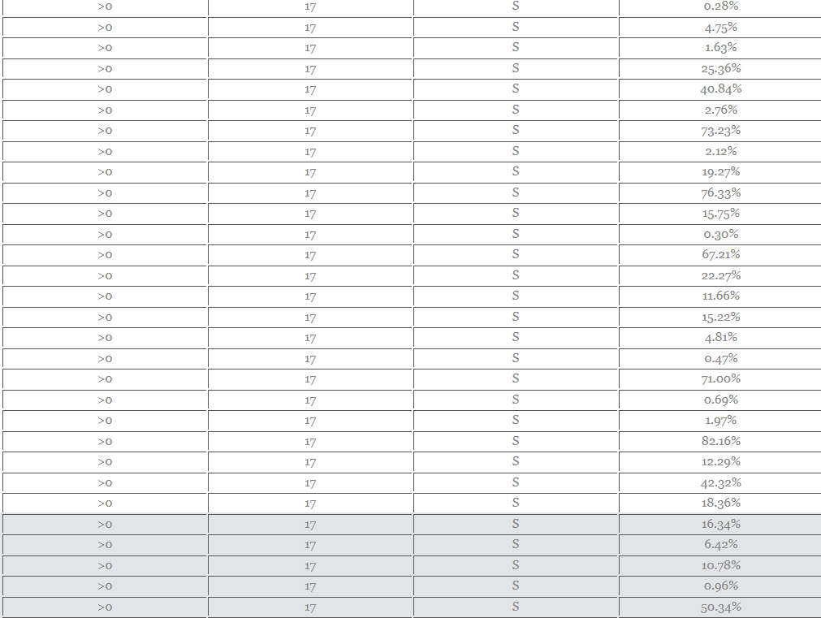
 |  |  |  |  |  |  |  |  |  |  |  | 0.4084
 |  |  |  |  |  |  |  |  |  |  |  | 0.0276
 |  |  |  |  |  |  |  |  |  |  |  | 0.7323
 |  |  |  |  |  |  |  |  |  |  |  | 0.0212
 |  |  |  |  |  |  |  |  |  |  |  | 0.1927
 |  |  |  |  |  |  |  |  |  |  |  | 0.7633
 |  |  |  |  |  |  |  |  |  |  |  | 0.1575
 |  |  |  |  |  |  |  |  |  |  |  | 0.0030
 |  |  |  |  |  |  |  |  |  |  |  | 0.6721
 |  |  |  |  |  |  |  |  |  |  |  | 0.2227
 |  |  |  |  |  |  |  |  |  |  |  | 0.1166
 |  |  |  |  |  |  |  |  |  |  |  | 0.1522
 |  |  |  |  |  |  |  |  |  |  |  | 0.0481

 |  |  |  |  |  |  |  |  |  |  |  | 0.0047
 |  |  |  |  |  |  |  |  |  |  |  | 0.7100
 |  |  |  |  |  |  |  |  |  |  |  | 0.0069
 |  |  |  |  |  |  |  |  |  |  |  | 0.0197
 |  |  |  |  |  |  |  |  |  |  |  | 0.8216
 |  |  |  |  |  |  |  |  |  |  |  | 0.1229
 |  |  |  |  |  |  |  |  |  |  |  | 0.4232
 |  |  |  |  |  |  |  |  |  |  |  | 0.1836
 |  |  |  |  |  |  |  |  |  |  |  | 0.1634
 |  |  |  |  |  |  |  |  |  |  |  | 0.0642
 |  |  |  |  |  |  |  |  |  |  |  | 0.1078
 |  |  |  |  |  |  |  |  |  |  |  | 0.0096
 |  |  |  |  |  |  |  |  |  |  |  | 0.5034
 |  |  |  |  |  |  |  |  |  |  |  | 0.1317
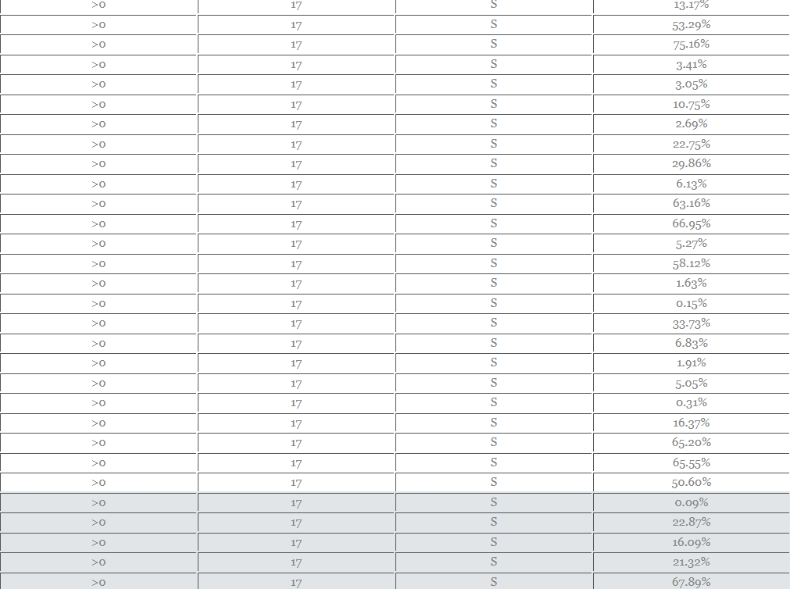
 |  |  |  |  |  |  |  |  |  |  |  | 0.5329
 |  |  |  |  |  |  |  |  |  |  |  | 0.7516
 |  |  |  |  |  |  |  |  |  |  |  | 0.0341
 |  |  |  |  |  |  |  |  |  |  |  | 0.0305
 |  |  |  |  |  |  |  |  |  |  |  | 0.1075
 |  |  |  |  |  |  |  |  |  |  |  | 0.0269
 |  |  |  |  |  |  |  |  |  |  |  | 0.2275
 |  |  |  |  |  |  |  |  |  |  |  | 0.2986
 |  |  |  |  |  |  |  |  |  |  |  | 0.0613
 |  |  |  |  |  |  |  |  |  |  |  | 0.6316
 |  |  |  |  |  |  |  |  |  |  |  | 0.6695
 |  |  |  |  |  |  |  |  |  |  |  | 0.0527
 |  |  |  |  |  |  |  |  |  |  |  | 0.5812

 |  |  |  |  |  |  |  |  |  |  |  | 0.0163
 |  |  |  |  |  |  |  |  |  |  |  | 0.0015
 |  |  |  |  |  |  |  |  |  |  |  | 0.3373
 |  |  |  |  |  |  |  |  |  |  |  | 0.0683
 |  |  |  |  |  |  |  |  |  |  |  | 0.0191
 |  |  |  |  |  |  |  |  |  |  |  | 0.0505
 |  |  |  |  |  |  |  |  |  |  |  | 0.0031
 |  |  |  |  |  |  |  |  |  |  |  | 0.1637
 |  |  |  |  |  |  |  |  |  |  |  | 0.6520
 |  |  |  |  |  |  |  |  |  |  |  | 0.6555
 |  |  |  |  |  |  |  |  |  |  |  | 0.5060
 |  |  |  |  |  |  |  |  |  |  |  | 0.0009
 |  |  |  |  |  |  |  |  |  |  |  | 0.2287
 |  |  |  |  |  |  |  |  |  |  |  | 0.1609
 |  |  |  |  |  |  |  |  |  |  |  | 0.2132
 |  |  |  |  |  |  |  |  |  |  |  | 0.6789
 |  |  |  |  |  |  |  |  |  |  |  | 0.0438
 |  |  |  |  |  |  |  |  |  |  |  | 0.0346
 |  |  |  |  |  |  |  |  |  |  |  | 0.6825
 |  |  |  |  |  |  |  |  |  |  |  | 0.0539
 |  |  |  |  |  |  |  |  |  |  |  | 0.0728
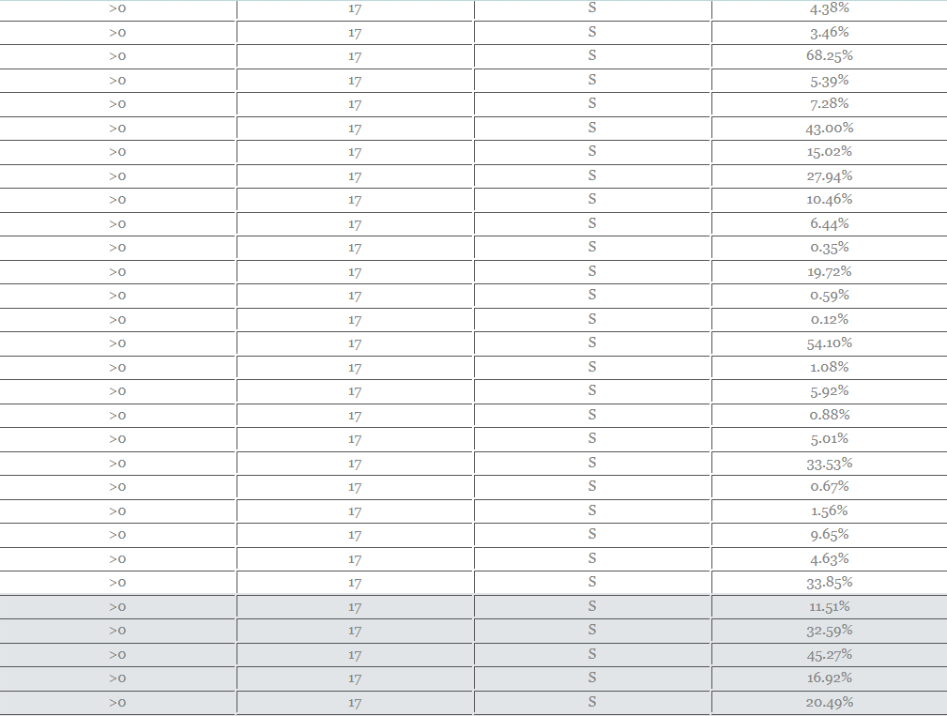
 |  |  |  |  |  |  |  |  |  |  |  | 0.4300
 |  |  |  |  |  |  |  |  |  |  |  | 0.1502
 |  |  |  |  |  |  |  |  |  |  |  | 0.2794
 |  |  |  |  |  |  |  |  |  |  |  | 0.1046
 |  |  |  |  |  |  |  |  |  |  |  | 0.0644

 |  |  |  |  |  |  |  |  |  |  |  | 0.0035
 |  |  |  |  |  |  |  |  |  |  |  | 0.1972
 |  |  |  |  |  |  |  |  |  |  |  | 0.0059
 |  |  |  |  |  |  |  |  |  |  |  | 0.0012
 |  |  |  |  |  |  |  |  |  |  |  | 0.5410
 |  |  |  |  |  |  |  |  |  |  |  | 0.0108
 |  |  |  |  |  |  |  |  |  |  |  | 0.0592
 |  |  |  |  |  |  |  |  |  |  |  | 0.0088
 |  |  |  |  |  |  |  |  |  |  |  | 0.0501
 |  |  |  |  |  |  |  |  |  |  |  | 0.3353
 |  |  |  |  |  |  |  |  |  |  |  | 0.0067
 |  |  |  |  |  |  |  |  |  |  |  | 0.0156
 |  |  |  |  |  |  |  |  |  |  |  | 0.0965
 |  |  |  |  |  |  |  |  |  |  |  | 0.0463
 |  |  |  |  |  |  |  |  |  |  |  | 0.3385
 |  |  |  |  |  |  |  |  |  |  |  | 0.1151
 |  |  |  |  |  |  |  |  |  |  |  | 0.3259
 |  |  |  |  |  |  |  |  |  |  |  | 0.4527
 |  |  |  |  |  |  |  |  |  |  |  | 0.1692
 |  |  |  |  |  |  |  |  |  |  |  | 0.2049
 |  |  |  |  |  |  |  |  |  |  |  | 0.1518
 |  |  |  |  |  |  |  |  |  |  |  | 0.3110
 |  |  |  |  |  |  |  |  |  |  |  | 0.0009
 |  |  |  |  |  |  |  |  |  |  |  | 0.0917
 |  |  |  |  |  |  |  |  |  |  |  | 0.7467
 |  |  |  |  |  |  |  |  |  |  |  | 0.0073
 |  |  |  |  |  |  |  |  |  |  |  | 0.0097

 |  |  |  |  |  |  |  |  |  |  |  | 0.1498

 |  |  |  |  |  |  |  |  |  |  |  | 0.6279
 |  |  |  |  |  |  |  |  |  |  |  | 0.7017
 |  |  |  |  |  |  |  |  |  |  |  | 0.0529
 |  |  |  |  |  |  |  |  |  |  |  | 0.2209
 |  |  |  |  |  |  |  |  |  |  |  | 0.0009
 |  |  |  |  |  |  |  |  |  |  |  | 0.1137
 |  |  |  |  |  |  |  |  |  |  |  | 0.1899
 |  |  |  |  |  |  |  |  |  |  |  | 0.0478
 |  |  |  |  |  |  |  |  |  |  |  | 0.8428
 |  |  |  |  |  |  |  |  |  |  |  | 0.6132
 |  |  |  |  |  |  |  |  |  |  |  | 0.0019
 |  |  |  |  |  |  |  |  |  |  |  | 0.0465
 |  |  |  |  |  |  |  |  |  |  |  | 0.9014
 |  |  |  |  |  |  |  |  |  |  |  | 0.0606
 |  |  |  |  |  |  |  |  |  |  |  | 0.0462
 |  |  |  |  |  |  |  |  |  |  |  | 0.0015
 |  |  |  |  |  |  |  |  |  |  |  | 0.3705
 |  |  |  |  |  |  |  |  |  |  |  | 0.0064
 |  |  |  |  |  |  |  |  |  |  |  | 0.0595
 |  |  |  |  |  |  |  |  |  |  |  | 0.0024
 |  |  |  |  |  |  |  |  |  |  |  | 0.0181
 |  |  |  |  |  |  |  |  |  |  |  | 0.0190
 |  |  |  |  |  |  |  |  |  |  |  | 0.6984
 |  |  |  |  |  |  |  |  |  |  |  | 0.5134
 |  |  |  |  |  |  |  |  |  |  |  | 0.9041
 |  |  |  |  |  |  |  |  |  |  |  | 0.4494
 |  |  |  |  |  |  |  |  |  |  |  | 0.3820
 |  |  |  |  |  |  |  |  |  |  |  | 0.0043


 |  |  |  |  |  |  |  |  |  |  |  | 0.0285
 |  |  |  |  |  |  |  |  |  |  |  | 0.0214
 |  |  |  |  |  |  |  |  |  |  |  | 0.8604
 |  |  |  |  |  |  |  |  |  |  |  | 0.0217
 |  |  |  |  |  |  |  |  |  |  |  | 0.1132
 |  |  |  |  |  |  |  |  |  |  |  | 0.1268
 |  |  |  |  |  |  |  |  |  |  |  | 0.4078
 |  |  |  |  |  |  |  |  |  |  |  | 0.0579
 |  |  |  |  |  |  |  |  |  |  |  | 0.8187
 |  |  |  |  |  |  |  |  |  |  |  | 0.0432
 |  |  |  |  |  |  |  |  |  |  |  | 0.0057
 |  |  |  |  |  |  |  |  |  |  |  | 0.4113
 |  |  |  |  |  |  |  |  |  |  |  | 0.0257
 |  |  |  |  |  |  |  |  |  |  |  | 0.8211
 |  |  |  |  |  |  |  |  |  |  |  | 0.1877
 |  |  |  |  |  |  |  |  |  |  |  | 0.0144
 |  |  |  |  |  |  |  |  |  |  |  | 0.0672
 |  |  |  |  |  |  |  |  |  |  |  | 0.2114
 |  |  |  |  |  |  |  |  |  |  |  | 0.5474
 |  |  |  |  |  |  |  |  |  |  |  | 0.0135
 |  |  |  |  |  |  |  |  |  |  |  | 0.0002
 |  |  |  |  |  |  |  |  |  |  |  | 0.0275
 |  |  |  |  |  |  |  |  |  |  |  | 0.0113
 |  |  |  |  |  |  |  |  |  |  |  | 0.0110
 |  |  |  |  |  |  |  |  |  |  |  | 0.0293
 |  |  |  |  |  |  |  |  |  |  |  | 0.0169
 |  |  |  |  |  |  |  |  |  |  |  | 0.0660
 |  |  |  |  |  |  |  |  |  |  |  | 0.0013



 |  |  |  |  |  |  |  |  |  |  |  | 0.0060
 |  |  |  |  |  |  |  |  |  |  |  | 0.0094
 |  |  |  |  |  |  |  |  |  |  |  | 0.9541
 |  |  |  |  |  |  |  |  |  |  |  | 0.2309
 |  |  |  |  |  |  |  |  |  |  |  | 0.0011
 |  |  |  |  |  |  |  |  |  |  |  | 0.7712
 |  |  |  |  |  |  |  |  |  |  |  | 0.9930
 |  |  |  |  |  |  |  |  |  |  |  | 0.0052
 |  |  |  |  |  |  |  |  |  |  |  | 0.2929
 |  |  |  |  |  |  |  |  |  |  |  | 0.2899
 |  |  |  |  |  |  |  |  |  |  |  | 0.5490
 |  |  |  |  |  |  |  |  |  |  |  | 0.0088
 |  |  |  |  |  |  |  |  |  |  |  | 0.2103
 |  |  |  |  |  |  |  |  |  |  |  | 0.0030
 |  |  |  |  |  |  |  |  |  |  |  | 0.1248
 |  |  |  |  |  |  |  |  |  |  |  | 0.0047
 |  |  |  |  |  |  |  |  |  |  |  | 0.8597
 |  |  |  |  |  |  |  |  |  |  |  | 0.1041
 |  |  |  |  |  |  |  |  |  |  |  | 0.0102
 |  |  |  |  |  |  |  |  |  |  |  | 0.7208
 |  |  |  |  |  |  |  |  |  |  |  | 0.0822
 |  |  |  |  |  |  |  |  |  |  |  | 0.0091
 |  |  |  |  |  |  |  |  |  |  |  | 0.0459
 |  |  |  |  |  |  |  |  |  |  |  | 0.0987
 |  |  |  |  |  |  |  |  |  |  |  | 0.1495
 |  |  |  |  |  |  |  |  |  |  |  | 0.0008
 |  |  |  |  |  |  |  |  |  |  |  | 0.0749
 |  |  |  |  |  |  |  |  |  |  |  | 0.0032



 |  |  |  |  |  |  |  |  |  |  |  | 0.0256
 |  |  |  |  |  |  |  |  |  |  |  | 0.6196
 |  |  |  |  |  |  |  |  |  |  |  | 0.0262
 |  |  |  |  |  |  |  |  |  |  |  | 0.0585
 |  |  |  |  |  |  |  |  |  |  |  | 0.0638
 |  |  |  |  |  |  |  |  |  |  |  | 0.2547
 |  |  |  |  |  |  |  |  |  |  |  | 0.8476
 |  |  |  |  |  |  |  |  |  |  |  | 0.0289
 |  |  |  |  |  |  |  |  |  |  |  | 0.0038
 |  |  |  |  |  |  |  |  |  |  |  | 0.0112
 |  |  |  |  |  |  |  |  |  |  |  | 0.0506
 |  |  |  |  |  |  |  |  |  |  |  | 0.9392
 |  |  |  |  |  |  |  |  |  |  |  | 0.4100
 |  |  |  |  |  |  |  |  |  |  |  | 0.0054
 |  |  |  |  |  |  |  |  |  |  |  | 0.1906
 |  |  |  |  |  |  |  |  |  |  |  | 0.0014
 |  |  |  |  |  |  |  |  |  |  |  | 0.0136
 |  |  |  |  |  |  |  |  |  |  |  | 0.0125
 |  |  |  |  |  |  |  |  |  |  |  | 0.8500
 |  |  |  |  |  |  |  |  |  |  |  | 0.0022
 |  |  |  |  |  |  |  |  |  |  |  | 0.0227
 |  |  |  |  |  |  |  |  |  |  |  | 0.3195
 |  |  |  |  |  |  |  |  |  |  |  | 0.0039
 |  |  |  |  |  |  |  |  |  |  |  | 0.0039
 |  |  |  |  |  |  |  |  |  |  |  | 0.0040
 |  |  |  |  |  |  |  |  |  |  |  | 0.1754
 |  |  |  |  |  |  |  |  |  |  |  | 0.7175
 |  |  |  |  |  |  |  |  |  |  |  | 0.0026



 |  |  |  |  |  |  |  |  |  |  |  | 0.4300
 |  |  |  |  |  |  |  |  |  |  |  | 0.0081
 |  |  |  |  |  |  |  |  |  |  |  | 0.0482
 |  |  |  |  |  |  |  |  |  |  |  | 0.0188
 |  |  |  |  |  |  |  |  |  |  |  | 0.0343
 |  |  |  |  |  |  |  |  |  |  |  | 0.9279
 |  |  |  |  |  |  |  |  |  |  |  | 0.3112
 |  |  |  |  |  |  |  |  |  |  |  | 0.1882
 |  |  |  |  |  |  |  |  |  |  |  | 0.0752
 |  |  |  |  |  |  |  |  |  |  |  | 0.0021
 |  |  |  |  |  |  |  |  |  |  |  | 0.0524
 |  |  |  |  |  |  |  |  |  |  |  | 0.0162
 |  |  |  |  |  |  |  |  |  |  |  | 0.7228
 |  |  |  |  |  |  |  |  |  |  |  | 0.6252
 |  |  |  |  |  |  |  |  |  |  |  | 0.0077
 |  |  |  |  |  |  |  |  |  |  |  | 0.4122
 |  |  |  |  |  |  |  |  |  |  |  | 0.1419
 |  |  |  |  |  |  |  |  |  |  |  | 0.3425
 |  |  |  |  |  |  |  |  |  |  |  | 0.0212
 |  |  |  |  |  |  |  |  |  |  |  | 0.6765
 |  |  |  |  |  |  |  |  |  |  |  | 0.0486
 |  |  |  |  |  |  |  |  |  |  |  | 0.0499
 |  |  |  |  |  |  |  |  |  |  |  | 0.9718
 |  |  |  |  |  |  |  |  |  |  |  | 0.1857
 |  |  |  |  |  |  |  |  |  |  |  | 0.0606
 |  |  |  |  |  |  |  |  |  |  |  | 0.0421
 |  |  |  |  |  |  |  |  |  |  |  | 0.0014

 |  |  |  |  |  |  |  |  |  |  |  | 0.2009
 |  |  |  |  |  |  |  |  |  |  |  | 0.1066
 |  |  |  |  |  |  |  |  |  |  |  | 0.1998

 |  |  |  |  |  |  |  |  |  |  |  | 0.4870
 |  |  |  |  |  |  |  |  |  |  |  | 0.1084
 |  |  |  |  |  |  |  |  |  |  |  | 0.5881
 |  |  |  |  |  |  |  |  |  |  |  | 0.1345
 |  |  |  |  |  |  |  |  |  |  |  | 0.0388
 |  |  |  |  |  |  |  |  |  |  |  | 0.6363
 |  |  |  |  |  |  |  |  |  |  |  | 0.4757
 |  |  |  |  |  |  |  |  |  |  |  | 0.0562
 |  |  |  |  |  |  |  |  |  |  |  | 0.0998
 |  |  |  |  |  |  |  |  |  |  |  | 0.0740
 |  |  |  |  |  |  |  |  |  |  |  | 0.3180
 |  |  |  |  |  |  |  |  |  |  |  | 0.5835
 |  |  |  |  |  |  |  |  |  |  |  | 0.0019
 |  |  |  |  |  |  |  |  |  |  |  | 0.0008
 |  |  |  |  |  |  |  |  |  |  |  | 0.0297
 |  |  |  |  |  |  |  |  |  |  |  | 0.0077
 |  |  |  |  |  |  |  |  |  |  |  | 0.4223
 |  |  |  |  |  |  |  |  |  |  |  | 0.0404
 |  |  |  |  |  |  |  |  |  |  |  | 0.0254
 |  |  |  |  |  |  |  |  |  |  |  | 0.5259
 |  |  |  |  |  |  |  |  |  |  |  | 0.4664
 |  |  |  |  |  |  |  |  |  |  |  | 0.3452
 |  |  |  |  |  |  |  |  |  |  |  | 0.0213
 |  |  |  |  |  |  |  |  |  |  |  | 0.1381
 |  |  |  |  |  |  |  |  |  |  |  | 0.0015



 |  |  |  |  |  |  |  |  |  |  |  | 0.4465
 |  |  |  |  |  |  |  |  |  |  |  | 0.0213
 |  |  |  |  |  |  |  |  |  |  |  | 0.0055
 |  |  |  |  |  |  |  |  |  |  |  | 0.0196
 |  |  |  |  |  |  |  |  |  |  |  | 0.4175
 |  |  |  |  |  |  |  |  |  |  |  | 0.4900
 |  |  |  |  |  |  |  |  |  |  |  | 0.6907
 |  |  |  |  |  |  |  |  |  |  |  | 0.0084
 |  |  |  |  |  |  |  |  |  |  |  | 0.2960
 |  |  |  |  |  |  |  |  |  |  |  | 0.0416
 |  |  |  |  |  |  |  |  |  |  |  | 0.0003
 |  |  |  |  |  |  |  |  |  |  |  | 0.1621
 |  |  |  |  |  |  |  |  |  |  |  | 0.0950
 |  |  |  |  |  |  |  |  |  |  |  | 0.1451
 |  |  |  |  |  |  |  |  |  |  |  | 0.0068
 |  |  |  |  |  |  |  |  |  |  |  | 0.9586
 |  |  |  |  |  |  |  |  |  |  |  | 0.0038
 |  |  |  |  |  |  |  |  |  |  |  | 0.1155
 |  |  |  |  |  |  |  |  |  |  |  | 0.1225
 |  |  |  |  |  |  |  |  |  |  |  | 0.2002
 |  |  |  |  |  |  |  |  |  |  |  | 0.0093
 |  |  |  |  |  |  |  |  |  |  |  | 0.3753
 |  |  |  |  |  |  |  |  |  |  |  | 0.0530
 |  |  |  |  |  |  |  |  |  |  |  | 0.0614
 |  |  |  |  |  |  |  |  |  |  |  | 0.1394
 |  |  |  |  |  |  |  |  |  |  |  | 0.1092
 |  |  |  |  |  |  |  |  |  |  |  | 0.2162
 |  |  |  |  |  |  |  |  |  |  |  | 0.2184

 |  |  |  |  |  |  |  |  |  |  |  | 0.0059
 |  |  |  |  |  |  |  |  |  |  |  | 0.0343
 |  |  |  |  |  |  |  |  |  |  |  | 0.0208
 |  |  |  |  |  |  |  |  |  |  |  | 0.0015
 |  |  |  |  |  |  |  |  |  |  |  | 0.0007
 |  |  |  |  |  |  |  |  |  |  |  | 0.1730
 |  |  |  |  |  |  |  |  |  |  |  | 0.3147

 |  |  |  |  |  |  |  |  |  |  |  | 0.0338
 |  |  |  |  |  |  |  |  |  |  |  | 0.0089
 |  |  |  |  |  |  |  |  |  |  |  | 0.0093
 |  |  |  |  |  |  |  |  |  |  |  | 0.0140
 |  |  |  |  |  |  |  |  |  |  |  | 0.0027
 |  |  |  |  |  |  |  |  |  |  |  | 0.3956
 |  |  |  |  |  |  |  |  |  |  |  | 0.0860
 |  |  |  |  |  |  |  |  |  |  |  | 0.2737
 |  |  |  |  |  |  |  |  |  |  |  | 0.0111
 |  |  |  |  |  |  |  |  |  |  |  | 0.2460
 |  |  |  |  |  |  |  |  |  |  |  | 0.0092
 |  |  |  |  |  |  |  |  |  |  |  | 0.0071
 |  |  |  |  |  |  |  |  |  |  |  | 0.3074
 |  |  |  |  |  |  |  |  |  |  |  | 0.9265
 |  |  |  |  |  |  |  |  |  |  |  | 0.4682
 |  |  |  |  |  |  |  |  |  |  |  | 0.1003
 |  |  |  |  |  |  |  |  |  |  |  | 0.6075
 |  |  |  |  |  |  |  |  |  |  |  | 0.0272
 |  |  |  |  |  |  |  |  |  |  |  | 0.2213

 |  |  |  |  |  |  |  |  |  |  |  | 0.1026
 |  |  |  |  |  |  |  |  |  |  |  | 0.4193
 |  |  |  |  |  |  |  |  |  |  |  | 0.5663
 |  |  |  |  |  |  |  |  |  |  |  | 0.0482
 |  |  |  |  |  |  |  |  |  |  |  | 0.1316
 |  |  |  |  |  |  |  |  |  |  |  | 0.7198
 |  |  |  |  |  |  |  |  |  |  |  | 0.0080
 |  |  |  |  |  |  |  |  |  |  |  | 0.3503
 |  |  |  |  |  |  |  |  |  |  |  | 0.7359
 |  |  |  |  |  |  |  |  |  |  |  | 0.6349

 |  |  |  |  |  |  |  |  |  |  |  | 0.0372
 |  |  |  |  |  |  |  |  |  |  |  | 0.2515
 |  |  |  |  |  |  |  |  |  |  |  | 0.5902
 |  |  |  |  |  |  |  |  |  |  |  | 0.0179
 |  |  |  |  |  |  |  |  |  |  |  | 0.0690
 |  |  |  |  |  |  |  |  |  |  |  | 0.0054
 |  |  |  |  |  |  |  |  |  |  |  | 0.0280
 |  |  |  |  |  |  |  |  |  |  |  | 0.8257
 |  |  |  |  |  |  |  |  |  |  |  | 0.1164
 |  |  |  |  |  |  |  |  |  |  |  | 0.3816
 |  |  |  |  |  |  |  |  |  |  |  | 0.1482
 |  |  |  |  |  |  |  |  |  |  |  | 0.0003
 |  |  |  |  |  |  |  |  |  |  |  | 0.0354
 |  |  |  |  |  |  |  |  |  |  |  | 0.9292
 |  |  |  |  |  |  |  |  |  |  |  | 0.0131
 |  |  |  |  |  |  |  |  |  |  |  | 0.1611
 |  |  |  |  |  |  |  |  |  |  |  | 0.0135
 |  |  |  |  |  |  |  |  |  |  |  | 0.1949

 |  |  |  |  |  |  |  |  |  |  |  | 0.0089
 |  |  |  |  |  |  |  |  |  |  |  | 0.0757
 |  |  |  |  |  |  |  |  |  |  |  | 0.0018
 |  |  |  |  |  |  |  |  |  |  |  | 0.3014
 |  |  |  |  |  |  |  |  |  |  |  | 0.0103
 |  |  |  |  |  |  |  |  |  |  |  | 0.7560

 |  |  |  |  |  |  |  |  |  |  |  | 0.1931
 |  |  |  |  |  |  |  |  |  |  |  | 0.0983
 |  |  |  |  |  |  |  |  |  |  |  | 0.6371
 |  |  |  |  |  |  |  |  |  |  |  | 0.1821
 |  |  |  |  |  |  |  |  |  |  |  | 0.0985
 |  |  |  |  |  |  |  |  |  |  |  | 0.0363
 |  |  |  |  |  |  |  |  |  |  |  | 0.3352
 |  |  |  |  |  |  |  |  |  |  |  | 0.4366
 |  |  |  |  |  |  |  |  |  |  |  | 0.2619
 |  |  |  |  |  |  |  |  |  |  |  | 0.0230
 |  |  |  |  |  |  |  |  |  |  |  | 0.7132
 |  |  |  |  |  |  |  |  |  |  |  | 0.5920
 |  |  |  |  |  |  |  |  |  |  |  | 0.3276
 |  |  |  |  |  |  |  |  |  |  |  | 0.8181
 |  |  |  |  |  |  |  |  |  |  |  | 0.3212
 |  |  |  |  |  |  |  |  |  |  |  | 0.0110
 |  |  |  |  |  |  |  |  |  |  |  | 0.0007
 |  |  |  |  |  |  |  |  |  |  |  | 0.7579
 |  |  |  |  |  |  |  |  |  |  |  | 0.5329
 |  |  |  |  |  |  |  |  |  |  |  | 0.0052
 |  |  |  |  |  |  |  |  |  |  |  | 0.1813

 |  |  |  |  |  |  |  |  |  |  |  | 0.5151
 |  |  |  |  |  |  |  |  |  |  |  | 0.0166
 |  |  |  |  |  |  |  |  |  |  |  | 0.0006
 |  |  |  |  |  |  |  |  |  |  |  | 0.3512
 |  |  |  |  |  |  |  |  |  |  |  | 0.5915
 |  |  |  |  |  |  |  |  |  |  |  | 0.4861
 |  |  |  |  |  |  |  |  |  |  |  | 0.0063
 |  |  |  |  |  |  |  |  |  |  |  | 0.0016
 |  |  |  |  |  |  |  |  |  |  |  | 0.0413
 |  |  |  |  |  |  |  |  |  |  |  | 0.0989
 |  |  |  |  |  |  |  |  |  |  |  | 0.0781
 |  |  |  |  |  |  |  |  |  |  |  | 0.1783
 |  |  |  |  |  |  |  |  |  |  |  | 0.5953
 |  |  |  |  |  |  |  |  |  |  |  | 0.0056
 |  |  |  |  |  |  |  |  |  |  |  | 0.0011
 |  |  |  |  |  |  |  |  |  |  |  | 0.1990

 |  |  |  |  |  |  |  |  |  |  |  | 0.2572
 |  |  |  |  |  |  |  |  |  |  |  | 0.5867
 |  |  |  |  |  |  |  |  |  |  |  | 0.0136
 |  |  |  |  |  |  |  |  |  |  |  | 0.0015
 |  |  |  |  |  |  |  |  |  |  |  | 0.0074
 |  |  |  |  |  |  |  |  |  |  |  | 0.0156
 |  |  |  |  |  |  |  |  |  |  |  | 0.9575
 |  |  |  |  |  |  |  |  |  |  |  | 0.0069
 |  |  |  |  |  |  |  |  |  |  |  | 0.5800
 |  |  |  |  |  |  |  |  |  |  |  | 0.2571
 |  |  |  |  |  |  |  |  |  |  |  | 0.0068

 |  |  |  |  |  |  |  |  |  |  |  | 0.3578
 |  |  |  |  |  |  |  |  |  |  |  | 0.7507
 |  |  |  |  |  |  |  |  |  |  |  | 0.0186
 |  |  |  |  |  |  |  |  |  |  |  | 0.0022
 |  |  |  |  |  |  |  |  |  |  |  | 0.0338
 |  |  |  |  |  |  |  |  |  |  |  | 0.2086
 |  |  |  |  |  |  |  |  |  |  |  | 0.4162
 |  |  |  |  |  |  |  |  |  |  |  | 0.0379
 |  |  |  |  |  |  |  |  |  |  |  | 0.0034
 |  |  |  |  |  |  |  |  |  |  |  | 0.0062
 |  |  |  |  |  |  |  |  |  |  |  | 0.7561
 |  |  |  |  |  |  |  |  |  |  |  | 0.1854
 |  |  |  |  |  |  |  |  |  |  |  | 0.3072
 |  |  |  |  |  |  |  |  |  |  |  | 0.3028
 |  |  |  |  |  |  |  |  |  |  |  | 0.0119
 |  |  |  |  |  |  |  |  |  |  |  | 0.2268
 |  |  |  |  |  |  |  |  |  |  |  | 0.5017
 |  |  |  |  |  |  |  |  |  |  |  | 0.2632
 |  |  |  |  |  |  |  |  |  |  |  | 0.0032
 |  |  |  |  |  |  |  |  |  |  |  | 0.0014
 |  |  |  |  |  |  |  |  |  |  |  | 0.0055
 |  |  |  |  |  |  |  |  |  |  |  | 0.0137

 |  |  |  |  |  |  |  |  |  |  |  | 0.0643
 |  |  |  |  |  |  |  |  |  |  |  | 0.9739
 |  |  |  |  |  |  |  |  |  |  |  | 0.1713
 |  |  |  |  |  |  |  |  |  |  |  | 0.8078
 |  |  |  |  |  |  |  |  |  |  |  | 0.0693

 |  |  |  |  |  |  |  |  |  |  |  | 0.0295
 |  |  |  |  |  |  |  |  |  |  |  | 0.0002
 |  |  |  |  |  |  |  |  |  |  |  | 0.2554
 |  |  |  |  |  |  |  |  |  |  |  | 0.7731
 |  |  |  |  |  |  |  |  |  |  |  | 0.7262
 |  |  |  |  |  |  |  |  |  |  |  | 0.0102
 |  |  |  |  |  |  |  |  |  |  |  | 0.8817
 |  |  |  |  |  |  |  |  |  |  |  | 0.0201
 |  |  |  |  |  |  |  |  |  |  |  | 0.0379
 |  |  |  |  |  |  |  |  |  |  |  | 0.7312
 |  |  |  |  |  |  |  |  |  |  |  | 0.0243
 |  |  |  |  |  |  |  |  |  |  |  | 0.1135
 |  |  |  |  |  |  |  |  |  |  |  | 0.8507
 |  |  |  |  |  |  |  |  |  |  |  | 0.8435
 |  |  |  |  |  |  |  |  |  |  |  | 0.0403
 |  |  |  |  |  |  |  |  |  |  |  | 0.4839
 |  |  |  |  |  |  |  |  |  |  |  | 0.1006
 |  |  |  |  |  |  |  |  |  |  |  | 0.0390
 |  |  |  |  |  |  |  |  |  |  |  | 0.0427
 |  |  |  |  |  |  |  |  |  |  |  | 0.0916
 |  |  |  |  |  |  |  |  |  |  |  | 0.0096
 |  |  |  |  |  |  |  |  |  |  |  | 0.4187
 |  |  |  |  |  |  |  |  |  |  |  | 0.3325
 |  |  |  |  |  |  |  |  |  |  |  | 0.7546
 |  |  |  |  |  |  |  |  |  |  |  | 0.0050
 |  |  |  |  |  |  |  |  |  |  |  | 0.5607
 |  |  |  |  |  |  |  |  |  |  |  | 0.0390



 |  |  |  |  |  |  |  |  |  |  |  | 0.0246
 |  |  |  |  |  |  |  |  |  |  |  | 0.1512
 |  |  |  |  |  |  |  |  |  |  |  | 0.8098
 |  |  |  |  |  |  |  |  |  |  |  | 0.0219
 |  |  |  |  |  |  |  |  |  |  |  | 0.0207
 |  |  |  |  |  |  |  |  |  |  |  | 0.0271
 |  |  |  |  |  |  |  |  |  |  |  | 0.1944
 |  |  |  |  |  |  |  |  |  |  |  | 0.3269
 |  |  |  |  |  |  |  |  |  |  |  | 0.0064
 |  |  |  |  |  |  |  |  |  |  |  | 0.0652
 |  |  |  |  |  |  |  |  |  |  |  | 0.5532
 |  |  |  |  |  |  |  |  |  |  |  | 0.0175
 |  |  |  |  |  |  |  |  |  |  |  | 0.0182
 |  |  |  |  |  |  |  |  |  |  |  | 0.7642
 |  |  |  |  |  |  |  |  |  |  |  | 0.0433
 |  |  |  |  |  |  |  |  |  |  |  | 0.0087
 |  |  |  |  |  |  |  |  |  |  |  | 0.5958
 |  |  |  |  |  |  |  |  |  |  |  | 0.7615
 |  |  |  |  |  |  |  |  |  |  |  | 0.8971
 |  |  |  |  |  |  |  |  |  |  |  | 0.0068
 |  |  |  |  |  |  |  |  |  |  |  | 0.1220
 |  |  |  |  |  |  |  |  |  |  |  | 0.6275
 |  |  |  |  |  |  |  |  |  |  |  | 0.0358
 |  |  |  |  |  |  |  |  |  |  |  | 0.8662
 |  |  |  |  |  |  |  |  |  |  |  | 0.6266
 |  |  |  |  |  |  |  |  |  |  |  | 0.6539
 |  |  |  |  |  |  |  |  |  |  |  | 0.2503
 |  |  |  |  |  |  |  |  |  |  |  | 0.0023



 |  |  |  |  |  |  |  |  |  |  |  | 0.0196
 |  |  |  |  |  |  |  |  |  |  |  | 0.9641
 |  |  |  |  |  |  |  |  |  |  |  | 0.2852
 |  |  |  |  |  |  |  |  |  |  |  | 0.1115
 |  |  |  |  |  |  |  |  |  |  |  | 0.4802
 |  |  |  |  |  |  |  |  |  |  |  | 0.0124
 |  |  |  |  |  |  |  |  |  |  |  | 0.0492
 |  |  |  |  |  |  |  |  |  |  |  | 0.0618
 |  |  |  |  |  |  |  |  |  |  |  | 0.6697
 |  |  |  |  |  |  |  |  |  |  |  | 0.0061
 |  |  |  |  |  |  |  |  |  |  |  | 0.0326
 |  |  |  |  |  |  |  |  |  |  |  | 0.0047
 |  |  |  |  |  |  |  |  |  |  |  | 0.3192
 |  |  |  |  |  |  |  |  |  |  |  | 0.4457
 |  |  |  |  |  |  |  |  |  |  |  | 0.1864
 |  |  |  |  |  |  |  |  |  |  |  | 0.0144
 |  |  |  |  |  |  |  |  |  |  |  | 0.8410
 |  |  |  |  |  |  |  |  |  |  |  | 0.0079
 |  |  |  |  |  |  |  |  |  |  |  | 0.0556
 |  |  |  |  |  |  |  |  |  |  |  | 0.1270
 |  |  |  |  |  |  |  |  |  |  |  | 0.0886
 |  |  |  |  |  |  |  |  |  |  |  | 0.8908
 |  |  |  |  |  |  |  |  |  |  |  | 0.3628
 |  |  |  |  |  |  |  |  |  |  |  | 0.1910
 |  |  |  |  |  |  |  |  |  |  |  | 0.4309
 |  |  |  |  |  |  |  |  |  |  |  | 0.0079
 |  |  |  |  |  |  |  |  |  |  |  | 0.8772



 |  |  |  |  |  |  |  |  |  |  |  | 0.2669
 |  |  |  |  |  |  |  |  |  |  |  | 0.1769
 |  |  |  |  |  |  |  |  |  |  |  | 0.8937
 |  |  |  |  |  |  |  |  |  |  |  | 0.0003
 |  |  |  |  |  |  |  |  |  |  |  | 0.0417
 |  |  |  |  |  |  |  |  |  |  |  | 0.0546
 |  |  |  |  |  |  |  |  |  |  |  | 0.0123
 |  |  |  |  |  |  |  |  |  |  |  | 0.6402
 |  |  |  |  |  |  |  |  |  |  |  | 0.7679
 |  |  |  |  |  |  |  |  |  |  |  | 0.0274
 |  |  |  |  |  |  |  |  |  |  |  | 0.0018
 |  |  |  |  |  |  |  |  |  |  |  | 0.0046
 |  |  |  |  |  |  |  |  |  |  |  | 0.0306
 |  |  |  |  |  |  |  |  |  |  |  | 0.9112
 |  |  |  |  |  |  |  |  |  |  |  | 0.0101
 |  |  |  |  |  |  |  |  |  |  |  | 0.0135
 |  |  |  |  |  |  |  |  |  |  |  | 0.0191
 |  |  |  |  |  |  |  |  |  |  |  | 0.6211
 |  |  |  |  |  |  |  |  |  |  |  | 0.2002
 |  |  |  |  |  |  |  |  |  |  |  | 0.0066
 |  |  |  |  |  |  |  |  |  |  |  | 0.0014
 |  |  |  |  |  |  |  |  |  |  |  | 0.1516
 |  |  |  |  |  |  |  |  |  |  |  | 0.0057
 |  |  |  |  |  |  |  |  |  |  |  | 0.0095
 |  |  |  |  |  |  |  |  |  |  |  | 0.0902
 |  |  |  |  |  |  |  |  |  |  |  | 0.0131
 |  |  |  |  |  |  |  |  |  |  |  | 0.0003
 |  |  |  |  |  |  |  |  |  |  |  | 0.0056



 |  |  |  |  |  |  |  |  |  |  |  | 0.0772
 |  |  |  |  |  |  |  |  |  |  |  | 0.0080
 |  |  |  |  |  |  |  |  |  |  |  | 0.0350
 |  |  |  |  |  |  |  |  |  |  |  | 0.0095
 |  |  |  |  |  |  |  |  |  |  |  | 0.0034
 |  |  |  |  |  |  |  |  |  |  |  | 0.2209
 |  |  |  |  |  |  |  |  |  |  |  | 0.1365
 |  |  |  |  |  |  |  |  |  |  |  | 0.5764
 |  |  |  |  |  |  |  |  |  |  |  | 0.3135
 |  |  |  |  |  |  |  |  |  |  |  | 0.2882
 |  |  |  |  |  |  |  |  |  |  |  | 0.5497
 |  |  |  |  |  |  |  |  |  |  |  | 0.6447
 |  |  |  |  |  |  |  |  |  |  |  | 0.0115
 |  |  |  |  |  |  |  |  |  |  |  | 0.1768
 |  |  |  |  |  |  |  |  |  |  |  | 0.5350
 |  |  |  |  |  |  |  |  |  |  |  | 0.5979
 |  |  |  |  |  |  |  |  |  |  |  | 0.1022
 |  |  |  |  |  |  |  |  |  |  |  | 0.8773
 |  |  |  |  |  |  |  |  |  |  |  | 0.0024
 |  |  |  |  |  |  |  |  |  |  |  | 0.1636
 |  |  |  |  |  |  |  |  |  |  |  | 0.0191
 |  |  |  |  |  |  |  |  |  |  |  | 0.0074
 |  |  |  |  |  |  |  |  |  |  |  | 0.6786
 |  |  |  |  |  |  |  |  |  |  |  | 0.0340
 |  |  |  |  |  |  |  |  |  |  |  | 0.0699
 |  |  |  |  |  |  |  |  |  |  |  | 0.4517
 |  |  |  |  |  |  |  |  |  |  |  | 0.0195

 |  |  |  |  |  |  |  |  |  |  |  | 0.0071
 |  |  |  |  |  |  |  |  |  |  |  | 0.0726
 |  |  |  |  |  |  |  |  |  |  |  | 0.0022
 |  |  |  |  |  |  |  |  |  |  |  | 0.0194

 |  |  |  |  |  |  |  |  |  |  |  | 0.0652
 |  |  |  |  |  |  |  |  |  |  |  | 0.1859
 |  |  |  |  |  |  |  |  |  |  |  | 0.0456
 |  |  |  |  |  |  |  |  |  |  |  | 0.3085
 |  |  |  |  |  |  |  |  |  |  |  | 0.0080
 |  |  |  |  |  |  |  |  |  |  |  | 0.0044
 |  |  |  |  |  |  |  |  |  |  |  | 0.1312
 |  |  |  |  |  |  |  |  |  |  |  | 0.0074
 |  |  |  |  |  |  |  |  |  |  |  | 0.3176
 |  |  |  |  |  |  |  |  |  |  |  | 0.0091
 |  |  |  |  |  |  |  |  |  |  |  | 0.3033
 |  |  |  |  |  |  |  |  |  |  |  | 0.0994
 |  |  |  |  |  |  |  |  |  |  |  | 0.7240
 |  |  |  |  |  |  |  |  |  |  |  | 0.2619
 |  |  |  |  |  |  |  |  |  |  |  | 0.0361
 |  |  |  |  |  |  |  |  |  |  |  | 0.2231
 |  |  |  |  |  |  |  |  |  |  |  | 0.1477
 |  |  |  |  |  |  |  |  |  |  |  | 0.4874
 |  |  |  |  |  |  |  |  |  |  |  | 0.0134
 |  |  |  |  |  |  |  |  |  |  |  | 0.7271
 |  |  |  |  |  |  |  |  |  |  |  | 0.0240
 |  |  |  |  |  |  |  |  |  |  |  | 0.4163
 |  |  |  |  |  |  |  |  |  |  |  | 0.5333
 |  |  |  |  |  |  |  |  |  |  |  | 0.0004

 |  |  |  |  |  |  |  |  |  |  |  | 0.1712
 |  |  |  |  |  |  |  |  |  |  |  | 0.0552
 |  |  |  |  |  |  |  |  |  |  |  | 0.0486
 |  |  |  |  |  |  |  |  |  |  |  | 0.0054
 |  |  |  |  |  |  |  |  |  |  |  | 0.0013

 |  |  |  |  |  |  |  |  |  |  |  | 0.2061
 |  |  |  |  |  |  |  |  |  |  |  | 0.0003
 |  |  |  |  |  |  |  |  |  |  |  | 0.1275
 |  |  |  |  |  |  |  |  |  |  |  | 0.0010
 |  |  |  |  |  |  |  |  |  |  |  | 0.8209
 |  |  |  |  |  |  |  |  |  |  |  | 0.0513
 |  |  |  |  |  |  |  |  |  |  |  | 0.2410
 |  |  |  |  |  |  |  |  |  |  |  | 0.7285
 |  |  |  |  |  |  |  |  |  |  |  | 0.0244
 |  |  |  |  |  |  |  |  |  |  |  | 0.4237
 |  |  |  |  |  |  |  |  |  |  |  | 0.0119
 |  |  |  |  |  |  |  |  |  |  |  | 0.0012
 |  |  |  |  |  |  |  |  |  |  |  | 0.7946
 |  |  |  |  |  |  |  |  |  |  |  | 0.0685
 |  |  |  |  |  |  |  |  |  |  |  | 0.1460
 |  |  |  |  |  |  |  |  |  |  |  | 0.0136
 |  |  |  |  |  |  |  |  |  |  |  | 0.3515
 |  |  |  |  |  |  |  |  |  |  |  | 0.0811
 |  |  |  |  |  |  |  |  |  |  |  | 0.0876
 |  |  |  |  |  |  |  |  |  |  |  | 0.8603
 |  |  |  |  |  |  |  |  |  |  |  | 0.0004
 |  |  |  |  |  |  |  |  |  |  |  | 0.0612

 |  |  |  |  |  |  |  |  |  |  |  | 0.0167
 |  |  |  |  |  |  |  |  |  |  |  | 0.0161
 |  |  |  |  |  |  |  |  |  |  |  | 0.3457
 |  |  |  |  |  |  |  |  |  |  |  | 0.0943
 |  |  |  |  |  |  |  |  |  |  |  | 0.0015
 |  |  |  |  |  |  |  |  |  |  |  | 0.0071
 |  |  |  |  |  |  |  |  |  |  |  | 0.0090
 |  |  |  |  |  |  |  |  |  |  |  | 0.0101

 |  |  |  |  |  |  |  |  |  |  |  | 0.0072
 |  |  |  |  |  |  |  |  |  |  |  | 0.6285
 |  |  |  |  |  |  |  |  |  |  |  | 0.4839
 |  |  |  |  |  |  |  |  |  |  |  | 0.3027
 |  |  |  |  |  |  |  |  |  |  |  | 0.0057
 |  |  |  |  |  |  |  |  |  |  |  | 0.0526
 |  |  |  |  |  |  |  |  |  |  |  | 0.0022
 |  |  |  |  |  |  |  |  |  |  |  | 0.0755
 |  |  |  |  |  |  |  |  |  |  |  | 0.4730
 |  |  |  |  |  |  |  |  |  |  |  | 0.0085
 |  |  |  |  |  |  |  |  |  |  |  | 0.0339
 |  |  |  |  |  |  |  |  |  |  |  | 0.9088
 |  |  |  |  |  |  |  |  |  |  |  | 0.0208
 |  |  |  |  |  |  |  |  |  |  |  | 0.1127
 |  |  |  |  |  |  |  |  |  |  |  | 0.1070
 |  |  |  |  |  |  |  |  |  |  |  | 0.0052
 |  |  |  |  |  |  |  |  |  |  |  | 0.0386
 |  |  |  |  |  |  |  |  |  |  |  | 0.0047
 |  |  |  |  |  |  |  |  |  |  |  | 0.5189
 |  |  |  |  |  |  |  |  |  |  |  | 0.0349
 |  |  |  |  |  |  |  |  |  |  |  | 0.0015
 |  |  |  |  |  |  |  |  |  |  |  | 0.0182
 |  |  |  |  |  |  |  |  |  |  |  | 0.9738
 |  |  |  |  |  |  |  |  |  |  |  | 0.0012
 |  |  |  |  |  |  |  |  |  |  |  | 0.0003
 |  |  |  |  |  |  |  |  |  |  |  | 0.0117
 |  |  |  |  |  |  |  |  |  |  |  | 0.0286
 |  |  |  |  |  |  |  |  |  |  |  | 0.0227
 |  |  |  |  |  |  |  |  |  |  |  | 0.0570
 |  |  |  |  |  |  |  |  |  |  |  | 0.4163

