Summary
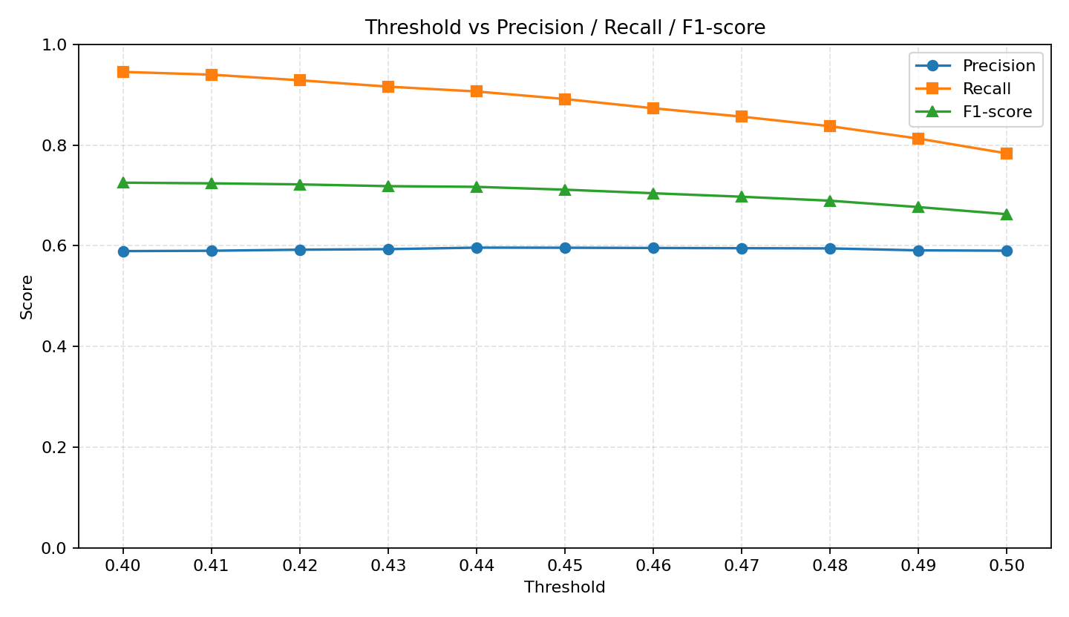
Threshold | Avg_Pred1 | Avg_TP | Precision | Recall | F1
0.4 | 67.4333 | 39.7 | 0.5893 | 0.9452 | 0.7252
0.41 | 66.9667 | 39.4667 | 0.59 | 0.9397 | 0.7239
0.42 | 65.9667 | 39 | 0.5921 | 0.9286 | 0.7218
0.43 | 64.9333 | 38.4667 | 0.5932 | 0.9159 | 0.7183
0.44 | 64 | 38.0667 | 0.5962 | 0.9063 | 0.7169
0.45 | 62.9667 | 37.4333 | 0.596 | 0.8913 | 0.7113
0.46 | 61.6667 | 36.6667 | 0.5955 | 0.873 | 0.7042
0.47 | 60.5 | 35.9667 | 0.5951 | 0.8563 | 0.6973
0.48 | 59.1667 | 35.1667 | 0.5947 | 0.8373 | 0.6894
0.49 | 57.6333 | 34.1333 | 0.5908 | 0.8127 | 0.6767
0.5 | 55.6333 | 32.9 | 0.5901 | 0.7833 | 0.6626

