Sheet1
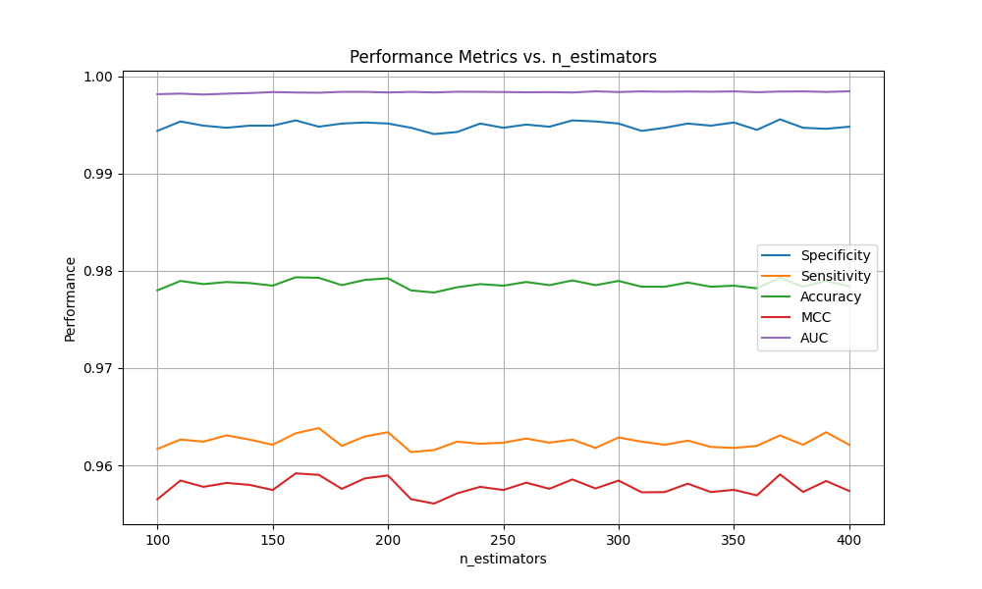
Data | Feature | OverSampling | UnderSampling | Positive | Negative | Ensemble | Sp（%） | Sn（%） | Acc（%） | MCC | AUC | Predictors | Feature |  | n_estimators | Sp（%） | Sn（%） | Acc（%） | MCC | AUC | 数据集1上RFC随参数变化的十折交叉验证结果 |  |  |  |  |  | 数据集1上GBC随参数变化的十折交叉验证结果 |  |  |  |  |  | 数据集2上GBC随参数变化的独立测试结果 |  |  |  |  |  | 数据集2上RFC随参数变化的独立测试结果
Sumo_TOP | TDA |  | Near Miss | 775 | 775 | GBC（n=500） | 92.78 | 96.45 | 94.65 | 0.8946 | 0.99 | Sumo_TOP（GBC） | TDA | Near Miss | 500 | 91.24 | 85.51 | 88.35 | 0.7685 | 0.95 | n_estimators | Sp | Sn | Acc | Mcc | Auc | n_estimators | Sp | Sn | Acc | Mcc | Auc | n_estimators | Sp（%） | Sn（%） | Acc（%） | Mcc | Auc | n_estimators | Sp（%） | Sn（%） | Acc（%） | Mcc | Auc
 |  |  |  |  |  |  |  |  |  |  |  | SVC | TDA | Near Miss |  | 91.77 | 77.43 | 84.53 | 0.6985 | 0.91 | 100 | 99.44 | 96.17 | 97.80 | 0.9565 | 0.9981 | 100 | 95.43 | 95.25 | 95.34 | 0.9069 | 0.9855 | 100 | 91.92 | 83.16 | 87.5 | 0.7532 | 0.9406 | 100 | 89.75 | 80.37 | 85.01 | 0.7038 | 0.9218
Kmer1_smote_ENN.csv | Kmer1 | smote | ENN | 9291 | 13417 | SVC(RBF) | 89.63 | 85.16 | 87.8 | 0.7479 | 0.9454 | RFC | TDA | Near Miss | 370 | 89.52 | 80.22 | 84.83 | 0.7 | 0.92 | 110 | 99.53 | 96.27 | 97.90 | 0.9584 | 0.9982 | 120 | 96.04 | 95.60 | 95.82 | 0.9164 | 0.9875 | 120 | 91.84 | 83.53 | 87.65 | 0.7559 | 0.9415 | 120 | 89.37 | 80.07 | 84.68 | 0.6971 | 0.9219
Kmer1_smote_ENN.csv | Kmer1 | smote | ENN | 9291 | 13417 | GBC(n=100) | 98.67 | 89.94 | 95.1 | 0.8996 | 0.9764 | RFC+GBC+RFC | DR1 | ENN | 170、580、200 | 83.01 | 77.08 | 80.25 | 0.6025 | 0.8769 | 120 | 99.49 | 96.24 | 97.86 | 0.9578 | 0.9981 | 140 | 96.41 | 95.67 | 96.04 | 0.9208 | 0.9884 | 140 | 91.77 | 84.19 | 87.95 | 0.7614 | 0.9426 | 140 | 89.3 | 80.74 | 84.98 | 0.7025 | 0.9206
Kmer1_smote_ENN.csv | Kmer1 | smote | ENN | 9291 | 13417 | RFC(n=100) | 99.54 | 93.64 | 97.12 | 0.9411 | 0.9955 | RFC+GBC+RFC | TDA | Near Miss | 170、580、200 | 91.84 | 83.6 | 87.69 | 0.7566 | 0.9411 | 130 | 99.47 | 96.31 | 97.88 | 0.9582 | 0.9982 | 160 | 96.98 | 95.76 | 96.37 | 0.9275 | 0.9896 | 160 | 91.99 | 84.78 | 88.35 | 0.7693 | 0.943 | 160 | 89.97 | 79.93 | 84.9 | 0.7021 | 0.9239
 |  |  |  |  |  |  |  |  |  |  |  | RFC+GBC+GBC | TDA | Near Miss | 440、500、520 | 91.77 | 85.07 | 88.39 | 0.7698 | 0.9463 | 140 | 99.49 | 96.27 | 97.87 | 0.9580 | 0.9983 | 180 | 97.10 | 95.81 | 96.45 | 0.9292 | 0.9899 | 180 | 92.14 | 84.41 | 88.24 | 0.7674 | 0.9435 | 180 | 89.52 | 80.29 | 84.87 | 0.7007 | 0.923
AAC_ADASYN_near.csv | AAC | ADASYN | near miss | 9312 | 9312 | 90/110/100 | 98.21 | 92.86 | 95.53 | 0.912 | 0.9895 |  |  |  |  |  |  |  |  |  | 150 | 99.49 | 96.21 | 97.85 | 0.9575 | 0.9984 | 200 | 97.58 | 95.89 | 96.73 | 0.9347 | 0.9904 | 200 | 91.84 | 84.78 | 88.28 | 0.7677 | 0.9443 | 200 | 89.67 | 80.29 | 84.94 | 0.7023 | 0.9239
AAC_borderline_ENN.csv | AAC | borderline smote | ENN | 9291 | 14401 | 90/110/100 | 99.56 | 93.06 | 97.01 | 0.9379 | 0.9891 |  |  |  |  |  |  |  |  |  | 160 | 99.55 | 96.33 | 97.93 | 0.9592 | 0.9983 | 220 | 97.58 | 95.76 | 96.66 | 0.9335 | 0.9905 | 220 | 92.22 | 84.63 | 88.39 | 0.7703 | 0.9448 | 220 | 89.6 | 80.07 | 84.79 | 0.6994 | 0.9216
AAC_normal_near.csv | AAC | normal | near miss | 9291 | 9291 | 90/110/100 | 99.64 | 92.08 | 95.86 | 0.9199 | 0.9762 |  |  |  |  |  |  |  |  |  | 170 | 99.48 | 96.38 | 97.93 | 0.9590 | 0.9983 | 240 | 97.78 | 95.87 | 96.82 | 0.9366 | 0.9907 | 240 | 91.92 | 84.34 | 88.09 | 0.7643 | 0.9448 | 240 | 89.15 | 80.22 | 84.64 | 0.6961 | 0.9232
AAC_smote_ENN.csv | AAC | smote | ENN | 9291 | 13413 | 90/110/100 | 99.25 | 92.97 | 96.68 | 0.932 | 0.9946 |  |  |  |  |  |  |  |  |  | 180 | 99.51 | 96.20 | 97.85 | 0.9576 | 0.9984 | 260 | 98.03 | 95.94 | 96.98 | 0.9399 | 0.9909 | 260 | 91.62 | 84.78 | 88.17 | 0.7654 | 0.9451 | 260 | 89.67 | 79.93 | 84.76 | 0.6989 | 0.9229
DR1_ADASYN_near.csv | DR1 | ADASYN | near miss | 9040 | 9040 | 90/110/100 | 97.71 | 93.62 | 95.66 | 0.9141 | 0.986 |  |  |  |  |  |  |  |  |  | 190 | 99.52 | 96.30 | 97.91 | 0.9587 | 0.9984 | 280 | 98.19 | 95.94 | 97.06 | 0.9416 | 0.9912 | 280 | 91.54 | 84.93 | 88.2 | 0.766 | 0.9453 | 280 | 89.6 | 80.74 | 85.13 | 0.7057 | 0.9224
DR1_borderline_ENN.csv | DR1 | borderline smote | ENN | 9291 | 9820 | 90/110/100 | 99.34 | 95.86 | 97.65 | 0.9534 | 0.9944 |  |  |  |  |  |  |  |  |  | 200 | 99.51 | 96.34 | 97.92 | 0.9590 | 0.9983 | 300 | 98.25 | 95.86 | 97.05 | 0.9413 | 0.9912 | 300 | 91.47 | 84.85 | 88.13 | 0.7645 | 0.9455 | 300 | 89.6 | 80 | 84.76 | 0.6988 | 0.9244
DR1_normal_near.csv | DR1 | normal | near miss | 9291 | 9291 | 90/110/100 | 99.68 | 91.95 | 95.81 | 0.9191 | 0.9765 |  |  |  |  |  |  |  |  |  | 210 | 99.47 | 96.14 | 97.80 | 0.9565 | 0.9984 | 320 | 98.32 | 95.74 | 97.03 | 0.9409 | 0.9912 | 320 | 91.32 | 85.15 | 88.2 | 0.7658 | 0.9456 | 320 | 89.9 | 79.93 | 84.87 | 0.7013 | 0.9237
DR1_smote_ENN.csv | DR1 | smote | ENN | 9291 | 9239 | 90/110/100 | 98.8 | 96.44 | 97.61 | 0.9526 | 0.9971 |  |  |  |  |  |  |  |  |  | 220 | 99.40 | 96.16 | 97.78 | 0.9561 | 0.9983 | 340 | 98.41 | 95.80 | 97.10 | 0.9424 | 0.9912 | 340 | 91.02 | 85.29 | 88.13 | 0.7641 | 0.9458 | 340 | 89.82 | 79.85 | 84.79 | 0.6998 | 0.9229
Kmer1_ADASYN_near.csv | Kmer1 | ADASYN | near miss | 9313 | 9313 | 90/110/100 | 98.21 | 92.87 | 95.54 | 0.9121 | 0.9901 |  |  |  |  |  |  |  |  |  | 230 | 99.43 | 96.24 | 97.83 | 0.9571 | 0.9984 | 360 | 98.38 | 95.78 | 97.08 | 0.9419 | 0.9913 | 360 | 91.09 | 85.29 | 88.17 | 0.7648 | 0.9461 | 360 | 89.45 | 80.59 | 84.98 | 0.7027 | 0.9239
Kmer1_borderline_ENN.csv | Kmer1 | borderline smote | ENN | 9291 | 14416 | 90/110/100 | 99.47 | 93.13 | 96.99 | 0.9373 | 0.9889 |  |  |  |  |  |  |  |  |  | 240 | 99.51 | 96.22 | 97.86 | 0.9578 | 0.9984 | 380 | 98.45 | 95.79 | 97.12 | 0.9427 | 0.9916 | 380 | 90.94 | 85.59 | 88.24 | 0.7661 | 0.9465 | 380 | 90.04 | 79.41 | 84.68 | 0.698 | 0.9241
Kmer1_normal_near.csv | Kmer1 | normal | near miss | 9291 | 9291 | 90/110/100 | 99.66 | 92.1 | 95.88 | 0.9202 | 0.9765 |  |  |  |  |  |  |  |  |  | 250 | 99.47 | 96.23 | 97.85 | 0.9575 | 0.9984 | 400 | 98.50 | 95.79 | 97.14 | 0.9432 | 0.9914 | 400 | 90.94 | 85.44 | 88.17 | 0.7647 | 0.9464 | 400 | 89.97 | 80 | 84.94 | 0.7027 | 0.9241
Kmer1_smote_ENN.csv | Kmer1 | smote | ENN | 9291 | 13417 | 90/110/100 | 99.28 | 93 | 96.71 | 0.9326 | 0.9942 |  |  |  |  |  |  |  |  |  | 260 | 99.50 | 96.28 | 97.88 | 0.9582 | 0.9983 | 420 | 98.60 | 95.82 | 97.21 | 0.9446 | 0.9913 | 420 | 90.72 | 85.51 | 88.09 | 0.7631 | 0.9469 | 420 | 89.75 | 80.22 | 84.94 | 0.7024 | 0.9235
Kmer2_ADASYN_near.csv | Kmer2 | ADASYN | near miss | 9487 | 9487 | 90/110/100 | 98.88 | 93.16 | 96.02 | 0.922 | 0.99 |  |  |  |  |  |  |  |  |  | 270 | 99.48 | 96.23 | 97.85 | 0.9576 | 0.9984 | 440 | 98.53 | 95.89 | 97.20 | 0.9444 | 0.9917 | 440 | 90.94 | 85.29 | 88.09 | 0.7633 | 0.9468 | 440 | 90.04 | 80.44 | 85.2 | 0.7077 | 0.9241
Kmer2_borderline_ENN.csv | Kmer2 | borderline smote | ENN | 9291 | 11283 | 90/110/100 | 99.98 | 94.04 | 97.3 | 0.9466 | 0.9959 |  |  |  |  |  |  |  |  |  | 280 | 99.55 | 96.27 | 97.90 | 0.9586 | 0.9983 | 460 | 98.56 | 95.79 | 97.17 | 0.9439 | 0.9916 | 460 | 91.02 | 85.51 | 88.24 | 0.7662 | 0.9466 | 460 | 89.9 | 80.29 | 85.05 | 0.7047 | 0.9253
Kmer2_normal_near.csv | Kmer2 | normal | near miss | 9291 | 9291 | 90/110/100 | 99.62 | 91.9 | 95.76 | 0.918 | 0.9755 |  |  |  |  |  |  |  |  |  | 290 | 99.53 | 96.18 | 97.85 | 0.9576 | 0.9984 | 480 | 98.56 | 95.77 | 97.16 | 0.9436 | 0.9912 | 480 | 91.24 | 85.66 | 88.43 | 0.7699 | 0.9471 | 480 | 89.97 | 80.37 | 85.13 | 0.7062 | 0.9247
Kmer2_smote_ENN.csv | Kmer2 | smote | ENN | 9291 | 11062 | 90/110/100 | 99.99 | 94.31 | 97.4 | 0.9486 | 0.9987 |  |  |  |  |  |  |  |  |  | 300 | 99.51 | 96.29 | 97.90 | 0.9584 | 0.9984 | 500 | 98.60 | 95.87 | 97.23 | 0.9450 | 0.9917 | 500 | 91.39 | 85.51 | 88.43 | 0.7701 | 0.9469 | 500 | 90.19 | 80.29 | 85.2 | 0.7079 | 0.9232
 |  |  |  |  |  |  |  |  |  |  |  |  |  |  |  |  |  |  |  |  | 310 | 99.44 | 96.24 | 97.84 | 0.9572 | 0.9984 | 520 | 98.76 | 95.75 | 97.25 | 0.9454 | 0.9914 | 520 | 91.32 | 85.22 | 88.24 | 0.7665 | 0.947 | 520 | 89.82 | 80.51 | 85.13 | 0.706 | 0.9237
DR1.csv | DR1 |  |  | 775 | 17807 | 90/110/100 | 99.85 | 1.67 | 95.75 | 0.067 | 0.7524 |  |  |  |  |  |  |  |  |  | 320 | 99.47 | 96.21 | 97.84 | 0.9573 | 0.9984 | 540 | 98.71 | 95.83 | 97.27 | 0.9458 | 0.9915 | 540 | 91.24 | 85.15 | 88.17 | 0.765 | 0.9472 | 540 | 89.9 | 80.07 | 84.94 | 0.7026 | 0.9236
DR1_smote.csv | DR1 | smote |  | 9291 | 17807 | 90/110/100 | 99.39 | 92.96 | 97.19 | 0.9377 | 0.9904 |  |  |  |  |  |  |  |  |  | 330 | 99.51 | 96.25 | 97.88 | 0.9581 | 0.9984 | 560 | 98.69 | 95.77 | 97.23 | 0.9450 | 0.9913 | 560 | 91.02 | 85.37 | 88.17 | 0.7648 | 0.9478 | 560 | 89.67 | 80.22 | 84.9 | 0.7016 | 0.9242
DR1_ENN.csv | DR1 |  | ENN | 775 | 16007 | 90/110/100 | 99.99 | 2.71 | 95.5 | 0.1414 | 0.8581 |  |  |  |  |  |  |  |  |  | 340 | 99.49 | 96.19 | 97.84 | 0.9573 | 0.9984 | 580 | 98.72 | 95.85 | 97.28 | 0.9461 | 0.9915 | 580 | 90.87 | 85.59 | 88.2 | 0.7653 | 0.9479 | 580 | 89.52 | 80.44 | 84.94 | 0.7021 | 0.9242
DR1_smote_ENN.csv | DR1 | smote | ENN | 9291 | 9239 | 90/110/100 | 98.8 | 96.44 | 97.61 | 0.9526 | 0.9971 |  |  |  |  |  |  |  |  |  | 350 | 99.52 | 96.18 | 97.85 | 0.9575 | 0.9984 | 600 | 98.70 | 95.80 | 97.25 | 0.9454 | 0.9915 | 600 | 91.09 | 85.51 | 88.28 | 0.767 | 0.9477 | 600 | 89.82 | 80.44 | 85.09 | 0.7053 | 0.9243
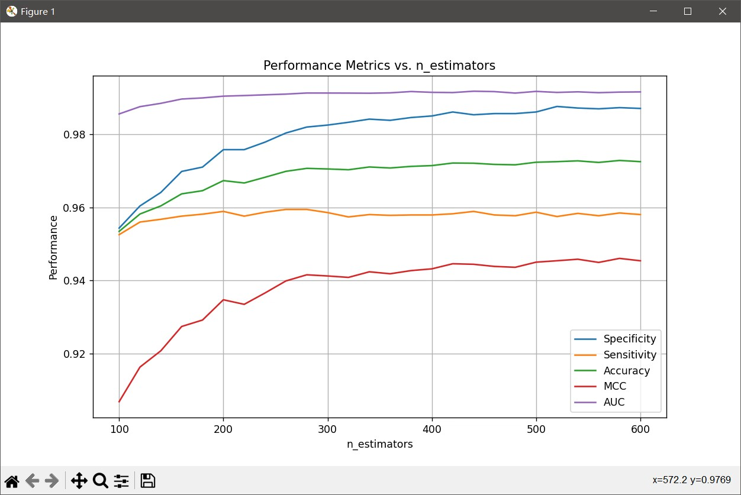
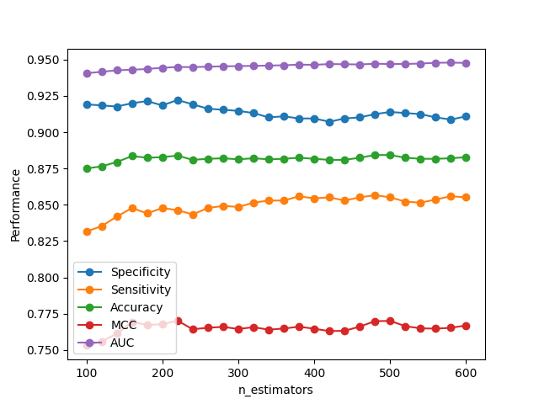
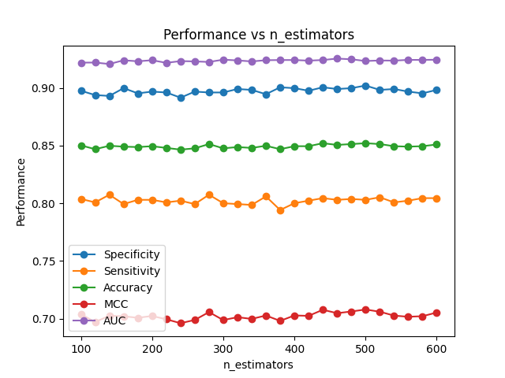
 |  |  |  |  |  |  |  |  |  |  |  |  |  |  |  |  |  |  |  |  | 360 | 99.45 | 96.20 | 97.82 | 0.9569 | 0.9984
 |  |  |  |  |  |  |  |  |  |  |  |  |  |  |  |  |  |  |  |  | 370 | 99.56 | 96.31 | 97.93 | 0.9591 | 0.9984
 |  |  |  |  |  |  |  |  |  |  |  |  |  |  |  |  |  |  |  |  | 380 | 99.47 | 96.21 | 97.84 | 0.9573 | 0.9984
 |  |  |  |  |  |  |  |  |  |  |  |  |  |  |  |  |  |  |  |  | 390 | 99.46 | 96.34 | 97.90 | 0.9584 | 0.9984
 |  |  |  |  |  |  |  |  |  |  |  |  |  |  |  |  |  |  |  |  | 400 | 99.48 | 96.21 | 97.84 | 0.9574 | 0.9984

