3 calibration methods
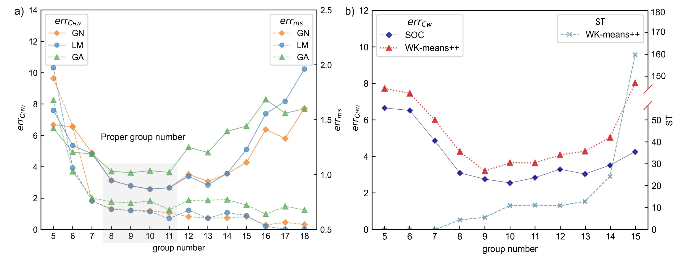
groupnumber | GN |  | LM |  | GA
 | err_ms | err_CHW | err_ms | err_CHW | err_ms | err_CHW
5 | 1.88 | 6.68 | 1.97 | 7.60 | 1.68 | 6.46
6 | 1.44 | 6.55 | 1.06 | 5.36 | 1.03 | 4.93
7 | 0.76 | 4.89 | 0.76 | 4.82 | 0.79 | 4.81
8 | 0.69 | 3.12 | 0.68 | 3.12 | 0.75 | 3.71
9 | 0.67 | 2.78 | 0.67 | 2.79 | 0.74 | 3.62
10 | 0.67 | 2.57 | 0.66 | 2.57 | 0.76 | 3.75
11 | 0.65 | 2.66 | 0.60 | 2.66 | 0.68 | 3.64
12 | 0.62 | 3.52 | 0.67 | 3.39 | 0.77 | 5.25
13 | 0.60 | 3.06 | 0.60 | 2.84 | 0.77 | 4.91
14 | 0.61 | 3.55 | 0.65 | 3.58 | 0.77 | 6.27
15 | 0.62 | 4.28 | 0.63 | 5.10 | 0.72 | 6.59
16 | 0.54 | 6.38 | 0.53 | 7.38 | 0.64 | 8.30
17 | 0.56 | 5.80 | 0.50 | 8.18 | 0.71 | 7.42
18 | 0.55 | 7.74 | 0.50 | 10.24 | 0.68 | 7.69

