Main
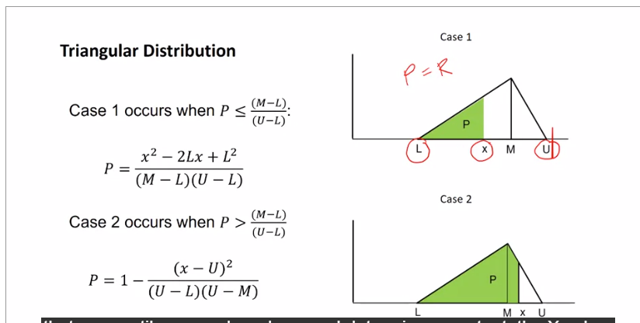
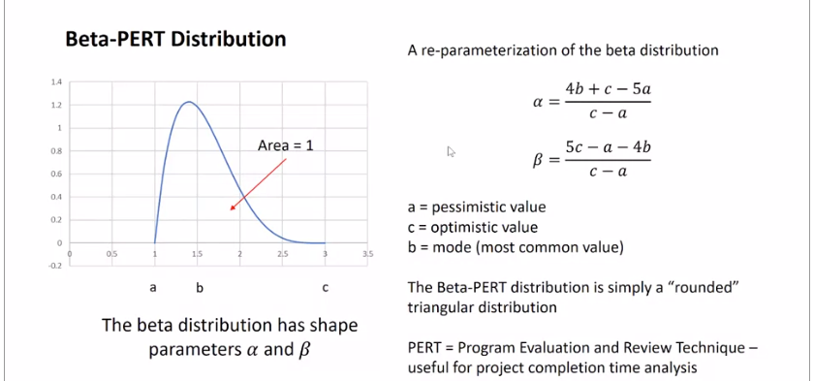
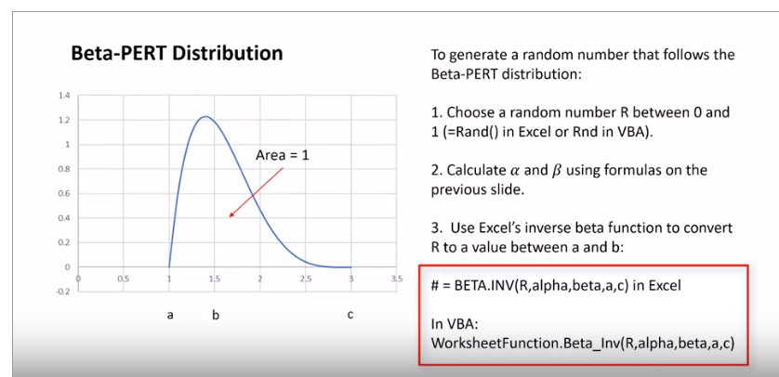
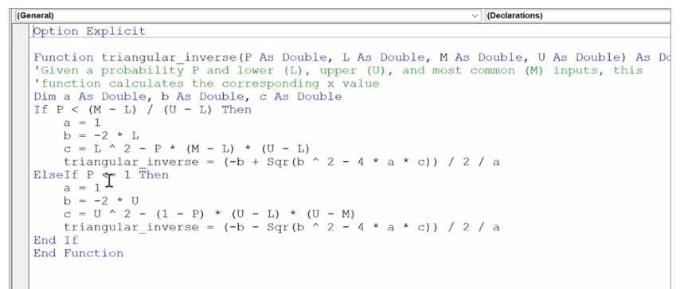
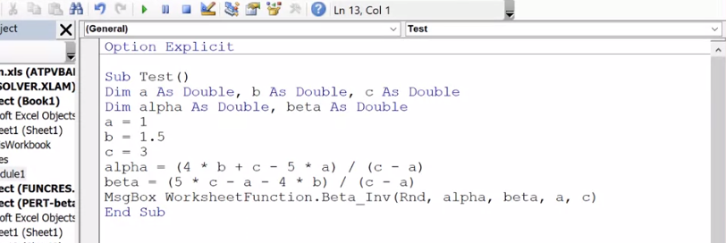
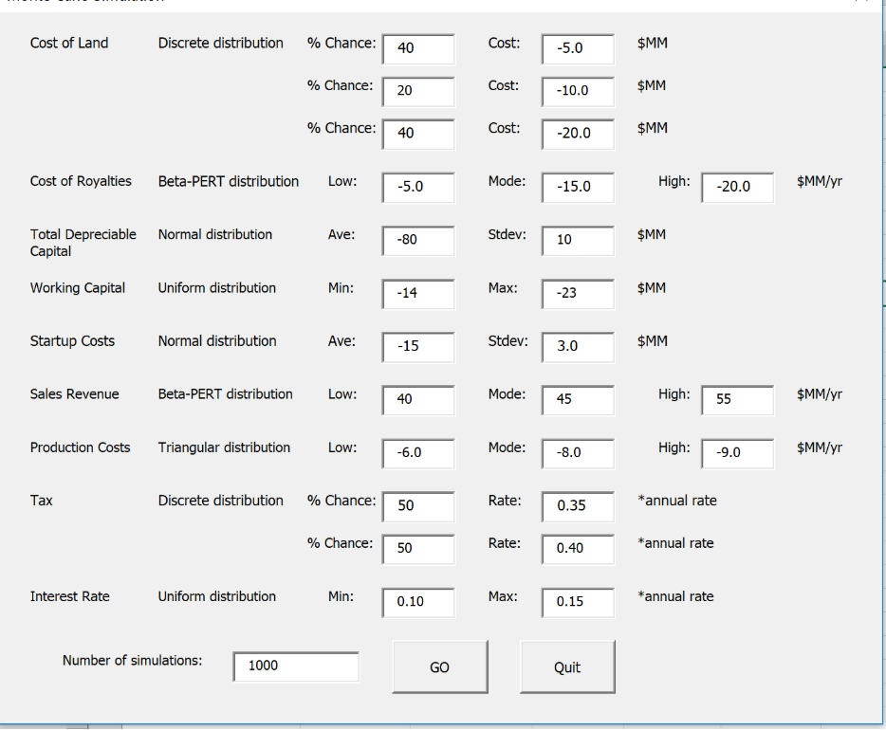
1 batch of Cookies
 | specific cost | units | amt. | units | other | units | total cost per batch
Flour | $0.62 | per lb | 2.25 | cups | 125 | g/cup | $0.38
Baking soda | $2.79 | per lb | 1 | tsp | 2.2 | g/cm^3 | $0.07
Salt | $0.06 | per oz. | 1 | tsp | 2.16 | g/cm^3 | $0.02
Butter | $1.00 | per stick | 2 | sticks |  |  | $2.00
Sugar | $0.65 | per lb | 0.75 | cup | 1.59 | g/cm^3 | $0.40
Brown sugar | $2.95 | per lb | 0.75 | cup | 0.93 | g/cm^3 | $1.07
Vanilla | $2.08 | per fl. oz. | 1 | tsp |  |  | $0.35
Eggs | $0.25 | per egg | 2 | eggs, large |  |  | $0.50
Chocolate chips | $2.95 | per bag | 1 | bag |  |  | $2.95
 |  |  |  |  |  |  |  |  | *
 |  |  |  |  |  | Total: | $7.74

 |  |  |  |  |  | Total cookies: | 60
 |  |  |  |  |  | Per cookie: | $0.129

 |  |  |  |  |  | Selling price: | $0.25 | per cookie
*IMPORTANT: DO NOT DELETE THIS SHEET |  |  |  |  |  | Profit: | $0.121 | per cookie
OR CHANGE ITS NAME!

Uniform |  |  |  |  |  | Discrete |  |  |  | normal
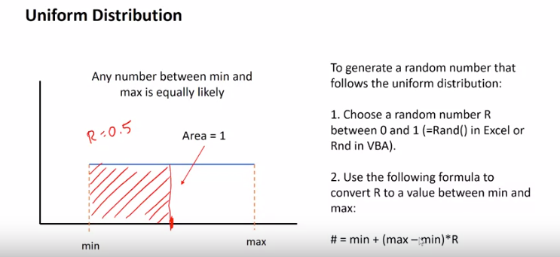
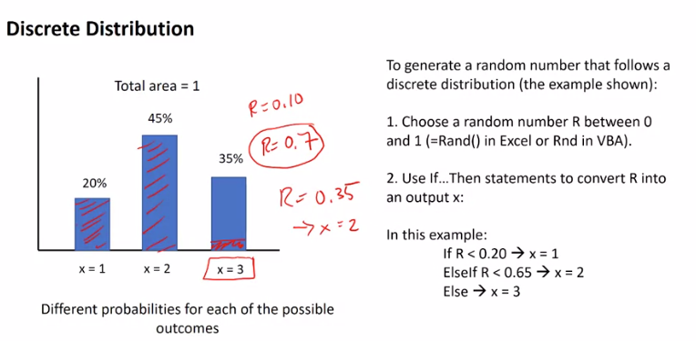
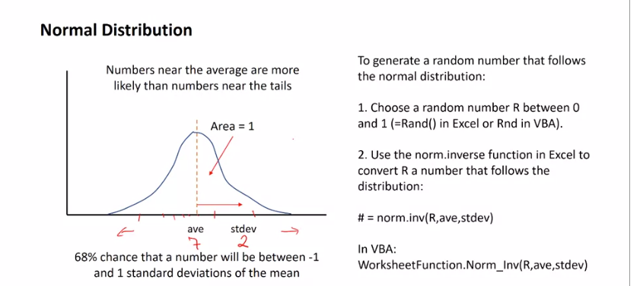



Triangular |  |  |  |  |  |  | Beta

Profitability
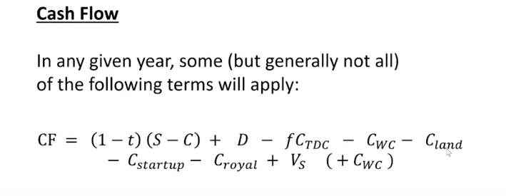
PROFITABILITY ANALYSIS - MONTE CARLO SIMULATION

C_land | -3.00 |  | S | 40.3 |  | C | -5.66
C_royalties | -3.46 |  | Tax: | 0.4 |  | i | 10.5%
TDC | -47.4
WC | -26.3 |  |  | *IMPORTANT: DON'T CHANGE ANYTHING ON THIS SHEET ACCEPT
C_start | -10.7 |  |  | FOR INPUTS HIGHLIGHTED IN GREEN!
 |  |  |  |  |  |  |  |  |  |  |  | (PV)
Year | TDC | WC | C_land | C_royalty | C_startup | V_S | D | S | C | ATE | Cash Flow | Disc. CF | NPV | MACRS-7
1 | -23.68 |  | -3.00 |  |  |  |  |  |  |  | -26.675428919 | -26.68 | -26.68
2 | -23.68 | -26.27 |  |  | -10.72 |  |  |  |  |  | -60.662793319 | -54.90 | -81.57
3 |  |  |  | -3.46 |  |  | 6.77 | 20.13 | -2.83 | 9.72 | 13.02 | 10.67 | -70.91 | 14.29%
4 |  |  |  | -3.46 |  |  | 11.60 | 32.21 | -4.53 | 15.08 | 23.22 | 17.21 | -53.70 | 24.49%
5 |  |  |  | -3.46 |  |  | 8.28 | 40.26 | -5.66 | 22.58 | 27.41 | 18.38 | -35.32 | 17.49%
6 |  |  |  | -3.46 |  |  | 5.91 | 40.26 | -5.66 | 24.00 | 26.46 | 16.06 | -19.26 | 12.49%
7 |  |  |  | -3.46 |  |  | 4.23 | 40.26 | -5.66 | 25.01 | 25.78 | 14.16 | -5.09 | 8.93%
8 |  |  |  | -3.46 |  |  | 4.22 | 40.26 | -5.66 | 25.02 | 25.78 | 12.82 | 7.72 | 8.92%
9 |  |  |  | -3.46 |  |  | 4.23 | 40.26 | -5.66 | 25.01 | 25.78 | 11.60 | 19.32 | 8.93%
10 |  |  |  | -3.46 |  |  | 2.11 | 40.26 | -5.66 | 26.28 | 24.94 | 10.15 | 29.48 | 4.46%
11 |  |  |  | -3.46 |  |  |  | 40.26 | -5.66 | 27.55 | 24.09 | 8.88 | 38.35
12 |  |  |  | -3.46 |  |  |  | 40.26 | -5.66 | 27.55 | 24.09 | 8.03 | 46.39
13 |  |  |  | -3.46 |  |  |  | 40.26 | -5.66 | 27.55 | 24.09 | 7.27 | 53.66
14 |  |  |  | -3.46 |  |  |  | 40.26 | -5.66 | 27.55 | 24.09 | 6.58 | 60.24
15 |  | 26.27 |  | -3.46 |  |  |  | 40.26 | -5.66 | 27.55 | 50.36 | 12.45 | 72.68

Histogram
0.1197 | 7
0.1199 | 23
0.1201 | 60
0.1203 | 78
0.1205 | 73
0.1207 | 73
0.1209 | 83
0.1211 | 68
0.1213 | 72
0.1215 | 77
0.1217 | 83
0.1219 | 75
0.1221 | 72
0.1223 | 73
0.1225 | 57
0.1227 | 22
0.1229 | 4

